Sheet1
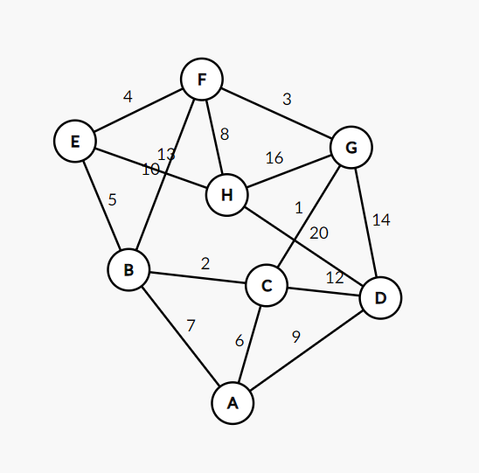
MST Prim | Start: A | v | edgeTo[] | distTo[] |  | Dijkstra A-H
 |  | A | A-C | 6 |  | A | B | C | D | E | F | G | H
 |  | C | C-G | 1 | A | 0 | 7 | 6 | 9
 |  | G | C-B | 2 | C |  | 7 |  | 9 |  |  | 7
 |  | B | G-F | 3 | G |  | 7 |  | 9 |  | 10 |  | 23
 |  | F | F-E | 4 | B |  |  |  | 9 | 12 | 10 |  | 23
 |  | E | F-H | 8 | D |  |  |  |  | 12 | 10
 |  | H | A-D | 9 | F |  |  |  |  | 12 |  |  | 18
 |  | D |  |  | E |  |  |  |  |  |  |  | 18

MST Kruskal |  |  | C G 1 | 1
 |  |  | B C 2 | 2
 |  |  | F G 3 | 3
 |  |  | E F 4 | 4
 |  |  | B E 5 | 5
 |  |  | A C 6 | 6
 |  |  | A B 7 | 7
 |  |  | F H 8 | 8
 |  |  | A D 9 | 9
 |  |  | B F 10 | 10
 |  |  | C D 12 | 12
 |  |  | E H 13 | 13
 |  |  | D G 14 | 14
 |  |  | G H 16 | 16
 |  |  | D H 20 | 20

Res = 33

