NEW
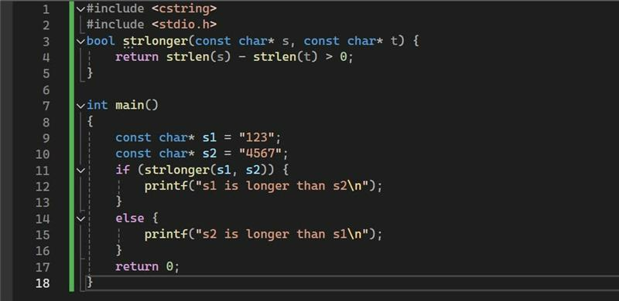
Introduction | Key | Opt | DucNP7 | DucMD2
1. briefly introduce | which programming language / what kind of system or application worked with Cpp / which cpp version used |  |  | 23 years, autosar, linux FPt: control module can ngan gon hon
2. Magentos | healthcare company that provides products and services related to clinical system
3. willing to learn new things | adapting and acquiring new things are key points espcially in technology industry today.

C/C++ basics: | Key answer | Opt
1. Static vs global variable? | visible/accessible/linkage and lifetime(remains alive for the duration of programm) |  |  | ok
2. heap vs stack? | both are memory region / stack stores local variable and heap used for dynamic memory allocation / heap size bigger than stack |  |  | chua ro rang lam
3. struct vs union | union's size is the size of largest type / struct size depends on data alignment |  |  | ok
 | -> structure alignment / padding
4. function pointers | a variable that point to function address / can be used as callback function |  |  | OK
 | -> typedef int (*func_ptr)(int, int);
5. difference pointer vs reference diff by pass value and reference (copy of value and alias / cannot change value and can change) | pointer: holds an address of other / reference is an alias pointer can be uninitialized but reference cant(have to point to valid variable) pointer can be reassigned but reference cannot sizeof pointer is fixed depends on Arch, but size of reference is size of type it refer to | - how to pass an array to function (3 ways) - const pointer and pointer to const - char foo char *foo char foo[5] char* foo[5] |  | ok, quen ko pass size

6. how do you manage memory in cpp | allocate and deallocate / new-malloc-calloc vs delete-free | - diff new / malloc: new return typed pointer / malloc return void*, new throw exception / malloc return null - how to make sure the successful of this |  | ok
7. challenges of managing memory | leaks |  |  | ok
 | dangling pointer |  |  | ok
 | double deletion
8. tools or techniques used for detect mem leaks | Valgrind / address sanitizer |  |  | x
12. Data alignment and padding of struct/class in cpp | - alignment: CPU want to access memory faster and efficiently, it requires data to be aligned in the way data starts at memory address that are multiple of its type size - Padding is extra unused memory inserted between members to satisfy alignment constraints. (compiler will add it) | struct Foo{ int a; char b; char c; }; |  | ok, quen ko pass size
18. multithread / data race / deadlock avoid: locking by order (same order in all threads) |  | multithreading vs multiprocessing
- dangerous of using gets() - char src[] = ""Sample Test""; char dst[10]; strcpy(dst, src)
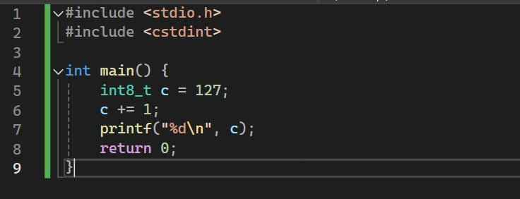

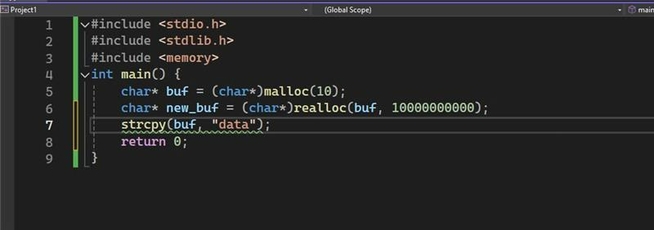

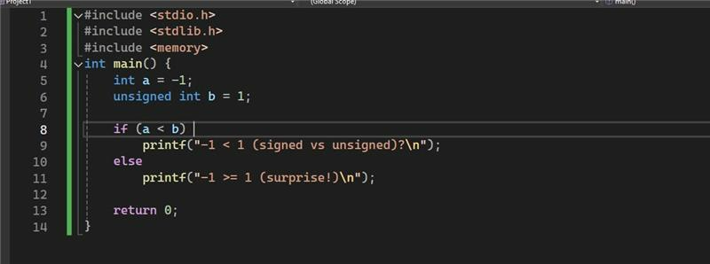

 |  |  | chua dung gets() bao gio

Git | Key answer | Opt
1. what version control system did you use? | git / svn
2. Git commands | git clone git push git fetch git pull git add git checkout git branch git merge git stash git restore git diff | - git fetch vs git pull: .download changes but not integrate into local branch(to see changes before merge) .fetch changes and merge into local branch - git merge vs git rebase: .combines branches preserving history and create new merge commit .rewriting history, move your commits ontop of main |  | - it dung git

Linux | Key answer | Opt
1. How to check manual of any command? | use man
2. Common comands | - ps: process status memory usage and CPU utilization - grep: search for text within file - Explain the difference between a hard link and a symbolic (soft) link - process communcating | "index node," is a data structure in Unix-style file systems that stores metadata about a file or directory, such as its size, permissions, and timestamps, but not the file's name or content | - chua biet grep - chua biet process communication | - chua biet grep - chua biet process communication

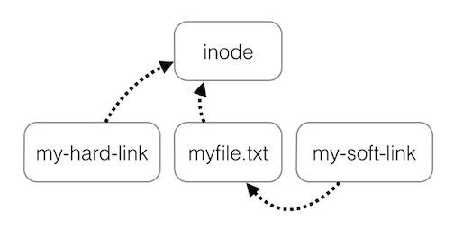

SQL

các loại Join cơ bản trong SQL | Basic Types of JOIN in SQL JOINs are used to combine rows from two or more tables based on a related column. INNER JOIN: Returns only the rows that have matching values in both tables. LEFT JOIN: Returns all rows from the left table, and matched rows from the right table. If no match, returns NULL. RIGHT JOIN: Returns all rows from the right table, and matched rows from the left table. If no match, returns NULL. FULL JOIN: Returns all rows when there is a match in one of the tables. If no match, returns NULL. CROSS JOIN: Returns the Cartesian product of both tables (every row from table A combined with every row from table B). |  | ok
UNIQUE và PRIMARY KEY là gì | What are UNIQUE and PRIMARY KEY? PRIMARY KEY: Uniquely identifies each record in a table. It cannot be NULL and each table can have only one primary key. UNIQUE: Ensures all values in a column are unique. A table can have multiple UNIQUE constraints. Difference: PRIMARY KEY = UNIQUE + NOT NULL UNIQUE allows NULLs, PRIMARY KEY does not. |  | ok | can doc lai, dung doc tu script
Sự khác biệt giữa UNION và UNION ALL | 3. Difference Between UNION and UNION ALL UNION: Combines results from two queries and removes duplicates. UNION ALL: Combines results and keeps duplicates. 👉 UNION ALL is faster because it skips the duplicate check. |  | ok
Tại sao nên sử dụng GROUP BY và HAVING thay vì chỉ WHERE | Why Use GROUP BY and HAVING Instead of Just WHERE GROUP BY: Groups rows that have the same values in specified columns. HAVING: Filters groups after GROUP BY is applied. WHERE: Filters rows before grouping. 👉 Use HAVING when filtering based on aggregate functions like SUM, COUNT, etc., because WHERE cannot handle aggregates.
sắp xếp dữ liệu trong SQL | Sorting Data in SQL Use ORDER BY to sort results: |  | X
NULL trong SQL? NULL khác gì với 0? | What is NULL in SQL? How is NULL Different from 0? NULL: Represents missing or unknown data. 0: Is a known numeric value. Key Differences: NULL ≠ 0 You can't compare NULL using =, use IS NULL or IS NOT NULL. |  | ok
Explain different types of constraints (UNIQUE, NOT NULL, CHECK, DEFAULT) and their application. | NOT NULL: Ensures a column cannot have NULL values. UNIQUE: Ensures all values in a column are distinct. PRIMARY KEY: Uniquely identifies each row in a table. FOREIGN KEY: Ensures referential integrity by linking to a primary key in another table. CHECK: Ensures that all values in a column satisfy a specific condition. DEFAULT: Sets a default value for a column when no value is specified.
What is normalization in databases? What is denormalization, and when is it used? | Normalization is the process of organizing data in a database to reduce redundancy and improve data integrity. This involves dividing large tables into smaller, related tables and defining relationships between them to ensure consistency and avoid anomalies. Denormalization is the process of combining normalized tables into larger tables for performance reasons. It is used when complex queries and joins slow down data retrieval, and the performance benefits outweigh the drawbacks of redundancy.
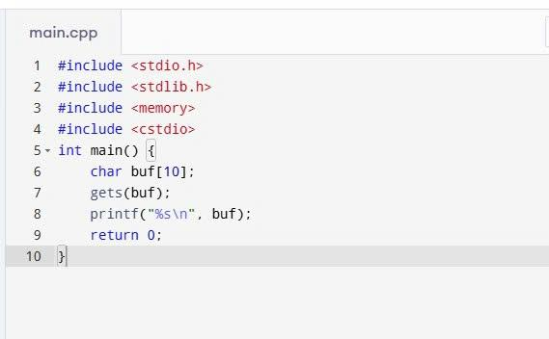
What is the purpose of the GROUP BY clause? | The GROUP BY clause is used to arrange identical data into groups. It is typically used with aggregate functions (such as COUNT, SUM, AVG) to perform calculations on each group rather than on the entire dataset.

C++
C/C++ classic basics: |  |  | Result
1. Static vs global variable? static int a; int main(){ return 0; } .data .bss | visible/accessible/linkage and lifetime(remains alive for the duration of programm) |  | X it dung global
2. heap vs stack? | both are memory region / stack stores local variable and heap used for dynamic memory allocation / heap size bigger than stack
3. struct vs union | union's size is the size of largest type / struct size depends on data alignment '-> structure alignment / padding | 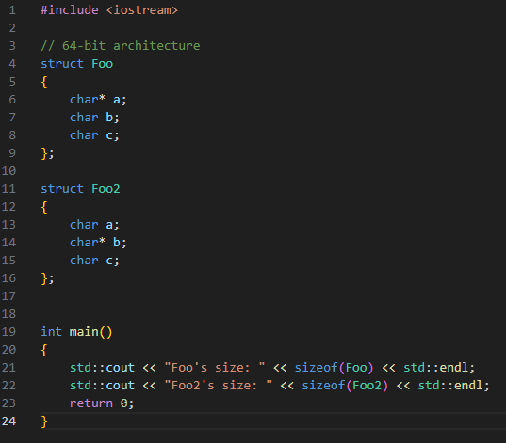
4. callback function | a variable that point to function address / can be used as callback function '-> typedef int (*func_ptr)(int, int); - lambda - functor |  | trong cpp khong biet callback
5. difference pointer vs reference diff by pass value and reference (copy of value and alias / cannot change value and can change) diff by pass value and reference (copy of value and alias / cannot change value and can change) | pointer: holds an address of other / reference is an alias pointer can be uninitialized but reference cant(have to point to valid variable) pointer can be reassigned but reference cannot sizeof pointer is fixed depends on Arch, but size of reference is size of type it refer to | - how to pass an array to function (3 ways) - const pointer and pointer to const - char foo char *foo char foo[5] char* foo[5]
6. how do you manage memory in cpp | allocate and deallocate / new-malloc-calloc vs delete-free | - diff new / malloc: new return typed pointer / malloc return void*, new throw exception / malloc return null - how to make sure the successful of this | ?? tra ve gi ?
7. challenges of managing memory | leaks dangling pointer double deletion |  | chi biet ve leak
8. tools or techniques used for detect mem leaks | Valgrind / address sanitizer |  | ok

C++ fundamental
1. What is a namespace in C++? |  |  | ok
2. What is a template in C++? | - class template khác class thường ntn khi compile |  | it dung template
3. How do vectors differ from arrays in C++? |  |  | ok
4. Unordered_map, map, set, priority_queue, list, ... | - Inserting, deleting, finding complexitiy... - How to loop through map, vector |  | X
5. Casting in cpp - static_cast - dynamic_cast - reinterpret_cast | - reinterpret_cast: casting pointer types, integral types
6. Undefined behavior |  |  | ok

OOP
1. 4 key principles of OOP |  |  | da hinh compile time??? deo ro rang
2. Rule of three, Rule of five, Rule of Zero?
3. Different between abstraction class vs interface class |  |  | ok
4. What is the difference between shallow copy and deep copy in C++? |  |  | ko ro lam
5. Virtual key word, pure virtual, polymorphism How is a vtable implemented? Describe the runtime mechanism for virtual calls. |  |  | ok

C++ modern / advanced
1. lvalue vs rvalue, move semantics, RVO - std::move() ? | 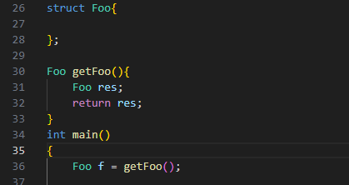 |  | x
2. RAII 7. Lambda, how to capture 1 variable by value |  |  | x x
3. smart pointer (ownership) shared_ptr unique_ptr weak_ptr | cơ chế bên trong ntn, ownership - is an observer - doesn’t participate in reference counting - know if object has gone lock() convert weakpointer to shared pointer(create a new one) why use make_unique, make_shared instead of raw new - improved performance + make_shared perform a single memory allocation for both: the object itself and control block + std::shared_ptr<> a(new…) // perform two separate memory allocations - Exception safety Better cache locality: because the object and control block are allocated together, they are likely to be closer in memory |  | chi biet 3 loai
4. Multithreading - std::thread - std::async - std::future - std::promise - What is data race? How to prevent data race ? Semaphore vs mutex std::mutex std::shared_mutex std::lock_guard std::unique_lock std::lock - mutex vs spinlock - what is deadlock, give example - how to prevent deadlock - message queue | Bài toán producer-consumer (1-1) - Buffer 10 phần tử - Producer sẽ produce cho tới full 10 phần tử thì báo cho consumer để consume. - Consumer consume cho tới khi buffer đó empty thì sẽ báo cho Producer để produce và consumer đợi cho tới khi đc báo tiếp. Dùng phương thức nào để đồng bộ đc 2 thread này? 1. dùng spinlock std::atomic<bool> producer_turn{true}; std::atomic<bool> consumer_turn{false}; // Spin waiting for turn while (!producer_turn.load()); // Spin waiting for turn while (!consumer_turn.load()); 2. dùng semaphore (semaphore count=0 thì block thread) (wait/acquire decrement post/release increment) Semaphore can_produce(1); // Allows Producer to run initially Semaphore can_consume(0); // Consumer waits initially 3. dùng condition variable std::condition_variable cv_producer; std::condition_variable cv_consumer; // Producer waits until the buffer is completely empty cv_producer.wait(lock, [] { return buffer.empty(); }); // Consumer waits until the buffer is full cv_consumer.wait(lock, [] { return buffer.size() == BUFFER_SIZE; }); đưa tôi code cho 3 solution trên |  | biet multithreding trong C ko biet semaphore - chua biet spinlock cho dc vi du ve deadlock
5. Memory pool |  |  | x
6. Threadpool |  |  | x

Design pattern | Expect code đc 2 trong 3 pattern
- Singleton | Chú ý gì khi code singleton
- Observer | Chú ý gì khi code observer |  | x
- Factory | Chú ý gì khi code factory (dynamic)

Networking, TCP/IP, Linux
1. Gặp chương trình crash chưa? Xử lý ntn |  |  | o
2. Linux - Virtual memory? Cơ chế mapping Virtual memory -> physical memory - thread vs process - IPC (socket, message queue, shared_memory, pipe, signal, dbus)
3. Điều phối CPU của OS
4. TCP (Transmission Control Protocol) | Là giao thức hướng kết nối, yêu cầu thiết lập kết nối trước khi truyền dữ liệu. Đảm bảo độ tin cậy thông qua việc kiểm tra lỗi và khôi phục lỗi. Tốc độ truyền dữ liệu chậm hơn do có quá trình bắt tay và kiểm tra lỗi. | SOCK_STREAM – Giao thức TCP TCP (Transmission Control Protocol) là giao thức kết nối có trạng thái, đảm bảo dữ liệu được truyền đầy đủ, đúng thứ tự và không bị mất. Dùng cho các ứng dụng cần độ tin cậy cao như: Truyền file Web server (HTTP) Chat Đặc điểm: Phải connect() trước khi gửi dữ liệu. Dữ liệu được truyền như một dòng liên tục (stream). Có kiểm tra lỗi, đảm bảo dữ liệu đến đúng nơi. | quen tao socket cung biet ve tcp udp
5. UDP (User Datagram Protocol) | Là giao thức không kết nối, không yêu cầu thiết lập kết nối trước. Tốc độ truyền dữ liệu nhanh hơn vì không có quá trình kiểm tra lỗi. Thích hợp cho các ứng dụng yêu cầu tốc độ cao hơn là độ tin cậy, như video streaming hoặc trò chơi trực tuyến. | SOCK_DGRAM – Giao thức UDP UDP (User Datagram Protocol) là giao thức không kết nối, nhanh hơn nhưng không đảm bảo dữ liệu đến nơi. Dùng cho các ứng dụng cần tốc độ cao, chấp nhận mất mát dữ liệu như: Truyền video/audio trực tuyến Game online DNS Đặc điểm: Không cần connect(), chỉ cần sendto() và recvfrom(). Dữ liệu được gửi theo từng gói (datagram). Không đảm bảo thứ tự hoặc độ tin cậy.
6. Wireshark

Git
- git fetch vs git pull: .download changes but not integrate into local branch(to see changes before merge) .fetch changes and merge into local branch
- git merge vs git rebase: .combines branches preserving history and create new merge commit .rewriting history, move your commits ontop of main
Other
- tool for benchmark | bench mark gì? |  | ko biet

+ Định hướng làm embedded/application C++ ? | dinh huong C++
+ Lên Hòa Lạc? | ok
+ Làm lead bao giờ chưa? Review code ntn, dựa vào đâu? | chua lead bao gio
+ Thời gian có thể nhận việc mới | 1-2 tuan

