Cover
| Da nang R&D Department

DESIGN SPECIFICATION | PROJECT: SPI PROTOCOL

 | Revision
 | Prj Duration: one month
 | Author | UyenPTM2
 | Approval
 | Member

<HIGH BLOCK>
HIGH BLOCK SPI DESIGN

Function Description

Interface

 |  |  |  |  |  |  |  | top_module

SPI_Config_M
SPI_Config_S
i_data_m
SCK
SCK
MOSI
MOSI
o_data_s
o_data_m
MISO
MISO
i_data_s
trans_en
SS
SS

Reset_n
clk
Data_config

Signal Description

No | Signal Name |  |  | Width |  | Direction |  | Function Description
1 | clk_s |  |  | 1 |  | Input |  | provide clk for module
2 | rst |  |  | 1 |  | Input |  | active when rst negative
3 | trans_en |  |  | 1 |  | Input |  | In master mode, this state high start a transmission
3 | data_config |  |  | 64 |  | Input |  | config master mode, slave mode, detecting error mode, baud rate
4 | i_data_m |  |  | 8 |  | Input |  | Input 8 bit into master and check result output slave
5 | o_data_m |  |  | 8 |  | Output |  | Output master receiv data from slave
6 | i_data_s |  |  | 8 |  | Input |  | Input 8 bit into slave to master and check result output master
7 | o_data_s |  |  | 8 |  | Output |  | Output 8 bit slave receiv from master

Design
Architecture SPI Block

trans_en
SPI Control Register 1
control port
data_config
SPI Control Register 2
SCK
SPI Status register
reset_n
MOSI

clock
SPI baud rate register
MISO

buffer
SS
i_data
SPI data shift

o_data

No | Signal Name |  |  | Width |  | Direction |  | Function Description
1 | clk_s |  |  | 1 |  | Input |  | provide clk 25MHz for module
2 | rst |  |  | 1 |  | Input |  | active when rst negative
3 | data_config |  |  | 32 |  | Input |  | config master mode, slave mode, detecting error mode, baud rate
4 | i_data |  |  | 8 |  | Input |  | Input 8 bit parallel into buffer
5 | trans_en |  |  | 1 |  | Input |  | for master control transmission start and kill
6 | o_data |  |  | 8 |  | Output |  | Output 8 bit parallel from shift register
7 | CLK |  |  | 1 |  | inout |  | If in master mode CLK port is output, if in slave mode CLK port is input
8 | MISO |  |  | 1 |  | inout |  | If in master mode MISO is input, if in slave mode MISO is output
9 | MOSI |  |  | 1 |  | inout |  | If in master mode MOSI is output, if in slave mode MOSI is input
10 | CS |  |  | 1 |  | inout |  | if in master mode CS is output, if in slave mode CS is input

SPI control register 1

 | 7 |  | 6 |  | 5 |  | 4 | 3 |  | 2 | 1 | 0
R | SPIE |  | SPE |  | SPTIE |  | MSTR | CPOL |  | CPHA | SSOE | LSBFE
W
Reset | 0 |  | 0 |  | 0 |  | 0 | 0 |  | 1 | 0 | 0

SPIE: | This bit enable SPI interrupt requests - 1. If SPIF or MODF is set (Status register)
SPE: | enable system - 1 / lower power - 0 then Status register is reseted
SPTIE: | Transmit interrupt enable- 1/ disnable - 0. If SPTEF is set (Status register)
MSTR: | Master mode - 1/ Slave mode -0
CPOL: | Active low clock - 1/ high clock -0
CPHA: | Select format clock ( even edge clock - 1/ odd - 0) -> change ->stop & idle state
SSOE: | Active only master mode. If MODFEN(control register 2) is set input with MODF(status register) feature - 0/ slave select ouput - 1 -> change -> stop & idle state

LSBFE: | Transferred least significant bit first - 1/ most significant -0 -> change -> stop & idle state

Control register 2
 | 7 |  | 6 |  | 5 |  | 4 | 3 |  | 2 | 1 | 0
R | 0 |  | 0 |  | 0 |  | MODFEN | BDIROE |  |  | SPISWAI | SPCO
W
Reset | 0 |  | 0 |  | 0 |  | 0 | 0 |  | 0 | 0 | 0

 |  | can't overwrite

MODFEN: |  | detected MODF failure (status register). If this bit clean -> SS not use, if it set -> feature depend SSOE CR1,

BIDIROE |  | Enable - 1/ disnable - 0 Bidrectional when SPCO is set. In master mode, this bit control output buffer of the MOSI port, In slave mode it control output MISO. If change -> stop transmission and idle state.

SPISWAI |  | Save power in wait mode, If this bit is set -> stop generation clock, If this bit clearn -> clock operate normally
SPC0 |  | Config pin MISO and MOSI when bidirection is enable

Baud rate register

 | 7 |  | 6 |  | 5 |  | 4 | 3 |  | 2 | 1 | 0
R | 0 |  | SPPR2 |  | SPPR1 |  | SPPR0 | 0 |  | SPR2 | SPR1 | SPR0
W
Reset | 0 |  | 0 |  | 0 |  | 0 | 0 |  | 0 | 0 | 0

 |  | can't overwrite

Baud Rate = ([SPPR2, SPPR1, SPPR0] +1)*(2**([SPR2:SPR0])

Status register
 | 7 |  | 6 |  | 5 |  | 4 | 3 |  | 2 | 1 | 0
R | SPIF |  | 0 |  | SPTEF |  | MODF | 0 |  | 0 | 0 | 0
W
Reset | 0 |  | 0 |  | 1 |  | 0 | 0 |  | 0 | 0 | 0

SPIF |  | This bit set after a received data transfer into Data Register. This bit is cleared by reading the SPISR
SPTEF |  | If set -> data register is empty. Before write data into data register, we need read SPISR with SPTED = 1 and clean SPTEF

MODF |  | this bit set when SS input becomes low while SPI in master mode, mode fault detection is enable, MODFEN bit of SPICR2 is set ( has erro - 1/ else - 0)

Data register
 | 7 |  | 6 |  | 5 |  | 4 | 3 |  | 2 | 1 | 0
R
W
Reset | 0 |  | 0 |  | 0 |  | 0 | 0 |  | 0 | 0 | 0

SPIF set - normally read only

Config

Config master - slave
SPI control Register 1 : bit MSTR set is master, clear is slave

Only master can start transmission. If buffer not empty and shift register is empty, data write to shift register and shift depend clock cycle.

function of output master being config by SPC0 and BIDIRO (control register 2)

MODFEN and SSOE set are config for master can output SS pin, it can choose slave when start transmission (low each choose)

If MODFEN set and SSOE cleared, SS in configured input detecting(tim kiem) error. If input low -> error mode -> SPI move slave mode - clear MSTR of control register 1 - SCK, MOSI, MISO become input port. If has error in a transmission -> exit transmission and changed idle state

mode detecting error also set MODF (status reg). If SPIE set and MODF set -> interupt request is also requested

If CPOL, CPHA, SSOE, LSBFE, MODFEN, SPC0, BIDIROE, SPC0 set -> stop transmission and back to idle state( ensure slave stop)

Slave mode

transfer bidrectional
CLK

rst

MOSI

MISO

SS

i_data_m |  |  |  |  | EE

o_data_m |  |  |  |  |  |  |  |  | 0 |  |  |  | 34

i_data_s |  |  |  |  | 34

o_data_s |  |  |  |  |  |  |  |  | 0 |  |  |  | EE

Baud rate

clk_s

rst

R_baud_rate |  | 00010000

SPE

MSTR

CLK

clk_s = 25 MHz, rst CLK = CPOL; baud rate =25MHz/{ ([SPPR2:SPPR0] + 1)(2^[SPR2:SPR0])}, If SPE enable System is active, if MSTR enable SPI module is Master, another is slave, is SPISWAI = 1; no create CLK and CLK = CPOL

<LOWBLOCK>
LOW LEVEL BLOCK SPI MODULE

input config 32 bit [31:0]data_config : [31:24] R1_Control, [23:16] R2_Control, [15:8] R_Status, [7:0] R_baud_rate

start

R1_Control <= 8'b0000100
R2_Control <= 8'b0
R_Status <= 8'b0010000
R_baud_rate <= 8'b0
RST

R1_Control <= data_config[31:24]
R2_Control <= data_config[24:16]
R_Status <= data_config[15:8]
R_baud_rate <= data_config[7:0]
[31:0]data_config

R1_Control[4] =1
R1_Control[4] = 0

Master config & transmission
Slave config and transmisstion

baud rate clock

 | we can’t sure the spi mode is master or slave so the value reset is default, data_config decided module is master or slave, If module is operating, configturing will be stop system
 | if data config is master mode, in the master mode has function check error mode, in this case master will change slave

!=
INTERUPT REQUEST
data_reset
rst_n
SPIE
0
TURN OFF SYSTEM
REGISTER_CONFIG
0
1
MSTR
rst_n
MASTER
data_config
1
1
1
0
SLAVE
IDLE
0
IDLE
STATE
1
IDLE

0

LOW LEVEL BLOCK - BAUD RATE

interupt condition
div frequence flow reg_baud_rate
MODF
SPIE
12'b0
1
0
+1'b1
check enable system
rst

SPISWAI
1
counter
==
==
SPE - CR1
12'b0
0
1
clk_source
rst_n
0
output if master mode
1
baud_rate_count (max div 2048)
1'b0
R_CLK
CLK pin
0
mode[1:0]

input if slave mode

 | MODF set when is config master mode but CS pin driven low, if SPIE config "1" interupt request
 | SPE - SPI enable, this signal confirm the system is active
 | Counter compare with baud_rate_value and inveter R_CLK ( use R_CLK cause SCK is "inout" port can’t instance reg, we use R_CLK and assignment to SCK)
 | baud rate =25MHz/{ ([SPPR2:SPPR0] + 1)(2^[SPR2:SPR0])}

MSTR
check SPIF & transfer

SPE

CLK

REGISTER DATA
REGISTER SHIFT DATA
OUTPUT DATA

SS
SS

 |  | PHASE MODE

+1

LSBFE
SS
CPHA
0
counter
<=
1'b0
CS
1
MISO
1
'd7
0
register_shift
0
CPHA
MOSI
1

SCK

MSTR
slave transmission
SPE

CS

CLK

+1
LSBFE

SPIF

CPHA
CS
counter
<=
MISO
1
1'b0
register_shift
0
0
MOSI
'd7
CPHA
1

SCK

TESTBENCH_TESTCASE
TESTBENCH

Task Case 1
test case wit normal config

Result
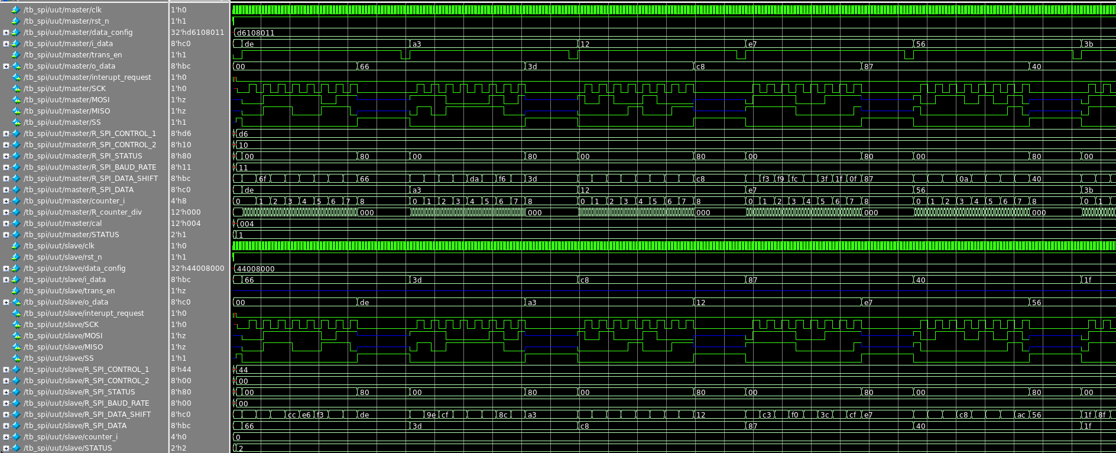

Task Case 2

test change config when runing with interupt request enable

result

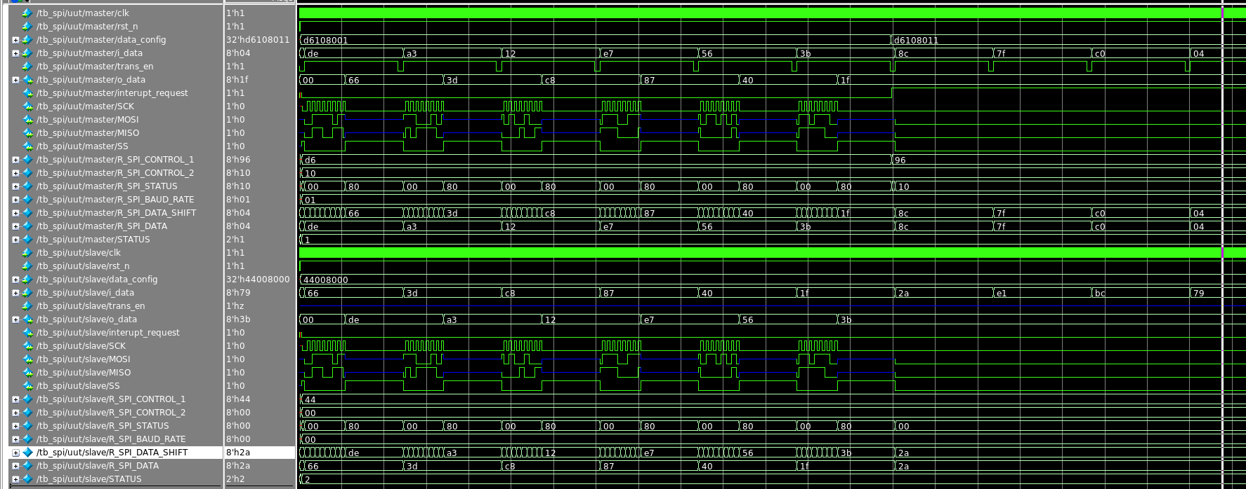

Test case 3

test baudrate
result
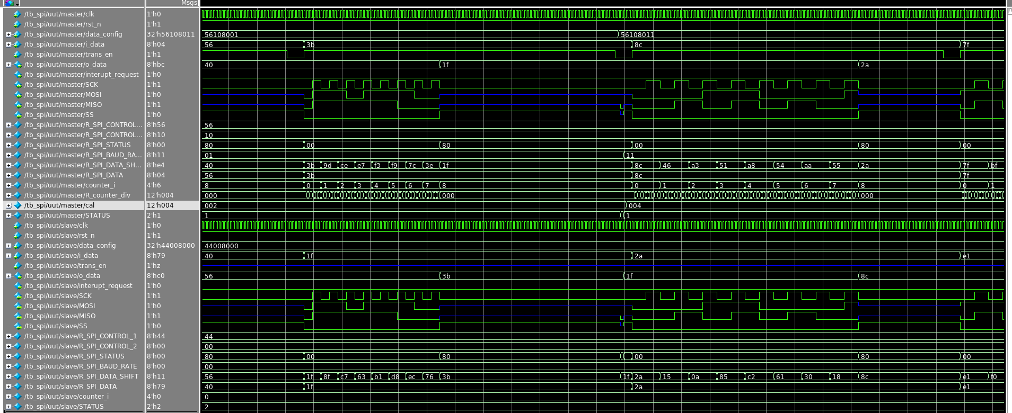

Test case 4

test transaction MSL or LSB

result
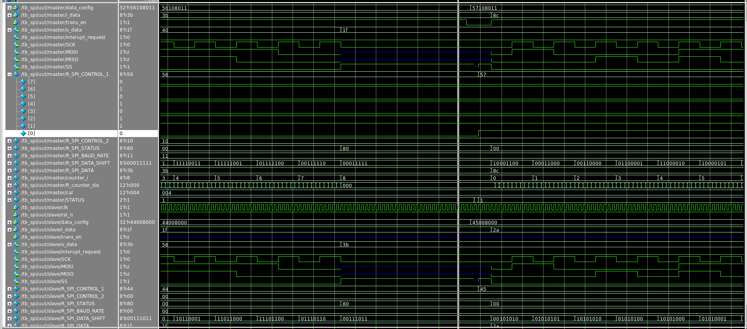

Test case 5

