Design
Central
(RasperryPi+LORA)
Server
Web Clients
(Browser...)
Node
(nrf51DK/TMPM+LORA)

Main Flow

User Open Door
NotifyDoorOpen command

sync: 1Byte 0x69
opCode: 1Byte 0x10
dataSize: 2Byte 0x04
doorId: 1Byte 0x01
duration(s): 2Byte xx
isOverTimeOut: 1Byte 0|1
POST /api/dooropens
Save Record to MongoDB
(DoorOpensSchema)

{
doorId: 0x01
duration(s): xx
isOverTimeOut: true|false
}
{
doorId: 0x01
duration(s): xx
isOverTimeOut: true|false
curDate: Date
startTime: DateTime
endTime: DateTime
}

RESPONSE

TBD: No Need Response to Node
{
code: 0x00
msg: "OK"
}

Save Stats Info of That Day to MongoDB
(StatLatestSchema)

{
curDate: Date
openTotal: Number
criticalTotal: Number
}

WebSockets Notify changed to Client

GET/api/stat/latest

RESPONSE

[{
doorName: String
isOnline: Bool
curDate: Date
openTotal: Number
criticalTotal: Number
}]

Node Startup

NotifyStartup command
MQTT topic
"NODE_STATUS"

sync: 1Byte 0x69
opCode: 1Byte 0x02
dataSize: 2Byte 0x01
doorId: 1Byte 0x01
Event Handler
Save Nodes Info
(NodesSchema)
{
doorId: 0x01
isOnline: true
}

MQTT topic
"NODE_SETTING"
{
doorId: 0x01
name: "Handiresco Main"
enableAlarm: true|false,
timeout: 0x10 (second),
isOnline: true|false
}
Event Handler

{
doorId: 0x01,
enableAlarm:true|false,
timeout: 0x10 (second),
isOnline: true|false
},

SetupNode command

sync: 1Byte 0x69
opCode: 1Byte 0x01
dataSize: 2Byte 0x04
doorId: 1Byte 0x01
timeout(s): 2Byte xx
enableAlarm: 1Byte 0|1

Node Online Notify

CheckNodeOnline command every 15minutes

sync: 1Byte 0x69
opCode: 1Byte 0x05
dataSize: 2Byte 0x00

CheckNodeOnline Response command

sync: 1Byte 0x69
opCode: 1Byte 0x05|0x70=0x75
dataSize: 2Byte 0x00
doorId: 1Byte 0x01
If a Node not Response, that is false

Forexample to prevent Collision of LORA.
doorId 1 will send RIght after that.
doorId 2 will send after 5s.
MQTT topic
"NODE_STATUS"

Event Handler
{
doorId: 0x01
isOnline: false
}

If a Node change Status, Notify to all Clients

WebSockets Notify changed to Client

Change Node Setting
User Change Node Setting on GUI

POST/api/nodes

{
doorId: 0x01
enableAlarm: true|false,
timeout: 0x10 (second),
isOnline: true|false
}

Save Nodes Info
(NodesSchema)

MQTT topic
"NODE_SETTING"

Event Handler

{
doorId: 0x01,
enableAlarm:true|false,
timeout: 0x10 (second),
isOnline: true|false
},

SetupNode command

sync: 1Byte 0x69
opCode: 1Byte 0x01
dataSize: 2Byte 0x04
doorId: 1Byte 0x01
timeout(s): 2Byte xx
enableAlarm: 1Byte 0|1

Avoid collision
Normal requests from nodes
Center
Node1
Node2
Node3
Node4
Token
Center
Node1
Node2
Node3
wait
Request
wait
Response
Node4
wait
Token
communication

NEXT

Center
Node1
Node2
Node3
wait
No need communicate,
return token
wait
Node4
wait
Token

Center
Node1
Node2
Node3
wait
communication
wait
Node4
wait
Token

NEXT

NEXT

Update Design
Node
(nrf51DK/TMPM+LORA)
Central
(RasperryPi+LORA)

Request restart

Request restart command

1st: Signature 0XAA
2st: Direction 0
Last package 0
CMDOpcode 0x00
3st: FromCenter 0
Type of Node 0
Node ID xx
4st: Command argument Reserved
5st: Data NA
last 2 bytes TBD

FW update

FW update command

1st: Signature 0XAA
2st: Direction 1
Last package 1
CMDOpcode 0x01
3st: FromCenter 0
Type of Node 0
Node ID xx
4st: Command argument Bit[0~7]
5st: Data Data
last 2 bytes TBD

FW update Response

1st: Signature 0XAA
2st: Direction 2
Last package 1
CMDOpcode 0x01
3st: FromCenter 1
Type of Node 0
Node ID xx
4st: Response
Bit[0~1]: status 0: in-progress
1: done
2: failed
3: reserved
Bit[2~7]: Reserved
5st: Data NA
last 2 bytes TBD

Query node online

Query node online command

1st: Signature 0XAA
2st: Direction 0
Last package 0
CMDOpcode 0x02
3st: FromCenter 0
Type of Node 0
Node ID xx
4st: Command argument Reserved
5st: Data NA
last 2 bytes TBD

Query node online Response

1st: Signature 0XAA
2st: Direction 2
Last package 0
CMDOpcode 0x02
3st: FromCenter 1
Type of Node 0
Node ID xx
4st: : Response Reserved
5st: Data NA
last 2 bytes TBD

Query last operation progress of node

Query last operation progress of node command

1st: Signature 0XAA
2st: Direction 0
Last package 0
CMDOpcode 0x03
3st: FromCenter 0
Type of Node 0
Node ID xx
4st: Command argument Reserved
5st: Data NA
last 2 bytes TBD

Query last operation progress of nodeResponse

1st: Signature 0XAA
2st: Direction 2
Last package 1
CMDOpcode 0x03
3st: FromCenter 1
Type of Node 0
Node ID xx
4st: Response
Bit[0~1]: status 0: in-progress
1: done
2: failed
3: reserved
Bit[2~7]: Reserved
5st: Data NA
last 2 bytes TBD

Send Token

Send Token command

1st: Signature 0XAA
2st: Direction 0
Last package 1
CMDOpcode 0x04
3st: FromCenter 0
Type of Node 0
Node ID xx
4st: Command argument Bit[0~7]
5st: Data NA
last 2 bytes TBD

Send Token Response

1st: Signature 0XAA
2st: Direction 2
Last package 1
CMDOpcode 0x04
3st: FromCenter 1
Type of Node 0
Node ID xx
4st: Response
Bit[0]: Answer 0: Don’t need token
1: Yep, let's start
Bit[1~7]: Reserved
5st: Data NA
last 2 bytes TBD

Get magnetic sensor node setting

Get magnetic sensor node command

1st: Signature 0XAA
2st: Direction 0
Last package 0
CMDOpcode 0x05
3st: FromCenter 0
Type of Node 1
Node ID xx
4st: Command argument Reserved
5st: Data NA
last 2 bytes TBD

Get magnetic sensor node Response

1st: Signature 0XAA
2st: Direction 2
Last package 0
CMDOpcode 0x05
3st: FromCenter 1
Type of Node 1
Node ID xx
4st: Response
Bit[0]: Alarm is enable 1 : 0
Bit[1~4]: Reserved
Bit[5~8]: current timeout 0~15: 1~16
value
5st: Data NA
last 2 bytes TBD

Update magnetic sensor node setting

Update magnetic sensor node command

1st: Signature 0XAA
2st: Direction 0
Last package 0
CMDOpcode 0x06
3st: FromCenter 0
Type of Node 1
Node ID xx
4st: Command argument
Bit[0]: setup Alarm 0 - disable
1 - enable
Bit[1~4]: Reserved
Bit[5~8]: setup timeout 0~15: 1~16
value
5st: Data NA
last 2 bytes TBD

Update magnetic sensor node Response

1st: Signature 0XAA
2st: Direction 2
Last package 0
CMDOpcode 0x06
3st: FromCenter 1
Type of Node 1
Node ID xx
4st: Response
Bit[0~1]: status 0: in-progress
1: done
2: failed
3: reserved
Bit[2~7]: Reserved
5st: Data NA
last 2 bytes TBD

Get radio sensor node setting

Get radio sensor node command

1st: Signature 0XAA
2st: Direction 0
Last package 0
CMDOpcode 0x07
3st: FromCenter 0
Type of Node 2
Node ID xx
4st: Command argument Reserved
5st: Data NA
last 2 bytes TBD

Get radio sensor node Response

1st: Signature 0XAA
2st: Direction 2
Last package 0
CMDOpcode 0x07
3st: FromCenter 1
Type of Node 2
Node ID xx
4st: Response
Bit[0]: Speaker is enable 1 : 0
Bit[1~4]: Reserved
Bit[5~8]: current timeout 0~15: 1~16
value
5st: Data NA
last 2 bytes TBD

Update radio sensor node setting

Update radio sensor node command

1st: Signature 0XAA
2st: Direction 0
Last package 0
CMDOpcode 0x08
3st: FromCenter 0
Type of Node 2
Node ID xx
4st: Command argument
Bit[0]: setup Speaker 0 - disable,
1 - enable
Bit[1~4]: Reserved
Bit[5~8]: setup timeout 0~15: 1~16
value
5st: Data NA
last 2 bytes TBD

Update radio sensor node Response

1st: Signature 0XAA
2st: Direction 2
Last package 0
CMDOpcode 0x08
3st: FromCenter 1
Type of Node 2
Node ID xx
4st: Response
Bit[0~1]: status 0: in-progress
1: done
2: failed
3: reserved
Bit[2~7]: Reserved
5st: Data NA
last 2 bytes TBD

Get RFID sensor node setting

Get RFID sensor node command

1st: Signature 0XAA
2st: Direction 0
Last package 0
CMDOpcode 0x09
3st: FromCenter 0
Type of Node 4
Node ID xx
4st: Command argument TBD
5st: Data NA
last 2 bytes TBD

Get RFID sensor node Response

1st: Signature 0XAA
2st: Direction 2
Last package 0
CMDOpcode 0x09
3st: FromCenter 1
Type of Node 4
Node ID xx
4st: Response TBD
5st: Data NA
last 2 bytes TBD

Update RFID sensor node setting

Update RFID sensor node command

1st: Signature 0XAA
2st: Direction 0
Last package 0
CMDOpcode 0x0A
3st: FromCenter 0
Type of Node 4
Node ID xx
4st: Command argument TBD
5st: Data NA
last 2 bytes TBD

Update RFID sensor node Response

1st: Signature 0XAA
2st: Direction 2
Last package 0
CMDOpcode 0x0A
3st: FromCenter 1
Type of Node 4
Node ID xx
4st: Response TBD
5st: Data NA
last 2 bytes TBD

Startup notify

Send Token

Startup notify command

1st: Signature 0XAA
2st: Direction 1
Last package 0
CMDOpcode 0x10
3st: FromCenter 1
Type of Node 0
Node ID xx
4st: Command argument Reserved
5st: Data NA
last 2 bytes TBD

Notify a operation

Send Token

Notify a operation done command

1st: Signature 0XAA
2st: Direction 1
Last package 0
CMDOpcode 0x11
3st: FromCenter 1
Type of Node 0
Node ID xx
4st: Command argument Reserved
5st: Data NA
last 2 bytes TBD

Auto update event

Send Token

Event Magnetic sensor command

1st: Signature 0XAA
2st: Direction 1
Last package 0
CMDOpcode 0x11
3st: FromCenter 1
Type of Node 1
Node ID 0
4st: Command argument Bit[0~7]: Length of data = 4
5st: Data
Byte[1] 0: Door Open
1: Door close
2: Door timeout open
other: Reserved
Byte[2] Open duration
(0~255 minutes)
Byte[3~4] Timestamp
last 2 bytes TBD

Send Token

Event Radio sensor command

1st: Signature 0XAA
2st: Direction 1
Last package 0
CMDOpcode 0x11
3st: FromCenter 1
Type of Node 2
Node ID 1
4st: Command argument Bit[0~7]: Length of data = 4
5st: Data
Byte[1~2] Number of people (0 ~ 64K)
Byte[2~4] Timestamp
last 2 bytes TBD

Detail Design
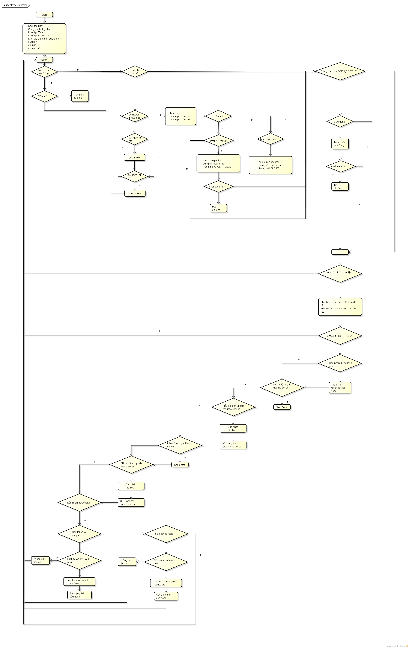

sequence diagram
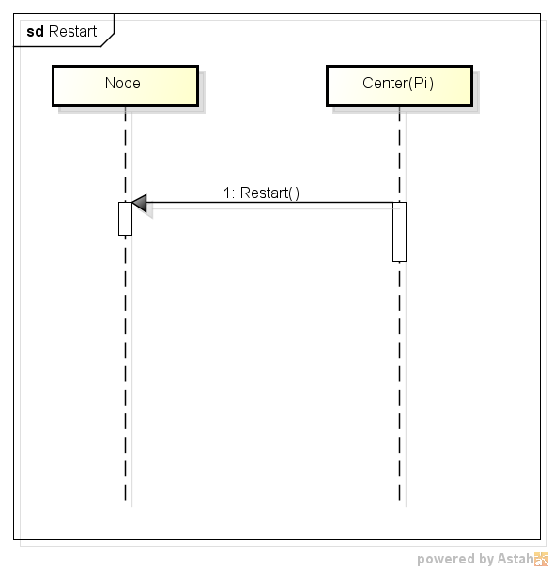
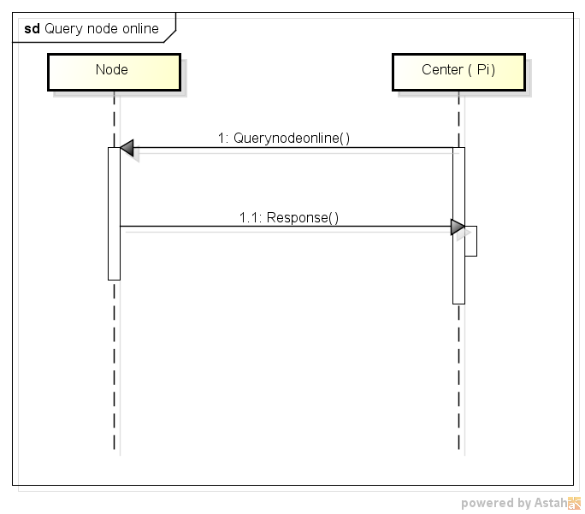
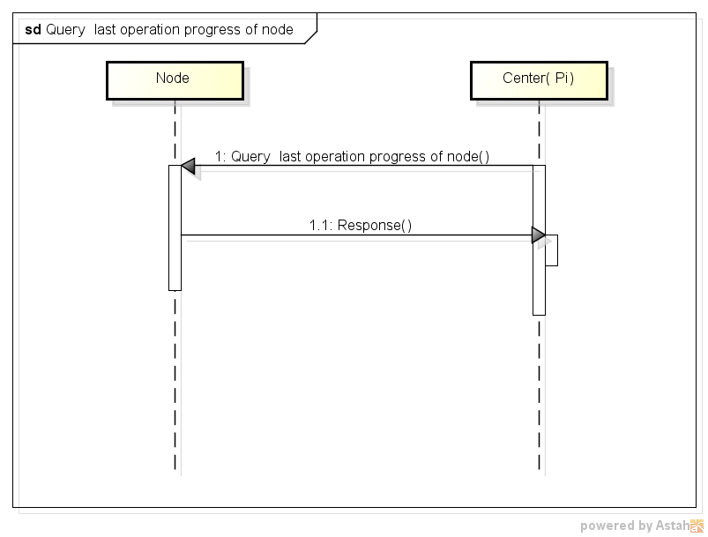

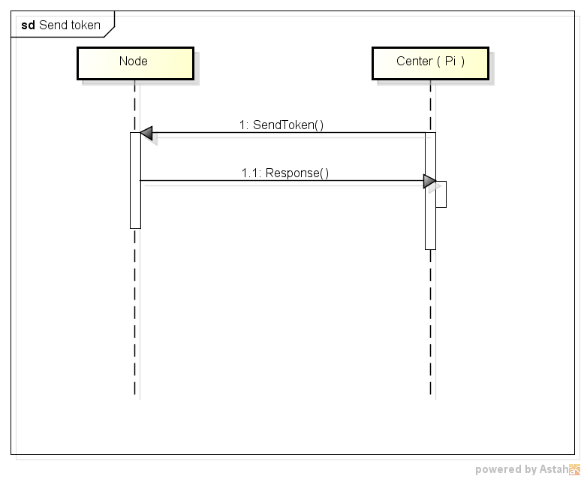
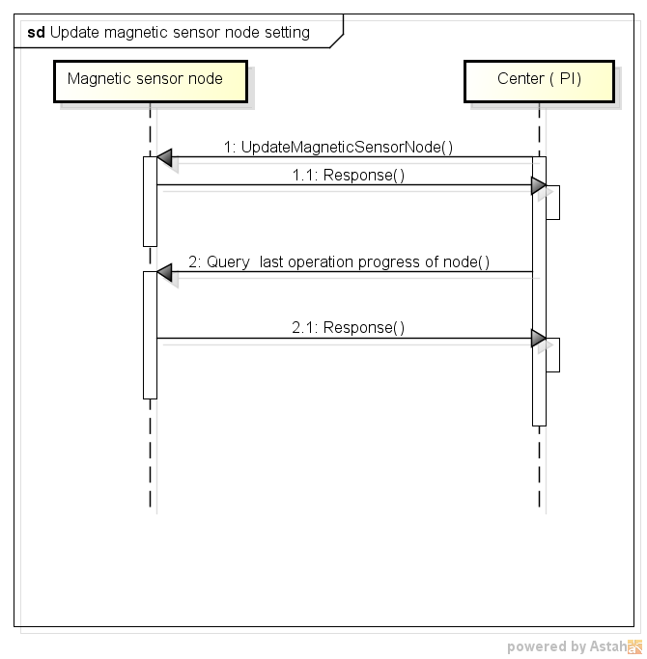

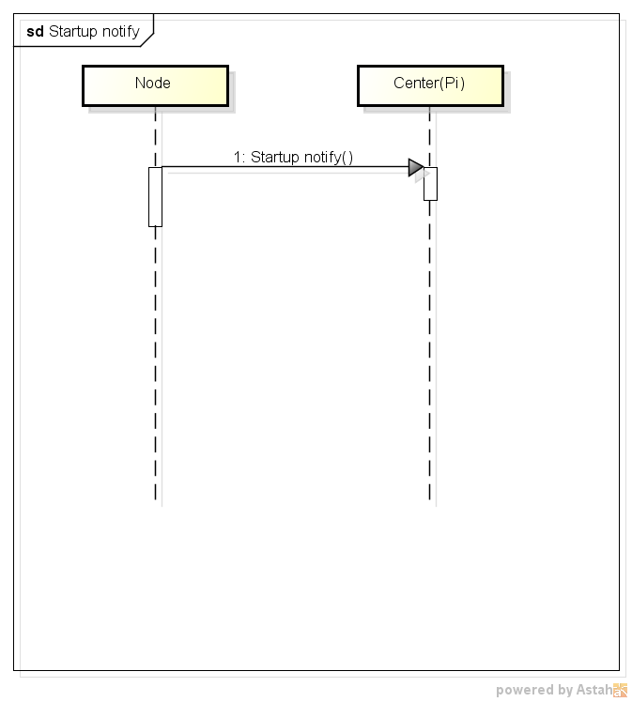
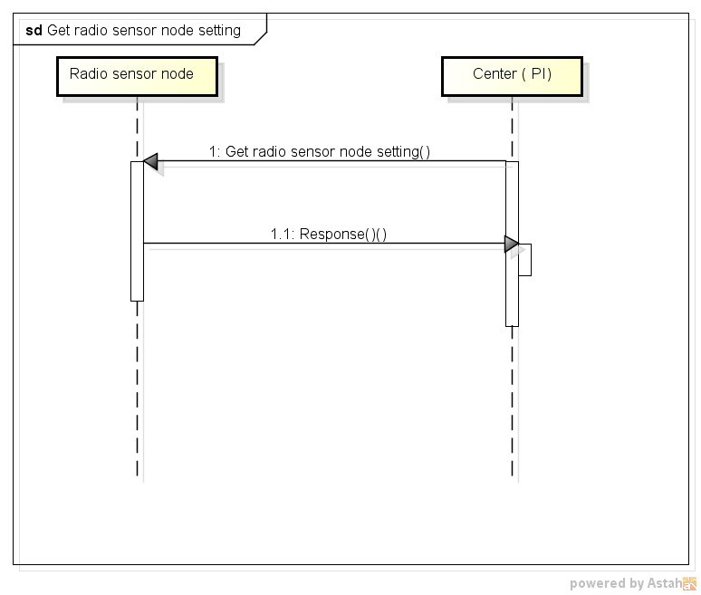
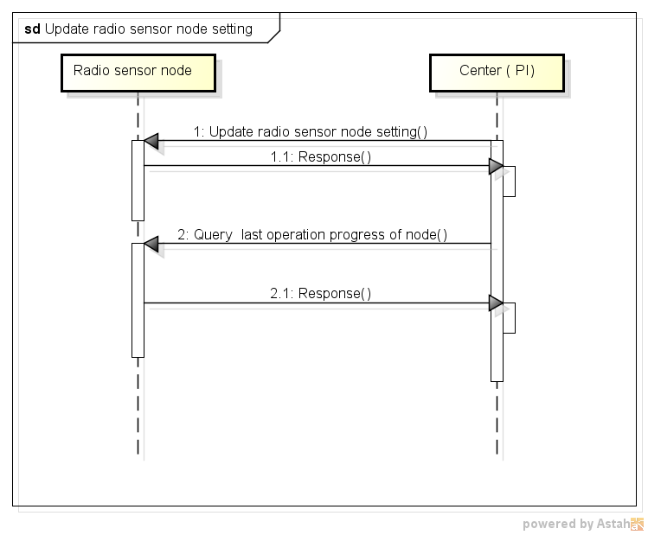

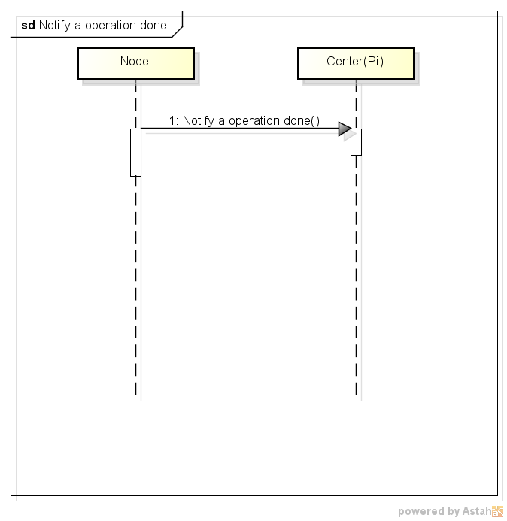
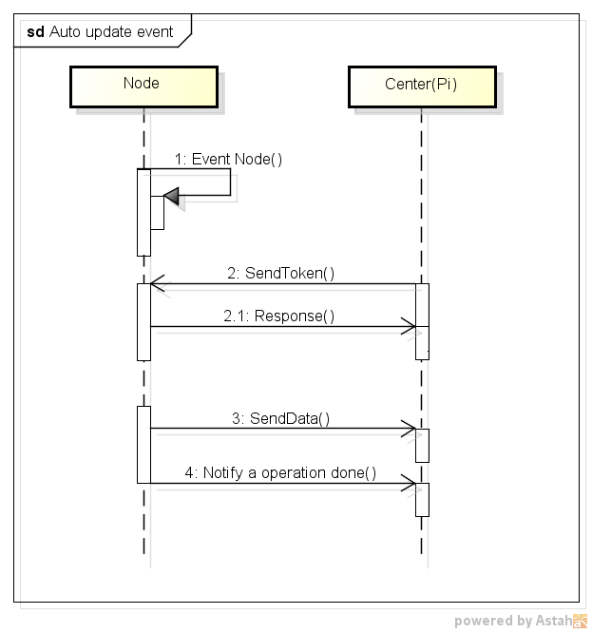

FlowchartPi
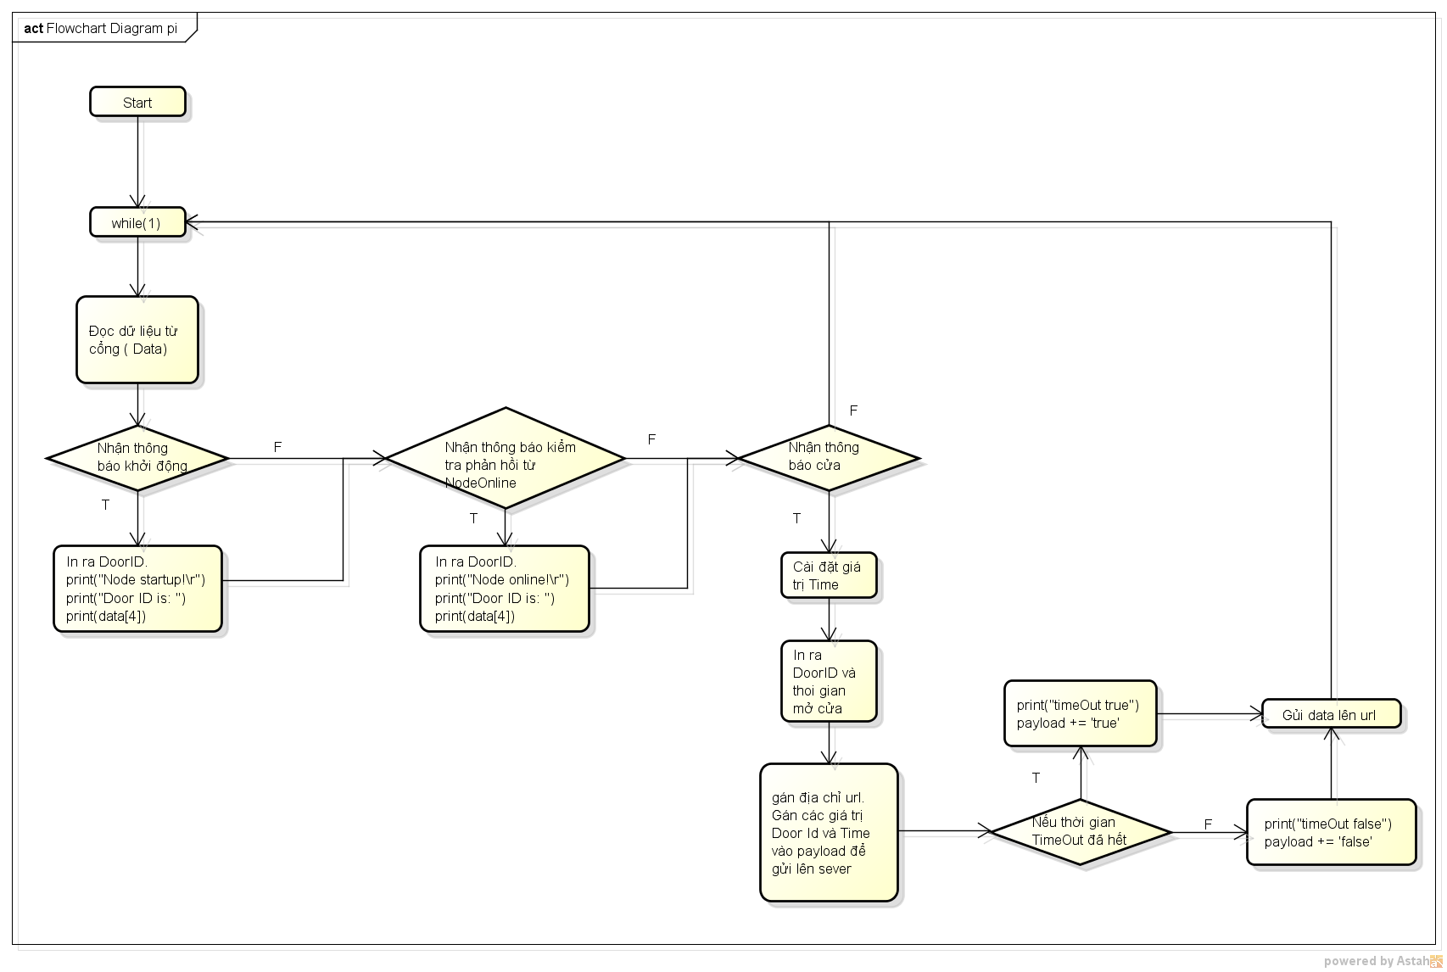

FlowchartNordic
