deltaK
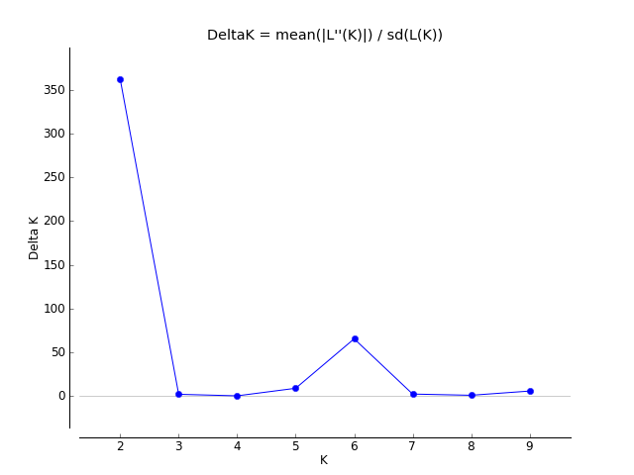
K | Reps | Mean LnP(K) | Stdev LnP(K) | Ln'(K) | |Ln''(K)| | Delta K
1 | 5 | -19910.56 | 0.450555 | — | — | —
2 | 5 | -18607.2 | 1.278671 | 1303.36 | 463.18 | 362.235425
3 | 5 | -17767.02 | 167.701482 | 840.18 | 302.28 | 1.802489
4 | 5 | -17229.12 | 224.348405 | 537.9 | 11.94 | 0.053221
5 | 5 | -16679.28 | 18.928206 | 549.84 | 164.78 | 8.705526
6 | 5 | -16294.22 | 4.496332 | 385.06 | 293.54 | 65.284327
7 | 5 | -16202.7 | 40.933055 | 91.52 | 85.14 | 2.079982
8 | 5 | -16026.04 | 32.583094 | 176.66 | 22.36 | 0.686245
9 | 5 | -15871.74 | 51.570418 | 154.3 | 284.74 | 5.521382
10 | 5 | -16002.18 | 340.024612 | -130.44 | — | —

