deltaK_table
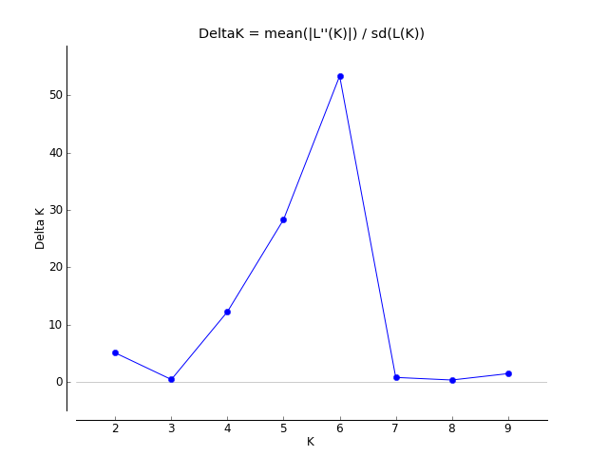
K | Reps | Mean LnP(K) | Stdev LnP(K) | Ln'(K) | |Ln''(K)| | Delta K
1 | 5 | -19454.44 | 0.240832 | — | — | —
2 | 5 | -18225.32 | 80.460717 | 1229.12 | 410.04 | 5.096151
3 | 5 | -17406.24 | 210.709665 | 819.08 | 96.74 | 0.459115
4 | 5 | -16683.9 | 19.491921 | 722.34 | 239.28 | 12.275855
5 | 5 | -16200.84 | 4.761617 | 483.06 | 134.86 | 28.322309
6 | 5 | -15852.64 | 3.463813 | 348.2 | 184.74 | 53.334289
7 | 5 | -15689.18 | 69.308131 | 163.46 | 56.92 | 0.82126
8 | 5 | -15582.64 | 40.851842 | 106.54 | 15.22 | 0.372566
9 | 5 | -15491.32 | 69.767306 | 91.32 | 103.48 | 1.483216
10 | 5 | -15296.52 | 51.320483 | 194.8 | — | —

