deltaK
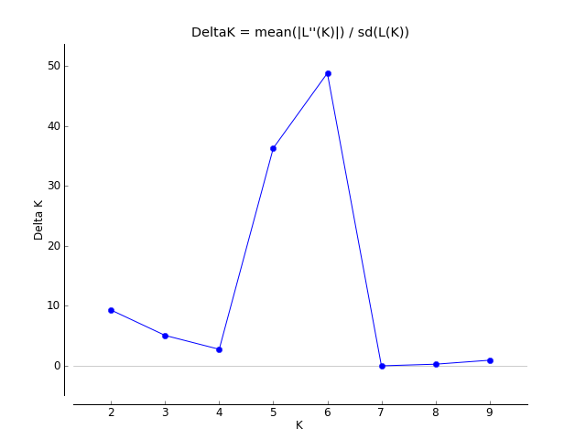
K | Reps | Mean LnP(K) | Stdev LnP(K) | Ln'(K) | |Ln''(K)| | Delta K
1 | 5 | -7419.22 | 0.303315 | — | — | —
2 | 5 | -7081.24 | 6.311339 | 337.98 | 58.74 | 9.307058
3 | 5 | -6802 | 9.705668 | 279.24 | 49.28 | 5.077445
4 | 5 | -6572.04 | 28.04163 | 229.96 | 77.6 | 2.767314
5 | 5 | -6419.68 | 2.266495 | 152.36 | 82.28 | 36.302748
6 | 5 | -6349.6 | 1.991231 | 70.08 | 97.16 | 48.793943
7 | 5 | -6376.68 | 57.112669 | -27.08 | 0.54 | 0.009455
8 | 5 | -6403.22 | 86.240344 | -26.54 | 24.26 | 0.281307
9 | 5 | -6405.5 | 92.951304 | -2.28 | 87.74 | 0.943935
10 | 5 | -6495.52 | 40.176759 | -90.02 | — | —

