Sheet2
https://www.sciencedirect.com/science/article/pii/S135964541630204X#fn8
 |  |  |  |  |  |  |  |  |  |  |  |  |  |  |  | https://iopscience.iop.org/article/10.1209/0295-5075/110/36001/meta
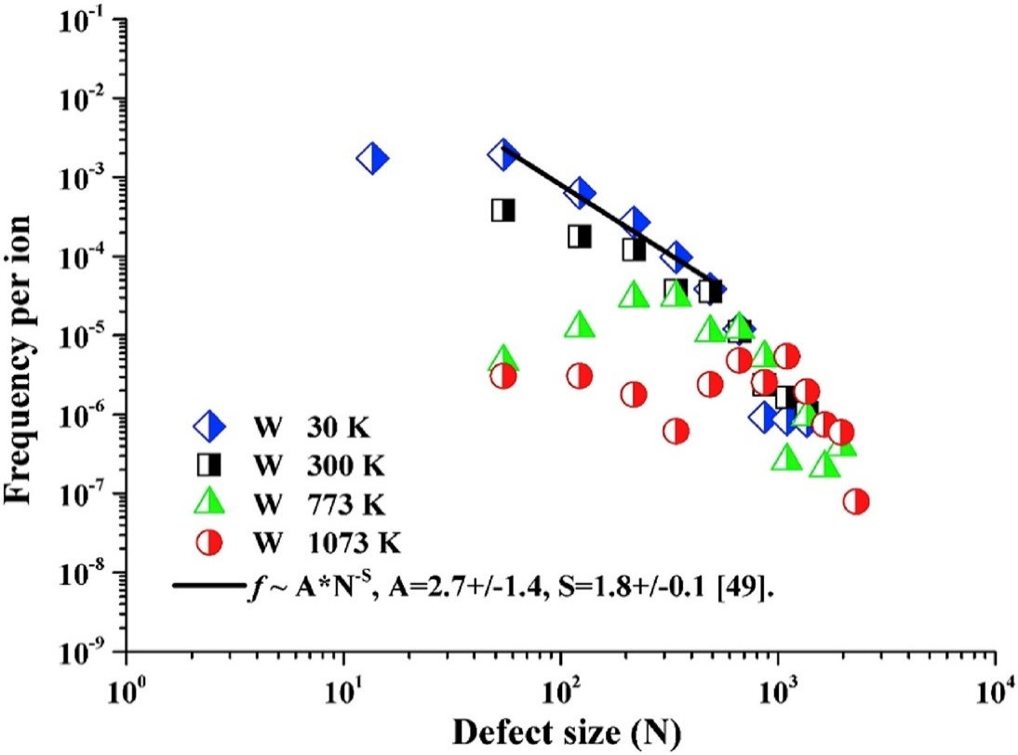
 |  |  |  |  |  |  |  |  | Defect size | Bin with |  |  |  |  |  |  |  |  |  |  |  | from this modelling data can get the ratio of visible to invisible defects
 |  |  |  |  |  |  |  |  | N | BW | BW | Freq per ion | freq*BW
 |  |  |  |  |  |  |  |  | 54.2588539 | 54 | 56 | 3.96E-04 | 0.02218190128
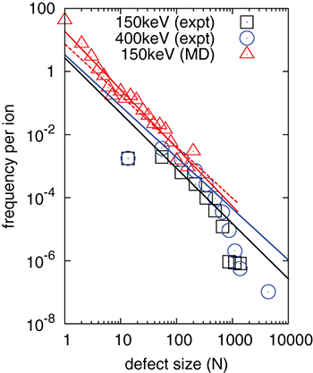
 |  |  |  |  |  |  |  |  | 121.5501938 | 82 | 81.21198845 | 1.83E-04 | 0.014823288034
 |  |  |  |  |  |  |  |  | 216.6828308 | 109.3 | 107.067646 | 1.23E-04 | 0.013184863468 |  |  |  |  |  |  |  |  | N | bin width | freq per ion MD | freq*BW
 |  |  |  |  |  |  |  |  | 335.6854858 | 136.4 | 133.52767945 | 3.73E-05 | 0.0049747870751 |  |  |  |  |  |  |  |  | 1 | 1 | 43.735264 | 43.735264
 |  |  |  |  |  |  |  |  | 483.7381897 | 163.4 | 162.5732117 | 3.73E-05 | 0.0060580694719 |  |  |  |  |  |  |  |  | 1.9855112 | 0.96911265 | 8.009247 | 7.7618625847
 |  |  |  |  |  |  |  |  | 660.8319092 | 190.2 | 189.05900575 | 1.16E-05 | 0.0021910717445 |  |  |  |  |  |  |  |  | 2.9382253 | 1.0149194 | 2.9431274 | 2.9870370949
 |  |  |  |  |  |  |  |  | 861.8562012 | 216.5 | 220.6193454 | 2.48E-06 | 0.00054604395496 |  |  |  |  |  |  |  |  | 4.01535 | 1.03375635 | 1.2058282 | 1.2465325588
 |  |  |  |  |  |  |  |  | 1.10E+03 | 243.4 | 251.3128494 | 1.64E-06 | 0.00041247666344 |  |  |  |  |  |  |  |  | 5.005738 | 0.8914563 | 0.71522444 | 0.63759133295
 |  |  |  |  |  |  |  |  | 1.36E+03 | 275.5 | 280 | 1.08E-06 | 0.000303525404 |  |  |  |  |  |  |  |  | 5.7982626 | 0.917527 | 0.31622776 | 0.29014750795
 |  |  |  |  |  |  |  |  |  |  |  |  |  |  |  |  |  |  |  |  |  | 6.840792 | 2.2248592 | 0.17006847 | 0.37837840011
 |  |  |  |  |  |  |  | sum | 5.20E+03 | 1.47E+03 |  | 7.93E-04 | 6.47E-02 |  |  |  |  |  |  |  |  | 10.247981 | 2.4067965 | 0.25162637 | 0.60561346662
 |  |  |  |  |  |  |  |  |  |  |  |  | pred loop number |  |  |  |  |  |  |  |  | 11.654385 | 2.2751755 | 0.13981625 | 0.3181065065
 |  |  |  |  |  |  |  |  | at 0.01 dpa | W+/m^2 |  | 1E+16 | 6.47E+14 |  |  |  |  |  |  |  |  | 14.798332 | 3.568011 | 0.17006847 | 0.60680617171
 |  |  |  |  |  |  |  |  |  |  |  |  |  |  |  |  |  |  |  |  |  | 18.790407 | 4.75173 | 0.13097918 | 0.62237769898
 |  |  |  |  |  |  |  |  |  |  |  |  |  |  |  |  |  |  |  |  |  | 24.301792 | 5.7527165 | 0.059832565 | 0.34419978391
 |  |  |  |  |  |  |  |  |  |  |  |  |  |  |  |  |  |  |  |  |  | 30.29584 | 7.083404 | 0.040439457 | 0.28644901147
 |  |  |  |  |  |  |  |  |  |  |  |  |  |  |  |  |  |  |  |  |  | 38.4686 | 9.727963 | 0.022470193 | 0.21858920611
 |  |  |  |  |  |  |  |  |  |  |  |  |  |  |  |  |  |  |  |  |  | 49.751766 | 11.2126965 | 0.021049967 | 0.23602689131
 |  |  |  |  |  |  |  |  |  |  |  |  |  |  |  |  |  |  |  |  |  | 60.893993 | 13.7846545 | 0.015691057 | 0.21629579948
 |  |  |  |  |  |  |  |  |  |  |  | factor compared |  |  |  |  |  |  |  |  | 77.321075 | 19.5530035 | 0.0058927955 | 0.11522185104
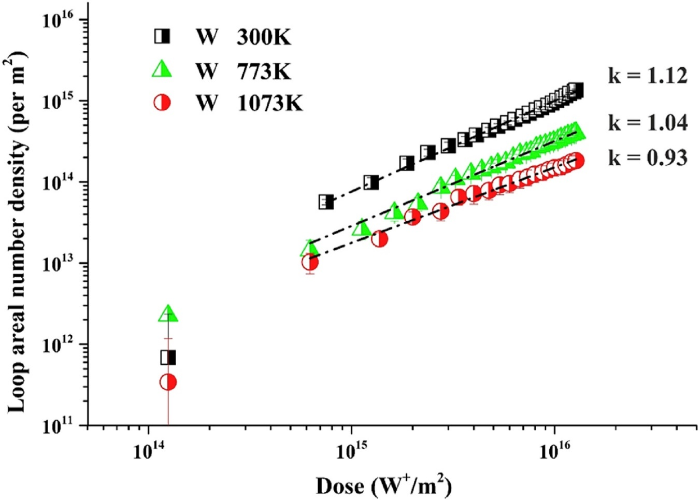
 |  |  |  |  |  |  |  |  | dose W/m2 | dpa | loop num den m-2 | to 0.01 dpa |  |  |  |  |  |  |  |  | 100 | 40.4871225 | 0.0015453822 | 0.062568078441
 |  |  |  |  |  |  |  |  | 7.54E+14 | 7.54E-04 | 5.68E+13 | 5.54E-02 |  |  |  |  |  |  |  |  | 158.29532 | 46.87329 | 9.17E-04 | 0.042965339598
 |  |  |  |  |  |  |  |  | 1.26E+15 | 1.26E-03 | 9.88E+13 | 9.64E-02 |  |  |  |  |  |  |  |  | 193.74658 | 50.85234 | 0.002873506 | 0.1461245041
 |  |  |  |  |  |  |  |  | 1.87E+15 | 1.87E-03 | 1.72E+14 | 1.68E-01 |  |  |  |  |  |  |  |  | 260
 |  |  |  |  |  |  |  |  | 2.37E+15 | 2.37E-03 | 2.27E+14 | 2.21E-01 |  |  |  |  |  |  |  |  |  |  | 58.313840552 | 60.491278015
 |  |  |  |  |  |  |  |  | 2.98E+15 | 2.98E-03 | 2.77E+14 | 2.70E-01
 |  |  |  |  |  |  |  |  | 3.62E+15 | 3.62E-03 | 3.28E+14 | 3.20E-01
 |  |  |  |  |  |  |  |  | 4.10E+15 | 4.10E-03 | 3.83E+14 | 3.73E-01
 |  |  |  |  |  |  |  |  | 4.76E+15 | 4.76E-03 | 4.20E+14 | 4.10E-01
 |  |  |  |  |  |  |  |  | 5.22E+15 | 5.22E-03 | 4.90E+14 | 4.78E-01
 |  |  |  |  |  |  |  |  | 5.77E+15 | 5.77E-03 | 5.54E+14 | 5.40E-01
 |  |  |  |  |  |  |  |  | 6.37E+15 | 6.37E-03 | 5.80E+14 | 5.66E-01
 |  |  |  |  |  |  |  |  | 6.83E+15 | 6.83E-03 | 6.46E+14 | 6.30E-01
 |  |  |  |  |  |  |  |  | 7.35E+15 | 7.35E-03 | 7.19E+14 | 7.02E-01
 |  |  |  |  |  |  |  |  | 7.92E+15 | 7.92E-03 | 7.89E+14 | 7.70E-01
 |  |  |  |  |  |  |  |  | 8.43E+15 | 8.43E-03 | 8.39E+14 | 8.19E-01
 |  |  |  |  |  |  |  |  | 9.09E+15 | 9.09E-03 | 8.79E+14 | 8.57E-01
 |  |  |  |  |  |  |  |  | 9.43E+15 | 9.43E-03 | 9.79E+14 | 9.55E-01
 |  |  |  |  |  |  |  |  | 1.01E+16 | 1.01E-02 | 1.02E+15 | 1.00E+00
 |  |  |  |  |  |  |  |  | 1.05E+16 | 1.05E-02 | 1.09E+15 | 1.06E+00
 |  |  |  |  |  |  |  |  | 1.12E+16 | 1.12E-02 | 1.21E+15 | 1.18E+00
 |  |  |  |  |  |  |  |  | 1.17E+16 | 1.17E-02 | 1.23E+15 | 1.20E+00
 |  |  |  |  |  |  |  |  | 1.22E+16 | 1.22E-02 | 1.37E+15 | 1.34E+00
 |  |  |  |  |  |  |  |  | 1.26E+16 | 1.26E-02 | 1.37E+15 | 1.34E+00

 |  |  |  |  |  |  |  |  |  | 300k plot 1
 |  |  |  |  |  |  |  |  |  | dpa | loop num den m-2
 |  |  |  |  |  |  |  |  |  | 0.10050579 | 3.17E+15 | 3.09E+00
 |  |  |  |  |  |  |  |  |  | 0.21911415 | 3.79E+15 | 3.70E+00
 |  |  |  |  |  |  |  |  |  | 0.40118483 | 4.84E+15 | 4.72E+00
 |  |  |  |  |  |  |  |  |  | 0.60205454 | 4.91E+15 | 4.79E+00
 |  |  |  |  |  |  |  |  |  |  | 0.7999075 | 5.24E+15 | 5.11E+00
 |  |  |  |  |  |  |  |  |  |  | 1 | 5.63E+15 | 5.49E+00
he basically took the 0.01 dpa dose x by the Freq vs loop size data to get total number of defects at 0.01 dpa. This was adjusted for the circum defects
the freq vs loop size data he used was the combined MD and 300 K TEM data. He removed MD data that was in the visible region, and adjusted the bin width there
then he scaled it, using the loop num density for other dpas and the loop num density for 0.01 dpa

 |  |  |  |  |  |  |  | circ atoms is the min of the circ atoms and area atoms -since circ calculation is not accurate for small ones - upot 6 atoms ish

this is the frequency vs N plots combined - MD and TEM for 0.01 dpa , then multiplied the total frequency by fluence =, divided by implanted layer thickness to get the total number of FP's for 0.01 dpa ( visible and MD + TEM)

N | Diametre (nm) | bin width | freq per ion MD | freq*BW | fact | freq*BW*fact | Circumference atoms | Circ atoms | total area atoms | total circ atoms
1 | 0.27136164294 | 1 | 43.735264 | 43.735264 | 1 | 43.735264 | 3.1102406031 | 1 | 43.735264 | 43.735264
1.9855112 | 0.38237072156 | 0.96911265 | 8.009247 | 7.7618625847 | 1 | 7.7618625847 | 4.3825830753 | 1.9855112 | 15.411265095 | 15.411265095
2.9382253 | 0.46514783829 | 1.0149194 | 2.9431274 | 2.9870370949 | 1 | 2.9870370949 | 5.3313418854 | 2.9382253 | 8.7765879644 | 8.7765879644
4.01535 | 0.54376363905 | 1.03375635 | 1.2058282 | 1.2465325588 | 1 | 1.2465325588 | 6.2324053258 | 4.01535 | 5.0052645098 | 5.0052645098
5.005738 | 0.6071311524 | 0.8914563 | 0.71522444 | 0.63759133295 | 1 | 0.63759133295 | 6.958698883 | 5.005738 | 3.1916151638 | 3.1916151638
5.7982626 | 0.65342748805 | 0.917527 | 0.31622776 | 0.29014750795 | 1 | 0.29014750795 | 7.4893293042 | 5.7982626 | 1.6823514438 | 1.6823514438
6.840792 | 0.7097438741 | 2.2248592 | 0.17006847 | 0.37837840011 | 1 | 0.37837840011 | 8.134805609 | 6.840792 | 2.5884079324 | 2.5884079324
10.247981 | 0.86869558795 | 2.4067965 | 0.25162637 | 0.60561346662 | 1 | 0.60561346662 | 9.9566477417 | 9.9566477417 | 6.2063152993 | 6.0298799548
11.654385 | 0.92638846848 | 2.2751755 | 0.13981625 | 0.3181065065 | 1 | 0.3181065065 | 10.617900886 | 10.617900886 | 3.7073356978 | 3.3776233571
14.798332 | 1.0438902547 | 3.568011 | 0.17006847 | 0.60680617171 | 1 | 0.60680617171 | 11.964660223 | 11.964660223 | 8.9797191887 | 7.2602296659
18.790407 | 1.1762958193 | 4.75173 | 0.13097918 | 0.62237769898 | 1 | 0.62237769898 | 13.482240817 | 13.482240817 | 11.694730272 | 8.3910460167
24.301792 | 1.3377273602 | 5.7527165 | 0.059832565 | 0.34419978391 | 1 | 0.34419978391 | 15.332505754 | 15.332505754 | 8.3646715551 | 5.2774451673
30.29584 | 1.4936194461 | 2.997024 | 0.040439457 | 0.12119802318 | 1 | 0.12119802318 | 17.119279631 | 17.119279631 | 3.6717959185 | 2.0748228495 |  | we have remvoed the loops in viisble region from the MD data
54.2588539 | 1.998866401 | 56 | 3.96E-04 | 0.02218190128 | 1 | 0.02218190128 | 22.910221848 | 22.910221848 | 1.2035645408 | 0.50819227933
121.5501938 | 2.9917568068 | 82.2 | 1.83E-04 | 0.015003625692 | 1 | 0.015003625692 | 34.290341827 | 34.290341827 | 1.8236936106 | 0.51447945362
216.6828308 | 3.9944842245 | 109.3 | 1.23E-04 | 0.013459767081 | 1 | 0.013459767081 | 45.783209775 | 45.783209775 | 2.916500433 | 0.61623133979
335.6854858 | 4.9718125001 | 136.4 | 3.73E-05 | 0.0050817999672 | 1 | 0.0050817999672 | 56.984962729 | 56.984962729 | 1.7058864907 | 0.28958618173
483.7381897 | 5.968341261 | 163.4 | 3.73E-05 | 0.0060888786126 | 1 | 0.0060888786126 | 68.406784105 | 68.406784105 | 2.9454231174 | 0.4165206047
660.8319092 | 6.9757990687 | 190.2 | 1.16E-05 | 0.0022042951308 | 1 | 0.0022042951308 | 79.953869926 | 79.953869926 | 1.4566685597 | 0.17624192617
861.8562012 | 7.9664689062 | 216.5 | 2.48E-06 | 0.0005358483683 | 1 | 0.0005358483683 | 91.308538624 | 91.308538624 | 0.46182423912 | 0.048927531433
1.10E+03 | 9.0085142199 | 243.4 | 1.64E-06 | 0.00039948940184 | 1 | 0.00039948940184 | 103.25205286 | 103.25205286 | 0.44026552478 | 0.041248100835
1.36E+03 | 10.023799001 | 275.5 | 1.08E-06 | 0.00029864731715 | 1 | 0.00029864731715 | 114.88884838 | 114.88884838 | 0.40749885873 | 0.034311246338
 |  |  |  |  |  |  |  |  | area | circ
 |  |  |  | 0.065254252851 |  |  |  | visible only | 13.361325375 | 2.6457386639 | defects per ion within a 25 nm thick layer.
 |  |  |  |  |  |  |  | all | 136.37664941 | 115.44754178 | defects per ion within a 25 nm thick layer.

multiplied the total freq by fluence and div by imp layer thicknes to get these |  |  |  |  |  | defects in 1m^-3 for that damage level: |  |  | area | circ
 |  |  |  |  |  |  |  | visible only | 5.3445301499E+24 | 1.0582954656E+24
 |  |  |  |  |  |  |  | all | 5.4550659766E+25 | 4.6179016714E+25
then scaled with loop num density to get FP's at different dpa

dpa | 7.54E-04 | 1.26E-03 | 1.87E-03 | 2.37E-03 | 2.98E-03 | 3.62E-03 | 4.10E-03 | 4.76E-03 | 5.22E-03 | 5.77E-03 | 6.37E-03 | 6.83E-03 | 7.35E-03 | 7.92E-03 | 8.43E-03 | 9.09E-03 | 9.43E-03 | 1.01E-02 | 1.05E-02 | 1.12E-02 | 1.17E-02 | 1.22E-02 | 1.26E-02 | 0.10050579 | 0.21911415 | 0.40118483 | 0.60205454 | 0.7999075 | 1
loop num den m-2 | 5.68E+13 | 9.88E+13 | 1.72E+14 | 2.27E+14 | 2.77E+14 | 3.28E+14 | 3.83E+14 | 4.20E+14 | 4.90E+14 | 5.54E+14 | 5.80E+14 | 6.46E+14 | 7.19E+14 | 7.89E+14 | 8.39E+14 | 8.79E+14 | 9.79E+14 | 1.02E+15 | 1.09E+15 | 1.21E+15 | 1.23E+15 | 1.37E+15 | 1.37E+15 | 3.17052875E+15 | 3.79384769E+15 | 4.8427206E+15 | 4.9127565E+15 | 5.240667E+15 | 5.6307451E+15
factor to 0.01 dpa | 5.54E-02 | 9.64E-02 | 1.68E-01 | 2.21E-01 | 2.70E-01 | 3.20E-01 | 3.73E-01 | 4.10E-01 | 4.78E-01 | 5.40E-01 | 5.66E-01 | 6.30E-01 | 7.02E-01 | 7.70E-01 | 8.19E-01 | 8.57E-01 | 9.55E-01 | 1.00E+00 | 1.06E+00 | 1.18E+00 | 1.20E+00 | 1.34E+00 | 1.34E+00 | 3.09E+00 | 3.70E+00 | 4.72E+00 | 4.79E+00 | 5.11E+00 | 5.49E+00
visible only (area) | 2.96E+23 | 5.15E+23 | 8.96E+23 | 1.18E+24 | 1.44E+24 | 1.71E+24 | 2.00E+24 | 2.19E+24 | 2.55E+24 | 2.89E+24 | 3.02E+24 | 3.37E+24 | 3.75E+24 | 4.11E+24 | 4.38E+24 | 4.58E+24 | 5.10E+24 | 5.34E+24 | 5.68E+24 | 6.33E+24 | 6.43E+24 | 7.16E+24 | 7.16E+24 | 1.65E+25 | 1.98E+25 | 2.53E+25 | 2.56E+25 | 2.73E+25 | 2.94E+25
visible only (circ) | 5.86E+22 | 1.02E+23 | 1.78E+23 | 2.34E+23 | 2.86E+23 | 3.39E+23 | 3.95E+23 | 4.33E+23 | 5.06E+23 | 5.72E+23 | 5.99E+23 | 6.67E+23 | 7.43E+23 | 8.15E+23 | 8.66E+23 | 9.07E+23 | 1.01E+24 | 1.06E+24 | 1.13E+24 | 1.25E+24 | 1.27E+24 | 1.42E+24 | 1.42E+24 | 3.27E+24 | 3.92E+24 | 5.00E+24 | 5.07E+24 | 5.41E+24 | 5.81E+24
all (area) | 3.02E+24 | 5.26E+24 | 9.15E+24 | 1.21E+25 | 1.47E+25 | 1.75E+25 | 2.04E+25 | 2.23E+25 | 2.61E+25 | 2.95E+25 | 3.09E+25 | 3.44E+25 | 3.83E+25 | 4.20E+25 | 4.47E+25 | 4.68E+25 | 5.21E+25 | 5.46E+25 | 5.80E+25 | 6.46E+25 | 6.56E+25 | 7.31E+25 | 7.31E+25 | 1.69E+26 | 2.02E+26 | 2.58E+26 | 2.61E+26 | 2.79E+26 | 3.00E+26
all (circ) | 2.56E+24 | 4.45E+24 | 7.75E+24 | 1.02E+25 | 1.25E+25 | 1.48E+25 | 1.72E+25 | 1.89E+25 | 2.21E+25 | 2.49E+25 | 2.61E+25 | 2.91E+25 | 3.24E+25 | 3.55E+25 | 3.78E+25 | 3.96E+25 | 4.41E+25 | 4.62E+25 | 4.91E+25 | 5.47E+25 | 5.55E+25 | 6.19E+25 | 6.19E+25 | 1.43E+26 | 1.71E+26 | 2.18E+26 | 2.21E+26 | 2.36E+26 | 2.54E+26
in at fraction
visible only (area) | 4.68E-06 | 8.15E-06 | 1.42E-05 | 1.87E-05 | 2.28E-05 | 2.71E-05 | 3.16E-05 | 3.46E-05 | 4.04E-05 | 4.57E-05 | 4.78E-05 | 5.33E-05 | 5.93E-05 | 6.51E-05 | 6.92E-05 | 7.25E-05 | 8.07E-05 | 8.45E-05 | 8.99E-05 | 1.00E-04 | 1.02E-04 | 1.13E-04 | 1.13E-04 | 2.62E-04 | 3.13E-04 | 3.99E-04 | 4.05E-04 | 4.32E-04 | 4.64E-04
visible only (circ) | 9.27E-07 | 1.61E-06 | 2.81E-06 | 3.70E-06 | 4.52E-06 | 5.36E-06 | 6.25E-06 | 6.86E-06 | 8.00E-06 | 9.04E-06 | 9.47E-06 | 1.05E-05 | 1.17E-05 | 1.29E-05 | 1.37E-05 | 1.44E-05 | 1.60E-05 | 1.67E-05 | 1.78E-05 | 1.98E-05 | 2.01E-05 | 2.24E-05 | 2.24E-05 | 5.18E-05 | 6.20E-05 | 7.91E-05 | 8.02E-05 | 8.56E-05 | 9.20E-05
all (area) | 4.78E-05 | 8.32E-05 | 1.45E-04 | 1.91E-04 | 2.33E-04 | 2.76E-04 | 3.22E-04 | 3.53E-04 | 4.12E-04 | 4.66E-04 | 4.88E-04 | 5.44E-04 | 6.06E-04 | 6.64E-04 | 7.06E-04 | 7.40E-04 | 8.24E-04 | 8.63E-04 | 9.18E-04 | 1.02E-03 | 1.04E-03 | 1.16E-03 | 1.16E-03 | 2.67E-03 | 3.19E-03 | 4.08E-03 | 4.14E-03 | 4.41E-03 | 4.74E-03
all (circ) | 4.04E-05 | 7.04E-05 | 1.23E-04 | 1.62E-04 | 1.97E-04 | 2.34E-04 | 2.73E-04 | 2.99E-04 | 3.49E-04 | 3.95E-04 | 4.13E-04 | 4.60E-04 | 5.13E-04 | 5.62E-04 | 5.98E-04 | 6.26E-04 | 6.97E-04 | 7.30E-04 | 7.77E-04 | 8.65E-04 | 8.79E-04 | 9.79E-04 | 9.79E-04 | 2.26E-03 | 2.70E-03 | 3.45E-03 | 3.50E-03 | 3.73E-03 | 4.01E-03

dpa | 7.54E-04 | 1.26E-03 | 1.87E-03 | 2.37E-03 | 2.98E-03 | 3.62E-03 | 4.10E-03 | 4.76E-03 | 5.22E-03 | 5.77E-03 | 6.37E-03 | 6.83E-03 | 7.35E-03 | 7.92E-03 | 8.43E-03 | 9.09E-03 | 9.43E-03 | 1.01E-02 | 1.05E-02 | 1.12E-02 | 1.17E-02 | 1.22E-02 | 1.26E-02 | 2.00E-02 | 0.10050579 | 1.50E-01 | 0.21911415 | 0.40118483 | 0.60205454 | 0.7999075 | 1 | 1.2
loop num den m-2 | 5.68E+13 | 9.88E+13 | 1.72E+14 | 2.27E+14 | 2.77E+14 | 3.28E+14 | 3.83E+14 | 4.20E+14 | 4.90E+14 | 5.54E+14 | 5.80E+14 | 6.46E+14 | 7.19E+14 | 7.89E+14 | 8.39E+14 | 8.79E+14 | 9.79E+14 | 1.02E+15 | 1.09E+15 | 1.21E+15 | 1.23E+15 | 1.37E+15 | 1.37E+15 |  | 3.17052875E+15 |  | 3.79384769E+15 | 4.8427206E+15 | 4.9127565E+15 | 5.240667E+15 | 5.6307451E+15
loop num dens m-3 | 2.27023432E+21 | 3.9510488E+21 | 6.87628896E+21 | 9.07141384E+21 | 1.108085724E+22 | 1.312510464E+22 | 1.530903108E+22 | 1.679015324E+22 | 1.958391672E+22 | 2.215008988E+22 | 2.31968472E+22 | 2.583571E+22 | 2.87747696E+22 | 3.15586788E+22 | 3.35626916E+22 | 3.51487804E+22 | 3.914729E+22 | 4.09972936E+22 | 4.36006692E+22 | 4.85606612E+22 | 4.93138696E+22 | 5.49237948E+22 | 5.49237948E+22 | 6.07E+22 | 1.2682115E+23 | 1.37E+23 | 1.517539076E+23 | 1.93708824E+23 | 1.9651026E+23 | 2.0962668E+23 | 2.25229804E+23 | 2.41E+23

