E60
INFO | SymPer | Pip/Y | Trd/Y | RF=MaxPrf/Y/DD | PF | DD/LastDD | iDD | MO/Spred | SD | MO/SD | iRF=MaxPrf/iDD | W/L*W% | = | RISK=PF*RF | Magic | Mod | HL | HLk | TR | TRk | IN | Ik | Del | BrkBck | Inv | D | Iprice | S | P | PM1 | PM2 | Tk | TS | Out | OTr | Oprc | OD | Oprf | Wknd | A | a | AtrLim | tk | T0 | T1 | tp | start | 37987 | 37991 | 2004-01-06 | 2004-01-07 | 2004-01-08 | 2004-01-12 | 2004-01-13 | 2004-01-14 | 2004-01-15 | 2004-01-19 | 2004-01-20 | 2004-01-21 | 2004-01-22 | 2004-01-26 | 2004-01-27 | 2004-01-28 | 2004-01-29 | 2004-02-02 | 2004-02-03 | 2004-02-04 | 2004-02-05 | 2004-02-09 | 2004-02-10 | 2004-02-11 | 2004-02-12 | 2004-02-16 | 2004-02-17 | 2004-02-18 | 2004-02-19 | 2004-02-23 | 2004-02-24 | 2004-02-25 | 2004-02-26 | 2004-03-01 | 2004-03-02 | 2004-03-03 | 2004-03-04 | 2004-03-08 | 2004-03-09 | 2004-03-10 | 2004-03-11 | 2004-03-15 | 2004-03-16 | 2004-03-17 | 2004-03-18 | 2004-03-22 | 2004-03-23 | 2004-03-24 | 2004-03-25 | 2004-03-29 | 2004-03-30 | 2004-03-31 | 2004-04-01 | 2004-04-05 | 2004-04-06 | 2004-04-07 | 2004-04-08 | 2004-04-12 | 2004-04-13 | 2004-04-14 | 2004-04-15 | 2004-04-19 | 2004-04-20 | 2004-04-21 | 2004-04-22 | 2004-04-26 | 2004-04-27 | 2004-04-28 | 2004-04-29 | 2004-05-03 | 2004-05-04 | 2004-05-05 | 2004-05-06 | 2004-05-10 | 2004-05-11 | 2004-05-12 | 2004-05-13 | 2004-05-17 | 2004-05-18 | 2004-05-19 | 2004-05-20 | 2004-05-24 | 2004-05-25 | 2004-05-26 | 2004-05-27 | 2004-05-31 | 2004-06-11 | 2004-06-14 | 2004-06-15 | 2004-06-16 | 2004-06-17 | 2004-06-18 | 2004-06-21 | 2004-06-22 | 2004-06-23 | 2004-06-24 | 2004-06-25 | 2004-06-28 | 2004-06-29 | 2004-06-30 | 2004-07-01 | 2004-07-02 | 2004-07-06 | 2004-07-07 | 2004-07-08 | 2004-07-09 | 2004-07-12 | 2004-07-13 | 2004-07-14 | 2004-07-15 | 2004-07-16 | 2004-07-19 | 2004-07-20 | 2004-07-21 | 2004-07-22 | 2004-07-23 | 2004-07-26 | 2004-07-27 | 2004-07-28 | 2004-07-29 | 2004-07-30 | 2004-08-02 | 2004-08-03 | 2004-08-04 | 2004-08-05 | 2004-08-06 | 2004-08-09 | 2004-08-10 | 2004-08-11 | 2004-08-12 | 2004-08-13 | 2004-08-16 | 2004-08-17 | 2004-08-18 | 2004-08-19 | 2004-08-20 | 2004-08-23 | 2004-08-24 | 2004-08-25 | 2004-08-26 | 2004-08-27 | 2004-08-30 | 2004-08-31 | 2004-09-01 | 2004-09-02 | 2004-09-03 | 2004-09-07 | 2004-09-08 | 2004-09-09 | 2004-09-10 | 2004-09-13 | 2004-09-14 | 2004-09-15 | 2004-09-16 | 2004-09-17 | 2004-09-20 | 2004-09-21 | 2004-09-22 | 2004-09-23 | 2004-09-24 | 2004-09-27 | 2004-09-28 | 2004-09-29 | 2004-09-30 | 2004-10-01 | 2004-10-04 | 2004-10-05 | 2004-10-06 | 2004-10-07 | 2004-10-08 | 2004-10-11 | 2004-10-12 | 2004-10-13 | 2004-10-14 | 2004-10-15 | 2004-10-18 | 2004-10-19 | 2004-10-20 | 2004-10-21 | 2004-10-22 | 2004-10-25 | 2004-10-26 | 2004-10-27 | 2004-10-28 | 2004-10-29 | 2004-11-01 | 2004-11-02 | 2004-11-03 | 2004-11-04 | 2004-11-05 | 2004-11-08 | 2004-11-09 | 2004-11-10 | 2004-11-11 | 2004-11-12 | 2004-11-15 | 2004-11-16 | 2004-11-17 | 2004-11-18 | 2004-11-19 | 2004-11-22 | 2004-11-23 | 2004-11-24 | 2004-11-26 | 2004-11-29 | 2004-11-30 | 2004-12-01
FA$T200.925 2010.01.04-2023.08.28, Sprd=50, StpLev=50, Swaps=-7.87, OPT-2006.01.02-2019.12.30 | EURUSD60 | 272 | 13 | 0.69 | 1.65 | 423_330 | 883 | 0.41 | 86 | 4.8 | 25 | 1.2*60 = | 72 | 0.5 | 1661788527 | 2 | 1 | 4 | -3 | 4 | -7 | 4 | 1 | -5 | 0 | -2 | 1 | -1 | 6 | 0 | 4 | -1 | 1 | 0 | 0 | 3 | 1 | -3 | 1 | 15 | 5 | 0 | 0 | 0 | 8 | 1 |  | 0 | 0 | 0 | 0 | 0 | 0 | 0 | 0 | 0 | 0 | 0 | 0 | 0 | 0 | 0 | 0 | 0 | 0 | 0 | 0 | 0 | 0 | 0 | 0 | 0 | 0 | 0 | 0 | -52 | -50 | 52 | 114 | -28 | -36 | 111 | 215 | 238 | 151 | 162 | 110 | 180 | 211 | 211 | 211 | 211 | 211 | 211 | 211 | 211 | 211 | 211 | 211 | 211 | 211 | 211 | 211 | 211 | 211 | 211 | 211 | 211 | 211 | 211 | 211 | 211 | 211 | 211 | 211 | 211 | 211 | 211 | 211 | 211 | 211 | 211 | 188 | 208 | 187 | 256 | 286 | 286 | 286 | 286 | 286 | 286 | 286 | 286 | 286 | 286 | 286 | 286 | 286 | 286 | 286 | 286 | 286 | 286 | 286 | 286 | 286 | 286 | 257 | 321 | 299 | 497 | 497 | 497 | 497 | 497 | 497 | 497 | 497 | 497 | 497 | 497 | 497 | 497 | 494 | 603 | 582 | 678 | 743 | 743 | 743 | 743 | 743 | 743 | 743 | 743 | 743 | 743 | 743 | 743 | 743 | 743 | 743 | 743 | 634 | 634 | 634 | 634 | 634 | 634 | 644 | 642 | 663 | 663 | 663 | 663 | 663 | 663 | 663 | 663 | 663 | 663 | 663 | 663 | 663 | 678 | 792 | 792 | 792 | 792 | 792 | 792 | 792 | 792 | 792 | 792 | 792 | 792 | 792 | 792 | 792 | 792 | 792 | 792 | 792 | 792 | 792 | 792 | 792 | 792 | 792 | 792 | 792 | 792 | 792 | 792 | 792 | 792 | 792 | 792 | 792 | 792 | 792 | 792 | 792 | 792 | 792 | 792 | 792 | 792 | 792 | 792 | 747 | 762
FA$T200.925 2010.01.04-2023.08.28, Sprd=50, StpLev=50, Swaps=-7.87, OPT-2010.01.04-2021.12.30 | EURUSD60 | 124 | 6 | 0.55 | 2.24 | 227_27 | 312 | 0.41 | 60 | 6.8 | 65 | 1.7*60 = | 105 | 3 | 1902183089 | 2 | 2 | 8 | 2 | 6 | 4 | 6 | 1 | 2 | 0 | 2 | 1 | 4 | 7 | 0 | 0 | 2 | 0 | 1 | 1 | 3 | 0 | 0 | 2 | 15 | 5 | 0 | 0 | 4 | 7 | 1 |  | 0 | 0 | 0 | 0 | 0 | 0 | 0 | 0 | 0 | 0 | 0 | 0 | 0 | 0 | 0 | 0 | 0 | 0 | 0 | 0 | 0 | 0 | 0 | 0 | 0 | 0 | 0 | 0 | 0 | -45 | -41 | 103 | 78 | 196 | 196 | 196 | 196 | 196 | 196 | 196 | 196 | 126 | 102 | 102 | 102 | 102 | 102 | 102 | 102 | 102 | 102 | 102 | 102 | 102 | 102 | 102 | 102 | 102 | 102 | 102 | 102 | 102 | 102 | 102 | 102 | 102 | 102 | 102 | 102 | 102 | 102 | 102 | 102 | 102 | 102 | 102 | 102 | 102 | 102 | 102 | 102 | 102 | 102 | 102 | 102 | 102 | 102 | 102 | 102 | 102 | 102 | 102 | 102 | 102 | 102 | 102 | 102 | 102 | 102 | 102 | 102 | 102 | 102 | 102 | 102 | 102 | 102 | 102 | 102 | 102 | 102 | 102 | 102 | 102 | 102 | 102 | 102 | 102 | 102 | 102 | 102 | 102 | 102 | 102 | 102 | 102 | 102 | 102 | 78 | 48 | 182 | 182 | 182 | 182 | 182 | 182 | 182 | 182 | 182 | 182 | 182 | 182 | 182 | 182 | 182 | 182 | 182 | 182 | 182 | 182 | 182 | 182 | 182 | 182 | 182 | 182 | 182 | 182 | 182 | 182 | 182 | 182 | 182 | 182 | 177 | 181 | 292 | 232 | 231 | 263 | 290 | 290 | 290 | 290 | 290 | 290 | 290 | 290 | 290 | 290 | 290 | 290 | 290 | 290 | 290 | 290 | 290 | 290 | 290 | 290 | 290 | 290 | 290 | 290 | 290 | 290 | 290 | 290 | 290 | 290 | 290 | 290 | 290 | 290 | 290 | 290 | 323
FA$T200.925 2010.01.04-2023.08.28, Sprd=50, StpLev=50, Swaps=-7.87, OPT-2010.01.04-2021.12.30 | EURUSD60 | 109 | 7 | 0.72 | 2.31 | 157_95 | 351 | 0.29 | 41 | 7.2 | 43 | 1.8*60 = | 108 | 1 | 1906344657 | 2 | 3 | 3 | 5 | 4 | 1 | 8 | 1 | 2 | 0 | 4 | 1 | 4 | 6 | 2 | 2 | -3 | 0 | 1 | 1 | 3 | 1 | 0 | 0 | 15 | 5 | 0 | 0 | 5 | 3 | 1 |  | 0 | 0 | 0 | 0 | 0 | 0 | 0 | 0 | 0 | 0 | 0 | 0 | 0 | 0 | 0 | 0 | 0 | 0 | 0 | 0 | 0 | 0 | 0 | 0 | 0 | 0 | 0 | 0 | 0 | 0 | 0 | 0 | 0 | 0 | 0 | 0 | 0 | 0 | 0 | 0 | 0 | 0 | 0 | 0 | 0 | 0 | 0 | 0 | 0 | 0 | 0 | 0 | 0 | 0 | 0 | 0 | 0 | 0 | 0 | 6 | 54 | 54 | 54 | 54 | 54 | 54 | 54 | 54 | 54 | 54 | 54 | 54 | 54 | 54 | 54 | 54 | 54 | 54 | 54 | 54 | 54 | 54 | 54 | 54 | 54 | 54 | 54 | 54 | 54 | 54 | 54 | 54 | 54 | 54 | 54 | 54 | 54 | 54 | 54 | 54 | 54 | 54 | 54 | 54 | 54 | 54 | 54 | 54 | 54 | 54 | 54 | 54 | 54 | 54 | 54 | 54 | 54 | 54 | 54 | 54 | 54 | 54 | 54 | 54 | 54 | 54 | 54 | 54 | 54 | 44 | 121 | 121 | 121 | 121 | 121 | 121 | 121 | 121 | 121 | 121 | 121 | 121 | 121 | 121 | 121 | 121 | 121 | 121 | 121 | 121 | 121 | 121 | 121 | 121 | 121 | 121 | 121 | 121 | 121 | 104 | 186 | 186 | 186 | 186 | 186 | 186 | 186 | 186 | 186 | 186 | 186 | 186 | 186 | 186 | 186 | 186 | 186 | 186 | 186 | 186 | 186 | 186 | 186 | 186 | 186 | 186 | 186 | 186 | 186 | 186 | 186 | 186 | 186 | 186 | 186 | 186 | 186 | 186 | 186 | 186 | 186 | 186 | 186 | 186 | 186 | 186 | 186
FA$T200.925 2010.01.04-2023.08.28, Sprd=50, StpLev=50, Swaps=-7.87, OPT-2010.01.04-2021.12.30 | EURUSD60 | 119 | 6 | 0.62 | 48.82 | 191_3 | 8 | 0.42 | 23 | 17.9 | 2731 | 7.0*87 = | 607 | 0 | 940998381 | 2 | 1 | 7 | 1 | 1 | 8 | 8 | 2 | 0 | 0 | -1 | 2 | 6 | 4 | -1 | 3 | 2 | 1 | 0 | 1 | 3 | 0 | -3 | 0 | 15 | 5 | 0 | 2 | 2 | 6 | 1 |  | 0 | 0 | 0 | 0 | 0 | 0 | 0 | 0 | 0 | 0 | 0 | 0 | 0 | 0 | 0 | 0 | 0 | 0 | 0 | 0 | 0 | 0 | 0 | 0 | 0 | 0 | 0 | 0 | 0 | 0 | 0 | 0 | 0 | 0 | 0 | 0 | 0 | 0 | 0 | 0 | 0 | 0 | 0 | 0 | 0 | 0 | 0 | 0 | 0 | 0 | 0 | 0 | 0 | 0 | 0 | 0 | 0 | 0 | 0 | 0 | 0 | 0 | 0 | 0 | 0 | 0 | 0 | 0 | 0 | 0 | 0 | 0 | 0 | 0 | 0 | 0 | 0 | 0 | 0 | 0 | 0 | 0 | 0 | 0 | 0 | 0 | 0 | 0 | 0 | -6 | 103 | 103 | 103 | 103 | 103 | 103 | 103 | 103 | 103 | 103 | 103 | 103 | 103 | 103 | 103 | 103 | 103 | 103 | 103 | 103 | 103 | 103 | 103 | 103 | 103 | 103 | 103 | 103 | 103 | 103 | 103 | 103 | 103 | 103 | 103 | 103 | 103 | 103 | 103 | 103 | 103 | 103 | 103 | 103 | 103 | 103 | 103 | 103 | 103 | 103 | 103 | 103 | 103 | 103 | 103 | 103 | 103 | 103 | 103 | 103 | 103 | 103 | 103 | 103 | 103 | 103 | 103 | 103 | 80 | 129 | 110 | 222 | 222 | 222 | 222 | 222 | 222 | 222 | 222 | 222 | 222 | 222 | 222 | 222 | 222 | 222 | 222 | 222 | 222 | 222 | 222 | 222 | 222 | 222 | 222 | 222 | 222 | 222 | 222 | 222 | 222 | 222 | 222 | 222 | 222 | 222 | 222 | 222 | 222 | 222 | 222 | 222 | 222 | 222 | 222 | 222 | 222

 | 1661788527 | 1902183089 | 1906344657 | 940998381
 | 0 | 0 | 0 | 0
 | 0 | 0 | 0 | 0
 | 0 | 0 | 0 | 0
 | 0 | 0 | 0 | 0
 | 0 | 0 | 0 | 0
 | 0 | 0 | 0 | 0
 | 0 | 0 | 0 | 0
 | 0 | 0 | 0 | 0
 | 0 | 0 | 0 | 0
 | 0 | 0 | 0 | 0
 | 0 | 0 | 0 | 0
 | 0 | 0 | 0 | 0
 | 0 | 0 | 0 | 0
 | 0 | 0 | 0 | 0
 | 0 | 0 | 0 | 0
 | 0 | 0 | 0 | 0
 | 0 | 0 | 0 | 0
 | 0 | 0 | 0 | 0
 | 0 | 0 | 0 | 0
 | -52 | 0 | 0 | 0
 | -50 | -45 | 0 | 0
 | 52 | -41 | 0 | 0
 | 114 | 103 | 0 | 0
 | -28 | 78 | 0 | 0
 | -36 | 196 | 0 | 0
 | 111 | 196 | 0 | 0
 | 215 | 196 | 0 | 0
 | 238 | 196 | 0 | 0
 | 151 | 196 | 0 | 0
 | 162 | 196 | 0 | 0
 | 110 | 196 | 0 | 0
 | 180 | 196 | 0 | 0
 | 211 | 126 | 0 | 0
 | 211 | 102 | 0 | 0
 | 211 | 102 | 0 | 0
 | 211 | 102 | 0 | 0
 | 211 | 102 | 0 | 0
 | 211 | 102 | 0 | 0
 | 211 | 102 | 0 | 0
 | 211 | 102 | 0 | 0
 | 211 | 102 | 0 | 0
 | 211 | 102 | 0 | 0
 | 211 | 102 | 0 | 0
 | 211 | 102 | 0 | 0
 | 211 | 102 | 0 | 0
 | 211 | 102 | 0 | 0
 | 211 | 102 | 0 | 0
 | 211 | 102 | 0 | 0
 | 211 | 102 | 0 | 0
 | 211 | 102 | 0 | 0
...
 |  |  |  |  |  |  |  |  |  |  |  |  |  |  |  |  |  |  |  |  |  |  |  | 0.93893940116
 |  |  |  |  |  |  |  |  |  |  |  |  |  |  |  |  |  |  |  |  |  |  |  | 0.94267816932
 |  |  |  |  |  |  |  |  |  |  |  |  |  |  |  |  |  |  |  |  |  |  |  | 0.93239053846
 |  |  |  |  |  |  |  |  |  |  |  |  |  |  |  |  |  |  |  |  |  |  |  | #DIV/0!

166
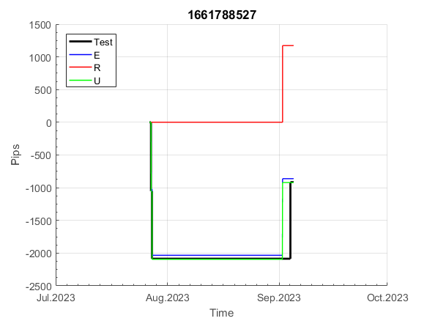
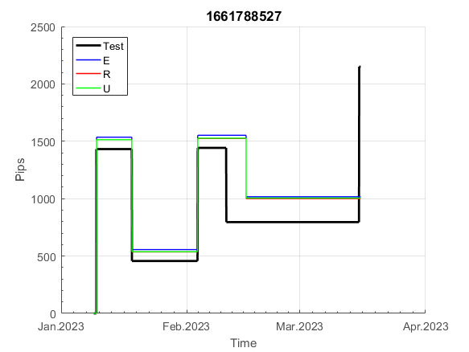
INFO | SymPer | Pip/Y | Trd/Y | RF=MaxPrf/Y/DD | PF | DD/LastDD | iDD | MO/Spred | SD | MO/SD | iRF=MaxPrf/iDD | W/L*W% | = | RISK=PF*RF | Magic | Mod | HL | HLk | TR | TRk | IN | Ik | Del | BrkBck | Inv | D | Iprice | S | P | PM1 | PM2 | Tk | TS | Out | OTr | Oprc | OD | Oprf | Wknd | A | a | AtrLim | tk | T0 | T1 | tp | start | 37987 | 37991 | 2004-01-06 | 2004-01-07 | 2004-01-08 | 2004-01-12 | 2004-01-13 | 2004-01-14 | 2004-01-15 | 2004-01-19 | 2004-01-20 | 2004-01-21 | 2004-01-22 | 2004-01-26 | 2004-01-27 | 2004-01-28 | 2004-01-29 | 2004-02-02 | 2004-02-03 | 2004-02-04 | 2004-02-05 | 2004-02-09 | 2004-02-10 | 2004-02-11 | 2004-02-12 | 2004-02-16 | 2004-02-17 | 2004-02-18 | 2004-02-19 | 2004-02-23 | 2004-02-24 | 2004-02-25 | 2004-02-26 | 2004-03-01 | 2004-03-02 | 2004-03-03 | 2004-03-04 | 2004-03-08 | 2004-03-09 | 2004-03-10 | 2004-03-11 | 2004-03-15 | 2004-03-16 | 2004-03-17 | 2004-03-18 | 2004-03-22 | 2004-03-23 | 2004-03-24 | 2004-03-25 | 2004-03-29 | 2004-03-30 | 2004-03-31 | 2004-04-01 | 2004-04-05 | 2004-04-06 | 2004-04-07 | 2004-04-08 | 2004-04-12 | 2004-04-13 | 2004-04-14 | 2004-04-15 | 2004-04-19 | 2004-04-20 | 2004-04-21 | 2004-04-22 | 2004-04-26 | 2004-04-27 | 2004-04-28 | 2004-04-29 | 2004-05-03 | 2004-05-04 | 2004-05-05 | 2004-05-06 | 2004-05-10 | 2004-05-11 | 2004-05-12 | 2004-05-13 | 2004-05-17 | 2004-05-18 | 2004-05-19 | 2004-05-20 | 2004-05-24 | 2004-05-25 | 2004-05-26 | 2004-05-27 | 2004-05-31 | 2004-06-11 | 2004-06-14 | 2004-06-15 | 2004-06-16 | 2004-06-17 | 2004-06-18 | 2004-06-21 | 2004-06-22 | 2004-06-23 | 2004-06-24 | 2004-06-25 | 2004-06-28 | 2004-06-29 | 2004-06-30 | 2004-07-01 | 2004-07-02 | 2004-07-06 | 2004-07-07 | 2004-07-08 | 2004-07-09 | 2004-07-12 | 2004-07-13 | 2004-07-14 | 2004-07-15 | 2004-07-16 | 2004-07-19 | 2004-07-20 | 2004-07-21 | 2004-07-22 | 2004-07-23 | 2004-07-26 | 2004-07-27 | 2004-07-28 | 2004-07-29 | 2004-07-30 | 2004-08-02 | 2004-08-03 | 2004-08-04 | 2004-08-05 | 2004-08-06 | 2004-08-09 | 2004-08-10 | 2004-08-11 | 2004-08-12 | 2004-08-13 | 2004-08-16 | 2004-08-17 | 2004-08-18 | 2004-08-19 | 2004-08-20 | 2004-08-23 | 2004-08-24 | 2004-08-25 | 2004-08-26 | 2004-08-27 | 2004-08-30 | 2004-08-31 | 2004-09-01 | 2004-09-02 | 2004-09-03 | 2004-09-07 | 2004-09-08 | 2004-09-09 | 2004-09-10 | 2004-09-13 | 2004-09-14 | 2004-09-15 | 2004-09-16 | 2004-09-17 | 2004-09-20 | 2004-09-21 | 2004-09-22 | 2004-09-23 | 2004-09-24 | 2004-09-27 | 2004-09-28 | 2004-09-29 | 2004-09-30 | 2004-10-01 | 2004-10-04 | 2004-10-05 | 2004-10-06 | 2004-10-07 | 2004-10-08 | 2004-10-11 | 2004-10-12 | 2004-10-13 | 2004-10-14 | 2004-10-15 | 2004-10-18 | 2004-10-19 | 2004-10-20 | 2004-10-21 | 2004-10-22 | 2004-10-25 | 2004-10-26 | 2004-10-27 | 2004-10-28 | 2004-10-29 | 2004-11-01 | 2004-11-02 | 2004-11-03 | 2004-11-04 | 2004-11-05 | 2004-11-08 | 2004-11-09 | 2004-11-10 | 2004-11-11 | 2004-11-12 | 2004-11-15 | 2004-11-16 | 2004-11-17 | 2004-11-18 | 2004-11-19 | 2004-11-22 | 2004-11-23 | 2004-11-24 | 2004-11-26 | 2004-11-29 | 2004-11-30 | 2004-12-01
FA$T200.925 2006.01.02-2023.09.11, Sprd=50, StpLev=50, Swaps=-6.28, OPT-2006.01.02-2019.12.30 | EURUSD60 | 255 | 12 | 0.63 | 1.63 | 419_212 | 881 | 0.41 | 88 | 4.7 | 24 | 1.2*60 = | 72 | 1 | 1661788527 | 2 | 1 | 4 | -3 | 4 | -7 | 4 | 1 | -5 | 0 | -2 | 1 | -1 | 6 | 0 | 4 | -1 | 1 | 0 | 0 | 3 | 1 | -3 | 1 | 15 | 5 | 0 | 0 | 0 | 8 | 1 |  | 0 | 0 | 0 | 0 | 0 | 0 | 0 | 0 | 0 | 0 | 0 | 0 | 0 | 0 | 0 | 0 | 0 | 0 | 0 | 0 | 0 | 0 | 0 | 0 | 0 | 0 | 0 | 0 | 0 | 0 | 0 | 0 | 0 | -83 | -101 | -101 | -101 | -101 | -101 | -101 | -101 | -101 | -101 | -101 | -101 | -101 | -101 | -101 | -101 | -101 | -101 | -101 | -101 | -101 | -101 | -101 | -101 | -115 | -128 | -92 | 16 | 16 | 16 | 16 | 16 | 16 | 16 | 16 | 16 | 16 | 16 | 16 | 16 | 16 | 16 | 16 | 16 | 16 | 16 | 16 | 16 | 16 | 16 | 16 | 16 | 16 | 16 | 16 | 16 | 16 | 16 | 16 | 16 | 16 | 16 | 16 | 16 | 16 | 16 | 16 | 16 | 16 | 16 | 16 | 16 | 16 | 16 | 16 | 16 | 16 | 16 | 16 | 16 | 16 | 16 | 16 | 16 | 16 | 16 | 16 | 16 | 16 | 16 | 16 | 16 | 16 | 16 | 16 | 16 | 16 | 16 | 16 | 16 | 16 | 16 | 16 | 16 | 16 | 16 | 16 | 16 | 16 | 16 | 16 | 15 | 15 | 2 | -44 | -43 | 92 | 92 | 92 | 92 | 92 | 92 | 92 | 92 | 41 | 0 | 1 | 138 | 138 | 138 | 138 | 138 | 138 | 138 | 138 | 138 | 138 | 138 | 138 | 138 | 138 | 138 | 138 | 138 | 138 | 138 | 138 | 138 | 138 | 138 | 138 | 138 | 138 | 138 | 138 | 138 | 138 | 138 | 138 | 138 | 138 | 138 | 138 | 138 | 138 | 138 | 138 | 138 | 138 | 138 | 138 | 138 | 138 | 138

 | 1661788527
 | 0
 | 0
 | 0
 | 0
 | 0
 | 0
 | 0
 | 0
 | 0
 | 0
 | 0
 | 0
 | 0
 | 0
 | 0
 | 0
 | 0
 | 0
 | 0
 | 0
 | 0
 | 0
 | 0
 | 0
 | -83
 | -101
 | -101
 | -101
 | -101
 | -101
 | -101
 | -101
 | -101
 | -101
 | -101
 | -101
 | -101
 | -101
 | -101
 | -101
 | -101
 | -101
 | -101
 | -101
 | -101
 | -101
 | -101
 | -101
 | -115
 | -128
...
 |  |  |  |  |  |  |  |  |  |  |  |  |  |  |  |  |  |  |  |  |  |  |  | #DIV/0!
 |  |  |  |  |  |  |  |  |  |  |  |  |  |  |  |  |  |  |  |  |  |  |  | #DIV/0!
 |  |  |  |  |  |  |  |  |  |  |  |  |  |  |  |  |  |  |  |  |  |  |  | #DIV/0!
 |  |  |  |  |  |  |  |  |  |  |  |  |  |  |  |  |  |  |  |  |  |  |  | #DIV/0!

1902
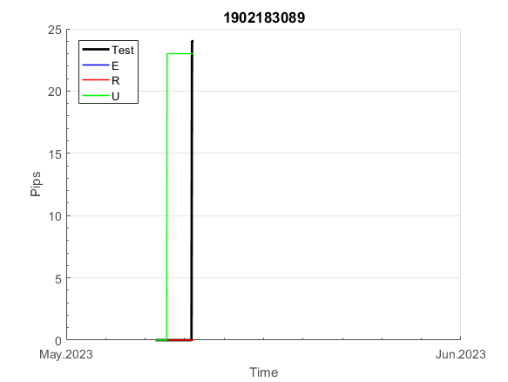
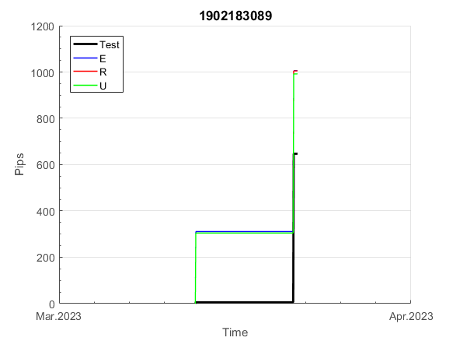
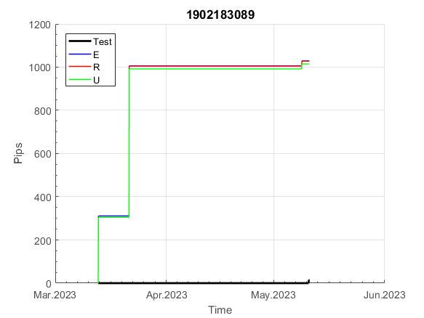
INFO | SymPer | Pip/Y | Trd/Y | RF=MaxPrf/Y/DD | PF | DD/LastDD | iDD | MO/Spred | SD | MO/SD | iRF=MaxPrf/iDD | W/L*W% | = | RISK=PF*RF | Magic | Mod | HL | HLk | TR | TRk | IN | Ik | Del | BrkBck | Inv | D | Iprice | S | P | PM1 | PM2 | Tk | TS | Out | OTr | Oprc | OD | Oprf | Wknd | A | a | AtrLim | tk | T0 | T1 | tp | start | 37987 | 37991 | 2004-01-06 | 2004-01-07 | 2004-01-08 | 2004-01-12 | 2004-01-13 | 2004-01-14 | 2004-01-15 | 2004-01-19 | 2004-01-20 | 2004-01-21 | 2004-01-22 | 2004-01-26 | 2004-01-27 | 2004-01-28 | 2004-01-29 | 2004-02-02 | 2004-02-03 | 2004-02-04 | 2004-02-05 | 2004-02-09 | 2004-02-10 | 2004-02-11 | 2004-02-12 | 2004-02-16 | 2004-02-17 | 2004-02-18 | 2004-02-19 | 2004-02-23 | 2004-02-24 | 2004-02-25 | 2004-02-26 | 2004-03-01 | 2004-03-02 | 2004-03-03 | 2004-03-04 | 2004-03-08 | 2004-03-09 | 2004-03-10 | 2004-03-11 | 2004-03-15 | 2004-03-16 | 2004-03-17 | 2004-03-18 | 2004-03-22 | 2004-03-23 | 2004-03-24 | 2004-03-25 | 2004-03-29 | 2004-03-30 | 2004-03-31 | 2004-04-01 | 2004-04-05 | 2004-04-06 | 2004-04-07 | 2004-04-08 | 2004-04-12 | 2004-04-13 | 2004-04-14 | 2004-04-15 | 2004-04-19 | 2004-04-20 | 2004-04-21 | 2004-04-22 | 2004-04-26 | 2004-04-27 | 2004-04-28 | 2004-04-29 | 2004-05-03 | 2004-05-04 | 2004-05-05 | 2004-05-06 | 2004-05-10 | 2004-05-11 | 2004-05-12 | 2004-05-13 | 2004-05-17 | 2004-05-18 | 2004-05-19 | 2004-05-20 | 2004-05-24 | 2004-05-25 | 2004-05-26 | 2004-05-27 | 2004-05-31 | 2004-06-11 | 2004-06-14 | 2004-06-15 | 2004-06-16 | 2004-06-17 | 2004-06-18 | 2004-06-21 | 2004-06-22 | 2004-06-23 | 2004-06-24 | 2004-06-25 | 2004-06-28 | 2004-06-29 | 2004-06-30 | 2004-07-01 | 2004-07-02 | 2004-07-06 | 2004-07-07 | 2004-07-08 | 2004-07-09 | 2004-07-12 | 2004-07-13 | 2004-07-14 | 2004-07-15 | 2004-07-16 | 2004-07-19 | 2004-07-20 | 2004-07-21 | 2004-07-22 | 2004-07-23 | 2004-07-26 | 2004-07-27 | 2004-07-28 | 2004-07-29 | 2004-07-30 | 2004-08-02 | 2004-08-03 | 2004-08-04 | 2004-08-05 | 2004-08-06 | 2004-08-09 | 2004-08-10 | 2004-08-11 | 2004-08-12 | 2004-08-13 | 2004-08-16 | 2004-08-17 | 2004-08-18 | 2004-08-19 | 2004-08-20 | 2004-08-23 | 2004-08-24 | 2004-08-25 | 2004-08-26 | 2004-08-27 | 2004-08-30 | 2004-08-31 | 2004-09-01 | 2004-09-02 | 2004-09-03 | 2004-09-07 | 2004-09-08 | 2004-09-09 | 2004-09-10 | 2004-09-13 | 2004-09-14 | 2004-09-15 | 2004-09-16 | 2004-09-17 | 2004-09-20 | 2004-09-21 | 2004-09-22 | 2004-09-23 | 2004-09-24 | 2004-09-27 | 2004-09-28 | 2004-09-29 | 2004-09-30 | 2004-10-01 | 2004-10-04 | 2004-10-05 | 2004-10-06 | 2004-10-07 | 2004-10-08 | 2004-10-11 | 2004-10-12 | 2004-10-13 | 2004-10-14 | 2004-10-15 | 2004-10-18 | 2004-10-19 | 2004-10-20 | 2004-10-21 | 2004-10-22 | 2004-10-25 | 2004-10-26 | 2004-10-27 | 2004-10-28 | 2004-10-29 | 2004-11-01 | 2004-11-02 | 2004-11-03 | 2004-11-04 | 2004-11-05 | 2004-11-08 | 2004-11-09 | 2004-11-10 | 2004-11-11 | 2004-11-12 | 2004-11-15 | 2004-11-16 | 2004-11-17 | 2004-11-18 | 2004-11-19 | 2004-11-22 | 2004-11-23 | 2004-11-24 | 2004-11-26 | 2004-11-29 | 2004-11-30 | 2004-12-01
FA$T200.925 2006.01.02-2023.09.11, Sprd=50, StpLev=50, Swaps=-6.28, OPT-2010.01.04-2021.12.30 | EURUSD60 | 87 | 6 | 0.23 | 1.75 | 377_27 | 437 | 0.3 | 64 | 4.7 | 34 | 1.4*60 = | 88 | 0.4 | 1902183089 | 2 | 2 | 8 | 2 | 6 | 4 | 6 | 1 | 2 | 0 | 2 | 1 | 4 | 7 | 0 | 0 | 2 | 0 | 1 | 1 | 3 | 0 | 0 | 2 | 15 | 5 | 0 | 0 | 4 | 7 | 1 |  | 0 | 0 | 0 | 0 | 0 | 0 | 0 | 0 | 0 | 0 | 0 | 0 | 0 | 0 | 0 | 0 | 0 | 0 | 0 | 0 | 0 | 0 | 0 | 0 | 0 | 0 | 0 | 0 | 0 | 0 | 0 | 0 | 0 | 0 | 0 | 0 | 0 | 0 | 0 | 0 | 0 | 0 | -6 | 48 | 60 | 60 | 60 | 60 | 60 | 60 | 60 | 60 | 60 | 60 | 60 | 60 | 60 | 60 | 60 | 60 | 60 | 60 | 60 | 60 | 60 | 60 | 60 | 60 | 60 | 60 | 81 | 196 | 196 | 196 | 196 | 196 | 196 | 196 | 196 | 196 | 196 | 196 | 196 | 196 | 196 | 196 | 194 | 128 | 128 | 128 | 128 | 128 | 128 | 128 | 128 | 128 | 128 | 128 | 128 | 128 | 128 | 128 | 128 | 128 | 128 | 128 | 128 | 128 | 128 | 128 | 128 | 128 | 128 | 128 | 128 | 128 | 128 | 128 | 128 | 128 | 128 | 128 | 128 | 128 | 128 | 128 | 128 | 128 | 128 | 128 | 128 | 128 | 128 | 128 | 128 | 128 | 128 | 128 | 128 | 128 | 128 | 128 | 128 | 128 | 128 | 128 | 128 | 111 | 66 | 66 | 66 | 66 | 66 | 66 | 66 | 66 | 66 | 66 | 66 | 66 | 66 | 66 | 66 | 66 | 66 | 66 | 66 | 66 | 66 | 66 | 66 | 66 | 66 | 66 | 66 | 66 | 66 | 66 | 66 | 66 | 66 | 66 | 66 | 66 | 66 | 66 | 66 | 66 | 66 | 66 | 66 | 66 | 66 | 66 | 66 | 66 | 66 | 66 | 66 | 66 | 66 | 66 | 66 | 66 | 66 | 66 | 66

 | 1902183089
 | 0
 | 0
 | 0
 | 0
 | 0
 | 0
 | 0
 | 0
 | 0
 | 0
 | 0
 | 0
 | 0
 | 0
 | 0
 | 0
 | 0
 | 0
 | 0
 | 0
 | 0
 | 0
 | 0
 | 0
 | 0
 | 0
 | 0
 | 0
 | 0
 | 0
 | 0
 | 0
 | 0
 | -6
 | 48
 | 60
 | 60
 | 60
 | 60
 | 60
 | 60
 | 60
 | 60
 | 60
 | 60
 | 60
 | 60
 | 60
 | 60
 | 60
...
 |  |  |  |  |  |  |  |  |  |  |  |  |  |  |  |  |  |  |  |  |  |  |  | #DIV/0!
 |  |  |  |  |  |  |  |  |  |  |  |  |  |  |  |  |  |  |  |  |  |  |  | #DIV/0!
 |  |  |  |  |  |  |  |  |  |  |  |  |  |  |  |  |  |  |  |  |  |  |  | #DIV/0!
 |  |  |  |  |  |  |  |  |  |  |  |  |  |  |  |  |  |  |  |  |  |  |  | #DIV/0!

1906
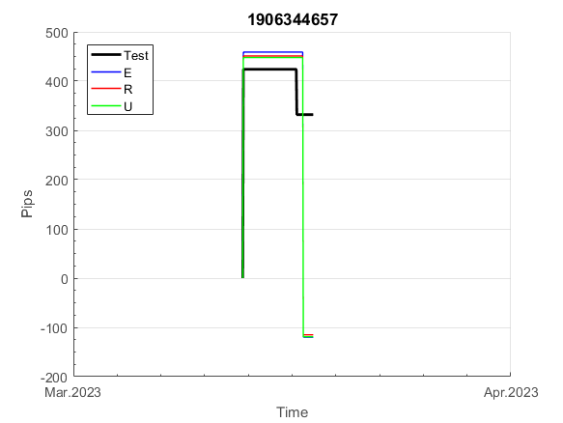
INFO | SymPer | Pip/Y | Trd/Y | RF=MaxPrf/Y/DD | PF | DD/LastDD | iDD | MO/Spred | SD | MO/SD | iRF=MaxPrf/iDD | W/L*W% | = | RISK=PF*RF | Magic | Mod | HL | HLk | TR | TRk | IN | Ik | Del | BrkBck | Inv | D | Iprice | S | P | PM1 | PM2 | Tk | TS | Out | OTr | Oprc | OD | Oprf | Wknd | A | a | AtrLim | tk | T0 | T1 | tp | start | 37987 | 37991 | 2004-01-06 | 2004-01-07 | 2004-01-08 | 2004-01-12 | 2004-01-13 | 2004-01-14 | 2004-01-15 | 2004-01-19 | 2004-01-20 | 2004-01-21 | 2004-01-22 | 2004-01-26 | 2004-01-27 | 2004-01-28 | 2004-01-29 | 2004-02-02 | 2004-02-03 | 2004-02-04 | 2004-02-05 | 2004-02-09 | 2004-02-10 | 2004-02-11 | 2004-02-12 | 2004-02-16 | 2004-02-17 | 2004-02-18 | 2004-02-19 | 2004-02-23 | 2004-02-24 | 2004-02-25 | 2004-02-26 | 2004-03-01 | 2004-03-02 | 2004-03-03 | 2004-03-04 | 2004-03-08 | 2004-03-09 | 2004-03-10 | 2004-03-11 | 2004-03-15 | 2004-03-16 | 2004-03-17 | 2004-03-18 | 2004-03-22 | 2004-03-23 | 2004-03-24 | 2004-03-25 | 2004-03-29 | 2004-03-30 | 2004-03-31 | 2004-04-01 | 2004-04-05 | 2004-04-06 | 2004-04-07 | 2004-04-08 | 2004-04-12 | 2004-04-13 | 2004-04-14 | 2004-04-15 | 2004-04-19 | 2004-04-20 | 2004-04-21 | 2004-04-22 | 2004-04-26 | 2004-04-27 | 2004-04-28 | 2004-04-29 | 2004-05-03 | 2004-05-04 | 2004-05-05 | 2004-05-06 | 2004-05-10 | 2004-05-11 | 2004-05-12 | 2004-05-13 | 2004-05-17 | 2004-05-18 | 2004-05-19 | 2004-05-20 | 2004-05-24 | 2004-05-25 | 2004-05-26 | 2004-05-27 | 2004-05-31 | 2004-06-11 | 2004-06-14 | 2004-06-15 | 2004-06-16 | 2004-06-17 | 2004-06-18 | 2004-06-21 | 2004-06-22 | 2004-06-23 | 2004-06-24 | 2004-06-25 | 2004-06-28 | 2004-06-29 | 2004-06-30 | 2004-07-01 | 2004-07-02 | 2004-07-06 | 2004-07-07 | 2004-07-08 | 2004-07-09 | 2004-07-12 | 2004-07-13 | 2004-07-14 | 2004-07-15 | 2004-07-16 | 2004-07-19 | 2004-07-20 | 2004-07-21 | 2004-07-22 | 2004-07-23 | 2004-07-26 | 2004-07-27 | 2004-07-28 | 2004-07-29 | 2004-07-30 | 2004-08-02 | 2004-08-03 | 2004-08-04 | 2004-08-05 | 2004-08-06 | 2004-08-09 | 2004-08-10 | 2004-08-11 | 2004-08-12 | 2004-08-13 | 2004-08-16 | 2004-08-17 | 2004-08-18 | 2004-08-19 | 2004-08-20 | 2004-08-23 | 2004-08-24 | 2004-08-25 | 2004-08-26 | 2004-08-27 | 2004-08-30 | 2004-08-31 | 2004-09-01 | 2004-09-02 | 2004-09-03 | 2004-09-07 | 2004-09-08 | 2004-09-09 | 2004-09-10 | 2004-09-13 | 2004-09-14 | 2004-09-15 | 2004-09-16 | 2004-09-17 | 2004-09-20 | 2004-09-21 | 2004-09-22 | 2004-09-23 | 2004-09-24 | 2004-09-27 | 2004-09-28 | 2004-09-29 | 2004-09-30 | 2004-10-01 | 2004-10-04 | 2004-10-05 | 2004-10-06 | 2004-10-07 | 2004-10-08 | 2004-10-11 | 2004-10-12 | 2004-10-13 | 2004-10-14 | 2004-10-15 | 2004-10-18 | 2004-10-19 | 2004-10-20 | 2004-10-21 | 2004-10-22 | 2004-10-25 | 2004-10-26 | 2004-10-27 | 2004-10-28 | 2004-10-29 | 2004-11-01 | 2004-11-02 | 2004-11-03 | 2004-11-04 | 2004-11-05 | 2004-11-08 | 2004-11-09 | 2004-11-10 | 2004-11-11 | 2004-11-12 | 2004-11-15 | 2004-11-16 | 2004-11-17 | 2004-11-18 | 2004-11-19 | 2004-11-22 | 2004-11-23 | 2004-11-24 | 2004-11-26 | 2004-11-29 | 2004-11-30 | 2004-12-01
FA$T200.925 2006.01.02-2023.09.11, Sprd=50, StpLev=50, Swaps=-6.28, OPT-2010.01.04-2021.12.30 | EURUSD60 | 141 | 8 | 0.41 | 2.52 | 347_79 | 322 | 0.36 | 44 | 8.2 | 57 | 1.8*61 = | 107 | 1 | 1906344657 | 2 | 3 | 3 | 5 | 4 | 1 | 8 | 1 | 2 | 0 | 4 | 1 | 4 | 6 | 2 | 2 | -3 | 0 | 1 | 1 | 3 | 1 | 0 | 0 | 15 | 5 | 0 | 0 | 5 | 3 | 1 |  | 0 | 0 | 0 | 0 | 0 | 0 | 0 | 0 | 0 | 0 | 0 | 0 | 0 | 0 | 0 | 0 | 0 | 0 | 0 | 0 | 0 | 0 | 0 | 0 | 0 | 0 | 0 | 0 | 0 | 0 | 0 | 0 | 0 | 0 | 0 | 0 | 0 | 0 | 0 | 0 | 0 | 0 | 0 | 0 | 0 | 0 | 0 | -2 | -13 | -30 | -7 | -7 | -7 | -7 | -7 | -7 | -7 | -15 | -28 | 7 | 70 | 70 | 70 | 70 | 70 | 70 | 70 | 70 | 70 | 70 | 70 | 70 | 70 | 70 | 70 | 70 | 70 | 70 | 70 | 40 | 62 | 62 | 62 | 62 | 62 | 62 | 62 | 62 | 62 | 62 | 62 | 62 | 62 | 62 | 62 | 62 | 62 | 62 | 62 | 62 | 62 | 62 | 62 | 62 | 62 | 62 | 62 | 42 | 104 | 104 | 104 | 104 | 104 | 104 | 104 | 104 | 104 | 104 | 104 | 104 | 104 | 104 | 104 | 104 | 104 | 104 | 104 | 104 | 104 | 104 | 104 | 104 | 104 | 104 | 104 | 104 | 104 | 104 | 104 | 104 | 104 | 104 | 104 | 104 | 104 | 104 | 104 | 104 | 104 | 104 | 104 | 104 | 104 | 104 | 104 | 104 | 104 | 104 | 104 | 104 | 104 | 104 | 104 | 104 | 104 | 104 | 104 | 104 | 104 | 104 | 104 | 104 | 104 | 104 | 104 | 104 | 104 | 104 | 104 | 104 | 104 | 104 | 104 | 104 | 104 | 104 | 104 | 104 | 104 | 104 | 104 | 104 | 104 | 104 | 104 | 104 | 104 | 104 | 104 | 104 | 104 | 104 | 103 | 89 | 107 | 114 | 114

 | 1906344657
 | 0
 | 0
 | 0
 | 0
 | 0
 | 0
 | 0
 | 0
 | 0
 | 0
 | 0
 | 0
 | 0
 | 0
 | 0
 | 0
 | 0
 | 0
 | 0
 | 0
 | 0
 | 0
 | 0
 | 0
 | 0
 | 0
 | 0
 | 0
 | 0
 | 0
 | 0
 | 0
 | 0
 | 0
 | 0
 | 0
 | 0
 | 0
 | -2
 | -13
 | -30
 | -7
 | -7
 | -7
 | -7
 | -7
 | -7
 | -7
 | -15
 | -28
...
 |  |  |  |  |  |  |  |  |  |  |  |  |  |  |  |  |  |  |  |  |  |  |  | #DIV/0!
 |  |  |  |  |  |  |  |  |  |  |  |  |  |  |  |  |  |  |  |  |  |  |  | #DIV/0!
 |  |  |  |  |  |  |  |  |  |  |  |  |  |  |  |  |  |  |  |  |  |  |  | #DIV/0!
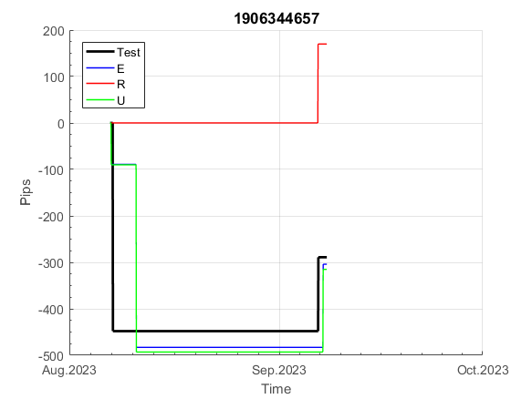
 |  |  |  |  |  |  |  |  |  |  |  |  |  |  |  |  |  |  |  |  |  |  |  | #DIV/0!

x240
INFO | SymPer | Pip/Y | Trd/Y | RF=MaxPrf/Y/DD | PF | DD/LastDD | iDD | MO/Spred | SD | MO/SD | iRF=MaxPrf/iDD | W/L*W% | = | RISK=PF*RF | Magic | Mod | HL | HLk | TR | TRk | IN | Ik | Del | BrkBck | Inv | D | Iprice | S | P | PM1 | PM2 | Tk | TS | Out | OTr | Oprc | OD | Oprf | Wknd | A | a | AtrLim | tk | T0 | T1 | tp | start | 37987 | 37991 | 2004-01-06 | 2004-01-07 | 2004-01-08 | 2004-01-12 | 2004-01-13 | 2004-01-14 | 2004-01-15 | 2004-01-19 | 2004-01-20 | 2004-01-21 | 2004-01-22 | 2004-01-26 | 2004-01-27 | 2004-01-28 | 2004-01-29 | 2004-02-02 | 2004-02-03 | 2004-02-04 | 2004-02-05 | 2004-02-09 | 2004-02-10 | 2004-02-11 | 2004-02-12 | 2004-02-16 | 2004-02-17 | 2004-02-18 | 2004-02-19 | 2004-02-23 | 2004-02-24 | 2004-02-25 | 2004-02-26 | 2004-03-01 | 2004-03-02 | 2004-03-03 | 2004-03-04 | 2004-03-08 | 2004-03-09 | 2004-03-10 | 2004-03-11 | 2004-03-15 | 2004-03-16 | 2004-03-17 | 2004-03-18 | 2004-03-22 | 2004-03-23 | 2004-03-24 | 2004-03-25 | 2004-03-29 | 2004-03-30 | 2004-03-31 | 2004-04-01 | 2004-04-05 | 2004-04-06 | 2004-04-07 | 2004-04-08 | 2004-04-12 | 2004-04-13 | 2004-04-14 | 2004-04-15 | 2004-04-19 | 2004-04-20 | 2004-04-21 | 2004-04-22 | 2004-04-26 | 2004-04-27 | 2004-04-28 | 2004-04-29 | 2004-05-03 | 2004-05-04 | 2004-05-05 | 2004-05-06 | 2004-05-10 | 2004-05-11 | 2004-05-12 | 2004-05-13 | 2004-05-17 | 2004-05-18 | 2004-05-19 | 2004-05-20 | 2004-05-24 | 2004-05-25 | 2004-05-26 | 2004-05-27 | 2004-05-31 | 2004-06-11 | 2004-06-14 | 2004-06-15 | 2004-06-16 | 2004-06-17 | 2004-06-18 | 2004-06-21 | 2004-06-22 | 2004-06-23 | 2004-06-24 | 2004-06-25 | 2004-06-28 | 2004-06-29 | 2004-06-30 | 2004-07-01 | 2004-07-02 | 2004-07-06 | 2004-07-07 | 2004-07-08 | 2004-07-09 | 2004-07-12 | 2004-07-13 | 2004-07-14 | 2004-07-15 | 2004-07-16 | 2004-07-19 | 2004-07-20 | 2004-07-21 | 2004-07-22 | 2004-07-23 | 2004-07-26 | 2004-07-27 | 2004-07-28 | 2004-07-29 | 2004-07-30 | 2004-08-02 | 2004-08-03 | 2004-08-04 | 2004-08-05 | 2004-08-06 | 2004-08-09 | 2004-08-10 | 2004-08-11 | 2004-08-12 | 2004-08-13 | 2004-08-16 | 2004-08-17 | 2004-08-18 | 2004-08-19 | 2004-08-20 | 2004-08-23 | 2004-08-24 | 2004-08-25 | 2004-08-26 | 2004-08-27 | 2004-08-30 | 2004-08-31 | 2004-09-01 | 2004-09-02 | 2004-09-03 | 2004-09-07 | 2004-09-08 | 2004-09-09 | 2004-09-10 | 2004-09-13 | 2004-09-14 | 2004-09-15 | 2004-09-16 | 2004-09-17 | 2004-09-20 | 2004-09-21 | 2004-09-22 | 2004-09-23 | 2004-09-24 | 2004-09-27 | 2004-09-28 | 2004-09-29 | 2004-09-30 | 2004-10-01 | 2004-10-04 | 2004-10-05 | 2004-10-06 | 2004-10-07 | 2004-10-08 | 2004-10-11 | 2004-10-12 | 2004-10-13 | 2004-10-14 | 2004-10-15 | 2004-10-18 | 2004-10-19 | 2004-10-20 | 2004-10-21 | 2004-10-22 | 2004-10-25 | 2004-10-26 | 2004-10-27 | 2004-10-28 | 2004-10-29 | 2004-11-01 | 2004-11-02 | 2004-11-03 | 2004-11-04 | 2004-11-05 | 2004-11-08 | 2004-11-09 | 2004-11-10 | 2004-11-11 | 2004-11-12 | 2004-11-15 | 2004-11-16 | 2004-11-17 | 2004-11-18 | 2004-11-19 | 2004-11-22 | 2004-11-23 | 2004-11-24 | 2004-11-26 | 2004-11-29 | 2004-11-30 | 2004-12-01
FA$T200.925 2010.01.04-2023.09.01, Sprd=100, StpLev=100, Swaps=-11.54, OPT-2009.01.02-2022.02.01 | XAUUSD240 | 918 | 5 | 0.38 | 1.75 | 2489_1649 | 5126 | 1.7 | 721 | 2.4 | 34 | 2.9*41 = | 120 | 0.5 | 1014922733 | 2 | 3 | 6 | -2 | 4 | 3 | 7 | 1 | -5 | 0 | 2 | 4 | 5 | -6 | 0 | 0 | -4 | 0 | 0 | 0 | 1 | 0 | -2 | 0 | 15 | 5 | 40 | 0 | 1 | 2 | 3 |  | 0 | 0 | 0 | 0 | 0 | 0 | 0 | 0 | 0 | 0 | 0 | 0 | 0 | 0 | 0 | 0 | 0 | 0 | 0 | 0 | 0 | 0 | 0 | 0 | 0 | 0 | 0 | 0 | 0 | 0 | 0 | 0 | 0 | 0 | 0 | 0 | 0 | 0 | -25 | -106 | -197 | -215 | -360 | -360 | -360 | -360 | -360 | -360 | -360 | -360 | -360 | -360 | -360 | -360 | -360 | -360 | -360 | -360 | -360 | -360 | -360 | -360 | -360 | -360 | -360 | -360 | -360 | -360 | -360 | -360 | -360 | -360 | -360 | -360 | -360 | -360 | -360 | -360 | -360 | -360 | -360 | -360 | -360 | -360 | -360 | -360 | -360 | -360 | -360 | -360 | -360 | -360 | -360 | -360 | -360 | -360 | -360 | -360 | -360 | -360 | -360 | -360 | -360 | -360 | -360 | -360 | -360 | -360 | -360 | -360 | -360 | -330 | -419 | -546 | -533 | -504 | -517 | -436 | -437 | -299 | -383 | -403 | -480 | -427 | -344 | -389 | -451 | -363 | -598 | -723 | -727 | -708 | -605 | -647 | -648 | -649 | -651 | -652 | -655 | -656 | -658 | -659 | -660 | -663 | -664 | -666 | -667 | -615 | -642 | -775 | -840 | -850 | -991 | -928 | -1042 | -1033 | -963 | -1004 | -1087 | -1104 | -1182 | -1200 | -1227 | -1265 | -1241 | -1211 | -1229 | -1299 | -1321 | -1299 | -1277 | -1394 | -1418 | -1418 | -1418 | -1418 | -1418 | -1418 | -1418 | -1408 | -1393 | -1460 | -1513 | -1521 | -1470 | -1428 | -1482 | -1328 | -1320 | -1290 | -1268 | -1334 | -1162 | -1179 | -1169 | -1109 | -1122 | -974 | -974 | -974 | -974 | -974 | -974 | -974 | -974 | -974 | -974
FA$T200.925 2010.01.04-2023.09.01, Sprd=100, StpLev=100, Swaps=-11.54, OPT-2007.01.02-2019.12.30 | XAUUSD240 | 277 | 7 | 0.25 | 1.44 | 1110_154 | 1734 | 0.4 | 255 | 1.6 | 23 | 1.0*65 = | 65 | 1 | 1500015628 | 2 | 5 | 7 | 0 | 9 | 8 | 2 | 1 | 5 | 1 | -3 | 1 | 0 | -4 | -2 | 0 | -4 | 0 | 0 | 1 | 1 | 0 | 0 | 1 | 15 | 4 | 0 | 0 | 2 | 1 | 2 |  | 0 | 0 | 0 | 0 | 0 | 0 | 0 | 0 | 0 | 0 | 0 | 0 | 0 | 0 | 0 | 0 | 0 | 0 | 0 | 0 | 0 | 0 | 0 | 0 | 0 | 0 | 0 | 0 | 0 | 0 | 0 | 0 | 0 | 0 | -32 | -236 | -115 | -209 | -322 | -337 | -219 | -138 | -118 | 37 | 37 | 37 | 37 | 37 | 37 | 37 | 37 | 37 | 37 | 37 | 37 | 37 | 37 | 37 | 37 | 37 | 37 | 37 | 37 | 37 | 37 | 37 | 37 | 37 | 37 | 37 | 37 | 37 | 37 | 37 | 37 | 37 | 37 | 37 | 37 | 37 | 37 | 37 | 37 | 37 | 37 | 37 | 37 | 37 | 37 | 37 | 37 | 37 | 37 | 37 | 37 | 37 | 37 | 37 | 37 | 37 | 37 | 37 | 37 | 37 | 37 | 37 | 37 | 37 | 37 | 37 | 37 | 134 | 45 | -81 | -69 | -39 | -52 | 28 | 27 | 165 | 81 | 61 | -16 | 37 | 119 | 119 | 119 | 119 | 119 | 119 | 119 | 119 | 119 | 119 | 119 | 119 | 119 | 119 | 119 | 119 | 119 | 119 | 119 | 119 | 119 | 119 | 119 | 119 | 119 | 119 | 119 | 119 | 119 | 119 | 119 | 119 | 70 | -22 | -106 | -125 | -125 | -125 | -125 | -125 | -125 | -125 | -125 | -125 | -125 | -125 | -125 | -125 | -125 | -125 | -125 | -125 | -125 | -125 | -125 | -125 | -125 | -125 | -67 | -74 | -23 | 18 | -36 | 80 | 80 | 80 | 80 | 80 | 80 | 80 | 80 | 80 | 80 | 80 | 80 | 80 | 80 | 80 | 80 | 80 | 80 | 80 | 80
FA$T200.925 2010.01.04-2023.09.01, Sprd=100, StpLev=100, Swaps=-11.54, OPT-2007.01.02-2020.01.02 | XAUUSD240 | 441 | 8 | 0.65 | 2.04 | 725_433 | 1083 | 0.53 | 146 | 3.6 | 52 | 0.7*76 = | 55 | 3 | 1522032606 | 2 | 2 | 3 | 8 | 3 | 1 | 7 | 1 | -1 | 1 | -2 | 4 | 4 | -2 | -2 | 0 | 4 | 1 | 0 | -1 | 3 | 0 | 0 | 0 | 15 | 4 | 0 | 0 | 8 | 1 | 0 |  | 0 | 0 | 0 | 0 | 0 | 0 | 0 | 0 | 58 | 166 | 166 | 166 | 166 | 166 | 166 | 166 | 166 | 166 | 166 | 166 | 166 | 166 | 166 | 166 | 150 | 401 | 401 | 401 | 401 | 401 | 401 | 401 | 401 | 401 | 401 | 401 | 401 | 401 | 401 | 401 | 401 | 401 | 401 | 401 | 401 | 401 | 401 | 401 | 401 | 401 | 401 | 401 | 401 | 401 | 401 | 401 | 401 | 401 | 401 | 401 | 401 | 401 | 401 | 401 | 401 | 401 | 401 | 401 | 401 | 401 | 401 | 401 | 401 | 401 | 401 | 401 | 401 | 401 | 401 | 401 | 401 | 401 | 401 | 401 | 401 | 401 | 401 | 401 | 401 | 401 | 401 | 401 | 401 | 401 | 401 | 401 | 401 | 401 | 305 | 134 | 134 | 134 | 134 | 134 | 134 | 134 | 134 | 134 | 134 | 134 | 134 | 134 | 134 | 134 | 134 | 134 | 134 | 134 | 134 | 134 | 134 | 134 | 134 | 134 | 134 | 134 | 134 | 134 | 134 | 134 | 134 | 134 | 134 | 134 | 134 | 134 | 134 | 134 | 134 | 134 | 134 | 134 | 134 | 134 | 134 | 134 | 134 | 134 | 134 | 98 | 62 | 181 | 181 | 181 | 181 | 181 | 181 | 181 | 181 | 181 | 181 | 181 | 181 | 181 | 181 | 181 | 181 | 181 | 181 | 181 | 181 | 181 | 181 | 181 | 181 | 181 | 181 | 181 | 181 | 181 | 181 | 181 | 181 | 181 | 181 | 181 | 181 | 181 | 181 | 181 | 181 | 181 | 181 | 181 | 181 | 181 | 181 | 181 | 181 | 181 | 181 | 181 | 181 | 181 | 181 | 181 | 181
FA$T200.925 2010.01.04-2023.09.01, Sprd=100, StpLev=100, Swaps=-11.54, OPT-2007.01.02-2020.01.02 | XAUUSD240 | 935 | 12 | 0.64 | 2.42 | 1640_1640 | 1417 | 0.75 | 168 | 4.5 | 60 | 0.6*81 = | 50 | 2 | 1545108803 | 2 | 3 | 1 | 4 | 9 | -1 | 2 | 0 | 0 | 0 | 1 | 2 | 5 | 6 | 0 | 0 | 0 | 0 | 1 | 0 | 1 | 3 | 2 | 0 | 15 | 5 | 0 | 0 | 1 | 8 | 3 |  | 0 | 0 | 90 | 131 | 61 | -17 | 184 | 184 | 184 | 184 | 184 | 184 | 184 | 184 | 184 | 184 | 184 | 32 | 36 | 153 | 192 | 15 | -114 | -137 | -30 | 210 | 210 | 210 | 210 | 210 | 210 | 210 | 210 | 210 | 210 | 210 | 210 | 210 | 210 | 210 | 210 | 210 | 210 | 210 | 210 | 210 | 210 | 210 | 210 | 210 | 210 | 210 | 210 | 210 | 210 | 210 | 210 | 210 | 210 | 210 | 210 | 210 | 210 | 210 | 210 | 210 | 210 | 210 | 210 | 195 | 237 | 370 | 370 | 370 | 370 | 370 | 370 | 370 | 370 | 370 | 370 | 370 | 370 | 370 | 370 | 358 | 298 | 217 | 306 | 655 | 655 | 606 | 691 | 865 | 865 | 865 | 865 | 865 | 865 | 865 | 865 | 865 | 865 | 865 | 865 | 865 | 865 | 865 | 865 | 865 | 865 | 865 | 865 | 865 | 865 | 865 | 865 | 865 | 865 | 817 | 607 | 586 | 509 | 563 | 645 | 764 | 837 | 837 | 837 | 837 | 837 | 837 | 837 | 837 | 837 | 837 | 837 | 837 | 837 | 837 | 837 | 837 | 837 | 837 | 837 | 837 | 837 | 901 | 874 | 741 | 676 | 666 | 525 | 588 | 530 | 530 | 530 | 530 | 530 | 530 | 530 | 530 | 508 | 484 | 434 | 448 | 361 | 496 | 551 | 551 | 551 | 551 | 551 | 551 | 551 | 551 | 542 | 525 | 440 | 396 | 382 | 416 | 527 | 527 | 527 | 527 | 527 | 553 | 561 | 591 | 641 | 641 | 631 | 614 | 624 | 724 | 724 | 724 | 698 | 812 | 821 | 821 | 821 | 821 | 821 | 821 | 821
FA$T200.925 2010.01.04-2023.09.01, Sprd=100, StpLev=100, Swaps=-11.54, OPT-2009.01.02-2022.01.31 | XAUUSD240 | 285 | 10 | 0.49 | 1.61 | 620_365 | 1359 | 0.28 | 126 | 2.2 | 22 | 1.7*51 = | 87 | 0.5 | 830471345 | 2 | 6 | 7 | -4 | 5 | -8 | 4 | 1 | -1 | 0 | 1 | 3 | 4 | 7 | -2 | 1 | 1 | 1 | 0 | 0 | 3 | 3 | 3 | 0 | 15 | 5 | 30 | 0 | 4 | 3 | 3 |  | 0 | 0 | 0 | 0 | 0 | 0 | 0 | 0 | 0 | 0 | 0 | 0 | 0 | 0 | 0 | 0 | 0 | 0 | 0 | 0 | 0 | 0 | 0 | 0 | 0 | 0 | 0 | 0 | 0 | 0 | 0 | 0 | 0 | 0 | 0 | 0 | 0 | 0 | 0 | 0 | 0 | 0 | 0 | 0 | 0 | 0 | 0 | 0 | 0 | 123 | 48 | 226 | 226 | 226 | 226 | 176 | 176 | 162 | 79 | 79 | 79 | 79 | 79 | 79 | 79 | 79 | 79 | 79 | 79 | 79 | 79 | 79 | 79 | 79 | 79 | 79 | 79 | 79 | 79 | 79 | 79 | 79 | 79 | 79 | 79 | 79 | 79 | 79 | 79 | 79 | 79 | 79 | 79 | 79 | 79 | 79 | 79 | 79 | 79 | 79 | 79 | 79 | 79 | 79 | 79 | 79 | 79 | 61 | 67 | 173 | 173 | 173 | 173 | 173 | 173 | 173 | 173 | 173 | 173 | 173 | 173 | 173 | 173 | 173 | 173 | 173 | 173 | 173 | 173 | 173 | 173 | 173 | 173 | 173 | 173 | 173 | 173 | 173 | 173 | 173 | 173 | 173 | 173 | 173 | 173 | 173 | 173 | 173 | 173 | 173 | 173 | 173 | 173 | 173 | 133 | 133 | 133 | 133 | 133 | 133 | 133 | 133 | 133 | 133 | 133 | 126 | 125 | 125 | 125 | 125 | 125 | 125 | 125 | 125 | 125 | 125 | 125 | 125 | 125 | 190 | 198 | 251 | 251 | 251 | 251 | 251 | 251 | 251 | 251 | 251 | 251 | 251 | 251 | 251 | 251 | 251 | 251 | 251 | 251 | 251 | 251 | 251 | 251 | 251 | 251 | 251 | 251
 | 1014922733 | 1500015628 | 1522032606 | 1545108803 | 830471345
 | 0 | 0 | 166 | 184 | 0
 | 0 | 0 | 166 | 184 | 0
 | 0 | 0 | 166 | 184 | 0
 | 0 | 0 | 166 | 184 | 0
 | 0 | 0 | 166 | 184 | 0
 | 0 | 0 | 166 | 184 | 0
 | 0 | 0 | 166 | 184 | 0
 | 0 | 0 | 166 | 184 | 0
 | 0 | 0 | 166 | 32 | 0
 | 0 | 0 | 166 | 36 | 0
 | 0 | 0 | 166 | 153 | 0
 | 0 | 0 | 166 | 192 | 0
 | 0 | 0 | 166 | 15 | 0
 | 0 | 0 | 166 | -114 | 0
 | 0 | 0 | 166 | -137 | 0
 | 0 | 0 | 150 | -30 | 0
 | 0 | 0 | 401 | 210 | 0
 | 0 | 0 | 401 | 210 | 0
 | 0 | 0 | 401 | 210 | 0
 | 0 | 0 | 401 | 210 | 0
 | 0 | 0 | 401 | 210 | 0
 | 0 | 0 | 401 | 210 | 0
 | 0 | 0 | 401 | 210 | 0
 | 0 | 0 | 401 | 210 | 0
 | 0 | 0 | 401 | 210 | 0
 | 0 | -32 | 401 | 210 | 0
 | 0 | -236 | 401 | 210 | 0
 | 0 | -115 | 401 | 210 | 0
 | 0 | -209 | 401 | 210 | 0
 | -25 | -322 | 401 | 210 | 0
 | -106 | -337 | 401 | 210 | 0
 | -197 | -219 | 401 | 210 | 0
 | -215 | -138 | 401 | 210 | 0
 | -360 | -118 | 401 | 210 | 0
 | -360 | 37 | 401 | 210 | 0
 | -360 | 37 | 401 | 210 | 0
 | -360 | 37 | 401 | 210 | 0
 | -360 | 37 | 401 | 210 | 0
 | -360 | 37 | 401 | 210 | 0
 | -360 | 37 | 401 | 210 | 0
 | -360 | 37 | 401 | 210 | 123
 | -360 | 37 | 401 | 210 | 48
 | -360 | 37 | 401 | 210 | 226
 | -360 | 37 | 401 | 210 | 226
 | -360 | 37 | 401 | 210 | 226
 | -360 | 37 | 401 | 210 | 226
 | -360 | 37 | 401 | 210 | 176
 | -360 | 37 | 401 | 210 | 176
 | -360 | 37 | 401 | 210 | 162
 | -360 | 37 | 401 | 210 | 79
...
 |  |  |  |  |  |  |  |  |  |  |  |  |  |  |  |  |  |  |  |  |  |  |  | 0.94752750039
 |  |  |  |  |  |  |  |  |  |  |  |  |  |  |  |  |  |  |  |  |  |  |  | 0.94555687649
 |  |  |  |  |  |  |  |  |  |  |  |  |  |  |  |  |  |  |  |  |  |  |  | 0.96413669877
 |  |  |  |  |  |  |  |  |  |  |  |  |  |  |  |  |  |  |  |  |  |  |  | 0.93567242203

150
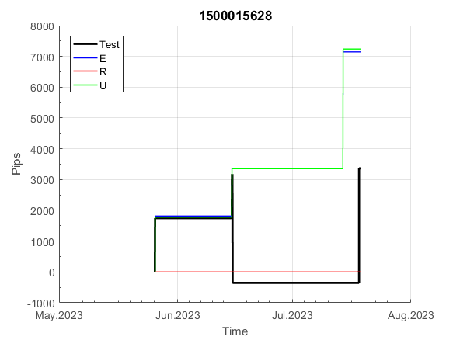
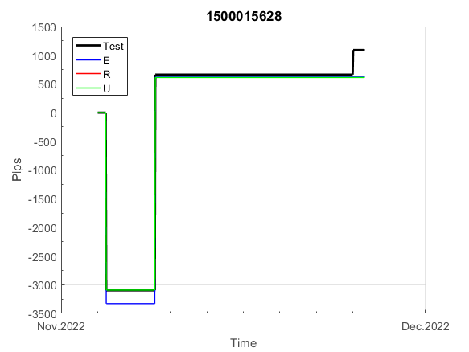
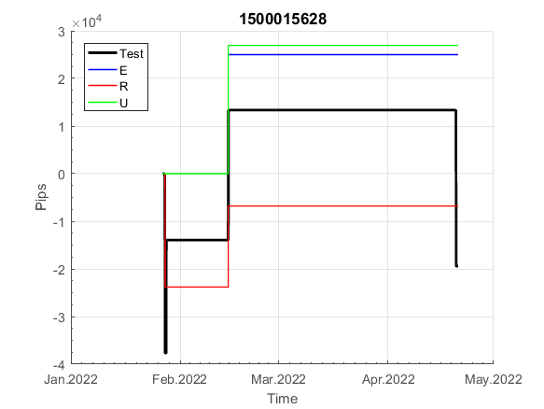
INFO | SymPer | Pip/Y | Trd/Y | RF=MaxPrf/Y/DD | PF | DD/LastDD | iDD | MO/Spred | SD | MO/SD | iRF=MaxPrf/iDD | W/L*W% | = | RISK=PF*RF | Magic | Mod | HL | HLk | TR | TRk | IN | Ik | Del | BrkBck | Inv | D | Iprice | S | P | PM1 | PM2 | Tk | TS | Out | OTr | Oprc | OD | Oprf | Wknd | A | a | AtrLim | tk | T0 | T1 | tp | start | 37987 | 37991 | 2004-01-06 | 2004-01-07 | 2004-01-08 | 2004-01-12 | 2004-01-13 | 2004-01-14 | 2004-01-15 | 2004-01-19 | 2004-01-20 | 2004-01-21 | 2004-01-22 | 2004-01-26 | 2004-01-27 | 2004-01-28 | 2004-01-29 | 2004-02-02 | 2004-02-03 | 2004-02-04 | 2004-02-05 | 2004-02-09 | 2004-02-10 | 2004-02-11 | 2004-02-12 | 2004-02-16 | 2004-02-17 | 2004-02-18 | 2004-02-19 | 2004-02-23 | 2004-02-24 | 2004-02-25 | 2004-02-26 | 2004-03-01 | 2004-03-02 | 2004-03-03 | 2004-03-04 | 2004-03-08 | 2004-03-09 | 2004-03-10 | 2004-03-11 | 2004-03-15 | 2004-03-16 | 2004-03-17 | 2004-03-18 | 2004-03-22 | 2004-03-23 | 2004-03-24 | 2004-03-25 | 2004-03-29 | 2004-03-30 | 2004-03-31 | 2004-04-01 | 2004-04-05 | 2004-04-06 | 2004-04-07 | 2004-04-08 | 2004-04-12 | 2004-04-13 | 2004-04-14 | 2004-04-15 | 2004-04-19 | 2004-04-20 | 2004-04-21 | 2004-04-22 | 2004-04-26 | 2004-04-27 | 2004-04-28 | 2004-04-29 | 2004-05-03 | 2004-05-04 | 2004-05-05 | 2004-05-06 | 2004-05-10 | 2004-05-11 | 2004-05-12 | 2004-05-13 | 2004-05-17 | 2004-05-18 | 2004-05-19 | 2004-05-20 | 2004-05-24 | 2004-05-25 | 2004-05-26 | 2004-05-27 | 2004-05-31 | 2004-06-11 | 2004-06-14 | 2004-06-15 | 2004-06-16 | 2004-06-17 | 2004-06-18 | 2004-06-21 | 2004-06-22 | 2004-06-23 | 2004-06-24 | 2004-06-25 | 2004-06-28 | 2004-06-29 | 2004-06-30 | 2004-07-01 | 2004-07-02 | 2004-07-06 | 2004-07-07 | 2004-07-08 | 2004-07-09 | 2004-07-12 | 2004-07-13 | 2004-07-14 | 2004-07-15 | 2004-07-16 | 2004-07-19 | 2004-07-20 | 2004-07-21 | 2004-07-22 | 2004-07-23 | 2004-07-26 | 2004-07-27 | 2004-07-28 | 2004-07-29 | 2004-07-30 | 2004-08-02 | 2004-08-03 | 2004-08-04 | 2004-08-05 | 2004-08-06 | 2004-08-09 | 2004-08-10 | 2004-08-11 | 2004-08-12 | 2004-08-13 | 2004-08-16 | 2004-08-17 | 2004-08-18 | 2004-08-19 | 2004-08-20 | 2004-08-23 | 2004-08-24 | 2004-08-25 | 2004-08-26 | 2004-08-27 | 2004-08-30 | 2004-08-31 | 2004-09-01 | 2004-09-02 | 2004-09-03 | 2004-09-07 | 2004-09-08 | 2004-09-09 | 2004-09-10 | 2004-09-13 | 2004-09-14 | 2004-09-15 | 2004-09-16 | 2004-09-17 | 2004-09-20 | 2004-09-21 | 2004-09-22 | 2004-09-23 | 2004-09-24 | 2004-09-27 | 2004-09-28 | 2004-09-29 | 2004-09-30 | 2004-10-01 | 2004-10-04 | 2004-10-05 | 2004-10-06 | 2004-10-07 | 2004-10-08 | 2004-10-11 | 2004-10-12 | 2004-10-13 | 2004-10-14 | 2004-10-15 | 2004-10-18 | 2004-10-19 | 2004-10-20 | 2004-10-21 | 2004-10-22 | 2004-10-25 | 2004-10-26 | 2004-10-27 | 2004-10-28 | 2004-10-29 | 2004-11-01 | 2004-11-02 | 2004-11-03 | 2004-11-04 | 2004-11-05 | 2004-11-08 | 2004-11-09 | 2004-11-10 | 2004-11-11 | 2004-11-12 | 2004-11-15 | 2004-11-16 | 2004-11-17 | 2004-11-18 | 2004-11-19 | 2004-11-22 | 2004-11-23 | 2004-11-24 | 2004-11-26 | 2004-11-29 | 2004-11-30 | 2004-12-01
FA$T200.925 2006.01.03-2023.09.11, Sprd=100, StpLev=100, Swaps=-13.89, OPT-2007.01.02-2019.12.30 | XAUUSD240 | 381 | 7 | 0.34 | 1.58 | 1113_162 | 1820 | 0.53 | 250 | 2.1 | 29 | 1.0*65 = | 64 | 0.5 | 1500015628 | 2 | 5 | 7 | 0 | 9 | 8 | 2 | 1 | 5 | 1 | -3 | 1 | 0 | -4 | -2 | 0 | -4 | 0 | 0 | 1 | 1 | 0 | 0 | 1 | 15 | 4 | 0 | 0 | 2 | 1 | 2 |  | 0 | 0 | 0 | 0 | 0 | 0 | 0 | 0 | 0 | 0 | 0 | 0 | 0 | 0 | 0 | 0 | 0 | 0 | 0 | 0 | 0 | 0 | 0 | 0 | 0 | 0 | 0 | 0 | 0 | 0 | 0 | 0 | 0 | 0 | 0 | 0 | 0 | 0 | 0 | 0 | 0 | 0 | 0 | 0 | 0 | 0 | 0 | 0 | 0 | 0 | 0 | 0 | 0 | 0 | 0 | 0 | -62 | -100 | -100 | -100 | -100 | -100 | -100 | -100 | -100 | -100 | -100 | -100 | -100 | -100 | -100 | -100 | -100 | -100 | -100 | -100 | -100 | -100 | -100 | -100 | -100 | -100 | -100 | -100 | -100 | -100 | -100 | -100 | -100 | -100 | -100 | -100 | -100 | -100 | -100 | -100 | -100 | -100 | -100 | -100 | -100 | -100 | -100 | -100 | -100 | -100 | -100 | -100 | -100 | -103 | -120 | -53 | -1 | 415 | 415 | 415 | 415 | 415 | 415 | 415 | 415 | 415 | 415 | 363 | 336 | 61 | -29 | -27 | -55 | -125 | -115 | -91 | -189 | -218 | -218 | -218 | -218 | -310 | -217 | -227 | -119 | 54 | 54 | 54 | 54 | 54 | 54 | 54 | 54 | 54 | 54 | 54 | 54 | 54 | 54 | -1 | 127 | 158 | 128 | 136 | 234 | 234 | 234 | 234 | 234 | 234 | 234 | 234 | 234 | 234 | 234 | 234 | 234 | 234 | 234 | 234 | 234 | 234 | 234 | 234 | 234 | 234 | 234 | 234 | 234 | 234 | 234 | 234 | 234 | 234 | 234 | 234 | 234 | 234 | 234 | 234 | 234 | 234 | 234 | 234 | 234 | 234 | 234 | 234 | 234 | 243 | 215

 | 1500015628
 | 0
 | 0
 | 0
 | 0
 | 0
 | 0
 | 0
 | 0
 | 0
 | 0
 | 0
 | 0
 | 0
 | 0
 | 0
 | 0
 | 0
 | 0
 | 0
 | 0
 | 0
 | 0
 | 0
 | 0
 | 0
 | 0
 | 0
 | 0
 | 0
 | 0
 | 0
 | 0
 | 0
 | 0
 | 0
 | 0
 | 0
 | 0
 | 0
 | 0
 | 0
 | 0
 | 0
 | 0
 | 0
 | 0
 | 0
 | -62
 | -100
 | -100
...
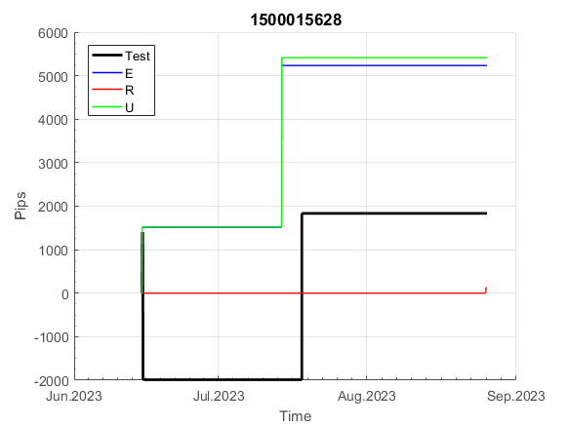
 |  |  |  |  |  |  |  |  |  |  |  |  |  |  |  |  |  |  |  |  |  |  |  | #DIV/0!
 |  |  |  |  |  |  |  |  |  |  |  |  |  |  |  |  |  |  |  |  |  |  |  | #DIV/0!
 |  |  |  |  |  |  |  |  |  |  |  |  |  |  |  |  |  |  |  |  |  |  |  | #DIV/0!
 |  |  |  |  |  |  |  |  |  |  |  |  |  |  |  |  |  |  |  |  |  |  |  | #DIV/0!

152
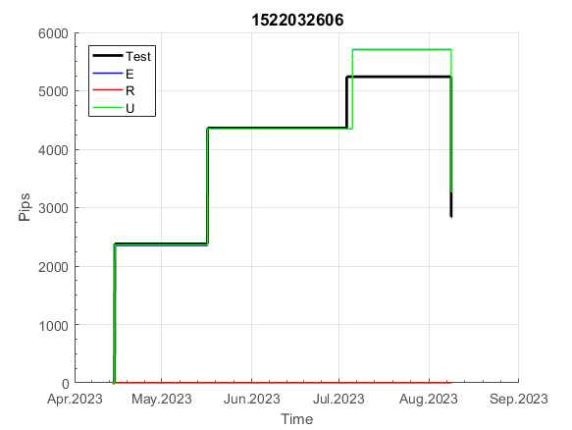
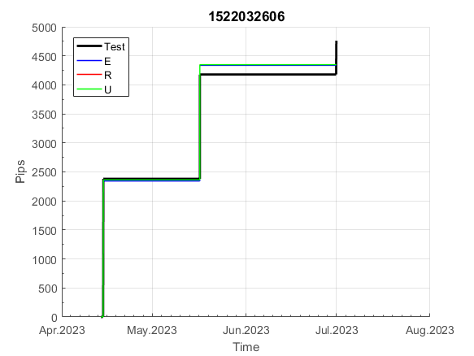
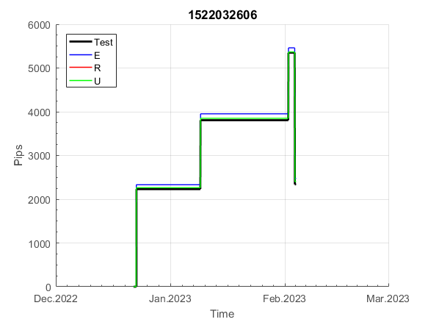
INFO | SymPer | Pip/Y | Trd/Y | RF=MaxPrf/Y/DD | PF | DD/LastDD | iDD | MO/Spred | SD | MO/SD | iRF=MaxPrf/iDD | W/L*W% | = | RISK=PF*RF | Magic | Mod | HL | HLk | TR | TRk | IN | Ik | Del | BrkBck | Inv | D | Iprice | S | P | PM1 | PM2 | Tk | TS | Out | OTr | Oprc | OD | Oprf | Wknd | A | a | AtrLim | tk | T0 | T1 | tp | start | 37987 | 37991 | 2004-01-06 | 2004-01-07 | 2004-01-08 | 2004-01-12 | 2004-01-13 | 2004-01-14 | 2004-01-15 | 2004-01-19 | 2004-01-20 | 2004-01-21 | 2004-01-22 | 2004-01-26 | 2004-01-27 | 2004-01-28 | 2004-01-29 | 2004-02-02 | 2004-02-03 | 2004-02-04 | 2004-02-05 | 2004-02-09 | 2004-02-10 | 2004-02-11 | 2004-02-12 | 2004-02-16 | 2004-02-17 | 2004-02-18 | 2004-02-19 | 2004-02-23 | 2004-02-24 | 2004-02-25 | 2004-02-26 | 2004-03-01 | 2004-03-02 | 2004-03-03 | 2004-03-04 | 2004-03-08 | 2004-03-09 | 2004-03-10 | 2004-03-11 | 2004-03-15 | 2004-03-16 | 2004-03-17 | 2004-03-18 | 2004-03-22 | 2004-03-23 | 2004-03-24 | 2004-03-25 | 2004-03-29 | 2004-03-30 | 2004-03-31 | 2004-04-01 | 2004-04-05 | 2004-04-06 | 2004-04-07 | 2004-04-08 | 2004-04-12 | 2004-04-13 | 2004-04-14 | 2004-04-15 | 2004-04-19 | 2004-04-20 | 2004-04-21 | 2004-04-22 | 2004-04-26 | 2004-04-27 | 2004-04-28 | 2004-04-29 | 2004-05-03 | 2004-05-04 | 2004-05-05 | 2004-05-06 | 2004-05-10 | 2004-05-11 | 2004-05-12 | 2004-05-13 | 2004-05-17 | 2004-05-18 | 2004-05-19 | 2004-05-20 | 2004-05-24 | 2004-05-25 | 2004-05-26 | 2004-05-27 | 2004-05-31 | 2004-06-11 | 2004-06-14 | 2004-06-15 | 2004-06-16 | 2004-06-17 | 2004-06-18 | 2004-06-21 | 2004-06-22 | 2004-06-23 | 2004-06-24 | 2004-06-25 | 2004-06-28 | 2004-06-29 | 2004-06-30 | 2004-07-01 | 2004-07-02 | 2004-07-06 | 2004-07-07 | 2004-07-08 | 2004-07-09 | 2004-07-12 | 2004-07-13 | 2004-07-14 | 2004-07-15 | 2004-07-16 | 2004-07-19 | 2004-07-20 | 2004-07-21 | 2004-07-22 | 2004-07-23 | 2004-07-26 | 2004-07-27 | 2004-07-28 | 2004-07-29 | 2004-07-30 | 2004-08-02 | 2004-08-03 | 2004-08-04 | 2004-08-05 | 2004-08-06 | 2004-08-09 | 2004-08-10 | 2004-08-11 | 2004-08-12 | 2004-08-13 | 2004-08-16 | 2004-08-17 | 2004-08-18 | 2004-08-19 | 2004-08-20 | 2004-08-23 | 2004-08-24 | 2004-08-25 | 2004-08-26 | 2004-08-27 | 2004-08-30 | 2004-08-31 | 2004-09-01 | 2004-09-02 | 2004-09-03 | 2004-09-07 | 2004-09-08 | 2004-09-09 | 2004-09-10 | 2004-09-13 | 2004-09-14 | 2004-09-15 | 2004-09-16 | 2004-09-17 | 2004-09-20 | 2004-09-21 | 2004-09-22 | 2004-09-23 | 2004-09-24 | 2004-09-27 | 2004-09-28 | 2004-09-29 | 2004-09-30 | 2004-10-01 | 2004-10-04 | 2004-10-05 | 2004-10-06 | 2004-10-07 | 2004-10-08 | 2004-10-11 | 2004-10-12 | 2004-10-13 | 2004-10-14 | 2004-10-15 | 2004-10-18 | 2004-10-19 | 2004-10-20 | 2004-10-21 | 2004-10-22 | 2004-10-25 | 2004-10-26 | 2004-10-27 | 2004-10-28 | 2004-10-29 | 2004-11-01 | 2004-11-02 | 2004-11-03 | 2004-11-04 | 2004-11-05 | 2004-11-08 | 2004-11-09 | 2004-11-10 | 2004-11-11 | 2004-11-12 | 2004-11-15 | 2004-11-16 | 2004-11-17 | 2004-11-18 | 2004-11-19 | 2004-11-22 | 2004-11-23 | 2004-11-24 | 2004-11-26 | 2004-11-29 | 2004-11-30 | 2004-12-01
FA$T200.925 2006.01.03-2023.09.11, Sprd=100, StpLev=100, Swaps=-13.89, OPT-2007.01.02-2020.01.02 | XAUUSD240 | 409 | 9 | 0.37 | 1.88 | 1177_434 | 2188 | 0.46 | 145 | 3.2 | 22 | 0.8*72 = | 58 | 0.7 | 1522032606 | 2 | 2 | 3 | 8 | 3 | 1 | 7 | 1 | -1 | 1 | -2 | 4 | 4 | -2 | -2 | 0 | 4 | 1 | 0 | -1 | 3 | 0 | 0 | 0 | 15 | 4 | 0 | 0 | 8 | 1 | 0 |  | 0 | 0 | 0 | 0 | 0 | 0 | 0 | 0 | 0 | 0 | 0 | 0 | 0 | 0 | -90 | -98 | -129 | -129 | -129 | -129 | -129 | -129 | -129 | -129 | -129 | -129 | -129 | -129 | -129 | -129 | -129 | -192 | -227 | -155 | -112 | -112 | -112 | -112 | -112 | -112 | -112 | -112 | -112 | -112 | -112 | -112 | -112 | -112 | -112 | -112 | -112 | -112 | -112 | -112 | -112 | -112 | -112 | -112 | -112 | -112 | -112 | -112 | -112 | -216 | -216 | -216 | -216 | -216 | -216 | -282 | -234 | -218 | -158 | -158 | -158 | -158 | -158 | -311 | -311 | -311 | -311 | -311 | -311 | -311 | -311 | -311 | -311 | -338 | -492 | -492 | -492 | -492 | -492 | -492 | -492 | -492 | -492 | -492 | -492 | -492 | -492 | -492 | -492 | -492 | -492 | -492 | -492 | -492 | -563 | -652 | -682 | -721 | -721 | -721 | -721 | -721 | -721 | -721 | -721 | -721 | -721 | -721 | -721 | -721 | -721 | -721 | -721 | -721 | -721 | -721 | -721 | -721 | -721 | -721 | -721 | -721 | -721 | -721 | -721 | -721 | -721 | -721 | -721 | -721 | -721 | -721 | -721 | -721 | -721 | -721 | -721 | -721 | -721 | -721 | -721 | -721 | -721 | -721 | -721 | -721 | -721 | -721 | -721 | -721 | -721 | -721 | -721 | -721 | -721 | -721 | -721 | -721 | -721 | -721 | -721 | -721 | -721 | -721 | -721 | -721 | -721 | -721 | -721 | -721 | -721 | -721 | -721 | -721 | -721 | -725 | -868 | -868 | -868 | -868 | -868 | -868 | -868 | -868 | -868 | -868 | -868 | -868 | -868 | -868 | -868 | -868 | -868

 | 1522032606
 | 0
 | 0
 | 0
 | 0
 | 0
 | -90
 | -98
 | -129
 | -129
 | -129
 | -129
 | -129
 | -129
 | -129
 | -129
 | -129
 | -129
 | -129
 | -129
 | -129
 | -129
 | -129
 | -192
 | -227
 | -155
 | -112
 | -112
 | -112
 | -112
 | -112
 | -112
 | -112
 | -112
 | -112
 | -112
 | -112
 | -112
 | -112
 | -112
 | -112
 | -112
 | -112
 | -112
 | -112
 | -112
 | -112
 | -112
 | -112
 | -112
 | -112
...
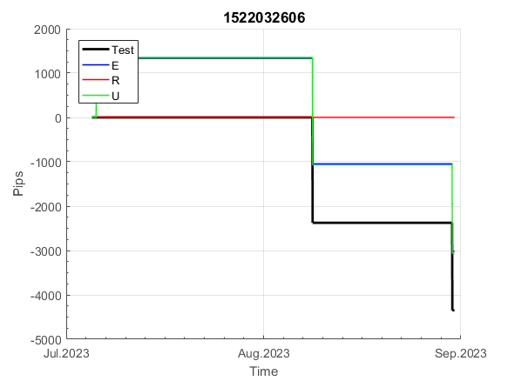
 |  |  |  |  |  |  |  |  |  |  |  |  |  |  |  |  |  |  |  |  |  |  |  | #DIV/0!
 |  |  |  |  |  |  |  |  |  |  |  |  |  |  |  |  |  |  |  |  |  |  |  | #DIV/0!
 |  |  |  |  |  |  |  |  |  |  |  |  |  |  |  |  |  |  |  |  |  |  |  | #DIV/0!
 |  |  |  |  |  |  |  |  |  |  |  |  |  |  |  |  |  |  |  |  |  |  |  | #DIV/0!

154
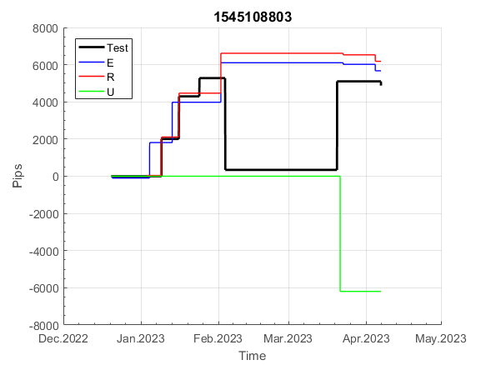
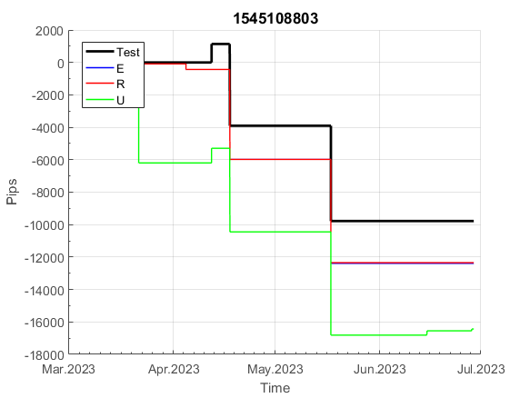
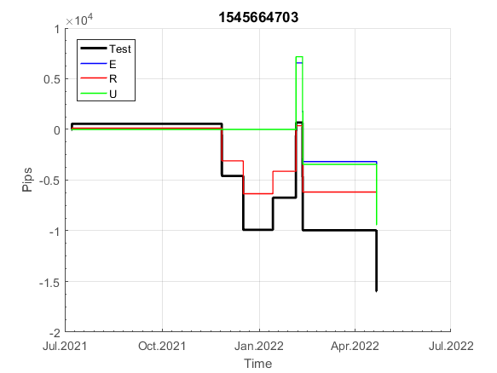
INFO | SymPer | Pip/Y | Trd/Y | RF=MaxPrf/Y/DD | PF | DD/LastDD | iDD | MO/Spred | SD | MO/SD | iRF=MaxPrf/iDD | W/L*W% | = | RISK=PF*RF | Magic | Mod | HL | HLk | TR | TRk | IN | Ik | Del | BrkBck | Inv | D | Iprice | S | P | PM1 | PM2 | Tk | TS | Out | OTr | Oprc | OD | Oprf | Wknd | A | a | AtrLim | tk | T0 | T1 | tp | start | 37987 | 37991 | 2004-01-06 | 2004-01-07 | 2004-01-08 | 2004-01-12 | 2004-01-13 | 2004-01-14 | 2004-01-15 | 2004-01-19 | 2004-01-20 | 2004-01-21 | 2004-01-22 | 2004-01-26 | 2004-01-27 | 2004-01-28 | 2004-01-29 | 2004-02-02 | 2004-02-03 | 2004-02-04 | 2004-02-05 | 2004-02-09 | 2004-02-10 | 2004-02-11 | 2004-02-12 | 2004-02-16 | 2004-02-17 | 2004-02-18 | 2004-02-19 | 2004-02-23 | 2004-02-24 | 2004-02-25 | 2004-02-26 | 2004-03-01 | 2004-03-02 | 2004-03-03 | 2004-03-04 | 2004-03-08 | 2004-03-09 | 2004-03-10 | 2004-03-11 | 2004-03-15 | 2004-03-16 | 2004-03-17 | 2004-03-18 | 2004-03-22 | 2004-03-23 | 2004-03-24 | 2004-03-25 | 2004-03-29 | 2004-03-30 | 2004-03-31 | 2004-04-01 | 2004-04-05 | 2004-04-06 | 2004-04-07 | 2004-04-08 | 2004-04-12 | 2004-04-13 | 2004-04-14 | 2004-04-15 | 2004-04-19 | 2004-04-20 | 2004-04-21 | 2004-04-22 | 2004-04-26 | 2004-04-27 | 2004-04-28 | 2004-04-29 | 2004-05-03 | 2004-05-04 | 2004-05-05 | 2004-05-06 | 2004-05-10 | 2004-05-11 | 2004-05-12 | 2004-05-13 | 2004-05-17 | 2004-05-18 | 2004-05-19 | 2004-05-20 | 2004-05-24 | 2004-05-25 | 2004-05-26 | 2004-05-27 | 2004-05-31 | 2004-06-11 | 2004-06-14 | 2004-06-15 | 2004-06-16 | 2004-06-17 | 2004-06-18 | 2004-06-21 | 2004-06-22 | 2004-06-23 | 2004-06-24 | 2004-06-25 | 2004-06-28 | 2004-06-29 | 2004-06-30 | 2004-07-01 | 2004-07-02 | 2004-07-06 | 2004-07-07 | 2004-07-08 | 2004-07-09 | 2004-07-12 | 2004-07-13 | 2004-07-14 | 2004-07-15 | 2004-07-16 | 2004-07-19 | 2004-07-20 | 2004-07-21 | 2004-07-22 | 2004-07-23 | 2004-07-26 | 2004-07-27 | 2004-07-28 | 2004-07-29 | 2004-07-30 | 2004-08-02 | 2004-08-03 | 2004-08-04 | 2004-08-05 | 2004-08-06 | 2004-08-09 | 2004-08-10 | 2004-08-11 | 2004-08-12 | 2004-08-13 | 2004-08-16 | 2004-08-17 | 2004-08-18 | 2004-08-19 | 2004-08-20 | 2004-08-23 | 2004-08-24 | 2004-08-25 | 2004-08-26 | 2004-08-27 | 2004-08-30 | 2004-08-31 | 2004-09-01 | 2004-09-02 | 2004-09-03 | 2004-09-07 | 2004-09-08 | 2004-09-09 | 2004-09-10 | 2004-09-13 | 2004-09-14 | 2004-09-15 | 2004-09-16 | 2004-09-17 | 2004-09-20 | 2004-09-21 | 2004-09-22 | 2004-09-23 | 2004-09-24 | 2004-09-27 | 2004-09-28 | 2004-09-29 | 2004-09-30 | 2004-10-01 | 2004-10-04 | 2004-10-05 | 2004-10-06 | 2004-10-07 | 2004-10-08 | 2004-10-11 | 2004-10-12 | 2004-10-13 | 2004-10-14 | 2004-10-15 | 2004-10-18 | 2004-10-19 | 2004-10-20 | 2004-10-21 | 2004-10-22 | 2004-10-25 | 2004-10-26 | 2004-10-27 | 2004-10-28 | 2004-10-29 | 2004-11-01 | 2004-11-02 | 2004-11-03 | 2004-11-04 | 2004-11-05 | 2004-11-08 | 2004-11-09 | 2004-11-10 | 2004-11-11 | 2004-11-12 | 2004-11-15 | 2004-11-16 | 2004-11-17 | 2004-11-18 | 2004-11-19 | 2004-11-22 | 2004-11-23 | 2004-11-24 | 2004-11-26 | 2004-11-29 | 2004-11-30 | 2004-12-01
FA$T200.925 2006.01.03-2023.09.11, Sprd=100, StpLev=100, Swaps=-13.89, OPT-2007.01.02-2020.01.02 | XAUUSD240 | 824 | 13 | 0.55 | 2.1 | 1648_1647 | 2327 | 0.64 | 169 | 3.8 | 31 | 0.6*79 = | 49 | 1.2 | 1545108803 | 2 | 3 | 1 | 4 | 9 | -1 | 2 | 0 | 0 | 0 | 1 | 2 | 5 | 6 | 0 | 0 | 0 | 0 | 1 | 0 | 1 | 3 | 2 | 0 | 15 | 5 | 0 | 0 | 1 | 8 | 3 |  | 0 | 0 | 0 | 0 | 0 | -56 | 0 | -16 | -7 | -9 | 64 | 64 | 56 | 26 | 135 | 135 | 135 | 135 | 135 | 135 | 139 | 116 | 118 | 143 | 116 | -63 | -122 | -122 | -246 | -320 | -320 | -320 | -320 | -320 | -320 | -320 | -320 | -320 | -366 | -368 | -292 | -270 | -270 | -270 | -270 | -270 | -270 | -270 | -270 | -270 | -270 | -270 | -270 | -270 | -270 | -270 | -270 | -270 | -270 | -270 | -270 | -296 | -215 | -307 | -172 | -216 | -165 | -127 | -127 | -210 | -222 | -244 | -129 | -47 | 33 | 47 | 47 | 47 | 47 | 47 | 47 | 47 | 94 | 163 | 159 | 96 | 227 | 269 | 314 | 389 | 472 | 515 | 515 | 515 | 515 | 515 | 515 | 515 | 515 | 515 | 515 | 515 | 515 | 515 | 515 | 515 | 515 | 515 | 515 | 515 | 515 | 515 | 515 | 515 | 515 | 515 | 473 | 410 | 294 | 249 | 341 | 334 | 293 | 355 | 328 | 124 | 124 | 124 | 124 | 124 | 75 | 12 | 8 | 196 | 196 | 196 | 196 | 196 | -60 | -70 | 37 | 204 | 204 | 204 | 204 | 204 | 204 | 204 | 204 | 204 | 204 | 204 | 204 | 204 | 204 | 204 | 179 | 182 | 152 | 160 | 307 | 307 | 307 | 307 | 307 | 307 | 307 | 307 | 307 | 307 | 307 | 307 | 289 | 124 | 40 | 40 | 40 | -77 | -96 | 65 | -32 | -40 | 40 | 16 | -62 | -39 | -62 | -186 | -186 | -306 | -249 | -199 | -300 | -297 | -345 | -353 | -310 | -320 | -406 | -406 | -406 | -406 | -406 | -406 | -406 | -406 | -406

 | 1545108803
 | -9
 | 64
 | 64
 | 56
 | 26
 | 135
 | 135
 | 135
 | 135
 | 135
 | 135
 | 139
 | 116
 | 118
 | 143
 | 116
 | -63
 | -122
 | -122
 | -246
 | -320
 | -320
 | -320
 | -320
 | -320
 | -320
 | -320
 | -320
 | -320
 | -366
 | -368
 | -292
 | -270
 | -270
 | -270
 | -270
 | -270
 | -270
 | -270
 | -270
 | -270
 | -270
 | -270
 | -270
 | -270
 | -270
 | -270
 | -270
 | -270
 | -270
...
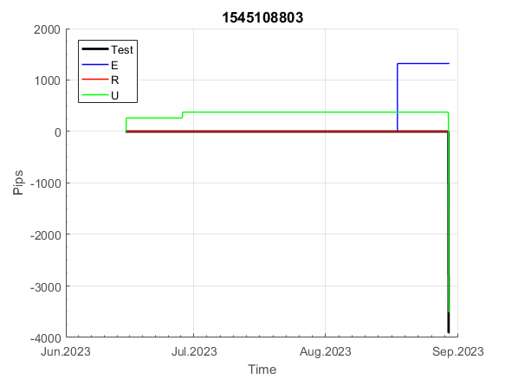
 |  |  |  |  |  |  |  |  |  |  |  |  |  |  |  |  |  |  |  |  |  |  |  | #DIV/0!
 |  |  |  |  |  |  |  |  |  |  |  |  |  |  |  |  |  |  |  |  |  |  |  | #DIV/0!
 |  |  |  |  |  |  |  |  |  |  |  |  |  |  |  |  |  |  |  |  |  |  |  | #DIV/0!
 |  |  |  |  |  |  |  |  |  |  |  |  |  |  |  |  |  |  |  |  |  |  |  | #DIV/0!

830
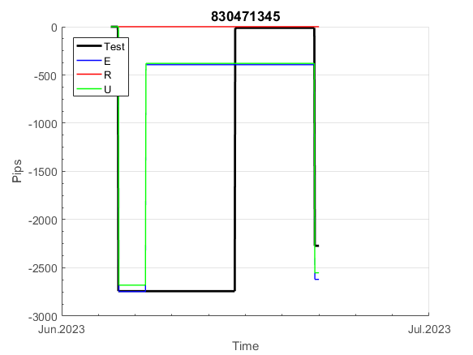
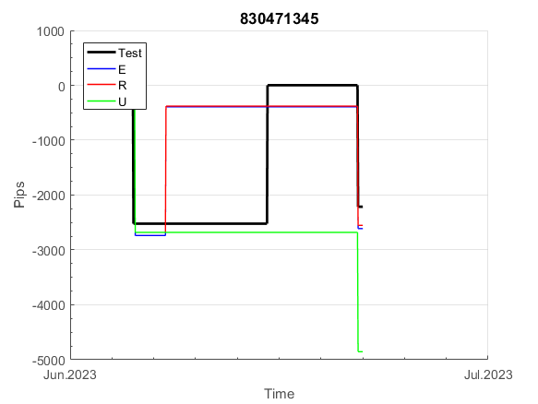
INFO | SymPer | Pip/Y | Trd/Y | RF=MaxPrf/Y/DD | PF | DD/LastDD | iDD | MO/Spred | SD | MO/SD | iRF=MaxPrf/iDD | W/L*W% | = | RISK=PF*RF | Magic | Mod | HL | HLk | TR | TRk | IN | Ik | Del | BrkBck | Inv | D | Iprice | S | P | PM1 | PM2 | Tk | TS | Out | OTr | Oprc | OD | Oprf | Wknd | A | a | AtrLim | tk | T0 | T1 | tp | start | 37987 | 37991 | 2004-01-06 | 2004-01-07 | 2004-01-08 | 2004-01-12 | 2004-01-13 | 2004-01-14 | 2004-01-15 | 2004-01-19 | 2004-01-20 | 2004-01-21 | 2004-01-22 | 2004-01-26 | 2004-01-27 | 2004-01-28 | 2004-01-29 | 2004-02-02 | 2004-02-03 | 2004-02-04 | 2004-02-05 | 2004-02-09 | 2004-02-10 | 2004-02-11 | 2004-02-12 | 2004-02-16 | 2004-02-17 | 2004-02-18 | 2004-02-19 | 2004-02-23 | 2004-02-24 | 2004-02-25 | 2004-02-26 | 2004-03-01 | 2004-03-02 | 2004-03-03 | 2004-03-04 | 2004-03-08 | 2004-03-09 | 2004-03-10 | 2004-03-11 | 2004-03-15 | 2004-03-16 | 2004-03-17 | 2004-03-18 | 2004-03-22 | 2004-03-23 | 2004-03-24 | 2004-03-25 | 2004-03-29 | 2004-03-30 | 2004-03-31 | 2004-04-01 | 2004-04-05 | 2004-04-06 | 2004-04-07 | 2004-04-08 | 2004-04-12 | 2004-04-13 | 2004-04-14 | 2004-04-15 | 2004-04-19 | 2004-04-20 | 2004-04-21 | 2004-04-22 | 2004-04-26 | 2004-04-27 | 2004-04-28 | 2004-04-29 | 2004-05-03 | 2004-05-04 | 2004-05-05 | 2004-05-06 | 2004-05-10 | 2004-05-11 | 2004-05-12 | 2004-05-13 | 2004-05-17 | 2004-05-18 | 2004-05-19 | 2004-05-20 | 2004-05-24 | 2004-05-25 | 2004-05-26 | 2004-05-27 | 2004-05-31 | 2004-06-11 | 2004-06-14 | 2004-06-15 | 2004-06-16 | 2004-06-17 | 2004-06-18 | 2004-06-21 | 2004-06-22 | 2004-06-23 | 2004-06-24 | 2004-06-25 | 2004-06-28 | 2004-06-29 | 2004-06-30 | 2004-07-01 | 2004-07-02 | 2004-07-06 | 2004-07-07 | 2004-07-08 | 2004-07-09 | 2004-07-12 | 2004-07-13 | 2004-07-14 | 2004-07-15 | 2004-07-16 | 2004-07-19 | 2004-07-20 | 2004-07-21 | 2004-07-22 | 2004-07-23 | 2004-07-26 | 2004-07-27 | 2004-07-28 | 2004-07-29 | 2004-07-30 | 2004-08-02 | 2004-08-03 | 2004-08-04 | 2004-08-05 | 2004-08-06 | 2004-08-09 | 2004-08-10 | 2004-08-11 | 2004-08-12 | 2004-08-13 | 2004-08-16 | 2004-08-17 | 2004-08-18 | 2004-08-19 | 2004-08-20 | 2004-08-23 | 2004-08-24 | 2004-08-25 | 2004-08-26 | 2004-08-27 | 2004-08-30 | 2004-08-31 | 2004-09-01 | 2004-09-02 | 2004-09-03 | 2004-09-07 | 2004-09-08 | 2004-09-09 | 2004-09-10 | 2004-09-13 | 2004-09-14 | 2004-09-15 | 2004-09-16 | 2004-09-17 | 2004-09-20 | 2004-09-21 | 2004-09-22 | 2004-09-23 | 2004-09-24 | 2004-09-27 | 2004-09-28 | 2004-09-29 | 2004-09-30 | 2004-10-01 | 2004-10-04 | 2004-10-05 | 2004-10-06 | 2004-10-07 | 2004-10-08 | 2004-10-11 | 2004-10-12 | 2004-10-13 | 2004-10-14 | 2004-10-15 | 2004-10-18 | 2004-10-19 | 2004-10-20 | 2004-10-21 | 2004-10-22 | 2004-10-25 | 2004-10-26 | 2004-10-27 | 2004-10-28 | 2004-10-29 | 2004-11-01 | 2004-11-02 | 2004-11-03 | 2004-11-04 | 2004-11-05 | 2004-11-08 | 2004-11-09 | 2004-11-10 | 2004-11-11 | 2004-11-12 | 2004-11-15 | 2004-11-16 | 2004-11-17 | 2004-11-18 | 2004-11-19 | 2004-11-22 | 2004-11-23 | 2004-11-24 | 2004-11-26 | 2004-11-29 | 2004-11-30 | 2004-12-01
FA$T200.925 2006.01.03-2023.09.11, Sprd=100, StpLev=100, Swaps=-13.89, OPT-2009.01.02-2022.01.31 | XAUUSD240 | 228 | 11 | 0.4 | 1.5 | 618_453 | 1319 | 0.21 | 116 | 1.8 | 18 | 1.9*47 = | 88 | 0.6 | 830471345 | 2 | 6 | 7 | -4 | 5 | -8 | 4 | 1 | -1 | 0 | 1 | 3 | 4 | 7 | -2 | 1 | 1 | 1 | 0 | 0 | 3 | 3 | 3 | 0 | 15 | 5 | 30 | 0 | 4 | 3 | 3 |  | 0 | 0 | 0 | 0 | 0 | 0 | 0 | 0 | 0 | 0 | 0 | 0 | 0 | 0 | 0 | 0 | 0 | 0 | 0 | 0 | 0 | 0 | 0 | 0 | 0 | 0 | 48 | 48 | 48 | 48 | 48 | 48 | 48 | 48 | 48 | 48 | 48 | 48 | 48 | 48 | 48 | 48 | 48 | 19 | 19 | 19 | 19 | 19 | 19 | 19 | 19 | 19 | 19 | 19 | 19 | 19 | -4 | -6 | -6 | -6 | -6 | -6 | -6 | -6 | -6 | -6 | -6 | -6 | -6 | -6 | -6 | -6 | -6 | -6 | -6 | -6 | -6 | -6 | -6 | -6 | -6 | -6 | -6 | -6 | -6 | -6 | -6 | -6 | -6 | -6 | -6 | -6 | -6 | -6 | -6 | -6 | -6 | -6 | -6 | -6 | -6 | -6 | -6 | -6 | -6 | -6 | -6 | -6 | -6 | -6 | -6 | -67 | -67 | -67 | -67 | -67 | -67 | -67 | -67 | -67 | -67 | -67 | -88 | -126 | -124 | 33 | 33 | 33 | 33 | 16 | -3 | 10 | -86 | -86 | -143 | -143 | -143 | -143 | -143 | -143 | -143 | -143 | -143 | -143 | -143 | -143 | -143 | -143 | -143 | -143 | -143 | -143 | -147 | -181 | -181 | -181 | -181 | -181 | -181 | -224 | -224 | -224 | -224 | -236 | -236 | -236 | -261 | -261 | -261 | -261 | -261 | -261 | -261 | -261 | -261 | -261 | -261 | -261 | -261 | -261 | -261 | -261 | -261 | -261 | -261 | -261 | -261 | -261 | -261 | -261 | -261 | -261 | -261 | -261 | -261 | -261 | -261 | -261 | -261 | -261 | -261 | -255 | -299 | -321 | -321 | -223 | -190

 | 830471345
 | 0
 | 0
 | 0
 | 0
 | 0
 | 0
 | 0
 | 0
 | 0
 | 0
 | 0
 | 0
 | 0
 | 0
 | 0
 | 0
 | 0
 | 48
 | 48
 | 48
 | 48
 | 48
 | 48
 | 48
 | 48
 | 48
 | 48
 | 48
 | 48
 | 48
 | 48
 | 48
 | 48
 | 48
 | 19
 | 19
 | 19
 | 19
 | 19
 | 19
 | 19
 | 19
 | 19
 | 19
 | 19
 | 19
 | 19
 | -4
 | -6
 | -6
...
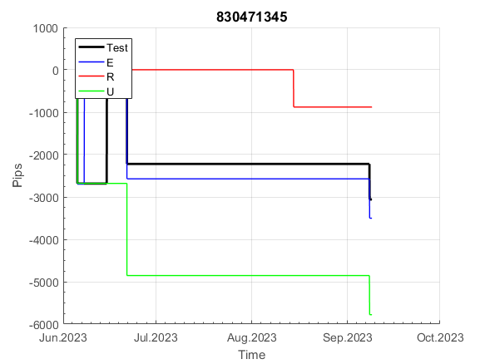
 |  |  |  |  |  |  |  |  |  |  |  |  |  |  |  |  |  |  |  |  |  |  |  | #DIV/0!
 |  |  |  |  |  |  |  |  |  |  |  |  |  |  |  |  |  |  |  |  |  |  |  | #DIV/0!
 |  |  |  |  |  |  |  |  |  |  |  |  |  |  |  |  |  |  |  |  |  |  |  | #DIV/0!
 |  |  |  |  |  |  |  |  |  |  |  |  |  |  |  |  |  |  |  |  |  |  |  | #DIV/0!

x60
INFO | SymPer | Pip/Y | Trd/Y | RF=MaxPrf/Y/DD | PF | DD/LastDD | iDD | MO/Spred | SD | MO/SD | iRF=MaxPrf/iDD | W/L*W% | = | RISK=PF*RF | Magic | Mod | HL | HLk | TR | TRk | IN | Ik | Del | BrkBck | Inv | D | Iprice | S | P | PM1 | PM2 | Tk | TS | Out | OTr | Oprc | OD | Oprf | Wknd | A | a | AtrLim | tk | T0 | T1 | tp | start | 37987 | 37991 | 2004-01-06 | 2004-01-07 | 2004-01-08 | 2004-01-12 | 2004-01-13 | 2004-01-14 | 2004-01-15 | 2004-01-19 | 2004-01-20 | 2004-01-21 | 2004-01-22 | 2004-01-26 | 2004-01-27 | 2004-01-28 | 2004-01-29 | 2004-02-02 | 2004-02-03 | 2004-02-04 | 2004-02-05 | 2004-02-09 | 2004-02-10 | 2004-02-11 | 2004-02-12 | 2004-02-16 | 2004-02-17 | 2004-02-18 | 2004-02-19 | 2004-02-23 | 2004-02-24 | 2004-02-25 | 2004-02-26 | 2004-03-01 | 2004-03-02 | 2004-03-03 | 2004-03-04 | 2004-03-08 | 2004-03-09 | 2004-03-10 | 2004-03-11 | 2004-03-15 | 2004-03-16 | 2004-03-17 | 2004-03-18 | 2004-03-22 | 2004-03-23 | 2004-03-24 | 2004-03-25 | 2004-03-29 | 2004-03-30 | 2004-03-31 | 2004-04-01 | 2004-04-05 | 2004-04-06 | 2004-04-07 | 2004-04-08 | 2004-04-12 | 2004-04-13 | 2004-04-14 | 2004-04-15 | 2004-04-19 | 2004-04-20 | 2004-04-21 | 2004-04-22 | 2004-04-26 | 2004-04-27 | 2004-04-28 | 2004-04-29 | 2004-05-03 | 2004-05-04 | 2004-05-05 | 2004-05-06 | 2004-05-10 | 2004-05-11 | 2004-05-12 | 2004-05-13 | 2004-05-17 | 2004-05-18 | 2004-05-19 | 2004-05-20 | 2004-05-24 | 2004-05-25 | 2004-05-26 | 2004-05-27 | 2004-05-31 | 2004-06-11 | 2004-06-14 | 2004-06-15 | 2004-06-16 | 2004-06-17 | 2004-06-18 | 2004-06-21 | 2004-06-22 | 2004-06-23 | 2004-06-24 | 2004-06-25 | 2004-06-28 | 2004-06-29 | 2004-06-30 | 2004-07-01 | 2004-07-02 | 2004-07-06 | 2004-07-07 | 2004-07-08 | 2004-07-09 | 2004-07-12 | 2004-07-13 | 2004-07-14 | 2004-07-15 | 2004-07-16 | 2004-07-19 | 2004-07-20 | 2004-07-21 | 2004-07-22 | 2004-07-23 | 2004-07-26 | 2004-07-27 | 2004-07-28 | 2004-07-29 | 2004-07-30 | 2004-08-02 | 2004-08-03 | 2004-08-04 | 2004-08-05 | 2004-08-06 | 2004-08-09 | 2004-08-10 | 2004-08-11 | 2004-08-12 | 2004-08-13 | 2004-08-16 | 2004-08-17 | 2004-08-18 | 2004-08-19 | 2004-08-20 | 2004-08-23 | 2004-08-24 | 2004-08-25 | 2004-08-26 | 2004-08-27 | 2004-08-30 | 2004-08-31 | 2004-09-01 | 2004-09-02 | 2004-09-03 | 2004-09-07 | 2004-09-08 | 2004-09-09 | 2004-09-10 | 2004-09-13 | 2004-09-14 | 2004-09-15 | 2004-09-16 | 2004-09-17 | 2004-09-20 | 2004-09-21 | 2004-09-22 | 2004-09-23 | 2004-09-24 | 2004-09-27 | 2004-09-28 | 2004-09-29 | 2004-09-30 | 2004-10-01 | 2004-10-04 | 2004-10-05 | 2004-10-06 | 2004-10-07 | 2004-10-08 | 2004-10-11 | 2004-10-12 | 2004-10-13 | 2004-10-14 | 2004-10-15 | 2004-10-18 | 2004-10-19 | 2004-10-20 | 2004-10-21 | 2004-10-22 | 2004-10-25 | 2004-10-26 | 2004-10-27 | 2004-10-28 | 2004-10-29 | 2004-11-01 | 2004-11-02 | 2004-11-03 | 2004-11-04 | 2004-11-05 | 2004-11-08 | 2004-11-09 | 2004-11-10 | 2004-11-11 | 2004-11-12 | 2004-11-15 | 2004-11-16 | 2004-11-17 | 2004-11-18 | 2004-11-19 | 2004-11-22 | 2004-11-23 | 2004-11-24 | 2004-11-26 | 2004-11-29 | 2004-11-30 | 2004-12-01
FA$T200.925 2006.01.03-2023.09.11, Sprd=100, StpLev=100, Swaps=-13.89, OPT-2010.01.04-2021.12.30 | XAUUSD60 | 312 | 13 | 0.53 | 1.66 | 615_311 | 1506 | 0.24 | 111 | 2.2 | 17 | 2.6*41 = | 108 | 0.9 | 100696801 | 2 | 1 | 4 | -8 | 4 | 8 | 1 | 2 | -5 | 0 | -5 | 1 | 3 | 7 | 0 | 0 | -4 | 0 | 0 | -1 | 3 | 3 | 0 | 0 | 15 | 5 | 0 | 0 | 0 | 7 | 3 |  | 0 | 0 | 0 | 0 | 0 | 0 | 0 | 0 | 0 | 0 | 0 | 0 | 0 | 0 | 0 | 0 | 0 | 0 | 0 | 0 | 0 | 0 | 0 | 0 | 0 | 0 | 0 | -32 | -32 | -32 | -32 | -32 | -32 | -32 | -32 | -32 | -32 | -32 | -32 | -32 | -32 | -32 | -32 | -32 | -25 | 16 | 76 | 88 | 179 | 179 | 179 | 179 | 179 | 179 | 146 | 146 | 146 | 146 | 146 | 146 | 146 | 146 | 146 | 146 | 146 | 146 | 146 | 146 | 146 | 146 | 146 | 146 | 146 | 146 | 146 | 146 | 146 | 146 | 146 | 146 | 146 | 146 | 146 | 146 | 88 | 88 | 88 | 48 | 33 | 33 | 33 | 33 | 33 | 33 | 33 | 33 | 33 | 33 | 33 | 33 | 33 | 33 | 33 | 33 | 33 | 33 | 33 | 33 | 29 | 29 | 29 | 29 | 29 | 29 | 29 | 29 | 29 | 29 | 29 | 29 | 29 | 29 | 29 | 29 | 29 | 29 | 29 | 29 | 29 | 29 | -18 | -18 | -18 | -18 | -18 | -18 | -18 | -18 | -18 | -18 | -53 | -90 | -90 | -90 | -90 | -148 | -148 | -148 | -148 | -148 | -148 | -148 | -148 | -148 | -198 | -248 | -248 | -248 | -248 | -248 | -248 | -248 | -248 | -248 | -248 | -248 | -248 | -248 | -248 | -267 | -206 | -194 | -194 | -205 | -138 | -37 | 15 | 15 | 15 | 15 | 15 | 15 | 15 | 15 | 15 | 15 | 15 | 15 | -1 | -31 | -31 | -31 | -31 | -31 | -31 | -31 | -31 | -31 | -31 | -31 | -31 | -31 | -31 | -31 | -66 | 2 | -51
FA$T200.925 2006.01.03-2023.09.11, Sprd=100, StpLev=100, Swaps=-13.89, OPT-2010.01.04-2021.12.30 | XAUUSD60 | 315 | 9 | 0.23 | 1.53 | 1376_0 | 2364 | 0.36 | 188 | 1.9 | 15 | 1.8*49 = | 87 | 0.3 | 1100805552 | 2 | 5 | 8 | 5 | 4 | 8 | 5 | 1 | 0 | 0 | 4 | 2 | 5 | 8 | -2 | 4 | 3 | 0 | 0 | 0 | 1 | 2 | -3 | 0 | 15 | 2 | 20 | 0 | 4 | 8 | 0 |  | 0 | -10 | 71 | 24 | 11 | 133 | 133 | 133 | 133 | 133 | 118 | 59 | 59 | -27 | -27 | -27 | -27 | -27 | -27 | -27 | -27 | -27 | -27 | -27 | -27 | -27 | 47 | -84 | -95 | -95 | -95 | -95 | -95 | -95 | -95 | -95 | -95 | -95 | -95 | -95 | -95 | -95 | -95 | -95 | -95 | -118 | -153 | -221 | -221 | -221 | -221 | -221 | -221 | -221 | -221 | -221 | -221 | -237 | -235 | -195 | -221 | -150 | -114 | -205 | -36 | -36 | -36 | -36 | -36 | -36 | -36 | -36 | -37 | -30 | 49 | 186 | 186 | 186 | 186 | 186 | 186 | 186 | 186 | 186 | 186 | 186 | 186 | 186 | 186 | 186 | 186 | 186 | 186 | 186 | 186 | 186 | 186 | 245 | 84 | 131 | 322 | 291 | 195 | 283 | 398 | 499 | 499 | 499 | 499 | 499 | 499 | 499 | 495 | 747 | 921 | 921 | 921 | 921 | 921 | 921 | 921 | 921 | 921 | 921 | 921 | 921 | 921 | 921 | 921 | 921 | 921 | 921 | 921 | 878 | 850 | 996 | 1066 | 1066 | 1066 | 1066 | 1066 | 1066 | 1066 | 1066 | 1066 | 1066 | 1066 | 1066 | 1066 | 1066 | 1066 | 1066 | 1066 | 1066 | 1066 | 1066 | 1066 | 1066 | 1066 | 1066 | 1066 | 1066 | 1066 | 1066 | 1066 | 1066 | 1066 | 1066 | 1066 | 1066 | 1066 | 1066 | 1045 | 980 | 980 | 978 | 982 | 1090 | 1136 | 1136 | 1136 | 1136 | 1136 | 1136 | 1136 | 1136 | 1136 | 1136 | 1136 | 1136 | 1136 | 1136 | 1136 | 1136 | 1136 | 1136 | 1136 | 1136 | 1115 | 1170 | 1141 | 1149 | 1133 | 1225 | 1225 | 1225 | 1225
FA$T200.925 2006.01.03-2023.09.11, Sprd=100, StpLev=100, Swaps=-13.89, OPT-2010.01.04-2021.12.30 | XAUUSD60 | 271 | 13 | 0.45 | 3.39 | 609_40 | 482 | 0.21 | 42 | 5 | 44 | 1.7*63 = | 111 | 1.5 | 1371274123 | 2 | 2 | 4 | -5 | 2 | 0 | 3 | 2 | 0 | 0 | -1 | 2 | -2 | 6 | -3 | 4 | 3 | 1 | 0 | -1 | 3 | 0 | -2 | 2 | 15 | 5 | 0 | 2 | 8 | 5 | 1 |  | 0 | 0 | 0 | 0 | 0 | 0 | 0 | 0 | 0 | 0 | 38 | 38 | 38 | 38 | 38 | 38 | 38 | 38 | 38 | 38 | 38 | 38 | 38 | 38 | 38 | 38 | 38 | 38 | 38 | 38 | 38 | 38 | 38 | 38 | 38 | 38 | 38 | 38 | 38 | 38 | 38 | 38 | 38 | 38 | 38 | 38 | 38 | 38 | 10 | 52 | 52 | 52 | 52 | 52 | 52 | 52 | 52 | 52 | 52 | 52 | 38 | 78 | 78 | 69 | 70 | 79 | 79 | 79 | 79 | 79 | 79 | 79 | 146 | 146 | 146 | 146 | 198 | 198 | 198 | 198 | 198 | 198 | 198 | 198 | 243 | 243 | 246 | 246 | 246 | 246 | 246 | 246 | 246 | 246 | 246 | 246 | 246 | 246 | 246 | 246 | 246 | 246 | 246 | 246 | 246 | 246 | 246 | 246 | 246 | 246 | 246 | 246 | 246 | 246 | 246 | 246 | 246 | 246 | 246 | 246 | 246 | 246 | 246 | 246 | 246 | 246 | 246 | 246 | 246 | 238 | 292 | 292 | 292 | 292 | 277 | 340 | 340 | 340 | 327 | 471 | 471 | 471 | 471 | 471 | 471 | 471 | 471 | 471 | 471 | 471 | 471 | 471 | 471 | 471 | 471 | 471 | 471 | 471 | 471 | 471 | 471 | 471 | 471 | 471 | 471 | 471 | 471 | 471 | 471 | 471 | 471 | 471 | 471 | 471 | 471 | 471 | 471 | 471 | 471 | 471 | 471 | 471 | 471 | 471 | 471 | 471 | 471 | 471 | 471 | 471 | 471 | 471 | 471 | 471 | 435 | 440 | 451 | 451 | 451 | 451 | 451 | 451 | 451 | 451 | 451 | 451 | 451
FA$T200.925 2006.01.03-2023.09.11, Sprd=100, StpLev=100, Swaps=-13.89, OPT-2010.01.04-2021.12.30 | XAUUSD60 | 307 | 8 | 0.36 | 1.88 | 849_0 | 1293 | 0.39 | 130 | 3 | 30 | 0.7*75 = | 54 | 0.7 | 218891067 | 2 | 2 | 2 | 2 | 9 | 7 | 6 | 1 | 0 | 0 | 1 | 1 | -4 | -2 | -1 | 3 | -4 | 0 | 0 | 0 | 1 | 0 | 1 | 0 | 15 | 5 | 30 | 0 | 1 | 6 | 3 |  | 0 | 0 | 0 | 0 | 0 | 0 | 0 | 0 | 0 | -10 | 13 | 13 | 13 | 13 | 13 | 13 | 13 | 13 | 13 | 13 | 13 | 13 | 13 | 13 | 13 | 13 | 13 | 13 | 13 | 13 | 13 | 13 | 13 | 13 | 13 | 13 | 13 | 13 | 13 | 13 | 13 | 13 | 13 | 0 | -14 | 28 | 104 | 104 | 104 | 104 | 104 | 104 | 104 | 104 | 104 | 104 | 104 | 104 | 104 | 104 | 104 | 104 | 104 | 104 | 104 | 104 | 104 | 104 | 104 | 104 | 104 | 104 | 104 | 104 | 104 | 40 | -99 | -145 | -90 | -158 | -158 | -186 | -186 | -186 | -186 | -186 | -186 | -186 | -186 | -186 | -186 | -186 | -186 | -186 | -186 | -186 | -207 | -176 | -337 | -290 | -100 | -130 | -226 | -138 | -24 | 76 | 76 | 76 | 76 | 76 | 76 | 76 | 76 | 76 | 76 | 76 | 76 | 76 | 76 | 76 | 76 | 76 | 76 | 76 | 73 | 60 | 110 | 110 | 110 | 110 | 110 | 110 | 110 | 110 | 110 | 110 | 110 | 110 | 110 | 110 | 110 | 110 | 110 | 110 | 110 | 110 | 110 | 110 | 110 | 110 | 110 | 110 | 110 | 110 | 110 | 110 | 110 | 110 | 110 | 110 | 110 | 110 | 110 | 110 | 110 | 110 | 110 | 110 | 110 | 110 | 110 | 110 | 110 | 110 | 110 | 110 | 110 | 110 | 110 | 110 | 110 | 110 | 110 | 110 | 110 | 110 | 110 | 110 | 110 | 110 | 110 | 110 | 110 | 110 | 110 | 110 | 110 | 110 | 110 | 110 | 110 | 110 | 110 | 110 | 110 | 110 | 110
FA$T200.925 2006.01.03-2023.09.11, Sprd=100, StpLev=100, Swaps=-13.89, OPT-2010.01.04-2021.12.30 | XAUUSD60 | 296 | 7 | 0.53 | 2.42 | 584_227 | 848 | 0.4 | 97 | 4.1 | 49 | 1.5*64 = | 97 | 1.3 | 870843266 | 2 | 6 | 5 | 1 | 9 | 1 | 5 | 1 | 1 | 0 | 5 | 2 | -1 | -2 | 0 | 2 | 4 | 0 | 0 | 0 | 1 | 1 | -1 | 0 | 15 | 5 | 20 | 0 | 7 | 7 | 0 |  | 0 | 0 | 0 | 0 | 0 | 0 | 0 | 0 | 0 | -2 | 13 | 13 | 13 | 13 | 13 | 13 | 13 | 13 | 13 | 13 | 13 | 13 | 13 | 13 | 13 | 13 | 124 | 124 | 124 | 124 | 124 | 124 | 124 | 124 | 124 | 124 | 124 | 124 | 124 | 124 | 124 | 124 | 124 | 124 | 124 | 124 | 77 | 77 | 77 | 77 | 77 | 77 | 77 | 77 | 77 | 77 | 77 | 77 | 77 | 77 | 77 | 77 | 124 | 124 | 124 | 124 | 124 | 124 | 124 | 124 | 124 | 124 | 124 | 124 | 124 | -31 | -31 | -31 | -31 | -31 | -31 | -31 | -31 | -31 | -31 | -31 | -31 | -31 | -31 | -31 | -31 | -31 | -31 | -31 | -31 | -31 | -31 | -31 | -31 | -31 | -31 | -31 | -31 | -31 | -31 | -31 | -31 | -31 | -31 | -31 | -31 | -31 | -31 | -31 | -31 | -31 | -31 | -31 | -31 | -31 | -31 | -31 | -31 | -31 | -31 | -31 | -31 | -31 | -31 | -31 | -31 | -31 | -31 | -31 | -31 | -31 | -31 | -31 | -31 | -31 | -31 | -31 | -31 | -31 | -31 | -31 | -31 | -31 | -31 | -31 | -31 | -31 | -31 | -31 | -31 | -31 | -31 | -31 | -31 | -31 | -31 | -31 | -31 | -31 | -31 | -31 | -31 | -31 | -31 | -31 | -31 | -31 | -31 | -31 | -31 | -31 | -31 | -31 | -31 | -31 | -31 | -31 | -31 | -31 | -31 | -31 | -31 | -31 | -31 | -31 | -31 | -31 | -31 | -31 | -31 | -31 | -31 | -31 | -31 | -31 | -31 | -31 | -31 | -31 | -31 | -31 | -31
 | 100696801 | 1100805552 | 1371274123 | 218891067
 | 0 | 133 | 0 | -10
 | 0 | 118 | 38 | 13
 | 0 | 59 | 38 | 13
 | 0 | 59 | 38 | 13
 | 0 | -27 | 38 | 13
 | 0 | -27 | 38 | 13
 | 0 | -27 | 38 | 13
 | 0 | -27 | 38 | 13
 | 0 | -27 | 38 | 13
 | 0 | -27 | 38 | 13
 | 0 | -27 | 38 | 13
 | 0 | -27 | 38 | 13
 | 0 | -27 | 38 | 13
 | 0 | -27 | 38 | 13
 | 0 | -27 | 38 | 13
 | 0 | -27 | 38 | 13
 | 0 | -27 | 38 | 13
 | 0 | 47 | 38 | 13
 | -32 | -84 | 38 | 13
 | -32 | -95 | 38 | 13
 | -32 | -95 | 38 | 13
 | -32 | -95 | 38 | 13
 | -32 | -95 | 38 | 13
 | -32 | -95 | 38 | 13
 | -32 | -95 | 38 | 13
 | -32 | -95 | 38 | 13
 | -32 | -95 | 38 | 13
 | -32 | -95 | 38 | 13
 | -32 | -95 | 38 | 13
 | -32 | -95 | 38 | 13
 | -32 | -95 | 38 | 13
 | -32 | -95 | 38 | 13
 | -32 | -95 | 38 | 13
 | -32 | -95 | 38 | 13
 | -32 | -95 | 38 | 0
 | -25 | -95 | 38 | -14
 | 16 | -118 | 38 | 28
 | 76 | -153 | 38 | 104
 | 88 | -221 | 38 | 104
 | 179 | -221 | 10 | 104
 | 179 | -221 | 52 | 104
 | 179 | -221 | 52 | 104
 | 179 | -221 | 52 | 104
 | 179 | -221 | 52 | 104
 | 179 | -221 | 52 | 104
 | 146 | -221 | 52 | 104
 | 146 | -221 | 52 | 104
 | 146 | -221 | 52 | 104
 | 146 | -237 | 52 | 104
 | 146 | -235 | 52 | 104
...
 |  |  |  |  |  |  |  |  |  |  |  |  |  |  |  |  |  |  |  |  |  |  |  | 0.84703247532
 |  |  |  |  |  |  |  |  |  |  |  |  |  |  |  |  |  |  |  |  |  |  |  | 0.89100743503
 |  |  |  |  |  |  |  |  |  |  |  |  |  |  |  |  |  |  |  |  |  |  |  | 0.96886778885
 |  |  |  |  |  |  |  |  |  |  |  |  |  |  |  |  |  |  |  |  |  |  |  | 0.97563672425

100
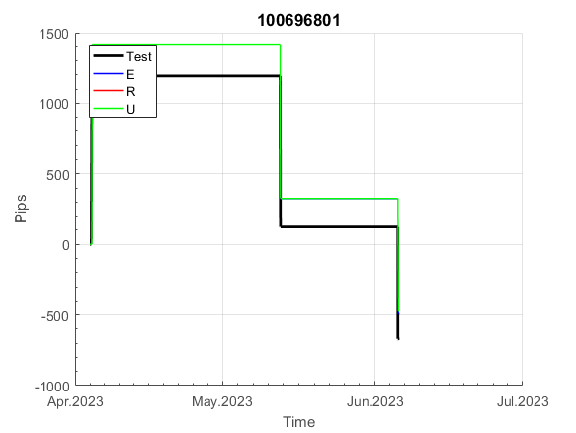
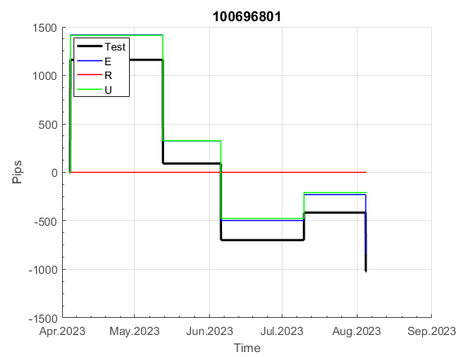
INFO | SymPer | Pip/Y | Trd/Y | RF=MaxPrf/Y/DD | PF | DD/LastDD | iDD | MO/Spred | SD | MO/SD | iRF=MaxPrf/iDD | W/L*W% | = | RISK=PF*RF | Magic | Mod | HL | HLk | TR | TRk | IN | Ik | Del | BrkBck | Inv | D | Iprice | S | P | PM1 | PM2 | Tk | TS | Out | OTr | Oprc | OD | Oprf | Wknd | A | a | AtrLim | tk | T0 | T1 | tp | start | 37987 | 37991 | 2004-01-06 | 2004-01-07 | 2004-01-08 | 2004-01-12 | 2004-01-13 | 2004-01-14 | 2004-01-15 | 2004-01-19 | 2004-01-20 | 2004-01-21 | 2004-01-22 | 2004-01-26 | 2004-01-27 | 2004-01-28 | 2004-01-29 | 2004-02-02 | 2004-02-03 | 2004-02-04 | 2004-02-05 | 2004-02-09 | 2004-02-10 | 2004-02-11 | 2004-02-12 | 2004-02-16 | 2004-02-17 | 2004-02-18 | 2004-02-19 | 2004-02-23 | 2004-02-24 | 2004-02-25 | 2004-02-26 | 2004-03-01 | 2004-03-02 | 2004-03-03 | 2004-03-04 | 2004-03-08 | 2004-03-09 | 2004-03-10 | 2004-03-11 | 2004-03-15 | 2004-03-16 | 2004-03-17 | 2004-03-18 | 2004-03-22 | 2004-03-23 | 2004-03-24 | 2004-03-25 | 2004-03-29 | 2004-03-30 | 2004-03-31 | 2004-04-01 | 2004-04-05 | 2004-04-06 | 2004-04-07 | 2004-04-08 | 2004-04-12 | 2004-04-13 | 2004-04-14 | 2004-04-15 | 2004-04-19 | 2004-04-20 | 2004-04-21 | 2004-04-22 | 2004-04-26 | 2004-04-27 | 2004-04-28 | 2004-04-29 | 2004-05-03 | 2004-05-04 | 2004-05-05 | 2004-05-06 | 2004-05-10 | 2004-05-11 | 2004-05-12 | 2004-05-13 | 2004-05-17 | 2004-05-18 | 2004-05-19 | 2004-05-20 | 2004-05-24 | 2004-05-25 | 2004-05-26 | 2004-05-27 | 2004-05-31 | 2004-06-11 | 2004-06-14 | 2004-06-15 | 2004-06-16 | 2004-06-17 | 2004-06-18 | 2004-06-21 | 2004-06-22 | 2004-06-23 | 2004-06-24 | 2004-06-25 | 2004-06-28 | 2004-06-29 | 2004-06-30 | 2004-07-01 | 2004-07-02 | 2004-07-06 | 2004-07-07 | 2004-07-08 | 2004-07-09 | 2004-07-12 | 2004-07-13 | 2004-07-14 | 2004-07-15 | 2004-07-16 | 2004-07-19 | 2004-07-20 | 2004-07-21 | 2004-07-22 | 2004-07-23 | 2004-07-26 | 2004-07-27 | 2004-07-28 | 2004-07-29 | 2004-07-30 | 2004-08-02 | 2004-08-03 | 2004-08-04 | 2004-08-05 | 2004-08-06 | 2004-08-09 | 2004-08-10 | 2004-08-11 | 2004-08-12 | 2004-08-13 | 2004-08-16 | 2004-08-17 | 2004-08-18 | 2004-08-19 | 2004-08-20 | 2004-08-23 | 2004-08-24 | 2004-08-25 | 2004-08-26 | 2004-08-27 | 2004-08-30 | 2004-08-31 | 2004-09-01 | 2004-09-02 | 2004-09-03 | 2004-09-07 | 2004-09-08 | 2004-09-09 | 2004-09-10 | 2004-09-13 | 2004-09-14 | 2004-09-15 | 2004-09-16 | 2004-09-17 | 2004-09-20 | 2004-09-21 | 2004-09-22 | 2004-09-23 | 2004-09-24 | 2004-09-27 | 2004-09-28 | 2004-09-29 | 2004-09-30 | 2004-10-01 | 2004-10-04 | 2004-10-05 | 2004-10-06 | 2004-10-07 | 2004-10-08 | 2004-10-11 | 2004-10-12 | 2004-10-13 | 2004-10-14 | 2004-10-15 | 2004-10-18 | 2004-10-19 | 2004-10-20 | 2004-10-21 | 2004-10-22 | 2004-10-25 | 2004-10-26 | 2004-10-27 | 2004-10-28 | 2004-10-29 | 2004-11-01 | 2004-11-02 | 2004-11-03 | 2004-11-04 | 2004-11-05 | 2004-11-08 | 2004-11-09 | 2004-11-10 | 2004-11-11 | 2004-11-12 | 2004-11-15 | 2004-11-16 | 2004-11-17 | 2004-11-18 | 2004-11-19 | 2004-11-22 | 2004-11-23 | 2004-11-24 | 2004-11-26 | 2004-11-29 | 2004-11-30 | 2004-12-01
FA$T200.925 2006.01.03-2023.09.11, Sprd=100, StpLev=100, Swaps=-13.89, OPT-2010.01.04-2021.12.30 | XAUUSD60 | 312 | 13 | 0.53 | 1.66 | 615_311 | 1506 | 0.24 | 111 | 2.2 | 17 | 2.6*41 = | 108 | 0.9 | 100696801 | 2 | 1 | 4 | -8 | 4 | 8 | 1 | 2 | -5 | 0 | -5 | 1 | 3 | 7 | 0 | 0 | -4 | 0 | 0 | -1 | 3 | 3 | 0 | 0 | 15 | 5 | 0 | 0 | 0 | 7 | 3 |  | 0 | 0 | 0 | 0 | 0 | 0 | 0 | 0 | 0 | 0 | 0 | 0 | 0 | 0 | 0 | 0 | 0 | 0 | 0 | 0 | 0 | 0 | 0 | 0 | 0 | 0 | 0 | -32 | -32 | -32 | -32 | -32 | -32 | -32 | -32 | -32 | -32 | -32 | -32 | -32 | -32 | -32 | -32 | -32 | -25 | 16 | 76 | 88 | 179 | 179 | 179 | 179 | 179 | 179 | 146 | 146 | 146 | 146 | 146 | 146 | 146 | 146 | 146 | 146 | 146 | 146 | 146 | 146 | 146 | 146 | 146 | 146 | 146 | 146 | 146 | 146 | 146 | 146 | 146 | 146 | 146 | 146 | 146 | 146 | 88 | 88 | 88 | 48 | 33 | 33 | 33 | 33 | 33 | 33 | 33 | 33 | 33 | 33 | 33 | 33 | 33 | 33 | 33 | 33 | 33 | 33 | 33 | 33 | 29 | 29 | 29 | 29 | 29 | 29 | 29 | 29 | 29 | 29 | 29 | 29 | 29 | 29 | 29 | 29 | 29 | 29 | 29 | 29 | 29 | 29 | -18 | -18 | -18 | -18 | -18 | -18 | -18 | -18 | -18 | -18 | -53 | -90 | -90 | -90 | -90 | -148 | -148 | -148 | -148 | -148 | -148 | -148 | -148 | -148 | -198 | -248 | -248 | -248 | -248 | -248 | -248 | -248 | -248 | -248 | -248 | -248 | -248 | -248 | -248 | -267 | -206 | -194 | -194 | -205 | -138 | -37 | 15 | 15 | 15 | 15 | 15 | 15 | 15 | 15 | 15 | 15 | 15 | 15 | -1 | -31 | -31 | -31 | -31 | -31 | -31 | -31 | -31 | -31 | -31 | -31 | -31 | -31 | -31 | -31 | -66 | 2 | -51

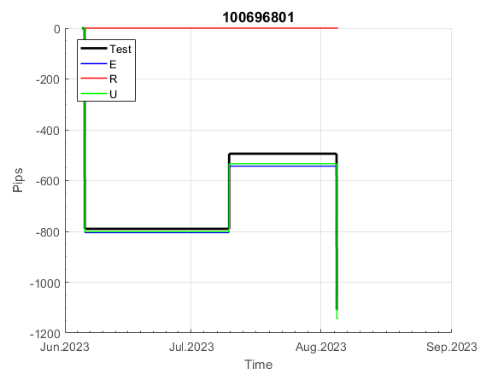
 |  |  |  |  |  |  |  |  |  |  |  |  |  |  |  |  |  |  |  |  |  |  |  | #DIV/0!
 |  |  |  |  |  |  |  |  |  |  |  |  |  |  |  |  |  |  |  |  |  |  |  | #DIV/0!
 |  |  |  |  |  |  |  |  |  |  |  |  |  |  |  |  |  |  |  |  |  |  |  | #DIV/0!
 |  |  |  |  |  |  |  |  |  |  |  |  |  |  |  |  |  |  |  |  |  |  |  | #DIV/0!

110
INFO | SymPer | Pip/Y | Trd/Y | RF=MaxPrf/Y/DD | PF | DD/LastDD | iDD | MO/Spred | SD | MO/SD | iRF=MaxPrf/iDD | W/L*W% | = | RISK=PF*RF | Magic | Mod | HL | HLk | TR | TRk | IN | Ik | Del | BrkBck | Inv | D | Iprice | S | P | PM1 | PM2 | Tk | TS | Out | OTr | Oprc | OD | Oprf | Wknd | A | a | AtrLim | tk | T0 | T1 | tp | start | 37987 | 37991 | 2004-01-06 | 2004-01-07 | 2004-01-08 | 2004-01-12 | 2004-01-13 | 2004-01-14 | 2004-01-15 | 2004-01-19 | 2004-01-20 | 2004-01-21 | 2004-01-22 | 2004-01-26 | 2004-01-27 | 2004-01-28 | 2004-01-29 | 2004-02-02 | 2004-02-03 | 2004-02-04 | 2004-02-05 | 2004-02-09 | 2004-02-10 | 2004-02-11 | 2004-02-12 | 2004-02-16 | 2004-02-17 | 2004-02-18 | 2004-02-19 | 2004-02-23 | 2004-02-24 | 2004-02-25 | 2004-02-26 | 2004-03-01 | 2004-03-02 | 2004-03-03 | 2004-03-04 | 2004-03-08 | 2004-03-09 | 2004-03-10 | 2004-03-11 | 2004-03-15 | 2004-03-16 | 2004-03-17 | 2004-03-18 | 2004-03-22 | 2004-03-23 | 2004-03-24 | 2004-03-25 | 2004-03-29 | 2004-03-30 | 2004-03-31 | 2004-04-01 | 2004-04-05 | 2004-04-06 | 2004-04-07 | 2004-04-08 | 2004-04-12 | 2004-04-13 | 2004-04-14 | 2004-04-15 | 2004-04-19 | 2004-04-20 | 2004-04-21 | 2004-04-22 | 2004-04-26 | 2004-04-27 | 2004-04-28 | 2004-04-29 | 2004-05-03 | 2004-05-04 | 2004-05-05 | 2004-05-06 | 2004-05-10 | 2004-05-11 | 2004-05-12 | 2004-05-13 | 2004-05-17 | 2004-05-18 | 2004-05-19 | 2004-05-20 | 2004-05-24 | 2004-05-25 | 2004-05-26 | 2004-05-27 | 2004-05-31 | 2004-06-11 | 2004-06-14 | 2004-06-15 | 2004-06-16 | 2004-06-17 | 2004-06-18 | 2004-06-21 | 2004-06-22 | 2004-06-23 | 2004-06-24 | 2004-06-25 | 2004-06-28 | 2004-06-29 | 2004-06-30 | 2004-07-01 | 2004-07-02 | 2004-07-06 | 2004-07-07 | 2004-07-08 | 2004-07-09 | 2004-07-12 | 2004-07-13 | 2004-07-14 | 2004-07-15 | 2004-07-16 | 2004-07-19 | 2004-07-20 | 2004-07-21 | 2004-07-22 | 2004-07-23 | 2004-07-26 | 2004-07-27 | 2004-07-28 | 2004-07-29 | 2004-07-30 | 2004-08-02 | 2004-08-03 | 2004-08-04 | 2004-08-05 | 2004-08-06 | 2004-08-09 | 2004-08-10 | 2004-08-11 | 2004-08-12 | 2004-08-13 | 2004-08-16 | 2004-08-17 | 2004-08-18 | 2004-08-19 | 2004-08-20 | 2004-08-23 | 2004-08-24 | 2004-08-25 | 2004-08-26 | 2004-08-27 | 2004-08-30 | 2004-08-31 | 2004-09-01 | 2004-09-02 | 2004-09-03 | 2004-09-07 | 2004-09-08 | 2004-09-09 | 2004-09-10 | 2004-09-13 | 2004-09-14 | 2004-09-15 | 2004-09-16 | 2004-09-17 | 2004-09-20 | 2004-09-21 | 2004-09-22 | 2004-09-23 | 2004-09-24 | 2004-09-27 | 2004-09-28 | 2004-09-29 | 2004-09-30 | 2004-10-01 | 2004-10-04 | 2004-10-05 | 2004-10-06 | 2004-10-07 | 2004-10-08 | 2004-10-11 | 2004-10-12 | 2004-10-13 | 2004-10-14 | 2004-10-15 | 2004-10-18 | 2004-10-19 | 2004-10-20 | 2004-10-21 | 2004-10-22 | 2004-10-25 | 2004-10-26 | 2004-10-27 | 2004-10-28 | 2004-10-29 | 2004-11-01 | 2004-11-02 | 2004-11-03 | 2004-11-04 | 2004-11-05 | 2004-11-08 | 2004-11-09 | 2004-11-10 | 2004-11-11 | 2004-11-12 | 2004-11-15 | 2004-11-16 | 2004-11-17 | 2004-11-18 | 2004-11-19 | 2004-11-22 | 2004-11-23 | 2004-11-24 | 2004-11-26 | 2004-11-29 | 2004-11-30 | 2004-12-01
FA$T200.925 2006.01.03-2023.09.11, Sprd=100, StpLev=100, Swaps=-13.89, OPT-2010.01.04-2021.12.30 | XAUUSD60 | 315 | 9 | 0.23 | 1.53 | 1376_0 | 2364 | 0.36 | 188 | 1.9 | 15 | 1.8*49 = | 87 | 0.3 | 1100805552 | 2 | 5 | 8 | 5 | 4 | 8 | 5 | 1 | 0 | 0 | 4 | 2 | 5 | 8 | -2 | 4 | 3 | 0 | 0 | 0 | 1 | 2 | -3 | 0 | 15 | 2 | 20 | 0 | 4 | 8 | 0 |  | 0 | -10 | 71 | 24 | 11 | 133 | 133 | 133 | 133 | 133 | 118 | 59 | 59 | -27 | -27 | -27 | -27 | -27 | -27 | -27 | -27 | -27 | -27 | -27 | -27 | -27 | 47 | -84 | -95 | -95 | -95 | -95 | -95 | -95 | -95 | -95 | -95 | -95 | -95 | -95 | -95 | -95 | -95 | -95 | -95 | -118 | -153 | -221 | -221 | -221 | -221 | -221 | -221 | -221 | -221 | -221 | -221 | -237 | -235 | -195 | -221 | -150 | -114 | -205 | -36 | -36 | -36 | -36 | -36 | -36 | -36 | -36 | -37 | -30 | 49 | 186 | 186 | 186 | 186 | 186 | 186 | 186 | 186 | 186 | 186 | 186 | 186 | 186 | 186 | 186 | 186 | 186 | 186 | 186 | 186 | 186 | 186 | 245 | 84 | 131 | 322 | 291 | 195 | 283 | 398 | 499 | 499 | 499 | 499 | 499 | 499 | 499 | 495 | 747 | 921 | 921 | 921 | 921 | 921 | 921 | 921 | 921 | 921 | 921 | 921 | 921 | 921 | 921 | 921 | 921 | 921 | 921 | 921 | 878 | 850 | 996 | 1066 | 1066 | 1066 | 1066 | 1066 | 1066 | 1066 | 1066 | 1066 | 1066 | 1066 | 1066 | 1066 | 1066 | 1066 | 1066 | 1066 | 1066 | 1066 | 1066 | 1066 | 1066 | 1066 | 1066 | 1066 | 1066 | 1066 | 1066 | 1066 | 1066 | 1066 | 1066 | 1066 | 1066 | 1066 | 1066 | 1045 | 980 | 980 | 978 | 982 | 1090 | 1136 | 1136 | 1136 | 1136 | 1136 | 1136 | 1136 | 1136 | 1136 | 1136 | 1136 | 1136 | 1136 | 1136 | 1136 | 1136 | 1136 | 1136 | 1136 | 1136 | 1115 | 1170 | 1141 | 1149 | 1133 | 1225 | 1225 | 1225 | 1225

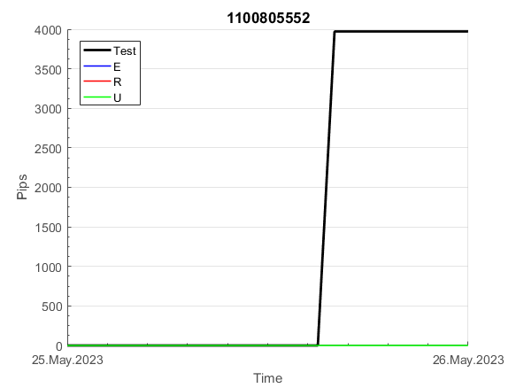
 |  |  |  |  |  |  |  |  |  |  |  |  |  |  |  |  |  |  |  |  |  |  |  | #DIV/0!
 |  |  |  |  |  |  |  |  |  |  |  |  |  |  |  |  |  |  |  |  |  |  |  | #DIV/0!
 |  |  |  |  |  |  |  |  |  |  |  |  |  |  |  |  |  |  |  |  |  |  |  | #DIV/0!
 |  |  |  |  |  |  |  |  |  |  |  |  |  |  |  |  |  |  |  |  |  |  |  | #DIV/0!

121
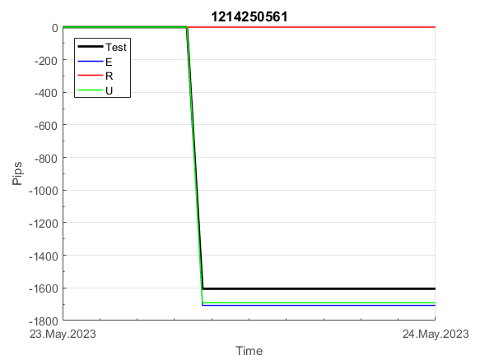
INFO | SymPer | Pip/Y | Trd/Y | RF=MaxPrf/Y/DD | PF | DD/LastDD | iDD | MO/Spred | SD | MO/SD | iRF=MaxPrf/iDD | W/L*W% | = | RISK=PF*RF | Magic | Mod | HL | HLk | TR | TRk | IN | Ik | Del | BrkBck | Inv | D | Iprice | S | P | PM1 | PM2 | Tk | TS | Out | OTr | Oprc | OD | Oprf | Wknd | A | a | AtrLim | tk | T0 | T1 | tp | start | 37987 | 37991 | 2004-01-06 | 2004-01-07 | 2004-01-08 | 2004-01-12 | 2004-01-13 | 2004-01-14 | 2004-01-15 | 2004-01-19 | 2004-01-20 | 2004-01-21 | 2004-01-22 | 2004-01-26 | 2004-01-27 | 2004-01-28 | 2004-01-29 | 2004-02-02 | 2004-02-03 | 2004-02-04 | 2004-02-05 | 2004-02-09 | 2004-02-10 | 2004-02-11 | 2004-02-12 | 2004-02-16 | 2004-02-17 | 2004-02-18 | 2004-02-19 | 2004-02-23 | 2004-02-24 | 2004-02-25 | 2004-02-26 | 2004-03-01 | 2004-03-02 | 2004-03-03 | 2004-03-04 | 2004-03-08 | 2004-03-09 | 2004-03-10 | 2004-03-11 | 2004-03-15 | 2004-03-16 | 2004-03-17 | 2004-03-18 | 2004-03-22 | 2004-03-23 | 2004-03-24 | 2004-03-25 | 2004-03-29 | 2004-03-30 | 2004-03-31 | 2004-04-01 | 2004-04-05 | 2004-04-06 | 2004-04-07 | 2004-04-08 | 2004-04-12 | 2004-04-13 | 2004-04-14 | 2004-04-15 | 2004-04-19 | 2004-04-20 | 2004-04-21 | 2004-04-22 | 2004-04-26 | 2004-04-27 | 2004-04-28 | 2004-04-29 | 2004-05-03 | 2004-05-04 | 2004-05-05 | 2004-05-06 | 2004-05-10 | 2004-05-11 | 2004-05-12 | 2004-05-13 | 2004-05-17 | 2004-05-18 | 2004-05-19 | 2004-05-20 | 2004-05-24 | 2004-05-25 | 2004-05-26 | 2004-05-27 | 2004-05-31 | 2004-06-11 | 2004-06-14 | 2004-06-15 | 2004-06-16 | 2004-06-17 | 2004-06-18 | 2004-06-21 | 2004-06-22 | 2004-06-23 | 2004-06-24 | 2004-06-25 | 2004-06-28 | 2004-06-29 | 2004-06-30 | 2004-07-01 | 2004-07-02 | 2004-07-06 | 2004-07-07 | 2004-07-08 | 2004-07-09 | 2004-07-12 | 2004-07-13 | 2004-07-14 | 2004-07-15 | 2004-07-16 | 2004-07-19 | 2004-07-20 | 2004-07-21 | 2004-07-22 | 2004-07-23 | 2004-07-26 | 2004-07-27 | 2004-07-28 | 2004-07-29 | 2004-07-30 | 2004-08-02 | 2004-08-03 | 2004-08-04 | 2004-08-05 | 2004-08-06 | 2004-08-09 | 2004-08-10 | 2004-08-11 | 2004-08-12 | 2004-08-13 | 2004-08-16 | 2004-08-17 | 2004-08-18 | 2004-08-19 | 2004-08-20 | 2004-08-23 | 2004-08-24 | 2004-08-25 | 2004-08-26 | 2004-08-27 | 2004-08-30 | 2004-08-31 | 2004-09-01 | 2004-09-02 | 2004-09-03 | 2004-09-07 | 2004-09-08 | 2004-09-09 | 2004-09-10 | 2004-09-13 | 2004-09-14 | 2004-09-15 | 2004-09-16 | 2004-09-17 | 2004-09-20 | 2004-09-21 | 2004-09-22 | 2004-09-23 | 2004-09-24 | 2004-09-27 | 2004-09-28 | 2004-09-29 | 2004-09-30 | 2004-10-01 | 2004-10-04 | 2004-10-05 | 2004-10-06 | 2004-10-07 | 2004-10-08 | 2004-10-11 | 2004-10-12 | 2004-10-13 | 2004-10-14 | 2004-10-15 | 2004-10-18 | 2004-10-19 | 2004-10-20 | 2004-10-21 | 2004-10-22 | 2004-10-25 | 2004-10-26 | 2004-10-27 | 2004-10-28 | 2004-10-29 | 2004-11-01 | 2004-11-02 | 2004-11-03 | 2004-11-04 | 2004-11-05 | 2004-11-08 | 2004-11-09 | 2004-11-10 | 2004-11-11 | 2004-11-12 | 2004-11-15 | 2004-11-16 | 2004-11-17 | 2004-11-18 | 2004-11-19 | 2004-11-22 | 2004-11-23 | 2004-11-24 | 2004-11-26 | 2004-11-29 | 2004-11-30 | 2004-12-01
FA$T200.925 2006.01.03-2023.09.11, Sprd=100, StpLev=100, Swaps=-13.89, OPT-2009.01.02-2022.01.31 | XAUUSD60 | 881 | 17 | 0.54 | 1.57 | 1657_163 | 3291 | 0.52 | 249 | 2.1 | 16 | 1.5*54 = | 82 | 0.8 | 1214250561 | 2 | 4 | 4 | 3 | 1 | 8 | 6 | 1 | -1 | 0 | 2 | 3 | 4 | 5 | 0 | 0 | -4 | 0 | 0 | 0 | 2 | 3 | 3 | 0 | 15 | 5 | 20 | 0 | 3 | 8 | 1 |  | 0 | 0 | 0 | -4 | -92 | -92 | -132 | -164 | -164 | -164 | -164 | -196 | -248 | -248 | -305 | -301 | -324 | -324 | -324 | -324 | -324 | -324 | -324 | -324 | -324 | -324 | -381 | -488 | -488 | -488 | -488 | -488 | -488 | -488 | -488 | -488 | -488 | -488 | -488 | -488 | -488 | -488 | -488 | -488 | -488 | -488 | -488 | -488 | -509 | -502 | -423 | -423 | -423 | -423 | -423 | -423 | -423 | -423 | -423 | -423 | -423 | -423 | -500 | -507 | -480 | -513 | -463 | -416 | -416 | -416 | -416 | -416 | -416 | -416 | -416 | -563 | -563 | -689 | -691 | -601 | -590 | -569 | -386 | -369 | -249 | -249 | -249 | -249 | -249 | -249 | -249 | -249 | -310 | -262 | -429 | -429 | -429 | -429 | -429 | -429 | -429 | -429 | -429 | -429 | -429 | -429 | -429 | -429 | -429 | -429 | -429 | -429 | -429 | -452 | -448 | -522 | -469 | -439 | -576 | -609 | -609 | -609 | -609 | -609 | -609 | -609 | -609 | -609 | -609 | -609 | -609 | -609 | -609 | -609 | -645 | -493 | -647 | -668 | -465 | -455 | -540 | -707 | -602 | -603 | -519 | -467 | -449 | -458 | -307 | -223 | -223 | -223 | -223 | -223 | -223 | -223 | -223 | -223 | -223 | -223 | -223 | -223 | -223 | -223 | -223 | -223 | -223 | -223 | -223 | -223 | -223 | -223 | -223 | -223 | -223 | -244 | -247 | -160 | -178 | -228 | -317 | -317 | -317 | -317 | -317 | -317 | -317 | -317 | -317 | -378 | -480 | -480 | -480 | -480 | -515 | -542 | -546 | -541 | -489 | -373 | -373 | -373 | -373 | -373 | -373 | -373 | -373

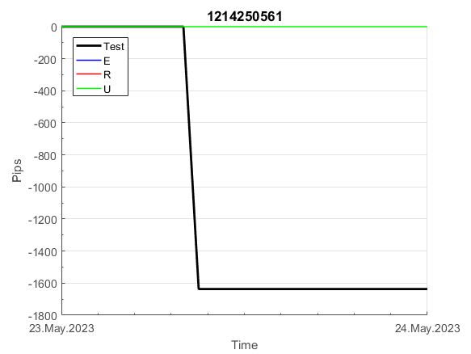
 |  |  |  |  |  |  |  |  |  |  |  |  |  |  |  |  |  |  |  |  |  |  |  | #DIV/0!
 |  |  |  |  |  |  |  |  |  |  |  |  |  |  |  |  |  |  |  |  |  |  |  | #DIV/0!
 |  |  |  |  |  |  |  |  |  |  |  |  |  |  |  |  |  |  |  |  |  |  |  | #DIV/0!
 |  |  |  |  |  |  |  |  |  |  |  |  |  |  |  |  |  |  |  |  |  |  |  | #DIV/0!

137
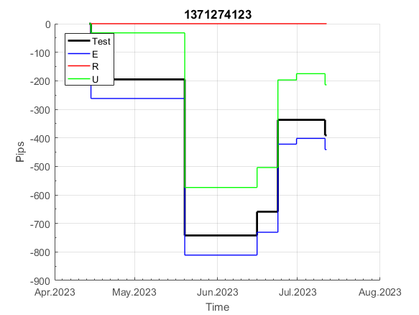
INFO | SymPer | Pip/Y | Trd/Y | RF=MaxPrf/Y/DD | PF | DD/LastDD | iDD | MO/Spred | SD | MO/SD | iRF=MaxPrf/iDD | W/L*W% | = | RISK=PF*RF | Magic | Mod | HL | HLk | TR | TRk | IN | Ik | Del | BrkBck | Inv | D | Iprice | S | P | PM1 | PM2 | Tk | TS | Out | OTr | Oprc | OD | Oprf | Wknd | A | a | AtrLim | tk | T0 | T1 | tp | start | 37987 | 37991 | 2004-01-06 | 2004-01-07 | 2004-01-08 | 2004-01-12 | 2004-01-13 | 2004-01-14 | 2004-01-15 | 2004-01-19 | 2004-01-20 | 2004-01-21 | 2004-01-22 | 2004-01-26 | 2004-01-27 | 2004-01-28 | 2004-01-29 | 2004-02-02 | 2004-02-03 | 2004-02-04 | 2004-02-05 | 2004-02-09 | 2004-02-10 | 2004-02-11 | 2004-02-12 | 2004-02-16 | 2004-02-17 | 2004-02-18 | 2004-02-19 | 2004-02-23 | 2004-02-24 | 2004-02-25 | 2004-02-26 | 2004-03-01 | 2004-03-02 | 2004-03-03 | 2004-03-04 | 2004-03-08 | 2004-03-09 | 2004-03-10 | 2004-03-11 | 2004-03-15 | 2004-03-16 | 2004-03-17 | 2004-03-18 | 2004-03-22 | 2004-03-23 | 2004-03-24 | 2004-03-25 | 2004-03-29 | 2004-03-30 | 2004-03-31 | 2004-04-01 | 2004-04-05 | 2004-04-06 | 2004-04-07 | 2004-04-08 | 2004-04-12 | 2004-04-13 | 2004-04-14 | 2004-04-15 | 2004-04-19 | 2004-04-20 | 2004-04-21 | 2004-04-22 | 2004-04-26 | 2004-04-27 | 2004-04-28 | 2004-04-29 | 2004-05-03 | 2004-05-04 | 2004-05-05 | 2004-05-06 | 2004-05-10 | 2004-05-11 | 2004-05-12 | 2004-05-13 | 2004-05-17 | 2004-05-18 | 2004-05-19 | 2004-05-20 | 2004-05-24 | 2004-05-25 | 2004-05-26 | 2004-05-27 | 2004-05-31 | 2004-06-11 | 2004-06-14 | 2004-06-15 | 2004-06-16 | 2004-06-17 | 2004-06-18 | 2004-06-21 | 2004-06-22 | 2004-06-23 | 2004-06-24 | 2004-06-25 | 2004-06-28 | 2004-06-29 | 2004-06-30 | 2004-07-01 | 2004-07-02 | 2004-07-06 | 2004-07-07 | 2004-07-08 | 2004-07-09 | 2004-07-12 | 2004-07-13 | 2004-07-14 | 2004-07-15 | 2004-07-16 | 2004-07-19 | 2004-07-20 | 2004-07-21 | 2004-07-22 | 2004-07-23 | 2004-07-26 | 2004-07-27 | 2004-07-28 | 2004-07-29 | 2004-07-30 | 2004-08-02 | 2004-08-03 | 2004-08-04 | 2004-08-05 | 2004-08-06 | 2004-08-09 | 2004-08-10 | 2004-08-11 | 2004-08-12 | 2004-08-13 | 2004-08-16 | 2004-08-17 | 2004-08-18 | 2004-08-19 | 2004-08-20 | 2004-08-23 | 2004-08-24 | 2004-08-25 | 2004-08-26 | 2004-08-27 | 2004-08-30 | 2004-08-31 | 2004-09-01 | 2004-09-02 | 2004-09-03 | 2004-09-07 | 2004-09-08 | 2004-09-09 | 2004-09-10 | 2004-09-13 | 2004-09-14 | 2004-09-15 | 2004-09-16 | 2004-09-17 | 2004-09-20 | 2004-09-21 | 2004-09-22 | 2004-09-23 | 2004-09-24 | 2004-09-27 | 2004-09-28 | 2004-09-29 | 2004-09-30 | 2004-10-01 | 2004-10-04 | 2004-10-05 | 2004-10-06 | 2004-10-07 | 2004-10-08 | 2004-10-11 | 2004-10-12 | 2004-10-13 | 2004-10-14 | 2004-10-15 | 2004-10-18 | 2004-10-19 | 2004-10-20 | 2004-10-21 | 2004-10-22 | 2004-10-25 | 2004-10-26 | 2004-10-27 | 2004-10-28 | 2004-10-29 | 2004-11-01 | 2004-11-02 | 2004-11-03 | 2004-11-04 | 2004-11-05 | 2004-11-08 | 2004-11-09 | 2004-11-10 | 2004-11-11 | 2004-11-12 | 2004-11-15 | 2004-11-16 | 2004-11-17 | 2004-11-18 | 2004-11-19 | 2004-11-22 | 2004-11-23 | 2004-11-24 | 2004-11-26 | 2004-11-29 | 2004-11-30 | 2004-12-01
FA$T200.925 2006.01.03-2023.09.11, Sprd=100, StpLev=100, Swaps=-13.89, OPT-2010.01.04-2021.12.30 | XAUUSD60 | 271 | 13 | 0.45 | 3.39 | 609_40 | 482 | 0.21 | 42 | 5 | 44 | 1.7*63 = | 111 | 1.5 | 1371274123 | 2 | 2 | 4 | -5 | 2 | 0 | 3 | 2 | 0 | 0 | -1 | 2 | -2 | 6 | -3 | 4 | 3 | 1 | 0 | -1 | 3 | 0 | -2 | 2 | 15 | 5 | 0 | 2 | 8 | 5 | 1 |  | 0 | 0 | 0 | 0 | 0 | 0 | 0 | 0 | 0 | 0 | 38 | 38 | 38 | 38 | 38 | 38 | 38 | 38 | 38 | 38 | 38 | 38 | 38 | 38 | 38 | 38 | 38 | 38 | 38 | 38 | 38 | 38 | 38 | 38 | 38 | 38 | 38 | 38 | 38 | 38 | 38 | 38 | 38 | 38 | 38 | 38 | 38 | 38 | 10 | 52 | 52 | 52 | 52 | 52 | 52 | 52 | 52 | 52 | 52 | 52 | 38 | 78 | 78 | 69 | 70 | 79 | 79 | 79 | 79 | 79 | 79 | 79 | 146 | 146 | 146 | 146 | 198 | 198 | 198 | 198 | 198 | 198 | 198 | 198 | 243 | 243 | 246 | 246 | 246 | 246 | 246 | 246 | 246 | 246 | 246 | 246 | 246 | 246 | 246 | 246 | 246 | 246 | 246 | 246 | 246 | 246 | 246 | 246 | 246 | 246 | 246 | 246 | 246 | 246 | 246 | 246 | 246 | 246 | 246 | 246 | 246 | 246 | 246 | 246 | 246 | 246 | 246 | 246 | 246 | 238 | 292 | 292 | 292 | 292 | 277 | 340 | 340 | 340 | 327 | 471 | 471 | 471 | 471 | 471 | 471 | 471 | 471 | 471 | 471 | 471 | 471 | 471 | 471 | 471 | 471 | 471 | 471 | 471 | 471 | 471 | 471 | 471 | 471 | 471 | 471 | 471 | 471 | 471 | 471 | 471 | 471 | 471 | 471 | 471 | 471 | 471 | 471 | 471 | 471 | 471 | 471 | 471 | 471 | 471 | 471 | 471 | 471 | 471 | 471 | 471 | 471 | 471 | 471 | 471 | 435 | 440 | 451 | 451 | 451 | 451 | 451 | 451 | 451 | 451 | 451 | 451 | 451

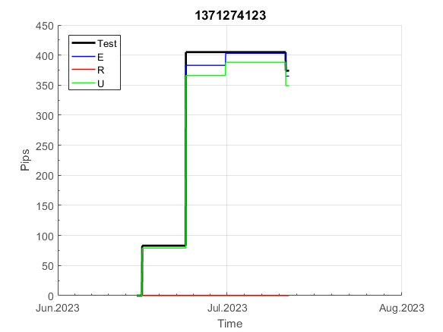
 |  |  |  |  |  |  |  |  |  |  |  |  |  |  |  |  |  |  |  |  |  |  |  | #DIV/0!
 |  |  |  |  |  |  |  |  |  |  |  |  |  |  |  |  |  |  |  |  |  |  |  | #DIV/0!
 |  |  |  |  |  |  |  |  |  |  |  |  |  |  |  |  |  |  |  |  |  |  |  | #DIV/0!
 |  |  |  |  |  |  |  |  |  |  |  |  |  |  |  |  |  |  |  |  |  |  |  | #DIV/0!

161
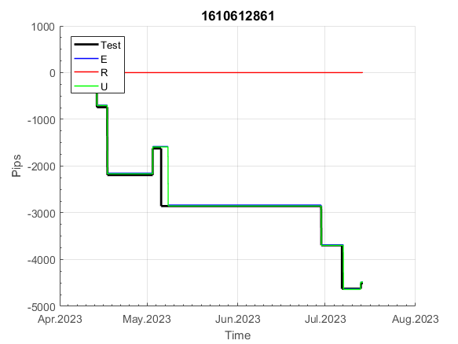
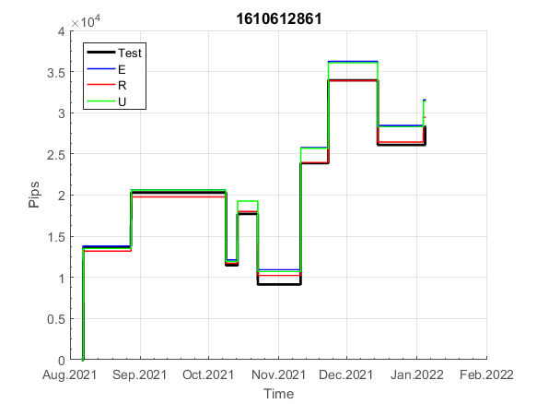
INFO | SymPer | Pip/Y | Trd/Y | RF=MaxPrf/Y/DD | PF | DD/LastDD | iDD | MO/Spred | SD | MO/SD | iRF=MaxPrf/iDD | W/L*W% | = | RISK=PF*RF | Magic | Mod | HL | HLk | TR | TRk | IN | Ik | Del | BrkBck | Inv | D | Iprice | S | P | PM1 | PM2 | Tk | TS | Out | OTr | Oprc | OD | Oprf | Wknd | A | a | AtrLim | tk | T0 | T1 | tp | start | 37987 | 37991 | 2004-01-06 | 2004-01-07 | 2004-01-08 | 2004-01-12 | 2004-01-13 | 2004-01-14 | 2004-01-15 | 2004-01-19 | 2004-01-20 | 2004-01-21 | 2004-01-22 | 2004-01-26 | 2004-01-27 | 2004-01-28 | 2004-01-29 | 2004-02-02 | 2004-02-03 | 2004-02-04 | 2004-02-05 | 2004-02-09 | 2004-02-10 | 2004-02-11 | 2004-02-12 | 2004-02-16 | 2004-02-17 | 2004-02-18 | 2004-02-19 | 2004-02-23 | 2004-02-24 | 2004-02-25 | 2004-02-26 | 2004-03-01 | 2004-03-02 | 2004-03-03 | 2004-03-04 | 2004-03-08 | 2004-03-09 | 2004-03-10 | 2004-03-11 | 2004-03-15 | 2004-03-16 | 2004-03-17 | 2004-03-18 | 2004-03-22 | 2004-03-23 | 2004-03-24 | 2004-03-25 | 2004-03-29 | 2004-03-30 | 2004-03-31 | 2004-04-01 | 2004-04-05 | 2004-04-06 | 2004-04-07 | 2004-04-08 | 2004-04-12 | 2004-04-13 | 2004-04-14 | 2004-04-15 | 2004-04-19 | 2004-04-20 | 2004-04-21 | 2004-04-22 | 2004-04-26 | 2004-04-27 | 2004-04-28 | 2004-04-29 | 2004-05-03 | 2004-05-04 | 2004-05-05 | 2004-05-06 | 2004-05-10 | 2004-05-11 | 2004-05-12 | 2004-05-13 | 2004-05-17 | 2004-05-18 | 2004-05-19 | 2004-05-20 | 2004-05-24 | 2004-05-25 | 2004-05-26 | 2004-05-27 | 2004-05-31 | 2004-06-11 | 2004-06-14 | 2004-06-15 | 2004-06-16 | 2004-06-17 | 2004-06-18 | 2004-06-21 | 2004-06-22 | 2004-06-23 | 2004-06-24 | 2004-06-25 | 2004-06-28 | 2004-06-29 | 2004-06-30 | 2004-07-01 | 2004-07-02 | 2004-07-06 | 2004-07-07 | 2004-07-08 | 2004-07-09 | 2004-07-12 | 2004-07-13 | 2004-07-14 | 2004-07-15 | 2004-07-16 | 2004-07-19 | 2004-07-20 | 2004-07-21 | 2004-07-22 | 2004-07-23 | 2004-07-26 | 2004-07-27 | 2004-07-28 | 2004-07-29 | 2004-07-30 | 2004-08-02 | 2004-08-03 | 2004-08-04 | 2004-08-05 | 2004-08-06 | 2004-08-09 | 2004-08-10 | 2004-08-11 | 2004-08-12 | 2004-08-13 | 2004-08-16 | 2004-08-17 | 2004-08-18 | 2004-08-19 | 2004-08-20 | 2004-08-23 | 2004-08-24 | 2004-08-25 | 2004-08-26 | 2004-08-27 | 2004-08-30 | 2004-08-31 | 2004-09-01 | 2004-09-02 | 2004-09-03 | 2004-09-07 | 2004-09-08 | 2004-09-09 | 2004-09-10 | 2004-09-13 | 2004-09-14 | 2004-09-15 | 2004-09-16 | 2004-09-17 | 2004-09-20 | 2004-09-21 | 2004-09-22 | 2004-09-23 | 2004-09-24 | 2004-09-27 | 2004-09-28 | 2004-09-29 | 2004-09-30 | 2004-10-01 | 2004-10-04 | 2004-10-05 | 2004-10-06 | 2004-10-07 | 2004-10-08 | 2004-10-11 | 2004-10-12 | 2004-10-13 | 2004-10-14 | 2004-10-15 | 2004-10-18 | 2004-10-19 | 2004-10-20 | 2004-10-21 | 2004-10-22 | 2004-10-25 | 2004-10-26 | 2004-10-27 | 2004-10-28 | 2004-10-29 | 2004-11-01 | 2004-11-02 | 2004-11-03 | 2004-11-04 | 2004-11-05 | 2004-11-08 | 2004-11-09 | 2004-11-10 | 2004-11-11 | 2004-11-12 | 2004-11-15 | 2004-11-16 | 2004-11-17 | 2004-11-18 | 2004-11-19 | 2004-11-22 | 2004-11-23 | 2004-11-24 | 2004-11-26 | 2004-11-29 | 2004-11-30 | 2004-12-01
FA$T200.925 2006.01.03-2023.09.11, Sprd=100, StpLev=100, Swaps=-13.89, OPT-2010.01.04-2019.12.30 | XAUUSD60 | 164 | 10 | 0.33 | 1.72 | 585_549 | 848 | 0.16 | 61 | 2.6 | 23 | 1.0*64 = | 64 | 0.6 | 1610612861 | 2 | 4 | 5 | 7 | 5 | 7 | 4 | 1 | 0 | 0 | 1 | 1 | 3 | 4 | 0 | 0 | -1 | 1 | 1 | 1 | 1 | 0 | 2 | 2 | 15 | 3 | 0 | 3 | 1 | 4 | 3 |  | 0 | 0 | -13 | -51 | -51 | -51 | -51 | -51 | -51 | -61 | -37 | -37 | -37 | -37 | -37 | -37 | -37 | -37 | -37 | -37 | -37 | -37 | -37 | -37 | -37 | -37 | -37 | -37 | -59 | -36 | -35 | -35 | -35 | -35 | -35 | -35 | -35 | -35 | -35 | -35 | -35 | -35 | -35 | -60 | -75 | -75 | -75 | -75 | -75 | -75 | -75 | -75 | -75 | -75 | -75 | -75 | -75 | -75 | -75 | -75 | -75 | -75 | -75 | -75 | -75 | -75 | -75 | -75 | -75 | -75 | -75 | -75 | -75 | -75 | -75 | -75 | -75 | -75 | -75 | -75 | -75 | -75 | -75 | -75 | -75 | -75 | -75 | -75 | -75 | -75 | -75 | -75 | -75 | -75 | -75 | -75 | -75 | -75 | -75 | -75 | -75 | -75 | -75 | -75 | -75 | -75 | -75 | -75 | -75 | -75 | -75 | -75 | -75 | -75 | -75 | -75 | -75 | -75 | -75 | -75 | -75 | -75 | -75 | -75 | -75 | -75 | -75 | -75 | -75 | -75 | -75 | -75 | -75 | -75 | -75 | -75 | -75 | -75 | -75 | -75 | -75 | -75 | -75 | -75 | -75 | -75 | -75 | -75 | -75 | -75 | -75 | -75 | -75 | -75 | -75 | -75 | -75 | -75 | -75 | -75 | -75 | -75 | -75 | -75 | -75 | -75 | -75 | -75 | -75 | -75 | -75 | -75 | -75 | -75 | -75 | -131 | -131 | -131 | -131 | -131 | -131 | -131 | -131 | -131 | -131 | -131 | -131 | -131 | -131 | -131 | -131 | -131 | -131 | -131 | -131 | -131 | -131 | -131 | -131 | -131 | -131 | -131 | -149 | -147 | -134 | -134 | -162

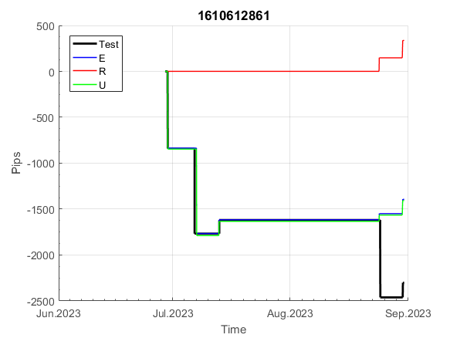
 |  |  |  |  |  |  |  |  |  |  |  |  |  |  |  |  |  |  |  |  |  |  |  | #DIV/0!
 |  |  |  |  |  |  |  |  |  |  |  |  |  |  |  |  |  |  |  |  |  |  |  | #DIV/0!
 |  |  |  |  |  |  |  |  |  |  |  |  |  |  |  |  |  |  |  |  |  |  |  | #DIV/0!
 |  |  |  |  |  |  |  |  |  |  |  |  |  |  |  |  |  |  |  |  |  |  |  | #DIV/0!

180
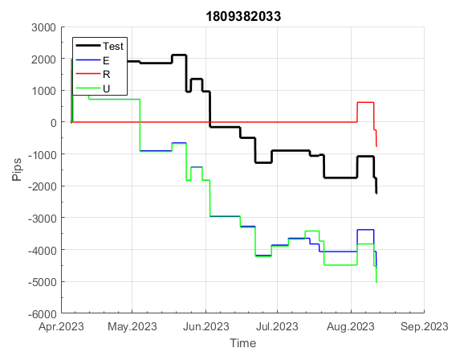
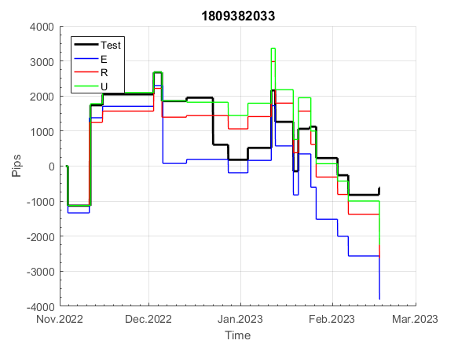
INFO | SymPer | Pip/Y | Trd/Y | RF=MaxPrf/Y/DD | PF | DD/LastDD | iDD | MO/Spred | SD | MO/SD | iRF=MaxPrf/iDD | W/L*W% | = | RISK=PF*RF | Magic | Mod | HL | HLk | TR | TRk | IN | Ik | Del | BrkBck | Inv | D | Iprice | S | P | PM1 | PM2 | Tk | TS | Out | OTr | Oprc | OD | Oprf | Wknd | A | a | AtrLim | tk | T0 | T1 | tp | start | 37987 | 37991 | 2004-01-06 | 2004-01-07 | 2004-01-08 | 2004-01-12 | 2004-01-13 | 2004-01-14 | 2004-01-15 | 2004-01-19 | 2004-01-20 | 2004-01-21 | 2004-01-22 | 2004-01-26 | 2004-01-27 | 2004-01-28 | 2004-01-29 | 2004-02-02 | 2004-02-03 | 2004-02-04 | 2004-02-05 | 2004-02-09 | 2004-02-10 | 2004-02-11 | 2004-02-12 | 2004-02-16 | 2004-02-17 | 2004-02-18 | 2004-02-19 | 2004-02-23 | 2004-02-24 | 2004-02-25 | 2004-02-26 | 2004-03-01 | 2004-03-02 | 2004-03-03 | 2004-03-04 | 2004-03-08 | 2004-03-09 | 2004-03-10 | 2004-03-11 | 2004-03-15 | 2004-03-16 | 2004-03-17 | 2004-03-18 | 2004-03-22 | 2004-03-23 | 2004-03-24 | 2004-03-25 | 2004-03-29 | 2004-03-30 | 2004-03-31 | 2004-04-01 | 2004-04-05 | 2004-04-06 | 2004-04-07 | 2004-04-08 | 2004-04-12 | 2004-04-13 | 2004-04-14 | 2004-04-15 | 2004-04-19 | 2004-04-20 | 2004-04-21 | 2004-04-22 | 2004-04-26 | 2004-04-27 | 2004-04-28 | 2004-04-29 | 2004-05-03 | 2004-05-04 | 2004-05-05 | 2004-05-06 | 2004-05-10 | 2004-05-11 | 2004-05-12 | 2004-05-13 | 2004-05-17 | 2004-05-18 | 2004-05-19 | 2004-05-20 | 2004-05-24 | 2004-05-25 | 2004-05-26 | 2004-05-27 | 2004-05-31 | 2004-06-11 | 2004-06-14 | 2004-06-15 | 2004-06-16 | 2004-06-17 | 2004-06-18 | 2004-06-21 | 2004-06-22 | 2004-06-23 | 2004-06-24 | 2004-06-25 | 2004-06-28 | 2004-06-29 | 2004-06-30 | 2004-07-01 | 2004-07-02 | 2004-07-06 | 2004-07-07 | 2004-07-08 | 2004-07-09 | 2004-07-12 | 2004-07-13 | 2004-07-14 | 2004-07-15 | 2004-07-16 | 2004-07-19 | 2004-07-20 | 2004-07-21 | 2004-07-22 | 2004-07-23 | 2004-07-26 | 2004-07-27 | 2004-07-28 | 2004-07-29 | 2004-07-30 | 2004-08-02 | 2004-08-03 | 2004-08-04 | 2004-08-05 | 2004-08-06 | 2004-08-09 | 2004-08-10 | 2004-08-11 | 2004-08-12 | 2004-08-13 | 2004-08-16 | 2004-08-17 | 2004-08-18 | 2004-08-19 | 2004-08-20 | 2004-08-23 | 2004-08-24 | 2004-08-25 | 2004-08-26 | 2004-08-27 | 2004-08-30 | 2004-08-31 | 2004-09-01 | 2004-09-02 | 2004-09-03 | 2004-09-07 | 2004-09-08 | 2004-09-09 | 2004-09-10 | 2004-09-13 | 2004-09-14 | 2004-09-15 | 2004-09-16 | 2004-09-17 | 2004-09-20 | 2004-09-21 | 2004-09-22 | 2004-09-23 | 2004-09-24 | 2004-09-27 | 2004-09-28 | 2004-09-29 | 2004-09-30 | 2004-10-01 | 2004-10-04 | 2004-10-05 | 2004-10-06 | 2004-10-07 | 2004-10-08 | 2004-10-11 | 2004-10-12 | 2004-10-13 | 2004-10-14 | 2004-10-15 | 2004-10-18 | 2004-10-19 | 2004-10-20 | 2004-10-21 | 2004-10-22 | 2004-10-25 | 2004-10-26 | 2004-10-27 | 2004-10-28 | 2004-10-29 | 2004-11-01 | 2004-11-02 | 2004-11-03 | 2004-11-04 | 2004-11-05 | 2004-11-08 | 2004-11-09 | 2004-11-10 | 2004-11-11 | 2004-11-12 | 2004-11-15 | 2004-11-16 | 2004-11-17 | 2004-11-18 | 2004-11-19 | 2004-11-22 | 2004-11-23 | 2004-11-24 | 2004-11-26 | 2004-11-29 | 2004-11-30 | 2004-12-01
FA$T200.900 2006.01.03-2023.09.11, Sprd=100, StpLev=100, Swaps=-13.89, OPT-2010.01.04-2019.12.30 | XAUUSD60 | 444 | 45 | 0.4 | 1.32 | 1194_713 | 2555 | 0.1 | 74 | 1.3 | 4 | 1.4*50 = | 69 | 0.5 | 1809382033 | 1 | 4 | 6 | -5 | 7 | 4 | 2 | 1 | 0 | 1 | -2 | 2 | 5 | 5 | 0 | 3 | 3 | 0 | 1 | 0 | 2 | 1 | -2 | 0 | 15 | 5 | 0 | 0 | 8 | 8 | 1 |  | 0 | 0 | 0 | 0 | -11 | 2 | 5 | -26 | -10 | -10 | 16 | 16 | 16 | -28 | 10 | 10 | -43 | -43 | -43 | -46 | -51 | -107 | -107 | -107 | -107 | -113 | -106 | -106 | -173 | -173 | -152 | -152 | -152 | -152 | -152 | -152 | -152 | -152 | -152 | -152 | -198 | -206 | -161 | -161 | -213 | -215 | -88 | -103 | -103 | -103 | -146 | -234 | -279 | -327 | -380 | -380 | -380 | -380 | -362 | -346 | -354 | -331 | -304 | -326 | -346 | -346 | -346 | -317 | -334 | -334 | -334 | -334 | -310 | -234 | -234 | -234 | -234 | -234 | -234 | -234 | -380 | -382 | -285 | -253 | -203 | -312 | -312 | -312 | -319 | -171 | -143 | -97 | -126 | -173 | -173 | -173 | -173 | -111 | -10 | -10 | -10 | -10 | -10 | -10 | -48 | 14 | 14 | 14 | -30 | 4 | 52 | 127 | 129 | 299 | 299 | 299 | 299 | 299 | 299 | 299 | 299 | 299 | 299 | 299 | 299 | 299 | 386 | 386 | 386 | 365 | 390 | 458 | 438 | 425 | 470 | 470 | 470 | 470 | 411 | 411 | 411 | 411 | 411 | 411 | 411 | 411 | 411 | 411 | 411 | 411 | 411 | 411 | 411 | 411 | 411 | 411 | 411 | 411 | 411 | 411 | 411 | 411 | 411 | 411 | 411 | 411 | 411 | 411 | 411 | 411 | 411 | 411 | 411 | 411 | 411 | 411 | 411 | 336 | 333 | 340 | 344 | 344 | 344 | 344 | 344 | 344 | 344 | 344 | 344 | 344 | 344 | 344 | 354 | 282 | 282 | 282 | 282 | 282 | 282 | 258 | 243 | 243 | 241 | 232 | 232 | 129 | 129

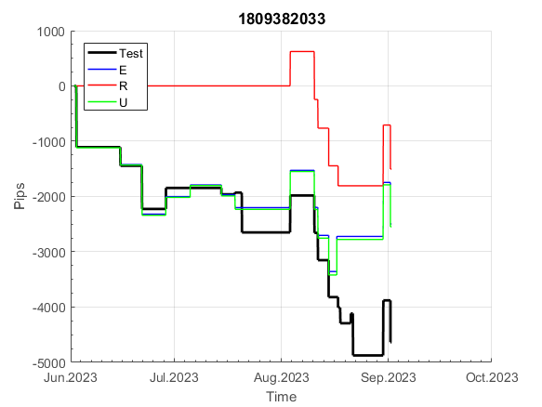
 |  |  |  |  |  |  |  |  |  |  |  |  |  |  |  |  |  |  |  |  |  |  |  | #DIV/0!
 |  |  |  |  |  |  |  |  |  |  |  |  |  |  |  |  |  |  |  |  |  |  |  | #DIV/0!
 |  |  |  |  |  |  |  |  |  |  |  |  |  |  |  |  |  |  |  |  |  |  |  | #DIV/0!
 |  |  |  |  |  |  |  |  |  |  |  |  |  |  |  |  |  |  |  |  |  |  |  | #DIV/0!

218
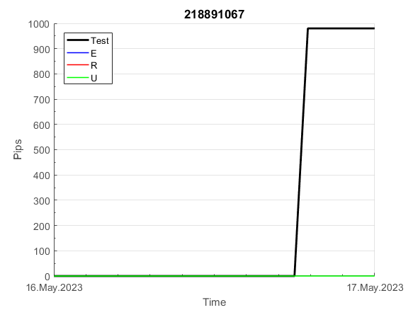
INFO | SymPer | Pip/Y | Trd/Y | RF=MaxPrf/Y/DD | PF | DD/LastDD | iDD | MO/Spred | SD | MO/SD | iRF=MaxPrf/iDD | W/L*W% | = | RISK=PF*RF | Magic | Mod | HL | HLk | TR | TRk | IN | Ik | Del | BrkBck | Inv | D | Iprice | S | P | PM1 | PM2 | Tk | TS | Out | OTr | Oprc | OD | Oprf | Wknd | A | a | AtrLim | tk | T0 | T1 | tp | start | 37987 | 37991 | 2004-01-06 | 2004-01-07 | 2004-01-08 | 2004-01-12 | 2004-01-13 | 2004-01-14 | 2004-01-15 | 2004-01-19 | 2004-01-20 | 2004-01-21 | 2004-01-22 | 2004-01-26 | 2004-01-27 | 2004-01-28 | 2004-01-29 | 2004-02-02 | 2004-02-03 | 2004-02-04 | 2004-02-05 | 2004-02-09 | 2004-02-10 | 2004-02-11 | 2004-02-12 | 2004-02-16 | 2004-02-17 | 2004-02-18 | 2004-02-19 | 2004-02-23 | 2004-02-24 | 2004-02-25 | 2004-02-26 | 2004-03-01 | 2004-03-02 | 2004-03-03 | 2004-03-04 | 2004-03-08 | 2004-03-09 | 2004-03-10 | 2004-03-11 | 2004-03-15 | 2004-03-16 | 2004-03-17 | 2004-03-18 | 2004-03-22 | 2004-03-23 | 2004-03-24 | 2004-03-25 | 2004-03-29 | 2004-03-30 | 2004-03-31 | 2004-04-01 | 2004-04-05 | 2004-04-06 | 2004-04-07 | 2004-04-08 | 2004-04-12 | 2004-04-13 | 2004-04-14 | 2004-04-15 | 2004-04-19 | 2004-04-20 | 2004-04-21 | 2004-04-22 | 2004-04-26 | 2004-04-27 | 2004-04-28 | 2004-04-29 | 2004-05-03 | 2004-05-04 | 2004-05-05 | 2004-05-06 | 2004-05-10 | 2004-05-11 | 2004-05-12 | 2004-05-13 | 2004-05-17 | 2004-05-18 | 2004-05-19 | 2004-05-20 | 2004-05-24 | 2004-05-25 | 2004-05-26 | 2004-05-27 | 2004-05-31 | 2004-06-11 | 2004-06-14 | 2004-06-15 | 2004-06-16 | 2004-06-17 | 2004-06-18 | 2004-06-21 | 2004-06-22 | 2004-06-23 | 2004-06-24 | 2004-06-25 | 2004-06-28 | 2004-06-29 | 2004-06-30 | 2004-07-01 | 2004-07-02 | 2004-07-06 | 2004-07-07 | 2004-07-08 | 2004-07-09 | 2004-07-12 | 2004-07-13 | 2004-07-14 | 2004-07-15 | 2004-07-16 | 2004-07-19 | 2004-07-20 | 2004-07-21 | 2004-07-22 | 2004-07-23 | 2004-07-26 | 2004-07-27 | 2004-07-28 | 2004-07-29 | 2004-07-30 | 2004-08-02 | 2004-08-03 | 2004-08-04 | 2004-08-05 | 2004-08-06 | 2004-08-09 | 2004-08-10 | 2004-08-11 | 2004-08-12 | 2004-08-13 | 2004-08-16 | 2004-08-17 | 2004-08-18 | 2004-08-19 | 2004-08-20 | 2004-08-23 | 2004-08-24 | 2004-08-25 | 2004-08-26 | 2004-08-27 | 2004-08-30 | 2004-08-31 | 2004-09-01 | 2004-09-02 | 2004-09-03 | 2004-09-07 | 2004-09-08 | 2004-09-09 | 2004-09-10 | 2004-09-13 | 2004-09-14 | 2004-09-15 | 2004-09-16 | 2004-09-17 | 2004-09-20 | 2004-09-21 | 2004-09-22 | 2004-09-23 | 2004-09-24 | 2004-09-27 | 2004-09-28 | 2004-09-29 | 2004-09-30 | 2004-10-01 | 2004-10-04 | 2004-10-05 | 2004-10-06 | 2004-10-07 | 2004-10-08 | 2004-10-11 | 2004-10-12 | 2004-10-13 | 2004-10-14 | 2004-10-15 | 2004-10-18 | 2004-10-19 | 2004-10-20 | 2004-10-21 | 2004-10-22 | 2004-10-25 | 2004-10-26 | 2004-10-27 | 2004-10-28 | 2004-10-29 | 2004-11-01 | 2004-11-02 | 2004-11-03 | 2004-11-04 | 2004-11-05 | 2004-11-08 | 2004-11-09 | 2004-11-10 | 2004-11-11 | 2004-11-12 | 2004-11-15 | 2004-11-16 | 2004-11-17 | 2004-11-18 | 2004-11-19 | 2004-11-22 | 2004-11-23 | 2004-11-24 | 2004-11-26 | 2004-11-29 | 2004-11-30 | 2004-12-01
FA$T200.925 2006.01.03-2023.09.11, Sprd=100, StpLev=100, Swaps=-13.89, OPT-2010.01.04-2021.12.30 | XAUUSD60 | 307 | 8 | 0.36 | 1.88 | 849_0 | 1293 | 0.39 | 130 | 3 | 30 | 0.7*75 = | 54 | 0.7 | 218891067 | 2 | 2 | 2 | 2 | 9 | 7 | 6 | 1 | 0 | 0 | 1 | 1 | -4 | -2 | -1 | 3 | -4 | 0 | 0 | 0 | 1 | 0 | 1 | 0 | 15 | 5 | 30 | 0 | 1 | 6 | 3 |  | 0 | 0 | 0 | 0 | 0 | 0 | 0 | 0 | 0 | -10 | 13 | 13 | 13 | 13 | 13 | 13 | 13 | 13 | 13 | 13 | 13 | 13 | 13 | 13 | 13 | 13 | 13 | 13 | 13 | 13 | 13 | 13 | 13 | 13 | 13 | 13 | 13 | 13 | 13 | 13 | 13 | 13 | 13 | 0 | -14 | 28 | 104 | 104 | 104 | 104 | 104 | 104 | 104 | 104 | 104 | 104 | 104 | 104 | 104 | 104 | 104 | 104 | 104 | 104 | 104 | 104 | 104 | 104 | 104 | 104 | 104 | 104 | 104 | 104 | 104 | 40 | -99 | -145 | -90 | -158 | -158 | -186 | -186 | -186 | -186 | -186 | -186 | -186 | -186 | -186 | -186 | -186 | -186 | -186 | -186 | -186 | -207 | -176 | -337 | -290 | -100 | -130 | -226 | -138 | -24 | 76 | 76 | 76 | 76 | 76 | 76 | 76 | 76 | 76 | 76 | 76 | 76 | 76 | 76 | 76 | 76 | 76 | 76 | 76 | 73 | 60 | 110 | 110 | 110 | 110 | 110 | 110 | 110 | 110 | 110 | 110 | 110 | 110 | 110 | 110 | 110 | 110 | 110 | 110 | 110 | 110 | 110 | 110 | 110 | 110 | 110 | 110 | 110 | 110 | 110 | 110 | 110 | 110 | 110 | 110 | 110 | 110 | 110 | 110 | 110 | 110 | 110 | 110 | 110 | 110 | 110 | 110 | 110 | 110 | 110 | 110 | 110 | 110 | 110 | 110 | 110 | 110 | 110 | 110 | 110 | 110 | 110 | 110 | 110 | 110 | 110 | 110 | 110 | 110 | 110 | 110 | 110 | 110 | 110 | 110 | 110 | 110 | 110 | 110 | 110 | 110 | 110

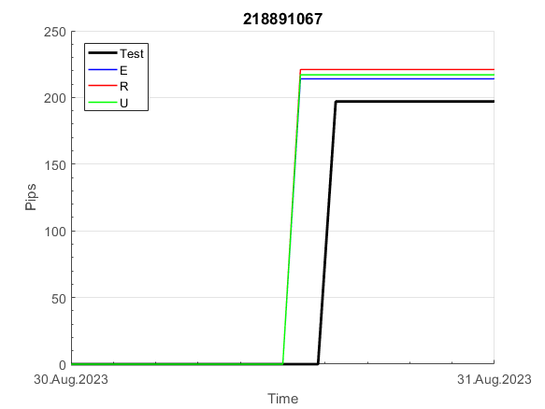
 |  |  |  |  |  |  |  |  |  |  |  |  |  |  |  |  |  |  |  |  |  |  |  | #DIV/0!
 |  |  |  |  |  |  |  |  |  |  |  |  |  |  |  |  |  |  |  |  |  |  |  | #DIV/0!
 |  |  |  |  |  |  |  |  |  |  |  |  |  |  |  |  |  |  |  |  |  |  |  | #DIV/0!
 |  |  |  |  |  |  |  |  |  |  |  |  |  |  |  |  |  |  |  |  |  |  |  | #DIV/0!

262
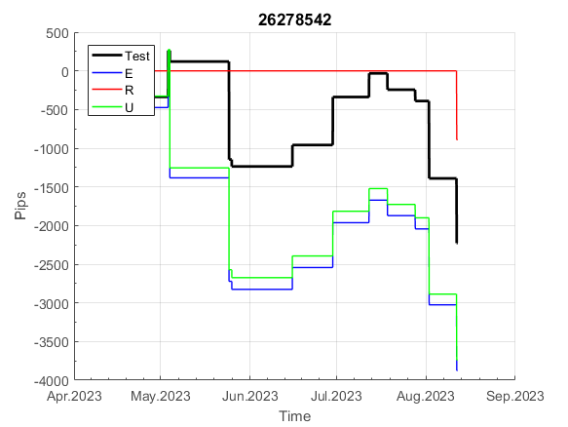
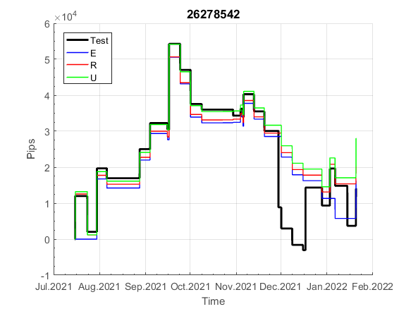
INFO | SymPer | Pip/Y | Trd/Y | RF=MaxPrf/Y/DD | PF | DD/LastDD | iDD | MO/Spred | SD | MO/SD | iRF=MaxPrf/iDD | W/L*W% | = | RISK=PF*RF | Magic | Mod | HL | HLk | TR | TRk | IN | Ik | Del | BrkBck | Inv | D | Iprice | S | P | PM1 | PM2 | Tk | TS | Out | OTr | Oprc | OD | Oprf | Wknd | A | a | AtrLim | tk | T0 | T1 | tp | start | 37987 | 37991 | 2004-01-06 | 2004-01-07 | 2004-01-08 | 2004-01-12 | 2004-01-13 | 2004-01-14 | 2004-01-15 | 2004-01-19 | 2004-01-20 | 2004-01-21 | 2004-01-22 | 2004-01-26 | 2004-01-27 | 2004-01-28 | 2004-01-29 | 2004-02-02 | 2004-02-03 | 2004-02-04 | 2004-02-05 | 2004-02-09 | 2004-02-10 | 2004-02-11 | 2004-02-12 | 2004-02-16 | 2004-02-17 | 2004-02-18 | 2004-02-19 | 2004-02-23 | 2004-02-24 | 2004-02-25 | 2004-02-26 | 2004-03-01 | 2004-03-02 | 2004-03-03 | 2004-03-04 | 2004-03-08 | 2004-03-09 | 2004-03-10 | 2004-03-11 | 2004-03-15 | 2004-03-16 | 2004-03-17 | 2004-03-18 | 2004-03-22 | 2004-03-23 | 2004-03-24 | 2004-03-25 | 2004-03-29 | 2004-03-30 | 2004-03-31 | 2004-04-01 | 2004-04-05 | 2004-04-06 | 2004-04-07 | 2004-04-08 | 2004-04-12 | 2004-04-13 | 2004-04-14 | 2004-04-15 | 2004-04-19 | 2004-04-20 | 2004-04-21 | 2004-04-22 | 2004-04-26 | 2004-04-27 | 2004-04-28 | 2004-04-29 | 2004-05-03 | 2004-05-04 | 2004-05-05 | 2004-05-06 | 2004-05-10 | 2004-05-11 | 2004-05-12 | 2004-05-13 | 2004-05-17 | 2004-05-18 | 2004-05-19 | 2004-05-20 | 2004-05-24 | 2004-05-25 | 2004-05-26 | 2004-05-27 | 2004-05-31 | 2004-06-11 | 2004-06-14 | 2004-06-15 | 2004-06-16 | 2004-06-17 | 2004-06-18 | 2004-06-21 | 2004-06-22 | 2004-06-23 | 2004-06-24 | 2004-06-25 | 2004-06-28 | 2004-06-29 | 2004-06-30 | 2004-07-01 | 2004-07-02 | 2004-07-06 | 2004-07-07 | 2004-07-08 | 2004-07-09 | 2004-07-12 | 2004-07-13 | 2004-07-14 | 2004-07-15 | 2004-07-16 | 2004-07-19 | 2004-07-20 | 2004-07-21 | 2004-07-22 | 2004-07-23 | 2004-07-26 | 2004-07-27 | 2004-07-28 | 2004-07-29 | 2004-07-30 | 2004-08-02 | 2004-08-03 | 2004-08-04 | 2004-08-05 | 2004-08-06 | 2004-08-09 | 2004-08-10 | 2004-08-11 | 2004-08-12 | 2004-08-13 | 2004-08-16 | 2004-08-17 | 2004-08-18 | 2004-08-19 | 2004-08-20 | 2004-08-23 | 2004-08-24 | 2004-08-25 | 2004-08-26 | 2004-08-27 | 2004-08-30 | 2004-08-31 | 2004-09-01 | 2004-09-02 | 2004-09-03 | 2004-09-07 | 2004-09-08 | 2004-09-09 | 2004-09-10 | 2004-09-13 | 2004-09-14 | 2004-09-15 | 2004-09-16 | 2004-09-17 | 2004-09-20 | 2004-09-21 | 2004-09-22 | 2004-09-23 | 2004-09-24 | 2004-09-27 | 2004-09-28 | 2004-09-29 | 2004-09-30 | 2004-10-01 | 2004-10-04 | 2004-10-05 | 2004-10-06 | 2004-10-07 | 2004-10-08 | 2004-10-11 | 2004-10-12 | 2004-10-13 | 2004-10-14 | 2004-10-15 | 2004-10-18 | 2004-10-19 | 2004-10-20 | 2004-10-21 | 2004-10-22 | 2004-10-25 | 2004-10-26 | 2004-10-27 | 2004-10-28 | 2004-10-29 | 2004-11-01 | 2004-11-02 | 2004-11-03 | 2004-11-04 | 2004-11-05 | 2004-11-08 | 2004-11-09 | 2004-11-10 | 2004-11-11 | 2004-11-12 | 2004-11-15 | 2004-11-16 | 2004-11-17 | 2004-11-18 | 2004-11-19 | 2004-11-22 | 2004-11-23 | 2004-11-24 | 2004-11-26 | 2004-11-29 | 2004-11-30 | 2004-12-01
FA$T200.833 2006.01.03-2023.09.11, Sprd=100, StpLev=100, Swaps=-13.89, OPT-2010.01.03-2019.04.32 | XAUUSD60 | 510 | 39 | 0.55 | 1.43 | 965_498 | 2277 | 0.13 | 78 | 1.7 | 6 | 1.6*48 = | 77 | 0.8 | 26278542 | 0 | 5 | 7 | 0 | 5 | -1 | 6 | 1 | 0 | 0 | 4 | 3 | 5 | 7 | 1 | 4 | 3 | 0 | 0 | 0 | 1 | 3 | 1 | 2 | 15 | 5 | 0 | 0 | 8 | 7 | 0 |  | 0 | 0 | 0 | 0 | 0 | 36 | 49 | 49 | 49 | 49 | 113 | 113 | 113 | 82 | 82 | 82 | 82 | 82 | 82 | 72 | 73 | 93 | 93 | 93 | 93 | 93 | 125 | 125 | 125 | 110 | 126 | 126 | 126 | 126 | 126 | 126 | 126 | 99 | 150 | 116 | 149 | 173 | 173 | 173 | 173 | 173 | 173 | 173 | 173 | 173 | 173 | 173 | 173 | 173 | 173 | 173 | 173 | 165 | 206 | 206 | 206 | 206 | 288 | 288 | 288 | 288 | 288 | 291 | 291 | 291 | 291 | 291 | 299 | 383 | 404 | 404 | 404 | 404 | 404 | 404 | 404 | 374 | 489 | 489 | 489 | 489 | 418 | 418 | 418 | 498 | 487 | 680 | 680 | 680 | 680 | 680 | 680 | 788 | 788 | 708 | 667 | 667 | 667 | 667 | 663 | 696 | 696 | 696 | 696 | 634 | 628 | 642 | 642 | 642 | 642 | 642 | 642 | 642 | 640 | 633 | 633 | 633 | 539 | 539 | 539 | 539 | 539 | 539 | 539 | 539 | 539 | 539 | 539 | 562 | 646 | 646 | 646 | 646 | 596 | 596 | 538 | 546 | 546 | 546 | 546 | 546 | 546 | 546 | 602 | 636 | 636 | 636 | 636 | 555 | 541 | 489 | 489 | 489 | 489 | 465 | 516 | 516 | 516 | 516 | 516 | 516 | 516 | 516 | 516 | 516 | 516 | 496 | 596 | 605 | 560 | 560 | 560 | 560 | 543 | 548 | 548 | 548 | 548 | 548 | 548 | 548 | 548 | 612 | 617 | 617 | 617 | 617 | 617 | 617 | 617 | 617 | 617 | 617 | 617 | 617 | 617 | 617 | 587 | 587 | 587 | 587 | 587

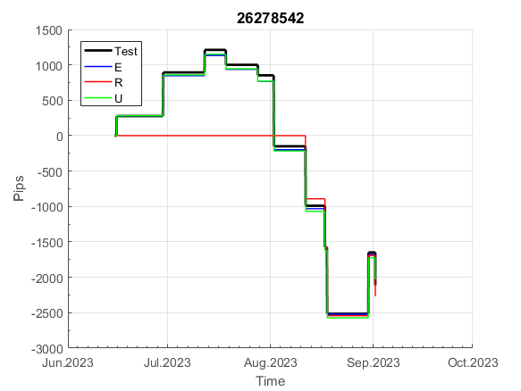
 |  |  |  |  |  |  |  |  |  |  |  |  |  |  |  |  |  |  |  |  |  |  |  | #DIV/0!
 |  |  |  |  |  |  |  |  |  |  |  |  |  |  |  |  |  |  |  |  |  |  |  | #DIV/0!
 |  |  |  |  |  |  |  |  |  |  |  |  |  |  |  |  |  |  |  |  |  |  |  | #DIV/0!
 |  |  |  |  |  |  |  |  |  |  |  |  |  |  |  |  |  |  |  |  |  |  |  | #DIV/0!

870
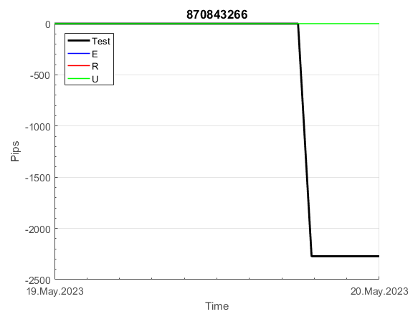
INFO | SymPer | Pip/Y | Trd/Y | RF=MaxPrf/Y/DD | PF | DD/LastDD | iDD | MO/Spred | SD | MO/SD | iRF=MaxPrf/iDD | W/L*W% | = | RISK=PF*RF | Magic | Mod | HL | HLk | TR | TRk | IN | Ik | Del | BrkBck | Inv | D | Iprice | S | P | PM1 | PM2 | Tk | TS | Out | OTr | Oprc | OD | Oprf | Wknd | A | a | AtrLim | tk | T0 | T1 | tp | start | 37987 | 37991 | 2004-01-06 | 2004-01-07 | 2004-01-08 | 2004-01-12 | 2004-01-13 | 2004-01-14 | 2004-01-15 | 2004-01-19 | 2004-01-20 | 2004-01-21 | 2004-01-22 | 2004-01-26 | 2004-01-27 | 2004-01-28 | 2004-01-29 | 2004-02-02 | 2004-02-03 | 2004-02-04 | 2004-02-05 | 2004-02-09 | 2004-02-10 | 2004-02-11 | 2004-02-12 | 2004-02-16 | 2004-02-17 | 2004-02-18 | 2004-02-19 | 2004-02-23 | 2004-02-24 | 2004-02-25 | 2004-02-26 | 2004-03-01 | 2004-03-02 | 2004-03-03 | 2004-03-04 | 2004-03-08 | 2004-03-09 | 2004-03-10 | 2004-03-11 | 2004-03-15 | 2004-03-16 | 2004-03-17 | 2004-03-18 | 2004-03-22 | 2004-03-23 | 2004-03-24 | 2004-03-25 | 2004-03-29 | 2004-03-30 | 2004-03-31 | 2004-04-01 | 2004-04-05 | 2004-04-06 | 2004-04-07 | 2004-04-08 | 2004-04-12 | 2004-04-13 | 2004-04-14 | 2004-04-15 | 2004-04-19 | 2004-04-20 | 2004-04-21 | 2004-04-22 | 2004-04-26 | 2004-04-27 | 2004-04-28 | 2004-04-29 | 2004-05-03 | 2004-05-04 | 2004-05-05 | 2004-05-06 | 2004-05-10 | 2004-05-11 | 2004-05-12 | 2004-05-13 | 2004-05-17 | 2004-05-18 | 2004-05-19 | 2004-05-20 | 2004-05-24 | 2004-05-25 | 2004-05-26 | 2004-05-27 | 2004-05-31 | 2004-06-11 | 2004-06-14 | 2004-06-15 | 2004-06-16 | 2004-06-17 | 2004-06-18 | 2004-06-21 | 2004-06-22 | 2004-06-23 | 2004-06-24 | 2004-06-25 | 2004-06-28 | 2004-06-29 | 2004-06-30 | 2004-07-01 | 2004-07-02 | 2004-07-06 | 2004-07-07 | 2004-07-08 | 2004-07-09 | 2004-07-12 | 2004-07-13 | 2004-07-14 | 2004-07-15 | 2004-07-16 | 2004-07-19 | 2004-07-20 | 2004-07-21 | 2004-07-22 | 2004-07-23 | 2004-07-26 | 2004-07-27 | 2004-07-28 | 2004-07-29 | 2004-07-30 | 2004-08-02 | 2004-08-03 | 2004-08-04 | 2004-08-05 | 2004-08-06 | 2004-08-09 | 2004-08-10 | 2004-08-11 | 2004-08-12 | 2004-08-13 | 2004-08-16 | 2004-08-17 | 2004-08-18 | 2004-08-19 | 2004-08-20 | 2004-08-23 | 2004-08-24 | 2004-08-25 | 2004-08-26 | 2004-08-27 | 2004-08-30 | 2004-08-31 | 2004-09-01 | 2004-09-02 | 2004-09-03 | 2004-09-07 | 2004-09-08 | 2004-09-09 | 2004-09-10 | 2004-09-13 | 2004-09-14 | 2004-09-15 | 2004-09-16 | 2004-09-17 | 2004-09-20 | 2004-09-21 | 2004-09-22 | 2004-09-23 | 2004-09-24 | 2004-09-27 | 2004-09-28 | 2004-09-29 | 2004-09-30 | 2004-10-01 | 2004-10-04 | 2004-10-05 | 2004-10-06 | 2004-10-07 | 2004-10-08 | 2004-10-11 | 2004-10-12 | 2004-10-13 | 2004-10-14 | 2004-10-15 | 2004-10-18 | 2004-10-19 | 2004-10-20 | 2004-10-21 | 2004-10-22 | 2004-10-25 | 2004-10-26 | 2004-10-27 | 2004-10-28 | 2004-10-29 | 2004-11-01 | 2004-11-02 | 2004-11-03 | 2004-11-04 | 2004-11-05 | 2004-11-08 | 2004-11-09 | 2004-11-10 | 2004-11-11 | 2004-11-12 | 2004-11-15 | 2004-11-16 | 2004-11-17 | 2004-11-18 | 2004-11-19 | 2004-11-22 | 2004-11-23 | 2004-11-24 | 2004-11-26 | 2004-11-29 | 2004-11-30 | 2004-12-01
FA$T200.925 2006.01.03-2023.09.11, Sprd=100, StpLev=100, Swaps=-13.89, OPT-2010.01.04-2021.12.30 | XAUUSD60 | 296 | 7 | 0.53 | 2.42 | 584_227 | 848 | 0.4 | 97 | 4.1 | 49 | 1.5*64 = | 97 | 1.3 | 870843266 | 2 | 6 | 5 | 1 | 9 | 1 | 5 | 1 | 1 | 0 | 5 | 2 | -1 | -2 | 0 | 2 | 4 | 0 | 0 | 0 | 1 | 1 | -1 | 0 | 15 | 5 | 20 | 0 | 7 | 7 | 0 |  | 0 | 0 | 0 | 0 | 0 | 0 | 0 | 0 | 0 | -2 | 13 | 13 | 13 | 13 | 13 | 13 | 13 | 13 | 13 | 13 | 13 | 13 | 13 | 13 | 13 | 13 | 124 | 124 | 124 | 124 | 124 | 124 | 124 | 124 | 124 | 124 | 124 | 124 | 124 | 124 | 124 | 124 | 124 | 124 | 124 | 124 | 77 | 77 | 77 | 77 | 77 | 77 | 77 | 77 | 77 | 77 | 77 | 77 | 77 | 77 | 77 | 77 | 124 | 124 | 124 | 124 | 124 | 124 | 124 | 124 | 124 | 124 | 124 | 124 | 124 | -31 | -31 | -31 | -31 | -31 | -31 | -31 | -31 | -31 | -31 | -31 | -31 | -31 | -31 | -31 | -31 | -31 | -31 | -31 | -31 | -31 | -31 | -31 | -31 | -31 | -31 | -31 | -31 | -31 | -31 | -31 | -31 | -31 | -31 | -31 | -31 | -31 | -31 | -31 | -31 | -31 | -31 | -31 | -31 | -31 | -31 | -31 | -31 | -31 | -31 | -31 | -31 | -31 | -31 | -31 | -31 | -31 | -31 | -31 | -31 | -31 | -31 | -31 | -31 | -31 | -31 | -31 | -31 | -31 | -31 | -31 | -31 | -31 | -31 | -31 | -31 | -31 | -31 | -31 | -31 | -31 | -31 | -31 | -31 | -31 | -31 | -31 | -31 | -31 | -31 | -31 | -31 | -31 | -31 | -31 | -31 | -31 | -31 | -31 | -31 | -31 | -31 | -31 | -31 | -31 | -31 | -31 | -31 | -31 | -31 | -31 | -31 | -31 | -31 | -31 | -31 | -31 | -31 | -31 | -31 | -31 | -31 | -31 | -31 | -31 | -31 | -31 | -31 | -31 | -31 | -31 | -31


 |  |  |  |  |  |  |  |  |  |  |  |  |  |  |  |  |  |  |  |  |  |  |  | #DIV/0!
 |  |  |  |  |  |  |  |  |  |  |  |  |  |  |  |  |  |  |  |  |  |  |  | #DIV/0!
 |  |  |  |  |  |  |  |  |  |  |  |  |  |  |  |  |  |  |  |  |  |  |  | #DIV/0!
 |  |  |  |  |  |  |  |  |  |  |  |  |  |  |  |  |  |  |  |  |  |  |  | #DIV/0!

932
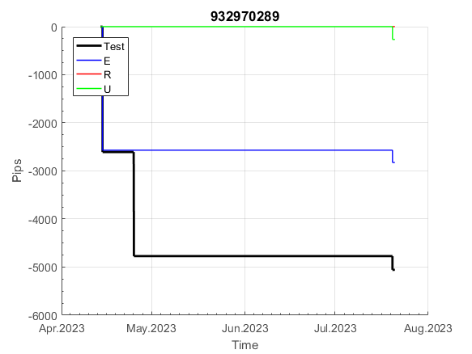
INFO | SymPer | Pip/Y | Trd/Y | RF=MaxPrf/Y/DD | PF | DD/LastDD | iDD | MO/Spred | SD | MO/SD | iRF=MaxPrf/iDD | W/L*W% | = | RISK=PF*RF | Magic | Mod | HL | HLk | TR | TRk | IN | Ik | Del | BrkBck | Inv | D | Iprice | S | P | PM1 | PM2 | Tk | TS | Out | OTr | Oprc | OD | Oprf | Wknd | A | a | AtrLim | tk | T0 | T1 | tp | start | 37987 | 37991 | 2004-01-06 | 2004-01-07 | 2004-01-08 | 2004-01-12 | 2004-01-13 | 2004-01-14 | 2004-01-15 | 2004-01-19 | 2004-01-20 | 2004-01-21 | 2004-01-22 | 2004-01-26 | 2004-01-27 | 2004-01-28 | 2004-01-29 | 2004-02-02 | 2004-02-03 | 2004-02-04 | 2004-02-05 | 2004-02-09 | 2004-02-10 | 2004-02-11 | 2004-02-12 | 2004-02-16 | 2004-02-17 | 2004-02-18 | 2004-02-19 | 2004-02-23 | 2004-02-24 | 2004-02-25 | 2004-02-26 | 2004-03-01 | 2004-03-02 | 2004-03-03 | 2004-03-04 | 2004-03-08 | 2004-03-09 | 2004-03-10 | 2004-03-11 | 2004-03-15 | 2004-03-16 | 2004-03-17 | 2004-03-18 | 2004-03-22 | 2004-03-23 | 2004-03-24 | 2004-03-25 | 2004-03-29 | 2004-03-30 | 2004-03-31 | 2004-04-01 | 2004-04-05 | 2004-04-06 | 2004-04-07 | 2004-04-08 | 2004-04-12 | 2004-04-13 | 2004-04-14 | 2004-04-15 | 2004-04-19 | 2004-04-20 | 2004-04-21 | 2004-04-22 | 2004-04-26 | 2004-04-27 | 2004-04-28 | 2004-04-29 | 2004-05-03 | 2004-05-04 | 2004-05-05 | 2004-05-06 | 2004-05-10 | 2004-05-11 | 2004-05-12 | 2004-05-13 | 2004-05-17 | 2004-05-18 | 2004-05-19 | 2004-05-20 | 2004-05-24 | 2004-05-25 | 2004-05-26 | 2004-05-27 | 2004-05-31 | 2004-06-11 | 2004-06-14 | 2004-06-15 | 2004-06-16 | 2004-06-17 | 2004-06-18 | 2004-06-21 | 2004-06-22 | 2004-06-23 | 2004-06-24 | 2004-06-25 | 2004-06-28 | 2004-06-29 | 2004-06-30 | 2004-07-01 | 2004-07-02 | 2004-07-06 | 2004-07-07 | 2004-07-08 | 2004-07-09 | 2004-07-12 | 2004-07-13 | 2004-07-14 | 2004-07-15 | 2004-07-16 | 2004-07-19 | 2004-07-20 | 2004-07-21 | 2004-07-22 | 2004-07-23 | 2004-07-26 | 2004-07-27 | 2004-07-28 | 2004-07-29 | 2004-07-30 | 2004-08-02 | 2004-08-03 | 2004-08-04 | 2004-08-05 | 2004-08-06 | 2004-08-09 | 2004-08-10 | 2004-08-11 | 2004-08-12 | 2004-08-13 | 2004-08-16 | 2004-08-17 | 2004-08-18 | 2004-08-19 | 2004-08-20 | 2004-08-23 | 2004-08-24 | 2004-08-25 | 2004-08-26 | 2004-08-27 | 2004-08-30 | 2004-08-31 | 2004-09-01 | 2004-09-02 | 2004-09-03 | 2004-09-07 | 2004-09-08 | 2004-09-09 | 2004-09-10 | 2004-09-13 | 2004-09-14 | 2004-09-15 | 2004-09-16 | 2004-09-17 | 2004-09-20 | 2004-09-21 | 2004-09-22 | 2004-09-23 | 2004-09-24 | 2004-09-27 | 2004-09-28 | 2004-09-29 | 2004-09-30 | 2004-10-01 | 2004-10-04 | 2004-10-05 | 2004-10-06 | 2004-10-07 | 2004-10-08 | 2004-10-11 | 2004-10-12 | 2004-10-13 | 2004-10-14 | 2004-10-15 | 2004-10-18 | 2004-10-19 | 2004-10-20 | 2004-10-21 | 2004-10-22 | 2004-10-25 | 2004-10-26 | 2004-10-27 | 2004-10-28 | 2004-10-29 | 2004-11-01 | 2004-11-02 | 2004-11-03 | 2004-11-04 | 2004-11-05 | 2004-11-08 | 2004-11-09 | 2004-11-10 | 2004-11-11 | 2004-11-12 | 2004-11-15 | 2004-11-16 | 2004-11-17 | 2004-11-18 | 2004-11-19 | 2004-11-22 | 2004-11-23 | 2004-11-24 | 2004-11-26 | 2004-11-29 | 2004-11-30 | 2004-12-01
FA$T200.925 2006.01.03-2023.09.11, Sprd=100, StpLev=100, Swaps=-13.89, OPT-2009.01.02-2022.01.31 | XAUUSD60 | 363 | 11 | 0.43 | 2 | 956_888 | 1028 | 0.34 | 102 | 3.4 | 38 | 1.0*69 = | 69 | 0.9 | 932970289 | 2 | 6 | 7 | 2 | 9 | 7 | 4 | 1 | 0 | 0 | 3 | 3 | 4 | 8 | -3 | 1 | 1 | 1 | 0 | 0 | 3 | 0 | 3 | 0 | 15 | 5 | 20 | 0 | 2 | 8 | 1 |  | 0 | 0 | 0 | 0 | 0 | 0 | 0 | 0 | 0 | -10 | -46 | 17 | 17 | 17 | 17 | 17 | 17 | 17 | 17 | 17 | 17 | 17 | 17 | 17 | 17 | 17 | 17 | 17 | 17 | 17 | 17 | 17 | 17 | 17 | 17 | 17 | 17 | 17 | 17 | 17 | 17 | 17 | 17 | 17 | 17 | 17 | 17 | 17 | 17 | 17 | 17 | 17 | 17 | 17 | 17 | 17 | 17 | 17 | 17 | 17 | 17 | 17 | 17 | 17 | 17 | 17 | 17 | 17 | 17 | 17 | 17 | 17 | 17 | 17 | 17 | 17 | 17 | 17 | 17 | 17 | 17 | 17 | 17 | 17 | 17 | 17 | 17 | 17 | 17 | 17 | 17 | 17 | 17 | 17 | 17 | 17 | 17 | 48 | 129 | 129 | 129 | 129 | 129 | 129 | 129 | 129 | 129 | 129 | 129 | 129 | 129 | 129 | 129 | 243 | 429 | 429 | 429 | 429 | 429 | 429 | 429 | 429 | 429 | 429 | 429 | 429 | 429 | 429 | 429 | 429 | 429 | 429 | 429 | 429 | 429 | 429 | 429 | 429 | 429 | 429 | 429 | 429 | 429 | 429 | 429 | 429 | 429 | 429 | 429 | 429 | 429 | 429 | 429 | 429 | 429 | 429 | 429 | 429 | 429 | 429 | 429 | 429 | 429 | 429 | 429 | 429 | 429 | 429 | 429 | 429 | 429 | 429 | 429 | 424 | 456 | 417 | 392 | 500 | 546 | 546 | 546 | 546 | 546 | 546 | 546 | 546 | 546 | 546 | 546 | 546 | 546 | 546 | 546 | 546 | 546 | 546 | 546 | 546 | 546 | 546 | 546 | 546 | 546 | 546 | 546 | 546 | 546

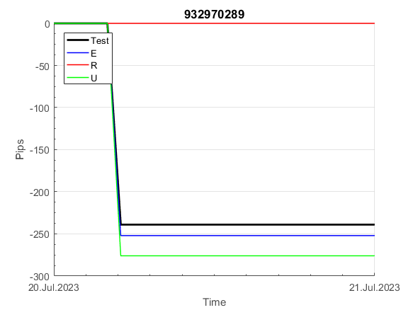
 |  |  |  |  |  |  |  |  |  |  |  |  |  |  |  |  |  |  |  |  |  |  |  | #DIV/0!
 |  |  |  |  |  |  |  |  |  |  |  |  |  |  |  |  |  |  |  |  |  |  |  | #DIV/0!
 |  |  |  |  |  |  |  |  |  |  |  |  |  |  |  |  |  |  |  |  |  |  |  | #DIV/0!
 |  |  |  |  |  |  |  |  |  |  |  |  |  |  |  |  |  |  |  |  |  |  |  | #DIV/0!

117
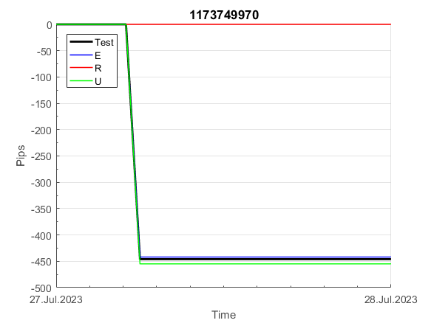
INFO | SymPer | Pip/Y | Trd/Y | RF=MaxPrf/Y/DD | PF | DD/LastDD | iDD | MO/Spred | SD | MO/SD | iRF=MaxPrf/iDD | W/L*W% | = | RISK=PF*RF | Magic | Mod | HL | HLk | TR | TRk | IN | Ik | Del | BrkBck | Inv | D | Iprice | S | P | PM1 | PM2 | Tk | TS | Out | OTr | Oprc | OD | Oprf | Wknd | A | a | AtrLim | tk | T0 | T1 | tp | start | 37987 | 37991 | 2004-01-06 | 2004-01-07 | 2004-01-08 | 2004-01-12 | 2004-01-13 | 2004-01-14 | 2004-01-15 | 2004-01-19 | 2004-01-20 | 2004-01-21 | 2004-01-22 | 2004-01-26 | 2004-01-27 | 2004-01-28 | 2004-01-29 | 2004-02-02 | 2004-02-03 | 2004-02-04 | 2004-02-05 | 2004-02-09 | 2004-02-10 | 2004-02-11 | 2004-02-12 | 2004-02-16 | 2004-02-17 | 2004-02-18 | 2004-02-19 | 2004-02-23 | 2004-02-24 | 2004-02-25 | 2004-02-26 | 2004-03-01 | 2004-03-02 | 2004-03-03 | 2004-03-04 | 2004-03-08 | 2004-03-09 | 2004-03-10 | 2004-03-11 | 2004-03-15 | 2004-03-16 | 2004-03-17 | 2004-03-18 | 2004-03-22 | 2004-03-23 | 2004-03-24 | 2004-03-25 | 2004-03-29 | 2004-03-30 | 2004-03-31 | 2004-04-01 | 2004-04-05 | 2004-04-06 | 2004-04-07 | 2004-04-08 | 2004-04-12 | 2004-04-13 | 2004-04-14 | 2004-04-15 | 2004-04-19 | 2004-04-20 | 2004-04-21 | 2004-04-22 | 2004-04-26 | 2004-04-27 | 2004-04-28 | 2004-04-29 | 2004-05-03 | 2004-05-04 | 2004-05-05 | 2004-05-06 | 2004-05-10 | 2004-05-11 | 2004-05-12 | 2004-05-13 | 2004-05-17 | 2004-05-18 | 2004-05-19 | 2004-05-20 | 2004-05-24 | 2004-05-25 | 2004-05-26 | 2004-05-27 | 2004-05-31 | 2004-06-11 | 2004-06-14 | 2004-06-15 | 2004-06-16 | 2004-06-17 | 2004-06-18 | 2004-06-21 | 2004-06-22 | 2004-06-23 | 2004-06-24 | 2004-06-25 | 2004-06-28 | 2004-06-29 | 2004-06-30 | 2004-07-01 | 2004-07-02 | 2004-07-06 | 2004-07-07 | 2004-07-08 | 2004-07-09 | 2004-07-12 | 2004-07-13 | 2004-07-14 | 2004-07-15 | 2004-07-16 | 2004-07-19 | 2004-07-20 | 2004-07-21 | 2004-07-22 | 2004-07-23 | 2004-07-26 | 2004-07-27 | 2004-07-28 | 2004-07-29 | 2004-07-30 | 2004-08-02 | 2004-08-03 | 2004-08-04 | 2004-08-05 | 2004-08-06 | 2004-08-09 | 2004-08-10 | 2004-08-11 | 2004-08-12 | 2004-08-13 | 2004-08-16 | 2004-08-17 | 2004-08-18 | 2004-08-19 | 2004-08-20 | 2004-08-23 | 2004-08-24 | 2004-08-25 | 2004-08-26 | 2004-08-27 | 2004-08-30 | 2004-08-31 | 2004-09-01 | 2004-09-02 | 2004-09-03 | 2004-09-07 | 2004-09-08 | 2004-09-09 | 2004-09-10 | 2004-09-13 | 2004-09-14 | 2004-09-15 | 2004-09-16 | 2004-09-17 | 2004-09-20 | 2004-09-21 | 2004-09-22 | 2004-09-23 | 2004-09-24 | 2004-09-27 | 2004-09-28 | 2004-09-29 | 2004-09-30 | 2004-10-01 | 2004-10-04 | 2004-10-05 | 2004-10-06 | 2004-10-07 | 2004-10-08 | 2004-10-11 | 2004-10-12 | 2004-10-13 | 2004-10-14 | 2004-10-15 | 2004-10-18 | 2004-10-19 | 2004-10-20 | 2004-10-21 | 2004-10-22 | 2004-10-25 | 2004-10-26 | 2004-10-27 | 2004-10-28 | 2004-10-29 | 2004-11-01 | 2004-11-02 | 2004-11-03 | 2004-11-04 | 2004-11-05 | 2004-11-08 | 2004-11-09 | 2004-11-10 | 2004-11-11 | 2004-11-12 | 2004-11-15 | 2004-11-16 | 2004-11-17 | 2004-11-18 | 2004-11-19 | 2004-11-22 | 2004-11-23 | 2004-11-24 | 2004-11-26 | 2004-11-29 | 2004-11-30 | 2004-12-01
FA$T200.925 2006.01.03-2023.09.11, Sprd=100, StpLev=100, Swaps=-13.89, OPT-2012.01.03-2022.01.31 | XAUUSD30 | 376 | 17 | 0.36 | 1.68 | 1070_247 | 1664 | 0.22 | 96 | 2.3 | 14 | 1.7*53 = | 89 | 0.6 | 1173749970 | 2 | 1 | 4 | -4 | 6 | -7 | 4 | 1 | -2 | 0 | 1 | 1 | -1 | 8 | -3 | 0 | 0 | 0 | 0 | 0 | 3 | 0 | -3 | 0 | 15 | 5 | 20 | 0 | 2 | 6 | 2 |  | 0 | 0 | -20 | -20 | -20 | -20 | -20 | -20 | -20 | -20 | -20 | -20 | -20 | -48 | -8 | -4 | -52 | -52 | -52 | -52 | -52 | -52 | -52 | -74 | -65 | -50 | -50 | -50 | -69 | 36 | 101 | 90 | 46 | 95 | 95 | 95 | 95 | 95 | 95 | 95 | 95 | 95 | 95 | 95 | 95 | 95 | 79 | 138 | 138 | 138 | 138 | 124 | 134 | 146 | 97 | 113 | 113 | 113 | 98 | 98 | 98 | 98 | 93 | 71 | 71 | 71 | 87 | 101 | 101 | 101 | 101 | 101 | 101 | 101 | 101 | 101 | 101 | 101 | 101 | 101 | 101 | 101 | 101 | 101 | 81 | 53 | 53 | 53 | 53 | 53 | 53 | 53 | 53 | 53 | 53 | 53 | 17 | 35 | 61 | 61 | 61 | 61 | 61 | 61 | 61 | 61 | 125 | 125 | 125 | 125 | 125 | 125 | 68 | 68 | 68 | 68 | 68 | 68 | 68 | 68 | 68 | 68 | 64 | 111 | 35 | 35 | 35 | 35 | 15 | 15 | 15 | 15 | 15 | 15 | 15 | 15 | -34 | -34 | -34 | -34 | -34 | -34 | -34 | -34 | -66 | -69 | -87 | -113 | -113 | -113 | -113 | -113 | -113 | -113 | -113 | -113 | -113 | -113 | -113 | -113 | -113 | -113 | -113 | -113 | -113 | -113 | -113 | -168 | -138 | -131 | -131 | -131 | -131 | -131 | -131 | -131 | -131 | -131 | -131 | -131 | -131 | -131 | -131 | -131 | -131 | -131 | -131 | -131 | -131 | -131 | -131 | -131 | -131 | -131 | -131 | -131 | -131 | -131 | -131 | -131 | -131 | -131 | -131 | -131 | -131 | -156 | -63

 |  |  |  |  |  |  |  |  |  |  |  |  |  |  |  |  |  |  |  |  |  |  |  | #DIV/0!
 |  |  |  |  |  |  |  |  |  |  |  |  |  |  |  |  |  |  |  |  |  |  |  | #DIV/0!
 |  |  |  |  |  |  |  |  |  |  |  |  |  |  |  |  |  |  |  |  |  |  |  | #DIV/0!
 |  |  |  |  |  |  |  |  |  |  |  |  |  |  |  |  |  |  |  |  |  |  |  | #DIV/0!

973
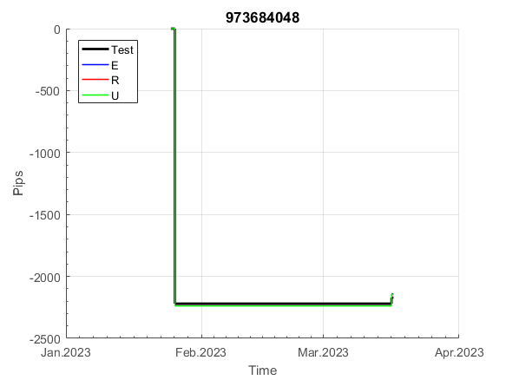
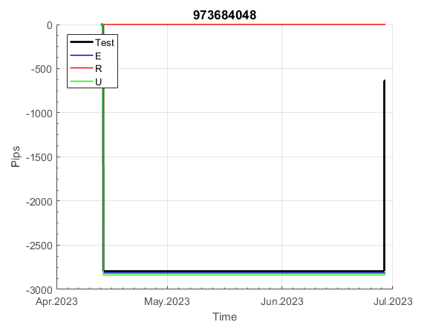
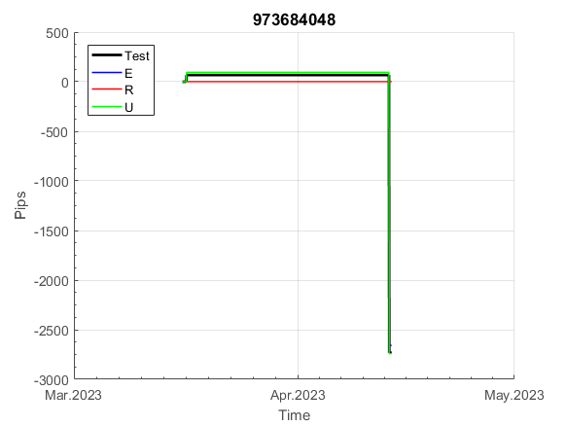
INFO | SymPer | Pip/Y | Trd/Y | RF=MaxPrf/Y/DD | PF | DD/LastDD | iDD | MO/Spred | SD | MO/SD | iRF=MaxPrf/iDD | W/L*W% | = | RISK=PF*RF | Magic | Mod | HL | HLk | TR | TRk | IN | Ik | Del | BrkBck | Inv | D | Iprice | S | P | PM1 | PM2 | Tk | TS | Out | OTr | Oprc | OD | Oprf | Wknd | A | a | AtrLim | tk | T0 | T1 | tp | start | 37987 | 37991 | 2004-01-06 | 2004-01-07 | 2004-01-08 | 2004-01-12 | 2004-01-13 | 2004-01-14 | 2004-01-15 | 2004-01-19 | 2004-01-20 | 2004-01-21 | 2004-01-22 | 2004-01-26 | 2004-01-27 | 2004-01-28 | 2004-01-29 | 2004-02-02 | 2004-02-03 | 2004-02-04 | 2004-02-05 | 2004-02-09 | 2004-02-10 | 2004-02-11 | 2004-02-12 | 2004-02-16 | 2004-02-17 | 2004-02-18 | 2004-02-19 | 2004-02-23 | 2004-02-24 | 2004-02-25 | 2004-02-26 | 2004-03-01 | 2004-03-02 | 2004-03-03 | 2004-03-04 | 2004-03-08 | 2004-03-09 | 2004-03-10 | 2004-03-11 | 2004-03-15 | 2004-03-16 | 2004-03-17 | 2004-03-18 | 2004-03-22 | 2004-03-23 | 2004-03-24 | 2004-03-25 | 2004-03-29 | 2004-03-30 | 2004-03-31 | 2004-04-01 | 2004-04-05 | 2004-04-06 | 2004-04-07 | 2004-04-08 | 2004-04-12 | 2004-04-13 | 2004-04-14 | 2004-04-15 | 2004-04-19 | 2004-04-20 | 2004-04-21 | 2004-04-22 | 2004-04-26 | 2004-04-27 | 2004-04-28 | 2004-04-29 | 2004-05-03 | 2004-05-04 | 2004-05-05 | 2004-05-06 | 2004-05-10 | 2004-05-11 | 2004-05-12 | 2004-05-13 | 2004-05-17 | 2004-05-18 | 2004-05-19 | 2004-05-20 | 2004-05-24 | 2004-05-25 | 2004-05-26 | 2004-05-27 | 2004-05-31 | 2004-06-11 | 2004-06-14 | 2004-06-15 | 2004-06-16 | 2004-06-17 | 2004-06-18 | 2004-06-21 | 2004-06-22 | 2004-06-23 | 2004-06-24 | 2004-06-25 | 2004-06-28 | 2004-06-29 | 2004-06-30 | 2004-07-01 | 2004-07-02 | 2004-07-06 | 2004-07-07 | 2004-07-08 | 2004-07-09 | 2004-07-12 | 2004-07-13 | 2004-07-14 | 2004-07-15 | 2004-07-16 | 2004-07-19 | 2004-07-20 | 2004-07-21 | 2004-07-22 | 2004-07-23 | 2004-07-26 | 2004-07-27 | 2004-07-28 | 2004-07-29 | 2004-07-30 | 2004-08-02 | 2004-08-03 | 2004-08-04 | 2004-08-05 | 2004-08-06 | 2004-08-09 | 2004-08-10 | 2004-08-11 | 2004-08-12 | 2004-08-13 | 2004-08-16 | 2004-08-17 | 2004-08-18 | 2004-08-19 | 2004-08-20 | 2004-08-23 | 2004-08-24 | 2004-08-25 | 2004-08-26 | 2004-08-27 | 2004-08-30 | 2004-08-31 | 2004-09-01 | 2004-09-02 | 2004-09-03 | 2004-09-07 | 2004-09-08 | 2004-09-09 | 2004-09-10 | 2004-09-13 | 2004-09-14 | 2004-09-15 | 2004-09-16 | 2004-09-17 | 2004-09-20 | 2004-09-21 | 2004-09-22 | 2004-09-23 | 2004-09-24 | 2004-09-27 | 2004-09-28 | 2004-09-29 | 2004-09-30 | 2004-10-01 | 2004-10-04 | 2004-10-05 | 2004-10-06 | 2004-10-07 | 2004-10-08 | 2004-10-11 | 2004-10-12 | 2004-10-13 | 2004-10-14 | 2004-10-15 | 2004-10-18 | 2004-10-19 | 2004-10-20 | 2004-10-21 | 2004-10-22 | 2004-10-25 | 2004-10-26 | 2004-10-27 | 2004-10-28 | 2004-10-29 | 2004-11-01 | 2004-11-02 | 2004-11-03 | 2004-11-04 | 2004-11-05 | 2004-11-08 | 2004-11-09 | 2004-11-10 | 2004-11-11 | 2004-11-12 | 2004-11-15 | 2004-11-16 | 2004-11-17 | 2004-11-18 | 2004-11-19 | 2004-11-22 | 2004-11-23 | 2004-11-24 | 2004-11-26 | 2004-11-29 | 2004-11-30 | 2004-12-01
FA$T200.925 2006.01.03-2023.09.11, Sprd=100, StpLev=100, Swaps=-13.89, OPT-2007.01.02-2020.01.02 | XAUUSD30 | 247 | 6 | 0.43 | 2.58 | 611_346 | 1007 | 0.41 | 103 | 3.9 | 43 | 1.0*74 = | 78 | 1.1 | 973684048 | 2 | 5 | 5 | 0 | 9 | 6 | 8 | 1 | -1 | 0 | -3 | 1 | 6 | -2 | 0 | 0 | 0 | 0 | 0 | 1 | 2 | 2 | -3 | 1 | 15 | 5 | 0 | 0 | 4 | 7 | 2 |  | 0 | 0 | 0 | 0 | 0 | -9 | -82 | -90 | -2 | -25 | 71 | 73 | 219 | 219 | 219 | 219 | 219 | 219 | 219 | 219 | 219 | 219 | 219 | 219 | 219 | 219 | 219 | 219 | 219 | 219 | 219 | 219 | 219 | 219 | 219 | 219 | 219 | 219 | 219 | 219 | 219 | 219 | 219 | 219 | 219 | 219 | 219 | 219 | 219 | 219 | 219 | 219 | 219 | 219 | 219 | 219 | 219 | 219 | 219 | 177 | 149 | 220 | 220 | 220 | 220 | 220 | 220 | 220 | 220 | 220 | 220 | 220 | 220 | 220 | 220 | 220 | 220 | 220 | 220 | 220 | 163 | 170 | 219 | 219 | 219 | 219 | 219 | 219 | 219 | 219 | 237 | 379 | 379 | 379 | 379 | 379 | 379 | 379 | 379 | 379 | 379 | 379 | 379 | 379 | 379 | 379 | 379 | 379 | 379 | 379 | 379 | 379 | 379 | 244 | 249 | 459 | 459 | 459 | 459 | 459 | 459 | 459 | 459 | 459 | 459 | 459 | 459 | 459 | 459 | 459 | 459 | 459 | 459 | 459 | 459 | 459 | 459 | 459 | 441 | 417 | 457 | 457 | 457 | 457 | 457 | 457 | 457 | 457 | 457 | 457 | 457 | 457 | 457 | 457 | 457 | 457 | 457 | 457 | 457 | 457 | 457 | 457 | 457 | 457 | 457 | 457 | 457 | 457 | 457 | 457 | 457 | 457 | 457 | 457 | 457 | 457 | 457 | 457 | 457 | 457 | 457 | 457 | 457 | 457 | 457 | 457 | 457 | 457 | 457 | 457 | 457 | 457 | 432 | 434 | 459 | 459 | 459 | 459 | 459 | 459 | 459 | 459 | 459 | 459 | 459 | 459 | 459

 |  |  |  |  |  |  |  |  |  |  |  |  |  |  |  |  |  |  |  |  |  |  |  | #DIV/0!
 |  |  |  |  |  |  |  |  |  |  |  |  |  |  |  |  |  |  |  |  |  |  |  | #DIV/0!
 |  |  |  |  |  |  |  |  |  |  |  |  |  |  |  |  |  |  |  |  |  |  |  | #DIV/0!
 |  |  |  |  |  |  |  |  |  |  |  |  |  |  |  |  |  |  |  |  |  |  |  | #DIV/0!

