1123
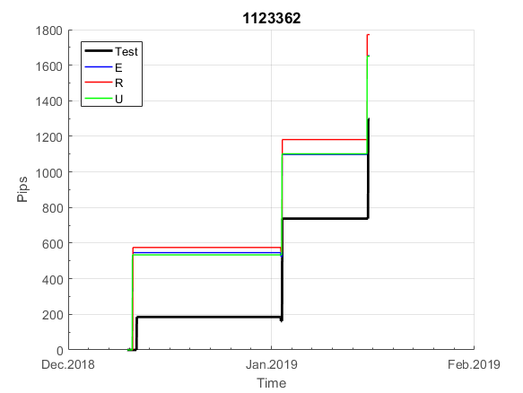
INFO | SymPer | Pip/Y | Trades/Y | RF=MaxProfit/Years/MaxDD | PF | DD/LastDD | iDD | MO/Spred | SD | MO/SD | iRF=MaxProfit/iDD | W/L*W% | PF*RF | RISK=MidLoss/MaxDD | -Magic- | HL= | HLk= | TR= | TRk= | PerCnt= | Itr= | IN= | Ik= | Irev= | Del= | Rev= | D= | Iprice= | S= | P= | PM= | Pm= | T= | TS= | Tk= | TM= | Tm= | Op= | OUT= | Ok= | Orev= | Oprice= | A= | a= | tk= | T0= | T1= | tp= | NULL
Ye$$ 2004.01.01-2019.05.10, Sprd=50, StpLev=0, Swaps=-6.60, OPT-2010.01.04-2017.12.29 | EURUSD60 | 184 | 12 | 0.37 | 1.63 | 503_54 | 1117 | 0.31 | 68 | 5 | 14 | 0.75*70 | 0.6 | 1.6 | 1123362 | 1 | 4 | 1 | 1 | 1 | 0 | 2 | 6 | -1 | 1 | 0 | 0 | 2 | 9 | 10 | 1 | 4 | 4 | 1 | 2 | 1 | 2 | 5 | 3 | 2 | 1 | 2 | 15 | 5 | 1 | 5 | 5 | 6 | 0 | 0 | 0 | 0 | 0 | -2 | 46.69 | 63.69 | 63.69 | 63.69 | 63.69 | 63.69 | 63.69 | 63.69 | 63.69 | 63.69 | 63.69 | 63.69 | 63.69 | 63.69 | 63.69 | 63.69 | 63.69 | 63.69 | 63.69 | 63.69 | 63.69 | 63.69 | 63.69 | 63.69 | 63.69 | 63.69 | 63.69 | 63.69 | 63.69 | 63.69 | 63.69 | 63.69 | 63.69 | 63.69 | 63.69 | 63.69 | 63.69 | 63.69 | 63.69 | 63.69 | 63.69 | 63.69 | 63.69 | 63.69 | 63.69 | 63.69 | 31.69 | 176.29 | 176.29 | 176.29 | 176.29 | 176.29 | 176.29 | 176.29 | 176.29 | 176.29 | 176.29 | 176.29 | 176.29 | 176.29 | 176.29 | 176.29 | 176.29 | 176.29 | 176.29 | 176.29 | 176.29 | 176.29 | 176.29 | 176.29 | 151.79 | 111.28 | 111.28 | 111.28 | 111.28 | 111.28 | 111.28 | 111.28 | 111.28 | 111.28 | 101.78 | 119.47 | 209.77 | 209.77 | 209.77 | 209.77 | 209.77 | 209.77 | 209.77 | 209.77 | 209.77 | 181.27 | 133.319 | 133.319 | 133.319 | 133.319 | 133.319 | 133.319 | 133.319 | 133.319 | 133.319 | 133.319 | 133.319 | 133.319 | 133.319 | 133.319 | 133.319 | 133.319 | 133.319 | 133.319 | 133.319 | 133.319 | 133.319 | 133.319 | 133.319 | 133.319 | 133.319 | 133.319 | 133.319 | 118.819 | 228.219 | 228.219 | 210.219 | 156.17 | 152.819 | 130.869 | 130.869 | 130.869 | 130.869 | 130.869 | 130.869 | 130.869 | 130.869 | 130.869 | 130.869 | 130.869 | 130.869 | 130.869 | 130.869 | 130.869 | 130.869 | 130.869 | 130.869 | 130.869 | 130.869 | 130.869 | 130.869 | 130.869 | 130.869 | 130.869 | 130.869 | 130.869 | 130.869 | 130.869 | 130.869 | 130.869 | 130.869 | 130.869 | 130.869 | 130.869 | 130.869 | 130.869 | 130.869 | 130.869 | 130.869 | 130.869 | 130.869 | 130.869 | 130.869 | 130.869 | 130.869 | 130.869 | 130.869 | 130.869 | 130.869 | 130.869 | 130.869 | 130.869 | 130.869 | 130.869 | 130.869 | 130.869 | 130.869 | 130.869 | 130.869 | 130.869 | 130.869 | 130.869 | 130.869 | 130.869 | 130.869 | 130.869 | 130.869 | 130.869 | 130.869 | 130.869 | 130.869 | 130.869 | 130.869 | 130.869 | 130.869
Ye$$ 2004.01.01-2019.05.31, Sprd=50, StpLev=0, Swaps=-6.60, OPT-2010.01.04-2017.12.29 | EURUSD60 | 180 | 12 | 0.37 | 1.62 | 503_94 | 1115 | 0.31 | 68 | 5 | 14 | 0.76*70 | 0.6 | 1.6 | 1123362 | 1 | 4 | 1 | 1 | 1 | 0 | 2 | 6 | -1 | 1 | 0 | 0 | 2 | 9 | 10 | 1 | 4 | 4 | 1 | 2 | 1 | 2 | 5 | 3 | 2 | 1 | 2 | 15 | 5 | 1 | 5 | 5 | 6 | 0 | 0 | 0 | 0 | 0 | -2 | 46.69 | 63.69 | 63.69 | 63.69 | 63.69 | 63.69 | 63.69 | 63.69 | 63.69 | 63.69 | 63.69 | 63.69 | 63.69 | 63.69 | 63.69 | 63.69 | 63.69 | 63.69 | 63.69 | 63.69 | 63.69 | 63.69 | 63.69 | 63.69 | 63.69 | 63.69 | 63.69 | 63.69 | 63.69 | 63.69 | 63.69 | 63.69 | 63.69 | 63.69 | 63.69 | 63.69 | 63.69 | 63.69 | 63.69 | 63.69 | 63.69 | 63.69 | 63.69 | 63.69 | 63.69 | 63.69 | 31.69 | 176.29 | 176.29 | 176.29 | 176.29 | 176.29 | 176.29 | 176.29 | 176.29 | 176.29 | 176.29 | 176.29 | 176.29 | 176.29 | 176.29 | 176.29 | 176.29 | 176.29 | 176.29 | 176.29 | 176.29 | 176.29 | 176.29 | 176.29 | 151.79 | 111.28 | 111.28 | 111.28 | 111.28 | 111.28 | 111.28 | 111.28 | 111.28 | 111.28 | 101.78 | 119.47 | 209.77 | 209.77 | 209.77 | 209.77 | 209.77 | 209.77 | 209.77 | 209.77 | 209.77 | 181.27 | 133.319 | 133.319 | 133.319 | 133.319 | 133.319 | 133.319 | 133.319 | 133.319 | 133.319 | 133.319 | 133.319 | 133.319 | 133.319 | 133.319 | 133.319 | 133.319 | 133.319 | 133.319 | 133.319 | 133.319 | 133.319 | 133.319 | 133.319 | 133.319 | 133.319 | 133.319 | 133.319 | 118.819 | 228.219 | 228.219 | 210.219 | 156.17 | 152.819 | 130.869 | 130.869 | 130.869 | 130.869 | 130.869 | 130.869 | 130.869 | 130.869 | 130.869 | 130.869 | 130.869 | 130.869 | 130.869 | 130.869 | 130.869 | 130.869 | 130.869 | 130.869 | 130.869 | 130.869 | 130.869 | 130.869 | 130.869 | 130.869 | 130.869 | 130.869 | 130.869 | 130.869 | 130.869 | 130.869 | 130.869 | 130.869 | 130.869 | 130.869 | 130.869 | 130.869 | 130.869 | 130.869 | 130.869 | 130.869 | 130.869 | 130.869 | 130.869 | 130.869 | 130.869 | 130.869 | 130.869 | 130.869 | 130.869 | 130.869 | 130.869 | 130.869 | 130.869 | 130.869 | 130.869 | 130.869 | 130.869 | 130.869 | 130.869 | 130.869 | 130.869 | 130.869 | 130.869 | 130.869 | 130.869 | 130.869 | 130.869 | 130.869 | 130.869 | 130.869 | 130.869 | 130.869 | 130.869 | 130.869 | 130.869 | 130.869

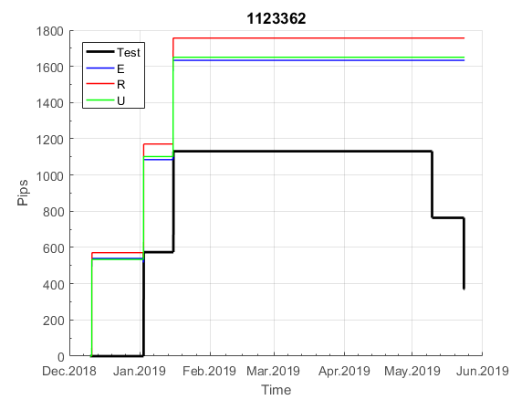
 | 1123362 | 1123362
 | 63.69 | 63.69
 | 63.69 | 63.69
 | 63.69 | 63.69
 | 63.69 | 63.69
 | 63.69 | 63.69
 | 63.69 | 63.69
 | 63.69 | 63.69
 | 63.69 | 63.69
 | 63.69 | 63.69
 | 63.69 | 63.69
 | 63.69 | 63.69
 | 63.69 | 63.69
 | 63.69 | 63.69
 | 63.69 | 63.69
 | 63.69 | 63.69
 | 63.69 | 63.69
 | 63.69 | 63.69
 | 63.69 | 63.69
 | 63.69 | 63.69
 | 63.69 | 63.69
 | 63.69 | 63.69
 | 63.69 | 63.69
 | 63.69 | 63.69
 | 63.69 | 63.69
 | 63.69 | 63.69
 | 63.69 | 63.69
 | 63.69 | 63.69
 | 63.69 | 63.69
 | 63.69 | 63.69
 | 63.69 | 63.69
 | 63.69 | 63.69
 | 63.69 | 63.69
 | 63.69 | 63.69
 | 63.69 | 63.69
 | 63.69 | 63.69
 | 63.69 | 63.69
 | 63.69 | 63.69
 | 63.69 | 63.69
 | 63.69 | 63.69
 | 63.69 | 63.69
 | 63.69 | 63.69
 | 63.69 | 63.69
 | 63.69 | 63.69
 | 31.69 | 31.69
 | 176.29 | 176.29
 | 176.29 | 176.29
 | 176.29 | 176.29
 | 176.29 | 176.29
 | 176.29 | 176.29
 | 176.29 | 176.29
...

137
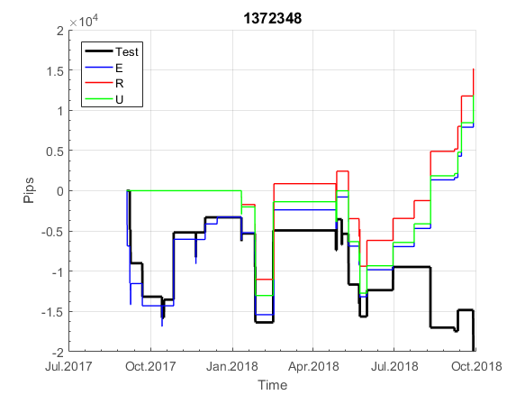
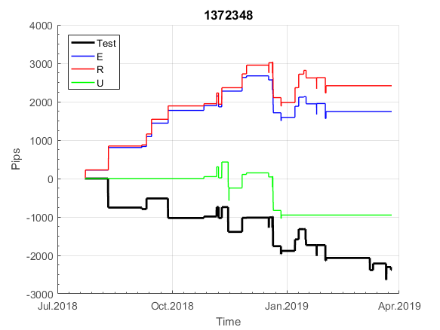
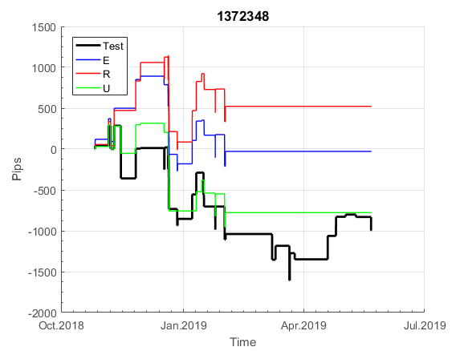
INFO | SymPer | Pip/Y | Trades/Y | RF=MaxProfit/Years/MaxDD | PF | DD/LastDD | iDD | MO/Spred | SD | MO/SD | iRF=MaxProfit/iDD | W/L*W% | PF*RF | RISK=MidLoss/MaxDD | -Magic- | HL= | HLk= | TR= | TRk= | PerCnt= | Itr= | IN= | Ik= | Irev= | Del= | Rev= | D= | Iprice= | S= | P= | PM= | Pm= | T= | TS= | Tk= | TM= | Tm= | Op= | OUT= | Ok= | Orev= | Oprice= | A= | a= | tk= | T0= | T1= | tp= | NULL
Ye$$ 2004.01.01-2019.05.10, Sprd=50, StpLev=0, Swaps=-6.60, OPT-2008.01.02-2015.03.13 | EURUSD60 | 259 | 37 | 0.51 | 1.48 | 558_466 | 1290 | 0.14 | 37 | 4 | 6 | 1.30*55 | 0.8 | 0.6 | 1372348 | 1 | 2 | 3 | 5 | 0 | 1 | 7 | 8 | 1 | 0 | 2 | 3 | 2 | 3 | 9 | 3 | 4 | 6 | 0 | 1 | 0 | 0 | 3 | 2 | 5 | 1 | 1 | 30 | 5 | 0 | 6 | 8 | -1 | 0 | 0 | 0 | 0 | 0 | 0 | 0 | 0 | 0 | 0 | 13.09 | 26.579 | 51.68 | 51.68 | 51.68 | 51.68 | 86.829 | 109.03 | 109.03 | 40.23 | 40.23 | 40.23 | 40.23 | 40.23 | -1.119 | -6.469 | 35.13 | 35.13 | 35.13 | 35.13 | 35.13 | -10.879 | 24.12 | 6.72 | -6.209 | 17.39 | 26.94 | 44.74 | 44.74 | 44.74 | 44.74 | 44.74 | 44.74 | 44.74 | 44.74 | 44.74 | 44.74 | 44.74 | 44.74 | 44.74 | 44.74 | 69.33 | 74.33 | 74.33 | 74.33 | 74.33 | 74.33 | 74.33 | 74.33 | 74.33 | 74.33 | 74.33 | 74.33 | 74.33 | 74.33 | 74.33 | 74.33 | 74.33 | 74.33 | 74.33 | 74.33 | 136.88 | 141.88 | 141.88 | 141.88 | 141.88 | 141.88 | 141.88 | 141.88 | 141.88 | 141.88 | 141.88 | 141.88 | 141.88 | 141.88 | 141.88 | 141.88 | 141.88 | 141.88 | 141.88 | 141.88 | 141.88 | 141.88 | 141.88 | 141.88 | 141.88 | 221.43 | 265.43 | 265.43 | 265.43 | 265.43 | 265.43 | 265.43 | 265.43 | 265.43 | 265.43 | 265.43 | 265.43 | 265.43 | 265.43 | 265.43 | 265.43 | 265.43 | 265.43 | 265.43 | 265.43 | 265.43 | 265.43 | 265.43 | 265.43 | 265.43 | 265.43 | 265.43 | 265.43 | 265.43 | 265.43 | 265.43 | 265.43 | 265.43 | 265.43 | 265.43 | 265.43 | 265.43 | 265.43 | 265.43 | 265.43 | 265.02 | 270.02 | 270.02 | 270.02 | 270.02 | 270.02 | 270.02 | 270.02 | 270.02 | 264.62 | 173.91 | 173.91 | 173.91 | 173.91 | 173.91 | 173.91 | 159.91 | 161.56 | 211.46 | 211.46 | 211.46 | 211.46 | 211.46 | 211.46 | 211.46 | 223.55 | 249.25 | 249.25 | 249.25 | 249.25 | 272.94 | 290.34 | 290.34 | 290.34 | 290.34 | 290.34 | 290.34 | 290.34 | 290.34 | 290.34 | 290.34 | 290.34 | 290.34 | 290.34 | 277.64 | 302.29 | 309.29 | 309.29 | 309.29 | 285.59 | 282.28 | 297.38 | 297.38 | 297.38 | 297.38 | 297.38 | 297.38 | 297.38 | 297.38 | 297.38 | 297.38 | 297.38 | 297.38 | 290.58 | 276.27 | 285.07 | 285.07 | 285.07 | 285.07 | 285.07 | 285.07
Ye$$ 2004.01.01-2019.05.31, Sprd=50, StpLev=0, Swaps=-6.60, OPT-2008.01.02-2015.03.13 | EURUSD60 | 257 | 37 | 0.51 | 1.48 | 558_482 | 1296 | 0.14 | 37 | 4 | 6 | 1.30*55 | 0.8 | 0.6 | 1372348 | 1 | 2 | 3 | 5 | 0 | 1 | 7 | 8 | 1 | 0 | 2 | 3 | 2 | 3 | 9 | 3 | 4 | 6 | 0 | 1 | 0 | 0 | 3 | 2 | 5 | 1 | 1 | 30 | 5 | 0 | 6 | 8 | -1 | 0 | 0 | 0 | 0 | 0 | 0 | 0 | 0 | 0 | 0 | 13.09 | 26.579 | 51.68 | 51.68 | 51.68 | 51.68 | 86.829 | 109.03 | 109.03 | 40.23 | 40.23 | 40.23 | 40.23 | 40.23 | -1.119 | -6.469 | 35.13 | 35.13 | 35.13 | 35.13 | 35.13 | -10.879 | 24.12 | 6.72 | -6.209 | 17.39 | 26.94 | 44.74 | 44.74 | 44.74 | 44.74 | 44.74 | 44.74 | 44.74 | 44.74 | 44.74 | 44.74 | 44.74 | 44.74 | 44.74 | 44.74 | 69.33 | 74.33 | 74.33 | 74.33 | 74.33 | 74.33 | 74.33 | 74.33 | 74.33 | 74.33 | 74.33 | 74.33 | 74.33 | 74.33 | 74.33 | 74.33 | 74.33 | 74.33 | 74.33 | 74.33 | 136.88 | 141.88 | 141.88 | 141.88 | 141.88 | 141.88 | 141.88 | 141.88 | 141.88 | 141.88 | 141.88 | 141.88 | 141.88 | 141.88 | 141.88 | 141.88 | 141.88 | 141.88 | 141.88 | 141.88 | 141.88 | 141.88 | 141.88 | 141.88 | 141.88 | 221.43 | 265.43 | 265.43 | 265.43 | 265.43 | 265.43 | 265.43 | 265.43 | 265.43 | 265.43 | 265.43 | 265.43 | 265.43 | 265.43 | 265.43 | 265.43 | 265.43 | 265.43 | 265.43 | 265.43 | 265.43 | 265.43 | 265.43 | 265.43 | 265.43 | 265.43 | 265.43 | 265.43 | 265.43 | 265.43 | 265.43 | 265.43 | 265.43 | 265.43 | 265.43 | 265.43 | 265.43 | 265.43 | 265.43 | 265.43 | 265.02 | 270.02 | 270.02 | 270.02 | 270.02 | 270.02 | 270.02 | 270.02 | 270.02 | 264.62 | 173.91 | 173.91 | 173.91 | 173.91 | 173.91 | 173.91 | 159.91 | 161.56 | 211.46 | 211.46 | 211.46 | 211.46 | 211.46 | 211.46 | 211.46 | 223.55 | 249.25 | 249.25 | 249.25 | 249.25 | 272.94 | 290.34 | 290.34 | 290.34 | 290.34 | 290.34 | 290.34 | 290.34 | 290.34 | 290.34 | 290.34 | 290.34 | 290.34 | 290.34 | 277.64 | 302.29 | 309.29 | 309.29 | 309.29 | 285.59 | 282.28 | 297.38 | 297.38 | 297.38 | 297.38 | 297.38 | 297.38 | 297.38 | 297.38 | 297.38 | 297.38 | 297.38 | 297.38 | 290.58 | 276.27 | 285.07 | 285.07 | 285.07 | 285.07 | 285.07 | 285.07


 | 1372348 | 1372348
 | 0 | 0
 | 13.09 | 13.09
 | 26.579 | 26.579
 | 51.68 | 51.68
 | 51.68 | 51.68
 | 51.68 | 51.68
 | 51.68 | 51.68
 | 86.829 | 86.829
 | 109.03 | 109.03
 | 109.03 | 109.03
 | 40.23 | 40.23
 | 40.23 | 40.23
 | 40.23 | 40.23
 | 40.23 | 40.23
 | 40.23 | 40.23
 | -1.119 | -1.119
 | -6.469 | -6.469
 | 35.13 | 35.13
 | 35.13 | 35.13
 | 35.13 | 35.13
 | 35.13 | 35.13
 | 35.13 | 35.13
 | -10.879 | -10.879
 | 24.12 | 24.12
 | 6.72 | 6.72
 | -6.209 | -6.209
 | 17.39 | 17.39
 | 26.94 | 26.94
 | 44.74 | 44.74
 | 44.74 | 44.74
 | 44.74 | 44.74
 | 44.74 | 44.74
 | 44.74 | 44.74
 | 44.74 | 44.74
 | 44.74 | 44.74
 | 44.74 | 44.74
 | 44.74 | 44.74
 | 44.74 | 44.74
 | 44.74 | 44.74
 | 44.74 | 44.74
 | 44.74 | 44.74
 | 44.74 | 44.74
 | 69.33 | 69.33
 | 74.33 | 74.33
 | 74.33 | 74.33
 | 74.33 | 74.33
 | 74.33 | 74.33
 | 74.33 | 74.33
 | 74.33 | 74.33
 | 74.33 | 74.33
...

311
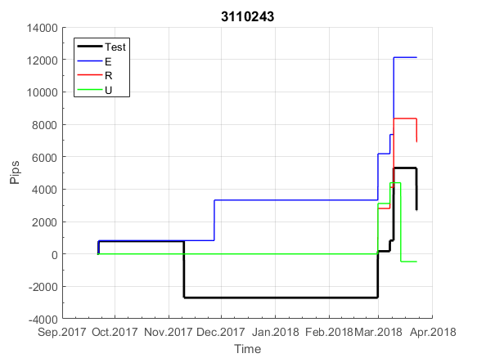
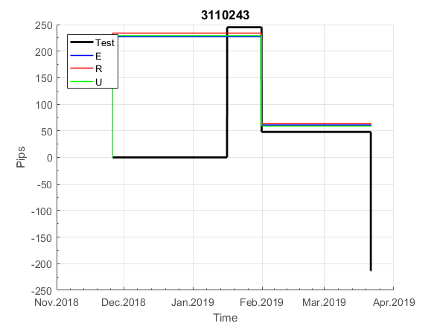
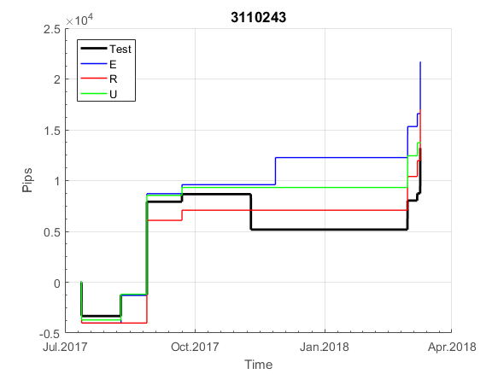
INFO | SymPer | Pip/Y | Trades/Y | RF=MaxProfit/Years/MaxDD | PF | DD/LastDD | iDD | MO/Spred | SD | MO/SD | iRF=MaxProfit/iDD | W/L*W% | PF*RF | RISK=MidLoss/MaxDD | -Magic- | HL= | HLk= | TR= | TRk= | PerCnt= | Itr= | IN= | Ik= | Irev= | Del= | Rev= | D= | Iprice= | S= | P= | PM= | Pm= | T= | TS= | Tk= | TM= | Tm= | Op= | OUT= | Ok= | Orev= | Oprice= | A= | a= | tk= | T0= | T1= | tp= | NULL
Ye$$ 2004.01.01-2019.05.10, Sprd=50, StpLev=0, Swaps=-6.60, OPT-2008.01.02-2015.09.30 | EURUSD60 | 119 | 11 | 0.38 | 1.69 | 341_193 | 684 | 0.23 | 49 | 5 | 18 | 1.74*53 | 0.6 | 1 | 3110243 | 2 | 4 | 10 | 5 | 2 | 1 | 11 | 4 | 1 | 0 | 0 | 5 | 1 | 4 | 9 | 2 | 1 | 7 | 0 | 1 | 1 | 1 | -1 | 0 | 0 | -1 | 0 | 30 | 5 | 0 | 3 | 7 | -1 | 0 | 0 | 0 | 0 | 0 | 0 | 0 | 0 | 0 | 0 | 0 | 0 | 0 | 0 | 0 | 0 | 0 | 0 | 0 | 0 | 0 | 0 | 0 | 0 | 0 | 0 | 0 | 0 | 0 | 0 | 0 | 0 | 0 | 0 | 0 | 0 | 0 | 0 | 0 | 0 | 0 | 0 | 0 | 0 | 0 | 0 | 0 | 0 | 0 | 0 | 0 | 0 | 0 | 0 | 0 | 0 | 0 | 0 | 0 | 0 | 0 | 0 | 0 | 0 | 0 | 0 | 0 | 0 | 0 | 0 | 0 | 0 | 0 | 0 | 0 | 0 | 0 | 0 | 0 | 0 | 0 | 0 | 0 | 0 | 0 | 0 | 0 | 0 | 0 | 0 | 0 | 0 | -16.2 | 27.489 | 64.489 | 64.489 | 64.489 | 64.489 | 64.489 | 64.489 | 64.489 | 64.489 | 64.489 | 64.489 | 64.489 | 64.489 | 64.489 | 64.489 | 64.489 | 64.489 | 64.489 | 64.489 | 64.489 | 64.489 | 64.489 | 64.489 | 64.489 | 64.489 | 64.489 | 64.489 | 64.489 | 64.489 | 64.489 | 64.489 | 64.489 | 64.489 | 64.489 | 64.489 | 64.489 | 64.489 | 64.489 | 64.489 | 64.489 | 64.489 | 64.489 | 64.489 | 64.489 | 64.489 | 64.489 | 64.489 | 64.489 | 64.489 | 64.489 | 64.489 | 64.489 | 64.489 | 64.489 | 64.489 | 64.489 | 64.489 | 64.489 | 64.489 | 64.489 | 64.489 | 64.489 | 64.489 | 64.489 | 64.489 | 64.489 | 64.489 | 64.489 | 210.68 | 210.68 | 210.68 | 210.68 | 210.68 | 210.68 | 210.68 | 210.68 | 210.68 | 210.68 | 210.68 | 210.68 | 210.68 | 210.68 | 210.68 | 210.68 | 210.68 | 210.68 | 210.68 | 210.68 | 210.68 | 210.68 | 210.68 | 210.68 | 210.68 | 210.68 | 210.68 | 210.68 | 210.68 | 210.68 | 210.68 | 210.68 | 210.68 | 210.68 | 210.68 | 210.68 | 210.68 | 210.68 | 210.68 | 210.68 | 210.68 | 210.68 | 210.68 | 210.68 | 210.68 | 210.68
Ye$$ 2004.01.01-2019.05.31, Sprd=50, StpLev=0, Swaps=-6.60, OPT-2008.01.02-2015.09.30 | EURUSD60 | 117 | 11 | 0.38 | 1.67 | 341_216 | 691 | 0.22 | 49 | 5 | 18 | 1.74*53 | 0.6 | 1 | 3110243 | 2 | 4 | 10 | 5 | 2 | 1 | 11 | 4 | 1 | 0 | 0 | 5 | 1 | 4 | 9 | 2 | 1 | 7 | 0 | 1 | 1 | 1 | -1 | 0 | 0 | -1 | 0 | 30 | 5 | 0 | 3 | 7 | -1 | 0 | 0 | 0 | 0 | 0 | 0 | 0 | 0 | 0 | 0 | 0 | 0 | 0 | 0 | 0 | 0 | 0 | 0 | 0 | 0 | 0 | 0 | 0 | 0 | 0 | 0 | 0 | 0 | 0 | 0 | 0 | 0 | 0 | 0 | 0 | 0 | 0 | 0 | 0 | 0 | 0 | 0 | 0 | 0 | 0 | 0 | 0 | 0 | 0 | 0 | 0 | 0 | 0 | 0 | 0 | 0 | 0 | 0 | 0 | 0 | 0 | 0 | 0 | 0 | 0 | 0 | 0 | 0 | 0 | 0 | 0 | 0 | 0 | 0 | 0 | 0 | 0 | 0 | 0 | 0 | 0 | 0 | 0 | 0 | 0 | 0 | 0 | 0 | 0 | 0 | 0 | 0 | -16.2 | 27.489 | 64.489 | 64.489 | 64.489 | 64.489 | 64.489 | 64.489 | 64.489 | 64.489 | 64.489 | 64.489 | 64.489 | 64.489 | 64.489 | 64.489 | 64.489 | 64.489 | 64.489 | 64.489 | 64.489 | 64.489 | 64.489 | 64.489 | 64.489 | 64.489 | 64.489 | 64.489 | 64.489 | 64.489 | 64.489 | 64.489 | 64.489 | 64.489 | 64.489 | 64.489 | 64.489 | 64.489 | 64.489 | 64.489 | 64.489 | 64.489 | 64.489 | 64.489 | 64.489 | 64.489 | 64.489 | 64.489 | 64.489 | 64.489 | 64.489 | 64.489 | 64.489 | 64.489 | 64.489 | 64.489 | 64.489 | 64.489 | 64.489 | 64.489 | 64.489 | 64.489 | 64.489 | 64.489 | 64.489 | 64.489 | 64.489 | 64.489 | 64.489 | 210.68 | 210.68 | 210.68 | 210.68 | 210.68 | 210.68 | 210.68 | 210.68 | 210.68 | 210.68 | 210.68 | 210.68 | 210.68 | 210.68 | 210.68 | 210.68 | 210.68 | 210.68 | 210.68 | 210.68 | 210.68 | 210.68 | 210.68 | 210.68 | 210.68 | 210.68 | 210.68 | 210.68 | 210.68 | 210.68 | 210.68 | 210.68 | 210.68 | 210.68 | 210.68 | 210.68 | 210.68 | 210.68 | 210.68 | 210.68 | 210.68 | 210.68 | 210.68 | 210.68 | 210.68 | 210.68

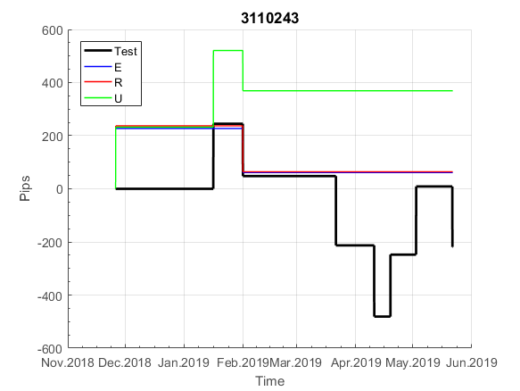
 | 3110243 | 3110243
 | 0 | 0
 | 0 | 0
 | 0 | 0
 | 0 | 0
 | 0 | 0
 | 0 | 0
 | 0 | 0
 | 0 | 0
 | 0 | 0
 | 0 | 0
 | 0 | 0
 | 0 | 0
 | 0 | 0
 | 0 | 0
 | 0 | 0
 | 0 | 0
 | 0 | 0
 | 0 | 0
 | 0 | 0
 | 0 | 0
 | 0 | 0
 | 0 | 0
 | 0 | 0
 | 0 | 0
 | 0 | 0
 | 0 | 0
 | 0 | 0
 | 0 | 0
 | 0 | 0
 | 0 | 0
 | 0 | 0
 | 0 | 0
 | 0 | 0
 | 0 | 0
 | 0 | 0
 | 0 | 0
 | 0 | 0
 | 0 | 0
 | 0 | 0
 | 0 | 0
 | 0 | 0
 | 0 | 0
 | 0 | 0
 | 0 | 0
 | 0 | 0
 | 0 | 0
 | 0 | 0
 | 0 | 0
 | 0 | 0
 | 0 | 0
...

5370
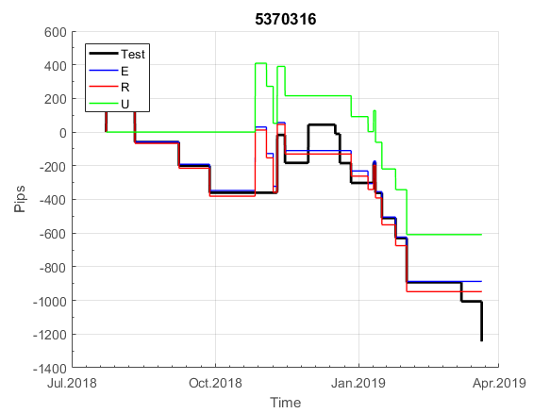
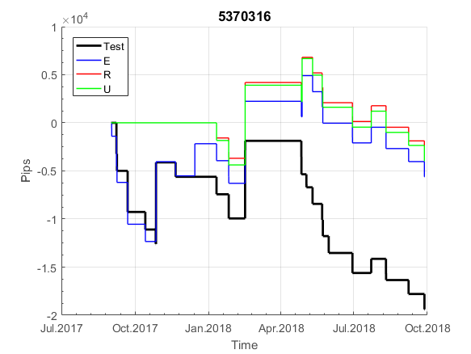
INFO | SymPer | Pip/Y | Trades/Y | RF=MaxProfit/Years/MaxDD | PF | DD/LastDD | iDD | MO/Spred | SD | MO/SD | iRF=MaxProfit/iDD | W/L*W% | PF*RF | RISK=MidLoss/MaxDD | -Magic- | HL= | HLk= | TR= | TRk= | PerCnt= | Itr= | IN= | Ik= | Irev= | Del= | Rev= | D= | Iprice= | S= | P= | PM= | Pm= | T= | TS= | Tk= | TM= | Tm= | Op= | OUT= | Ok= | Orev= | Oprice= | A= | a= | tk= | T0= | T1= | tp= | NULL
Ye$$ 2004.01.01-2019.05.10, Sprd=50, StpLev=0, Swaps=-6.60, OPT-2008.01.02-2015.09.30 | EURUSD60 | 230 | 28 | 0.57 | 1.61 | 443_351 | 1050 | 0.16 | 36 | 4 | 8 | 2.78*38 | 0.9 | 0.5 | 5370316 | 5 | 2 | 3 | 8 | 0 | 1 | 7 | 8 | 1 | 0 | 0 | 3 | 2 | 2 | 9 | 3 | 2 | 8 | 0 | 1 | 2 | 4 | -1 | 0 | 0 | -1 | 0 | 30 | 2 | 0 | 1 | 7 | -1 | 0 | 0 | 0 | 0 | 0 | 0 | 0 | 0 | 0 | 0 | -21.899 | 1.79 | 1.79 | 1.79 | 1.79 | 1.79 | 37.74 | 37.74 | 37.74 | 37.74 | 37.74 | 37.74 | 37.74 | 37.74 | 12.64 | 12.64 | 12.64 | 12.64 | 12.64 | 12.64 | 12.64 | -31.169 | -31.169 | -49.769 | -50.699 | -50.699 | -9.649 | -9.649 | -9.649 | -9.649 | -9.649 | -9.649 | -9.649 | -9.649 | -9.649 | -9.649 | -9.649 | -9.649 | -9.649 | -9.649 | -9.649 | 31.94 | 31.94 | 31.94 | 31.94 | 31.94 | 31.94 | 31.94 | 31.94 | 31.94 | 31.94 | 31.94 | 31.94 | 31.94 | 31.94 | 31.94 | 31.94 | 31.94 | 31.94 | 31.94 | 31.94 | 97.39 | 97.39 | 97.39 | 97.39 | 97.39 | 97.39 | 97.39 | 97.39 | 97.39 | 97.39 | 97.39 | 97.39 | 97.39 | 97.39 | 97.39 | 97.39 | 97.39 | 97.39 | 97.39 | 97.39 | 97.39 | 97.39 | 97.39 | 97.39 | 97.39 | 188.94 | 188.94 | 188.94 | 188.94 | 188.94 | 188.94 | 188.94 | 188.94 | 188.94 | 188.94 | 188.94 | 188.94 | 188.94 | 188.94 | 188.94 | 188.94 | 188.94 | 188.94 | 188.94 | 188.94 | 188.94 | 188.94 | 188.94 | 188.94 | 188.94 | 188.94 | 188.94 | 188.94 | 188.94 | 188.94 | 188.94 | 188.94 | 188.94 | 188.94 | 188.94 | 188.94 | 188.94 | 188.94 | 188.94 | 188.94 | 240.329 | 240.329 | 240.329 | 240.329 | 240.329 | 240.329 | 240.329 | 240.329 | 240.329 | 220.03 | 220.03 | 220.03 | 220.03 | 220.03 | 220.03 | 220.03 | 201.43 | 203.079 | 222.079 | 222.079 | 222.079 | 222.079 | 222.079 | 222.079 | 222.079 | 267.17 | 267.17 | 267.17 | 267.17 | 267.17 | 332.96 | 332.96 | 332.96 | 332.96 | 332.96 | 332.96 | 332.96 | 332.96 | 332.96 | 332.96 | 332.96 | 332.96 | 332.96 | 332.96 | 320.26 | 356.91 | 356.91 | 356.91 | 356.91 | 329.51 | 329.51 | 329.51 | 329.51 | 329.51 | 329.51 | 329.51 | 329.51 | 329.51 | 329.51 | 329.51 | 329.51 | 329.51 | 329.51 | 321.11 | 314.8 | 314.8 | 314.8 | 314.8 | 314.8 | 314.8 | 314.8
Ye$$ 2004.01.01-2019.05.31, Sprd=50, StpLev=0, Swaps=-6.60, OPT-2008.01.02-2015.09.30 | EURUSD60 | 229 | 28 | 0.57 | 1.61 | 443_361 | 1056 | 0.16 | 36 | 4 | 8 | 2.79*38 | 0.9 | 0.5 | 5370316 | 5 | 2 | 3 | 8 | 0 | 1 | 7 | 8 | 1 | 0 | 0 | 3 | 2 | 2 | 9 | 3 | 2 | 8 | 0 | 1 | 2 | 4 | -1 | 0 | 0 | -1 | 0 | 30 | 2 | 0 | 1 | 7 | -1 | 0 | 0 | 0 | 0 | 0 | 0 | 0 | 0 | 0 | 0 | -21.899 | 1.79 | 1.79 | 1.79 | 1.79 | 1.79 | 37.74 | 37.74 | 37.74 | 37.74 | 37.74 | 37.74 | 37.74 | 37.74 | 12.64 | 12.64 | 12.64 | 12.64 | 12.64 | 12.64 | 12.64 | -31.169 | -31.169 | -49.769 | -50.699 | -50.699 | -9.649 | -9.649 | -9.649 | -9.649 | -9.649 | -9.649 | -9.649 | -9.649 | -9.649 | -9.649 | -9.649 | -9.649 | -9.649 | -9.649 | -9.649 | 31.94 | 31.94 | 31.94 | 31.94 | 31.94 | 31.94 | 31.94 | 31.94 | 31.94 | 31.94 | 31.94 | 31.94 | 31.94 | 31.94 | 31.94 | 31.94 | 31.94 | 31.94 | 31.94 | 31.94 | 97.39 | 97.39 | 97.39 | 97.39 | 97.39 | 97.39 | 97.39 | 97.39 | 97.39 | 97.39 | 97.39 | 97.39 | 97.39 | 97.39 | 97.39 | 97.39 | 97.39 | 97.39 | 97.39 | 97.39 | 97.39 | 97.39 | 97.39 | 97.39 | 97.39 | 188.94 | 188.94 | 188.94 | 188.94 | 188.94 | 188.94 | 188.94 | 188.94 | 188.94 | 188.94 | 188.94 | 188.94 | 188.94 | 188.94 | 188.94 | 188.94 | 188.94 | 188.94 | 188.94 | 188.94 | 188.94 | 188.94 | 188.94 | 188.94 | 188.94 | 188.94 | 188.94 | 188.94 | 188.94 | 188.94 | 188.94 | 188.94 | 188.94 | 188.94 | 188.94 | 188.94 | 188.94 | 188.94 | 188.94 | 188.94 | 240.329 | 240.329 | 240.329 | 240.329 | 240.329 | 240.329 | 240.329 | 240.329 | 240.329 | 220.03 | 220.03 | 220.03 | 220.03 | 220.03 | 220.03 | 220.03 | 201.43 | 203.079 | 222.079 | 222.079 | 222.079 | 222.079 | 222.079 | 222.079 | 222.079 | 267.17 | 267.17 | 267.17 | 267.17 | 267.17 | 332.96 | 332.96 | 332.96 | 332.96 | 332.96 | 332.96 | 332.96 | 332.96 | 332.96 | 332.96 | 332.96 | 332.96 | 332.96 | 332.96 | 320.26 | 356.91 | 356.91 | 356.91 | 356.91 | 329.51 | 329.51 | 329.51 | 329.51 | 329.51 | 329.51 | 329.51 | 329.51 | 329.51 | 329.51 | 329.51 | 329.51 | 329.51 | 329.51 | 321.11 | 314.8 | 314.8 | 314.8 | 314.8 | 314.8 | 314.8 | 314.8

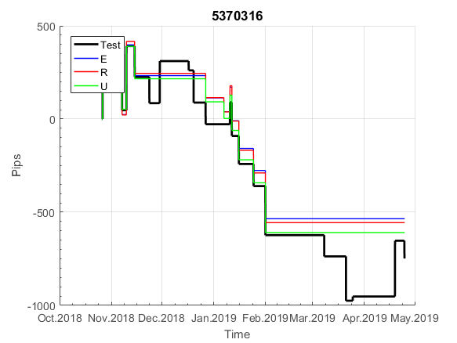
 | 5370316 | 5370316
 | 0 | 0
 | -21.899 | -21.899
 | 1.79 | 1.79
 | 1.79 | 1.79
 | 1.79 | 1.79
 | 1.79 | 1.79
 | 1.79 | 1.79
 | 37.74 | 37.74
 | 37.74 | 37.74
 | 37.74 | 37.74
 | 37.74 | 37.74
 | 37.74 | 37.74
 | 37.74 | 37.74
 | 37.74 | 37.74
 | 37.74 | 37.74
 | 12.64 | 12.64
 | 12.64 | 12.64
 | 12.64 | 12.64
 | 12.64 | 12.64
 | 12.64 | 12.64
 | 12.64 | 12.64
 | 12.64 | 12.64
 | -31.169 | -31.169
 | -31.169 | -31.169
 | -49.769 | -49.769
 | -50.699 | -50.699
 | -50.699 | -50.699
 | -9.649 | -9.649
 | -9.649 | -9.649
 | -9.649 | -9.649
 | -9.649 | -9.649
 | -9.649 | -9.649
 | -9.649 | -9.649
 | -9.649 | -9.649
 | -9.649 | -9.649
 | -9.649 | -9.649
 | -9.649 | -9.649
 | -9.649 | -9.649
 | -9.649 | -9.649
 | -9.649 | -9.649
 | -9.649 | -9.649
 | -9.649 | -9.649
 | 31.94 | 31.94
 | 31.94 | 31.94
 | 31.94 | 31.94
 | 31.94 | 31.94
 | 31.94 | 31.94
 | 31.94 | 31.94
 | 31.94 | 31.94
 | 31.94 | 31.94
...

5371
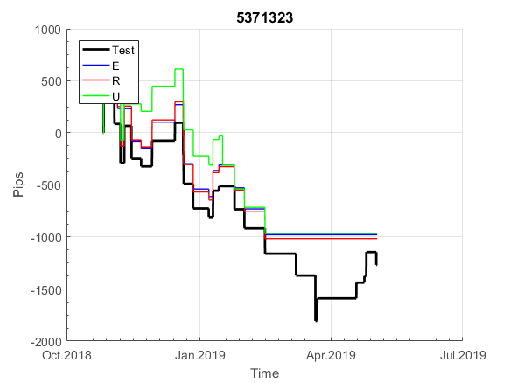
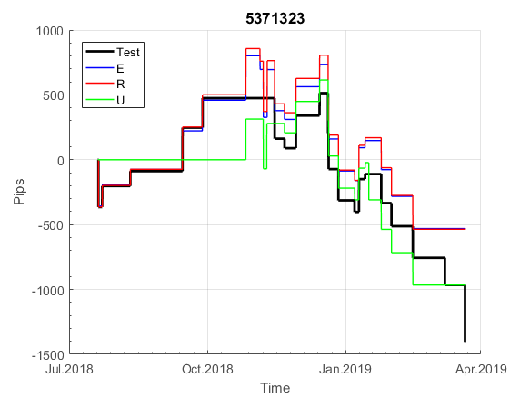
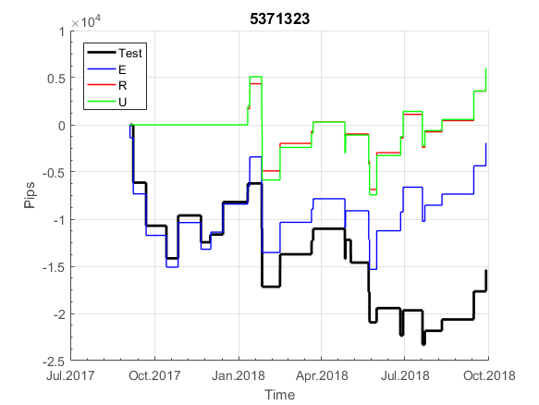
INFO | SymPer | Pip/Y | Trades/Y | RF=MaxProfit/Years/MaxDD | PF | DD/LastDD | iDD | MO/Spred | SD | MO/SD | iRF=MaxProfit/iDD | W/L*W% | PF*RF | RISK=MidLoss/MaxDD | -Magic- | HL= | HLk= | TR= | TRk= | PerCnt= | Itr= | IN= | Ik= | Irev= | Del= | Rev= | D= | Iprice= | S= | P= | PM= | Pm= | T= | TS= | Tk= | TM= | Tm= | Op= | OUT= | Ok= | Orev= | Oprice= | A= | a= | tk= | T0= | T1= | tp= | NULL
Ye$$ 2004.01.01-2019.05.10, Sprd=50, StpLev=0, Swaps=-6.60, OPT-2008.01.02-2015.12.30 | EURUSD60 | 247 | 35 | 0.64 | 1.48 | 426_384 | 964 | 0.14 | 38 | 4 | 8 | 1.24*56 | 0.9 | 0.8 | 5371323 | 5 | 2 | 3 | 7 | 2 | 1 | 7 | 8 | 1 | 1 | 0 | 3 | 2 | 4 | 9 | 2 | 4 | 4 | 0 | 1 | 0 | 0 | 3 | 1 | 9 | -1 | 1 | 20 | 3 | 0 | 8 | 7 | -1 | 0 | 0 | 0 | 0 | 0 | 0 | 0 | 0 | 0 | 0 | -36.209 | -12.519 | -12.519 | -12.519 | -12.519 | -12.519 | 27.08 | 27.08 | 27.08 | 27.08 | 27.08 | 27.08 | 27.08 | 27.08 | -17.169 | 104.03 | 104.03 | 104.03 | 104.03 | 104.03 | 104.03 | 156.03 | 156.03 | 137.43 | 136.5 | 136.5 | 136.5 | 136.5 | 136.5 | 136.5 | 136.5 | 136.5 | 136.5 | 136.5 | 171.65 | 211.35 | 211.35 | 211.35 | 211.35 | 211.35 | 195.55 | 205.25 | 205.25 | 205.25 | 205.25 | 205.25 | 205.25 | 205.25 | 205.25 | 205.25 | 205.25 | 205.25 | 205.25 | 205.25 | 205.25 | 205.25 | 205.25 | 205.25 | 205.25 | 205.25 | 205.25 | 254.05 | 254.05 | 254.05 | 254.05 | 254.05 | 254.05 | 254.05 | 254.05 | 254.05 | 254.05 | 254.05 | 254.05 | 254.05 | 254.05 | 254.05 | 254.05 | 254.05 | 254.05 | 254.05 | 254.05 | 254.05 | 254.05 | 254.05 | 254.05 | 254.05 | 297.65 | 297.65 | 297.65 | 297.65 | 297.65 | 297.65 | 297.65 | 297.65 | 297.65 | 297.65 | 297.65 | 297.65 | 297.65 | 297.65 | 297.65 | 297.65 | 297.65 | 297.65 | 297.65 | 297.65 | 297.65 | 297.65 | 297.65 | 297.65 | 297.65 | 297.65 | 297.65 | 297.65 | 297.65 | 297.65 | 297.65 | 297.65 | 297.65 | 297.65 | 297.65 | 297.65 | 297.65 | 297.65 | 297.65 | 297.65 | 339.05 | 339.05 | 339.05 | 339.05 | 339.05 | 339.05 | 339.05 | 339.05 | 339.05 | 328.15 | 335.84 | 335.84 | 335.84 | 335.84 | 335.84 | 335.84 | 317.24 | 318.89 | 361.09 | 361.09 | 361.09 | 361.09 | 361.09 | 361.09 | 361.09 | 399.59 | 399.59 | 399.59 | 399.59 | 399.59 | 443.69 | 443.69 | 443.69 | 443.69 | 443.69 | 443.69 | 443.69 | 443.69 | 443.69 | 443.69 | 443.69 | 443.69 | 443.69 | 443.69 | 430.99 | 477.79 | 477.79 | 477.79 | 477.79 | 454.09 | 456.78 | 456.78 | 456.78 | 456.78 | 456.78 | 456.78 | 456.78 | 456.78 | 456.78 | 456.78 | 456.78 | 456.78 | 456.78 | 448.38 | 476.38 | 476.38 | 476.38 | 476.38 | 476.38 | 476.38 | 466.08
Ye$$ 2004.01.01-2019.05.31, Sprd=50, StpLev=0, Swaps=-6.60, OPT-2008.01.02-2015.12.30 | EURUSD60 | 245 | 35 | 0.63 | 1.48 | 426_404 | 970 | 0.14 | 38 | 4 | 8 | 1.24*56 | 0.9 | 0.8 | 5371323 | 5 | 2 | 3 | 7 | 2 | 1 | 7 | 8 | 1 | 1 | 0 | 3 | 2 | 4 | 9 | 2 | 4 | 4 | 0 | 1 | 0 | 0 | 3 | 1 | 9 | -1 | 1 | 20 | 3 | 0 | 8 | 7 | -1 | 0 | 0 | 0 | 0 | 0 | 0 | 0 | 0 | 0 | 0 | -36.209 | -12.519 | -12.519 | -12.519 | -12.519 | -12.519 | 27.08 | 27.08 | 27.08 | 27.08 | 27.08 | 27.08 | 27.08 | 27.08 | -17.169 | 104.03 | 104.03 | 104.03 | 104.03 | 104.03 | 104.03 | 156.03 | 156.03 | 137.43 | 136.5 | 136.5 | 136.5 | 136.5 | 136.5 | 136.5 | 136.5 | 136.5 | 136.5 | 136.5 | 171.65 | 211.35 | 211.35 | 211.35 | 211.35 | 211.35 | 195.55 | 205.25 | 205.25 | 205.25 | 205.25 | 205.25 | 205.25 | 205.25 | 205.25 | 205.25 | 205.25 | 205.25 | 205.25 | 205.25 | 205.25 | 205.25 | 205.25 | 205.25 | 205.25 | 205.25 | 205.25 | 254.05 | 254.05 | 254.05 | 254.05 | 254.05 | 254.05 | 254.05 | 254.05 | 254.05 | 254.05 | 254.05 | 254.05 | 254.05 | 254.05 | 254.05 | 254.05 | 254.05 | 254.05 | 254.05 | 254.05 | 254.05 | 254.05 | 254.05 | 254.05 | 254.05 | 297.65 | 297.65 | 297.65 | 297.65 | 297.65 | 297.65 | 297.65 | 297.65 | 297.65 | 297.65 | 297.65 | 297.65 | 297.65 | 297.65 | 297.65 | 297.65 | 297.65 | 297.65 | 297.65 | 297.65 | 297.65 | 297.65 | 297.65 | 297.65 | 297.65 | 297.65 | 297.65 | 297.65 | 297.65 | 297.65 | 297.65 | 297.65 | 297.65 | 297.65 | 297.65 | 297.65 | 297.65 | 297.65 | 297.65 | 297.65 | 339.05 | 339.05 | 339.05 | 339.05 | 339.05 | 339.05 | 339.05 | 339.05 | 339.05 | 328.15 | 335.84 | 335.84 | 335.84 | 335.84 | 335.84 | 335.84 | 317.24 | 318.89 | 361.09 | 361.09 | 361.09 | 361.09 | 361.09 | 361.09 | 361.09 | 399.59 | 399.59 | 399.59 | 399.59 | 399.59 | 443.69 | 443.69 | 443.69 | 443.69 | 443.69 | 443.69 | 443.69 | 443.69 | 443.69 | 443.69 | 443.69 | 443.69 | 443.69 | 443.69 | 430.99 | 477.79 | 477.79 | 477.79 | 477.79 | 454.09 | 456.78 | 456.78 | 456.78 | 456.78 | 456.78 | 456.78 | 456.78 | 456.78 | 456.78 | 456.78 | 456.78 | 456.78 | 456.78 | 448.38 | 476.38 | 476.38 | 476.38 | 476.38 | 476.38 | 476.38 | 466.08

Ye$$ 2004.01.01-2019.05.10, Sprd=50, StpLev=0, Swaps=-6.60, OPT-2008.01.02-2015.09.30 | EURUSD60 | 230 | 28 | 0.57 | 1.61 | 443_351 | 1050 | 0.16 | 36 | 4 | 8 | 2.78*38 | 0.9 | 0.5 | 5370316 | 5 | 2 | 3 | 8 | 0 | 1 | 7 | 8 | 1 | 0 | 0 | 3 | 2 | 2 | 9 | 3 | 2 | 8 | 0 | 1 | 2 | 4 | -1 | 0 | 0 | -1 | 0 | 30 | 2 | 0 | 1 | 7 | -1 | 0 | 0 | 0 | 0 | 0 | 0 | 0 | 0 | 0 | 0 | -21.899 | 1.79 | 1.79 | 1.79 | 1.79 | 1.79 | 37.74 | 37.74 | 37.74 | 37.74 | 37.74 | 37.74 | 37.74 | 37.74 | 12.64 | 12.64 | 12.64 | 12.64 | 12.64 | 12.64 | 12.64 | -31.169 | -31.169 | -49.769 | -50.699 | -50.699 | -9.649 | -9.649 | -9.649 | -9.649 | -9.649 | -9.649 | -9.649 | -9.649 | -9.649 | -9.649 | -9.649 | -9.649 | -9.649 | -9.649 | -9.649 | 31.94 | 31.94 | 31.94 | 31.94 | 31.94 | 31.94 | 31.94 | 31.94 | 31.94 | 31.94 | 31.94 | 31.94 | 31.94 | 31.94 | 31.94 | 31.94 | 31.94 | 31.94 | 31.94 | 31.94 | 97.39 | 97.39 | 97.39 | 97.39 | 97.39 | 97.39 | 97.39 | 97.39 | 97.39 | 97.39 | 97.39 | 97.39 | 97.39 | 97.39 | 97.39 | 97.39 | 97.39 | 97.39 | 97.39 | 97.39 | 97.39 | 97.39 | 97.39 | 97.39 | 97.39 | 188.94 | 188.94 | 188.94 | 188.94 | 188.94 | 188.94 | 188.94 | 188.94 | 188.94 | 188.94 | 188.94 | 188.94 | 188.94 | 188.94 | 188.94 | 188.94 | 188.94 | 188.94 | 188.94 | 188.94 | 188.94 | 188.94 | 188.94 | 188.94 | 188.94 | 188.94 | 188.94 | 188.94 | 188.94 | 188.94 | 188.94 | 188.94 | 188.94 | 188.94 | 188.94 | 188.94 | 188.94 | 188.94 | 188.94 | 188.94 | 240.329 | 240.329 | 240.329 | 240.329 | 240.329 | 240.329 | 240.329 | 240.329 | 240.329 | 220.03 | 220.03 | 220.03 | 220.03 | 220.03 | 220.03 | 220.03 | 201.43 | 203.079 | 222.079 | 222.079 | 222.079 | 222.079 | 222.079 | 222.079 | 222.079 | 267.17 | 267.17 | 267.17 | 267.17 | 267.17 | 332.96 | 332.96 | 332.96 | 332.96 | 332.96 | 332.96 | 332.96 | 332.96 | 332.96 | 332.96 | 332.96 | 332.96 | 332.96 | 332.96 | 320.26 | 356.91 | 356.91 | 356.91 | 356.91 | 329.51 | 329.51 | 329.51 | 329.51 | 329.51 | 329.51 | 329.51 | 329.51 | 329.51 | 329.51 | 329.51 | 329.51 | 329.51 | 329.51 | 321.11 | 314.8 | 314.8 | 314.8 | 314.8 | 314.8 | 314.8 | 314.8
 | 5371323 | 5371323 |  |  | 5370316
 | 0 | 0 |  |  | 0
 | -36.209 | -36.209 |  |  | -21.899
 | -12.519 | -12.519 |  |  | 1.79
 | -12.519 | -12.519 |  |  | 1.79
 | -12.519 | -12.519 |  |  | 1.79
 | -12.519 | -12.519 |  |  | 1.79
 | -12.519 | -12.519 |  |  | 1.79
 | 27.08 | 27.08 |  |  | 37.74
 | 27.08 | 27.08 |  |  | 37.74
 | 27.08 | 27.08 |  |  | 37.74
 | 27.08 | 27.08 |  |  | 37.74
 | 27.08 | 27.08 |  |  | 37.74
 | 27.08 | 27.08 |  |  | 37.74
 | 27.08 | 27.08 |  |  | 37.74
 | 27.08 | 27.08 |  |  | 37.74
 | -17.169 | -17.169 |  |  | 12.64
 | 104.03 | 104.03 |  |  | 12.64
 | 104.03 | 104.03 |  |  | 12.64
 | 104.03 | 104.03 |  |  | 12.64
 | 104.03 | 104.03 |  |  | 12.64
 | 104.03 | 104.03 |  |  | 12.64
 | 104.03 | 104.03 |  |  | 12.64
 | 156.03 | 156.03 |  |  | -31.169
 | 156.03 | 156.03 |  |  | -31.169
 | 137.43 | 137.43 |  |  | -49.769
 | 136.5 | 136.5 |  |  | -50.699
 | 136.5 | 136.5 |  |  | -50.699
 | 136.5 | 136.5 |  |  | -9.649
 | 136.5 | 136.5 |  |  | -9.649
 | 136.5 | 136.5 |  |  | -9.649
 | 136.5 | 136.5 |  |  | -9.649
 | 136.5 | 136.5 |  |  | -9.649
 | 136.5 | 136.5 |  |  | -9.649
 | 136.5 | 136.5 |  |  | -9.649
 | 136.5 | 136.5 |  |  | -9.649
 | 171.65 | 171.65 |  |  | -9.649
 | 211.35 | 211.35 |  |  | -9.649
 | 211.35 | 211.35 |  |  | -9.649
 | 211.35 | 211.35 |  |  | -9.649
 | 211.35 | 211.35 |  |  | -9.649
 | 211.35 | 211.35 |  |  | -9.649
 | 195.55 | 195.55 |  |  | -9.649
 | 205.25 | 205.25 |  |  | 31.94
 | 205.25 | 205.25 |  |  | 31.94
 | 205.25 | 205.25 |  |  | 31.94
 | 205.25 | 205.25 |  |  | 31.94
 | 205.25 | 205.25 |  |  | 31.94
 | 205.25 | 205.25 |  |  | 31.94
 | 205.25 | 205.25 |  |  | 31.94
 | 205.25 | 205.25 |  |  | 31.94
...

608
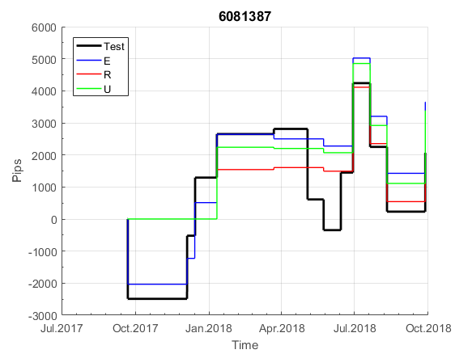
INFO | SymPer | Pip/Y | Trades/Y | RF=MaxProfit/Years/MaxDD | PF | DD/LastDD | iDD | MO/Spred | SD | MO/SD | iRF=MaxProfit/iDD | W/L*W% | PF*RF | RISK=MidLoss/MaxDD | -Magic- | HL= | HLk= | TR= | TRk= | PerCnt= | Itr= | IN= | Ik= | Irev= | Del= | Rev= | D= | Iprice= | S= | P= | PM= | Pm= | T= | TS= | Tk= | TM= | Tm= | Op= | OUT= | Ok= | Orev= | Oprice= | A= | a= | tk= | T0= | T1= | tp= | NULL
Ye$$ 2004.01.01-2020.01.03, Sprd=50, StpLev=0, Swaps=-9.10, OPT-2008.01.02-2014.04.23 | EURUSD60 | 86 | 13 | 0.34 | 1.7 | 305_295 | 519 | 0.13 | 26 | 5 | 15 | 0.99*65 | 0.6 | 0.9 | 6081387 | 5 | 2 | 10 | 6 | 2 | -1 | 8 | 9 | -1 | 1 | 0 | 3 | 2 | 6 | 3 | 2 | 1 | 6 | 1 | 1 | 0 | 0 | 4 | 1 | 7 | -1 | 2 | 30 | 5 | 3 | 3 | 8 | -1 | 0 | 0 | 0 | 0 | 0 | 0 | 0 | 0 | 0 | 0 | 0 | 0 | 0 | 0 | 0 | 0 | 0 | 0 | 0 | 0 | 0 | 0 | 0 | 0 | 65.5 | 65.5 | 65.5 | 65.5 | 65.5 | 65.5 | 65.5 | 65.5 | 65.5 | 46.899 | 51.119 | 51.119 | 51.119 | 51.119 | 51.119 | 51.119 | 51.119 | 51.119 | 51.119 | 51.119 | 51.119 | 51.119 | 51.119 | 51.119 | 51.119 | 51.119 | 51.119 | 51.119 | 51.119 | 51.119 | 51.119 | 51.119 | 51.119 | 51.119 | 51.119 | 51.119 | 51.119 | 51.119 | 51.119 | 51.119 | 51.119 | 51.119 | 51.119 | 51.119 | 51.119 | 51.119 | 51.119 | 51.119 | 51.119 | 51.119 | 51.119 | 51.119 | 51.119 | 51.119 | 51.119 | 51.119 | 51.119 | 51.119 | 51.119 | 51.119 | 51.119 | 51.119 | 51.119 | 51.119 | 51.119 | 51.119 | 51.119 | 51.119 | 51.119 | 51.119 | 51.119 | 51.119 | 51.119 | 51.119 | 51.119 | 51.119 | 51.119 | 51.119 | 51.119 | 51.119 | 51.119 | 51.119 | 51.119 | 51.119 | 51.119 | 51.119 | 51.119 | 51.119 | 51.119 | 51.119 | 51.119 | 51.119 | 51.119 | 51.119 | 51.119 | 51.119 | 51.119 | 51.119 | 51.119 | 51.119 | 51.119 | 51.119 | 51.119 | 51.119 | 51.119 | 51.119 | 51.119 | 51.119 | 51.119 | 51.119 | 51.119 | 51.119 | 51.119 | 51.119 | 51.119 | 51.119 | 51.119 | 51.119 | 51.119 | 51.119 | 51.119 | 51.119 | 51.119 | 51.119 | 51.119 | 51.119 | 51.119 | 51.119 | 51.119 | 51.119 | 51.119 | 51.119 | 51.119 | 51.119 | 51.119 | 51.119 | 51.119 | 51.119 | 47.419 | 40.769 | 73.669 | 73.669 | 73.669 | 73.669 | 73.669 | 73.669 | 73.669 | 73.669 | 73.669 | 73.669 | 73.669 | 73.669 | 73.669 | 73.669 | 73.669 | 73.669 | 73.669 | 73.669 | 73.669 | 73.669 | 73.669 | 73.669 | 73.669 | 73.669 | 73.669 | 73.669 | 73.669 | 73.669 | 73.669 | -8.99 | -8.99 | -8.99 | -8.99 | -8.99 | -8.99 | -8.99 | -8.99 | -8.99 | -8.99 | -8.99 | -8.99 | -8.99 | -8.99
Ye$$ 2004.01.01-2019.08.02, Sprd=50, StpLev=0, Swaps=-6.60, OPT-2008.01.02-2014.04.23 | EURUSD60 | 76 | 11 | 0.36 | 1.69 | 253_221 | 358 | 0.13 | 28 | 5 | 22 | 1.07*63 | 0.6 | 1 | 6081387 | 5 | 2 | 10 | 6 | 2 | -1 | 8 | 9 | -1 | 1 | 0 | 3 | 2 | 6 | 3 | 2 | 1 | 6 | 1 | 1 | 0 | 0 | 4 | 1 | 7 | -1 | 2 | 30 | 5 | 3 | 3 | 8 | -1 | 0 | 0 | 0 | 0 | 0 | 0 | 0 | 0 | 0 | 0 | 0 | 0 | 0 | 0 | 0 | 0 | 0 | 0 | 0 | 0 | 0 | 0 | 0 | 0 | 65.5 | 65.5 | 65.5 | 65.5 | 65.5 | 65.5 | 65.5 | 65.5 | 65.5 | 46.899 | 50.969 | 50.969 | 50.969 | 50.969 | 50.969 | 50.969 | 50.969 | 50.969 | 50.969 | 50.969 | 50.969 | 50.969 | 50.969 | 50.969 | 50.969 | 50.969 | 50.969 | 50.969 | 50.969 | 50.969 | 50.969 | 50.969 | 50.969 | 50.969 | 50.969 | 50.969 | 50.969 | 50.969 | 50.969 | 50.969 | 50.969 | 50.969 | 50.969 | 50.969 | 50.969 | 50.969 | 50.969 | 50.969 | 50.969 | 50.969 | 50.969 | 50.969 | 50.969 | 50.969 | 50.969 | 50.969 | 50.969 | 50.969 | 50.969 | 50.969 | 50.969 | 50.969 | 50.969 | 50.969 | 50.969 | 50.969 | 50.969 | 50.969 | 50.969 | 50.969 | 50.969 | 50.969 | 50.969 | 50.969 | 50.969 | 50.969 | 50.969 | 50.969 | 50.969 | 50.969 | 50.969 | 50.969 | 50.969 | 50.969 | 50.969 | 50.969 | 50.969 | 50.969 | 50.969 | 50.969 | 50.969 | 50.969 | 50.969 | 50.969 | 50.969 | 50.969 | 50.969 | 50.969 | 50.969 | 50.969 | 50.969 | 50.969 | 50.969 | 50.969 | 50.969 | 50.969 | 50.969 | 50.969 | 50.969 | 50.969 | 50.969 | 50.969 | 50.969 | 50.969 | 50.969 | 50.969 | 50.969 | 50.969 | 50.969 | 50.969 | 50.969 | 50.969 | 50.969 | 50.969 | 50.969 | 50.969 | 50.969 | 50.969 | 50.969 | 50.969 | 50.969 | 50.969 | 50.969 | 50.969 | 50.969 | 50.969 | 50.969 | 50.969 | 50.969 | 50.969 | 50.969 | 50.969 | 50.969 | 50.969 | 50.969 | 50.969 | 50.969 | 50.969 | 50.969 | 50.969 | 50.969 | 50.969 | 50.969 | 50.969 | 50.969 | 50.969 | 50.969 | 50.969 | 50.969 | 50.969 | 50.969 | 50.969 | 50.969 | 50.969 | 50.969 | 50.969 | 50.969 | 50.969 | 50.969 | 50.969 | 50.969 | 50.969 | 50.969 | 50.969 | 50.969 | 50.969 | 50.969 | 50.969 | 50.969 | 50.969 | 50.969 | 50.969 | 50.969

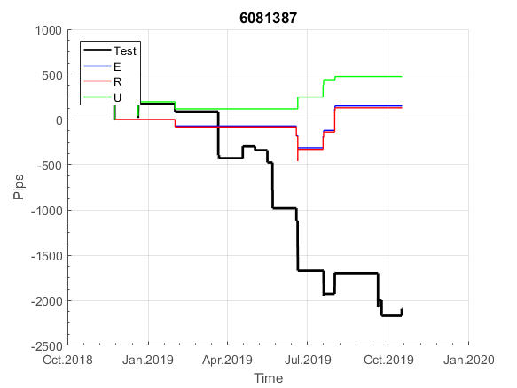
 | 6081387 | 6081387
 | 0 | 0
 | 0 | 0
 | 0 | 0
 | 0 | 0
 | 0 | 0
 | 0 | 0
 | 0 | 0
 | 0 | 0
 | 0 | 0
 | 0 | 0
 | 0 | 0
 | 0 | 0
 | 0 | 0
 | 0 | 0
 | 0 | 0
 | 65.5 | 65.5
 | 65.5 | 65.5
 | 65.5 | 65.5
 | 65.5 | 65.5
 | 65.5 | 65.5
 | 65.5 | 65.5
 | 65.5 | 65.5
 | 65.5 | 65.5
 | 65.5 | 65.5
 | 46.899 | 46.899
 | 51.119 | 50.969
 | 51.119 | 50.969
 | 51.119 | 50.969
 | 51.119 | 50.969
 | 51.119 | 50.969
 | 51.119 | 50.969
 | 51.119 | 50.969
 | 51.119 | 50.969
 | 51.119 | 50.969
 | 51.119 | 50.969
 | 51.119 | 50.969
 | 51.119 | 50.969
 | 51.119 | 50.969
 | 51.119 | 50.969
 | 51.119 | 50.969
 | 51.119 | 50.969
 | 51.119 | 50.969
 | 51.119 | 50.969
 | 51.119 | 50.969
 | 51.119 | 50.969
 | 51.119 | 50.969
 | 51.119 | 50.969
 | 51.119 | 50.969
 | 51.119 | 50.969
 | 51.119 | 50.969
...

G181
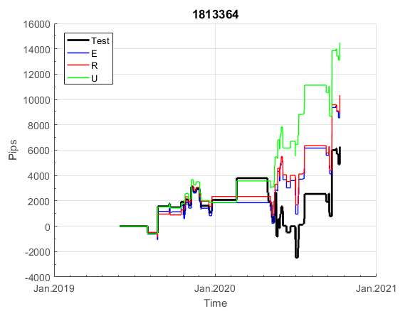
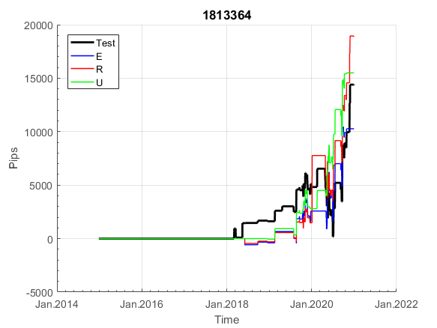
INFO | SymPer | Pip/Y | Trades/Y | RF=MaxProfit/Years/MaxDD | PF | DD/LastDD | iDD | MO/Spred | SD | MO/SD | iRF=MaxProfit/iDD | W/L*W% | PF*RF | RISK=MidLoss/MaxDD | -Magic- | HL= | HLk= | TR= | TRk= | PerCnt= | Itr= | IN= | Ik= | Irev= | Del= | Rev= | D= | Iprice= | S= | P= | PM= | Pm= | T= | TS= | Tk= | TM= | Tm= | Op= | OUT= | Ok= | Orev= | Oprice= | A= | a= | tk= | T0= | T1= | tp= | NULL
Ye$$ 2004.06.11-2022.01.21, Sprd=50, StpLev=0, Swaps=-27.00, OPT-UnKnown | XAUUSD30 | 432 | 23 | 0.67 | 1.85 | 649_67 | 1006 | 0.37 | 65 | 6 | 18 | 1.54*56 | 1.2 | 0.8 | 1813364 | 1 | 7 | 7 | 6 | 0 | 1 | 11 | 3 | -1 | 1 | 0 | 4 | 2 | 9 | 10 | 0 | 0 | 0 | 0 | 1 | 0 | 0 | 4 | 3 | 3 | 1 | 2 | 40 | 6 | 2 | 3 | 7 | -1 | 0 | 0 | 0 | 0 | 0 | 0 | 0 | 0 | 0 | 0 | 0 | 0 | 0 | 0 | 0 | 0 | 0 | 0 | 0 | 0 | 0 | 0 | 0 | 0 | 0 | 0 | 0 | 0 | 0 | 0 | 0 | 0 | 0 | -5 | 35 | 35 | -1 | -1 | -23 | -43 | -41 | -41 | -41 | -60 | -54 | -62 | -61 | -104 | -149.299 | -172.299 | -162.299 | -130.299 | -142.299 | -146.299 | -65.299 | -65.299 | -65.299 | -65.299 | -65.299 | -65.299 | -65.299 | -65.299 | -65.299 | -65.299 | -65.299 | -65.299 | -65.299 | -65.299 | -65.299 | -65.299 | -65.299 | -65.299 | -65.299 | -65.299 | -65.299 | -65.299 | -65.299 | -65.299 | -65.299 | -73.299 | -70.299 | -59.299 | -59.299 | -59.299 | -60.299 | -95.299 | -95.299 | -95.299 | -95.299 | -117.299 | -60.299 | -60.299 | -60.299 | -60.299 | -70.299 | -74.299 | -27.299 | -27.299 | -27.299 | -27.299 | -27.299 | -27.299 | -27.299 | -27.299 | -27.299 | -27.299 | -27.299 | -27.299 | -27.299 | -27.299 | -27.299 | -27.299 | -30.299 | 1.7 | 1.7 | 1.7 | 1.7 | 1.7 | 1.7 | -15.299 | -5.299 | -5.299 | -5.299 | -5.299 | -5.299 | -5.299 | -5.299 | -5.299 | -5.299 | -5.299 | -5.299 | -5.299 | -5.299 | -5.299 | -5.299 | -5.299 | -5.299 | -5.299 | -49.799 | -28.799 | -33.799 | -31.799 | -21.799 | -21.799 | 0 | -21.799 | -21.799 | -21.799 | -21.799 | -21.799 | -21.799 | -21.799 | -21.799 | -21.799 | -21.799 | -21.799 | -21.799 | -21.799 | -31.799 | -31.799 | -31.799 | -31.799 | -31.799 | -31.799 | -31.799 | -31.799 | -31.799 | -31.799 | -31.799 | -31.799 | -31.799 | -31.799 | -31.799 | -31.799 | -31.799 | -31.799 | -31.799 | -31.799 | -31.799 | -31.799 | -31.799 | -31.799 | -31.799 | -31.799 | -31.799 | -31.799 | -31.799 | -31.799 | -31.799 | -31.799 | -31.799 | -31.799 | -31.799 | -31.799 | -31.799 | -31.799 | -31.799 | -31.799 | -31.799 | -31.799 | -31.799 | -31.799 | -31.799 | -31.799 | -31.799 | -31.799 | -31.799
Ye$$ 2004.06.11-2022.06.10, Sprd=100, StpLev=0, Swaps=-27.00, OPT-UnKnown | XAUUSD30 | 310 | 24 | 0.42 | 1.53 | 758_245 | 1489 | 0.13 | 64 | 2 | 9 | 1.55*52 | 0.7 | 0.7 | 1813364 | 1 | 7 | 7 | 6 | 0 | 1 | 11 | 3 | -1 | 1 | 0 | 4 | 2 | 9 | 10 | 0 | 0 | 0 | 0 | 1 | 0 | 0 | 4 | 3 | 3 | 1 | 2 | 40 | 6 | 2 | 3 | 7 | -1 | 0 | 0 | 0 | 0 | 0 | 0 | 0 | 0 | 0 | 0 | 0 | 0 | 0 | 0 | 0 | 0 | 0 | 0 | 0 | 0 | 0 | 0 | 0 | 0 | 0 | 0 | 0 | 0 | 0 | 0 | 0 | 0 | 0 | -10 | 30 | 28 | -16 | -16 | -38 | -58 | -56 | -56 | -93 | -100 | -108 | -114 | -101 | -144 | -189.299 | -212.299 | -202.299 | -203.299 | -203.299 | -204.299 | -123.299 | -123.299 | -123.299 | -123.299 | -123.299 | -123.299 | -123.299 | -123.299 | -123.299 | -123.299 | -123.299 | -123.299 | -123.299 | -123.299 | -123.299 | -123.299 | -123.299 | -123.299 | -123.299 | -123.299 | -123.299 | -123.299 | -123.299 | -123.299 | -123.299 | -143.299 | -148.299 | -137.299 | -137.299 | -137.299 | -138.299 | -173.299 | -173.299 | -173.299 | -173.299 | -200.299 | -143.299 | -143.299 | -143.299 | -143.299 | -153.299 | -151.299 | -151.299 | -151.299 | -151.299 | -151.299 | -151.299 | -151.299 | -151.299 | -151.299 | -151.299 | -151.299 | -151.299 | -151.299 | -151.299 | -151.299 | -151.299 | -151.299 | -170.299 | -142.299 | -142.299 | -142.299 | -142.299 | -142.299 | -142.299 | -159.299 | -149.299 | -149.299 | -149.299 | -149.299 | -149.299 | -149.299 | -149.299 | -149.299 | -149.299 | -149.299 | -149.299 | -149.299 | -149.299 | -149.299 | -149.299 | -149.299 | -149.299 | -149.299 | -198.799 | -177.799 | -189.799 | -187.799 | -177.799 | -177.799 | 0 | -177.799 | -177.799 | -177.799 | -177.799 | -177.799 | -177.799 | -177.799 | -177.799 | -177.799 | -177.799 | -177.799 | -177.799 | -177.799 | -193.799 | -187.799 | -187.799 | -187.799 | -210.199 | -210.199 | -210.199 | -210.199 | -210.199 | -210.199 | -210.199 | -210.199 | -210.199 | -210.199 | -210.199 | -210.199 | -210.199 | -210.199 | -210.199 | -210.199 | -210.199 | -210.199 | -210.199 | -210.199 | -210.199 | -210.199 | -210.199 | -210.199 | -210.199 | -210.199 | -210.199 | -210.199 | -210.199 | -210.199 | -210.199 | -210.199 | -210.199 | -210.199 | -210.199 | -210.199 | -210.199 | -210.199 | -210.199 | -210.199 | -210.199 | -210.199 | -210.199 | -210.199 | -210.199

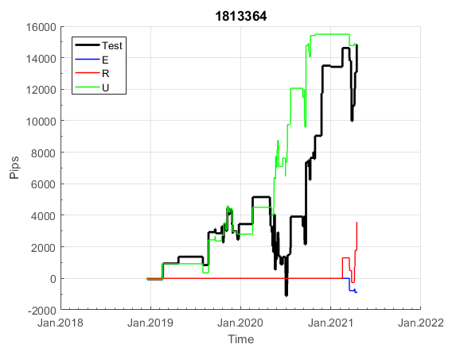
 | 1813364 | 1813364
 | 0 | 0
 | 0 | 0
 | 0 | 0
 | 0 | 0
 | 0 | 0
 | 0 | 0
 | 0 | 0
 | 0 | 0
 | 0 | 0
 | 0 | 0
 | 0 | 0
 | 0 | 0
 | 0 | 0
 | 0 | 0
 | 0 | 0
 | 0 | 0
 | 0 | 0
 | 0 | 0
 | 0 | 0
 | 0 | 0
 | 0 | 0
 | 0 | 0
 | 0 | 0
 | 0 | 0
 | -5 | -10
 | 35 | 30
 | 35 | 28
 | -1 | -16
 | -1 | -16
 | -23 | -38
 | -43 | -58
 | -41 | -56
 | -41 | -56
 | -41 | -93
 | -60 | -100
 | -54 | -108
 | -62 | -114
 | -61 | -101
 | -104 | -144
 | -149.299 | -189.299
 | -172.299 | -212.299
 | -162.299 | -202.299
 | -130.299 | -203.299
 | -142.299 | -203.299
 | -146.299 | -204.299
 | -65.299 | -123.299
 | -65.299 | -123.299
 | -65.299 | -123.299
 | -65.299 | -123.299
 | -65.299 | -123.299
...

G435
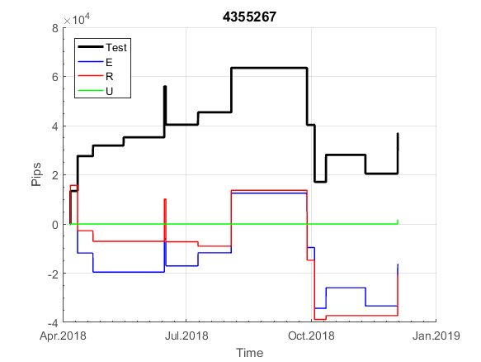
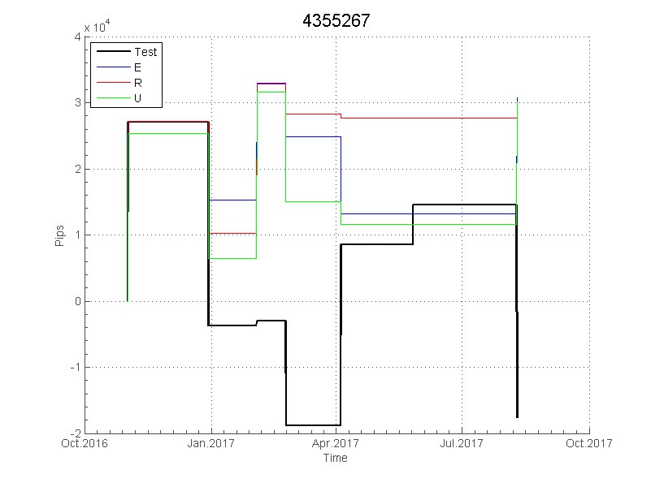
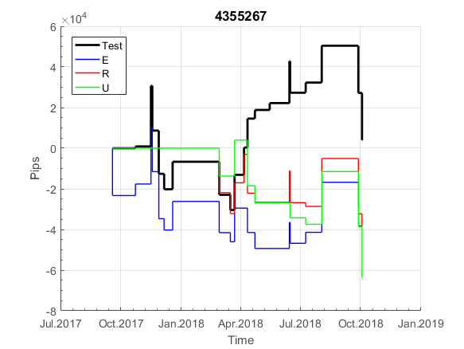
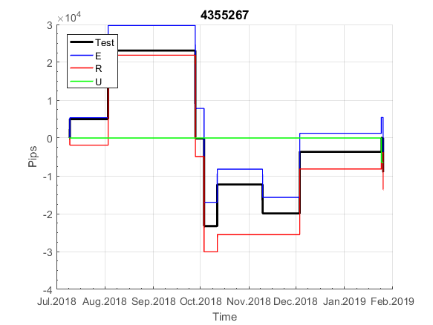
INFO | SymPer | Pip/Y | Trades/Y | RF=MaxProfit/Years/MaxDD | PF | DD/LastDD | iDD | MO/Spred | SD | MO/SD | iRF=MaxProfit/iDD | W/L*W% | PF*RF | RISK=MidLoss/MaxDD | -Magic- | HL= | HLk= | TR= | TRk= | PerCnt= | Itr= | IN= | Ik= | Irev= | Del= | Rev= | D= | Iprice= | S= | P= | PM= | Pm= | T= | TS= | Tk= | TM= | Tm= | Op= | OUT= | Ok= | Orev= | Oprice= | A= | a= | tk= | T0= | T1= | tp= | NULL
Ye$$ 2004.01.01-2019.05.10, Sprd=50, StpLev=0, Swaps=-12.00, OPT-2008.01.02-2015.03.17 | XAUUSD60 | 260 | 16 | 0.7 | 2.27 | 385_176 | 596 | 0.33 | 47 | 7 | 29 | 1.73*59 | 1.6 | 0.9 | 4355267 | 4 | 9 | 3 | 8 | 0 | -1 | 5 | 1 | -1 | 1 | 0 | 4 | 2 | 4 | 10 | 3 | 4 | 1 | 0 | 1 | 0 | 0 | 0 | 5 | 5 | 1 | 2 | 30 | 2 | 0 | 8 | 2 | -1 | 0 | 0 | 0 | 0 | 0 | 0 | 0 | 0 | 0 | 0 | 0 | 0 | 0 | 0 | 0 | 0 | 0 | 0 | 0 | 0 | 0 | 0 | 0 | 0 | 0 | 0 | 0 | 0 | 0 | 0 | 0 | 0 | 0 | 0 | 0 | 0 | 0 | 0 | 0 | 0 | 0 | 0 | 0 | 0 | 0 | 0 | 0 | 0 | 0 | 0 | 0 | 0 | 0 | 0 | 0 | 0 | 0 | 0 | 0 | 0 | 0 | 0 | 0 | 0 | 0 | 0 | 0 | 0 | 0 | 0 | 0 | 0 | 0 | 0 | 0 | 0 | 0 | 0 | 0 | 0 | 0 | 0 | 0 | 0 | 0 | 0 | 0 | 0 | 0 | 0 | 0 | 0 | 0 | 0 | 0 | 0 | 0 | 0 | 0 | 0 | 0 | 0 | 0 | 0 | 0 | 0 | 0 | 0 | 0 | 0 | 0 | 0 | 0 | 0 | 0 | 0 | 0 | 0 | 0 | 0 | 0 | 0 | 0 | 0 | 0 | -11 | -11 | -11 | -11 | -11 | -11 | -11 | -11 | -11 | -11 | -11 | -11 | -11 | -11 | -11 | -11 | -19 | -12 | -12 | -12 | -12 | -12 | -12 | -12 | -12 | -24 | -22 | -22 | -22 | -22 | -32 | -22 | -22 | -22 | -22 | -22 | -22 | -22 | -22 | -22 | -22 | -22 | -22 | -22 | -22 | -22 | -22 | -44.2 | -44.2 | -44.2 | -44.2 | -44.2 | -44.2 | -44.2 | -44.2 | -44.2 | -44.2 | -44.2 | -44.2 | -44.2 | -44.2 | -44.2 | -52.2 | -34.2 | -34.2 | -34.2 | -34.2 | -34.2 | -34.2 | -34.2 | -48.2 | -48.2 | -48.2 | -48.2 | -44.2 | -44.2 | -44.2 | -44.2 | -44.2 | -44.2 | -44.2 | -44.2
Ye$$ 2004.01.01-2019.05.06, Sprd=50, StpLev=0, Swaps=-12.00, OPT-2008.01.02-2015.03.17 | XAUUSD60 | 261 | 16 | 0.71 | 2.27 | 385_175 | 591 | 0.34 | 47 | 7 | 30 | 1.71*59 | 1.6 | 0.9 | 4355267 | 4 | 9 | 3 | 8 | 0 | -1 | 5 | 1 | -1 | 1 | 0 | 4 | 2 | 4 | 10 | 3 | 4 | 1 | 0 | 1 | 0 | 0 | 0 | 5 | 5 | 1 | 2 | 30 | 2 | 0 | 8 | 2 | -1 | 0 | 0 | 0 | 0 | 0 | 0 | 0 | 0 | 0 | 0 | 0 | 0 | 0 | 0 | 0 | 0 | 0 | 0 | 0 | 0 | 0 | 0 | 0 | 0 | 0 | 0 | 0 | 0 | 0 | 0 | 0 | 0 | 0 | 0 | 0 | 0 | 0 | 0 | 0 | 0 | 0 | 0 | 0 | 0 | 0 | 0 | 0 | 0 | 0 | 0 | 0 | 0 | 0 | 0 | 0 | 0 | 0 | 0 | 0 | 0 | 0 | 0 | 0 | 0 | 0 | 0 | 0 | 0 | 0 | 0 | 0 | 0 | 0 | 0 | 0 | 0 | 0 | 0 | 0 | 0 | 0 | 0 | 0 | 0 | 0 | 0 | 0 | 0 | 0 | 0 | 0 | 0 | 0 | 0 | 0 | 0 | 0 | 0 | 0 | 0 | 0 | 0 | 0 | 0 | 0 | 0 | 0 | 0 | 0 | 0 | 0 | 0 | 0 | 0 | 0 | 0 | 0 | 0 | 0 | 0 | 0 | 0 | 0 | 0 | 0 | -11 | -11 | -11 | -11 | -11 | -11 | -11 | -11 | -11 | -11 | -11 | -11 | -11 | -11 | -11 | -11 | -19 | -12 | -12 | -12 | -12 | -12 | -12 | -12 | -12 | -24 | -22 | -22 | -22 | -22 | -32 | -22 | -22 | -22 | -22 | -22 | -22 | -22 | -22 | -22 | -22 | -22 | -22 | -22 | -22 | -22 | -22 | -44.2 | -44.2 | -44.2 | -44.2 | -44.2 | -44.2 | -44.2 | -44.2 | -44.2 | -44.2 | -44.2 | -44.2 | -44.2 | -44.2 | -44.2 | -52.2 | -34.2 | -34.2 | -34.2 | -34.2 | -34.2 | -34.2 | -34.2 | -48.2 | -48.2 | -48.2 | -48.2 | -44.2 | -44.2 | -44.2 | -44.2 | -44.2 | -44.2 | -44.2 | -44.2

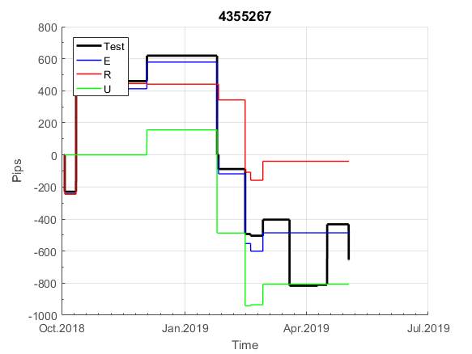
 | 4355267 | 4355267
 | 0 | 0
 | 0 | 0
 | 0 | 0
 | 0 | 0
 | 0 | 0
 | 0 | 0
 | 0 | 0
 | 0 | 0
 | 0 | 0
 | 0 | 0
 | 0 | 0
 | 0 | 0
 | 0 | 0
 | 0 | 0
 | 0 | 0
 | 0 | 0
 | 0 | 0
 | 0 | 0
 | 0 | 0
 | 0 | 0
 | 0 | 0
 | 0 | 0
 | 0 | 0
 | 0 | 0
 | 0 | 0
 | 0 | 0
 | 0 | 0
 | 0 | 0
 | 0 | 0
 | 0 | 0
 | 0 | 0
 | 0 | 0
 | 0 | 0
 | 0 | 0
 | 0 | 0
 | 0 | 0
 | 0 | 0
 | 0 | 0
 | 0 | 0
 | 0 | 0
 | 0 | 0
 | 0 | 0
 | 0 | 0
 | 0 | 0
 | 0 | 0
 | 0 | 0
 | 0 | 0
 | 0 | 0
 | 0 | 0
 | 0 | 0
...

Spred
 | Darw EUR
 | 0.00017
 | 0.00031
 | 0.00009
 | 0.00006
 | 0.00006
 | 0.00005
 | 0.00006
 | 0.00005
 | 0.00005
 | 0.00005
 | 0.00006
 | 0.00006
 | 0.00005
 | 0.00005
 | 0.00006
 | 0.00005
 | 0.00006
 | 0.00005
 | 0.00006
 | 0.00005
 | 0.00005
 | 0.00005
 | 0.00005
 | 0.00006
 | 0.00052
 | 0.00102
 | 0.00013
 | 0.00006
 | 0.00006
 | 0.00005
 | 0.00005
 | 0.00005
 | 0.00005
 | 0.00005
 | 0.00005
 | 0.00007
 | 0.00006
 | 0.00005
 | 0.00005
 | 0.00005
 | 0.00006
 | 0.00005
 | 0.00006
 | 0.00006
 | 0.00005
 | 0.00006
 | 0.00005
 | 0.00005
 | 0.00072
 | 0.00043
...
 | Alp EUR
 | 0.00024
 | 0.00035
 | 0.00015
 | 0.00012
 | 0.00011
 | 0.00011
 | 0.00011
 | 0.00011
 | 0.00011
 | 0.00011
 | 0.0001
 | 0.00013
 | 0.00011
 | 0.0001
 | 0.00011
 | 0.0001
 | 0.00012
 | 0.0001
 | 0.00012
 | 0.0001
 | 0.0001
 | 0.0001
 | 0.00011
 | 0.00011
 | 0.00024
 | 0.0005
 | 0.00018
 | 0.00013
 | 0.0001
 | 0.0001
 | 0.0001
 | 0.0001
 | 0.0001
 | 0.00013
 | 0.00012
 | 0.00012
 | 0.00011
 | 0.0001
 | 0.0001
 | 0.00011
 | 0.00011
 | 0.00011
 | 0.00012
 | 0.0001
 | 0.00011
 | 0.00014
 | 0.0001
 | 0.0001
 | 0.00024
 | 0.00025
...
Darw EUR | Darw XAU | Alp EUR | Alp XAU
0.00010617283951 | 0.18117920149 | 0.00013624338624 | 0.36906963788 | среднее
0.00017 | 0.12 | 0.00024 | 0.377
0.00031 | 0.22 | 0.00035 | 0.397
0.00009 | 0.19 | 0.00015 | 0.377
0.00006 | 0.15 | 0.00012 | 0.377
0.00006 | 0.14 | 0.00011 | 0.357
0.00005 | 0.16 | 0.00011 | 0.387
0.00006 | 0.15 | 0.00011 | 0.367
0.00005 | 0.16 | 0.00011 | 0.347
0.00005 | 0.16 | 0.00011 | 0.357
0.00005 | 0.17 | 0.00011 | 0.357
0.00006 | 0.16 | 0.0001 | 0.337
0.00006 | 0.15 | 0.00013 | 0.347
0.00005 | 0.15 | 0.00011 | 0.377
0.00005 | 0.15 | 0.0001 | 0.337
0.00006 | 0.15 | 0.00011 | 0.347
 | Darw XAU
 | 0.12
 | 0.22
 | 0.19
 | 0.15
 | 0.14
 | 0.16
 | 0.15
 | 0.16
 | 0.16
 | 0.17
 | 0.16
 | 0.15
 | 0.15
 | 0.15
 | 0.15
 | 0.15
 | 0.17
 | 0.16
 | 0.16
 | 0.15
 | 0.16
 | 0.15
 | 0.16
 | 0.2
 | 0.18
 | 0.15
 | 0.14
 | 0.14
 | 0.15
 | 0.16
 | 0.15
 | 0.18
 | 0.17
 | 0.17
 | 0.17
 | 0.16
 | 0.15
 | 0.15
 | 0.16
 | 0.18
 | 0.18
 | 0.16
 | 0.16
 | 0.17
 | 0.15
 | 0.15
 | 0.21
 | 0.25
 | 0.16
 | 0.15
...
0.00005 | 0.15 | 0.0001 | 0.337
0.00006 | 0.17 | 0.00012 | 0.387
0.00005 | 0.16 | 0.0001 | 0.367
0.00006 | 0.16 | 0.00012 | 0.347
0.00005 | 0.15 | 0.0001 | 0.367
0.00005 | 0.16 | 0.0001 | 0.357
0.00005 | 0.15 | 0.0001 | 0.367
0.00005 | 0.16 | 0.00011 | 0.357
0.00006 | 0.2 | 0.00011 | 1.647
0.00052 | 0.18 | 0.00024 | 0.377
0.00102 | 0.15 | 0.0005 | 0.377
0.00013 | 0.14 | 0.00018 | 0.357
0.00006 | 0.14 | 0.00013 | 0.347
0.00006 | 0.15 | 0.0001 | 0.367
0.00005 | 0.16 | 0.0001 | 0.367
0.00005 | 0.15 | 0.0001 | 0.347
0.00005 | 0.18 | 0.0001 | 0.367
0.00005 | 0.17 | 0.0001 | 0.347
0.00005 | 0.17 | 0.00013 | 0.377
0.00005 | 0.17 | 0.00012 | 0.387
0.00007 | 0.16 | 0.00012 | 0.397
0.00006 | 0.15 | 0.00011 | 0.347
0.00005 | 0.15 | 0.0001 | 0.397
0.00005 | 0.16 | 0.0001 | 0.318
0.00005 | 0.18 | 0.00011 | 0.278
0.00006 | 0.18 | 0.00011 | 0.318
0.00005 | 0.16 | 0.00011 | 0.298
0.00006 | 0.16 | 0.00012 | 0.298
0.00006 | 0.17 | 0.0001 | 0.338
0.00005 | 0.15 | 0.00011 | 0.288
0.00006 | 0.15 | 0.00014 | 0.288
0.00005 | 0.21 | 0.0001 | 0.548
0.00005 | 0.25 | 0.0001 | 0.418
0.00072 | 0.16 | 0.00024 | 0.308
0.00043 | 0.15 | 0.00025 | 0.308
0.00016 | 0.16 | 0.0002 | 0.308
0.00006 | 0.15 | 0.00011 | 0.298
0.00005 | 0.14 | 0.00011 | 0.258
0.00005 | 0.14 | 0.00011 | 0.248
0.00005 | 0.15 | 0.00011 | 0.298
0.00005 | 0.15 | 0.00011 | 0.358
0.00005 | 0.15 | 0.00011 | 0.298
0.00007 | 0.15 | 0.00013 | 0.288
0.00005 | 0.17 | 0.0001 | 0.298
0.00006 | 0.16 | 0.00011 | 0.328
0.00005 | 0.15 | 0.00011 | 0.298
0.0001 | 0.22 | 0.00031 | 0.388
0.00007 | 0.18 | 0.00016 | 0.308
0.00005 | 0.2 | 0.0001 | 0.348
0.00011 | 0.18 | 0.00018 | 0.288
0.00007 | 0.18 | 0.00014 | 0.298
0.00006 | 0.15 | 0.0001 | 0.268
0.00005 | 0.15 | 0.0001 | 0.278
0.00005 | 0.17 | 0.00012 | 0.298
0.00005 | 0.22 | 0.00011 | 0.888
0.00006 | 0.26 | 0.00011 | 0.518
0.00006 | 0.17 | 0.0001 | 0.488
0.00046 | 0.16 | 0.00024 | 0.258
0.00077 | 0.16 | 0.0006 | 0.248
0.00012 | 0.15 | 0.00018 | 0.218
0.00006 | 0.14 | 0.00011 | 0.218
0.00005 | 0.15 | 0.00011 | 0.218
0.00005 | 0.15 | 0.0001 | 0.238
0.00005 | 0.19 | 0.0001 | 0.248
0.00005 | 0.15 | 0.0001 | 0.228
0.00005 | 0.15 | 0.0001 | 0.218
0.00008 | 0.18 | 0.00013 | 0.348
0.00006 | 0.15 | 0.00012 | 0.298
0.00005 | 0.16 | 0.0001 | 0.298
0.00005 | 0.15 | 0.0001 | 0.278
0.00008 | 0.15 | 0.00014 | 0.298
0.00007 | 0.15 | 0.00014 | 0.298
0.00012 | 0.17 | 0.00028 | 0.298
0.00006 | 0.94 | 0.0001 | 0.948
0.00005 | 0.26 | 0.0001 | 0.574
0.00006 | 0.16 | 0.00011 | 0.324
0.00006 | 0.15 | 0.00011 | 0.304
0.00012 | 0.14 | 0.00018 | 0.364
0.00015 | 0.15 | 0.00029 | 0.314
0.00022 | 0.16 | 0.00024 | 0.314
0.00024 | 0.14 | 0.00028 | 0.314
0.00068 | 0.16 | 0.0006 | 0.334
0.00075 | 0.18 | 0.0006 | 0.344
0.00009 | 0.17 | 0.00015 | 0.344
0.00006 | 0.16 | 0.00011 | 0.314
0.00005 | 0.17 | 0.0001 | 0.294
0.00005 | 0.17 | 0.0001 | 0.314
0.00005 | 0.14 | 0.0001 | 0.294
0.00005 | 0.15 | 0.0001 | 0.324
0.00005 | 0.16 | 0.0001 | 0.304
0.00006 | 0.15 | 0.00011 | 0.314
0.00006 | 0.15 | 0.0001 | 0.314
0.00012 | 0.15 | 0.00019 | 0.314
0.00006 | 0.15 | 0.00011 | 0.324
0.00006 | 0.24 | 0.00013 | 0.664
0.00006 | 0.23 | 0.00011 | 0.804
0.00006 | 0.16 | 0.00012 | 0.324
0.00006 | 0.16 | 0.0001 | 0.344
0.00007 | 0.15 | 0.00011 | 0.314
0.00007 | 0.15 | 0.00011 | 0.324
0.00007 | 0.16 | 0.00011 | 0.314
0.00007 | 0.16 | 0.00011 | 0.314
0.00007 | 0.16 | 0.00014 | 0.304
0.00014 | 0.16 | 0.00022 | 0.304
0.00098 | 0.16 | 0.0006 | 0.288
0.00031 | 0.15 | 0.00024 | 0.298
0.00037 | 0.14 | 0.0006 | 0.298
0.00012 | 0.16 | 0.00016 | 0.288
0.00007 | 0.15 | 0.00013 | 0.308
0.00005 | 0.18 | 0.00012 | 0.328
0.00005 | 0.15 | 0.0001 | 0.298
0.00004 | 0.15 | 0.0001 | 0.288
0.00005 | 0.16 | 0.0001 | 0.288
0.00005 | 0.16 | 0.0001 | 0.298
0.00005 | 0.15 | 0.00011 | 0.278
0.00006 | 0.16 | 0.00012 | 0.288
0.00005 | 0.31 | 0.00012 | 1.198
0.00005 | 0.24 | 0.00011 | 0.458
0.00006 | 0.17 | 0.00011 | 0.318
0.00005 | 0.16 | 0.0001 | 0.358
0.00005 | 0.15 | 0.0001 | 0.318
0.00005 | 0.14 | 0.0001 | 0.338
0.00005 | 0.14 | 0.00013 | 0.298
0.00005 | 0.15 | 0.0001 | 0.338
0.00005 | 0.17 | 0.0001 | 0.378
0.00005 | 0.19 | 0.0001 | 0.398
0.00005 | 0.16 | 0.00011 | 0.338
0.00005 | 0.16 | 0.0001 | 0.338
0.00005 | 0.23 | 0.0001 | 0.818
0.00018 | 0.14 | 0.00024 | 0.298
0.0004 | 0.16 | 0.00043 | 0.298
0.00007 | 0.17 | 0.00014 | 0.308
0.00006 | 0.17 | 0.00011 | 0.298
0.00006 | 0.22 | 0.00011 | 0.348
0.00005 | 0.18 | 0.00011 | 0.318
0.00006 | 0.16 | 0.0001 | 0.318
0.00005 | 0.18 | 0.0001 | 0.368
0.00005 | 0.15 | 0.0001 | 0.318
0.00006 | 0.16 | 0.00013 | 0.308
0.00007 | 0.21 | 0.00013 | 0.468
0.00006 | 0.38 | 0.00011 | 1.198
0.00005 | 0.15 | 0.0001 | 0.348
0.00006 | 0.15 | 0.00012 | 0.308
0.00005 | 0.16 | 0.0001 | 0.308
0.00006 | 0.13 | 0.0001 | 0.308
0.00006 | 0.15 | 0.00011 | 0.318
0.00009 | 0.16 | 0.00018 | 0.318
0.00009 | 0.17 | 0.00011 | 0.308
0.00005 | 0.17 | 0.00011 | 0.298
0.00005 | 0.15 | 0.00011 | 0.318
0.00006 | 0.15 | 0.00011 | 0.298
0.00005 | 0.15 | 0.0001 | 0.288
0.00006 | 0.15 | 0.00011 | 0.298
0.00087 | 0.16 | 0.00024 | 0.298
0.0006 | 0.19 | 0.00034 | 0.784
0.00008 | 0.18 | 0.00015 | 0.354
0.00006 | 0.16 | 0.00014 | 0.324
0.00005 | 0.18 | 0.00011 | 0.314
0.00005 | 0.55 | 0.0001 | 1.184
0.00004 | 0.17 | 0.0001 | 0.314
0.00005 | 0.18 | 0.0001 | 0.334
0.00005 | 0.19 | 0.00011 | 0.344
0.00005 | 0.47 | 0.00011 | 1.194
0.00006 | 0.3 | 0.00011 | 0.474
0.00005 | 0.19 | 0.00011 | 0.334
0.00005 | 0.17 | 0.0001 | 0.364
0.00005 | 0.16 | 0.0001 | 0.314
0.00005 | 0.22 | 0.0001 | 0.324
0.00005 | 0.17 | 0.00011 | 0.334
0.00016 | 0.15 | 0.00018 | 0.294
0.00005 | 0.16 | 0.00011 | 0.354
0.00005 | 0.16 | 0.0001 | 0.304
0.00005 | 0.15 | 0.0001 | 0.304
0.00011 | 0.15 | 0.00018 | 0.294
0.00006 | 0.14 | 0.00011 | 0.284
0.00006 | 0.15 | 0.00011 | 0.314
0.00006 | 0.18 | 0.00011 | 0.364
0.00023 | 0.22 | 0.00016 | 0.374
0.00076 | 0.16 | 0.00051 | 0.304
0.0001 | 0.17 | 0.00016 | 0.294
0.00005 | 0.18 | 0.00011 | 0.314
0.00005 | 0.17 | 0.00011 | 0.304
0.00005 | 0.22 | 0.00011 | 0.544
0.00005 | 0.24 | 0.0001 | 0.504
0.00005 | 0.15 | 0.00011 | 0.294
0.00005 | 0.31 | 0.0001 | 0.984
0.00005 | 0.3 | 0.00011 | 0.384
0.00006 | 0.16 | 0.0001 | 0.284
0.00007 | 0.2 | 0.00011 | 0.294
0.00006 | 0.16 | 0.0001 | 0.314
0.00005 | 0.17 | 0.0001 | 0.304
0.00005 | 0.15 | 0.0001 | 0.304
0.00007 | 0.15 | 0.00011 | 0.304
0.00012 | 0.15 | 0.00017 | 0.294
0.00006 | 0.17 | 0.00011 | 0.294
0.00006 | 0.15 | 0.00013 | 0.294
0.00006 | 0.14 | 0.00012 | 0.284
0.00006 | 0.17 | 0.00014 | 0.314
0.00026 | 0.14 | 0.0003 | 0.294
0.00016 | 0.17 | 0.00025 | 0.394
0.00006 | 0.17 | 0.00011 | 0.404
0.00093 | 0.2 | 0.00018 | 0.524
0.00076 | 0.17 | 0.00024 | 0.304
0.00007 | 0.17 | 0.00013 | 0.294
0.00006 | 0.16 | 0.00011 | 0.304
0.00005 | 0.16 | 0.0001 | 0.284
0.00005 | 0.15 | 0.0001 | 0.294
0.00005 | 0.19 | 0.00011 | 0.304
0.00005 | 0.27 | 0.0001 | 0.934
0.00005 | 0.35 | 0.0001 | 0.524
0.00005 | 0.19 | 0.00011 | 0.294
0.00006 | 0.2 | 0.0001 | 0.334
0.00005 | 0.23 | 0.00012 | 0.344
0.00006 | 0.19 | 0.00013 | 0.324
0.00005 | 0.2 | 0.00012 | 0.344
0.00005 | 0.19 | 0.0001 | 0.354
0.00005 | 0.19 | 0.0001 | 0.344
0.00004 | 0.22 | 0.0001 | 0.394
0.00006 | 0.19 | 0.00012 | 0.284
0.00007 | 0.18 | 0.00012 | 0.284
0.00006 | 0.19 | 0.00011 | 0.294
0.00005 | 0.19 | 0.0001 | 0.304
0.00006 | 0.19 | 0.00011 | 0.294
0.00004 | 0.2 | 0.0001 | 0.304
0.00005 | 0.21 | 0.0001 | 0.384
0.00104 | 0.2 | 0.00024 | 0.324
0.00073 | 0.19 | 0.00024 | 0.304
0.00007 | 0.19 | 0.00013 | 0.294
0.00006 | 0.19 | 0.00012 | 0.314
0.00005 | 0.17 | 0.00011 | 0.304
0.00006 | 0.19 | 0.00011 | 0.304
0.00005 | 0.24 | 0.00011 | 1.594
0.00006 | 0.27 | 0.00011 | 0.384
0.00007 | 0.2 | 0.00013 | 0.304
0.00006 | 0.2 | 0.00011 | 0.344
0.00006 | 0.21 | 0.00011 | 0.354
0.00006 | 0.19 | 0.0001 | 0.294
0.00006 | 0.19 | 0.0001 | 0.344
0.00006 | 0.18 | 0.0001 | 0.334
0.00006 | 0.2 | 0.00011 | 0.304
0.00006 | 0.18 | 0.0001 | 0.294
0.00006 | 0.19 | 0.0001 | 0.314
0.0001 | 0.19 | 0.0002 | 0.284
0.00006 | 0.19 | 0.00017 | 0.304
0.00006 | 0.17 | 0.0001 | 0.304
0.00006 | 0.14 | 0.0001 | 0.284
0.00006 | 0.16 | 0.0001 | 0.294
0.00006 | 0.16 | 0.0001 | 0.344
0.00006 | 0.17 | 0.0001 | 0.334
0.0003 | 0.16 | 0.00024 | 0.304
0.00029 | 0.17 | 0.00024 | 0.314
0.00009 | 0.16 | 0.00016 | 0.304
0.00006 | 0.15 | 0.00011 | 0.344
0.00005 | 0.18 | 0.00011 | 0.304
0.00005 | 0.2 | 0.00011 | 1.594
0.00005 | 0.26 | 0.00011 | 0.444
0.00005 | 0.16 | 0.00012 | 0.284
0.00005 | 0.16 | 0.00011 | 0.344
0.00005 | 0.15 | 0.00012 | 0.304
0.00005 | 0.15 | 0.00012 | 0.304
0.00006 | 0.14 | 0.00011 | 0.274
0.00008 | 0.15 | 0.00014 | 0.334
0.00005 | 0.16 | 0.0001 | 0.324
0.00005 | 0.16 | 0.0001 | 0.324
0.00005 | 0.18 | 0.0001 | 0.324
0.00005 | 0.16 | 0.0001 | 0.304
0.00005 | 0.15 | 0.00011 | 0.294
0.00005 | 0.16 | 0.00011 | 0.304
0.00005 | 0.15 | 0.0001 | 0.294
0.00006 | 0.14 | 0.00014 | 0.294
0.00006 | 0.19 | 0.00011 | 0.304
0.00006 | 0.18 | 0.00011 | 0.334
0.00005 | 0.15 | 0.0001 | 0.314
0.00038 | 0.15 | 0.00024 | 0.304
0.0003 | 0.17 | 0.00024 | 0.304
0.00007 | 0.14 | 0.00022 | 0.314
0.00006 | 0.15 | 0.00012 | 0.314
0.00005 | 0.31 | 0.00011 | 0.464
0.00004 | 0.32 | 0.0001 | 0.514
0.00005 | 0.17 | 0.00011 | 0.294
0.00005 | 0.16 | 0.0001 | 0.314
0.00005 | 0.17 | 0.00011 | 0.304
0.00005 | 0.18 | 0.00011 | 0.314
0.00006 | 0.13 | 0.00011 | 0.304
0.00006 | 0.14 | 0.00013 | 0.294
0.00005 | 0.15 | 0.0001 | 0.324
0.00005 | 0.18 | 0.0001 | 0.294
0.00006 | 0.17 | 0.00013 | 0.264
0.00005 | 0.15 | 0.0001 | 0.274
0.00005 | 0.15 | 0.0001 | 0.284
0.00006 | 0.14 | 0.00012 | 0.284
0.00006 | 0.13 | 0.00012 | 0.274
0.00006 | 0.22 | 0.00012 | 0.514
0.00005 | 0.19 | 0.00012 | 0.394
0.00005 | 0.17 | 0.00011 | 0.314
0.00005 | 0.16 | 0.00011 | 0.304
0.00005 | 0.18 | 0.00011 | 0.314
0.00017 | 0.17 | 0.00019 | 0.314
0.00054 | 0.16 | 0.00024 | 0.284
0.00012 | 0.16 | 0.00023 | 0.304
0.00007 | 0.36 | 0.00013 | 0.844
0.00006 | 0.37 | 0.00011 | 0.394
0.00005 | 0.15 | 0.00011 | 0.294
0.00005 | 0.15 | 0.0001 | 0.304
0.00005 | 0.16 | 0.00011 | 0.304
0.00005 | 0.14 | 0.00011 | 0.294
0.00006 | 0.13 | 0.00013 | 0.314
0.00006 | 0.14 | 0.00013 | 0.314
0.00005 | 0.14 | 0.0001 | 0.304
0.00005 | 0.15 | 0.0001 | 0.294
0.00005 | 0.14 | 0.0001 | 0.294
0.00005 | 0.13 | 0.0001 | 0.294
0.00005 | 0.13 | 0.0001 | 0.294
0.0001 | 0.17 | 0.00028 | 0.304
0.00008 | 0.15 | 0.00018 | 0.294
0.00006 | 0.56 | 0.00011 | 0.804
0.00006 | 0.15 | 0.00012 | 0.294
0.00006 | 0.17 | 0.00011 | 0.314
0.00005 | 0.17 | 0.0001 | 0.284
0.00005 | 0.15 | 0.0001 | 0.284
0.00005 | 0.19 | 0.00011 | 0.374
0.00127 | 0.18 | 0.00024 | 0.304
0.00158 | 0.18 | 0.00024 | 0.294
0.00009 | 0.48 | 0.00024 | 1.014
0.00006 | 0.57 | 0.00012 | 0.594
0.00005 | 0.16 | 0.00011 | 0.304
0.00005 | 0.18 | 0.0001 | 0.344
0.00005 | 0.15 | 0.00011 | 0.354
0.00005 | 0.16 | 0.0001 | 0.304
0.00004 | 0.14 | 0.0001 | 0.314
0.00006 | 0.15 | 0.00012 | 0.324
0.00005 | 0.15 | 0.00011 | 0.294
0.00004 | 0.16 | 0.00011 | 0.294
0.00004 | 0.14 | 0.00011 | 0.314
0.00004 | 0.17 | 0.0001 | 0.294
0.00004 | 0.13 | 0.0001 | 0.284
0.00004 | 0.14 | 0.0001 | 0.284
0.00032 | 0.16 | 0.0006 | 0.294
0.00005 | 0.15 | 0.00011 | 0.304
0.00005 | 0.15 | 0.00011 | 0.284
0.00005 | 0.15 | 0.0001 | 0.294
0.00006 | 0.16 | 0.00011 | 0.294
0.00006 | 0.16 | 0.00011 | 0.314
0.00005 | 0.14 | 0.00011 | 0.284
0.00006 | 0.17 | 0.00011 | 0.294
0.00021 | 0.16 | 0.00024 | 0.284
0.00029 | 0.21 | 0.00024 | 1.594
0.00008 | 0.2 | 0.00018 | 0.604
0.00006 | 0.16 | 0.00012 | 0.274
0.00006 | 0.14 | 0.00014 | 0.314
0.00005 | 0.13 | 0.00011 | 0.304
0.00005 | 0.15 | 0.0001 | 0.304
0.00005 | 0.14 | 0.0001 | 0.304
0.00005 | 0.13 | 0.00011 | 0.314
0.00005 | 0.16 | 0.00011 | 0.294
0.00005 | 0.15 | 0.00011 | 0.304
0.00006 | 0.15 | 0.0001 | 0.354
0.00005 | 0.15 | 0.0001 | 0.354
0.00005 | 0.15 | 0.0001 | 0.314
0.00005 | 0.14 | 0.0001 | 0.294
0.00005 | 0.14 | 0.0001 | 0.294
0.00005 | 0.17 | 0.0001 | 0.484
0.00005 | 0.16 | 0.0001 | 0.294
0.00006 | 0.16 | 0.00011 | 0.374
0.00006 | 0.17 | 0.00011 | 0.294
0.00005 | 0.15 | 0.0001 | 0.304
0.00005 | 0.15 | 0.00011 | 0.324
0.00005 | 0.15 | 0.0001 | 0.404
0.00005 | 0.16 | 0.0001 | 0.314
0.00031 | 0.16 | 0.00024 | 0.864
0.00045 | 0.2 | 0.00024 | 0.464
0.0001 | 0.13 | 0.00018 | 0.264
0.00006 | 0.15 | 0.00011 | 0.334
0.00005 | 0.14 | 0.00011 | 0.324
0.00005 | 0.14 | 0.0001 | 0.294
0.00005 | 0.16 | 0.0001 | 0.314
0.00005 | 0.14 | 0.00011 | 0.304
0.00005 | 0.15 | 0.0001 | 0.294
0.00005 | 0.17 | 0.00011 | 0.294
0.00005 | 0.15 | 0.0001 | 0.324
0.00005 | 0.14 | 0.0001 | 0.294
0.00007 | 0.13 | 0.00013 | 0.294
0.00005 | 0.13 | 0.0001 | 0.284
0.00005 | 0.16 | 0.0001 | 0.304
0.00005 | 0.28 | 0.00011 | 0.394
0.00012 | 0.16 | 0.00017 | 0.294
0.00005 | 0.14 | 0.00018 | 0.294
0.00006 | 0.15 | 0.00012 | 0.284
0.00006 | 0.15 | 0.00011 | 0.294
0.00006 | 0.14 | 0.00011 | 0.294
0.00005 | 0.14 | 0.00011 | 0.284
0.00005 | 0.15 | 0.00011 | 0.314
0.00006 | 0.22 | 0.00011 | 0.904
0.00024 | 0.21 | 0.00024 | 0.474
0.00023 | 0.16 | 0.00024 | 0.274
0.00007 | 0.18 | 0.00015 | 0.304
0.00006 | 0.18 | 0.00012 | 0.324
0.00005 | 0.16 | 0.00011 | 0.284
0.00005 | 0.17 | 0.0001 | 0.294
0.00005 | 0.17 | 0.00011 | 0.284
0.00005 | 0.16 | 0.0001 | 0.304
0.00005 | 0.17 | 0.0001 | 0.334
0.00005 | 0.17 | 0.0001 | 0.344
0.00006 | 0.17 | 0.00012 | 0.284
0.00006 | 0.2 | 0.00011 | 0.314
0.00006 | 0.15 | 0.0001 | 0.284
0.00005 | 0.2 | 0.0001 | 0.304
0.00006 | 0.2 | 0.0001 | 0.304
0.0001 | 0.19 | 0.00038 | 0.314
0.00028 | 0.18 | 0.00038 | 0.294
0.00006 | 0.19 | 0.00011 | 0.294
0.00006 | 0.18 | 0.0001 | 0.294
0.00006 | 0.2 | 0.0001 | 0.304
0.00006 | 0.18 | 0.00011 | 0.294
0.00006 | 0.23 | 0.00012 | 0.364
0.00006 | 0.32 | 0.00011 | 0.934
0.00008 | 0.24 | 0.00014 | 0.454
0.0017 | 0.18 | 0.0002 | 0.594
0.00057 | 0.22 | 0.00024 | 0.314
0.00008 | 0.16 | 0.00021 | 0.304
0.00005 | 0.15 | 0.00012 | 0.304
0.00005 | 0.15 | 0.00011 | 0.324
0.00005 | 0.15 | 0.0001 | 0.294
0.00005 | 0.17 | 0.00011 | 0.424
0.00005 | 0.18 | 0.0001 | 0.314
0.00004 | 0.19 | 0.0001 | 0.304
0.00007 | 0.16 | 0.00015 | 0.304
0.00005 | 0.17 | 0.0001 | 0.284
0.00005 | 0.15 | 0.00012 | 0.334
0.00005 | 0.18 | 0.00012 | 0.284
0.00006 | 0.21 | 0.00011 | 0.334
0.00005 | 0.16 | 0.0001 | 0.354
0.00023 | 0.17 | 0.00035 | 0.274
0.0001 | 0.17 | 0.00018 | 0.364
0.00007 | 0.15 | 0.00012 | 0.324
0.00006 | 0.19 | 0.00011 | 0.354
0.00005 | 0.17 | 0.0001 | 0.274
0.00007 | 0.18 | 0.00016 | 0.304
0.00006 | 0.6 | 0.00011 | 0.874
0.00006 | 0.61 | 0.00011 | 0.494
0.00006 | 0.22 | 0.00011 | 0.294
0.00047 | 0.16 | 0.00024 | 0.704
0.00078 | 0.14 | 0.00024 | 0.344
0.00009 | 0.13 | 0.00024 | 0.304
0.00006 | 0.14 | 0.00012 | 0.314
0.00004 | 0.13 | 0.0001 | 0.294
0.00005 | 0.14 | 0.00011 | 0.294
0.00005 | 0.15 | 0.0001 | 0.294
0.00004 | 0.14 | 0.0001 | 0.284
0.00004 | 0.13 | 0.0001 | 0.274
0.00005 | 0.13 | 0.00011 | 0.274
0.00005 | 0.16 | 0.00011 | 0.284
0.00014 | 0.14 | 0.00042 | 0.284
0.00005 | 0.15 | 0.00011 | 0.354
0.00006 | 0.15 | 0.00011 | 0.294
0.00005 | 0.14 | 0.0001 | 0.284
0.00005 | 0.17 | 0.0001 | 0.374
0.0001 | 0.15 | 0.00021 | 0.294
0.00006 | 0.19 | 0.00012 | 0.334
0.00005 | 0.22 | 0.0001 | 0.334
0.00006 | 0.15 | 0.0001 | 0.304
0.00005 | 0.19 | 0.0001 | 0.904
0.00005 | 0.28 | 0.00011 | 0.454
0.00005 | 0.14 | 0.0001 | 0.274
0.00005 | 0.14 | 0.0001 | 0.314
0.00064 | 0.14 | 0.00024 | 0.354
0.00044 | 0.16 | 0.00024 | 0.304
0.00011 | 0.13 | 0.00024 | 0.334
0.00008 | 0.16 | 0.00014 | 0.344
0.00006 | 0.14 | 0.00012 | 0.304
0.00004 | 0.14 | 0.0001 | 0.334
0.00004 | 0.15 | 0.0001 | 0.274
0.00005 | 0.13 | 0.00011 | 0.304
0.00004 | 0.13 | 0.0001 | 0.284
0.00004 | 0.13 | 0.00011 | 0.284
0.00005 | 0.14 | 0.00012 | 0.294
0.00005 | 0.16 | 0.00012 | 0.304
0.00006 | 0.14 | 0.00011 | 0.294
0.00005 | 0.14 | 0.00011 | 0.284
0.00006 | 0.14 | 0.00011 | 0.304
0.00006 | 0.14 | 0.0001 | 0.294
0.00005 | 0.16 | 0.00011 | 0.284
0.00005 | 0.15 | 0.0001 | 0.284
0.00005 | 0.15 | 0.00011 | 0.304
0.00005 | 0.19 | 0.0001 | 0.474
0.00005 | 0.19 | 0.00011 | 0.474
0.00006 | 0.17 | 0.00011 | 0.344
0.00005 | 0.15 | 0.0001 | 0.284
0.00005 | 0.14 | 0.00011 | 0.384
0.00016 | 0.14 | 0.00024 | 0.384
0.00032 | 0.17 | 0.00024 | 0.394
0.00008 | 0.15 | 0.00016 | 0.304
0.00006 | 0.16 | 0.00012 | 0.304
0.00005 | 0.14 | 0.00011 | 0.294
0.00005 | 0.14 | 0.00011 | 0.284
0.00005 | 0.16 | 0.00011 | 0.474
0.00005 | 0.16 | 0.0001 | 0.304
0.00005 | 0.13 | 0.00011 | 0.284
0.00005 | 0.13 | 0.0001 | 0.284
0.00006 | 0.14 | 0.0001 | 0.284
0.00006 | 0.17 | 0.00012 | 0.304
0.00005 | 0.16 | 0.00011 | 0.304
0.00006 | 0.15 | 0.00011 | 0.304
0.00006 | 0.16 | 0.0001 | 0.304
0.00005 | 0.43 | 0.00011 | 0.614
0.00006 | 0.31 | 0.00012 | 0.574
0.00005 | 0.21 | 0.00011 | 0.434
0.00006 | 0.41 | 0.0001 | 0.934
0.00005 | 0.28 | 0.0001 | 0.604
0.00005 | 0.17 | 0.00011 | 0.274
0.00006 | 0.18 | 0.00013 | 0.344
0.00005 | 0.19 | 0.00011 | 0.344
0.00005 | 0.21 | 0.00011 | 0.324
0.00026 | 0.17 | 0.00024 | 0.294
0.00028 | 0.18 | 0.00024 | 0.294
0.00008 | 0.18 | 0.00016 | 0.294
0.00006 | 0.18 | 0.00012 | 0.364
0.00005 | 0.18 | 0.00011 | 0.404
0.00005 | 0.18 | 0.00011 | 0.334
0.00005 | 0.17 | 0.00011 | 0.334
0.00005 | 0.17 | 0.00011 | 0.314
0.00005 | 0.17 | 0.00011 | 0.304
0.00005 | 0.15 | 0.00012 | 0.354
0.00005 | 0.19 | 0.00011 | 0.364
0.00005 | 0.19 | 0.0001 | 0.364
0.00005 | 0.16 | 0.0001 | 0.354
0.00006 | 0.18 | 0.0001 | 0.324
0.00005 | 0.19 | 0.0001 | 0.354
0.00005 | 0.19 | 0.00011 | 0.344
0.00005 | 0.18 | 0.00011 | 0.364
0.00007 | 0.22 | 0.00015 | 0.944
0.00005 | 0.36 | 0.00011 | 0.614
0.00005 | 0.18 | 0.00011 | 0.454
0.00005 | 0.18 | 0.00011 | 0.484
0.0003 | 0.15 | 0.00042 | 0.474
0.0003 | 0.2 | 0.00048 | 0.534
0.00008 | 0.17 | 0.00022 | 0.284
0.00048 | 0.2 | 0.00024 | 0.284
0.00113 | 0.14 | 0.00024 | 0.264
0.00009 | 0.16 | 0.00018 | 0.294
0.00006 | 0.14 | 0.00012 | 0.274
0.00005 | 0.15 | 0.00011 | 0.284
0.00005 | 0.15 | 0.00011 | 0.274
0.00005 | 0.17 | 0.0001 | 0.284
0.00005 | 0.16 | 0.00011 | 0.284
0.00005 | 0.17 | 0.00012 | 0.284
0.00006 | 0.18 | 0.00011 | 0.384
0.00006 | 0.19 | 0.00012 | 0.374
0.00006 | 0.18 | 0.00011 | 0.374
0.00006 | 0.17 | 0.00013 | 0.364
0.00005 | 0.23 | 0.00014 | 0.394
0.00006 | 0.17 | 0.0001 | 0.264
0.00006 | 0.17 | 0.00011 | 0.414
0.00006 | 0.15 | 0.00011 | 0.614
0.00005 | 0.23 | 0.0001 | 0.554
0.00006 | 0.18 | 0.00011 | 0.354
0.00006 | 0.15 | 0.00011 | 0.304
0.00007 | 0.16 | 0.00012 | 0.344
0.00005 | 0.16 | 0.00011 | 0.294
0.00006 | 0.16 | 0.00012 | 0.304
0.00006 | 0.14 | 0.00011 | 0.294
0.00065 | 0.16 | 0.00024 | 0.294
0.00052 | 0.14 | 0.00024 | 0.314
0.00009 | 0.16 | 0.0002 | 0.304
0.00007 | 0.16 | 0.00014 | 0.314
0.00006 | 0.19 | 0.00013 | 0.434
0.00005 | 0.16 | 0.00011 | 0.314
0.00005 | 0.18 | 0.00011 | 0.334
0.00005 | 0.15 | 0.00011 | 0.314
0.00005 | 0.18 | 0.00011 | 0.354
0.00005 | 0.18 | 0.00012 | 0.344
0.00006 | 0.17 | 0.00011 | 0.344
0.00006 | 0.23 | 0.00011 | 1.104
0.00006 | 1.21 | 0.00012 | 1.114
0.00006 | 0.83 | 0.00011 | 0.344
0.00007 | 0.3 | 0.00011 | 0.324
0.00006 | 0.21 | 0.00011 | 0.414
0.00012 | 0.16 | 0.00019 | 0.354
0.00006 | 0.19 | 0.00015 | 0.374
0.00006 | 0.18 | 0.00012 | 0.344
0.00006 | 0.2 | 0.00016 | 0.334
0.00006 | 0.16 | 0.00013 | 0.374
0.00006 | 0.16 | 0.00012 | 0.334
0.00006 | 0.18 | 0.00011 | 0.444
0.00007 | 0.19 | 0.00012 | 0.414
0.00101 | 0.16 | 0.00024 | 0.334
0.00043 | 0.22 | 0.00024 | 0.294
0.00007 | 0.2 | 0.00015 | 0.364
0.00006 | 0.24 | 0.00012 | 0.354
0.00006 | 0.25 | 0.0001 | 0.384
0.00005 | 0.21 | 0.0001 | 0.384
0.00005 | 0.17 | 0.0001 | 1.594
0.00005 | 0.25 | 0.0001 | 0.614
0.00005 | 0.2 | 0.0001 | 0.334
0.00006 | 0.24 | 0.00011 | 0.314
0.00006 | 0.25 | 0.00011 | 0.314
0.00006 | 0.59 | 0.00011 | 0.284
0.00006 | 0.84 | 0.00011 | 0.314
0.00006 | 0.22 | 0.00011 | 0.334
0.00006 | 0.19 | 0.00011 | 0.344
0.00007 | 0.15 | 0.00011 | 0.304
0.00007 | 0.14 | 0.00012 | 0.304
0.00007 | 0.15 | 0.00013 | 0.314
0.00007 | 0.17 | 0.00014 | 0.304
0.00008 | 0.17 | 0.00013 | 0.294
0.00008 | 0.18 | 0.00015 | 0.334
0.0017 | 0.17 | 0.0006 | 0.404
0.0017 | 0.19 | 0.00012 | 0.354
0.00059 | 0.17 | 0.00012 | 0.534
0.00009 | 0.18 | 0.00012 | 0.344
0.00006 | 0.15 | 0.00011 | 0.344
0.00006 | 0.19 | 0.00012 | 0.344
0.00005 | 0.18 | 0.00013 | 0.334
0.00006 | 0.21 | 0.00013 | 0.314
0.00006 | 0.19 | 0.00011 | 1.594
0.00007 | 0.2 | 0.00012 | 0.614
0.00006 | 0.14 | 0.00014 | 0.274
0.00007 | 0.2 | 0.00012 | 0.394
0.00006 | 0.16 | 0.00012 | 0.354
0.00007 | 0.37 | 0.00012 | 0.294
0.00006 | 0.4 | 0.00024 | 0.394
0.00006 | 0.14 | 0.00015 | 0.334
0.00007 | 0.17 | 0.00016 | 0.404
0.00006 | 0.14 | 0.00014 | 0.304
0.00007 | 0.2 | 0.00024 | 0.304
0.00007 | 0.14 | 0.00024 | 0.304
0.0001 | 0.18 | 0.00024 | 0.324
0.00008 | 0.21 | 0.00013 | 0.304
0.00008 | 0.18 | 0.00012 | 0.344
0.00009 | 0.2 | 0.00012 | 0.304
0.0003 | 0.2 | 0.00011 | 0.334
0.00044 | 0.17 | 0.00011 | 0.324
0.00008 | 0.16 | 0.00011 | 0.304
0.00007 | 0.16 | 0.00011 | 0.304
0.00006 | 0.19 | 0.00012 | 0.304
0.00006 | 0.19 | 0.00011 | 0.364
0.00006 | 0.19 | 0.00011 | 0.334
0.00006 | 0.19 | 0.00012 | 0.544
0.00006 | 0.19 | 0.00012 | 0.394
0.00006 | 0.19 | 0.00011 | 0.294
0.00007 | 0.19 | 0.00013 | 0.314
0.00006 | 0.19 | 0.00017 | 0.284
0.00006 | 0.3 | 0.00012 | 0.304
0.00006 | 0.2 | 0.00012 | 0.294
0.00006 | 0.2 | 0.00014 | 0.294
0.00006 | 0.19 | 0.00012 | 0.294
0.00007 | 0.18 | 0.00011 | 0.324
0.00008 | 0.19 | 0.00013 | 0.294
0.00011 | 0.2 | 0.00024 | 0.294
0.00006 | 0.19 | 0.00024 | 0.294
0.00006 | 0.18 | 0.00015 | 0.304
0.00007 | 0.21 | 0.00012 | 0.304
0.00007 | 0.19 | 0.00011 | 0.334
0.00007 | 0.17 | 0.00011 | 0.404
0.00049 | 0.17 | 0.00011 | 0.304
0.00043 | 0.17 | 0.00011 | 0.304
0.00008 | 0.18 | 0.00011 | 0.294
0.00008 | 0.2 | 0.00012 | 0.314
0.00006 | 0.15 | 0.00011 | 0.294
0.00006 | 0.17 | 0.00011 | 0.304
0.00006 | 0.18 | 0.00012 | 0.304
0.00006 | 0.15 | 0.00012 | 0.314
0.00005 | 0.17 | 0.00011 | 0.324
0.00006 | 0.17 | 0.00012 | 0.304
0.00006 | 0.21 | 0.00011 | 0.314
0.00006 | 0.45 | 0.00013 | 0.304
0.00006 | 0.55 | 0.00012 | 0.294
0.00007 | 0.19 | 0.00011 | 0.294
0.00006 | 0.16 | 0.00012 | 0.824
0.00006 | 0.14 | 0.00011 | 0.304
0.00007 | 0.16 | 0.00011 | 0.294
0.00006 | 0.15 | 0.00013 | 0.314
0.00007 | 0.21 | 0.00024 | 0.374
0.00007 | 0.19 | 0.00024 | 0.314
0.00007 | 0.16 | 0.00016 | 0.334
0.00006 | 0.17 | 0.00013 | 1.594
0.00005 | 0.16 | 0.00012 | 1.2
0.00008 | 0.15 | 0.00012 | 0.314
0.0002 | 0.15 | 0.00012 | 0.394
0.00035 | 0.17 | 0.00012 | 0.384
0.00008 | 0.19 | 0.00011 | 0.294
0.00007 | 0.15 | 0.00012 | 0.344
0.00006 | 0.17 | 0.00011 | 0.314
0.00006 | 0.16 | 0.00011 | 0.304
0.00006 | 0.16 | 0.0001 | 0.324
0.00006 | 0.17 | 0.00012 | 0.314
0.00006 | 0.18 | 0.00011 | 0.294
0.00006 | 0.15 | 0.00012 | 0.294
0.00007 | 0.19 | 0.00012 | 0.464
0.00006 | 0.76 | 0.00012 | 0.304
0.00006 | 0.2 | 0.00013 | 0.494
0.00007 | 0.2 | 0.00013 | 0.404
0.00006 | 0.16 | 0.00013 | 0.354
0.00007 | 0.18 | 0.00014 | 0.314
0.00006 | 0.16 | 0.00011 | 0.304
0.00008 | 0.18 | 0.00012 | 0.364
0.00007 | 0.15 | 0.00015 | 0.314
0.00007 | 0.18 | 0.00011 | 0.324
0.00007 | 0.16 | 0.00013 | 1.584
0.00007 | 0.15 | 0.00016 | 0.634
0.00007 | 0.16 | 0.00011 | 0.294
0.00008 | 0.17 | 0.00011 | 0.404
0.00096 | 0.17 | 0.00012 | 0.344
0.00091 | 0.21 | 0.00011 | 0.324
0.0001 | 0.19 | 0.00011 | 0.314
0.00007 | 0.16 | 0.00011 | 0.304
0.00007 | 0.18 | 0.00011 | 0.294
0.00006 | 0.17 | 0.00012 | 0.294
0.00006 | 0.16 | 0.00011 | 0.304
0.00006 | 0.18 | 0.00011 | 0.314
0.00006 | 0.15 | 0.00011 | 0.304
0.00006 | 0.29 | 0.00024 | 0.304
0.00006 | 0.3 | 0.00024 | 0.304
0.00007 | 0.22 | 0.00024 | 0.694
0.00006 | 0.2 | 0.00016 | 0.404
0.00006 | 0.21 | 0.00013 | 0.374
0.00005 | 0.18 | 0.00013 | 0.354
0.00006 | 0.18 | 0.00013 | 0.304
0.00006 | 0.19 | 0.00011 | 0.304
0.00006 | 0.22 | 0.00012 | 0.304
0.00007 | 0.18 | 0.00013 | 0.294
0.00005 | 0.18 | 0.00012 | 1.2
0.00006 | 0.18 | 0.00012 | 0.294
0.00006 | 0.19 | 0.00011 | 0.294
0.00006 | 0.17 | 0.00011 | 0.304
0.00006 | 0.18 | 0.00011 | 0.304
0.00067 | 0.76 | 0.00011 | 0.294
0.0017 | 0.2 | 0.0006 | 0.304
0.00078 | 0.21 | 0.00023 | 0.364
0.00009 | 0.17 | 0.00015 | 0.404
0.00007 | 0.16 | 0.00011 | 0.304
0.00007 | 0.15 | 0.00011 | 0.344
0.00006 | 0.14 | 0.00011 | 0.344
0.00006 | 0.15 | 0.00013 | 0.314
0.00006 | 0.2 | 0.00011 | 0.294
0.00007 | 0.24 | 0.00022 | 0.294
0.00007 | 0.19 | 0.00024 | 0.644
0.00007 | 0.16 | 0.0002 | 0.384
0.00006 | 0.19 | 0.00012 | 0.334
0.00006 | 0.17 | 0.00012 | 0.704
0.00006 | 0.17 | 0.00012 | 0.324
0.00006 | 0.18 | 0.00011 | 0.304
0.0002 | 0.18 | 0.0001 | 0.294
0.00015 | 0.18 | 0.00011 | 0.324
0.00012 | 0.18 | 0.00012 | 1.594
0.00006 | 0.19 | 0.00011 | 0.494
0.00006 | 0.15 | 0.00012 | 0.264
0.00006 | 0.15 | 0.00019 | 0.374
0.00006 | 0.18 | 0.00011 | 0.344
0.00006 | 0.19 | 0.0001 | 0.314
0.00021 | 0.17 | 0.0001 | 0.304
0.00106 | 0.18 | 0.0006 | 0.304
0.00014 | 0.15 | 0.00014 | 0.404
0.00007 | 0.18 | 0.00015 | 0.304
0.00006 | 0.14 | 0.00011 | 0.294
0.00006 | 0.14 | 0.00011 | 0.304
0.00005 | 0.16 | 0.00011 | 0.304
0.00005 | 0.18 | 0.00011 | 0.294
0.00005 | 0.29 | 0.00011 | 0.314
0.00006 | 0.17 | 0.00024 | 0.334
0.00006 | 0.16 | 0.00024 | 0.354
0.00006 | 0.19 | 0.00024 | 0.334
0.00012 | 0.15 | 0.00011 | 0.304
0.00009 | 0.18 | 0.00012 | 0.354
0.00005 | 0.16 | 0.00011 | 0.304
0.00005 | 0.18 | 0.00011 | 0.294
0.00155 | 0.16 | 0.00012 | 0.304
0.00006 | 0.18 | 0.00011 | 1.594
0.00008 | 0.15 | 0.00012 | 0.334
0.00006 | 0.16 | 0.00017 | 0.274
0.00006 | 0.16 | 0.0001 | 0.294
0.00006 | 0.15 | 0.0001 | 0.304
0.00006 | 0.18 | 0.0001 | 0.314
0.00007 | 0.15 | 0.0001 | 0.304
0.00045 | 0.17 | 0.0001 | 0.314
0.00089 | 0.15 | 0.0001 | 0.304
0.00021 | 0.14 | 0.00016 | 0.294
0.00007 | 0.13 | 0.00011 | 0.294
0.00005 | 0.14 | 0.00011 | 0.294
0.00005 | 0.14 | 0.00011 | 0.304
0.00005 | 0.23 | 0.00011 | 0.374
0.00005 | 0.25 | 0.00011 | 0.284
0.00005 | 0.18 | 0.0001 | 0.314
0.00006 | 0.13 | 0.0002 | 0.314
0.00006 | 0.14 | 0.00024 | 0.314
0.00005 | 0.14 | 0.00016 | 0.304
0.00005 | 0.14 | 0.00011 | 0.294
0.00005 | 0.14 | 0.00012 | 0.404
0.00005 | 0.15 | 0.00012 | 0.844
0.00006 | 0.16 | 0.00011 | 0.334
0.00006 | 0.15 | 0.00011 | 1.594
0.00009 | 0.16 | 0.00011 | 0.474
0.00008 | 0.16 | 0.00011 | 0.274
0.00006 | 0.16 | 0.00013 | 0.334
0.00006 | 0.14 | 0.00011 | 0.304
0.00006 | 0.16 | 0.0001 | 0.334
0.00005 | 0.2 | 0.0001 | 0.304
0.00006 | 0.17 | 0.0001 | 0.314
0.00026 | 0.17 | 0.0001 | 0.314
0.00041 | 0.19 | 0.00011 | 0.284
0.00008 | 0.22 | 0.00011 | 0.294
0.00006 | 0.22 | 0.00011 | 0.324
0.00006 | 0.19 | 0.0001 | 0.304
0.00005 | 0.83 | 0.00011 | 0.304
0.00005 | 0.25 | 0.00011 | 0.304
0.00006 | 0.2 | 0.0001 | 0.334
0.00005 | 0.15 | 0.0001 | 0.304
0.00006 | 0.14 | 0.00024 | 0.294
0.00007 | 0.15 | 0.00024 | 0.304
0.00005 | 0.16 | 0.0002 | 0.324
0.00005 | 0.14 | 0.0001 | 0.324
0.00005 | 0.16 | 0.00011 | 0.304
0.00005 | 0.17 | 0.0001 | 0.304
0.00005 | 0.16 | 0.00011 | 0.984
0.00006 | 0.17 | 0.00011 | 0.394
0.00006 | 0.16 | 0.00011 | 0.254
0.00005 | 0.16 | 0.00011 | 0.374
0.00005 | 0.19 | 0.00012 | 0.324
0.00005 | 0.2 | 0.0001 | 0.294
0.00005 | 0.15 | 0.00013 | 0.304
0.00005 | 0.16 | 0.0001 | 0.304
0.00006 | 0.16 | 0.0001 | 0.314
0.00029 | 0.16 | 0.0001 | 0.334
0.00037 | 0.17 | 0.0001 | 0.314
0.00009 | 0.13 | 0.00018 | 0.294
0.00007 | 0.17 | 0.00011 | 0.304
0.00005 | 0.22 | 0.00012 | 0.384
0.00006 | 0.24 | 0.00011 | 0.344
0.00005 | 0.16 | 0.00015 | 0.604
0.00005 | 0.18 | 0.00053 | 0.364
0.00005 | 0.15 | 0.00012 | 0.314
0.00005 | 0.15 | 0.0002 | 0.304
0.00006 | 0.17 | 0.00024 | 0.304
0.00006 | 0.16 | 0.00024 | 0.314
0.00007 | 0.16 | 0.0001 | 0.304
0.00006 | 0.17 | 0.00012 | 0.294
0.00006 | 0.17 | 0.00011 | 1.024
0.00005 | 0.15 | 0.00011 | 0.564
0.00005 | 0.15 | 0.00011 | 0.244
0.00008 | 0.16 | 0.00011 | 0.334
0.00006 | 0.15 | 0.00011 | 0.304
0.00006 | 0.23 | 0.00013 | 0.304
0.00006 | 0.2 | 0.00011 | 0.304
0.00008 | 0.15 | 0.0001 | 0.314
0.0001 | 0.15 | 0.00011 | 0.294
0.00006 | 0.15 | 0.0001 | 0.304
0.00016 | 0.13 | 0.00013 | 0.304
0.00053 | 0.13 | 0.00016 | 0.344
0.00015 | 0.15 | 0.0001 | 0.384
0.00006 | 0.21 | 0.0001 | 0.314
0.00006 | 0.17 | 0.0001 | 0.354
0.00005 | 0.14 | 0.00013 | 0.404
0.00005 | 0.17 | 0.00012 | 0.314
0.00005 | 0.16 | 0.0001 | 0.304
0.00005 | 0.17 | 0.00011 | 0.294
0.00006 | 0.14 | 0.00019 | 0.294
0.00006 | 0.16 | 0.00024 | 0.294
0.00006 | 0.16 | 0.00024 | 0.294
0.00006 | 0.18 | 0.00011 | 0.284
0.00005 | 0.18 | 0.00011 | 1.594
0.00005 | 0.2 | 0.00011 | 0.454
0.00005 | 0.17 | 0.00011 | 0.264
0.00006 | 0.15 | 0.0001 | 0.334
0.00005 | 0.15 | 0.0001 | 0.354
0.00005 | 0.2 | 0.00011 | 0.304
0.00005 | 0.23 | 0.0001 | 0.294
0.00006 | 0.15 | 0.0001 | 0.394
0.00006 | 0.15 | 0.0001 | 0.294
0.00006 | 0.15 | 0.00012 | 0.324
0.00006 | 0.18 | 0.00011 | 0.874
0.00027 | 0.15 | 0.0001 | 0.304
0.00045 | 0.14 | 0.00026 | 0.344
0.00007 | 0.2 | 0.00017 | 0.304
0.00006 | 0.24 | 0.0001 | 0.294
0.00006 | 0.14 | 0.0001 | 0.414
0.00005 | 0.19 | 0.0001 | 0.344
0.00005 | 0.16 | 0.0001 | 0.394
0.00005 | 0.19 | 0.0001 | 0.314
0.00005 | 0.18 | 0.0001 | 0.344
0.00006 | 0.16 | 0.00024 | 0.304
0.00005 | 0.18 | 0.00024 | 0.334
0.00005 | 0.2 | 0.00015 | 0.304
0.00005 | 0.19 | 0.00011 | 1.594
0.00006 | 0.16 | 0.0001 | 0.394
0.00006 | 0.18 | 0.00011 | 0.274
0.00006 | 0.15 | 0.0001 | 0.304
0.00009 | 0.17 | 0.0001 | 0.304
0.00006 | 0.19 | 0.0001 | 0.294
0.00005 | 0.16 | 0.00011 | 0.294
0.00005 | 0.15 | 0.00011 | 0.294
0.00005 | 0.19 | 0.0001 | 0.294
0.00005 | 0.21 | 0.0001 | 0.324
0.00005 | 0.17 | 0.0001 | 0.364
0.00005 | 0.18 | 0.00013 | 0.304
0.00035 | 0.2 | 0.0001 | 0.324
0.00038 | 0.2 | 0.00011 | 0.314
0.00008 | 0.21 | 0.0001 | 0.294
0.00006 | 0.17 | 0.00012 | 0.294
0.00005 | 0.18 | 0.0001 | 0.324
0.00005 | 0.18 | 0.0001 | 0.314
0.00005 | 0.18 | 0.00009 | 0.304
0.00005 | 0.18 | 0.0001 | 0.304
0.00005 | 0.19 | 0.0001 | 0.394
0.00006 | 0.18 | 0.00021 | 0.304
0.00006 | 0.2 | 0.00035 | 0.314
0.00006 | 0.21 | 0.00019 | 0.964
0.00005 | 0.14 | 0.0001 | 0.474
0.00006 | 0.14 | 0.0001 | 0.284
0.00006 | 0.15 | 0.0001 | 0.304
0.00005 | 0.15 | 0.0001 | 0.354
0.00006 | 0.15 | 0.0001 | 0.324
0.00006 | 0.16 | 0.0001 | 0.384
0.00005 | 0.18 | 0.0001 | 0.354
0.00005 | 0.16 | 0.0001 | 0.294
0.00005 | 0.18 | 0.0001 | 0.294
0.00006 | 0.17 | 0.00013 | 0.294
0.00006 | 0.17 | 0.00011 | 0.304
0.00005 | 0.18 | 0.0001 | 0.344
0.0002 | 0.24 | 0.0001 | 0.344
0.00031 | 0.22 | 0.00029 | 0.294
0.0001 | 0.16 | 0.00012 | 0.344
0.00005 | 0.17 | 0.0001 | 0.354
0.00005 | 0.15 | 0.00013 | 0.374
0.00005 | 0.17 | 0.0001 | 0.354
0.00005 | 0.17 | 0.0001 | 0.294
0.00005 | 0.14 | 0.00014 | 0.314
0.00005 | 0.18 | 0.00011 | 0.344
0.00005 | 0.17 | 0.00025 | 0.314
0.00005 | 0.17 | 0.00025 | 0.884
0.00006 | 0.15 | 0.00019 | 0.304
0.00006 | 0.15 | 0.0001 | 0.254
0.00006 | 0.15 | 0.0001 | 0.294
0.00006 | 0.15 | 0.0001 | 0.314
0.00006 | 0.19 | 0.0001 | 0.304
0.00025 | 0.22 | 0.0001 | 0.294
0.00006 | 0.21 | 0.0001 | 0.304
0.00006 | 0.18 | 0.00016 | 0.304
0.00008 | 0.18 | 0.00011 | 0.284
0.00006 | 0.19 | 0.00011 | 0.324
0.00006 | 0.19 | 0.0001 | 0.354
0.00006 | 0.2 | 0.0001 | 0.314
0.00006 | 0.21 | 0.00011 | 0.284
0.0002 | 0.21 | 0.00012 | 0.304
0.00023 | 0.17 | 0.00013 | 0.364
0.00006 | 0.16 | 0.0001 | 0.384
0.00006 | 0.15 | 0.00012 | 0.294
0.00005 | 0.15 | 0.00012 | 0.314
0.00005 | 0.18 | 0.00011 | 0.294
0.00005 | 0.15 | 0.0001 | 0.284
0.00006 | 0.16 | 0.00011 | 0.284
0.00005 | 0.16 | 0.00011 | 0.304
0.00006 | 0.17 | 0.00023 | 0.944
0.00007 | 0.22 | 0.0006 | 0.464
0.00006 | 0.18 | 0.00015 | 0.244
0.00005 | 0.16 | 0.0001 | 0.284
0.00005 | 0.16 | 0.0001 | 0.294
0.00005 | 0.2 | 0.0001 | 0.304
0.00005 | 0.2 | 0.0001 | 0.314
0.00006 | 0.19 | 0.0001 | 0.294
0.00006 | 0.17 | 0.0001 | 0.304
0.00006 | 0.17 | 0.0001 | 0.304
0.00005 | 0.17 | 0.00017 | 0.524
0.00006 | 0.16 | 0.00009 | 0.324
0.00006 | 0.19 | 0.00011 | 0.304
0.00006 | 0.32 | 0.0001 | 0.284
0.00006 | 0.41 | 0.0001 | 0.374
0.00028 | 0.13 | 0.00009 | 0.294
0.00063 | 0.15 | 0.00017 | 0.294
0.00007 | 0.12 | 0.0001 | 0.364
0.00005 | 0.14 | 0.0001 | 0.354
0.00005 | 0.14 | 0.0001 | 0.954
0.00004 | 0.15 | 0.0001 | 0.544
0.00005 | 0.12 | 0.0001 | 0.234
0.00005 | 0.15 | 0.00016 | 0.284
0.00005 | 0.2 | 0.00011 | 0.294
0.00005 | 0.14 | 0.00021 | 0.284
0.00008 | 0.18 | 0.00038 | 0.314
0.00006 | 0.14 | 0.00019 | 0.374
0.00006 | 0.16 | 0.00011 | 0.294
0.00006 | 0.18 | 0.00011 | 0.304
0.00005 | 0.16 | 0.0001 | 0.304
0.00005 | 0.17 | 0.0001 | 0.304
0.00007 | 0.16 | 0.0001 | 0.294
0.00005 | 0.91 | 0.0001 | 0.324
0.00005 | 0.25 | 0.00011 | 0.304
0.00006 | 0.14 | 0.00011 | 0.304
0.00005 | 0.14 | 0.0001 | 0.294
0.00005 | 0.15 | 0.00011 | 0.374
0.00006 | 0.14 | 0.00011 | 0.294
0.00006 | 0.14 | 0.0001 | 0.294
0.00018 | 0.16 | 0.0001 | 0.304
0.00051 | 0.14 | 0.00011 | 0.304
0.00009 | 0.18 | 0.00012 | 0.304
0.00005 | 0.18 | 0.00019 | 1.034
0.00005 | 0.17 | 0.0001 | 0.634
0.00005 | 0.16 | 0.0001 | 0.234
0.00005 | 0.16 | 0.0001 | 0.534
0.00004 | 0.15 | 0.00012 | 0.294
0.00004 | 0.15 | 0.00012 | 0.334
0.00005 | 0.15 | 0.00036 | 0.504
0.00005 | 0.15 | 0.00056 | 0.294
0.00005 | 0.16 | 0.00014 | 0.294
0.00005 | 0.14 | 0.00012 | 0.304
0.00005 | 0.16 | 0.00012 | 0.394
0.00005 | 0.16 | 0.00011 | 0.294
0.00005 | 0.19 | 0.0001 | 0.294
0.00005 | 0.21 | 0.0001 | 0.344
0.00005 | 0.19 | 0.0001 | 0.284
0.00006 | 0.14 | 0.00012 | 0.374
0.00005 | 0.14 | 0.00012 | 0.324
0.00005 | 0.16 | 0.00011 | 0.294
0.00005 | 0.14 | 0.0001 | 0.354
0.00005 | 0.14 | 0.0001 | 0.304
0.00005 | 0.13 | 0.0001 | 0.304
0.00037 | 0.15 | 0.0001 | 0.294
0.00052 | 0.15 | 0.0001 | 0.294
0.00006 | 0.16 | 0.0001 | 1.494
0.00006 | 0.17 | 0.0001 | 0.794
0.00006 | 0.21 | 0.00011 | 0.254
0.00005 | 0.17 | 0.00015 | 0.304
0.00005 | 0.17 | 0.00023 | 0.294
0.00004 | 0.21 | 0.00016 | 0.294
0.00005 | 0.18 | 0.00021 | 0.354
0.00006 | 0.16 | 0.00037 | 0.324
0.00007 | 0.18 | 0.00053 | 0.294
0.00005 | 0.14 | 0.00018 | 0.304
0.00005 | 0.14 | 0.0001 | 0.454
0.00005 | 0.14 | 0.00011 | 0.314
0.00005 | 0.13 | 0.0001 | 0.314
0.00005 | 0.18 | 0.0001 | 0.304
0.00005 | 0.17 | 0.00011 | 0.314
0.00004 | 0.13 | 0.0001 | 0.404
0.00005 | 0.13 | 0.00012 | 0.364
0.00005 | 0.14 | 0.00011 | 0.304
0.00005 | 0.13 | 0.0001 | 0.304
0.00013 | 0.14 | 0.00012 | 0.324
0.00007 | 0.14 | 0.0001 | 0.304
0.00014 | 0.15 | 0.00011 | 0.294
0.0006 | 0.14 | 0.0001 | 0.294
0.0006 | 0.19 | 0.0001 | 1.594
0.00009 | 0.16 | 0.00011 | 0.364
0.00005 | 0.13 | 0.0001 | 0.234
0.00005 | 0.13 | 0.0001 | 0.304
0.00004 | 0.17 | 0.0001 | 0.314
0.00005 | 0.2 | 0.00011 | 0.304
0.00005 | 0.16 | 0.0001 | 0.284
0.00005 | 0.14 | 0.00012 | 0.264
0.00005 | 0.16 | 0.00022 | 0.304
0.00005 | 0.14 | 0.00047 | 0.324
0.00005 | 0.15 | 0.00021 | 0.344
0.00007 | 0.13 | 0.0001 | 0.284
0.00005 | 0.13 | 0.00011 | 0.284
0.00005 | 0.18 | 0.0001 | 0.334
0.00005 | 0.2 | 0.0001 | 0.274
0.00005 | 0.14 | 0.0001 | 0.474
0.00006 | 0.14 | 0.0001 | 0.364
0.00005 | 0.14 | 0.0001 | 0.394
0.00005 | 0.14 | 0.0001 | 0.414
0.00004 | 0.13 | 0.0001 | 0.394
0.00005 | 0.14 | 0.0001 | 0.304
0.00005 | 0.13 | 0.0001 | 0.294
0.00006 | 0.17 | 0.0001 | 0.314
0.00018 | 0.14 | 0.0001
0.00047 | 0.16 | 0.00012
0.00009 | 0.14 | 0.00011
0.00005 | 0.15 | 0.00013
0.00005 | 0.16 | 0.0001
0.00005 | 0.18 | 0.0001
0.00004 | 0.18 | 0.0001
0.00005 | 0.19 | 0.0001
0.00005 | 0.18 | 0.0001
0.00005 | 0.18 | 0.00023
0.00005 | 0.18 | 0.00037
0.00005 | 0.2 | 0.00016
0.00005 | 0.19 | 0.0001
0.00005 |  | 0.0001
0.00005 |  | 0.0001
0.00005 |  | 0.0001
0.00005 |  | 0.0001
0.00005 |  | 0.0001
0.00006 |  | 0.0001
0.00005 |  | 0.0001
0.00005 |  | 0.00068
0.00005 |  | 0.00011
0.00005 |  | 0.0001
0.00005 |  | 0.00011
0.00037 |  | 0.00051
0.00048 |  | 0.00024
0.00006 |  | 0.00018
0.00006 |  | 0.0001
0.00005 |  | 0.00016
0.00005 |  | 0.00014
0.00004 |  | 0.00011
0.00005 |  | 0.00011
0.00004 |  | 0.00011
0.00005 |  | 0.0003
0.00005 |  | 0.0005
0.00021 |  | 0.00022
0.00006 |  | 0.0001
0.00005 |  | 0.00011
0.00005 |  | 0.00011
0.00032 |  | 0.00011
0.00007 |  | 0.0001
0.00007 |  | 0.0001
0.00005 |  | 0.0001
0.00006 |  | 0.0001
0.00006 |  | 0.00015
0.00005 |  | 0.0001
0.00005 |  | 0.0001
0.00006 |  | 0.00011
0.00057 |  | 0.0001
0.00053 |  | 0.0001
0.0001 |  | 0.00013
0.00006 |  | 0.00012
0.00005 |  | 0.00012
0.00005 |  | 0.00011
0.00005 |  | 0.0001
0.00005 |  | 0.00011
0.00005 |  | 0.00011
0.00005
0.00005
0.00008
0.00006
0.00005
0.00006
0.00005
0.00005
0.00005
0.00005
0.00005
0.00005
0.00005
0.00005
0.00006

