78862
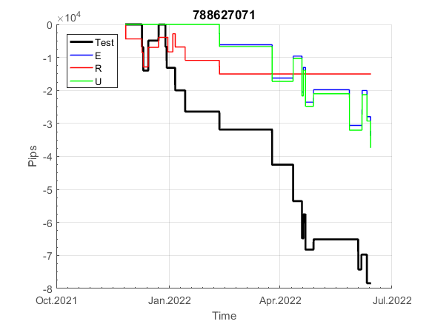
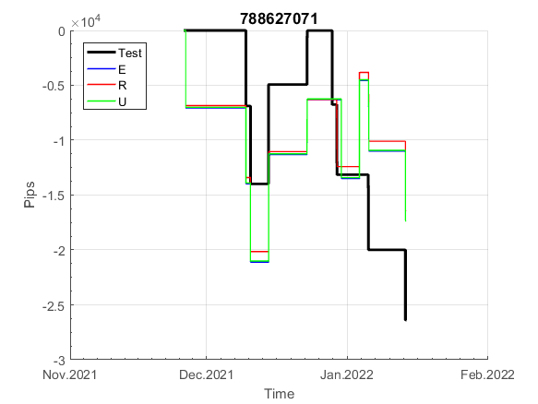
INFO | SymPer | Pip/Y | Trd/Y | RF=MaxPrf/Y/DD | PF | DD/LastDD | iDD | MO/Spred | SD | MO/SD | iRF=MaxPrf/iDD | W/L*W% | = | RISK=PF*RF | Magic | Mod | HL | HLk | TR | TRk | IN | Ik | Del | BrkBck | Inv | D | Iprice | S | P | PM1 | PM2 | Tk | TS | Out | OTr | Oprc | OD | Oprf | Wknd | A | a | AtrLim | tk | T0 | T1 | tp | start | 2004-01-01 | 2004-01-05 | 2004-01-06 | 2004-01-07 | 2004-01-08 | 2004-01-12 | 2004-01-13 | 2004-01-14 | 2004-01-15 | 2004-01-19 | 2004-01-20 | 2004-01-21 | 2004-01-22 | 2004-01-26 | 2004-01-27 | 2004-01-28 | 2004-01-29 | 2004-02-02 | 2004-02-03 | 2004-02-04 | 2004-02-05 | 2004-02-09 | 2004-02-10 | 2004-02-11 | 2004-02-12 | 2004-02-16 | 2004-02-17 | 2004-02-18 | 2004-02-19 | 2004-02-23 | 2004-02-24 | 2004-02-25 | 2004-02-26 | 2004-03-01 | 2004-03-02 | 2004-03-03 | 2004-03-04 | 2004-03-08 | 2004-03-09 | 2004-03-10 | 2004-03-11 | 2004-03-15 | 2004-03-16 | 2004-03-17 | 2004-03-18 | 2004-03-22 | 2004-03-23 | 2004-03-24 | 2004-03-25 | 2004-03-29 | 2004-03-30 | 2004-03-31 | 2004-04-01 | 2004-04-05 | 2004-04-06 | 2004-04-07 | 2004-04-08 | 2004-04-12 | 2004-04-13 | 2004-04-14 | 2004-04-15 | 2004-04-19 | 2004-04-20 | 2004-04-21 | 2004-04-22 | 2004-04-26 | 2004-04-27 | 2004-04-28 | 2004-04-29 | 2004-05-03 | 2004-05-04 | 2004-05-05 | 2004-05-06 | 2004-05-10 | 2004-05-11 | 2004-05-12 | 2004-05-13 | 2004-05-17 | 2004-05-18 | 2004-05-19 | 2004-05-20 | 2004-05-24 | 2004-05-25 | 2004-05-26 | 2004-05-27 | 2004-05-31 | 2004-06-11 | 2004-06-14 | 2004-06-15 | 2004-06-16 | 2004-06-17 | 2004-06-18 | 2004-06-21 | 2004-06-22 | 2004-06-23 | 2004-06-24 | 2004-06-25 | 2004-06-28 | 2004-06-29 | 2004-06-30 | 2004-07-01 | 2004-07-02 | 2004-07-06 | 2004-07-07 | 2004-07-08 | 2004-07-09 | 2004-07-12 | 2004-07-13 | 2004-07-14 | 2004-07-15 | 2004-07-16 | 2004-07-19 | 2004-07-20 | 2004-07-21 | 2004-07-22 | 2004-07-23 | 2004-07-26 | 2004-07-27 | 2004-07-28 | 2004-07-29 | 2004-07-30 | 2004-08-02 | 2004-08-03 | 2004-08-04 | 2004-08-05 | 2004-08-06 | 2004-08-09 | 2004-08-10 | 2004-08-11 | 2004-08-12 | 2004-08-13 | 2004-08-16 | 2004-08-17 | 2004-08-18 | 2004-08-19 | 2004-08-20 | 2004-08-23 | 2004-08-24 | 2004-08-25 | 2004-08-26 | 2004-08-27 | 2004-08-30 | 2004-08-31 | 2004-09-01 | 2004-09-02 | 2004-09-03 | 2004-09-07 | 2004-09-08 | 2004-09-09 | 2004-09-10 | 2004-09-13 | 2004-09-14 | 2004-09-15 | 2004-09-16 | 2004-09-17 | 2004-09-20 | 2004-09-21 | 2004-09-22 | 2004-09-23 | 2004-09-24 | 2004-09-27 | 2004-09-28 | 2004-09-29 | 2004-09-30 | 2004-10-01 | 2004-10-04 | 2004-10-05 | 2004-10-06 | 2004-10-07 | 2004-10-08 | 2004-10-11 | 2004-10-12 | 2004-10-13 | 2004-10-14 | 2004-10-15 | 2004-10-18 | 2004-10-19 | 2004-10-20 | 2004-10-21 | 2004-10-22 | 2004-10-25 | 2004-10-26 | 2004-10-27 | 2004-10-28 | 2004-10-29 | 2004-11-01 | 2004-11-02 | 2004-11-03 | 2004-11-04 | 2004-11-05 | 2004-11-08 | 2004-11-09 | 2004-11-10 | 2004-11-11 | 2004-11-12 | 2004-11-15 | 2004-11-16 | 2004-11-17 | 2004-11-18 | 2004-11-19 | 2004-11-22 | 2004-11-23 | 2004-11-24 | 2004-11-26 | 2004-11-29 | 2004-11-30 | 2004-12-01

FA$T200.925 2004.07.07-2022.12.02, Sprd=100, StpLev=100, Swaps=-2.00, OPT-2007.01.02-2020.01.02 | XAUUSD240 | 319 | 36 | 0.3 | 1.32 | 1151_559 | 2193 | 0.09 | 68 | 1.3 | 4 | 1.5*48 = | 70 | 0.4 | 788627071 | 2 | 3 | 3 | 0 | 9 | 8 | 1 | 0 | 0 | 1 | 1 | 2 | 2 | 7 | 0 | 1 | 4 | 0 | 0 | -1 | 2 | 0 | 2 | 0 | 15 | 3 | 0 | 0 | 7 | 3 | 3 |  | 0 | 0 | 0 | 0 | 0 | 0 | 0 | 0 | 0 | 0 | 0 | 0 | 0 | 0 | 0 | 0 | 0 | 0 | 0 | 0 | 0 | 0 | 0 | 0 | 32 | 37 | -22 | -22 | -22 | -22 | -22 | -22 | -39 | -39 | -58 | -58 | -58 | -58 | -58 | -58 | -58 | -58 | -58 | -66 | -57 | -16 | -16 | -16 | -21 | -35 | -35 | -35 | -52 | -52 | -79 | -79 | -79 | -79 | -79 | -95 | -95 | -95 | -95 | -95 | -95 | -95 | -95 | -95 | -95 | -110 | -110 | -110 | -110 | -110 | -110 | -110 | -110 | -110 | -110 | -110 | -110 | -110 | -110 | -110 | -110 | -110 | -110 | -110 | -110 | -110 | -110 | -110 | -126 | -126 | -126 | -126 | -126 | -126 | -126 | -143 | -143 | -149 | -145 | -115 | -115 | -115 | -115 | -115 | -115 | -115 | -115 | -115 | -115 | -115 | -115 | -115 | -115 | -115 | -160 | -170 | -170 | -170 | -187 | -187 | -187 | -187 | -187 | -187 | -187 | -187 | -187 | -187 | -208 | -208 | -208 | -208 | -224 | -224 | -225 | -211 | -226 | -226 | -226 | -226 | -242 | -242 | -242 | -242 | -237 | -211 | -198 | -198 | -198 | -198 | -198 | -198 | -198 | -198 | -198 | -198 | -198 | -198 | -198 | -198 | -198 | -198 | -198 | -198 | -198 | -202 | -176 | -166 | -166 | -166 | -166 | -166 | -166 | -166 | -166 | -166 | -166 | -166 | -166 | -166 | -177 | -177 | -177 | -177 | -177 | -177 | -177 | -177 | -177 | -177 | -177 | -177 | -177 | -177 | -177 | -177 | -177 | -177 | -177 | -177 | -177 | -177 | -177

 |  | 788627071
 |  | 0
 |  | 0
 |  | 0
 |  | 0
 |  | 0
 |  | 0
 |  | 0
 |  | 0
 |  | 0
 |  | 0
 |  | 0
 |  | 0
 |  | 0
 |  | 0
 |  | 0
 |  | 32
 |  | 37
 |  | -22
 |  | -22
 |  | -22
 |  | -22
 |  | -22
 |  | -22
 |  | -39
 |  | -39
 |  | -58
 |  | -58
 |  | -58
 |  | -58
 |  | -58
 |  | -58
 |  | -58
 |  | -58
 |  | -58
 |  | -66
 |  | -57
 |  | -16
 |  | -16
 |  | -16
 |  | -21
 |  | -35
 |  | -35
 |  | -35
 |  | -52
 |  | -52
 |  | -79
 |  | -79
 |  | -79
 |  | -79
 |  | -79
...
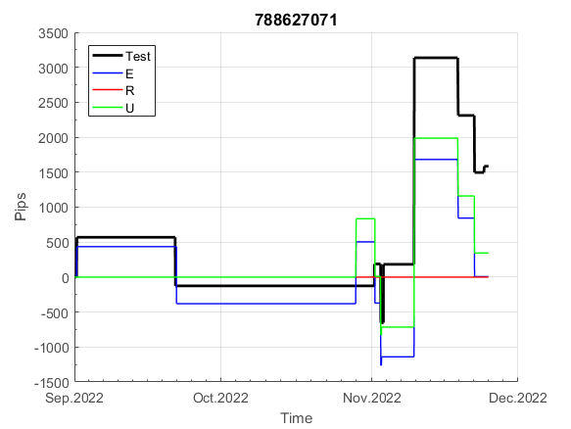
 |  |  |  |  |  |  |  |  |  |  |  |  |  |  |  |  |  |  |  |  |  |  |  | #DIV/0!
 |  |  |  |  |  |  |  |  |  |  |  |  |  |  |  |  |  |  |  |  |  |  |  | #DIV/0!
 |  |  |  |  |  |  |  |  |  |  |  |  |  |  |  |  |  |  |  |  |  |  |  | #DIV/0!
 |  |  |  |  |  |  |  |  |  |  |  |  |  |  |  |  |  |  |  |  |  |  |  | #DIV/0!

253
INFO | SymPer | Pip/Y | Trd/Y | RF=MaxPrf/Y/DD | PF | DD/LastDD | iDD | MO/Spred | SD | MO/SD | iRF=MaxPrf/iDD | W/L*W% | = | RISK=PF*RF | Magic | Mod | HL | HLk | TR | TRk | IN | Ik | Del | BrkBck | Inv | D | Iprice | S | P | PM1 | PM2 | Tk | TS | Out | OTr | Oprc | OD | Oprf | Wknd | A | a | AtrLim | tk | T0 | T1 | tp | start | 37987 | 37991 | 2004-01-06 | 2004-01-07 | 2004-01-08 | 2004-01-12 | 2004-01-13 | 2004-01-14 | 2004-01-15 | 2004-01-19 | 2004-01-20 | 2004-01-21 | 2004-01-22 | 2004-01-26 | 2004-01-27 | 2004-01-28 | 2004-01-29 | 2004-02-02 | 2004-02-03 | 2004-02-04 | 2004-02-05 | 2004-02-09 | 2004-02-10 | 2004-02-11 | 2004-02-12 | 2004-02-16 | 2004-02-17 | 2004-02-18 | 2004-02-19 | 2004-02-23 | 2004-02-24 | 2004-02-25 | 2004-02-26 | 2004-03-01 | 2004-03-02 | 2004-03-03 | 2004-03-04 | 2004-03-08 | 2004-03-09 | 2004-03-10 | 2004-03-11 | 2004-03-15 | 2004-03-16 | 2004-03-17 | 2004-03-18 | 2004-03-22 | 2004-03-23 | 2004-03-24 | 2004-03-25 | 2004-03-29 | 2004-03-30 | 2004-03-31 | 2004-04-01 | 2004-04-05 | 2004-04-06 | 2004-04-07 | 2004-04-08 | 2004-04-12 | 2004-04-13 | 2004-04-14 | 2004-04-15 | 2004-04-19 | 2004-04-20 | 2004-04-21 | 2004-04-22 | 2004-04-26 | 2004-04-27 | 2004-04-28 | 2004-04-29 | 2004-05-03 | 2004-05-04 | 2004-05-05 | 2004-05-06 | 2004-05-10 | 2004-05-11 | 2004-05-12 | 2004-05-13 | 2004-05-17 | 2004-05-18 | 2004-05-19 | 2004-05-20 | 2004-05-24 | 2004-05-25 | 2004-05-26 | 2004-05-27 | 2004-05-31 | 2004-06-11 | 2004-06-14 | 2004-06-15 | 2004-06-16 | 2004-06-17 | 2004-06-18 | 2004-06-21 | 2004-06-22 | 2004-06-23 | 2004-06-24 | 2004-06-25 | 2004-06-28 | 2004-06-29 | 2004-06-30 | 2004-07-01 | 2004-07-02 | 2004-07-06 | 2004-07-07 | 2004-07-08 | 2004-07-09 | 2004-07-12 | 2004-07-13 | 2004-07-14 | 2004-07-15 | 2004-07-16 | 2004-07-19 | 2004-07-20 | 2004-07-21 | 2004-07-22 | 2004-07-23 | 2004-07-26 | 2004-07-27 | 2004-07-28 | 2004-07-29 | 2004-07-30 | 2004-08-02 | 2004-08-03 | 2004-08-04 | 2004-08-05 | 2004-08-06 | 2004-08-09 | 2004-08-10 | 2004-08-11 | 2004-08-12 | 2004-08-13 | 2004-08-16 | 2004-08-17 | 2004-08-18 | 2004-08-19 | 2004-08-20 | 2004-08-23 | 2004-08-24 | 2004-08-25 | 2004-08-26 | 2004-08-27 | 2004-08-30 | 2004-08-31 | 2004-09-01 | 2004-09-02 | 2004-09-03 | 2004-09-07 | 2004-09-08 | 2004-09-09 | 2004-09-10 | 2004-09-13 | 2004-09-14 | 2004-09-15 | 2004-09-16 | 2004-09-17 | 2004-09-20 | 2004-09-21 | 2004-09-22 | 2004-09-23 | 2004-09-24 | 2004-09-27 | 2004-09-28 | 2004-09-29 | 2004-09-30 | 2004-10-01 | 2004-10-04 | 2004-10-05 | 2004-10-06 | 2004-10-07 | 2004-10-08 | 2004-10-11 | 2004-10-12 | 2004-10-13 | 2004-10-14 | 2004-10-15 | 2004-10-18 | 2004-10-19 | 2004-10-20 | 2004-10-21 | 2004-10-22 | 2004-10-25 | 2004-10-26 | 2004-10-27 | 2004-10-28 | 2004-10-29 | 2004-11-01 | 2004-11-02 | 2004-11-03 | 2004-11-04 | 2004-11-05 | 2004-11-08 | 2004-11-09 | 2004-11-10 | 2004-11-11 | 2004-11-12 | 2004-11-15 | 2004-11-16 | 2004-11-17 | 2004-11-18 | 2004-11-19 | 2004-11-22 | 2004-11-23 | 2004-11-24 | 2004-11-26 | 2004-11-29 | 2004-11-30 | 2004-12-01

FA$T200.925 2004.06.15-2022.12.02, Sprd=100, StpLev=100, Swaps=-2.00, OPT-2007.01.02-2020.01.02 | XAUUSD30 | 564 | 15 | 0.36 | 1.56 | 1581_60 | 3268 | 0.37 | 196 | 1.9 | 11 | 3.1*36 = | 114 | 0.6 | 253329264 | 2 | 2 | 4 | -2 | 8 | 7 | 6 | 1 | 1 | 1 | 1 | 2 | 0 | -4 | 0 | 0 | 3 | 1 | 0 | 0 | 3 | 0 | 0 | 0 | 15 | 4 | 0 | 0 | 8 | 8 | 0 |  | 0 | 0 | 0 | 0 | 0 | 0 | 0 | 0 | 0 | 0 | 0 | -20 | -20 | -20 | -20 | -45 | -87 | -87 | -87 | -87 | -111 | -111 | -111 | -111 | -111 | -111 | -111 | -111 | -111 | -111 | -111 | -111 | -111 | -111 | -111 | -111 | -111 | -111 | -111 | -111 | -111 | -160 | -160 | -174 | -113 | -96 | -84 | -70 | -55 | 6 | 6 | 6 | 6 | 6 | 6 | 6 | 6 | 6 | 6 | 6 | 6 | 6 | 6 | 6 | 6 | 6 | 6 | 6 | 6 | 6 | 6 | 6 | 6 | 6 | 6 | 6 | 6 | 6 | 6 | 6 | 6 | 6 | 6 | 6 | 6 | -14 | -14 | -14 | -14 | -14 | -25 | -37 | -37 | -37 | -37 | -37 | -37 | -37 | -37 | -37 | -37 | -37 | -37 | -37 | -37 | -37 | -37 | -37 | -37 | -37 | -37 | -37 | -37 | -37 | -37 | -37 | -37 | -37 | -44 | -29 | 3 | -33 | -33 | -33 | -61 | -26 | -48 | -45 | -60 | -71 | -59 | -74 | -72 | -66 | -57 | -84 | -83 | -69 | -11 | 0 | 80 | 96 | 112 | 151 | 168 | 160 | 116 | 124 | 117 | 126 | 116 | 90 | 126 | 84 | 79 | 82 | 84 | 87 | 93 | 108 | 143 | 145 | 157 | 203 | 219 | 240 | 242 | 201 | 172 | 124 | 124 | 130 | 117 | 114 | 38 | 45 | 38 | 50 | 27 | 49 | 74 | 76 | 60 | 60 | 6 | -4 | -2 | -41 | -30 | -19 | -11 | -10 | 34 | 34 | 110 | 153 | 175 | 177 | 169 | 163 | 159 | 165 | 187 | 201 | 179 | 176 | 187

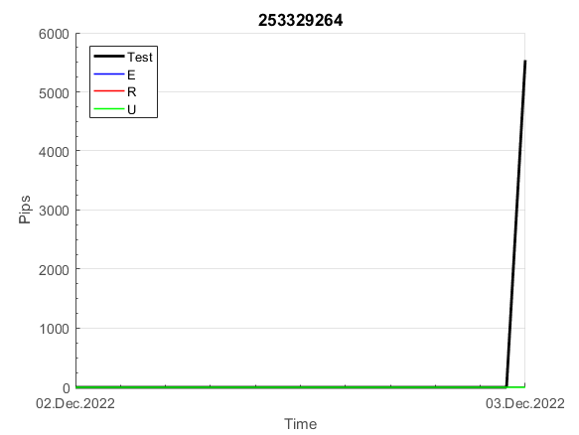
 |  | 253329264
 |  | 0
 |  | 0
 |  | -20
 |  | -20
 |  | -20
 |  | -20
 |  | -45
 |  | -87
 |  | -87
 |  | -87
 |  | -87
 |  | -111
 |  | -111
 |  | -111
 |  | -111
 |  | -111
 |  | -111
 |  | -111
 |  | -111
 |  | -111
 |  | -111
 |  | -111
 |  | -111
 |  | -111
 |  | -111
 |  | -111
 |  | -111
 |  | -111
 |  | -111
 |  | -111
 |  | -111
 |  | -111
 |  | -160
 |  | -160
 |  | -174
 |  | -113
 |  | -96
 |  | -84
 |  | -70
 |  | -55
 |  | 6
 |  | 6
 |  | 6
 |  | 6
 |  | 6
 |  | 6
 |  | 6
 |  | 6
 |  | 6
 |  | 6
...
 |  |  |  |  |  |  |  |  |  |  |  |  |  |  |  |  |  |  |  |  |  |  |  | #DIV/0!
 |  |  |  |  |  |  |  |  |  |  |  |  |  |  |  |  |  |  |  |  |  |  |  | #DIV/0!
 |  |  |  |  |  |  |  |  |  |  |  |  |  |  |  |  |  |  |  |  |  |  |  | #DIV/0!
 |  |  |  |  |  |  |  |  |  |  |  |  |  |  |  |  |  |  |  |  |  |  |  | #DIV/0!

234
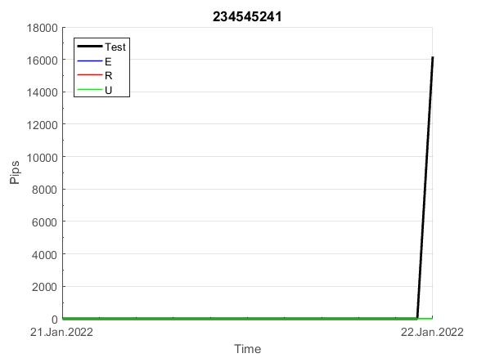
INFO | SymPer | Pip/Y | Trd/Y | RF=MaxPrf/Y/DD | PF | DD/LastDD | iDD | MO/Spred | SD | MO/SD | iRF=MaxPrf/iDD | W/L*W% | = | RISK=PF*RF | Magic | Mod | HL | HLk | TR | TRk | IN | Ik | Del | BrkBck | Inv | D | Iprice | S | P | PM1 | PM2 | Tk | TS | Out | OTr | Oprc | OD | Oprf | Wknd | A | a | AtrLim | tk | T0 | T1 | tp | start | 2004-01-01 | 2004-01-05 | 2004-01-06 | 2004-01-07 | 2004-01-08 | 2004-01-12 | 2004-01-13 | 2004-01-14 | 2004-01-15 | 2004-01-19 | 2004-01-20 | 2004-01-21 | 2004-01-22 | 2004-01-26 | 2004-01-27 | 2004-01-28 | 2004-01-29 | 2004-02-02 | 2004-02-03 | 2004-02-04 | 2004-02-05 | 2004-02-09 | 2004-02-10 | 2004-02-11 | 2004-02-12 | 2004-02-16 | 2004-02-17 | 2004-02-18 | 2004-02-19 | 2004-02-23 | 2004-02-24 | 2004-02-25 | 2004-02-26 | 2004-03-01 | 2004-03-02 | 2004-03-03 | 2004-03-04 | 2004-03-08 | 2004-03-09 | 2004-03-10 | 2004-03-11 | 2004-03-15 | 2004-03-16 | 2004-03-17 | 2004-03-18 | 2004-03-22 | 2004-03-23 | 2004-03-24 | 2004-03-25 | 2004-03-29 | 2004-03-30 | 2004-03-31 | 2004-04-01 | 2004-04-05 | 2004-04-06 | 2004-04-07 | 2004-04-08 | 2004-04-12 | 2004-04-13 | 2004-04-14 | 2004-04-15 | 2004-04-19 | 2004-04-20 | 2004-04-21 | 2004-04-22 | 2004-04-26 | 2004-04-27 | 2004-04-28 | 2004-04-29 | 2004-05-03 | 2004-05-04 | 2004-05-05 | 2004-05-06 | 2004-05-10 | 2004-05-11 | 2004-05-12 | 2004-05-13 | 2004-05-17 | 2004-05-18 | 2004-05-19 | 2004-05-20 | 2004-05-24 | 2004-05-25 | 2004-05-26 | 2004-05-27 | 2004-05-31 | 2004-06-11 | 2004-06-14 | 2004-06-15 | 2004-06-16 | 2004-06-17 | 2004-06-18 | 2004-06-21 | 2004-06-22 | 2004-06-23 | 2004-06-24 | 2004-06-25 | 2004-06-28 | 2004-06-29 | 2004-06-30 | 2004-07-01 | 2004-07-02 | 2004-07-06 | 2004-07-07 | 2004-07-08 | 2004-07-09 | 2004-07-12 | 2004-07-13 | 2004-07-14 | 2004-07-15 | 2004-07-16 | 2004-07-19 | 2004-07-20 | 2004-07-21 | 2004-07-22 | 2004-07-23 | 2004-07-26 | 2004-07-27 | 2004-07-28 | 2004-07-29 | 2004-07-30 | 2004-08-02 | 2004-08-03 | 2004-08-04 | 2004-08-05 | 2004-08-06 | 2004-08-09 | 2004-08-10 | 2004-08-11 | 2004-08-12 | 2004-08-13 | 2004-08-16 | 2004-08-17 | 2004-08-18 | 2004-08-19 | 2004-08-20 | 2004-08-23 | 2004-08-24 | 2004-08-25 | 2004-08-26 | 2004-08-27 | 2004-08-30 | 2004-08-31 | 2004-09-01 | 2004-09-02 | 2004-09-03 | 2004-09-07 | 2004-09-08 | 2004-09-09 | 2004-09-10 | 2004-09-13 | 2004-09-14 | 2004-09-15 | 2004-09-16 | 2004-09-17 | 2004-09-20 | 2004-09-21 | 2004-09-22 | 2004-09-23 | 2004-09-24 | 2004-09-27 | 2004-09-28 | 2004-09-29 | 2004-09-30 | 2004-10-01 | 2004-10-04 | 2004-10-05 | 2004-10-06 | 2004-10-07 | 2004-10-08 | 2004-10-11 | 2004-10-12 | 2004-10-13 | 2004-10-14 | 2004-10-15 | 2004-10-18 | 2004-10-19 | 2004-10-20 | 2004-10-21 | 2004-10-22 | 2004-10-25 | 2004-10-26 | 2004-10-27 | 2004-10-28 | 2004-10-29 | 2004-11-01 | 2004-11-02 | 2004-11-03 | 2004-11-04 | 2004-11-05 | 2004-11-08 | 2004-11-09 | 2004-11-10 | 2004-11-11 | 2004-11-12 | 2004-11-15 | 2004-11-16 | 2004-11-17 | 2004-11-18 | 2004-11-19 | 2004-11-22 | 2004-11-23 | 2004-11-24 | 2004-11-26 | 2004-11-29 | 2004-11-30 | 2004-12-01
FA$T200.925 2004.01.01-2022.06.02, Sprd=100, StpLev=100, Swaps=-2.00, OPT-2007.01.02-2019.12.30 | XAUUSD240 | 645 | 14 | 0.58 | 1.9 | 1198_983 | 2354 | 0.47 | 161 | 2.9 | 22 | 1.5*57 = | 87 | 1.1 | 234545241 | 2 | 2 | 1 | 3 | 1 | 7 | 2 | 2 | 0 | 0 | -1 | 1 | 0 | -4 | 3 | 3 | 2 | 0 | 0 | 1 | 2 | 1 | 3 | 2 | 15 | 3 | 0 | 0 | 4 | 3 | 1 |  | 0 | 0 | 0 | 0 | 0 | 0 | 0 | 0 | 0 | 0 | 0 | 0 | 0 | 0 | 0 | 0 | 0 | 0 | 0 | 0 | 0 | 0 | 0 | 0 | 0 | 0 | 0 | 0 | 0 | 0 | 0 | 0 | 0 | 0 | 0 | 0 | 0 | 0 | 0 | 0 | 0 | 0 | 0 | 0 | 0 | 0 | 0 | 0 | 0 | 0 | 0 | 0 | 0 | 0 | 0 | 0 | 0 | 0 | 0 | 0 | 0 | 0 | 0 | 0 | 0 | 0 | 0 | 0 | 0 | 0 | 0 | 0 | 0 | 0 | 0 | 0 | 0 | 0 | 0 | 0 | 0 | 0 | 0 | 0 | 0 | 0 | 0 | 0 | 0 | 0 | 0 | 0 | 0 | 0 | 0 | 0 | 0 | 0 | 0 | 0 | 0 | 0 | 0 | 0 | 0 | 0 | 0 | 0 | 0 | 0 | 0 | 0 | 0 | 0 | 0 | 0 | 0 | 0 | 0 | 0 | 0 | 0 | 0 | 0 | 0 | 0 | 0 | 0 | 0 | 0 | 0 | 0 | 0 | 0 | 0 | 0 | 0 | 0 | 0 | 0 | 0 | 0 | 0 | 0 | 0 | 0 | 0 | 0 | 0 | 0 | 0 | 0 | 0 | 0 | 0 | 0 | 0 | 0 | 0 | 0 | 0 | 0 | 0 | 0 | 0 | 0 | 0 | 0 | 0 | 0 | 0 | 0 | 0 | 0 | 0 | 0 | 0 | 0 | 0 | 0 | 0 | 0 | -9.7233 | -20.41893 | -3.88932 | -3.88932 | -3.88932 | -3.88932 | -3.88932 | -3.88932 | -3.88932 | -3.88932 | -3.88932 | -3.88932 | -3.88932 | -3.88932 | -3.88932 | -3.88932 | -3.88932 | -3.88932 | -3.88932 | -3.88932 | -3.88932 | -3.88932 | -53.47815 | -86.53737 | -79.73106
FA$T200.925 2004.06.11-2022.06.16, Sprd=100, StpLev=100, Swaps=-0.30, OPT-2007.01.02-2019.12.30 | XAUUSD240 | -90 | 33 | 0 | 0.92 | 2331_1498 | 8640 | -0.03 | 73 | -0.4 | 0 | 1.4*43 = | 60 | 0 | 234545241 | 2 | 2 | 1 | 3 | 1 | 7 | 2 | 2 | 0 | 0 | -1 | 1 | 0 | -4 | 3 | 3 | 2 | 0 | 0 | 1 | 2 | 1 | 3 | 2 | 15 | 3 | 0 | 0 | 4 | 3 | 1 |  | 0 | 0 | 0 | 0 | 0 | 0 | 0 | 0 | 0 | 0 | 0 | 0 | 0 | 0 | 0 | 0 | 0 | 0 | 0 | 0 | 0 | 0 | 0 | 0 | 0 | 0 | 0 | 0 | 0 | 0 | 0 | 0 | 0 | 0 | 0 | 0 | 0 | 0 | 0 | 0 | -8 | -18 | -16 | -16 | -16 | -16 | -16 | -16 | -16 | -16 | -16 | -9 | -9 | -9 | -9 | -9 | -9 | -9 | -9 | -9 | -9 | -9 | -9 | -9 | -9 | -9 | -33 | -33 | -33 | -33 | -33 | -33 | -33 | -33 | -33 | -33 | -33 | -33 | -33 | -33 | -55 | -86 | -86 | -86 | -86 | -105 | -105 | -87 | -35 | -35 | -35 | -35 | -35 | -35 | -35 | -35 | -35 | -35 | -35 | -35 | -35 | -35 | -90 | -90 | -90 | -71 | -71 | -71 | -71 | -71 | -71 | -71 | -71 | -71 | -71 | -71 | -71 | -71 | -121 | -161 | -155 | -155 | -155 | -155 | -155 | -159 | -198 | -198 | -198 | -198 | -198 | -198 | -254 | -254 | -254 | -254 | -254 | -254 | -254 | -254 | -241 | -251 | -221 | -196 | -186 | -186 | -186 | -186 | -207 | -217 | -217 | -217 | -217 | -217 | -217 | -217 | -217 | -217 | -217 | -217 | -217 | -217 | -217 | -217 | -242 | -244 | -219 | -203 | -206 | -207 | -203 | -203 | -203 | -203 | -203 | -203 | -203 | -203 | -203 | -203 | -203 | -203 | -203 | -203 | -211 | -217 | -217 | -217 | -217 | -217 | -217 | -228 | -257 | -257 | -214 | -198 | -198 | -218 | -202 | -206 | -217 | -221 | -224 | -225 | -191 | -191 | -191

 | 234545241 | 234545241
 | 0 | 0
 | 0 | 0
 | 0 | 0
 | 0 | 0
 | 0 | 0
 | 0 | 0
 | 0 | 0
 | 0 | 0
 | 0 | 0
 | 0 | 0
 | 0 | 0
 | 0 | 0
 | 0 | 0
 | 0 | 0
 | 0 | 0
 | 0 | 0
 | 0 | 0
 | 0 | 0
 | 0 | 0
 | 0 | 0
 | 0 | 0
 | 0 | 0
 | 0 | 0
 | 0 | 0
 | 0 | 0
 | 0 | 0
 | 0 | 0
 | 0 | 0
 | 0 | 0
 | 0 | 0
 | 0 | 0
 | 0 | -8
 | 0 | -18
 | 0 | -16
 | 0 | -16
 | 0 | -16
 | 0 | -16
 | 0 | -16
 | 0 | -16
 | 0 | -16
 | 0 | -16
 | 0 | -16
 | 0 | -9
 | 0 | -9
 | 0 | -9
 | 0 | -9
 | 0 | -9
 | 0 | -9
 | 0 | -9
 | 0 | -9
...
 |  |  |  |  |  |  |  |  |  |  |  |  |  |  |  |  |  |  |  |  |  |  |  | 0.58360123611
 |  |  |  |  |  |  |  |  |  |  |  |  |  |  |  |  |  |  |  |  |  |  |  | #DIV/0!
 |  |  |  |  |  |  |  |  |  |  |  |  |  |  |  |  |  |  |  |  |  |  |  | #DIV/0!
 |  |  |  |  |  |  |  |  |  |  |  |  |  |  |  |  |  |  |  |  |  |  |  | #DIV/0!

195
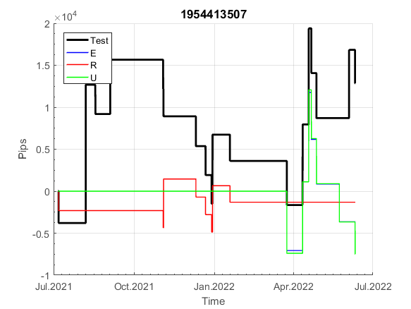
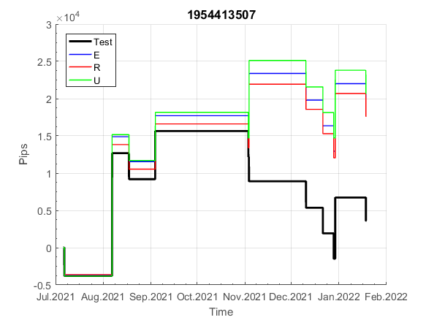
INFO | SymPer | Pip/Y | Trd/Y | RF=MaxPrf/Y/DD | PF | DD/LastDD | iDD | MO/Spred | SD | MO/SD | iRF=MaxPrf/iDD | W/L*W% | = | RISK=PF*RF | Magic | Mod | HL | HLk | TR | TRk | IN | Ik | Del | BrkBck | Inv | D | Iprice | S | P | PM1 | PM2 | Tk | TS | Out | OTr | Oprc | OD | Oprf | Wknd | A | a | AtrLim | tk | T0 | T1 | tp | start | 2004-01-01 | 2004-01-05 | 2004-01-06 | 2004-01-07 | 2004-01-08 | 2004-01-12 | 2004-01-13 | 2004-01-14 | 2004-01-15 | 2004-01-19 | 2004-01-20 | 2004-01-21 | 2004-01-22 | 2004-01-26 | 2004-01-27 | 2004-01-28 | 2004-01-29 | 2004-02-02 | 2004-02-03 | 2004-02-04 | 2004-02-05 | 2004-02-09 | 2004-02-10 | 2004-02-11 | 2004-02-12 | 2004-02-16 | 2004-02-17 | 2004-02-18 | 2004-02-19 | 2004-02-23 | 2004-02-24 | 2004-02-25 | 2004-02-26 | 2004-03-01 | 2004-03-02 | 2004-03-03 | 2004-03-04 | 2004-03-08 | 2004-03-09 | 2004-03-10 | 2004-03-11 | 2004-03-15 | 2004-03-16 | 2004-03-17 | 2004-03-18 | 2004-03-22 | 2004-03-23 | 2004-03-24 | 2004-03-25 | 2004-03-29 | 2004-03-30 | 2004-03-31 | 2004-04-01 | 2004-04-05 | 2004-04-06 | 2004-04-07 | 2004-04-08 | 2004-04-12 | 2004-04-13 | 2004-04-14 | 2004-04-15 | 2004-04-19 | 2004-04-20 | 2004-04-21 | 2004-04-22 | 2004-04-26 | 2004-04-27 | 2004-04-28 | 2004-04-29 | 2004-05-03 | 2004-05-04 | 2004-05-05 | 2004-05-06 | 2004-05-10 | 2004-05-11 | 2004-05-12 | 2004-05-13 | 2004-05-17 | 2004-05-18 | 2004-05-19 | 2004-05-20 | 2004-05-24 | 2004-05-25 | 2004-05-26 | 2004-05-27 | 2004-05-31 | 2004-06-11 | 2004-06-14 | 2004-06-15 | 2004-06-16 | 2004-06-17 | 2004-06-18 | 2004-06-21 | 2004-06-22 | 2004-06-23 | 2004-06-24 | 2004-06-25 | 2004-06-28 | 2004-06-29 | 2004-06-30 | 2004-07-01 | 2004-07-02 | 2004-07-06 | 2004-07-07 | 2004-07-08 | 2004-07-09 | 2004-07-12 | 2004-07-13 | 2004-07-14 | 2004-07-15 | 2004-07-16 | 2004-07-19 | 2004-07-20 | 2004-07-21 | 2004-07-22 | 2004-07-23 | 2004-07-26 | 2004-07-27 | 2004-07-28 | 2004-07-29 | 2004-07-30 | 2004-08-02 | 2004-08-03 | 2004-08-04 | 2004-08-05 | 2004-08-06 | 2004-08-09 | 2004-08-10 | 2004-08-11 | 2004-08-12 | 2004-08-13 | 2004-08-16 | 2004-08-17 | 2004-08-18 | 2004-08-19 | 2004-08-20 | 2004-08-23 | 2004-08-24 | 2004-08-25 | 2004-08-26 | 2004-08-27 | 2004-08-30 | 2004-08-31 | 2004-09-01 | 2004-09-02 | 2004-09-03 | 2004-09-07 | 2004-09-08 | 2004-09-09 | 2004-09-10 | 2004-09-13 | 2004-09-14 | 2004-09-15 | 2004-09-16 | 2004-09-17 | 2004-09-20 | 2004-09-21 | 2004-09-22 | 2004-09-23 | 2004-09-24 | 2004-09-27 | 2004-09-28 | 2004-09-29 | 2004-09-30 | 2004-10-01 | 2004-10-04 | 2004-10-05 | 2004-10-06 | 2004-10-07 | 2004-10-08 | 2004-10-11 | 2004-10-12 | 2004-10-13 | 2004-10-14 | 2004-10-15 | 2004-10-18 | 2004-10-19 | 2004-10-20 | 2004-10-21 | 2004-10-22 | 2004-10-25 | 2004-10-26 | 2004-10-27 | 2004-10-28 | 2004-10-29 | 2004-11-01 | 2004-11-02 | 2004-11-03 | 2004-11-04 | 2004-11-05 | 2004-11-08 | 2004-11-09 | 2004-11-10 | 2004-11-11 | 2004-11-12 | 2004-11-15 | 2004-11-16 | 2004-11-17 | 2004-11-18 | 2004-11-19 | 2004-11-22 | 2004-11-23 | 2004-11-24 | 2004-11-26 | 2004-11-29 | 2004-11-30 | 2004-12-01

FA$T200.925 2004.07.07-2022.12.02, Sprd=100, StpLev=100, Swaps=-2.00, OPT-2007.01.02-2019.12.30 | XAUUSD240 | 138 | 24 | 0.29 | 1.29 | 566_445 | 1948 | 0.06 | 50 | 1.2 | 4 | 2.6*34 = | 90 | 0.4 | 1954413507 | 2 | 1 | 8 | 4 | 2 | 8 | 1 | 2 | 0 | 0 | 2 | 1 | 1 | 0 | 2 | 3 | -2 | 0 | 1 | 1 | 3 | 0 | 1 | 2 | 15 | 3 | 0 | 3 | 5 | 8 | 3 |  | 0 | 0 | 0 | 0 | 0 | 0 | 0 | 0 | 0 | 0 | 0 | 0 | 0 | 0 | 0 | 0 | 0 | 0 | 0 | 0 | 0 | 0 | 0 | 0 | 0 | 0 | 0 | 0 | 0 | 0 | 0 | 0 | 0 | 0 | 0 | 0 | 0 | 0 | 0 | 0 | 0 | 0 | 0 | 0 | 0 | 0 | 0 | 0 | 0 | 0 | 0 | 0 | 0 | 0 | 0 | 0 | 0 | 0 | 0 | 0 | 0 | 0 | 0 | 0 | 0 | 0 | 0 | 0 | 0 | 0 | 0 | 0 | 0 | 0 | 0 | 0 | 0 | 0 | 0 | 0 | 0 | 0 | 0 | 0 | 0 | 0 | 0 | 0 | 0 | 0 | 0 | 0 | 0 | 0 | 0 | 0 | 0 | 0 | 0 | 0 | 0 | 0 | 0 | 0 | 0 | 0 | 0 | 0 | 0 | 0 | 0 | 0 | 0 | 0 | 0 | 0 | 0 | 0 | 0 | 0 | 0 | 0 | 0 | 0 | 0 | 0 | 0 | 0 | 0 | 0 | 0 | 0 | 0 | 0 | 0 | 0 | 0 | 0 | 0 | 0 | 0 | 0 | 0 | 0 | 0 | 0 | 0 | 0 | 0 | 0 | 0 | 0 | 0 | 0 | 0 | 0 | 0 | 0 | 0 | 0 | 0 | 0 | 0 | 0 | 0 | 0 | 0 | 0 | 0 | 0 | 0 | 0 | 0 | 0 | 0 | 0 | 0 | 0 | 0 | 0 | 0 | 0 | 0 | 0 | 0 | 0 | 0 | 0 | 0 | 0 | 0 | 0 | 0 | 0 | 0 | 0 | 0 | 0 | 0 | 0 | 0 | 0 | 0 | 0 | 0 | 0 | 0

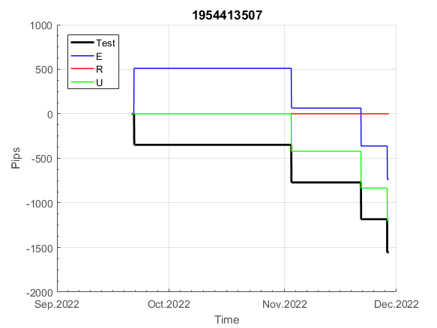
 |  | 1954413507
 |  | 0
 |  | 0
 |  | 0
 |  | 0
 |  | 0
 |  | 0
 |  | 0
 |  | 0
 |  | 0
 |  | 0
 |  | 0
 |  | 0
 |  | 0
 |  | 0
 |  | 0
 |  | 0
 |  | 0
 |  | 0
 |  | 0
 |  | 0
 |  | 0
 |  | 0
 |  | 0
 |  | 0
 |  | 0
 |  | 0
 |  | 0
 |  | 0
 |  | 0
 |  | 0
 |  | 0
 |  | 0
 |  | 0
 |  | 0
 |  | 0
 |  | 0
 |  | 0
 |  | 0
 |  | 0
 |  | 0
 |  | 0
 |  | 0
 |  | 0
 |  | 0
 |  | 0
 |  | 0
 |  | 0
 |  | 0
 |  | 0
 |  | 0
...
 |  |  |  |  |  |  |  |  |  |  |  |  |  |  |  |  |  |  |  |  |  |  |  | #DIV/0!
 |  |  |  |  |  |  |  |  |  |  |  |  |  |  |  |  |  |  |  |  |  |  |  | #DIV/0!
 |  |  |  |  |  |  |  |  |  |  |  |  |  |  |  |  |  |  |  |  |  |  |  | #DIV/0!
 |  |  |  |  |  |  |  |  |  |  |  |  |  |  |  |  |  |  |  |  |  |  |  | #DIV/0!

171
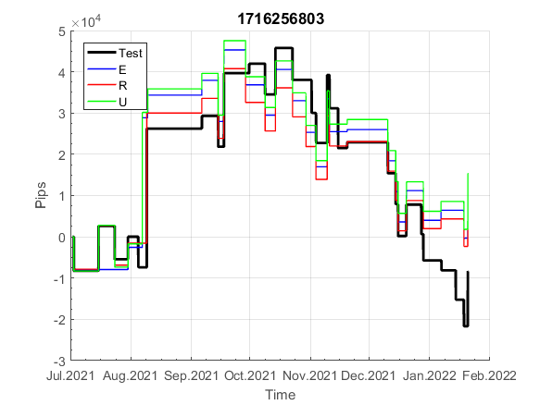
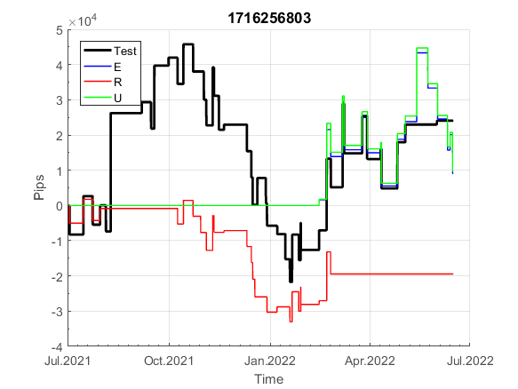
INFO | SymPer | Pip/Y | Trd/Y | RF=MaxPrf/Y/DD | PF | DD/LastDD | iDD | MO/Spred | SD | MO/SD | iRF=MaxPrf/iDD | W/L*W% | = | RISK=PF*RF | Magic | Mod | HL | HLk | TR | TRk | IN | Ik | Del | BrkBck | Inv | D | Iprice | S | P | PM1 | PM2 | Tk | TS | Out | OTr | Oprc | OD | Oprf | Wknd | A | a | AtrLim | tk | T0 | T1 | tp | start | 2004-01-01 | 2004-01-05 | 2004-01-06 | 2004-01-07 | 2004-01-08 | 2004-01-12 | 2004-01-13 | 2004-01-14 | 2004-01-15 | 2004-01-19 | 2004-01-20 | 2004-01-21 | 2004-01-22 | 2004-01-26 | 2004-01-27 | 2004-01-28 | 2004-01-29 | 2004-02-02 | 2004-02-03 | 2004-02-04 | 2004-02-05 | 2004-02-09 | 2004-02-10 | 2004-02-11 | 2004-02-12 | 2004-02-16 | 2004-02-17 | 2004-02-18 | 2004-02-19 | 2004-02-23 | 2004-02-24 | 2004-02-25 | 2004-02-26 | 2004-03-01 | 2004-03-02 | 2004-03-03 | 2004-03-04 | 2004-03-08 | 2004-03-09 | 2004-03-10 | 2004-03-11 | 2004-03-15 | 2004-03-16 | 2004-03-17 | 2004-03-18 | 2004-03-22 | 2004-03-23 | 2004-03-24 | 2004-03-25 | 2004-03-29 | 2004-03-30 | 2004-03-31 | 2004-04-01 | 2004-04-05 | 2004-04-06 | 2004-04-07 | 2004-04-08 | 2004-04-12 | 2004-04-13 | 2004-04-14 | 2004-04-15 | 2004-04-19 | 2004-04-20 | 2004-04-21 | 2004-04-22 | 2004-04-26 | 2004-04-27 | 2004-04-28 | 2004-04-29 | 2004-05-03 | 2004-05-04 | 2004-05-05 | 2004-05-06 | 2004-05-10 | 2004-05-11 | 2004-05-12 | 2004-05-13 | 2004-05-17 | 2004-05-18 | 2004-05-19 | 2004-05-20 | 2004-05-24 | 2004-05-25 | 2004-05-26 | 2004-05-27 | 2004-05-31 | 2004-06-11 | 2004-06-14 | 2004-06-15 | 2004-06-16 | 2004-06-17 | 2004-06-18 | 2004-06-21 | 2004-06-22 | 2004-06-23 | 2004-06-24 | 2004-06-25 | 2004-06-28 | 2004-06-29 | 2004-06-30 | 2004-07-01 | 2004-07-02 | 2004-07-06 | 2004-07-07 | 2004-07-08 | 2004-07-09 | 2004-07-12 | 2004-07-13 | 2004-07-14 | 2004-07-15 | 2004-07-16 | 2004-07-19 | 2004-07-20 | 2004-07-21 | 2004-07-22 | 2004-07-23 | 2004-07-26 | 2004-07-27 | 2004-07-28 | 2004-07-29 | 2004-07-30 | 2004-08-02 | 2004-08-03 | 2004-08-04 | 2004-08-05 | 2004-08-06 | 2004-08-09 | 2004-08-10 | 2004-08-11 | 2004-08-12 | 2004-08-13 | 2004-08-16 | 2004-08-17 | 2004-08-18 | 2004-08-19 | 2004-08-20 | 2004-08-23 | 2004-08-24 | 2004-08-25 | 2004-08-26 | 2004-08-27 | 2004-08-30 | 2004-08-31 | 2004-09-01 | 2004-09-02 | 2004-09-03 | 2004-09-07 | 2004-09-08 | 2004-09-09 | 2004-09-10 | 2004-09-13 | 2004-09-14 | 2004-09-15 | 2004-09-16 | 2004-09-17 | 2004-09-20 | 2004-09-21 | 2004-09-22 | 2004-09-23 | 2004-09-24 | 2004-09-27 | 2004-09-28 | 2004-09-29 | 2004-09-30 | 2004-10-01 | 2004-10-04 | 2004-10-05 | 2004-10-06 | 2004-10-07 | 2004-10-08 | 2004-10-11 | 2004-10-12 | 2004-10-13 | 2004-10-14 | 2004-10-15 | 2004-10-18 | 2004-10-19 | 2004-10-20 | 2004-10-21 | 2004-10-22 | 2004-10-25 | 2004-10-26 | 2004-10-27 | 2004-10-28 | 2004-10-29 | 2004-11-01 | 2004-11-02 | 2004-11-03 | 2004-11-04 | 2004-11-05 | 2004-11-08 | 2004-11-09 | 2004-11-10 | 2004-11-11 | 2004-11-12 | 2004-11-15 | 2004-11-16 | 2004-11-17 | 2004-11-18 | 2004-11-19 | 2004-11-22 | 2004-11-23 | 2004-11-24 | 2004-11-26 | 2004-11-29 | 2004-11-30 | 2004-12-01

FA$T200.925 2004.07.07-2022.12.02, Sprd=100, StpLev=100, Swaps=-2.00, OPT-2007.01.02-2019.12.30 | XAUUSD240 | 571 | 61 | 0.54 | 1.31 | 1049_6 | 3302 | 0.09 | 75 | 1.2 | 3 | 1.9*43 = | 80 | 0.7 | 1716256803 | 2 | 6 | 3 | 4 | 2 | 3 | 5 | 1 | 0 | 0 | 0 | 2 | 2 | 0 | 3 | 0 | -3 | 1 | 0 | -1 | 1 | 0 | 2 | 2 | 15 | 4 | 0 | 0 | 3 | 2 | 3 |  | 0 | 0 | 0 | 0 | 0 | 0 | 0 | 0 | 0 | 0 | 0 | 0 | 0 | 0 | 0 | 0 | 0 | 0 | 0 | 0 | 0 | 0 | 0 | 0 | 0 | -27 | -27 | -27 | -27 | -55 | -66 | -66 | -122 | -129 | -120 | -120 | -120 | -120 | -120 | -120 | -143 | -130 | -130 | -145 | -135 | -105 | -105 | -110 | -111 | -111 | -111 | -111 | -111 | -111 | -111 | -111 | -129 | -133 | -133 | -133 | -151 | -170 | -170 | -170 | -170 | -188 | -188 | -188 | -188 | -188 | -203 | -203 | -203 | -203 | -217 | -217 | -221 | -197 | -198 | -217 | -217 | -217 | -217 | -234 | -234 | -234 | -234 | -234 | -257 | -257 | -278 | -278 | -278 | -297 | -297 | -297 | -279 | -279 | -299 | -299 | -299 | -307 | -292 | -305 | -305 | -325 | -325 | -325 | -325 | -258 | -215 | -215 | -215 | -215 | -215 | -215 | -217 | -228 | -225 | -213 | -226 | -226 | -241 | -243 | -243 | -230 | -199 | -218 | -227 | -237 | -237 | -237 | -237 | -237 | -237 | -237 | -237 | -254 | -271 | -271 | -271 | -271 | -271 | -271 | -271 | -271 | -271 | -271 | -250 | -225 | -241 | -241 | -241 | -258 | -258 | -276 | -276 | -293 | -293 | -291 | -265 | -254 | -254 | -261 | -261 | -261 | -261 | -261 | -282 | -293 | -241 | -245 | -246 | -254 | -254 | -254 | -273 | -273 | -273 | -273 | -263 | -241 | -241 | -241 | -241 | -241 | -241 | -247 | -257 | -257 | -274 | -274 | -287 | -309 | -309 | -337 | -337 | -337 | -349 | -349 | -349 | -349 | -349 | -349 | -349 | -360 | -360

FA$T200.925 2004.06.11-2022.06.10, Sprd=100, StpLev=100, Swaps=-27.00, OPT-2007.01.02-2019.12.30 | XAUUSD240 | 557 | 62 | 0.46 | 1.3 | 1257_303 | 4044 | 0.09 | 73 | 1.2 | 2 | 1.9*42 = | 80 | 0.6 | 1716256803 | 2 | 6 | 3 | 4 | 2 | 3 | 5 | 1 | 0 | 0 | 0 | 2 | 2 | 0 | 3 | 0 | -3 | 1 | 0 | -1 | 1 | 0 | 2 | 2 | 15 | 4 | 0 | 0 | 3 | 2 | 3 |  | 0 | 0 | 0 | 0 | 0 | 0 | -29.3059 | -14.65295 | -14.65295 | -45.086 | -45.086 | -55.23035 | -63.1204 | -52.97605 | -87.9177 | -87.9177 | -87.9177 | -87.9177 | -87.9177 | -87.9177 | -76.6462 | -100.31635 | -100.31635 | -100.31635 | -100.31635 | -116.09645 | -169.0725 | -169.0725 | -169.0725 | -169.0725 | -178.0897 | -190.48835 | -190.48835 | -190.48835 | -190.48835 | -214.1585 | -214.1585 | -214.1585 | -214.1585 | -214.1585 | -214.1585 | -214.1585 | -241.2101 | -241.2101 | -241.2101 | -241.2101 | -269.38885 | -280.66035 | -280.66035 | -337.01785 | -343.78075 | -334.76355 | -334.76355 | -334.76355 | -334.76355 | -334.76355 | -334.76355 | -358.4337 | -344.9079 | -344.9079 | -359.56085 | -355.05225 | -324.6192 | -324.6192 | -330.25495 | -331.3821 | -331.3821 | -331.3821 | -331.3821 | -331.3821 | -331.3821 | -331.3821 | -331.3821 | -349.4165 | -353.9251 | -353.9251 | -353.9251 | -371.9595 | -389.9939 | -389.9939 | -389.9939 | -389.9939 | -408.0283 | -408.0283 | -408.0283 | -408.0283 | -408.0283 | -422.68125 | -422.68125 | -422.68125 | -422.68125 | -437.3342 | -437.3342 | -441.8428 | -418.17265 | -419.2998 | -438.46135 | -438.46135 | -438.46135 | -438.46135 | -455.3686 | -455.3686 | -455.3686 | -455.3686 | -455.3686 | -477.9116 | -477.9116 | -499.32745 | -499.32745 | -499.32745 | -518.489 | -518.489 | -518.489 | -500.4546 | -500.4546 | -520.7433 | -520.7433 | -520.7433 | -528.63335 | -513.9804 | -526.37905 | -526.37905 | -546.66775 | -546.66775 | -546.66775 | -546.66775 | -486.9288 | -444.0971 | -444.0971 | -444.0971 | -444.0971 | -444.0971 | -444.0971 | -445.22425 | -456.49575 | -454.24145 | -441.8428 | -454.24145 | -454.24145 | -470.02155 | -472.27585 | -472.27585 | -461.00435 | -429.44415 | -448.6057 | -457.6229 | -470.02155 | -470.02155 | -470.02155 | -470.02155 | -470.02155 | -470.02155 | -470.02155 | -470.02155 | -486.9288 | -503.83605 | -503.83605 | -503.83605 | -503.83605 | -503.83605 | -503.83605 | -503.83605 | -503.83605 | -503.83605 | -503.83605 | -485.80165 | -461.00435 | -477.9116 | -477.9116 | -477.9116 | -493.6917 | -493.6917 | -511.7261 | -511.7261 | -528.63335 | -528.63335 | -526.37905 | -501.58175 | -490.31025 | -490.31025 | -497.07315 | -497.07315 | -497.07315 | -497.07315 | -497.07315 | -518.489 | -528.63335 | -476.78445 | -481.29305 | -483.54735 | -490.31025 | -490.31025 | -490.31025 | -509.4718 | -509.4718 | -509.4718 | -509.4718 | -502.7089 | -480.1659 | -480.1659 | -480.1659 | -480.1659 | -480.1659 | -480.1659 | -485.80165 | -495.946 | -495.946
 |  | 1716256803 |  |  | 1716256803
 |  | 0 |  |  | -45.086
 |  | 0 |  |  | -45.086
 |  | 0 |  |  | -55.23035
 |  | 0 |  |  | -63.1204
 |  | 0 |  |  | -52.97605
 |  | 0 |  |  | -87.9177
 |  | 0 |  |  | -87.9177
 |  | 0 |  |  | -87.9177
 |  | 0 |  |  | -87.9177
 |  | 0 |  |  | -87.9177
 |  | 0 |  |  | -87.9177
 |  | 0 |  |  | -76.6462
 |  | 0 |  |  | -100.31635
 |  | 0 |  |  | -100.31635
 |  | 0 |  |  | -100.31635
 |  | 0 |  |  | -100.31635
 |  | -27 |  |  | -116.09645
 |  | -27 |  |  | -169.0725
 |  | -27 |  |  | -169.0725
 |  | -27 |  |  | -169.0725
 |  | -55 |  |  | -169.0725
 |  | -66 |  |  | -178.0897
 |  | -66 |  |  | -190.48835
 |  | -122 |  |  | -190.48835
 |  | -129 |  |  | -190.48835
 |  | -120 |  |  | -190.48835
 |  | -120 |  |  | -214.1585
 |  | -120 |  |  | -214.1585
 |  | -120 |  |  | -214.1585
 |  | -120 |  |  | -214.1585
 |  | -120 |  |  | -214.1585
 |  | -143 |  |  | -214.1585
 |  | -130 |  |  | -214.1585
 |  | -130 |  |  | -241.2101
 |  | -145 |  |  | -241.2101
 |  | -135 |  |  | -241.2101
 |  | -105 |  |  | -241.2101
 |  | -105 |  |  | -269.38885
 |  | -110 |  |  | -280.66035
 |  | -111 |  |  | -280.66035
 |  | -111 |  |  | -337.01785
 |  | -111 |  |  | -343.78075
 |  | -111 |  |  | -334.76355
 |  | -111 |  |  | -334.76355
 |  | -111 |  |  | -334.76355
 |  | -111 |  |  | -334.76355
 |  | -111 |  |  | -334.76355
 |  | -129 |  |  | -334.76355
 |  | -133 |  |  | -358.4337
 |  | -133 |  |  | -344.9079
...
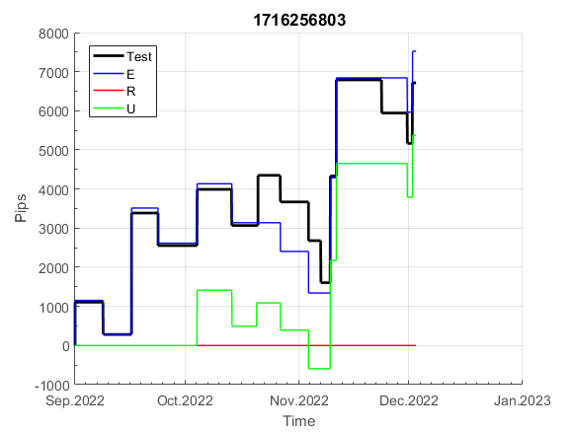
 |  |  |  |  |  |  |  |  |  |  |  |  |  |  |  |  |  |  |  |  |  |  |  | #DIV/0!
 |  |  |  |  |  |  |  |  |  |  |  |  |  |  |  |  |  |  |  |  |  |  |  | #DIV/0!
 |  |  |  |  |  |  |  |  |  |  |  |  |  |  |  |  |  |  |  |  |  |  |  | #DIV/0!
 |  |  |  |  |  |  |  |  |  |  |  |  |  |  |  |  |  |  |  |  |  |  |  | #DIV/0!

159
INFO | SymPer | Pip/Y | Trd/Y | RF=MaxPrf/Y/DD | PF | DD/LastDD | iDD | MO/Spred | SD | MO/SD | iRF=MaxPrf/iDD | W/L*W% | = | RISK=PF*RF | Magic | Mod | HL | HLk | TR | TRk | IN | Ik | Del | BrkBck | Inv | D | Iprice | S | P | PM1 | PM2 | Tk | TS | Out | OTr | Oprc | OD | Oprf | Wknd | A | a | AtrLim | tk | T0 | T1 | tp | start | 2004-01-01 | 2004-01-05 | 2004-01-06 | 2004-01-07 | 2004-01-08 | 2004-01-12 | 2004-01-13 | 2004-01-14 | 2004-01-15 | 2004-01-19 | 2004-01-20 | 2004-01-21 | 2004-01-22 | 2004-01-26 | 2004-01-27 | 2004-01-28 | 2004-01-29 | 2004-02-02 | 2004-02-03 | 2004-02-04 | 2004-02-05 | 2004-02-09 | 2004-02-10 | 2004-02-11 | 2004-02-12 | 2004-02-16 | 2004-02-17 | 2004-02-18 | 2004-02-19 | 2004-02-23 | 2004-02-24 | 2004-02-25 | 2004-02-26 | 2004-03-01 | 2004-03-02 | 2004-03-03 | 2004-03-04 | 2004-03-08 | 2004-03-09 | 2004-03-10 | 2004-03-11 | 2004-03-15 | 2004-03-16 | 2004-03-17 | 2004-03-18 | 2004-03-22 | 2004-03-23 | 2004-03-24 | 2004-03-25 | 2004-03-29 | 2004-03-30 | 2004-03-31 | 2004-04-01 | 2004-04-05 | 2004-04-06 | 2004-04-07 | 2004-04-08 | 2004-04-12 | 2004-04-13 | 2004-04-14 | 2004-04-15 | 2004-04-19 | 2004-04-20 | 2004-04-21 | 2004-04-22 | 2004-04-26 | 2004-04-27 | 2004-04-28 | 2004-04-29 | 2004-05-03 | 2004-05-04 | 2004-05-05 | 2004-05-06 | 2004-05-10 | 2004-05-11 | 2004-05-12 | 2004-05-13 | 2004-05-17 | 2004-05-18 | 2004-05-19 | 2004-05-20 | 2004-05-24 | 2004-05-25 | 2004-05-26 | 2004-05-27 | 2004-05-31 | 2004-06-11 | 2004-06-14 | 2004-06-15 | 2004-06-16 | 2004-06-17 | 2004-06-18 | 2004-06-21 | 2004-06-22 | 2004-06-23 | 2004-06-24 | 2004-06-25 | 2004-06-28 | 2004-06-29 | 2004-06-30 | 2004-07-01 | 2004-07-02 | 2004-07-06 | 2004-07-07 | 2004-07-08 | 2004-07-09 | 2004-07-12 | 2004-07-13 | 2004-07-14 | 2004-07-15 | 2004-07-16 | 2004-07-19 | 2004-07-20 | 2004-07-21 | 2004-07-22 | 2004-07-23 | 2004-07-26 | 2004-07-27 | 2004-07-28 | 2004-07-29 | 2004-07-30 | 2004-08-02 | 2004-08-03 | 2004-08-04 | 2004-08-05 | 2004-08-06 | 2004-08-09 | 2004-08-10 | 2004-08-11 | 2004-08-12 | 2004-08-13 | 2004-08-16 | 2004-08-17 | 2004-08-18 | 2004-08-19 | 2004-08-20 | 2004-08-23 | 2004-08-24 | 2004-08-25 | 2004-08-26 | 2004-08-27 | 2004-08-30 | 2004-08-31 | 2004-09-01 | 2004-09-02 | 2004-09-03 | 2004-09-07 | 2004-09-08 | 2004-09-09 | 2004-09-10 | 2004-09-13 | 2004-09-14 | 2004-09-15 | 2004-09-16 | 2004-09-17 | 2004-09-20 | 2004-09-21 | 2004-09-22 | 2004-09-23 | 2004-09-24 | 2004-09-27 | 2004-09-28 | 2004-09-29 | 2004-09-30 | 2004-10-01 | 2004-10-04 | 2004-10-05 | 2004-10-06 | 2004-10-07 | 2004-10-08 | 2004-10-11 | 2004-10-12 | 2004-10-13 | 2004-10-14 | 2004-10-15 | 2004-10-18 | 2004-10-19 | 2004-10-20 | 2004-10-21 | 2004-10-22 | 2004-10-25 | 2004-10-26 | 2004-10-27 | 2004-10-28 | 2004-10-29 | 2004-11-01 | 2004-11-02 | 2004-11-03 | 2004-11-04 | 2004-11-05 | 2004-11-08 | 2004-11-09 | 2004-11-10 | 2004-11-11 | 2004-11-12 | 2004-11-15 | 2004-11-16 | 2004-11-17 | 2004-11-18 | 2004-11-19 | 2004-11-22 | 2004-11-23 | 2004-11-24 | 2004-11-26 | 2004-11-29 | 2004-11-30 | 2004-12-01

FA$T200.925 2004.07.07-2022.12.02, Sprd=100, StpLev=100, Swaps=-2.00, OPT-2007.01.02-2019.12.30 | XAUUSD240 | 269 | 9 | 0.13 | 1.44 | 3445_3445 | 2895 | 0.29 | 176 | 1.6 | 17 | 1.5*53 = | 78 | 0.2 | 159195228 | 2 | 1 | 1 | 3 | 8 | 8 | 1 | 2 | 3 | 1 | 1 | 4 | -2 | -6 | 0 | 3 | 2 | 0 | 0 | 0 | 2 | 3 | 0 | 0 | 15 | 3 | 0 | 0 | 8 | 2 | 0 |  | 0 | 0 | 0 | 0 | 0 | 0 | 0 | 0 | 0 | 0 | 0 | 0 | 0 | 0 | 0 | 0 | 0 | 0 | 0 | 0 | 0 | 0 | 0 | 0 | 0 | 0 | 0 | 0 | 0 | 0 | 0 | 0 | 0 | 0 | 0 | 0 | 0 | 0 | 0 | 0 | 0 | 0 | 0 | 0 | 0 | 0 | 0 | 0 | 0 | 0 | 0 | 0 | 0 | 0 | 0 | 0 | 0 | 0 | 0 | 0 | 0 | 0 | 0 | 0 | 0 | 0 | 0 | 0 | 0 | 0 | 0 | 0 | 0 | 0 | 0 | 0 | -26 | -27 | -47 | -47 | -47 | -47 | -47 | -47 | -47 | -47 | -47 | -47 | -47 | -47 | -47 | -47 | -47 | -47 | -47 | -47 | -47 | -47 | -47 | -47 | -47 | -47 | -47 | -47 | -47 | -47 | -47 | -47 | -47 | 72 | 72 | 72 | 72 | 72 | 72 | 72 | 72 | 72 | 72 | 72 | 72 | 72 | 72 | 72 | 0 | 0 | 0 | 0 | 0 | 0 | 0 | 0 | 0 | 0 | 0 | 0 | 0 | -10 | -48 | -48 | -48 | -48 | -73 | -81 | -81 | -81 | -81 | -81 | -81 | -81 | -81 | -81 | -81 | -95 | -94 | -64 | -71 | -66 | -50 | -10 | 12 | 13 | -6 | 25 | -1 | -36 | -33 | -38 | -6 | 10 | 12 | 12 | 12 | 12 | 12 | 12 | 12 | 12 | 4 | 8 | 59 | 90 | 90 | 90 | 90 | 90 | 90 | 90 | 66 | 80 | 91 | 78 | 89 | 95 | 96 | 44 | 46 | 51 | 82 | 116 | 116 | 116 | 116 | 116 | 116 | 116 | 116

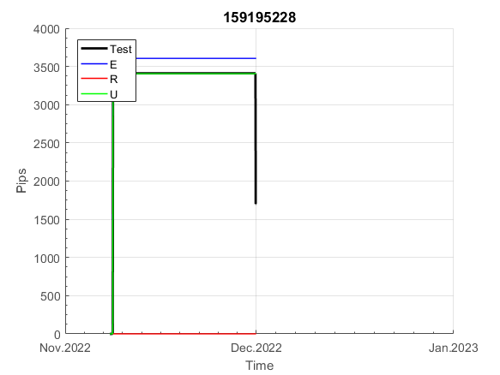
 |  | 159195228
 |  | 0
 |  | 0
 |  | 0
 |  | 0
 |  | 0
 |  | 0
 |  | 0
 |  | 0
 |  | 0
 |  | 0
 |  | 0
 |  | 0
 |  | 0
 |  | 0
 |  | 0
 |  | 0
 |  | 0
 |  | 0
 |  | 0
 |  | 0
 |  | 0
 |  | 0
 |  | 0
 |  | 0
 |  | 0
 |  | 0
 |  | 0
 |  | 0
 |  | 0
 |  | 0
 |  | 0
 |  | 0
 |  | 0
 |  | 0
 |  | 0
 |  | 0
 |  | 0
 |  | 0
 |  | 0
 |  | 0
 |  | 0
 |  | 0
 |  | 0
 |  | 0
 |  | 0
 |  | 0
 |  | 0
 |  | 0
 |  | 0
 |  | 0
...
 |  |  |  |  |  |  |  |  |  |  |  |  |  |  |  |  |  |  |  |  |  |  |  | #DIV/0!
 |  |  |  |  |  |  |  |  |  |  |  |  |  |  |  |  |  |  |  |  |  |  |  | #DIV/0!
 |  |  |  |  |  |  |  |  |  |  |  |  |  |  |  |  |  |  |  |  |  |  |  | #DIV/0!
 |  |  |  |  |  |  |  |  |  |  |  |  |  |  |  |  |  |  |  |  |  |  |  | #DIV/0!

156
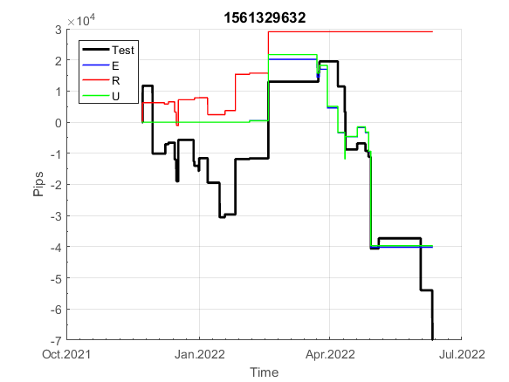
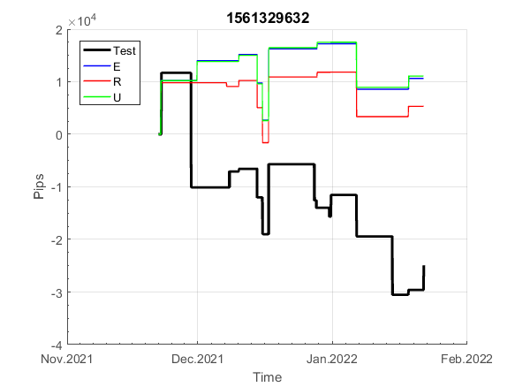
INFO | SymPer | Pip/Y | Trd/Y | RF=MaxPrf/Y/DD | PF | DD/LastDD | iDD | MO/Spred | SD | MO/SD | iRF=MaxPrf/iDD | W/L*W% | = | RISK=PF*RF | Magic | Mod | HL | HLk | TR | TRk | IN | Ik | Del | BrkBck | Inv | D | Iprice | S | P | PM1 | PM2 | Tk | TS | Out | OTr | Oprc | OD | Oprf | Wknd | A | a | AtrLim | tk | T0 | T1 | tp | start | 2004-01-01 | 2004-01-05 | 2004-01-06 | 2004-01-07 | 2004-01-08 | 2004-01-12 | 2004-01-13 | 2004-01-14 | 2004-01-15 | 2004-01-19 | 2004-01-20 | 2004-01-21 | 2004-01-22 | 2004-01-26 | 2004-01-27 | 2004-01-28 | 2004-01-29 | 2004-02-02 | 2004-02-03 | 2004-02-04 | 2004-02-05 | 2004-02-09 | 2004-02-10 | 2004-02-11 | 2004-02-12 | 2004-02-16 | 2004-02-17 | 2004-02-18 | 2004-02-19 | 2004-02-23 | 2004-02-24 | 2004-02-25 | 2004-02-26 | 2004-03-01 | 2004-03-02 | 2004-03-03 | 2004-03-04 | 2004-03-08 | 2004-03-09 | 2004-03-10 | 2004-03-11 | 2004-03-15 | 2004-03-16 | 2004-03-17 | 2004-03-18 | 2004-03-22 | 2004-03-23 | 2004-03-24 | 2004-03-25 | 2004-03-29 | 2004-03-30 | 2004-03-31 | 2004-04-01 | 2004-04-05 | 2004-04-06 | 2004-04-07 | 2004-04-08 | 2004-04-12 | 2004-04-13 | 2004-04-14 | 2004-04-15 | 2004-04-19 | 2004-04-20 | 2004-04-21 | 2004-04-22 | 2004-04-26 | 2004-04-27 | 2004-04-28 | 2004-04-29 | 2004-05-03 | 2004-05-04 | 2004-05-05 | 2004-05-06 | 2004-05-10 | 2004-05-11 | 2004-05-12 | 2004-05-13 | 2004-05-17 | 2004-05-18 | 2004-05-19 | 2004-05-20 | 2004-05-24 | 2004-05-25 | 2004-05-26 | 2004-05-27 | 2004-05-31 | 2004-06-11 | 2004-06-14 | 2004-06-15 | 2004-06-16 | 2004-06-17 | 2004-06-18 | 2004-06-21 | 2004-06-22 | 2004-06-23 | 2004-06-24 | 2004-06-25 | 2004-06-28 | 2004-06-29 | 2004-06-30 | 2004-07-01 | 2004-07-02 | 2004-07-06 | 2004-07-07 | 2004-07-08 | 2004-07-09 | 2004-07-12 | 2004-07-13 | 2004-07-14 | 2004-07-15 | 2004-07-16 | 2004-07-19 | 2004-07-20 | 2004-07-21 | 2004-07-22 | 2004-07-23 | 2004-07-26 | 2004-07-27 | 2004-07-28 | 2004-07-29 | 2004-07-30 | 2004-08-02 | 2004-08-03 | 2004-08-04 | 2004-08-05 | 2004-08-06 | 2004-08-09 | 2004-08-10 | 2004-08-11 | 2004-08-12 | 2004-08-13 | 2004-08-16 | 2004-08-17 | 2004-08-18 | 2004-08-19 | 2004-08-20 | 2004-08-23 | 2004-08-24 | 2004-08-25 | 2004-08-26 | 2004-08-27 | 2004-08-30 | 2004-08-31 | 2004-09-01 | 2004-09-02 | 2004-09-03 | 2004-09-07 | 2004-09-08 | 2004-09-09 | 2004-09-10 | 2004-09-13 | 2004-09-14 | 2004-09-15 | 2004-09-16 | 2004-09-17 | 2004-09-20 | 2004-09-21 | 2004-09-22 | 2004-09-23 | 2004-09-24 | 2004-09-27 | 2004-09-28 | 2004-09-29 | 2004-09-30 | 2004-10-01 | 2004-10-04 | 2004-10-05 | 2004-10-06 | 2004-10-07 | 2004-10-08 | 2004-10-11 | 2004-10-12 | 2004-10-13 | 2004-10-14 | 2004-10-15 | 2004-10-18 | 2004-10-19 | 2004-10-20 | 2004-10-21 | 2004-10-22 | 2004-10-25 | 2004-10-26 | 2004-10-27 | 2004-10-28 | 2004-10-29 | 2004-11-01 | 2004-11-02 | 2004-11-03 | 2004-11-04 | 2004-11-05 | 2004-11-08 | 2004-11-09 | 2004-11-10 | 2004-11-11 | 2004-11-12 | 2004-11-15 | 2004-11-16 | 2004-11-17 | 2004-11-18 | 2004-11-19 | 2004-11-22 | 2004-11-23 | 2004-11-24 | 2004-11-26 | 2004-11-29 | 2004-11-30 | 2004-12-01

FA$T200.925 2004.07.07-2022.12.02, Sprd=100, StpLev=100, Swaps=-2.00, OPT-2007.01.02-2019.12.30 | XAUUSD240 | 424 | 61 | 0.26 | 1.28 | 1763_862 | 3601 | 0.07 | 60 | 1.2 | 2 | 1.6*42 = | 69 | 0.3 | 1561329632 | 2 | 5 | 5 | 0 | 9 | 8 | 5 | 2 | 0 | 0 | 4 | 3 | 2 | 7 | -3 | 2 | -2 | 1 | 1 | 1 | 1 | 1 | 3 | 0 | 15 | 4 | 0 | 0 | 3 | 3 | 2 |  | 0 | 0 | 0 | 0 | 0 | 0 | 0 | 0 | 0 | 0 | 0 | 0 | 0 | 0 | 0 | 0 | 0 | 0 | 0 | 0 | 0 | 0 | 0 | 0 | 0 | 0 | 0 | 0 | 0 | 0 | 0 | 14 | 6 | 3 | 11 | 11 | 11 | 11 | 11 | 11 | 11 | 11 | 11 | -3 | 11 | 11 | 11 | 11 | 11 | 11 | 11 | 11 | -8 | -25 | -37 | -37 | -55 | -60 | -60 | -60 | -84 | -84 | -55 | -113 | -113 | -113 | -113 | -113 | -105 | -120 | -148 | -148 | -148 | -148 | -148 | -148 | -144 | -144 | -153 | -147 | -147 | -167 | -167 | -188 | -188 | -188 | -188 | -188 | -188 | -188 | -188 | -188 | -219 | -223 | -219 | -229 | -229 | -229 | -229 | -256 | -262 | -253 | -253 | -253 | -275 | -275 | -275 | -275 | -297 | -297 | -297 | -297 | -297 | -302 | -292 | -276 | -276 | -276 | -296 | -296 | -310 | -299 | -315 | -315 | -315 | -302 | -275 | -269 | -239 | -270 | -276 | -291 | -291 | -308 | -308 | -308 | -325 | -342 | -343 | -344 | -363 | -378 | -416 | -434 | -462 | -462 | -462 | -462 | -431 | -455 | -483 | -483 | -483 | -515 | -515 | -557 | -557 | -578 | -577 | -559 | -559 | -559 | -559 | -559 | -559 | -559 | -559 | -573 | -573 | -580 | -572 | -560 | -560 | -560 | -560 | -560 | -577 | -577 | -577 | -577 | -571 | -552 | -553 | -563 | -553 | -553 | -570 | -570 | -552 | -552 | -568 | -568 | -568 | -568 | -568 | -568 | -578 | -612 | -612 | -587 | -564 | -564 | -564 | -564 | -564 | -564 | -564

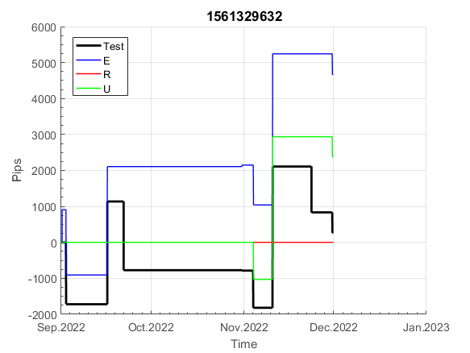
 |  | 1561329632
 |  | 0
 |  | 0
 |  | 0
 |  | 0
 |  | 0
 |  | 0
 |  | 0
 |  | 0
 |  | 0
 |  | 0
 |  | 0
 |  | 0
 |  | 0
 |  | 0
 |  | 0
 |  | 0
 |  | 0
 |  | 0
 |  | 0
 |  | 0
 |  | 0
 |  | 0
 |  | 14
 |  | 6
 |  | 3
 |  | 11
 |  | 11
 |  | 11
 |  | 11
 |  | 11
 |  | 11
 |  | 11
 |  | 11
 |  | 11
 |  | -3
 |  | 11
 |  | 11
 |  | 11
 |  | 11
 |  | 11
 |  | 11
 |  | 11
 |  | 11
 |  | -8
 |  | -25
 |  | -37
 |  | -37
 |  | -55
 |  | -60
 |  | -60
...
 |  |  |  |  |  |  |  |  |  |  |  |  |  |  |  |  |  |  |  |  |  |  |  | #DIV/0!
 |  |  |  |  |  |  |  |  |  |  |  |  |  |  |  |  |  |  |  |  |  |  |  | #DIV/0!
 |  |  |  |  |  |  |  |  |  |  |  |  |  |  |  |  |  |  |  |  |  |  |  | #DIV/0!
 |  |  |  |  |  |  |  |  |  |  |  |  |  |  |  |  |  |  |  |  |  |  |  | #DIV/0!

111
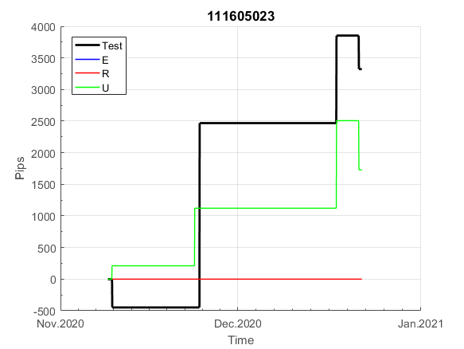
INFO | SymPer | Pip/Y | Trd/Y | RF=MaxPrf/Y/DD | PF | DD/LastDD | iDD | MO/Spred | SD | MO/SD | iRF=MaxPrf/iDD | W/L*W% | = | RISK=PF*RF | Magic | Mod | HL | HLk | TR | TRk | IN | Ik | Del | BrkBck | Inv | D | Iprice | S | P | PM1 | PM2 | Tk | TS | Out | OTr | Oprc | OD | Oprf | Wknd | A | a | AtrLim | tk | T0 | T1 | tp | start | 2004-01-01 | 2004-01-05 | 2004-01-06 | 2004-01-07 | 2004-01-08 | 2004-01-12 | 2004-01-13 | 2004-01-14 | 2004-01-15 | 2004-01-19 | 2004-01-20 | 2004-01-21 | 2004-01-22 | 2004-01-26 | 2004-01-27 | 2004-01-28 | 2004-01-29 | 2004-02-02 | 2004-02-03 | 2004-02-04 | 2004-02-05 | 2004-02-09 | 2004-02-10 | 2004-02-11 | 2004-02-12 | 2004-02-16 | 2004-02-17 | 2004-02-18 | 2004-02-19 | 2004-02-23 | 2004-02-24 | 2004-02-25 | 2004-02-26 | 2004-03-01 | 2004-03-02 | 2004-03-03 | 2004-03-04 | 2004-03-08 | 2004-03-09 | 2004-03-10 | 2004-03-11 | 2004-03-15 | 2004-03-16 | 2004-03-17 | 2004-03-18 | 2004-03-22 | 2004-03-23 | 2004-03-24 | 2004-03-25 | 2004-03-29 | 2004-03-30 | 2004-03-31 | 2004-04-01 | 2004-04-05 | 2004-04-06 | 2004-04-07 | 2004-04-08 | 2004-04-12 | 2004-04-13 | 2004-04-14 | 2004-04-15 | 2004-04-19 | 2004-04-20 | 2004-04-21 | 2004-04-22 | 2004-04-26 | 2004-04-27 | 2004-04-28 | 2004-04-29 | 2004-05-03 | 2004-05-04 | 2004-05-05 | 2004-05-06 | 2004-05-10 | 2004-05-11 | 2004-05-12 | 2004-05-13 | 2004-05-17 | 2004-05-18 | 2004-05-19 | 2004-05-20 | 2004-05-24 | 2004-05-25 | 2004-05-26 | 2004-05-27 | 2004-05-31 | 2004-06-11 | 2004-06-14 | 2004-06-15 | 2004-06-16 | 2004-06-17 | 2004-06-18 | 2004-06-21 | 2004-06-22 | 2004-06-23 | 2004-06-24 | 2004-06-25 | 2004-06-28 | 2004-06-29 | 2004-06-30 | 2004-07-01 | 2004-07-02 | 2004-07-06 | 2004-07-07 | 2004-07-08 | 2004-07-09 | 2004-07-12 | 2004-07-13 | 2004-07-14 | 2004-07-15 | 2004-07-16 | 2004-07-19 | 2004-07-20 | 2004-07-21 | 2004-07-22 | 2004-07-23 | 2004-07-26 | 2004-07-27 | 2004-07-28 | 2004-07-29 | 2004-07-30 | 2004-08-02 | 2004-08-03 | 2004-08-04 | 2004-08-05 | 2004-08-06 | 2004-08-09 | 2004-08-10 | 2004-08-11 | 2004-08-12 | 2004-08-13 | 2004-08-16 | 2004-08-17 | 2004-08-18 | 2004-08-19 | 2004-08-20 | 2004-08-23 | 2004-08-24 | 2004-08-25 | 2004-08-26 | 2004-08-27 | 2004-08-30 | 2004-08-31 | 2004-09-01 | 2004-09-02 | 2004-09-03 | 2004-09-07 | 2004-09-08 | 2004-09-09 | 2004-09-10 | 2004-09-13 | 2004-09-14 | 2004-09-15 | 2004-09-16 | 2004-09-17 | 2004-09-20 | 2004-09-21 | 2004-09-22 | 2004-09-23 | 2004-09-24 | 2004-09-27 | 2004-09-28 | 2004-09-29 | 2004-09-30 | 2004-10-01 | 2004-10-04 | 2004-10-05 | 2004-10-06 | 2004-10-07 | 2004-10-08 | 2004-10-11 | 2004-10-12 | 2004-10-13 | 2004-10-14 | 2004-10-15 | 2004-10-18 | 2004-10-19 | 2004-10-20 | 2004-10-21 | 2004-10-22 | 2004-10-25 | 2004-10-26 | 2004-10-27 | 2004-10-28 | 2004-10-29 | 2004-11-01 | 2004-11-02 | 2004-11-03 | 2004-11-04 | 2004-11-05 | 2004-11-08 | 2004-11-09 | 2004-11-10 | 2004-11-11 | 2004-11-12 | 2004-11-15 | 2004-11-16 | 2004-11-17 | 2004-11-18 | 2004-11-19 | 2004-11-22 | 2004-11-23 | 2004-11-24 | 2004-11-26 | 2004-11-29 | 2004-11-30 | 2004-12-01

FA$T200.925 2004.06.17-2022.12.02, Sprd=100, StpLev=100, Swaps=-2.00, OPT-2010.01.03-2019.04.38 | XAUUSD60 | 474 | 51 | 0.35 | 1.41 | 1372_126 | 3115 | 0.09 | 60 | 1.5 | 3 | 3.5*29 = | 104 | 0.5 | 111605023 | 0 | 6 | 8 | 0 | 3 | 4 | 2 | 0 | 0 | 1 | 0 | 2 | 1 | 8 | 0 | 1 | 5 | 0 | 0 | 1 | 1 | 2 | 2 | 1 | 15 | 5 | 0 | 0 | 8 | 7 | 3 |  | 0 | 0 | 0 | 0 | 0 | 0 | 0 | 0 | 0 | 0 | 0 | 0 | 0 | -11 | -11 | -24 | -24 | -24 | -24 | -24 | -24 | -24 | -35 | -35 | -35 | -35 | -35 | -35 | -46 | -46 | -46 | -46 | -46 | -53 | -60 | -60 | -60 | -13 | -29 | -29 | -29 | -29 | -40 | -50 | -50 | -50 | -50 | -50 | -50 | -50 | -50 | -50 | -61 | -61 | -61 | -61 | -72 | -72 | -83 | -83 | -83 | -83 | -83 | -83 | -83 | -83 | -83 | -83 | -83 | -94 | -94 | -94 | -104 | -104 | -104 | -104 | -104 | -104 | -104 | -104 | -104 | -104 | -104 | -104 | -104 | -104 | -104 | -104 | -104 | -104 | -104 | -104 | -104 | -104 | -104 | -104 | -104 | -104 | -104 | -104 | -104 | -104 | -115 | -115 | -115 | -115 | -125 | -125 | -135 | -135 | -145 | -145 | -145 | -145 | -145 | -145 | -145 | -145 | -145 | -160 | -160 | -160 | -171 | -171 | -171 | -171 | -171 | -171 | -171 | -171 | -171 | -171 | -171 | -171 | -171 | -171 | -171 | -176 | -136 | -136 | -136 | -136 | -136 | -136 | -136 | -136 | -146 | -146 | -146 | -146 | -146 | -146 | -146 | -146 | -146 | -146 | -146 | -146 | -146 | -146 | -146 | -146 | -146 | -146 | -146 | -146 | -146 | -146 | -146 | -146 | -146 | -146 | -146 | -146 | -146 | -146 | -146 | -146 | -146 | -146 | -146 | -146 | -146 | -146 | -146 | -146 | -146 | -146 | -146 | -146 | -146 | -146 | -146 | -146 | -146 | -146 | -146 | -146 | -146 | -146 | -146 | -146 | -146 | -146 | -146 | -146 | -146

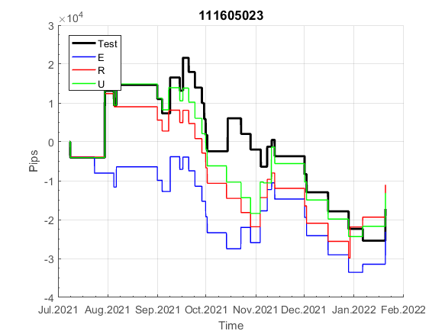
 |  | 111605023
 |  | 0
 |  | 0
 |  | 0
 |  | 0
 |  | -11
 |  | -11
 |  | -24
 |  | -24
 |  | -24
 |  | -24
 |  | -24
 |  | -24
 |  | -24
 |  | -35
 |  | -35
 |  | -35
 |  | -35
 |  | -35
 |  | -35
 |  | -46
 |  | -46
 |  | -46
 |  | -46
 |  | -46
 |  | -53
 |  | -60
 |  | -60
 |  | -60
 |  | -13
 |  | -29
 |  | -29
 |  | -29
 |  | -29
 |  | -40
 |  | -50
 |  | -50
 |  | -50
 |  | -50
 |  | -50
 |  | -50
 |  | -50
 |  | -50
 |  | -50
 |  | -61
 |  | -61
 |  | -61
 |  | -61
 |  | -72
 |  | -72
 |  | -83
...
 |  |  |  |  |  |  |  |  |  |  |  |  |  |  |  |  |  |  |  |  |  |  |  | #DIV/0!
 |  |  |  |  |  |  |  |  |  |  |  |  |  |  |  |  |  |  |  |  |  |  |  | #DIV/0!
 |  |  |  |  |  |  |  |  |  |  |  |  |  |  |  |  |  |  |  |  |  |  |  | #DIV/0!
 |  |  |  |  |  |  |  |  |  |  |  |  |  |  |  |  |  |  |  |  |  |  |  | #DIV/0!

