166
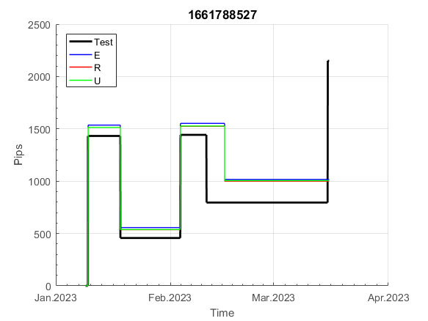
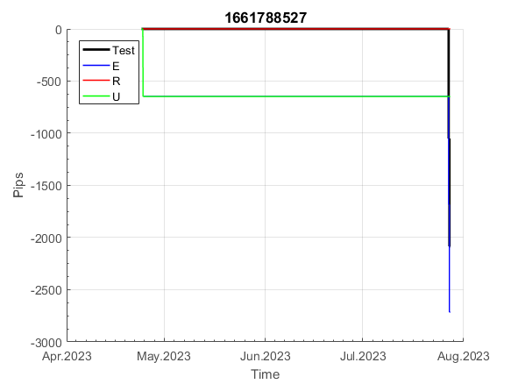
INFO | SymPer | Pip/Y | Trd/Y | RF=MaxPrf/Y/DD | PF | DD/LastDD | iDD | MO/Spred | SD | MO/SD | iRF=MaxPrf/iDD | W/L*W% | = | RISK=PF*RF | Magic | Mod | HL | HLk | TR | TRk | IN | Ik | Del | BrkBck | Inv | D | Iprice | S | P | PM1 | PM2 | Tk | TS | Out | OTr | Oprc | OD | Oprf | Wknd | A | a | AtrLim | tk | T0 | T1 | tp | start | 37987 | 37991 | 2004-01-06 | 2004-01-07 | 2004-01-08 | 2004-01-12 | 2004-01-13 | 2004-01-14 | 2004-01-15 | 2004-01-19 | 2004-01-20 | 2004-01-21 | 2004-01-22 | 2004-01-26 | 2004-01-27 | 2004-01-28 | 2004-01-29 | 2004-02-02 | 2004-02-03 | 2004-02-04 | 2004-02-05 | 2004-02-09 | 2004-02-10 | 2004-02-11 | 2004-02-12 | 2004-02-16 | 2004-02-17 | 2004-02-18 | 2004-02-19 | 2004-02-23 | 2004-02-24 | 2004-02-25 | 2004-02-26 | 2004-03-01 | 2004-03-02 | 2004-03-03 | 2004-03-04 | 2004-03-08 | 2004-03-09 | 2004-03-10 | 2004-03-11 | 2004-03-15 | 2004-03-16 | 2004-03-17 | 2004-03-18 | 2004-03-22 | 2004-03-23 | 2004-03-24 | 2004-03-25 | 2004-03-29 | 2004-03-30 | 2004-03-31 | 2004-04-01 | 2004-04-05 | 2004-04-06 | 2004-04-07 | 2004-04-08 | 2004-04-12 | 2004-04-13 | 2004-04-14 | 2004-04-15 | 2004-04-19 | 2004-04-20 | 2004-04-21 | 2004-04-22 | 2004-04-26 | 2004-04-27 | 2004-04-28 | 2004-04-29 | 2004-05-03 | 2004-05-04 | 2004-05-05 | 2004-05-06 | 2004-05-10 | 2004-05-11 | 2004-05-12 | 2004-05-13 | 2004-05-17 | 2004-05-18 | 2004-05-19 | 2004-05-20 | 2004-05-24 | 2004-05-25 | 2004-05-26 | 2004-05-27 | 2004-05-31 | 2004-06-11 | 2004-06-14 | 2004-06-15 | 2004-06-16 | 2004-06-17 | 2004-06-18 | 2004-06-21 | 2004-06-22 | 2004-06-23 | 2004-06-24 | 2004-06-25 | 2004-06-28 | 2004-06-29 | 2004-06-30 | 2004-07-01 | 2004-07-02 | 2004-07-06 | 2004-07-07 | 2004-07-08 | 2004-07-09 | 2004-07-12 | 2004-07-13 | 2004-07-14 | 2004-07-15 | 2004-07-16 | 2004-07-19 | 2004-07-20 | 2004-07-21 | 2004-07-22 | 2004-07-23 | 2004-07-26 | 2004-07-27 | 2004-07-28 | 2004-07-29 | 2004-07-30 | 2004-08-02 | 2004-08-03 | 2004-08-04 | 2004-08-05 | 2004-08-06 | 2004-08-09 | 2004-08-10 | 2004-08-11 | 2004-08-12 | 2004-08-13 | 2004-08-16 | 2004-08-17 | 2004-08-18 | 2004-08-19 | 2004-08-20 | 2004-08-23 | 2004-08-24 | 2004-08-25 | 2004-08-26 | 2004-08-27 | 2004-08-30 | 2004-08-31 | 2004-09-01 | 2004-09-02 | 2004-09-03 | 2004-09-07 | 2004-09-08 | 2004-09-09 | 2004-09-10 | 2004-09-13 | 2004-09-14 | 2004-09-15 | 2004-09-16 | 2004-09-17 | 2004-09-20 | 2004-09-21 | 2004-09-22 | 2004-09-23 | 2004-09-24 | 2004-09-27 | 2004-09-28 | 2004-09-29 | 2004-09-30 | 2004-10-01 | 2004-10-04 | 2004-10-05 | 2004-10-06 | 2004-10-07 | 2004-10-08 | 2004-10-11 | 2004-10-12 | 2004-10-13 | 2004-10-14 | 2004-10-15 | 2004-10-18 | 2004-10-19 | 2004-10-20 | 2004-10-21 | 2004-10-22 | 2004-10-25 | 2004-10-26 | 2004-10-27 | 2004-10-28 | 2004-10-29 | 2004-11-01 | 2004-11-02 | 2004-11-03 | 2004-11-04 | 2004-11-05 | 2004-11-08 | 2004-11-09 | 2004-11-10 | 2004-11-11 | 2004-11-12 | 2004-11-15 | 2004-11-16 | 2004-11-17 | 2004-11-18 | 2004-11-19 | 2004-11-22 | 2004-11-23 | 2004-11-24 | 2004-11-26 | 2004-11-29 | 2004-11-30 | 2004-12-01
FA$T200.925 2008.01.02-2023.09.04, Sprd=50, StpLev=50, Swaps=-5.28, OPT-2006.01.02-2019.12.30 | EURUSD60 | 303 | 13 | 0.75 | 1.75 | 419_212 | 876 | 0.48 | 90 | 5.3 | 28 | 1.2*60 = | 74 | 1.3 | 1661788527 | 2 | 1 | 4 | -3 | 4 | -7 | 4 | 1 | -5 | 0 | -2 | 1 | -1 | 6 | 0 | 4 | -1 | 1 | 0 | 0 | 3 | 1 | -3 | 1 | 15 | 5 | 0 | 0 | 0 | 8 | 1 |  | 0 | 0 | 0 | 0 | -12 | -12 | -12 | 65 | 65 | 65 | 65 | 65 | 65 | 65 | 65 | 65 | 65 | 52 | 54 | 67 | 67 | 67 | 67 | 67 | 79 | 92 | 269 | 269 | 269 | 269 | 254 | 210 | 222 | 298 | 292 | 311 | 288 | 375 | 418 | 418 | 418 | 418 | 418 | 418 | 418 | 418 | 418 | 418 | 418 | 418 | 418 | 418 | 418 | 346 | 300 | 300 | 300 | 300 | 300 | 300 | 300 | 300 | 300 | 300 | 300 | 300 | 300 | 300 | 300 | 300 | 300 | 300 | 300 | 300 | 294 | 279 | 295 | 362 | 235 | 307 | 349 | 491 | 491 | 491 | 491 | 491 | 491 | 491 | 465 | 480 | 521 | 420 | 378 | 378 | 378 | 378 | 378 | 378 | 378 | 378 | 378 | 378 | 378 | 378 | 378 | 378 | 378 | 378 | 378 | 378 | 378 | 378 | 365 | 372 | 580 | 580 | 580 | 580 | 580 | 580 | 580 | 580 | 580 | 580 | 580 | 580 | 580 | 580 | 580 | 580 | 580 | 580 | 580 | 580 | 580 | 565 | 503 | 477 | 477 | 477 | 477 | 477 | 477 | 477 | 477 | 477 | 477 | 494 | 512 | 512 | 512 | 512 | 512 | 512 | 512 | 512 | 512 | 512 | 512 | 395 | 395 | 395 | 395 | 395 | 395 | 395 | 395 | 395 | 395 | 395 | 395 | 370 | 374 | 383 | 395 | 395 | 395 | 395 | 395 | 395 | 395 | 395 | 395 | 395 | 395 | 395 | 395 | 395 | 395 | 395 | 395 | 395 | 395 | 395 | 395 | 395 | 395 | 395 | 395 | 395 | 276 | 252 | 285 | 223 | 223 | 223 | 223

 | 1661788527
 | 65
 | 65
 | 65
 | 65
 | 65
 | 65
 | 65
 | 65
 | 52
 | 54
 | 67
 | 67
 | 67
 | 67
 | 67
 | 79
 | 92
 | 269
 | 269
 | 269
 | 269
 | 254
 | 210
 | 222
 | 298
 | 292
 | 311
 | 288
 | 375
 | 418
 | 418
 | 418
 | 418
 | 418
 | 418
 | 418
 | 418
 | 418
 | 418
 | 418
 | 418
 | 418
 | 418
 | 418
 | 346
 | 300
 | 300
 | 300
 | 300
 | 300
...
 |  |  |  |  |  |  |  |  |  |  |  |  |  |  |  |  |  |  |  |  |  |  |  | #DIV/0!
 |  |  |  |  |  |  |  |  |  |  |  |  |  |  |  |  |  |  |  |  |  |  |  | #DIV/0!
 |  |  |  |  |  |  |  |  |  |  |  |  |  |  |  |  |  |  |  |  |  |  |  | #DIV/0!
 |  |  |  |  |  |  |  |  |  |  |  |  |  |  |  |  |  |  |  |  |  |  |  | #DIV/0!

192
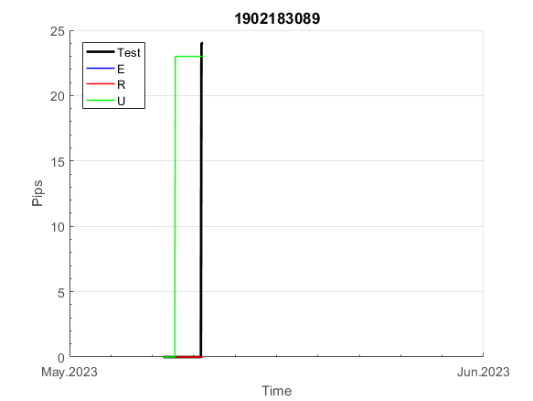
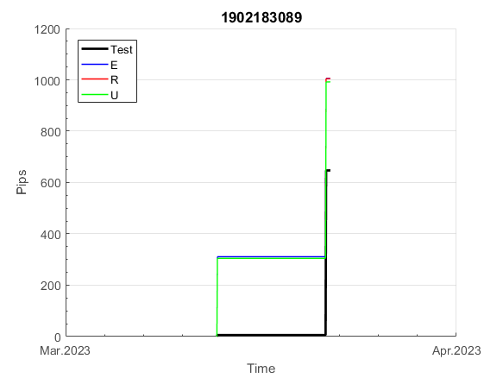
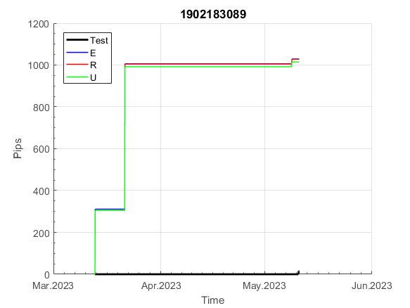
INFO | SymPer | Pip/Y | Trd/Y | RF=MaxPrf/Y/DD | PF | DD/LastDD | iDD | MO/Spred | SD | MO/SD | iRF=MaxPrf/iDD | W/L*W% | = | RISK=PF*RF | Magic | Mod | HL | HLk | TR | TRk | IN | Ik | Del | BrkBck | Inv | D | Iprice | S | P | PM1 | PM2 | Tk | TS | Out | OTr | Oprc | OD | Oprf | Wknd | A | a | AtrLim | tk | T0 | T1 | tp | start | 37987 | 37991 | 2004-01-06 | 2004-01-07 | 2004-01-08 | 2004-01-12 | 2004-01-13 | 2004-01-14 | 2004-01-15 | 2004-01-19 | 2004-01-20 | 2004-01-21 | 2004-01-22 | 2004-01-26 | 2004-01-27 | 2004-01-28 | 2004-01-29 | 2004-02-02 | 2004-02-03 | 2004-02-04 | 2004-02-05 | 2004-02-09 | 2004-02-10 | 2004-02-11 | 2004-02-12 | 2004-02-16 | 2004-02-17 | 2004-02-18 | 2004-02-19 | 2004-02-23 | 2004-02-24 | 2004-02-25 | 2004-02-26 | 2004-03-01 | 2004-03-02 | 2004-03-03 | 2004-03-04 | 2004-03-08 | 2004-03-09 | 2004-03-10 | 2004-03-11 | 2004-03-15 | 2004-03-16 | 2004-03-17 | 2004-03-18 | 2004-03-22 | 2004-03-23 | 2004-03-24 | 2004-03-25 | 2004-03-29 | 2004-03-30 | 2004-03-31 | 2004-04-01 | 2004-04-05 | 2004-04-06 | 2004-04-07 | 2004-04-08 | 2004-04-12 | 2004-04-13 | 2004-04-14 | 2004-04-15 | 2004-04-19 | 2004-04-20 | 2004-04-21 | 2004-04-22 | 2004-04-26 | 2004-04-27 | 2004-04-28 | 2004-04-29 | 2004-05-03 | 2004-05-04 | 2004-05-05 | 2004-05-06 | 2004-05-10 | 2004-05-11 | 2004-05-12 | 2004-05-13 | 2004-05-17 | 2004-05-18 | 2004-05-19 | 2004-05-20 | 2004-05-24 | 2004-05-25 | 2004-05-26 | 2004-05-27 | 2004-05-31 | 2004-06-11 | 2004-06-14 | 2004-06-15 | 2004-06-16 | 2004-06-17 | 2004-06-18 | 2004-06-21 | 2004-06-22 | 2004-06-23 | 2004-06-24 | 2004-06-25 | 2004-06-28 | 2004-06-29 | 2004-06-30 | 2004-07-01 | 2004-07-02 | 2004-07-06 | 2004-07-07 | 2004-07-08 | 2004-07-09 | 2004-07-12 | 2004-07-13 | 2004-07-14 | 2004-07-15 | 2004-07-16 | 2004-07-19 | 2004-07-20 | 2004-07-21 | 2004-07-22 | 2004-07-23 | 2004-07-26 | 2004-07-27 | 2004-07-28 | 2004-07-29 | 2004-07-30 | 2004-08-02 | 2004-08-03 | 2004-08-04 | 2004-08-05 | 2004-08-06 | 2004-08-09 | 2004-08-10 | 2004-08-11 | 2004-08-12 | 2004-08-13 | 2004-08-16 | 2004-08-17 | 2004-08-18 | 2004-08-19 | 2004-08-20 | 2004-08-23 | 2004-08-24 | 2004-08-25 | 2004-08-26 | 2004-08-27 | 2004-08-30 | 2004-08-31 | 2004-09-01 | 2004-09-02 | 2004-09-03 | 2004-09-07 | 2004-09-08 | 2004-09-09 | 2004-09-10 | 2004-09-13 | 2004-09-14 | 2004-09-15 | 2004-09-16 | 2004-09-17 | 2004-09-20 | 2004-09-21 | 2004-09-22 | 2004-09-23 | 2004-09-24 | 2004-09-27 | 2004-09-28 | 2004-09-29 | 2004-09-30 | 2004-10-01 | 2004-10-04 | 2004-10-05 | 2004-10-06 | 2004-10-07 | 2004-10-08 | 2004-10-11 | 2004-10-12 | 2004-10-13 | 2004-10-14 | 2004-10-15 | 2004-10-18 | 2004-10-19 | 2004-10-20 | 2004-10-21 | 2004-10-22 | 2004-10-25 | 2004-10-26 | 2004-10-27 | 2004-10-28 | 2004-10-29 | 2004-11-01 | 2004-11-02 | 2004-11-03 | 2004-11-04 | 2004-11-05 | 2004-11-08 | 2004-11-09 | 2004-11-10 | 2004-11-11 | 2004-11-12 | 2004-11-15 | 2004-11-16 | 2004-11-17 | 2004-11-18 | 2004-11-19 | 2004-11-22 | 2004-11-23 | 2004-11-24 | 2004-11-26 | 2004-11-29 | 2004-11-30 | 2004-12-01
FA$T200.925 2008.01.02-2023.09.04, Sprd=50, StpLev=50, Swaps=-5.28, OPT-2010.01.04-2021.12.30 | EURUSD60 | 108 | 6 | 0.29 | 1.92 | 376_27 | 368 | 0.36 | 65 | 5.5 | 48 | 1.5*61 = | 91 | 0.5 | 1902183089 | 2 | 2 | 8 | 2 | 6 | 4 | 6 | 1 | 2 | 0 | 2 | 1 | 4 | 7 | 0 | 0 | 2 | 0 | 1 | 1 | 3 | 0 | 0 | 2 | 15 | 5 | 0 | 0 | 4 | 7 | 1 |  | 0 | 0 | 0 | 0 | 0 | 0 | 0 | 0 | 0 | 0 | 0 | 0 | 0 | 0 | 0 | 0 | 0 | 0 | 0 | 0 | 0 | 0 | 0 | 0 | 0 | 0 | 0 | 0 | 0 | 0 | 0 | 0 | 0 | 0 | 0 | 0 | 0 | 0 | 0 | 0 | 0 | 0 | 0 | 0 | 0 | 0 | 0 | 0 | 0 | 0 | 0 | 0 | 0 | 0 | 0 | 0 | 0 | 0 | 0 | 0 | 0 | 0 | 0 | 0 | 0 | 0 | 0 | 0 | 0 | 0 | 0 | 0 | 0 | 0 | 0 | 0 | 0 | 0 | 0 | 0 | 0 | 0 | 0 | 44 | 146 | 146 | 146 | 146 | 146 | 146 | 146 | 146 | 146 | 146 | 146 | 146 | 146 | 146 | 146 | 146 | 146 | 146 | 146 | 146 | 146 | 146 | 146 | 146 | 146 | 146 | 146 | 146 | 146 | 146 | 146 | 146 | 146 | 146 | 146 | 146 | 146 | 146 | 146 | 146 | 146 | 146 | 146 | 146 | 146 | 146 | 146 | 146 | 146 | 146 | 146 | 146 | 146 | 146 | 146 | 146 | 146 | 146 | 146 | 146 | 146 | 146 | 146 | 146 | 146 | 146 | 146 | 146 | 146 | 146 | 146 | 146 | 146 | 146 | 146 | 146 | 146 | 146 | 146 | 146 | 146 | 146 | 146 | 146 | 146 | 146 | 146 | 146 | 146 | 146 | 146 | 146 | 146 | 146 | 146 | 146 | 146 | 146 | 146 | 146 | 146 | 146 | 146 | 146 | 146 | 146 | 146 | 146 | 146 | 146 | 146 | 146 | 146 | 146 | 146 | 146 | 146 | 146 | 146 | 146 | 146 | 146 | 146

 | 1902183089
 | 0
 | 0
 | 0
 | 0
 | 0
 | 0
 | 0
 | 0
 | 0
 | 0
 | 0
 | 0
 | 0
 | 0
 | 0
 | 0
 | 0
 | 0
 | 0
 | 0
 | 0
 | 0
 | 0
 | 0
 | 0
 | 0
 | 0
 | 0
 | 0
 | 0
 | 0
 | 0
 | 0
 | 0
 | 0
 | 0
 | 0
 | 0
 | 0
 | 0
 | 0
 | 0
 | 0
 | 0
 | 0
 | 0
 | 0
 | 0
 | 0
 | 0
...
 |  |  |  |  |  |  |  |  |  |  |  |  |  |  |  |  |  |  |  |  |  |  |  | #DIV/0!
 |  |  |  |  |  |  |  |  |  |  |  |  |  |  |  |  |  |  |  |  |  |  |  | #DIV/0!
 |  |  |  |  |  |  |  |  |  |  |  |  |  |  |  |  |  |  |  |  |  |  |  | #DIV/0!
 |  |  |  |  |  |  |  |  |  |  |  |  |  |  |  |  |  |  |  |  |  |  |  | #DIV/0!

196
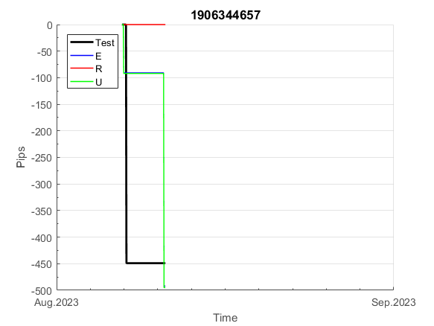
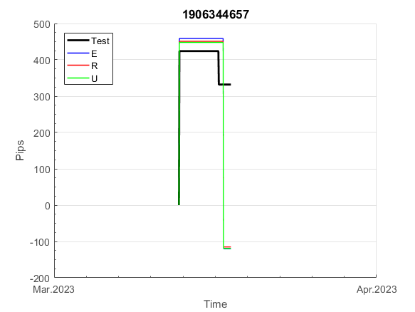
INFO | SymPer | Pip/Y | Trd/Y | RF=MaxPrf/Y/DD | PF | DD/LastDD | iDD | MO/Spred | SD | MO/SD | iRF=MaxPrf/iDD | W/L*W% | = | RISK=PF*RF | Magic | Mod | HL | HLk | TR | TRk | IN | Ik | Del | BrkBck | Inv | D | Iprice | S | P | PM1 | PM2 | Tk | TS | Out | OTr | Oprc | OD | Oprf | Wknd | A | a | AtrLim | tk | T0 | T1 | tp | start | 37987 | 37991 | 2004-01-06 | 2004-01-07 | 2004-01-08 | 2004-01-12 | 2004-01-13 | 2004-01-14 | 2004-01-15 | 2004-01-19 | 2004-01-20 | 2004-01-21 | 2004-01-22 | 2004-01-26 | 2004-01-27 | 2004-01-28 | 2004-01-29 | 2004-02-02 | 2004-02-03 | 2004-02-04 | 2004-02-05 | 2004-02-09 | 2004-02-10 | 2004-02-11 | 2004-02-12 | 2004-02-16 | 2004-02-17 | 2004-02-18 | 2004-02-19 | 2004-02-23 | 2004-02-24 | 2004-02-25 | 2004-02-26 | 2004-03-01 | 2004-03-02 | 2004-03-03 | 2004-03-04 | 2004-03-08 | 2004-03-09 | 2004-03-10 | 2004-03-11 | 2004-03-15 | 2004-03-16 | 2004-03-17 | 2004-03-18 | 2004-03-22 | 2004-03-23 | 2004-03-24 | 2004-03-25 | 2004-03-29 | 2004-03-30 | 2004-03-31 | 2004-04-01 | 2004-04-05 | 2004-04-06 | 2004-04-07 | 2004-04-08 | 2004-04-12 | 2004-04-13 | 2004-04-14 | 2004-04-15 | 2004-04-19 | 2004-04-20 | 2004-04-21 | 2004-04-22 | 2004-04-26 | 2004-04-27 | 2004-04-28 | 2004-04-29 | 2004-05-03 | 2004-05-04 | 2004-05-05 | 2004-05-06 | 2004-05-10 | 2004-05-11 | 2004-05-12 | 2004-05-13 | 2004-05-17 | 2004-05-18 | 2004-05-19 | 2004-05-20 | 2004-05-24 | 2004-05-25 | 2004-05-26 | 2004-05-27 | 2004-05-31 | 2004-06-11 | 2004-06-14 | 2004-06-15 | 2004-06-16 | 2004-06-17 | 2004-06-18 | 2004-06-21 | 2004-06-22 | 2004-06-23 | 2004-06-24 | 2004-06-25 | 2004-06-28 | 2004-06-29 | 2004-06-30 | 2004-07-01 | 2004-07-02 | 2004-07-06 | 2004-07-07 | 2004-07-08 | 2004-07-09 | 2004-07-12 | 2004-07-13 | 2004-07-14 | 2004-07-15 | 2004-07-16 | 2004-07-19 | 2004-07-20 | 2004-07-21 | 2004-07-22 | 2004-07-23 | 2004-07-26 | 2004-07-27 | 2004-07-28 | 2004-07-29 | 2004-07-30 | 2004-08-02 | 2004-08-03 | 2004-08-04 | 2004-08-05 | 2004-08-06 | 2004-08-09 | 2004-08-10 | 2004-08-11 | 2004-08-12 | 2004-08-13 | 2004-08-16 | 2004-08-17 | 2004-08-18 | 2004-08-19 | 2004-08-20 | 2004-08-23 | 2004-08-24 | 2004-08-25 | 2004-08-26 | 2004-08-27 | 2004-08-30 | 2004-08-31 | 2004-09-01 | 2004-09-02 | 2004-09-03 | 2004-09-07 | 2004-09-08 | 2004-09-09 | 2004-09-10 | 2004-09-13 | 2004-09-14 | 2004-09-15 | 2004-09-16 | 2004-09-17 | 2004-09-20 | 2004-09-21 | 2004-09-22 | 2004-09-23 | 2004-09-24 | 2004-09-27 | 2004-09-28 | 2004-09-29 | 2004-09-30 | 2004-10-01 | 2004-10-04 | 2004-10-05 | 2004-10-06 | 2004-10-07 | 2004-10-08 | 2004-10-11 | 2004-10-12 | 2004-10-13 | 2004-10-14 | 2004-10-15 | 2004-10-18 | 2004-10-19 | 2004-10-20 | 2004-10-21 | 2004-10-22 | 2004-10-25 | 2004-10-26 | 2004-10-27 | 2004-10-28 | 2004-10-29 | 2004-11-01 | 2004-11-02 | 2004-11-03 | 2004-11-04 | 2004-11-05 | 2004-11-08 | 2004-11-09 | 2004-11-10 | 2004-11-11 | 2004-11-12 | 2004-11-15 | 2004-11-16 | 2004-11-17 | 2004-11-18 | 2004-11-19 | 2004-11-22 | 2004-11-23 | 2004-11-24 | 2004-11-26 | 2004-11-29 | 2004-11-30 | 2004-12-01
FA$T200.925 2008.01.02-2023.09.04, Sprd=50, StpLev=50, Swaps=-5.28, OPT-2010.01.04-2021.12.30 | EURUSD60 | 155 | 8 | 0.46 | 2.64 | 347_95 | 333 | 0.4 | 46 | 8.6 | 61 | 1.7*62 = | 106 | 1.2 | 1906344657 | 2 | 3 | 3 | 5 | 4 | 1 | 8 | 1 | 2 | 0 | 4 | 1 | 4 | 6 | 2 | 2 | -3 | 0 | 1 | 1 | 3 | 1 | 0 | 0 | 15 | 5 | 0 | 0 | 5 | 3 | 1 |  | 0 | 0 | 0 | 0 | 0 | 0 | 0 | 0 | 0 | 0 | 0 | 0 | 0 | 0 | 0 | 0 | 0 | 0 | 0 | 0 | 0 | 0 | 0 | 0 | 0 | -17 | 16 | 39 | 38 | -8 | 33 | 33 | 33 | 33 | 33 | 33 | 33 | 33 | 33 | 33 | 33 | 11 | 36 | 36 | 36 | 36 | 36 | 36 | 36 | 36 | 36 | 36 | 36 | 36 | -17 | 13 | -4 | -3 | 196 | 230 | 230 | 230 | 230 | 230 | 230 | 230 | 230 | 230 | 230 | 230 | 230 | 230 | 230 | 230 | 230 | 230 | 230 | 230 | 230 | 230 | 230 | 230 | 230 | 218 | 248 | 287 | 287 | 287 | 287 | 287 | 287 | 287 | 287 | 287 | 287 | 287 | 287 | 287 | 287 | 287 | 287 | 287 | 287 | 287 | 287 | 287 | 287 | 287 | 287 | 287 | 287 | 287 | 287 | 287 | 287 | 287 | 287 | 287 | 287 | 287 | 287 | 287 | 287 | 287 | 287 | 287 | 287 | 287 | 287 | 287 | 287 | 287 | 287 | 287 | 287 | 287 | 287 | 287 | 287 | 287 | 287 | 287 | 287 | 287 | 287 | 287 | 287 | 287 | 287 | 287 | 287 | 287 | 287 | 287 | 287 | 287 | 287 | 287 | 287 | 287 | 287 | 287 | 287 | 287 | 287 | 287 | 287 | 287 | 287 | 287 | 287 | 287 | 287 | 287 | 287 | 287 | 287 | 287 | 287 | 287 | 287 | 287 | 287 | 287 | 208 | 208 | 208 | 208 | 208 | 208 | 208 | 208 | 208 | 208 | 68 | 49 | -5 | 127 | 264 | 264 | 264 | 264 | 264 | 264 | 264 | 264 | 264

 | 1906344657
 | 0
 | 0
 | 0
 | 0
 | 0
 | 0
 | 0
 | 0
 | 0
 | 0
 | 0
 | 0
 | 0
 | 0
 | 0
 | 0
 | -17
 | 16
 | 39
 | 38
 | -8
 | 33
 | 33
 | 33
 | 33
 | 33
 | 33
 | 33
 | 33
 | 33
 | 33
 | 33
 | 11
 | 36
 | 36
 | 36
 | 36
 | 36
 | 36
 | 36
 | 36
 | 36
 | 36
 | 36
 | 36
 | -17
 | 13
 | -4
 | -3
 | 196
...
 |  |  |  |  |  |  |  |  |  |  |  |  |  |  |  |  |  |  |  |  |  |  |  | #DIV/0!
 |  |  |  |  |  |  |  |  |  |  |  |  |  |  |  |  |  |  |  |  |  |  |  | #DIV/0!
 |  |  |  |  |  |  |  |  |  |  |  |  |  |  |  |  |  |  |  |  |  |  |  | #DIV/0!
 |  |  |  |  |  |  |  |  |  |  |  |  |  |  |  |  |  |  |  |  |  |  |  | #DIV/0!

940
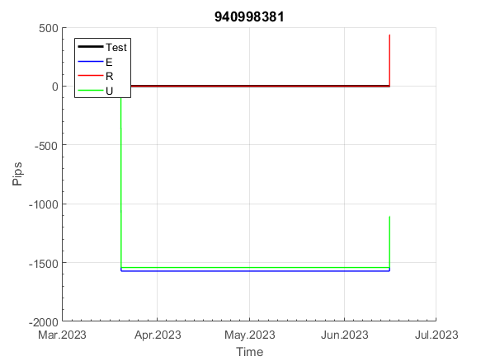
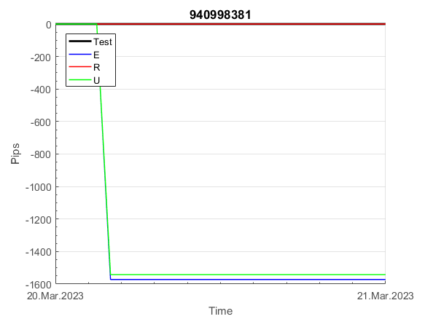
INFO | SymPer | Pip/Y | Trd/Y | RF=MaxPrf/Y/DD | PF | DD/LastDD | iDD | MO/Spred | SD | MO/SD | iRF=MaxPrf/iDD | W/L*W% | = | RISK=PF*RF | Magic | Mod | HL | HLk | TR | TRk | IN | Ik | Del | BrkBck | Inv | D | Iprice | S | P | PM1 | PM2 | Tk | TS | Out | OTr | Oprc | OD | Oprf | Wknd | A | a | AtrLim | tk | T0 | T1 | tp | start | 37987 | 37991 | 2004-01-06 | 2004-01-07 | 2004-01-08 | 2004-01-12 | 2004-01-13 | 2004-01-14 | 2004-01-15 | 2004-01-19 | 2004-01-20 | 2004-01-21 | 2004-01-22 | 2004-01-26 | 2004-01-27 | 2004-01-28 | 2004-01-29 | 2004-02-02 | 2004-02-03 | 2004-02-04 | 2004-02-05 | 2004-02-09 | 2004-02-10 | 2004-02-11 | 2004-02-12 | 2004-02-16 | 2004-02-17 | 2004-02-18 | 2004-02-19 | 2004-02-23 | 2004-02-24 | 2004-02-25 | 2004-02-26 | 2004-03-01 | 2004-03-02 | 2004-03-03 | 2004-03-04 | 2004-03-08 | 2004-03-09 | 2004-03-10 | 2004-03-11 | 2004-03-15 | 2004-03-16 | 2004-03-17 | 2004-03-18 | 2004-03-22 | 2004-03-23 | 2004-03-24 | 2004-03-25 | 2004-03-29 | 2004-03-30 | 2004-03-31 | 2004-04-01 | 2004-04-05 | 2004-04-06 | 2004-04-07 | 2004-04-08 | 2004-04-12 | 2004-04-13 | 2004-04-14 | 2004-04-15 | 2004-04-19 | 2004-04-20 | 2004-04-21 | 2004-04-22 | 2004-04-26 | 2004-04-27 | 2004-04-28 | 2004-04-29 | 2004-05-03 | 2004-05-04 | 2004-05-05 | 2004-05-06 | 2004-05-10 | 2004-05-11 | 2004-05-12 | 2004-05-13 | 2004-05-17 | 2004-05-18 | 2004-05-19 | 2004-05-20 | 2004-05-24 | 2004-05-25 | 2004-05-26 | 2004-05-27 | 2004-05-31 | 2004-06-11 | 2004-06-14 | 2004-06-15 | 2004-06-16 | 2004-06-17 | 2004-06-18 | 2004-06-21 | 2004-06-22 | 2004-06-23 | 2004-06-24 | 2004-06-25 | 2004-06-28 | 2004-06-29 | 2004-06-30 | 2004-07-01 | 2004-07-02 | 2004-07-06 | 2004-07-07 | 2004-07-08 | 2004-07-09 | 2004-07-12 | 2004-07-13 | 2004-07-14 | 2004-07-15 | 2004-07-16 | 2004-07-19 | 2004-07-20 | 2004-07-21 | 2004-07-22 | 2004-07-23 | 2004-07-26 | 2004-07-27 | 2004-07-28 | 2004-07-29 | 2004-07-30 | 2004-08-02 | 2004-08-03 | 2004-08-04 | 2004-08-05 | 2004-08-06 | 2004-08-09 | 2004-08-10 | 2004-08-11 | 2004-08-12 | 2004-08-13 | 2004-08-16 | 2004-08-17 | 2004-08-18 | 2004-08-19 | 2004-08-20 | 2004-08-23 | 2004-08-24 | 2004-08-25 | 2004-08-26 | 2004-08-27 | 2004-08-30 | 2004-08-31 | 2004-09-01 | 2004-09-02 | 2004-09-03 | 2004-09-07 | 2004-09-08 | 2004-09-09 | 2004-09-10 | 2004-09-13 | 2004-09-14 | 2004-09-15 | 2004-09-16 | 2004-09-17 | 2004-09-20 | 2004-09-21 | 2004-09-22 | 2004-09-23 | 2004-09-24 | 2004-09-27 | 2004-09-28 | 2004-09-29 | 2004-09-30 | 2004-10-01 | 2004-10-04 | 2004-10-05 | 2004-10-06 | 2004-10-07 | 2004-10-08 | 2004-10-11 | 2004-10-12 | 2004-10-13 | 2004-10-14 | 2004-10-15 | 2004-10-18 | 2004-10-19 | 2004-10-20 | 2004-10-21 | 2004-10-22 | 2004-10-25 | 2004-10-26 | 2004-10-27 | 2004-10-28 | 2004-10-29 | 2004-11-01 | 2004-11-02 | 2004-11-03 | 2004-11-04 | 2004-11-05 | 2004-11-08 | 2004-11-09 | 2004-11-10 | 2004-11-11 | 2004-11-12 | 2004-11-15 | 2004-11-16 | 2004-11-17 | 2004-11-18 | 2004-11-19 | 2004-11-22 | 2004-11-23 | 2004-11-24 | 2004-11-26 | 2004-11-29 | 2004-11-30 | 2004-12-01
FA$T200.925 2008.01.02-2023.09.04, Sprd=50, StpLev=50, Swaps=-5.28, OPT-2010.01.04-2021.12.30 | EURUSD60 | 111 | 6 | 0.54 | 35.43 | 205_3 | 8 | 0.39 | 24 | 16.1 | 2328 | 6.0*86 = | 522 | 19.3 | 940998381 | 2 | 1 | 7 | 1 | 1 | 8 | 8 | 2 | 0 | 0 | -1 | 2 | 6 | 4 | -1 | 3 | 2 | 1 | 0 | 1 | 3 | 0 | -3 | 0 | 15 | 5 | 0 | 2 | 2 | 6 | 1 |  | 0 | 0 | 0 | 0 | 0 | 0 | 0 | 0 | 0 | 0 | 0 | -28 | 2 | 2 | 2 | 2 | 2 | 2 | 2 | 2 | 2 | 2 | 2 | 2 | 2 | 2 | 2 | 2 | 2 | 2 | 2 | 2 | 2 | 2 | 2 | 2 | 2 | 2 | 2 | 2 | 2 | -23 | 60 | 60 | 60 | 60 | 60 | 60 | 60 | 60 | 60 | 60 | 60 | 60 | 60 | 60 | 60 | 60 | 60 | 60 | 60 | 60 | 60 | 60 | 60 | 60 | 60 | 60 | 60 | 60 | 60 | 60 | 60 | 60 | 60 | 60 | 60 | 60 | 60 | 60 | 60 | 60 | 60 | 60 | 60 | 60 | 60 | 60 | 60 | 60 | 60 | 60 | 60 | 60 | 60 | 60 | 60 | 60 | 60 | 60 | 60 | 60 | 60 | 60 | 60 | 60 | 60 | 60 | 60 | 60 | 60 | 60 | 60 | 60 | 60 | 60 | 60 | 60 | 60 | 60 | 60 | 60 | 60 | 60 | 60 | 60 | 60 | 60 | 60 | 60 | 60 | 60 | 60 | 60 | 60 | 60 | 60 | 60 | 60 | 60 | 60 | 60 | 60 | 60 | 60 | 60 | 60 | 60 | 60 | 60 | 60 | 60 | 60 | 60 | 60 | 60 | 60 | 60 | 58 | 136 | 148 | 148 | 148 | 148 | 148 | 148 | 148 | 148 | 148 | 148 | 148 | 148 | 148 | 148 | 148 | 148 | 148 | 148 | 148 | 105 | 243 | 243 | 243 | 243 | 243 | 243 | 243 | 243 | 243 | 243 | 243 | 243 | 243 | 243 | 243 | 243 | 243 | 243 | 243 | 243 | 243 | 243 | 243 | 243 | 243 | 243 | 243

 | 940998381
 | 0
 | 0
 | -28
 | 2
 | 2
 | 2
 | 2
 | 2
 | 2
 | 2
 | 2
 | 2
 | 2
 | 2
 | 2
 | 2
 | 2
 | 2
 | 2
 | 2
 | 2
 | 2
 | 2
 | 2
 | 2
 | 2
 | 2
 | 2
 | 2
 | 2
 | 2
 | 2
 | -23
 | 60
 | 60
 | 60
 | 60
 | 60
 | 60
 | 60
 | 60
 | 60
 | 60
 | 60
 | 60
 | 60
 | 60
 | 60
 | 60
 | 60
...
 |  |  |  |  |  |  |  |  |  |  |  |  |  |  |  |  |  |  |  |  |  |  |  | #DIV/0!
 |  |  |  |  |  |  |  |  |  |  |  |  |  |  |  |  |  |  |  |  |  |  |  | #DIV/0!
 |  |  |  |  |  |  |  |  |  |  |  |  |  |  |  |  |  |  |  |  |  |  |  | #DIV/0!
 |  |  |  |  |  |  |  |  |  |  |  |  |  |  |  |  |  |  |  |  |  |  |  | #DIV/0!

101
INFO | SymPer | Pip/Y | Trd/Y | RF=MaxPrf/Y/DD | PF | DD/LastDD | iDD | MO/Spred | SD | MO/SD | iRF=MaxPrf/iDD | W/L*W% | = | RISK=PF*RF | Magic | Mod | HL | HLk | TR | TRk | IN | Ik | Del | BrkBck | Inv | D | Iprice | S | P | PM1 | PM2 | Tk | TS | Out | OTr | Oprc | OD | Oprf | Wknd | A | a | AtrLim | tk | T0 | T1 | tp | start | 37987 | 37991 | 2004-01-06 | 2004-01-07 | 2004-01-08 | 2004-01-12 | 2004-01-13 | 2004-01-14 | 2004-01-15 | 2004-01-19 | 2004-01-20 | 2004-01-21 | 2004-01-22 | 2004-01-26 | 2004-01-27 | 2004-01-28 | 2004-01-29 | 2004-02-02 | 2004-02-03 | 2004-02-04 | 2004-02-05 | 2004-02-09 | 2004-02-10 | 2004-02-11 | 2004-02-12 | 2004-02-16 | 2004-02-17 | 2004-02-18 | 2004-02-19 | 2004-02-23 | 2004-02-24 | 2004-02-25 | 2004-02-26 | 2004-03-01 | 2004-03-02 | 2004-03-03 | 2004-03-04 | 2004-03-08 | 2004-03-09 | 2004-03-10 | 2004-03-11 | 2004-03-15 | 2004-03-16 | 2004-03-17 | 2004-03-18 | 2004-03-22 | 2004-03-23 | 2004-03-24 | 2004-03-25 | 2004-03-29 | 2004-03-30 | 2004-03-31 | 2004-04-01 | 2004-04-05 | 2004-04-06 | 2004-04-07 | 2004-04-08 | 2004-04-12 | 2004-04-13 | 2004-04-14 | 2004-04-15 | 2004-04-19 | 2004-04-20 | 2004-04-21 | 2004-04-22 | 2004-04-26 | 2004-04-27 | 2004-04-28 | 2004-04-29 | 2004-05-03 | 2004-05-04 | 2004-05-05 | 2004-05-06 | 2004-05-10 | 2004-05-11 | 2004-05-12 | 2004-05-13 | 2004-05-17 | 2004-05-18 | 2004-05-19 | 2004-05-20 | 2004-05-24 | 2004-05-25 | 2004-05-26 | 2004-05-27 | 2004-05-31 | 2004-06-11 | 2004-06-14 | 2004-06-15 | 2004-06-16 | 2004-06-17 | 2004-06-18 | 2004-06-21 | 2004-06-22 | 2004-06-23 | 2004-06-24 | 2004-06-25 | 2004-06-28 | 2004-06-29 | 2004-06-30 | 2004-07-01 | 2004-07-02 | 2004-07-06 | 2004-07-07 | 2004-07-08 | 2004-07-09 | 2004-07-12 | 2004-07-13 | 2004-07-14 | 2004-07-15 | 2004-07-16 | 2004-07-19 | 2004-07-20 | 2004-07-21 | 2004-07-22 | 2004-07-23 | 2004-07-26 | 2004-07-27 | 2004-07-28 | 2004-07-29 | 2004-07-30 | 2004-08-02 | 2004-08-03 | 2004-08-04 | 2004-08-05 | 2004-08-06 | 2004-08-09 | 2004-08-10 | 2004-08-11 | 2004-08-12 | 2004-08-13 | 2004-08-16 | 2004-08-17 | 2004-08-18 | 2004-08-19 | 2004-08-20 | 2004-08-23 | 2004-08-24 | 2004-08-25 | 2004-08-26 | 2004-08-27 | 2004-08-30 | 2004-08-31 | 2004-09-01 | 2004-09-02 | 2004-09-03 | 2004-09-07 | 2004-09-08 | 2004-09-09 | 2004-09-10 | 2004-09-13 | 2004-09-14 | 2004-09-15 | 2004-09-16 | 2004-09-17 | 2004-09-20 | 2004-09-21 | 2004-09-22 | 2004-09-23 | 2004-09-24 | 2004-09-27 | 2004-09-28 | 2004-09-29 | 2004-09-30 | 2004-10-01 | 2004-10-04 | 2004-10-05 | 2004-10-06 | 2004-10-07 | 2004-10-08 | 2004-10-11 | 2004-10-12 | 2004-10-13 | 2004-10-14 | 2004-10-15 | 2004-10-18 | 2004-10-19 | 2004-10-20 | 2004-10-21 | 2004-10-22 | 2004-10-25 | 2004-10-26 | 2004-10-27 | 2004-10-28 | 2004-10-29 | 2004-11-01 | 2004-11-02 | 2004-11-03 | 2004-11-04 | 2004-11-05 | 2004-11-08 | 2004-11-09 | 2004-11-10 | 2004-11-11 | 2004-11-12 | 2004-11-15 | 2004-11-16 | 2004-11-17 | 2004-11-18 | 2004-11-19 | 2004-11-22 | 2004-11-23 | 2004-11-24 | 2004-11-26 | 2004-11-29 | 2004-11-30 | 2004-12-01
FA$T200.925 2008.01.02-2023.09.05, Sprd=100, StpLev=100, Swaps=-18.17, OPT-2009.01.02-2022.02.01 | XAUUSD240 | 840 | 5 | 0.34 | 1.7 | 2606_1842 | 4867 | 1.63 | 731 | 2.2 | 35 | 2.9*41 = | 118 | 0.6 | 1014922733 | 2 | 3 | 6 | -2 | 4 | 3 | 7 | 1 | -5 | 0 | 2 | 4 | 5 | -6 | 0 | 0 | -4 | 0 | 0 | 0 | 1 | 0 | -2 | 0 | 15 | 5 | 40 | 0 | 1 | 2 | 3 |  | 0 | 0 | 0 | 0 | 0 | 0 | 0 | 0 | 0 | 0 | 0 | 0 | 0 | 0 | 0 | 0 | 0 | 0 | 0 | 0 | 0 | 0 | 0 | 0 | 0 | 0 | 0 | 0 | 0 | 0 | 0 | 0 | 0 | 0 | 0 | 0 | 0 | 0 | 0 | 0 | 0 | 0 | 0 | 0 | 0 | 0 | 0 | 0 | 0 | 0 | 0 | 0 | 0 | 0 | 0 | 0 | -31 | 212 | 426 | 381 | 251 | 103 | 93 | 120 | 251 | 433 | 657 | 581 | 545 | 402 | 401 | 291 | 244 | 242 | 241 | 239 | 237 | 232 | 230 | 228 | 226 | 161 | 180 | 313 | 301 | 306 | 497 | 431 | 670 | 519 | 446 | 485 | 442 | 372 | 403 | 435 | 591 | 452 | 250 | 191 | 83 | -8 | -59 | 0 | 8 | 0 | 214 | 272 | 431 | 371 | 352 | 478 | 537 | 360 | 281 | 391 | 506 | 518 | 443 | 481 | 404 | 348 | 346 | 345 | 343 | 341 | 336 | 334 | 332 | 330 | 328 | 323 | 321 | 319 | 317 | 316 | 310 | 308 | 306 | 305 | 303 | 297 | 296 | 294 | 292 | 290 | 285 | 283 | 281 | 279 | 277 | 272 | 270 | 268 | 267 | 265 | 259 | 257 | 273 | 515 | 515 | 515 | 515 | 515 | 515 | 515 | 515 | 515 | 515 | 515 | 515 | 515 | 515 | 515 | 515 | 515 | 515 | 515 | 515 | 515 | 515 | 515 | 515 | 515 | 515 | 515 | 515 | 515 | 515 | 515 | 515 | 515 | 515 | 515 | 498 | 492 | 616 | 902 | 627 | 499 | 231 | 304 | 165 | 737 | 844 | 896 | 887

FA$T200.925 2008.01.02-2023.09.05, Sprd=100, StpLev=100, Swaps=-18.17, OPT-2009.01.02-2022.02.01 | XAUUSD240 | 846 | 6 | 0.35 | 1.53 | 2610_2307 | 6186 | 1.38 | 772 | 1.8 | 24 | 2.9*38 = | 113 | 0.5 | 235142755 | 2 | 3 | 6 | -2 | 4 | 3 | 7 | 1 | -4 | 0 | 2 | 4 | 5 | -6 | 0 | 0 | -4 | 0 | 0 | 0 | 1 | 0 | -3 | 0 | 15 | 5 | 20 | 0 | 2 | 8 | 3 |  | 0 | 0 | 0 | 0 | 0 | 0 | 0 | 0 | 0 | 0 | 0 | 0 | 0 | 0 | 0 | 0 | 0 | 0 | 0 | 0 | 0 | 0 | 0 | 0 | 0 | 0 | 0 | 0 | 0 | 0 | 0 | 0 | 0 | 0 | 0 | 0 | 0 | 0 | 0 | 0 | 0 | 0 | 0 | 0 | 0 | 0 | 0 | 0 | 0 | 0 | -15 | -131 | -278 | -365 | -391 | -391 | -391 | -391 | -391 | -391 | -391 | -391 | -391 | -391 | -391 | -391 | -391 | -391 | -391 | -424 | -514 | -591 | -395 | -474 | -544 | -449 | -436 | -321 | -604 | -570 | -577 | -725 | -874 | -874 | -874 | -874 | -874 | -874 | -874 | -874 | -874 | -874 | -874 | -874 | -874 | -874 | -874 | -874 | -874 | -874 | -874 | -874 | -874 | -874 | -874 | -874 | -874 | -874 | -874 | -874 | -874 | -874 | -874 | -874 | -874 | -874 | -874 | -874 | -874 | -874 | -874 | -874 | -899 | -1055 | -1048 | -1082 | -1035 | -777 | -642 | -670 | -580 | -600 | -610 | -757 | -737 | -765 | -671 | -532 | -372 | -253 | -216 | -221 | -223 | -225 | -227 | -229 | -234 | -236 | -238 | -239 | -241 | -247 | -249 | -250 | -252 | -254 | -259 | -290 | -290 | -290 | -290 | -290 | -290 | -290 | -290 | -290 | -290 | -290 | -290 | -290 | -290 | -290 | -290 | -290 | -290 | -290 | -290 | -290 | -290 | -290 | -290 | -290 | -290 | -290 | -290 | -290 | -290 | -290 | -290 | -290 | -290 | -290 | -290 | -290 | -307 | -313 | -189 | 96 | -178 | -306 | -574 | -502 | -640 | -68 | 38 | 90 | 81
 | 1014922733 |  |  |  | 235142755
 | 0 |  |  |  | 0
 | 0 |  |  |  | 0
 | 0 |  |  |  | 0
 | 0 |  |  |  | 0
 | 0 |  |  |  | 0
 | 0 |  |  |  | 0
 | 0 |  |  |  | 0
 | 0 |  |  |  | 0
 | 0 |  |  |  | 0
 | 0 |  |  |  | 0
 | 0 |  |  |  | 0
 | 0 |  |  |  | 0
 | 0 |  |  |  | 0
 | 0 |  |  |  | 0
 | 0 |  |  |  | 0
 | 0 |  |  |  | 0
 | 0 |  |  |  | 0
 | 0 |  |  |  | 0
 | 0 |  |  |  | 0
 | 0 |  |  |  | 0
 | 0 |  |  |  | 0
 | 0 |  |  |  | 0
 | 0 |  |  |  | 0
 | 0 |  |  |  | 0
 | 0 |  |  |  | 0
 | 0 |  |  |  | 0
 | 0 |  |  |  | 0
 | 0 |  |  |  | 0
 | 0 |  |  |  | 0
 | 0 |  |  |  | 0
 | 0 |  |  |  | 0
 | 0 |  |  |  | 0
 | 0 |  |  |  | 0
 | 0 |  |  |  | 0
 | 0 |  |  |  | 0
 | 0 |  |  |  | 0
 | 0 |  |  |  | 0
 | 0 |  |  |  | 0
 | 0 |  |  |  | 0
 | 0 |  |  |  | 0
 | 0 |  |  |  | 0
 | 0 |  |  |  | -15
 | 0 |  |  |  | -131
 | 0 |  |  |  | -278
 | 0 |  |  |  | -365
 | 0 |  |  |  | -391
 | 0 |  |  |  | -391
 | -31 |  |  |  | -391
 | 212 |  |  |  | -391
 | 426 |  |  |  | -391
...
 |  |  |  |  |  |  |  |  |  |  |  |  |  |  |  |  |  |  |  |  |  |  |  | #DIV/0!
 |  |  |  |  |  |  |  |  |  |  |  |  |  |  |  |  |  |  |  |  |  |  |  | #DIV/0!
 |  |  |  |  |  |  |  |  |  |  |  |  |  |  |  |  |  |  |  |  |  |  |  | #DIV/0!
 |  |  |  |  |  |  |  |  |  |  |  |  |  |  |  |  |  |  |  |  |  |  |  | #DIV/0!

150
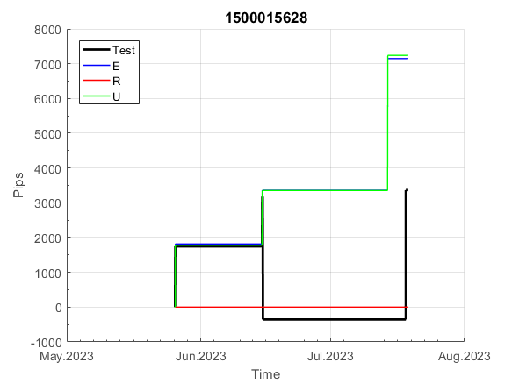
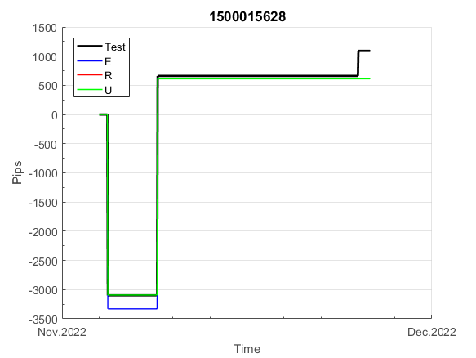
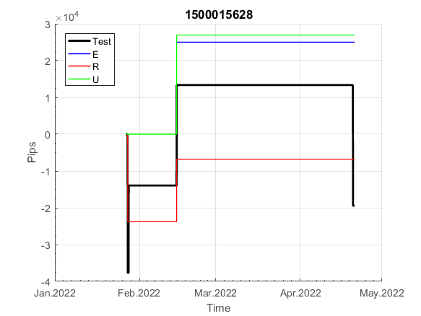
INFO | SymPer | Pip/Y | Trd/Y | RF=MaxPrf/Y/DD | PF | DD/LastDD | iDD | MO/Spred | SD | MO/SD | iRF=MaxPrf/iDD | W/L*W% | = | RISK=PF*RF | Magic | Mod | HL | HLk | TR | TRk | IN | Ik | Del | BrkBck | Inv | D | Iprice | S | P | PM1 | PM2 | Tk | TS | Out | OTr | Oprc | OD | Oprf | Wknd | A | a | AtrLim | tk | T0 | T1 | tp | start | 37987 | 37991 | 2004-01-06 | 2004-01-07 | 2004-01-08 | 2004-01-12 | 2004-01-13 | 2004-01-14 | 2004-01-15 | 2004-01-19 | 2004-01-20 | 2004-01-21 | 2004-01-22 | 2004-01-26 | 2004-01-27 | 2004-01-28 | 2004-01-29 | 2004-02-02 | 2004-02-03 | 2004-02-04 | 2004-02-05 | 2004-02-09 | 2004-02-10 | 2004-02-11 | 2004-02-12 | 2004-02-16 | 2004-02-17 | 2004-02-18 | 2004-02-19 | 2004-02-23 | 2004-02-24 | 2004-02-25 | 2004-02-26 | 2004-03-01 | 2004-03-02 | 2004-03-03 | 2004-03-04 | 2004-03-08 | 2004-03-09 | 2004-03-10 | 2004-03-11 | 2004-03-15 | 2004-03-16 | 2004-03-17 | 2004-03-18 | 2004-03-22 | 2004-03-23 | 2004-03-24 | 2004-03-25 | 2004-03-29 | 2004-03-30 | 2004-03-31 | 2004-04-01 | 2004-04-05 | 2004-04-06 | 2004-04-07 | 2004-04-08 | 2004-04-12 | 2004-04-13 | 2004-04-14 | 2004-04-15 | 2004-04-19 | 2004-04-20 | 2004-04-21 | 2004-04-22 | 2004-04-26 | 2004-04-27 | 2004-04-28 | 2004-04-29 | 2004-05-03 | 2004-05-04 | 2004-05-05 | 2004-05-06 | 2004-05-10 | 2004-05-11 | 2004-05-12 | 2004-05-13 | 2004-05-17 | 2004-05-18 | 2004-05-19 | 2004-05-20 | 2004-05-24 | 2004-05-25 | 2004-05-26 | 2004-05-27 | 2004-05-31 | 2004-06-11 | 2004-06-14 | 2004-06-15 | 2004-06-16 | 2004-06-17 | 2004-06-18 | 2004-06-21 | 2004-06-22 | 2004-06-23 | 2004-06-24 | 2004-06-25 | 2004-06-28 | 2004-06-29 | 2004-06-30 | 2004-07-01 | 2004-07-02 | 2004-07-06 | 2004-07-07 | 2004-07-08 | 2004-07-09 | 2004-07-12 | 2004-07-13 | 2004-07-14 | 2004-07-15 | 2004-07-16 | 2004-07-19 | 2004-07-20 | 2004-07-21 | 2004-07-22 | 2004-07-23 | 2004-07-26 | 2004-07-27 | 2004-07-28 | 2004-07-29 | 2004-07-30 | 2004-08-02 | 2004-08-03 | 2004-08-04 | 2004-08-05 | 2004-08-06 | 2004-08-09 | 2004-08-10 | 2004-08-11 | 2004-08-12 | 2004-08-13 | 2004-08-16 | 2004-08-17 | 2004-08-18 | 2004-08-19 | 2004-08-20 | 2004-08-23 | 2004-08-24 | 2004-08-25 | 2004-08-26 | 2004-08-27 | 2004-08-30 | 2004-08-31 | 2004-09-01 | 2004-09-02 | 2004-09-03 | 2004-09-07 | 2004-09-08 | 2004-09-09 | 2004-09-10 | 2004-09-13 | 2004-09-14 | 2004-09-15 | 2004-09-16 | 2004-09-17 | 2004-09-20 | 2004-09-21 | 2004-09-22 | 2004-09-23 | 2004-09-24 | 2004-09-27 | 2004-09-28 | 2004-09-29 | 2004-09-30 | 2004-10-01 | 2004-10-04 | 2004-10-05 | 2004-10-06 | 2004-10-07 | 2004-10-08 | 2004-10-11 | 2004-10-12 | 2004-10-13 | 2004-10-14 | 2004-10-15 | 2004-10-18 | 2004-10-19 | 2004-10-20 | 2004-10-21 | 2004-10-22 | 2004-10-25 | 2004-10-26 | 2004-10-27 | 2004-10-28 | 2004-10-29 | 2004-11-01 | 2004-11-02 | 2004-11-03 | 2004-11-04 | 2004-11-05 | 2004-11-08 | 2004-11-09 | 2004-11-10 | 2004-11-11 | 2004-11-12 | 2004-11-15 | 2004-11-16 | 2004-11-17 | 2004-11-18 | 2004-11-19 | 2004-11-22 | 2004-11-23 | 2004-11-24 | 2004-11-26 | 2004-11-29 | 2004-11-30 | 2004-12-01
FA$T200.925 2008.01.02-2023.09.05, Sprd=100, StpLev=100, Swaps=-18.17, OPT-2007.01.02-2019.12.30 | XAUUSD240 | 441 | 7 | 0.39 | 1.69 | 1121_181 | 1741 | 0.64 | 260 | 2.5 | 37 | 1.0*66 = | 67 | 0.7 | 1500015628 | 2 | 5 | 7 | 0 | 9 | 8 | 2 | 1 | 5 | 1 | -3 | 1 | 0 | -4 | -2 | 0 | -4 | 0 | 0 | 1 | 1 | 0 | 0 | 1 | 15 | 4 | 0 | 0 | 2 | 1 | 2 |  | 0 | 0 | 0 | 0 | 0 | 0 | 0 | 0 | 0 | 0 | 0 | 0 | 0 | 0 | 0 | 0 | 0 | 0 | 0 | 0 | 0 | 0 | 0 | 0 | 0 | 0 | 0 | 0 | 0 | 0 | 0 | 0 | 0 | 0 | 0 | 0 | 0 | 0 | 0 | 0 | 0 | 0 | 0 | 0 | 0 | 0 | 0 | 0 | 0 | 0 | 0 | 0 | 0 | 0 | 0 | 0 | -8 | 525 | 770 | 770 | 770 | 770 | 770 | 770 | 770 | 770 | 770 | 770 | 770 | 770 | 770 | 770 | 769 | 690 | 625 | 624 | 621 | 573 | 645 | 868 | 871 | 893 | 1048 | 1135 | 1135 | 1135 | 1135 | 1135 | 1135 | 1135 | 1135 | 1135 | 1135 | 1135 | 1135 | 1135 | 1135 | 1135 | 1135 | 1233 | 1238 | 1374 | 1359 | 1379 | 1379 | 1379 | 1379 | 1379 | 1379 | 1379 | 1379 | 1379 | 1379 | 1379 | 1379 | 1379 | 1379 | 1379 | 1379 | 1379 | 1379 | 1379 | 1379 | 1379 | 1379 | 1379 | 1379 | 1379 | 1379 | 1379 | 1379 | 1379 | 1379 | 1379 | 1379 | 1379 | 1379 | 1379 | 1379 | 1379 | 1379 | 1379 | 1379 | 1379 | 1379 | 1379 | 1379 | 1379 | 1379 | 1379 | 1379 | 1362 | 1264 | 1262 | 1260 | 1143 | 1164 | 1270 | 1350 | 1350 | 1350 | 1350 | 1350 | 1350 | 1350 | 1350 | 1350 | 1350 | 1350 | 1350 | 1350 | 1350 | 1350 | 1350 | 1326 | 1202 | 1238 | 1163 | 1189 | 1161 | 1232 | 1445 | 1655 | 1655 | 1655 | 1655 | 1655 | 1655 | 1655 | 1655 | 1655 | 1655 | 1655 | 1655 | 1655 | 1655 | 1655 | 1655 | 1655 | 1655 | 1655 | 1655 | 1655 | 1655 | 1655 | 1655 | 1655

 | 1500015628
 | 0
 | 0
 | 0
 | 0
 | 0
 | 0
 | 0
 | 0
 | 0
 | 0
 | 0
 | 0
 | 0
 | 0
 | 0
 | 0
 | 0
 | 0
 | 0
 | 0
 | 0
 | 0
 | 0
 | 0
 | 0
 | 0
 | 0
 | 0
 | 0
 | 0
 | 0
 | 0
 | 0
 | 0
 | 0
 | 0
 | 0
 | 0
 | 0
 | 0
 | 0
 | 0
 | 0
 | 0
 | 0
 | 0
 | 0
 | -8
 | 525
 | 770
...
 |  |  |  |  |  |  |  |  |  |  |  |  |  |  |  |  |  |  |  |  |  |  |  | #DIV/0!
 |  |  |  |  |  |  |  |  |  |  |  |  |  |  |  |  |  |  |  |  |  |  |  | #DIV/0!
 |  |  |  |  |  |  |  |  |  |  |  |  |  |  |  |  |  |  |  |  |  |  |  | #DIV/0!
 |  |  |  |  |  |  |  |  |  |  |  |  |  |  |  |  |  |  |  |  |  |  |  | #DIV/0!

152
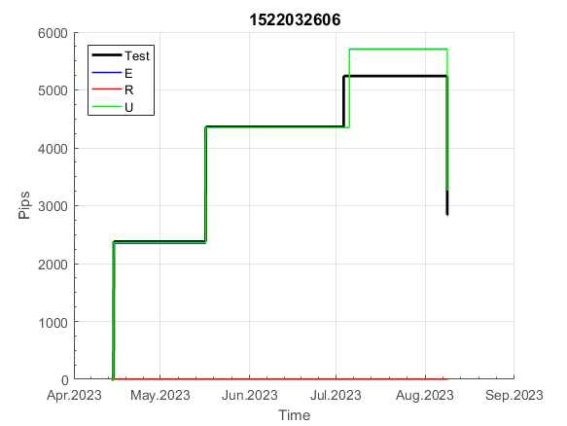
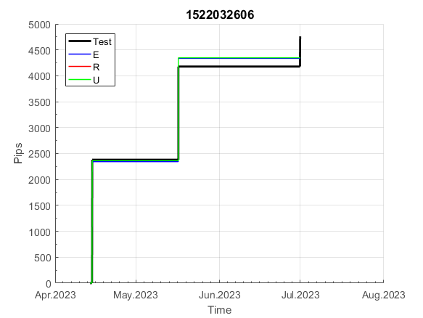
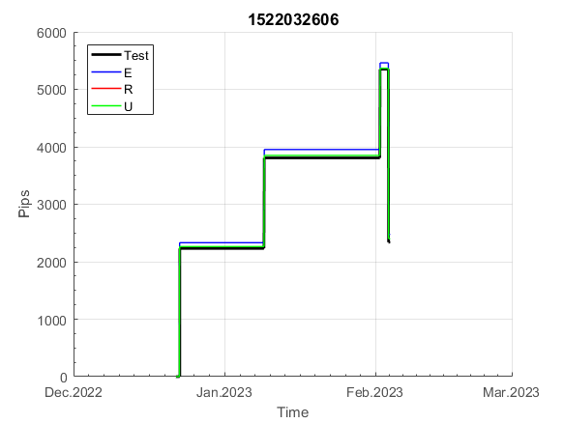
INFO | SymPer | Pip/Y | Trd/Y | RF=MaxPrf/Y/DD | PF | DD/LastDD | iDD | MO/Spred | SD | MO/SD | iRF=MaxPrf/iDD | W/L*W% | = | RISK=PF*RF | Magic | Mod | HL | HLk | TR | TRk | IN | Ik | Del | BrkBck | Inv | D | Iprice | S | P | PM1 | PM2 | Tk | TS | Out | OTr | Oprc | OD | Oprf | Wknd | A | a | AtrLim | tk | T0 | T1 | tp | start | 37987 | 37991 | 2004-01-06 | 2004-01-07 | 2004-01-08 | 2004-01-12 | 2004-01-13 | 2004-01-14 | 2004-01-15 | 2004-01-19 | 2004-01-20 | 2004-01-21 | 2004-01-22 | 2004-01-26 | 2004-01-27 | 2004-01-28 | 2004-01-29 | 2004-02-02 | 2004-02-03 | 2004-02-04 | 2004-02-05 | 2004-02-09 | 2004-02-10 | 2004-02-11 | 2004-02-12 | 2004-02-16 | 2004-02-17 | 2004-02-18 | 2004-02-19 | 2004-02-23 | 2004-02-24 | 2004-02-25 | 2004-02-26 | 2004-03-01 | 2004-03-02 | 2004-03-03 | 2004-03-04 | 2004-03-08 | 2004-03-09 | 2004-03-10 | 2004-03-11 | 2004-03-15 | 2004-03-16 | 2004-03-17 | 2004-03-18 | 2004-03-22 | 2004-03-23 | 2004-03-24 | 2004-03-25 | 2004-03-29 | 2004-03-30 | 2004-03-31 | 2004-04-01 | 2004-04-05 | 2004-04-06 | 2004-04-07 | 2004-04-08 | 2004-04-12 | 2004-04-13 | 2004-04-14 | 2004-04-15 | 2004-04-19 | 2004-04-20 | 2004-04-21 | 2004-04-22 | 2004-04-26 | 2004-04-27 | 2004-04-28 | 2004-04-29 | 2004-05-03 | 2004-05-04 | 2004-05-05 | 2004-05-06 | 2004-05-10 | 2004-05-11 | 2004-05-12 | 2004-05-13 | 2004-05-17 | 2004-05-18 | 2004-05-19 | 2004-05-20 | 2004-05-24 | 2004-05-25 | 2004-05-26 | 2004-05-27 | 2004-05-31 | 2004-06-11 | 2004-06-14 | 2004-06-15 | 2004-06-16 | 2004-06-17 | 2004-06-18 | 2004-06-21 | 2004-06-22 | 2004-06-23 | 2004-06-24 | 2004-06-25 | 2004-06-28 | 2004-06-29 | 2004-06-30 | 2004-07-01 | 2004-07-02 | 2004-07-06 | 2004-07-07 | 2004-07-08 | 2004-07-09 | 2004-07-12 | 2004-07-13 | 2004-07-14 | 2004-07-15 | 2004-07-16 | 2004-07-19 | 2004-07-20 | 2004-07-21 | 2004-07-22 | 2004-07-23 | 2004-07-26 | 2004-07-27 | 2004-07-28 | 2004-07-29 | 2004-07-30 | 2004-08-02 | 2004-08-03 | 2004-08-04 | 2004-08-05 | 2004-08-06 | 2004-08-09 | 2004-08-10 | 2004-08-11 | 2004-08-12 | 2004-08-13 | 2004-08-16 | 2004-08-17 | 2004-08-18 | 2004-08-19 | 2004-08-20 | 2004-08-23 | 2004-08-24 | 2004-08-25 | 2004-08-26 | 2004-08-27 | 2004-08-30 | 2004-08-31 | 2004-09-01 | 2004-09-02 | 2004-09-03 | 2004-09-07 | 2004-09-08 | 2004-09-09 | 2004-09-10 | 2004-09-13 | 2004-09-14 | 2004-09-15 | 2004-09-16 | 2004-09-17 | 2004-09-20 | 2004-09-21 | 2004-09-22 | 2004-09-23 | 2004-09-24 | 2004-09-27 | 2004-09-28 | 2004-09-29 | 2004-09-30 | 2004-10-01 | 2004-10-04 | 2004-10-05 | 2004-10-06 | 2004-10-07 | 2004-10-08 | 2004-10-11 | 2004-10-12 | 2004-10-13 | 2004-10-14 | 2004-10-15 | 2004-10-18 | 2004-10-19 | 2004-10-20 | 2004-10-21 | 2004-10-22 | 2004-10-25 | 2004-10-26 | 2004-10-27 | 2004-10-28 | 2004-10-29 | 2004-11-01 | 2004-11-02 | 2004-11-03 | 2004-11-04 | 2004-11-05 | 2004-11-08 | 2004-11-09 | 2004-11-10 | 2004-11-11 | 2004-11-12 | 2004-11-15 | 2004-11-16 | 2004-11-17 | 2004-11-18 | 2004-11-19 | 2004-11-22 | 2004-11-23 | 2004-11-24 | 2004-11-26 | 2004-11-29 | 2004-11-30 | 2004-12-01
FA$T200.925 2008.01.02-2023.09.05, Sprd=100, StpLev=100, Swaps=-18.17, OPT-2007.01.02-2020.01.02 | XAUUSD240 | 520 | 8 | 0.75 | 2.26 | 730_435 | 996 | 0.61 | 145 | 4.2 | 65 | 0.7*77 = | 58 | 1.7 | 1522032606 | 2 | 2 | 3 | 8 | 3 | 1 | 7 | 1 | -1 | 1 | -2 | 4 | 4 | -2 | -2 | 0 | 4 | 1 | 0 | -1 | 3 | 0 | 0 | 0 | 15 | 4 | 0 | 0 | 8 | 1 | 0 |  | 0 | 0 | 0 | 0 | 0 | 0 | 0 | 0 | 0 | 0 | 0 | 0 | 0 | 0 | 0 | -57 | 217 | 217 | 217 | 217 | 217 | 217 | 217 | 217 | 217 | 217 | 217 | 124 | 220 | 318 | 191 | 99 | 148 | 134 | 127 | 153 | 356 | 356 | 356 | 356 | 356 | 356 | 356 | 356 | 356 | 356 | 356 | 268 | 237 | 205 | 200 | 235 | 330 | 417 | 417 | 417 | 417 | 417 | 417 | 417 | 417 | 417 | 417 | 417 | 417 | 417 | 417 | 417 | 417 | 417 | 417 | 417 | 417 | 417 | 417 | 417 | 417 | 417 | 417 | 637 | 637 | 637 | 637 | 637 | 637 | 637 | 637 | 637 | 637 | 637 | 637 | 637 | 637 | 637 | 637 | 637 | 637 | 637 | 637 | 637 | 637 | 637 | 637 | 637 | 637 | 637 | 637 | 632 | 583 | 523 | 504 | 630 | 688 | 769 | 769 | 769 | 769 | 769 | 769 | 769 | 769 | 769 | 769 | 769 | 769 | 769 | 769 | 769 | 769 | 769 | 769 | 769 | 769 | 769 | 769 | 769 | 769 | 769 | 769 | 769 | 769 | 769 | 769 | 769 | 769 | 769 | 769 | 769 | 769 | 769 | 769 | 741 | 707 | 570 | 570 | 570 | 570 | 570 | 570 | 570 | 570 | 570 | 570 | 570 | 570 | 570 | 570 | 570 | 570 | 570 | 570 | 570 | 570 | 570 | 570 | 570 | 570 | 570 | 570 | 570 | 570 | 570 | 570 | 570 | 570 | 570 | 570 | 511 | 547 | 955 | 955 | 955 | 955 | 955 | 955 | 1149 | 1149 | 1149 | 1149 | 1149 | 1149 | 1149 | 1149 | 1592 | 1592 | 1592 | 1592

 | 1522032606
 | 0
 | 0
 | 0
 | 0
 | 0
 | 0
 | -57
 | 217
 | 217
 | 217
 | 217
 | 217
 | 217
 | 217
 | 217
 | 217
 | 217
 | 217
 | 124
 | 220
 | 318
 | 191
 | 99
 | 148
 | 134
 | 127
 | 153
 | 356
 | 356
 | 356
 | 356
 | 356
 | 356
 | 356
 | 356
 | 356
 | 356
 | 356
 | 268
 | 237
 | 205
 | 200
 | 235
 | 330
 | 417
 | 417
 | 417
 | 417
 | 417
 | 417
...
 |  |  |  |  |  |  |  |  |  |  |  |  |  |  |  |  |  |  |  |  |  |  |  | #DIV/0!
 |  |  |  |  |  |  |  |  |  |  |  |  |  |  |  |  |  |  |  |  |  |  |  | #DIV/0!
 |  |  |  |  |  |  |  |  |  |  |  |  |  |  |  |  |  |  |  |  |  |  |  | #DIV/0!
 |  |  |  |  |  |  |  |  |  |  |  |  |  |  |  |  |  |  |  |  |  |  |  | #DIV/0!

154
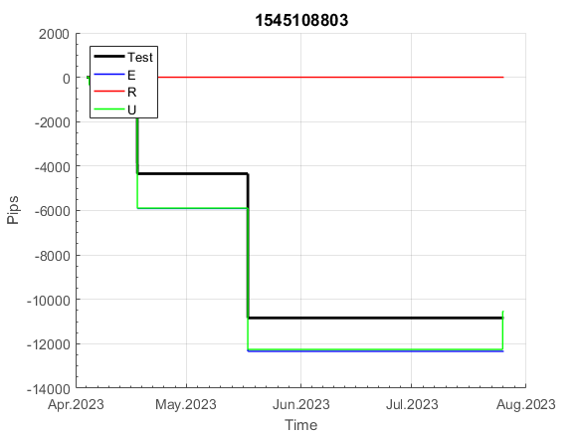
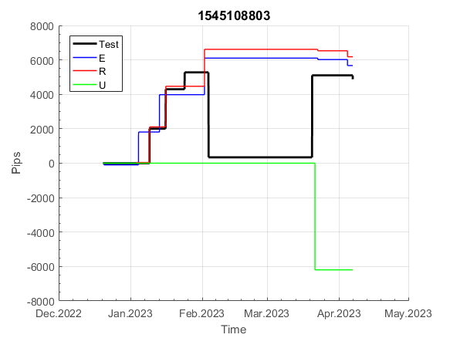
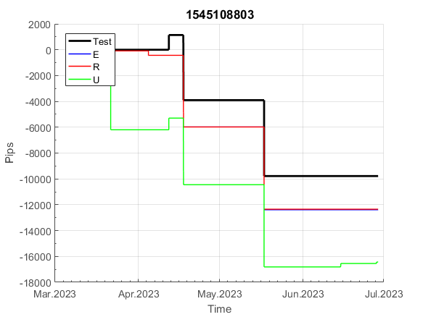
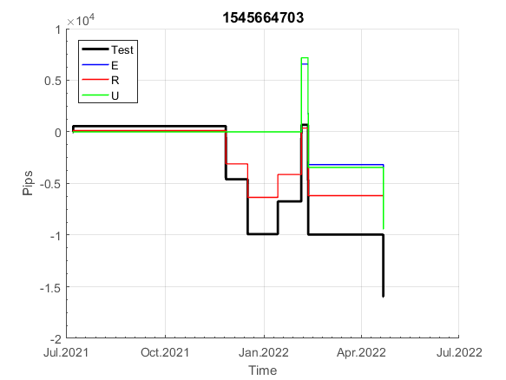
INFO | SymPer | Pip/Y | Trd/Y | RF=MaxPrf/Y/DD | PF | DD/LastDD | iDD | MO/Spred | SD | MO/SD | iRF=MaxPrf/iDD | W/L*W% | = | RISK=PF*RF | Magic | Mod | HL | HLk | TR | TRk | IN | Ik | Del | BrkBck | Inv | D | Iprice | S | P | PM1 | PM2 | Tk | TS | Out | OTr | Oprc | OD | Oprf | Wknd | A | a | AtrLim | tk | T0 | T1 | tp | start | 37987 | 37991 | 2004-01-06 | 2004-01-07 | 2004-01-08 | 2004-01-12 | 2004-01-13 | 2004-01-14 | 2004-01-15 | 2004-01-19 | 2004-01-20 | 2004-01-21 | 2004-01-22 | 2004-01-26 | 2004-01-27 | 2004-01-28 | 2004-01-29 | 2004-02-02 | 2004-02-03 | 2004-02-04 | 2004-02-05 | 2004-02-09 | 2004-02-10 | 2004-02-11 | 2004-02-12 | 2004-02-16 | 2004-02-17 | 2004-02-18 | 2004-02-19 | 2004-02-23 | 2004-02-24 | 2004-02-25 | 2004-02-26 | 2004-03-01 | 2004-03-02 | 2004-03-03 | 2004-03-04 | 2004-03-08 | 2004-03-09 | 2004-03-10 | 2004-03-11 | 2004-03-15 | 2004-03-16 | 2004-03-17 | 2004-03-18 | 2004-03-22 | 2004-03-23 | 2004-03-24 | 2004-03-25 | 2004-03-29 | 2004-03-30 | 2004-03-31 | 2004-04-01 | 2004-04-05 | 2004-04-06 | 2004-04-07 | 2004-04-08 | 2004-04-12 | 2004-04-13 | 2004-04-14 | 2004-04-15 | 2004-04-19 | 2004-04-20 | 2004-04-21 | 2004-04-22 | 2004-04-26 | 2004-04-27 | 2004-04-28 | 2004-04-29 | 2004-05-03 | 2004-05-04 | 2004-05-05 | 2004-05-06 | 2004-05-10 | 2004-05-11 | 2004-05-12 | 2004-05-13 | 2004-05-17 | 2004-05-18 | 2004-05-19 | 2004-05-20 | 2004-05-24 | 2004-05-25 | 2004-05-26 | 2004-05-27 | 2004-05-31 | 2004-06-11 | 2004-06-14 | 2004-06-15 | 2004-06-16 | 2004-06-17 | 2004-06-18 | 2004-06-21 | 2004-06-22 | 2004-06-23 | 2004-06-24 | 2004-06-25 | 2004-06-28 | 2004-06-29 | 2004-06-30 | 2004-07-01 | 2004-07-02 | 2004-07-06 | 2004-07-07 | 2004-07-08 | 2004-07-09 | 2004-07-12 | 2004-07-13 | 2004-07-14 | 2004-07-15 | 2004-07-16 | 2004-07-19 | 2004-07-20 | 2004-07-21 | 2004-07-22 | 2004-07-23 | 2004-07-26 | 2004-07-27 | 2004-07-28 | 2004-07-29 | 2004-07-30 | 2004-08-02 | 2004-08-03 | 2004-08-04 | 2004-08-05 | 2004-08-06 | 2004-08-09 | 2004-08-10 | 2004-08-11 | 2004-08-12 | 2004-08-13 | 2004-08-16 | 2004-08-17 | 2004-08-18 | 2004-08-19 | 2004-08-20 | 2004-08-23 | 2004-08-24 | 2004-08-25 | 2004-08-26 | 2004-08-27 | 2004-08-30 | 2004-08-31 | 2004-09-01 | 2004-09-02 | 2004-09-03 | 2004-09-07 | 2004-09-08 | 2004-09-09 | 2004-09-10 | 2004-09-13 | 2004-09-14 | 2004-09-15 | 2004-09-16 | 2004-09-17 | 2004-09-20 | 2004-09-21 | 2004-09-22 | 2004-09-23 | 2004-09-24 | 2004-09-27 | 2004-09-28 | 2004-09-29 | 2004-09-30 | 2004-10-01 | 2004-10-04 | 2004-10-05 | 2004-10-06 | 2004-10-07 | 2004-10-08 | 2004-10-11 | 2004-10-12 | 2004-10-13 | 2004-10-14 | 2004-10-15 | 2004-10-18 | 2004-10-19 | 2004-10-20 | 2004-10-21 | 2004-10-22 | 2004-10-25 | 2004-10-26 | 2004-10-27 | 2004-10-28 | 2004-10-29 | 2004-11-01 | 2004-11-02 | 2004-11-03 | 2004-11-04 | 2004-11-05 | 2004-11-08 | 2004-11-09 | 2004-11-10 | 2004-11-11 | 2004-11-12 | 2004-11-15 | 2004-11-16 | 2004-11-17 | 2004-11-18 | 2004-11-19 | 2004-11-22 | 2004-11-23 | 2004-11-24 | 2004-11-26 | 2004-11-29 | 2004-11-30 | 2004-12-01
FA$T200.925 2008.01.02-2023.09.05, Sprd=100, StpLev=100, Swaps=-18.17, OPT-2007.01.02-2020.01.02 | XAUUSD240 | 941 | 12 | 0.63 | 2.35 | 1656_1656 | 1484 | 0.77 | 173 | 4.4 | 57 | 0.6*80 = | 51 | 1.5 | 1545108803 | 2 | 3 | 1 | 4 | 9 | -1 | 2 | 0 | 0 | 0 | 1 | 2 | 5 | 6 | 0 | 0 | 0 | 0 | 1 | 0 | 1 | 3 | 2 | 0 | 15 | 5 | 0 | 0 | 1 | 8 | 3 |  | 0 | 0 | 13 | 42 | 22 | 29 | 161 | 127 | 105 | 133 | 254 | 254 | 254 | 254 | 254 | 254 | 254 | 254 | 355 | 435 | 497 | 444 | 582 | 582 | 582 | 582 | 582 | 582 | 582 | 582 | 582 | 582 | 582 | 582 | 582 | 582 | 582 | 554 | 591 | 504 | 468 | 650 | 744 | 710 | 779 | 608 | 639 | 739 | 708 | 676 | 671 | 706 | 802 | 871 | 871 | 871 | 871 | 871 | 871 | 871 | 871 | 871 | 871 | 871 | 871 | 871 | 871 | 871 | 871 | 871 | 871 | 871 | 871 | 871 | 871 | 871 | 871 | 871 | 871 | 871 | 871 | 871 | 871 | 871 | 871 | 871 | 871 | 867 | 861 | 710 | 637 | 676 | 634 | 563 | 594 | 626 | 782 | 643 | 462 | 462 | 462 | 462 | 462 | 462 | 462 | 462 | 462 | 462 | 462 | 462 | 462 | 462 | 329 | 147 | 108 | 108 | 108 | 108 | 108 | 108 | 108 | 108 | 108 | 108 | 108 | 108 | 108 | 53 | 188 | 160 | 278 | 278 | 278 | 278 | 278 | 278 | 278 | 278 | 306 | 425 | 580 | 580 | 580 | 580 | 580 | 580 | 580 | 580 | 580 | 580 | 580 | 580 | 580 | 564 | 582 | 706 | 706 | 706 | 706 | 917 | 1121 | 1121 | 1087 | 1002 | 925 | 868 | 682 | 682 | 682 | 682 | 682 | 682 | 682 | 682 | 610 | 632 | 597 | 588 | 523 | 669 | 856 | 856 | 856 | 856 | 856 | 856 | 856 | 856 | 856 | 856 | 856 | 856 | 856 | 856 | 856 | 856 | 856 | 856 | 856 | 856 | 856 | 856 | 856 | 856 | 856 | 856 | 856

 | 1545108803
 | 133
 | 254
 | 254
 | 254
 | 254
 | 254
 | 254
 | 254
 | 254
 | 355
 | 435
 | 497
 | 444
 | 582
 | 582
 | 582
 | 582
 | 582
 | 582
 | 582
 | 582
 | 582
 | 582
 | 582
 | 582
 | 582
 | 582
 | 582
 | 554
 | 591
 | 504
 | 468
 | 650
 | 744
 | 710
 | 779
 | 608
 | 639
 | 739
 | 708
 | 676
 | 671
 | 706
 | 802
 | 871
 | 871
 | 871
 | 871
 | 871
 | 871
...
 |  |  |  |  |  |  |  |  |  |  |  |  |  |  |  |  |  |  |  |  |  |  |  | #DIV/0!
 |  |  |  |  |  |  |  |  |  |  |  |  |  |  |  |  |  |  |  |  |  |  |  | #DIV/0!
 |  |  |  |  |  |  |  |  |  |  |  |  |  |  |  |  |  |  |  |  |  |  |  | #DIV/0!
 |  |  |  |  |  |  |  |  |  |  |  |  |  |  |  |  |  |  |  |  |  |  |  | #DIV/0!

213
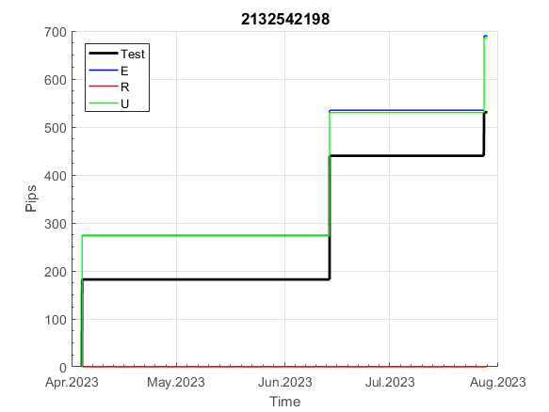
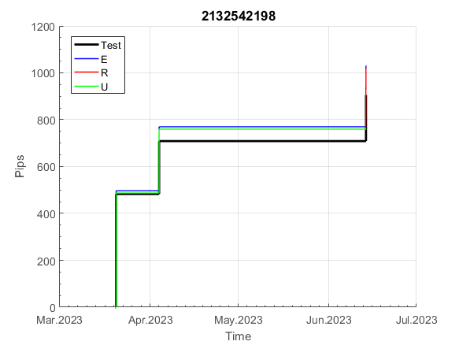
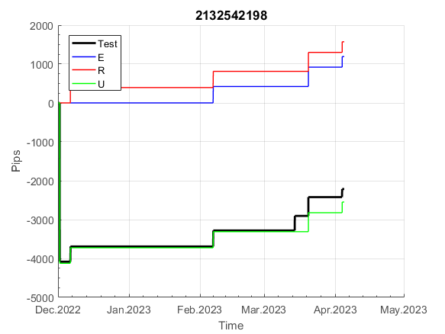
INFO | SymPer | Pip/Y | Trd/Y | RF=MaxPrf/Y/DD | PF | DD/LastDD | iDD | MO/Spred | SD | MO/SD | iRF=MaxPrf/iDD | W/L*W% | = | RISK=PF*RF | Magic | Mod | HL | HLk | TR | TRk | IN | Ik | Del | BrkBck | Inv | D | Iprice | S | P | PM1 | PM2 | Tk | TS | Out | OTr | Oprc | OD | Oprf | Wknd | A | a | AtrLim | tk | T0 | T1 | tp | start | 37987 | 37991 | 2004-01-06 | 2004-01-07 | 2004-01-08 | 2004-01-12 | 2004-01-13 | 2004-01-14 | 2004-01-15 | 2004-01-19 | 2004-01-20 | 2004-01-21 | 2004-01-22 | 2004-01-26 | 2004-01-27 | 2004-01-28 | 2004-01-29 | 2004-02-02 | 2004-02-03 | 2004-02-04 | 2004-02-05 | 2004-02-09 | 2004-02-10 | 2004-02-11 | 2004-02-12 | 2004-02-16 | 2004-02-17 | 2004-02-18 | 2004-02-19 | 2004-02-23 | 2004-02-24 | 2004-02-25 | 2004-02-26 | 2004-03-01 | 2004-03-02 | 2004-03-03 | 2004-03-04 | 2004-03-08 | 2004-03-09 | 2004-03-10 | 2004-03-11 | 2004-03-15 | 2004-03-16 | 2004-03-17 | 2004-03-18 | 2004-03-22 | 2004-03-23 | 2004-03-24 | 2004-03-25 | 2004-03-29 | 2004-03-30 | 2004-03-31 | 2004-04-01 | 2004-04-05 | 2004-04-06 | 2004-04-07 | 2004-04-08 | 2004-04-12 | 2004-04-13 | 2004-04-14 | 2004-04-15 | 2004-04-19 | 2004-04-20 | 2004-04-21 | 2004-04-22 | 2004-04-26 | 2004-04-27 | 2004-04-28 | 2004-04-29 | 2004-05-03 | 2004-05-04 | 2004-05-05 | 2004-05-06 | 2004-05-10 | 2004-05-11 | 2004-05-12 | 2004-05-13 | 2004-05-17 | 2004-05-18 | 2004-05-19 | 2004-05-20 | 2004-05-24 | 2004-05-25 | 2004-05-26 | 2004-05-27 | 2004-05-31 | 2004-06-11 | 2004-06-14 | 2004-06-15 | 2004-06-16 | 2004-06-17 | 2004-06-18 | 2004-06-21 | 2004-06-22 | 2004-06-23 | 2004-06-24 | 2004-06-25 | 2004-06-28 | 2004-06-29 | 2004-06-30 | 2004-07-01 | 2004-07-02 | 2004-07-06 | 2004-07-07 | 2004-07-08 | 2004-07-09 | 2004-07-12 | 2004-07-13 | 2004-07-14 | 2004-07-15 | 2004-07-16 | 2004-07-19 | 2004-07-20 | 2004-07-21 | 2004-07-22 | 2004-07-23 | 2004-07-26 | 2004-07-27 | 2004-07-28 | 2004-07-29 | 2004-07-30 | 2004-08-02 | 2004-08-03 | 2004-08-04 | 2004-08-05 | 2004-08-06 | 2004-08-09 | 2004-08-10 | 2004-08-11 | 2004-08-12 | 2004-08-13 | 2004-08-16 | 2004-08-17 | 2004-08-18 | 2004-08-19 | 2004-08-20 | 2004-08-23 | 2004-08-24 | 2004-08-25 | 2004-08-26 | 2004-08-27 | 2004-08-30 | 2004-08-31 | 2004-09-01 | 2004-09-02 | 2004-09-03 | 2004-09-07 | 2004-09-08 | 2004-09-09 | 2004-09-10 | 2004-09-13 | 2004-09-14 | 2004-09-15 | 2004-09-16 | 2004-09-17 | 2004-09-20 | 2004-09-21 | 2004-09-22 | 2004-09-23 | 2004-09-24 | 2004-09-27 | 2004-09-28 | 2004-09-29 | 2004-09-30 | 2004-10-01 | 2004-10-04 | 2004-10-05 | 2004-10-06 | 2004-10-07 | 2004-10-08 | 2004-10-11 | 2004-10-12 | 2004-10-13 | 2004-10-14 | 2004-10-15 | 2004-10-18 | 2004-10-19 | 2004-10-20 | 2004-10-21 | 2004-10-22 | 2004-10-25 | 2004-10-26 | 2004-10-27 | 2004-10-28 | 2004-10-29 | 2004-11-01 | 2004-11-02 | 2004-11-03 | 2004-11-04 | 2004-11-05 | 2004-11-08 | 2004-11-09 | 2004-11-10 | 2004-11-11 | 2004-11-12 | 2004-11-15 | 2004-11-16 | 2004-11-17 | 2004-11-18 | 2004-11-19 | 2004-11-22 | 2004-11-23 | 2004-11-24 | 2004-11-26 | 2004-11-29 | 2004-11-30 | 2004-12-01
FA$T200.925 2008.01.02-2023.09.05, Sprd=100, StpLev=100, Swaps=-18.17, OPT-2007.01.02-2019.12.30 | XAUUSD240 | 78 | 5 | 0.19 | 3.21 | 475_189 | 309 | 0.15 | 28 | 5.4 | 57 | 1.0*80 = | 78 | 0.6 | 2132542198 | 2 | 6 | 5 | 0 | 9 | 7 | 1 | 0 | 1 | 1 | 0 | 1 | 5 | 8 | -1 | 4 | 3 | 1 | 0 | -1 | 2 | 1 | 0 | 2 | 15 | 6 | 0 | 3 | 8 | 4 | 2 |  | 0 | 0 | 0 | 0 | 0 | 0 | 0 | 0 | 0 | 0 | 0 | 0 | 0 | 0 | 0 | 0 | 0 | 0 | 0 | 0 | 0 | 0 | 0 | 0 | 0 | 0 | 0 | 0 | 0 | 0 | 0 | 0 | 0 | 0 | 0 | 0 | 0 | 0 | 0 | 0 | 0 | 0 | 0 | 0 | 0 | 0 | 0 | 0 | 0 | 0 | 0 | 0 | 0 | 0 | 0 | 0 | -36 | 101 | 101 | 101 | 101 | 101 | 101 | 101 | 101 | 101 | 101 | 101 | 101 | 101 | 101 | 101 | 101 | 101 | 101 | 101 | 101 | 101 | 101 | 101 | 101 | 101 | 101 | 101 | 101 | 101 | 101 | 101 | 101 | 124 | 124 | 124 | 124 | 124 | 124 | 124 | 124 | 124 | 124 | 124 | 124 | 124 | 124 | 124 | 124 | 124 | 124 | 124 | 124 | 124 | 124 | 124 | 124 | 124 | 124 | 124 | 124 | 124 | 124 | 124 | 124 | 124 | 124 | 124 | 124 | 124 | 124 | 124 | 124 | 124 | 127 | 127 | 127 | 127 | 127 | 127 | 127 | 127 | 127 | 127 | 127 | 127 | 127 | 127 | 127 | 127 | 127 | 127 | 127 | 127 | 127 | 127 | 127 | 127 | 127 | 127 | 127 | 127 | 127 | 127 | 127 | 127 | 127 | 127 | 127 | 127 | 127 | 127 | 127 | 127 | 127 | 127 | 127 | 127 | 127 | 127 | 127 | 127 | 127 | 127 | 127 | 127 | 127 | 127 | 127 | 127 | 127 | 127 | 127 | 127 | 127 | 127 | 127 | 127 | 127 | 127 | 127 | 127 | 127 | 127 | 127 | 127 | 127 | 127 | 127 | 127 | 127

 | 2132542198
 | 0
 | 0
 | 0
 | 0
 | 0
 | 0
 | 0
 | 0
 | 0
 | 0
 | 0
 | 0
 | 0
 | 0
 | 0
 | 0
 | 0
 | 0
 | 0
 | 0
 | 0
 | 0
 | 0
 | 0
 | 0
 | 0
 | 0
 | 0
 | 0
 | 0
 | 0
 | 0
 | 0
 | 0
 | 0
 | 0
 | 0
 | 0
 | 0
 | 0
 | 0
 | 0
 | 0
 | 0
 | 0
 | 0
 | 0
 | -36
 | 101
 | 101
...
 |  |  |  |  |  |  |  |  |  |  |  |  |  |  |  |  |  |  |  |  |  |  |  | #DIV/0!
 |  |  |  |  |  |  |  |  |  |  |  |  |  |  |  |  |  |  |  |  |  |  |  | #DIV/0!
 |  |  |  |  |  |  |  |  |  |  |  |  |  |  |  |  |  |  |  |  |  |  |  | #DIV/0!
 |  |  |  |  |  |  |  |  |  |  |  |  |  |  |  |  |  |  |  |  |  |  |  | #DIV/0!

235
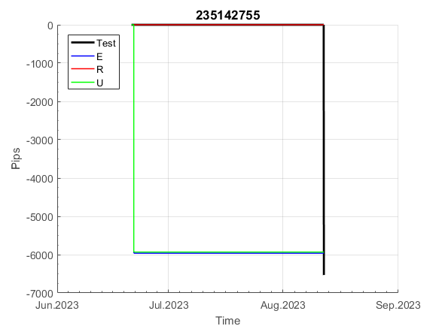
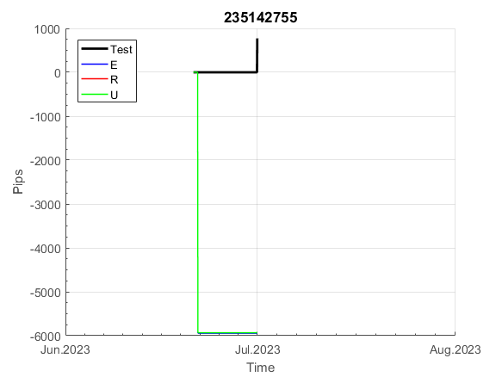
INFO | SymPer | Pip/Y | Trd/Y | RF=MaxPrf/Y/DD | PF | DD/LastDD | iDD | MO/Spred | SD | MO/SD | iRF=MaxPrf/iDD | W/L*W% | = | RISK=PF*RF | Magic | Mod | HL | HLk | TR | TRk | IN | Ik | Del | BrkBck | Inv | D | Iprice | S | P | PM1 | PM2 | Tk | TS | Out | OTr | Oprc | OD | Oprf | Wknd | A | a | AtrLim | tk | T0 | T1 | tp | start | 37987 | 37991 | 2004-01-06 | 2004-01-07 | 2004-01-08 | 2004-01-12 | 2004-01-13 | 2004-01-14 | 2004-01-15 | 2004-01-19 | 2004-01-20 | 2004-01-21 | 2004-01-22 | 2004-01-26 | 2004-01-27 | 2004-01-28 | 2004-01-29 | 2004-02-02 | 2004-02-03 | 2004-02-04 | 2004-02-05 | 2004-02-09 | 2004-02-10 | 2004-02-11 | 2004-02-12 | 2004-02-16 | 2004-02-17 | 2004-02-18 | 2004-02-19 | 2004-02-23 | 2004-02-24 | 2004-02-25 | 2004-02-26 | 2004-03-01 | 2004-03-02 | 2004-03-03 | 2004-03-04 | 2004-03-08 | 2004-03-09 | 2004-03-10 | 2004-03-11 | 2004-03-15 | 2004-03-16 | 2004-03-17 | 2004-03-18 | 2004-03-22 | 2004-03-23 | 2004-03-24 | 2004-03-25 | 2004-03-29 | 2004-03-30 | 2004-03-31 | 2004-04-01 | 2004-04-05 | 2004-04-06 | 2004-04-07 | 2004-04-08 | 2004-04-12 | 2004-04-13 | 2004-04-14 | 2004-04-15 | 2004-04-19 | 2004-04-20 | 2004-04-21 | 2004-04-22 | 2004-04-26 | 2004-04-27 | 2004-04-28 | 2004-04-29 | 2004-05-03 | 2004-05-04 | 2004-05-05 | 2004-05-06 | 2004-05-10 | 2004-05-11 | 2004-05-12 | 2004-05-13 | 2004-05-17 | 2004-05-18 | 2004-05-19 | 2004-05-20 | 2004-05-24 | 2004-05-25 | 2004-05-26 | 2004-05-27 | 2004-05-31 | 2004-06-11 | 2004-06-14 | 2004-06-15 | 2004-06-16 | 2004-06-17 | 2004-06-18 | 2004-06-21 | 2004-06-22 | 2004-06-23 | 2004-06-24 | 2004-06-25 | 2004-06-28 | 2004-06-29 | 2004-06-30 | 2004-07-01 | 2004-07-02 | 2004-07-06 | 2004-07-07 | 2004-07-08 | 2004-07-09 | 2004-07-12 | 2004-07-13 | 2004-07-14 | 2004-07-15 | 2004-07-16 | 2004-07-19 | 2004-07-20 | 2004-07-21 | 2004-07-22 | 2004-07-23 | 2004-07-26 | 2004-07-27 | 2004-07-28 | 2004-07-29 | 2004-07-30 | 2004-08-02 | 2004-08-03 | 2004-08-04 | 2004-08-05 | 2004-08-06 | 2004-08-09 | 2004-08-10 | 2004-08-11 | 2004-08-12 | 2004-08-13 | 2004-08-16 | 2004-08-17 | 2004-08-18 | 2004-08-19 | 2004-08-20 | 2004-08-23 | 2004-08-24 | 2004-08-25 | 2004-08-26 | 2004-08-27 | 2004-08-30 | 2004-08-31 | 2004-09-01 | 2004-09-02 | 2004-09-03 | 2004-09-07 | 2004-09-08 | 2004-09-09 | 2004-09-10 | 2004-09-13 | 2004-09-14 | 2004-09-15 | 2004-09-16 | 2004-09-17 | 2004-09-20 | 2004-09-21 | 2004-09-22 | 2004-09-23 | 2004-09-24 | 2004-09-27 | 2004-09-28 | 2004-09-29 | 2004-09-30 | 2004-10-01 | 2004-10-04 | 2004-10-05 | 2004-10-06 | 2004-10-07 | 2004-10-08 | 2004-10-11 | 2004-10-12 | 2004-10-13 | 2004-10-14 | 2004-10-15 | 2004-10-18 | 2004-10-19 | 2004-10-20 | 2004-10-21 | 2004-10-22 | 2004-10-25 | 2004-10-26 | 2004-10-27 | 2004-10-28 | 2004-10-29 | 2004-11-01 | 2004-11-02 | 2004-11-03 | 2004-11-04 | 2004-11-05 | 2004-11-08 | 2004-11-09 | 2004-11-10 | 2004-11-11 | 2004-11-12 | 2004-11-15 | 2004-11-16 | 2004-11-17 | 2004-11-18 | 2004-11-19 | 2004-11-22 | 2004-11-23 | 2004-11-24 | 2004-11-26 | 2004-11-29 | 2004-11-30 | 2004-12-01
FA$T200.925 2008.01.02-2023.09.05, Sprd=100, StpLev=100, Swaps=-18.17, OPT-2009.01.02-2022.02.01 | XAUUSD240 | 846 | 6 | 0.35 | 1.53 | 2610_2307 | 6186 | 1.38 | 772 | 1.8 | 24 | 2.9*38 = | 113 | 0.5 | 235142755 | 2 | 3 | 6 | -2 | 4 | 3 | 7 | 1 | -4 | 0 | 2 | 4 | 5 | -6 | 0 | 0 | -4 | 0 | 0 | 0 | 1 | 0 | -3 | 0 | 15 | 5 | 20 | 0 | 2 | 8 | 3 |  | 0 | 0 | 0 | 0 | 0 | 0 | 0 | 0 | 0 | 0 | 0 | 0 | 0 | 0 | 0 | 0 | 0 | 0 | 0 | 0 | 0 | 0 | 0 | 0 | 0 | 0 | 0 | 0 | 0 | 0 | 0 | 0 | 0 | 0 | 0 | 0 | 0 | 0 | 0 | 0 | 0 | 0 | 0 | 0 | 0 | 0 | 0 | 0 | 0 | 0 | -15 | -131 | -278 | -365 | -391 | -391 | -391 | -391 | -391 | -391 | -391 | -391 | -391 | -391 | -391 | -391 | -391 | -391 | -391 | -424 | -514 | -591 | -395 | -474 | -544 | -449 | -436 | -321 | -604 | -570 | -577 | -725 | -874 | -874 | -874 | -874 | -874 | -874 | -874 | -874 | -874 | -874 | -874 | -874 | -874 | -874 | -874 | -874 | -874 | -874 | -874 | -874 | -874 | -874 | -874 | -874 | -874 | -874 | -874 | -874 | -874 | -874 | -874 | -874 | -874 | -874 | -874 | -874 | -874 | -874 | -874 | -874 | -899 | -1055 | -1048 | -1082 | -1035 | -777 | -642 | -670 | -580 | -600 | -610 | -757 | -737 | -765 | -671 | -532 | -372 | -253 | -216 | -221 | -223 | -225 | -227 | -229 | -234 | -236 | -238 | -239 | -241 | -247 | -249 | -250 | -252 | -254 | -259 | -290 | -290 | -290 | -290 | -290 | -290 | -290 | -290 | -290 | -290 | -290 | -290 | -290 | -290 | -290 | -290 | -290 | -290 | -290 | -290 | -290 | -290 | -290 | -290 | -290 | -290 | -290 | -290 | -290 | -290 | -290 | -290 | -290 | -290 | -290 | -290 | -290 | -307 | -313 | -189 | 96 | -178 | -306 | -574 | -502 | -640 | -68 | 38 | 90 | 81

 | 235142755
 | 0
 | 0
 | 0
 | 0
 | 0
 | 0
 | 0
 | 0
 | 0
 | 0
 | 0
 | 0
 | 0
 | 0
 | 0
 | 0
 | 0
 | 0
 | 0
 | 0
 | 0
 | 0
 | 0
 | 0
 | 0
 | 0
 | 0
 | 0
 | 0
 | 0
 | 0
 | 0
 | 0
 | 0
 | 0
 | 0
 | 0
 | 0
 | 0
 | 0
 | 0
 | -15
 | -131
 | -278
 | -365
 | -391
 | -391
 | -391
 | -391
 | -391
...
 |  |  |  |  |  |  |  |  |  |  |  |  |  |  |  |  |  |  |  |  |  |  |  | #DIV/0!
 |  |  |  |  |  |  |  |  |  |  |  |  |  |  |  |  |  |  |  |  |  |  |  | #DIV/0!
 |  |  |  |  |  |  |  |  |  |  |  |  |  |  |  |  |  |  |  |  |  |  |  | #DIV/0!
 |  |  |  |  |  |  |  |  |  |  |  |  |  |  |  |  |  |  |  |  |  |  |  | #DIV/0!

395
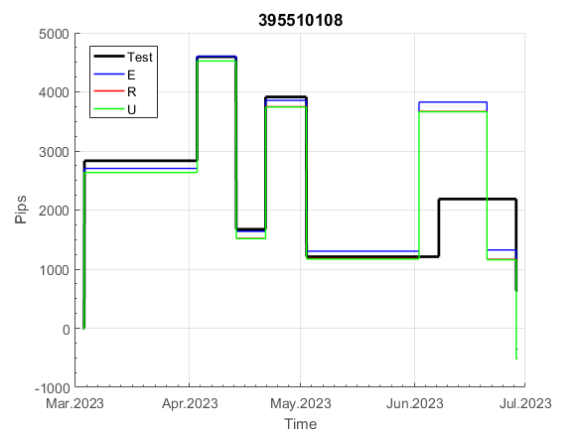
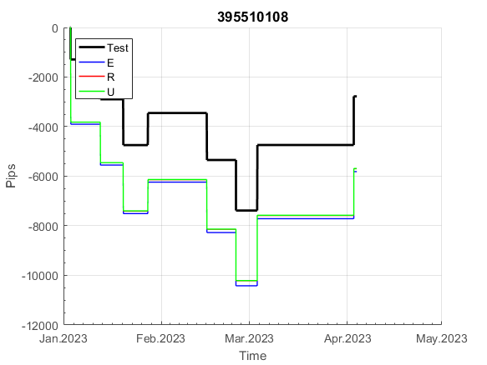
INFO | SymPer | Pip/Y | Trd/Y | RF=MaxPrf/Y/DD | PF | DD/LastDD | iDD | MO/Spred | SD | MO/SD | iRF=MaxPrf/iDD | W/L*W% | = | RISK=PF*RF | Magic | Mod | HL | HLk | TR | TRk | IN | Ik | Del | BrkBck | Inv | D | Iprice | S | P | PM1 | PM2 | Tk | TS | Out | OTr | Oprc | OD | Oprf | Wknd | A | a | AtrLim | tk | T0 | T1 | tp | start | 37987 | 37991 | 2004-01-06 | 2004-01-07 | 2004-01-08 | 2004-01-12 | 2004-01-13 | 2004-01-14 | 2004-01-15 | 2004-01-19 | 2004-01-20 | 2004-01-21 | 2004-01-22 | 2004-01-26 | 2004-01-27 | 2004-01-28 | 2004-01-29 | 2004-02-02 | 2004-02-03 | 2004-02-04 | 2004-02-05 | 2004-02-09 | 2004-02-10 | 2004-02-11 | 2004-02-12 | 2004-02-16 | 2004-02-17 | 2004-02-18 | 2004-02-19 | 2004-02-23 | 2004-02-24 | 2004-02-25 | 2004-02-26 | 2004-03-01 | 2004-03-02 | 2004-03-03 | 2004-03-04 | 2004-03-08 | 2004-03-09 | 2004-03-10 | 2004-03-11 | 2004-03-15 | 2004-03-16 | 2004-03-17 | 2004-03-18 | 2004-03-22 | 2004-03-23 | 2004-03-24 | 2004-03-25 | 2004-03-29 | 2004-03-30 | 2004-03-31 | 2004-04-01 | 2004-04-05 | 2004-04-06 | 2004-04-07 | 2004-04-08 | 2004-04-12 | 2004-04-13 | 2004-04-14 | 2004-04-15 | 2004-04-19 | 2004-04-20 | 2004-04-21 | 2004-04-22 | 2004-04-26 | 2004-04-27 | 2004-04-28 | 2004-04-29 | 2004-05-03 | 2004-05-04 | 2004-05-05 | 2004-05-06 | 2004-05-10 | 2004-05-11 | 2004-05-12 | 2004-05-13 | 2004-05-17 | 2004-05-18 | 2004-05-19 | 2004-05-20 | 2004-05-24 | 2004-05-25 | 2004-05-26 | 2004-05-27 | 2004-05-31 | 2004-06-11 | 2004-06-14 | 2004-06-15 | 2004-06-16 | 2004-06-17 | 2004-06-18 | 2004-06-21 | 2004-06-22 | 2004-06-23 | 2004-06-24 | 2004-06-25 | 2004-06-28 | 2004-06-29 | 2004-06-30 | 2004-07-01 | 2004-07-02 | 2004-07-06 | 2004-07-07 | 2004-07-08 | 2004-07-09 | 2004-07-12 | 2004-07-13 | 2004-07-14 | 2004-07-15 | 2004-07-16 | 2004-07-19 | 2004-07-20 | 2004-07-21 | 2004-07-22 | 2004-07-23 | 2004-07-26 | 2004-07-27 | 2004-07-28 | 2004-07-29 | 2004-07-30 | 2004-08-02 | 2004-08-03 | 2004-08-04 | 2004-08-05 | 2004-08-06 | 2004-08-09 | 2004-08-10 | 2004-08-11 | 2004-08-12 | 2004-08-13 | 2004-08-16 | 2004-08-17 | 2004-08-18 | 2004-08-19 | 2004-08-20 | 2004-08-23 | 2004-08-24 | 2004-08-25 | 2004-08-26 | 2004-08-27 | 2004-08-30 | 2004-08-31 | 2004-09-01 | 2004-09-02 | 2004-09-03 | 2004-09-07 | 2004-09-08 | 2004-09-09 | 2004-09-10 | 2004-09-13 | 2004-09-14 | 2004-09-15 | 2004-09-16 | 2004-09-17 | 2004-09-20 | 2004-09-21 | 2004-09-22 | 2004-09-23 | 2004-09-24 | 2004-09-27 | 2004-09-28 | 2004-09-29 | 2004-09-30 | 2004-10-01 | 2004-10-04 | 2004-10-05 | 2004-10-06 | 2004-10-07 | 2004-10-08 | 2004-10-11 | 2004-10-12 | 2004-10-13 | 2004-10-14 | 2004-10-15 | 2004-10-18 | 2004-10-19 | 2004-10-20 | 2004-10-21 | 2004-10-22 | 2004-10-25 | 2004-10-26 | 2004-10-27 | 2004-10-28 | 2004-10-29 | 2004-11-01 | 2004-11-02 | 2004-11-03 | 2004-11-04 | 2004-11-05 | 2004-11-08 | 2004-11-09 | 2004-11-10 | 2004-11-11 | 2004-11-12 | 2004-11-15 | 2004-11-16 | 2004-11-17 | 2004-11-18 | 2004-11-19 | 2004-11-22 | 2004-11-23 | 2004-11-24 | 2004-11-26 | 2004-11-29 | 2004-11-30 | 2004-12-01
FA$T200.925 2008.01.02-2023.09.05, Sprd=100, StpLev=100, Swaps=-18.17, OPT-2007.01.02-2019.12.30 | XAUUSD240 | 691 | 19 | 0.53 | 1.5 | 1336_483 | 2571 | 0.36 | 183 | 2 | 15 | 1.2*56 = | 69 | 0.8 | 395510108 | 2 | 3 | 4 | 0 | 2 | 5 | 6 | 1 | -3 | 1 | 1 | 4 | -2 | -3 | 1 | 4 | 3 | 0 | 1 | 0 | 2 | 0 | 3 | 0 | 15 | 5 | 0 | 0 | 8 | 1 | 2 |  | 0 | 0 | 0 | 0 | 0 | 0 | 0 | 0 | 0 | 0 | 0 | 0 | 0 | 0 | 0 | 0 | 0 | 0 | -3 | -172 | -212 | -212 | -212 | -212 | -212 | -212 | -212 | -212 | -212 | -212 | -212 | -212 | -212 | -212 | -179 | -349 | -349 | -349 | -349 | -349 | -540 | -615 | -615 | -615 | -615 | -615 | -615 | -615 | -615 | -615 | -615 | -615 | -615 | -615 | -745 | -698 | -544 | -128 | -128 | -128 | -128 | -128 | -128 | -128 | -128 | -128 | -128 | -128 | -128 | -128 | -128 | -128 | -128 | -128 | -128 | -128 | -128 | -128 | -128 | -128 | -128 | -128 | -128 | -128 | -128 | -128 | -128 | -128 | -128 | -141 | -34 | -79 | -109 | 69 | 69 | 69 | 69 | 69 | 69 | 69 | 69 | 69 | 69 | 69 | 69 | 69 | 69 | 69 | 47 | 2 | -49 | -46 | -146 | -74 | 32 | 29 | 5 | 17 | 219 | 219 | 144 | 142 | 142 | 142 | 142 | 142 | 138 | 414 | 414 | 414 | 414 | 414 | 414 | 414 | 364 | 303 | 254 | 254 | 254 | 254 | 254 | 261 | 293 | 258 | 183 | 443 | 443 | 443 | 443 | 443 | 443 | 443 | 398 | 262 | 236 | 236 | 236 | 236 | 236 | 236 | 236 | 236 | 236 | 236 | 236 | 490 | 490 | 490 | 490 | 490 | 490 | 490 | 490 | 490 | 490 | 490 | 490 | 490 | 490 | 490 | 490 | 490 | 490 | 490 | 490 | 490 | 490 | 490 | 490 | 490 | 490 | 490 | 474 | 306 | 237 | 471 | 594 | 853 | 853 | 773 | 682 | 682 | 682 | 958 | 1295 | 1295 | 1295

 | 395510108
 | 0
 | 0
 | 0
 | 0
 | 0
 | 0
 | 0
 | 0
 | 0
 | -3
 | -172
 | -212
 | -212
 | -212
 | -212
 | -212
 | -212
 | -212
 | -212
 | -212
 | -212
 | -212
 | -212
 | -212
 | -212
 | -179
 | -349
 | -349
 | -349
 | -349
 | -349
 | -540
 | -615
 | -615
 | -615
 | -615
 | -615
 | -615
 | -615
 | -615
 | -615
 | -615
 | -615
 | -615
 | -615
 | -745
 | -698
 | -544
 | -128
 | -128
...
 |  |  |  |  |  |  |  |  |  |  |  |  |  |  |  |  |  |  |  |  |  |  |  | #DIV/0!
 |  |  |  |  |  |  |  |  |  |  |  |  |  |  |  |  |  |  |  |  |  |  |  | #DIV/0!
 |  |  |  |  |  |  |  |  |  |  |  |  |  |  |  |  |  |  |  |  |  |  |  | #DIV/0!
 |  |  |  |  |  |  |  |  |  |  |  |  |  |  |  |  |  |  |  |  |  |  |  | #DIV/0!

788
INFO | SymPer | Pip/Y | Trd/Y | RF=MaxPrf/Y/DD | PF | DD/LastDD | iDD | MO/Spred | SD | MO/SD | iRF=MaxPrf/iDD | W/L*W% | = | RISK=PF*RF | Magic | Mod | HL | HLk | TR | TRk | IN | Ik | Del | BrkBck | Inv | D | Iprice | S | P | PM1 | PM2 | Tk | TS | Out | OTr | Oprc | OD | Oprf | Wknd | A | a | AtrLim | tk | T0 | T1 | tp | start | 37987 | 37991 | 2004-01-06 | 2004-01-07 | 2004-01-08 | 2004-01-12 | 2004-01-13 | 2004-01-14 | 2004-01-15 | 2004-01-19 | 2004-01-20 | 2004-01-21 | 2004-01-22 | 2004-01-26 | 2004-01-27 | 2004-01-28 | 2004-01-29 | 2004-02-02 | 2004-02-03 | 2004-02-04 | 2004-02-05 | 2004-02-09 | 2004-02-10 | 2004-02-11 | 2004-02-12 | 2004-02-16 | 2004-02-17 | 2004-02-18 | 2004-02-19 | 2004-02-23 | 2004-02-24 | 2004-02-25 | 2004-02-26 | 2004-03-01 | 2004-03-02 | 2004-03-03 | 2004-03-04 | 2004-03-08 | 2004-03-09 | 2004-03-10 | 2004-03-11 | 2004-03-15 | 2004-03-16 | 2004-03-17 | 2004-03-18 | 2004-03-22 | 2004-03-23 | 2004-03-24 | 2004-03-25 | 2004-03-29 | 2004-03-30 | 2004-03-31 | 2004-04-01 | 2004-04-05 | 2004-04-06 | 2004-04-07 | 2004-04-08 | 2004-04-12 | 2004-04-13 | 2004-04-14 | 2004-04-15 | 2004-04-19 | 2004-04-20 | 2004-04-21 | 2004-04-22 | 2004-04-26 | 2004-04-27 | 2004-04-28 | 2004-04-29 | 2004-05-03 | 2004-05-04 | 2004-05-05 | 2004-05-06 | 2004-05-10 | 2004-05-11 | 2004-05-12 | 2004-05-13 | 2004-05-17 | 2004-05-18 | 2004-05-19 | 2004-05-20 | 2004-05-24 | 2004-05-25 | 2004-05-26 | 2004-05-27 | 2004-05-31 | 2004-06-11 | 2004-06-14 | 2004-06-15 | 2004-06-16 | 2004-06-17 | 2004-06-18 | 2004-06-21 | 2004-06-22 | 2004-06-23 | 2004-06-24 | 2004-06-25 | 2004-06-28 | 2004-06-29 | 2004-06-30 | 2004-07-01 | 2004-07-02 | 2004-07-06 | 2004-07-07 | 2004-07-08 | 2004-07-09 | 2004-07-12 | 2004-07-13 | 2004-07-14 | 2004-07-15 | 2004-07-16 | 2004-07-19 | 2004-07-20 | 2004-07-21 | 2004-07-22 | 2004-07-23 | 2004-07-26 | 2004-07-27 | 2004-07-28 | 2004-07-29 | 2004-07-30 | 2004-08-02 | 2004-08-03 | 2004-08-04 | 2004-08-05 | 2004-08-06 | 2004-08-09 | 2004-08-10 | 2004-08-11 | 2004-08-12 | 2004-08-13 | 2004-08-16 | 2004-08-17 | 2004-08-18 | 2004-08-19 | 2004-08-20 | 2004-08-23 | 2004-08-24 | 2004-08-25 | 2004-08-26 | 2004-08-27 | 2004-08-30 | 2004-08-31 | 2004-09-01 | 2004-09-02 | 2004-09-03 | 2004-09-07 | 2004-09-08 | 2004-09-09 | 2004-09-10 | 2004-09-13 | 2004-09-14 | 2004-09-15 | 2004-09-16 | 2004-09-17 | 2004-09-20 | 2004-09-21 | 2004-09-22 | 2004-09-23 | 2004-09-24 | 2004-09-27 | 2004-09-28 | 2004-09-29 | 2004-09-30 | 2004-10-01 | 2004-10-04 | 2004-10-05 | 2004-10-06 | 2004-10-07 | 2004-10-08 | 2004-10-11 | 2004-10-12 | 2004-10-13 | 2004-10-14 | 2004-10-15 | 2004-10-18 | 2004-10-19 | 2004-10-20 | 2004-10-21 | 2004-10-22 | 2004-10-25 | 2004-10-26 | 2004-10-27 | 2004-10-28 | 2004-10-29 | 2004-11-01 | 2004-11-02 | 2004-11-03 | 2004-11-04 | 2004-11-05 | 2004-11-08 | 2004-11-09 | 2004-11-10 | 2004-11-11 | 2004-11-12 | 2004-11-15 | 2004-11-16 | 2004-11-17 | 2004-11-18 | 2004-11-19 | 2004-11-22 | 2004-11-23 | 2004-11-24 | 2004-11-26 | 2004-11-29 | 2004-11-30 | 2004-12-01
FA$T200.925 2008.01.02-2023.09.05, Sprd=100, StpLev=100, Swaps=-18.17, OPT-2007.01.02-2020.01.02 | XAUUSD240 | 355 | 27 | 0.61 | 1.45 | 627_380 | 1129 | 0.13 | 75 | 1.7 | 12 | 1.4*52 = | 72 | 0.9 | 788659840 | 2 | 6 | 2 | 0 | 9 | 8 | 1 | 0 | 0 | 1 | 1 | 2 | 2 | 7 | 0 | 1 | 4 | 0 | 0 | -1 | 2 | 0 | 2 | 2 | 15 | 3 | 0 | 0 | 7 | 8 | 0 |  | 0 | 0 | 0 | 0 | 0 | 0 | 35 | 35 | 35 | 35 | 35 | 35 | 35 | 35 | 35 | 35 | 35 | 35 | 35 | 35 | 35 | 35 | 35 | 35 | 35 | 35 | 35 | 35 | 35 | 35 | -24 | -24 | -24 | -24 | -24 | -24 | -42 | -42 | -42 | -42 | -42 | -42 | -42 | -42 | -42 | -42 | -42 | -42 | -42 | -42 | -42 | -42 | -42 | -3 | -3 | -3 | -3 | -3 | -3 | -3 | -3 | -3 | -3 | -3 | -3 | -3 | -3 | -3 | -3 | -3 | -3 | -3 | -3 | -3 | -3 | -3 | -3 | 54 | 54 | -10 | -10 | -10 | 15 | 138 | 138 | 130 | 173 | 173 | 173 | 173 | 173 | 173 | 125 | 119 | 169 | 108 | 108 | 108 | 156 | 253 | 253 | 253 | 292 | 292 | 292 | 292 | 398 | 473 | 473 | 473 | 473 | 473 | 473 | 527 | 527 | 527 | 527 | 527 | 527 | 527 | 527 | 527 | 527 | 527 | 553 | 555 | 695 | 695 | 695 | 695 | 695 | 695 | 695 | 667 | 667 | 667 | 667 | 667 | 667 | 667 | 667 | 667 | 667 | 667 | 667 | 697 | 779 | 779 | 779 | 772 | 738 | 815 | 815 | 815 | 815 | 815 | 815 | 815 | 815 | 815 | 815 | 815 | 815 | 815 | 815 | 815 | 815 | 815 | 815 | 815 | 815 | 750 | 750 | 737 | 713 | 713 | 713 | 713 | 713 | 713 | 713 | 713 | 713 | 713 | 713 | 713 | 713 | 713 | 713 | 713 | 713 | 713 | 713 | 713 | 713 | 713 | 713 | 713 | 713 | 713 | 713 | 713 | 713 | 713 | 713 | 713 | 713

 | 788659840
 | 35
 | 35
 | 35
 | 35
 | 35
 | 35
 | 35
 | 35
 | 35
 | 35
 | 35
 | 35
 | 35
 | 35
 | 35
 | 35
 | 35
 | 35
 | 35
 | 35
 | 35
 | -24
 | -24
 | -24
 | -24
 | -24
 | -24
 | -42
 | -42
 | -42
 | -42
 | -42
 | -42
 | -42
 | -42
 | -42
 | -42
 | -42
 | -42
 | -42
 | -42
 | -42
 | -42
 | -42
 | -3
 | -3
 | -3
 | -3
 | -3
 | -3
...
 |  |  |  |  |  |  |  |  |  |  |  |  |  |  |  |  |  |  |  |  |  |  |  | #DIV/0!
 |  |  |  |  |  |  |  |  |  |  |  |  |  |  |  |  |  |  |  |  |  |  |  | #DIV/0!
 |  |  |  |  |  |  |  |  |  |  |  |  |  |  |  |  |  |  |  |  |  |  |  | #DIV/0!
 |  |  |  |  |  |  |  |  |  |  |  |  |  |  |  |  |  |  |  |  |  |  |  | #DIV/0!

816
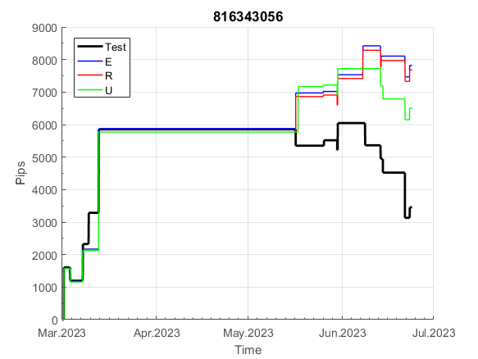
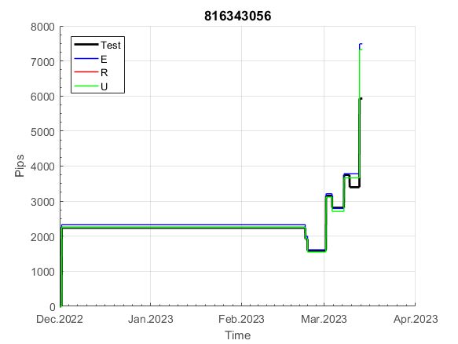
INFO | SymPer | Pip/Y | Trd/Y | RF=MaxPrf/Y/DD | PF | DD/LastDD | iDD | MO/Spred | SD | MO/SD | iRF=MaxPrf/iDD | W/L*W% | = | RISK=PF*RF | Magic | Mod | HL | HLk | TR | TRk | IN | Ik | Del | BrkBck | Inv | D | Iprice | S | P | PM1 | PM2 | Tk | TS | Out | OTr | Oprc | OD | Oprf | Wknd | A | a | AtrLim | tk | T0 | T1 | tp | start | 37987 | 37991 | 2004-01-06 | 2004-01-07 | 2004-01-08 | 2004-01-12 | 2004-01-13 | 2004-01-14 | 2004-01-15 | 2004-01-19 | 2004-01-20 | 2004-01-21 | 2004-01-22 | 2004-01-26 | 2004-01-27 | 2004-01-28 | 2004-01-29 | 2004-02-02 | 2004-02-03 | 2004-02-04 | 2004-02-05 | 2004-02-09 | 2004-02-10 | 2004-02-11 | 2004-02-12 | 2004-02-16 | 2004-02-17 | 2004-02-18 | 2004-02-19 | 2004-02-23 | 2004-02-24 | 2004-02-25 | 2004-02-26 | 2004-03-01 | 2004-03-02 | 2004-03-03 | 2004-03-04 | 2004-03-08 | 2004-03-09 | 2004-03-10 | 2004-03-11 | 2004-03-15 | 2004-03-16 | 2004-03-17 | 2004-03-18 | 2004-03-22 | 2004-03-23 | 2004-03-24 | 2004-03-25 | 2004-03-29 | 2004-03-30 | 2004-03-31 | 2004-04-01 | 2004-04-05 | 2004-04-06 | 2004-04-07 | 2004-04-08 | 2004-04-12 | 2004-04-13 | 2004-04-14 | 2004-04-15 | 2004-04-19 | 2004-04-20 | 2004-04-21 | 2004-04-22 | 2004-04-26 | 2004-04-27 | 2004-04-28 | 2004-04-29 | 2004-05-03 | 2004-05-04 | 2004-05-05 | 2004-05-06 | 2004-05-10 | 2004-05-11 | 2004-05-12 | 2004-05-13 | 2004-05-17 | 2004-05-18 | 2004-05-19 | 2004-05-20 | 2004-05-24 | 2004-05-25 | 2004-05-26 | 2004-05-27 | 2004-05-31 | 2004-06-11 | 2004-06-14 | 2004-06-15 | 2004-06-16 | 2004-06-17 | 2004-06-18 | 2004-06-21 | 2004-06-22 | 2004-06-23 | 2004-06-24 | 2004-06-25 | 2004-06-28 | 2004-06-29 | 2004-06-30 | 2004-07-01 | 2004-07-02 | 2004-07-06 | 2004-07-07 | 2004-07-08 | 2004-07-09 | 2004-07-12 | 2004-07-13 | 2004-07-14 | 2004-07-15 | 2004-07-16 | 2004-07-19 | 2004-07-20 | 2004-07-21 | 2004-07-22 | 2004-07-23 | 2004-07-26 | 2004-07-27 | 2004-07-28 | 2004-07-29 | 2004-07-30 | 2004-08-02 | 2004-08-03 | 2004-08-04 | 2004-08-05 | 2004-08-06 | 2004-08-09 | 2004-08-10 | 2004-08-11 | 2004-08-12 | 2004-08-13 | 2004-08-16 | 2004-08-17 | 2004-08-18 | 2004-08-19 | 2004-08-20 | 2004-08-23 | 2004-08-24 | 2004-08-25 | 2004-08-26 | 2004-08-27 | 2004-08-30 | 2004-08-31 | 2004-09-01 | 2004-09-02 | 2004-09-03 | 2004-09-07 | 2004-09-08 | 2004-09-09 | 2004-09-10 | 2004-09-13 | 2004-09-14 | 2004-09-15 | 2004-09-16 | 2004-09-17 | 2004-09-20 | 2004-09-21 | 2004-09-22 | 2004-09-23 | 2004-09-24 | 2004-09-27 | 2004-09-28 | 2004-09-29 | 2004-09-30 | 2004-10-01 | 2004-10-04 | 2004-10-05 | 2004-10-06 | 2004-10-07 | 2004-10-08 | 2004-10-11 | 2004-10-12 | 2004-10-13 | 2004-10-14 | 2004-10-15 | 2004-10-18 | 2004-10-19 | 2004-10-20 | 2004-10-21 | 2004-10-22 | 2004-10-25 | 2004-10-26 | 2004-10-27 | 2004-10-28 | 2004-10-29 | 2004-11-01 | 2004-11-02 | 2004-11-03 | 2004-11-04 | 2004-11-05 | 2004-11-08 | 2004-11-09 | 2004-11-10 | 2004-11-11 | 2004-11-12 | 2004-11-15 | 2004-11-16 | 2004-11-17 | 2004-11-18 | 2004-11-19 | 2004-11-22 | 2004-11-23 | 2004-11-24 | 2004-11-26 | 2004-11-29 | 2004-11-30 | 2004-12-01
FA$T200.925 2008.01.02-2023.09.05, Sprd=100, StpLev=100, Swaps=-18.17, OPT-2007.01.02-2019.12.30 | XAUUSD240 | 420 | 34 | 0.42 | 1.42 | 1038_417 | 1484 | 0.12 | 78 | 1.6 | 9 | 2.5*37 = | 94 | 0.6 | 816343056 | 2 | 5 | 3 | 0 | 9 | 8 | 2 | 1 | 0 | 0 | 5 | 3 | 2 | 5 | 0 | 1 | 0 | 0 | 0 | 0 | 1 | 0 | 1 | 1 | 15 | 4 | 0 | 0 | 1 | 3 | 2 |  | 0 | 0 | 0 | 0 | 0 | 0 | 0 | 0 | 0 | 0 | 0 | 0 | 0 | 0 | 0 | 0 | 0 | 0 | 0 | 0 | 0 | 0 | 0 | 0 | 0 | 0 | 0 | 0 | 0 | 0 | -26 | -26 | -26 | -26 | -26 | -26 | 88 | 124 | 161 | 74 | -6 | -6 | -6 | -6 | -6 | -6 | -6 | -6 | -6 | -6 | -6 | -6 | -6 | -80 | -80 | -80 | -80 | 122 | 122 | 122 | 122 | 122 | 122 | 122 | 122 | 122 | 122 | 122 | 122 | 122 | 122 | 122 | 39 | 39 | 39 | 39 | 39 | -13 | -26 | 62 | 62 | 62 | 62 | 62 | 62 | 62 | 74 | 165 | 85 | 85 | 85 | 85 | 85 | -3 | -3 | -48 | -48 | -48 | -48 | -48 | -48 | -12 | -38 | -38 | -38 | -51 | -11 | 81 | 81 | 81 | 81 | 81 | 81 | 81 | 81 | 81 | 81 | 81 | 81 | 81 | 81 | 81 | 81 | 81 | 81 | 81 | 81 | 81 | 81 | 81 | 81 | 81 | 81 | 81 | 81 | 81 | 81 | 81 | 81 | 81 | 81 | 81 | 81 | 81 | 81 | 81 | 81 | 81 | 81 | 81 | 81 | 204 | 204 | 204 | 204 | 204 | 204 | 204 | 204 | 204 | 204 | 204 | 204 | 204 | 204 | 204 | 204 | 204 | 204 | 204 | 204 | 204 | 204 | 204 | 197 | 197 | 197 | 197 | 197 | 197 | 197 | 197 | 197 | 197 | 197 | 197 | 257 | 257 | 257 | 257 | 257 | 257 | 257 | 257 | 257 | 257 | 257 | 257 | 257 | 257 | 257 | 257 | 257 | 257 | 257 | 257 | 257

 | 816343056
 | 0
 | 0
 | 0
 | 0
 | 0
 | 0
 | 0
 | 0
 | 0
 | 0
 | 0
 | 0
 | 0
 | 0
 | 0
 | 0
 | 0
 | 0
 | 0
 | 0
 | 0
 | -26
 | -26
 | -26
 | -26
 | -26
 | -26
 | 88
 | 124
 | 161
 | 74
 | -6
 | -6
 | -6
 | -6
 | -6
 | -6
 | -6
 | -6
 | -6
 | -6
 | -6
 | -6
 | -6
 | -80
 | -80
 | -80
 | -80
 | 122
 | 122
...
 |  |  |  |  |  |  |  |  |  |  |  |  |  |  |  |  |  |  |  |  |  |  |  | #DIV/0!
 |  |  |  |  |  |  |  |  |  |  |  |  |  |  |  |  |  |  |  |  |  |  |  | #DIV/0!
 |  |  |  |  |  |  |  |  |  |  |  |  |  |  |  |  |  |  |  |  |  |  |  | #DIV/0!
 |  |  |  |  |  |  |  |  |  |  |  |  |  |  |  |  |  |  |  |  |  |  |  | #DIV/0!

830
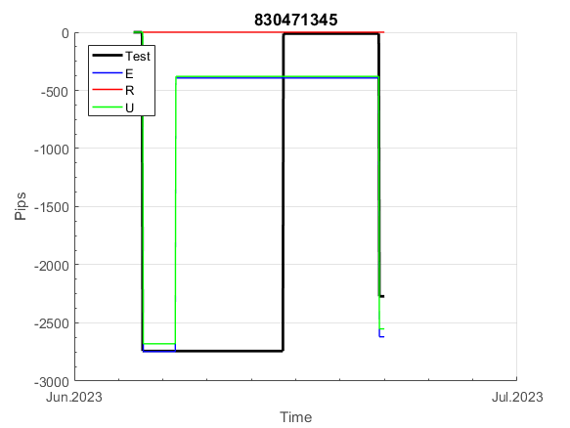
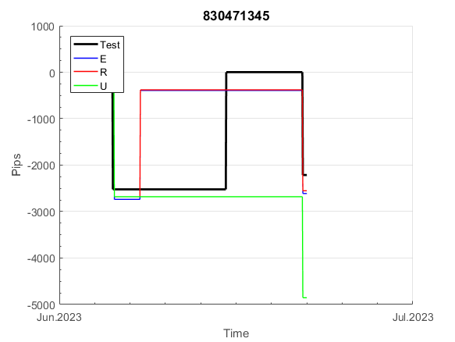
INFO | SymPer | Pip/Y | Trd/Y | RF=MaxPrf/Y/DD | PF | DD/LastDD | iDD | MO/Spred | SD | MO/SD | iRF=MaxPrf/iDD | W/L*W% | = | RISK=PF*RF | Magic | Mod | HL | HLk | TR | TRk | IN | Ik | Del | BrkBck | Inv | D | Iprice | S | P | PM1 | PM2 | Tk | TS | Out | OTr | Oprc | OD | Oprf | Wknd | A | a | AtrLim | tk | T0 | T1 | tp | start | 37987 | 37991 | 2004-01-06 | 2004-01-07 | 2004-01-08 | 2004-01-12 | 2004-01-13 | 2004-01-14 | 2004-01-15 | 2004-01-19 | 2004-01-20 | 2004-01-21 | 2004-01-22 | 2004-01-26 | 2004-01-27 | 2004-01-28 | 2004-01-29 | 2004-02-02 | 2004-02-03 | 2004-02-04 | 2004-02-05 | 2004-02-09 | 2004-02-10 | 2004-02-11 | 2004-02-12 | 2004-02-16 | 2004-02-17 | 2004-02-18 | 2004-02-19 | 2004-02-23 | 2004-02-24 | 2004-02-25 | 2004-02-26 | 2004-03-01 | 2004-03-02 | 2004-03-03 | 2004-03-04 | 2004-03-08 | 2004-03-09 | 2004-03-10 | 2004-03-11 | 2004-03-15 | 2004-03-16 | 2004-03-17 | 2004-03-18 | 2004-03-22 | 2004-03-23 | 2004-03-24 | 2004-03-25 | 2004-03-29 | 2004-03-30 | 2004-03-31 | 2004-04-01 | 2004-04-05 | 2004-04-06 | 2004-04-07 | 2004-04-08 | 2004-04-12 | 2004-04-13 | 2004-04-14 | 2004-04-15 | 2004-04-19 | 2004-04-20 | 2004-04-21 | 2004-04-22 | 2004-04-26 | 2004-04-27 | 2004-04-28 | 2004-04-29 | 2004-05-03 | 2004-05-04 | 2004-05-05 | 2004-05-06 | 2004-05-10 | 2004-05-11 | 2004-05-12 | 2004-05-13 | 2004-05-17 | 2004-05-18 | 2004-05-19 | 2004-05-20 | 2004-05-24 | 2004-05-25 | 2004-05-26 | 2004-05-27 | 2004-05-31 | 2004-06-11 | 2004-06-14 | 2004-06-15 | 2004-06-16 | 2004-06-17 | 2004-06-18 | 2004-06-21 | 2004-06-22 | 2004-06-23 | 2004-06-24 | 2004-06-25 | 2004-06-28 | 2004-06-29 | 2004-06-30 | 2004-07-01 | 2004-07-02 | 2004-07-06 | 2004-07-07 | 2004-07-08 | 2004-07-09 | 2004-07-12 | 2004-07-13 | 2004-07-14 | 2004-07-15 | 2004-07-16 | 2004-07-19 | 2004-07-20 | 2004-07-21 | 2004-07-22 | 2004-07-23 | 2004-07-26 | 2004-07-27 | 2004-07-28 | 2004-07-29 | 2004-07-30 | 2004-08-02 | 2004-08-03 | 2004-08-04 | 2004-08-05 | 2004-08-06 | 2004-08-09 | 2004-08-10 | 2004-08-11 | 2004-08-12 | 2004-08-13 | 2004-08-16 | 2004-08-17 | 2004-08-18 | 2004-08-19 | 2004-08-20 | 2004-08-23 | 2004-08-24 | 2004-08-25 | 2004-08-26 | 2004-08-27 | 2004-08-30 | 2004-08-31 | 2004-09-01 | 2004-09-02 | 2004-09-03 | 2004-09-07 | 2004-09-08 | 2004-09-09 | 2004-09-10 | 2004-09-13 | 2004-09-14 | 2004-09-15 | 2004-09-16 | 2004-09-17 | 2004-09-20 | 2004-09-21 | 2004-09-22 | 2004-09-23 | 2004-09-24 | 2004-09-27 | 2004-09-28 | 2004-09-29 | 2004-09-30 | 2004-10-01 | 2004-10-04 | 2004-10-05 | 2004-10-06 | 2004-10-07 | 2004-10-08 | 2004-10-11 | 2004-10-12 | 2004-10-13 | 2004-10-14 | 2004-10-15 | 2004-10-18 | 2004-10-19 | 2004-10-20 | 2004-10-21 | 2004-10-22 | 2004-10-25 | 2004-10-26 | 2004-10-27 | 2004-10-28 | 2004-10-29 | 2004-11-01 | 2004-11-02 | 2004-11-03 | 2004-11-04 | 2004-11-05 | 2004-11-08 | 2004-11-09 | 2004-11-10 | 2004-11-11 | 2004-11-12 | 2004-11-15 | 2004-11-16 | 2004-11-17 | 2004-11-18 | 2004-11-19 | 2004-11-22 | 2004-11-23 | 2004-11-24 | 2004-11-26 | 2004-11-29 | 2004-11-30 | 2004-12-01
FA$T200.925 2008.01.02-2023.09.05, Sprd=100, StpLev=100, Swaps=-18.17, OPT-2009.01.02-2022.01.31 | XAUUSD240 | 267 | 10 | 0.45 | 1.57 | 624_368 | 1344 | 0.26 | 127 | 2.1 | 21 | 1.8*49 = | 87 | 0.7 | 830471345 | 2 | 6 | 7 | -4 | 5 | -8 | 4 | 1 | -1 | 0 | 1 | 3 | 4 | 7 | -2 | 1 | 1 | 1 | 0 | 0 | 3 | 3 | 3 | 0 | 15 | 5 | 30 | 0 | 4 | 3 | 3 |  | 0 | 0 | 0 | 0 | 0 | 0 | 0 | 0 | 0 | 0 | 0 | 0 | 0 | 0 | 0 | 0 | 0 | 0 | 0 | 0 | 0 | 0 | 0 | 0 | 0 | 0 | 0 | 0 | 0 | 0 | 0 | 0 | 0 | 0 | 0 | 0 | 0 | 0 | 0 | 0 | 0 | 0 | 0 | 0 | 0 | 0 | 0 | 0 | 0 | 0 | 0 | 0 | 0 | 0 | 0 | 0 | 0 | 0 | 0 | 0 | 0 | 0 | 0 | 0 | 0 | 0 | 0 | 0 | 0 | 0 | 0 | 0 | 0 | 0 | 0 | 0 | 0 | 0 | 0 | 0 | 0 | 0 | 0 | 0 | 0 | 0 | 0 | 0 | 0 | 0 | 0 | 0 | 0 | 0 | 0 | -105 | -105 | -105 | -105 | -105 | -105 | -105 | -105 | -105 | -105 | -105 | -105 | -105 | -105 | -105 | -105 | -105 | -105 | -105 | -105 | -105 | -105 | -105 | -105 | -105 | -105 | -105 | -105 | -105 | -105 | -105 | -105 | -105 | -105 | -105 | -105 | -105 | -105 | -105 | -105 | -105 | -105 | -105 | -105 | -105 | -105 | -105 | -105 | -105 | -105 | -105 | -105 | -105 | -105 | -105 | -105 | -105 | -105 | -105 | -105 | -105 | -105 | -105 | -105 | -105 | -105 | -105 | -105 | -105 | -105 | -105 | -105 | -105 | -105 | -105 | -105 | -105 | -105 | -105 | -105 | -105 | -105 | -105 | -105 | -105 | -105 | -105 | -105 | -105 | -105 | -105 | -105 | -105 | -105 | -105 | -105 | -105 | -105 | -105 | -105 | -105 | -105 | -105 | -105 | -105 | -105 | -105 | -105 | -105 | -105 | -105 | -105

 | 830471345
 | 0
 | 0
 | 0
 | 0
 | 0
 | 0
 | 0
 | 0
 | 0
 | 0
 | 0
 | 0
 | 0
 | 0
 | 0
 | 0
 | 0
 | 0
 | 0
 | 0
 | 0
 | 0
 | 0
 | 0
 | 0
 | 0
 | 0
 | 0
 | 0
 | 0
 | 0
 | 0
 | 0
 | 0
 | 0
 | 0
 | 0
 | 0
 | 0
 | 0
 | 0
 | 0
 | 0
 | 0
 | 0
 | 0
 | 0
 | 0
 | 0
 | 0
...
 |  |  |  |  |  |  |  |  |  |  |  |  |  |  |  |  |  |  |  |  |  |  |  | #DIV/0!
 |  |  |  |  |  |  |  |  |  |  |  |  |  |  |  |  |  |  |  |  |  |  |  | #DIV/0!
 |  |  |  |  |  |  |  |  |  |  |  |  |  |  |  |  |  |  |  |  |  |  |  | #DIV/0!
 |  |  |  |  |  |  |  |  |  |  |  |  |  |  |  |  |  |  |  |  |  |  |  | #DIV/0!

100
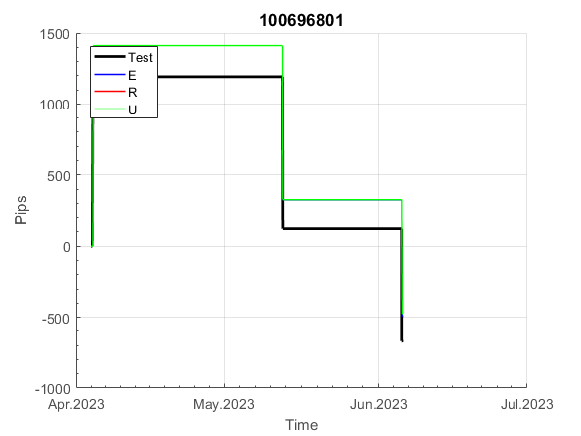
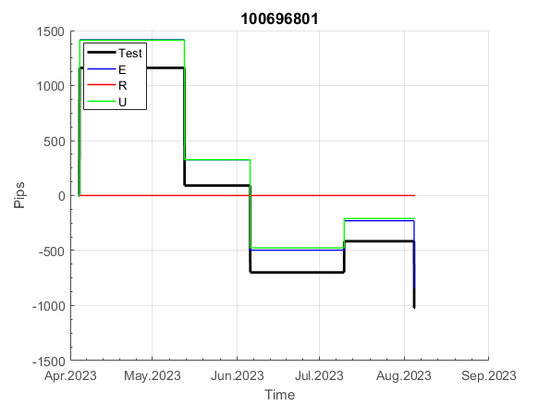
INFO | SymPer | Pip/Y | Trd/Y | RF=MaxPrf/Y/DD | PF | DD/LastDD | iDD | MO/Spred | SD | MO/SD | iRF=MaxPrf/iDD | W/L*W% | = | RISK=PF*RF | Magic | Mod | HL | HLk | TR | TRk | IN | Ik | Del | BrkBck | Inv | D | Iprice | S | P | PM1 | PM2 | Tk | TS | Out | OTr | Oprc | OD | Oprf | Wknd | A | a | AtrLim | tk | T0 | T1 | tp | start | 37987 | 37991 | 2004-01-06 | 2004-01-07 | 2004-01-08 | 2004-01-12 | 2004-01-13 | 2004-01-14 | 2004-01-15 | 2004-01-19 | 2004-01-20 | 2004-01-21 | 2004-01-22 | 2004-01-26 | 2004-01-27 | 2004-01-28 | 2004-01-29 | 2004-02-02 | 2004-02-03 | 2004-02-04 | 2004-02-05 | 2004-02-09 | 2004-02-10 | 2004-02-11 | 2004-02-12 | 2004-02-16 | 2004-02-17 | 2004-02-18 | 2004-02-19 | 2004-02-23 | 2004-02-24 | 2004-02-25 | 2004-02-26 | 2004-03-01 | 2004-03-02 | 2004-03-03 | 2004-03-04 | 2004-03-08 | 2004-03-09 | 2004-03-10 | 2004-03-11 | 2004-03-15 | 2004-03-16 | 2004-03-17 | 2004-03-18 | 2004-03-22 | 2004-03-23 | 2004-03-24 | 2004-03-25 | 2004-03-29 | 2004-03-30 | 2004-03-31 | 2004-04-01 | 2004-04-05 | 2004-04-06 | 2004-04-07 | 2004-04-08 | 2004-04-12 | 2004-04-13 | 2004-04-14 | 2004-04-15 | 2004-04-19 | 2004-04-20 | 2004-04-21 | 2004-04-22 | 2004-04-26 | 2004-04-27 | 2004-04-28 | 2004-04-29 | 2004-05-03 | 2004-05-04 | 2004-05-05 | 2004-05-06 | 2004-05-10 | 2004-05-11 | 2004-05-12 | 2004-05-13 | 2004-05-17 | 2004-05-18 | 2004-05-19 | 2004-05-20 | 2004-05-24 | 2004-05-25 | 2004-05-26 | 2004-05-27 | 2004-05-31 | 2004-06-11 | 2004-06-14 | 2004-06-15 | 2004-06-16 | 2004-06-17 | 2004-06-18 | 2004-06-21 | 2004-06-22 | 2004-06-23 | 2004-06-24 | 2004-06-25 | 2004-06-28 | 2004-06-29 | 2004-06-30 | 2004-07-01 | 2004-07-02 | 2004-07-06 | 2004-07-07 | 2004-07-08 | 2004-07-09 | 2004-07-12 | 2004-07-13 | 2004-07-14 | 2004-07-15 | 2004-07-16 | 2004-07-19 | 2004-07-20 | 2004-07-21 | 2004-07-22 | 2004-07-23 | 2004-07-26 | 2004-07-27 | 2004-07-28 | 2004-07-29 | 2004-07-30 | 2004-08-02 | 2004-08-03 | 2004-08-04 | 2004-08-05 | 2004-08-06 | 2004-08-09 | 2004-08-10 | 2004-08-11 | 2004-08-12 | 2004-08-13 | 2004-08-16 | 2004-08-17 | 2004-08-18 | 2004-08-19 | 2004-08-20 | 2004-08-23 | 2004-08-24 | 2004-08-25 | 2004-08-26 | 2004-08-27 | 2004-08-30 | 2004-08-31 | 2004-09-01 | 2004-09-02 | 2004-09-03 | 2004-09-07 | 2004-09-08 | 2004-09-09 | 2004-09-10 | 2004-09-13 | 2004-09-14 | 2004-09-15 | 2004-09-16 | 2004-09-17 | 2004-09-20 | 2004-09-21 | 2004-09-22 | 2004-09-23 | 2004-09-24 | 2004-09-27 | 2004-09-28 | 2004-09-29 | 2004-09-30 | 2004-10-01 | 2004-10-04 | 2004-10-05 | 2004-10-06 | 2004-10-07 | 2004-10-08 | 2004-10-11 | 2004-10-12 | 2004-10-13 | 2004-10-14 | 2004-10-15 | 2004-10-18 | 2004-10-19 | 2004-10-20 | 2004-10-21 | 2004-10-22 | 2004-10-25 | 2004-10-26 | 2004-10-27 | 2004-10-28 | 2004-10-29 | 2004-11-01 | 2004-11-02 | 2004-11-03 | 2004-11-04 | 2004-11-05 | 2004-11-08 | 2004-11-09 | 2004-11-10 | 2004-11-11 | 2004-11-12 | 2004-11-15 | 2004-11-16 | 2004-11-17 | 2004-11-18 | 2004-11-19 | 2004-11-22 | 2004-11-23 | 2004-11-24 | 2004-11-26 | 2004-11-29 | 2004-11-30 | 2004-12-01
FA$T200.925 2008.01.02-2023.09.05, Sprd=100, StpLev=100, Swaps=-18.17, OPT-2010.01.04-2021.12.30 | XAUUSD60 | 327 | 13 | 0.61 | 1.67 | 562_311 | 1426 | 0.26 | 118 | 2.2 | 19 | 2.5*43 = | 108 | 1 | 100696801 | 2 | 1 | 4 | -8 | 4 | 8 | 1 | 2 | -5 | 0 | -5 | 1 | 3 | 7 | 0 | 0 | -4 | 0 | 0 | -1 | 3 | 3 | 0 | 0 | 15 | 5 | 0 | 0 | 0 | 7 | 3 |  | 0 | 0 | 0 | 0 | 0 | 0 | 0 | 0 | 0 | 0 | 0 | 0 | 0 | 0 | 0 | 0 | 0 | 0 | 0 | 0 | 0 | 0 | 0 | 0 | 0 | 0 | 0 | 0 | 0 | -68 | -92 | -92 | -92 | -92 | -92 | -92 | -92 | -92 | -92 | -92 | -92 | -92 | -92 | -92 | -92 | -92 | -92 | -92 | -92 | -92 | -92 | -92 | -92 | -92 | -92 | -92 | -162 | -162 | -162 | -162 | -162 | -162 | -162 | -162 | -249 | -249 | -249 | -249 | -249 | -249 | -249 | -249 | -249 | -249 | -249 | -249 | -249 | -249 | -249 | -249 | -249 | -249 | -249 | -249 | -249 | -249 | -249 | -249 | -249 | -249 | -249 | -249 | -249 | -249 | -249 | -249 | -249 | -258 | -197 | -156 | -156 | -156 | -156 | -156 | -156 | -156 | -156 | -156 | -156 | -156 | -156 | -156 | -156 | -156 | -156 | -156 | -156 | -156 | -156 | -156 | -156 | -156 | -156 | -156 | -156 | -156 | -156 | -207 | -207 | -207 | -207 | -207 | -207 | -207 | -207 | -207 | -207 | -207 | -207 | -207 | -207 | -207 | -207 | -207 | -207 | -207 | -207 | -207 | -207 | -207 | -207 | -274 | -274 | -274 | -274 | -274 | -274 | -274 | -274 | -274 | -274 | -274 | -274 | -274 | -274 | -274 | -274 | -274 | -274 | -274 | -274 | -274 | -274 | -274 | -274 | -274 | -342 | -342 | -342 | -342 | -342 | -342 | -342 | -342 | -342 | -342 | -342 | -342 | -342 | -342 | -342 | -342 | -342 | -342 | -342 | -342 | -342 | -342 | -342 | -342 | -342 | -342 | -342 | -342 | -342 | -342 | -342

 | 100696801
 | 0
 | 0
 | 0
 | 0
 | 0
 | 0
 | 0
 | 0
 | 0
 | 0
 | 0
 | 0
 | 0
 | 0
 | 0
 | 0
 | 0
 | 0
 | 0
 | 0
 | -68
 | -92
 | -92
 | -92
 | -92
 | -92
 | -92
 | -92
 | -92
 | -92
 | -92
 | -92
 | -92
 | -92
 | -92
 | -92
 | -92
 | -92
 | -92
 | -92
 | -92
 | -92
 | -92
 | -92
 | -92
 | -92
 | -92
 | -162
 | -162
 | -162
...
 |  |  |  |  |  |  |  |  |  |  |  |  |  |  |  |  |  |  |  |  |  |  |  | #DIV/0!
 |  |  |  |  |  |  |  |  |  |  |  |  |  |  |  |  |  |  |  |  |  |  |  | #DIV/0!
 |  |  |  |  |  |  |  |  |  |  |  |  |  |  |  |  |  |  |  |  |  |  |  | #DIV/0!
 |  |  |  |  |  |  |  |  |  |  |  |  |  |  |  |  |  |  |  |  |  |  |  | #DIV/0!

110
INFO | SymPer | Pip/Y | Trd/Y | RF=MaxPrf/Y/DD | PF | DD/LastDD | iDD | MO/Spred | SD | MO/SD | iRF=MaxPrf/iDD | W/L*W% | = | RISK=PF*RF | Magic | Mod | HL | HLk | TR | TRk | IN | Ik | Del | BrkBck | Inv | D | Iprice | S | P | PM1 | PM2 | Tk | TS | Out | OTr | Oprc | OD | Oprf | Wknd | A | a | AtrLim | tk | T0 | T1 | tp | start | 37987 | 37991 | 2004-01-06 | 2004-01-07 | 2004-01-08 | 2004-01-12 | 2004-01-13 | 2004-01-14 | 2004-01-15 | 2004-01-19 | 2004-01-20 | 2004-01-21 | 2004-01-22 | 2004-01-26 | 2004-01-27 | 2004-01-28 | 2004-01-29 | 2004-02-02 | 2004-02-03 | 2004-02-04 | 2004-02-05 | 2004-02-09 | 2004-02-10 | 2004-02-11 | 2004-02-12 | 2004-02-16 | 2004-02-17 | 2004-02-18 | 2004-02-19 | 2004-02-23 | 2004-02-24 | 2004-02-25 | 2004-02-26 | 2004-03-01 | 2004-03-02 | 2004-03-03 | 2004-03-04 | 2004-03-08 | 2004-03-09 | 2004-03-10 | 2004-03-11 | 2004-03-15 | 2004-03-16 | 2004-03-17 | 2004-03-18 | 2004-03-22 | 2004-03-23 | 2004-03-24 | 2004-03-25 | 2004-03-29 | 2004-03-30 | 2004-03-31 | 2004-04-01 | 2004-04-05 | 2004-04-06 | 2004-04-07 | 2004-04-08 | 2004-04-12 | 2004-04-13 | 2004-04-14 | 2004-04-15 | 2004-04-19 | 2004-04-20 | 2004-04-21 | 2004-04-22 | 2004-04-26 | 2004-04-27 | 2004-04-28 | 2004-04-29 | 2004-05-03 | 2004-05-04 | 2004-05-05 | 2004-05-06 | 2004-05-10 | 2004-05-11 | 2004-05-12 | 2004-05-13 | 2004-05-17 | 2004-05-18 | 2004-05-19 | 2004-05-20 | 2004-05-24 | 2004-05-25 | 2004-05-26 | 2004-05-27 | 2004-05-31 | 2004-06-11 | 2004-06-14 | 2004-06-15 | 2004-06-16 | 2004-06-17 | 2004-06-18 | 2004-06-21 | 2004-06-22 | 2004-06-23 | 2004-06-24 | 2004-06-25 | 2004-06-28 | 2004-06-29 | 2004-06-30 | 2004-07-01 | 2004-07-02 | 2004-07-06 | 2004-07-07 | 2004-07-08 | 2004-07-09 | 2004-07-12 | 2004-07-13 | 2004-07-14 | 2004-07-15 | 2004-07-16 | 2004-07-19 | 2004-07-20 | 2004-07-21 | 2004-07-22 | 2004-07-23 | 2004-07-26 | 2004-07-27 | 2004-07-28 | 2004-07-29 | 2004-07-30 | 2004-08-02 | 2004-08-03 | 2004-08-04 | 2004-08-05 | 2004-08-06 | 2004-08-09 | 2004-08-10 | 2004-08-11 | 2004-08-12 | 2004-08-13 | 2004-08-16 | 2004-08-17 | 2004-08-18 | 2004-08-19 | 2004-08-20 | 2004-08-23 | 2004-08-24 | 2004-08-25 | 2004-08-26 | 2004-08-27 | 2004-08-30 | 2004-08-31 | 2004-09-01 | 2004-09-02 | 2004-09-03 | 2004-09-07 | 2004-09-08 | 2004-09-09 | 2004-09-10 | 2004-09-13 | 2004-09-14 | 2004-09-15 | 2004-09-16 | 2004-09-17 | 2004-09-20 | 2004-09-21 | 2004-09-22 | 2004-09-23 | 2004-09-24 | 2004-09-27 | 2004-09-28 | 2004-09-29 | 2004-09-30 | 2004-10-01 | 2004-10-04 | 2004-10-05 | 2004-10-06 | 2004-10-07 | 2004-10-08 | 2004-10-11 | 2004-10-12 | 2004-10-13 | 2004-10-14 | 2004-10-15 | 2004-10-18 | 2004-10-19 | 2004-10-20 | 2004-10-21 | 2004-10-22 | 2004-10-25 | 2004-10-26 | 2004-10-27 | 2004-10-28 | 2004-10-29 | 2004-11-01 | 2004-11-02 | 2004-11-03 | 2004-11-04 | 2004-11-05 | 2004-11-08 | 2004-11-09 | 2004-11-10 | 2004-11-11 | 2004-11-12 | 2004-11-15 | 2004-11-16 | 2004-11-17 | 2004-11-18 | 2004-11-19 | 2004-11-22 | 2004-11-23 | 2004-11-24 | 2004-11-26 | 2004-11-29 | 2004-11-30 | 2004-12-01
FA$T200.925 2008.01.02-2023.09.05, Sprd=100, StpLev=100, Swaps=-18.17, OPT-2010.01.04-2021.12.30 | XAUUSD60 | 288 | 8 | 0.2 | 1.48 | 1408_0 | 2601 | 0.36 | 203 | 1.8 | 14 | 1.7*50 = | 85 | 0.3 | 1100805552 | 2 | 5 | 8 | 5 | 4 | 8 | 5 | 1 | 0 | 0 | 4 | 2 | 5 | 8 | -2 | 4 | 3 | 0 | 0 | 0 | 1 | 2 | -3 | 0 | 15 | 2 | 20 | 0 | 4 | 8 | 0 |  | 0 | 0 | 20 | 51 | 27 | 39 | 63 | 63 | 63 | 63 | 63 | 63 | 63 | 63 | 63 | 63 | 63 | 63 | 63 | 63 | 63 | 63 | 63 | 63 | 63 | 63 | 63 | 63 | 63 | 63 | 63 | 63 | 63 | 63 | 63 | 41 | 1 | 201 | 215 | 151 | 87 | 297 | 333 | 333 | 333 | 333 | 333 | 333 | 333 | 333 | 333 | 333 | 333 | 333 | 170 | 170 | 170 | 170 | 170 | 170 | 170 | 170 | 170 | 170 | 170 | 147 | 78 | 56 | 7 | 7 | 7 | 7 | 7 | 7 | 7 | 7 | 7 | 7 | 7 | 7 | 7 | 7 | 7 | 7 | 7 | 7 | 7 | 7 | 7 | 7 | 7 | 7 | 7 | 7 | 7 | 7 | 7 | 7 | 7 | 7 | 7 | 7 | 7 | 7 | 7 | 7 | 7 | 7 | 7 | 7 | 7 | 7 | 7 | 7 | 7 | 7 | 7 | 7 | 7 | 7 | 7 | 7 | 7 | 7 | 7 | 7 | 7 | 7 | 7 | 7 | 7 | 7 | 7 | 7 | 7 | 7 | 7 | -15 | -36 | 99 | -23 | -71 | -83 | -65 | -174 | -174 | -174 | -174 | -174 | -174 | -174 | -174 | -174 | -174 | -174 | -174 | -174 | -174 | -184 | -41 | -68 | -127 | 176 | 217 | 217 | 217 | 217 | 217 | 217 | 217 | 217 | 217 | 217 | 217 | 217 | 217 | 217 | 217 | 217 | 217 | 217 | 217 | 217 | 217 | 217 | 217 | 217 | 217 | 217 | 217 | 217 | 217 | 217 | 217 | 217 | 217 | 217 | 217 | 217 | 217 | 217 | 217 | 217 | 217 | 217 | 217 | 166

 | 1100805552
 | 63
 | 63
 | 63
 | 63
 | 63
 | 63
 | 63
 | 63
 | 63
 | 63
 | 63
 | 63
 | 63
 | 63
 | 63
 | 63
 | 63
 | 63
 | 63
 | 63
 | 63
 | 63
 | 63
 | 63
 | 63
 | 63
 | 41
 | 1
 | 201
 | 215
 | 151
 | 87
 | 297
 | 333
 | 333
 | 333
 | 333
 | 333
 | 333
 | 333
 | 333
 | 333
 | 333
 | 333
 | 333
 | 170
 | 170
 | 170
 | 170
 | 170
...
 |  |  |  |  |  |  |  |  |  |  |  |  |  |  |  |  |  |  |  |  |  |  |  | #DIV/0!
 |  |  |  |  |  |  |  |  |  |  |  |  |  |  |  |  |  |  |  |  |  |  |  | #DIV/0!
 |  |  |  |  |  |  |  |  |  |  |  |  |  |  |  |  |  |  |  |  |  |  |  | #DIV/0!
 |  |  |  |  |  |  |  |  |  |  |  |  |  |  |  |  |  |  |  |  |  |  |  | #DIV/0!

121
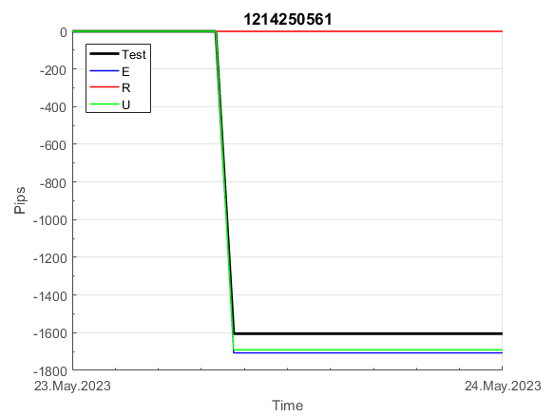
INFO | SymPer | Pip/Y | Trd/Y | RF=MaxPrf/Y/DD | PF | DD/LastDD | iDD | MO/Spred | SD | MO/SD | iRF=MaxPrf/iDD | W/L*W% | = | RISK=PF*RF | Magic | Mod | HL | HLk | TR | TRk | IN | Ik | Del | BrkBck | Inv | D | Iprice | S | P | PM1 | PM2 | Tk | TS | Out | OTr | Oprc | OD | Oprf | Wknd | A | a | AtrLim | tk | T0 | T1 | tp | start | 37987 | 37991 | 2004-01-06 | 2004-01-07 | 2004-01-08 | 2004-01-12 | 2004-01-13 | 2004-01-14 | 2004-01-15 | 2004-01-19 | 2004-01-20 | 2004-01-21 | 2004-01-22 | 2004-01-26 | 2004-01-27 | 2004-01-28 | 2004-01-29 | 2004-02-02 | 2004-02-03 | 2004-02-04 | 2004-02-05 | 2004-02-09 | 2004-02-10 | 2004-02-11 | 2004-02-12 | 2004-02-16 | 2004-02-17 | 2004-02-18 | 2004-02-19 | 2004-02-23 | 2004-02-24 | 2004-02-25 | 2004-02-26 | 2004-03-01 | 2004-03-02 | 2004-03-03 | 2004-03-04 | 2004-03-08 | 2004-03-09 | 2004-03-10 | 2004-03-11 | 2004-03-15 | 2004-03-16 | 2004-03-17 | 2004-03-18 | 2004-03-22 | 2004-03-23 | 2004-03-24 | 2004-03-25 | 2004-03-29 | 2004-03-30 | 2004-03-31 | 2004-04-01 | 2004-04-05 | 2004-04-06 | 2004-04-07 | 2004-04-08 | 2004-04-12 | 2004-04-13 | 2004-04-14 | 2004-04-15 | 2004-04-19 | 2004-04-20 | 2004-04-21 | 2004-04-22 | 2004-04-26 | 2004-04-27 | 2004-04-28 | 2004-04-29 | 2004-05-03 | 2004-05-04 | 2004-05-05 | 2004-05-06 | 2004-05-10 | 2004-05-11 | 2004-05-12 | 2004-05-13 | 2004-05-17 | 2004-05-18 | 2004-05-19 | 2004-05-20 | 2004-05-24 | 2004-05-25 | 2004-05-26 | 2004-05-27 | 2004-05-31 | 2004-06-11 | 2004-06-14 | 2004-06-15 | 2004-06-16 | 2004-06-17 | 2004-06-18 | 2004-06-21 | 2004-06-22 | 2004-06-23 | 2004-06-24 | 2004-06-25 | 2004-06-28 | 2004-06-29 | 2004-06-30 | 2004-07-01 | 2004-07-02 | 2004-07-06 | 2004-07-07 | 2004-07-08 | 2004-07-09 | 2004-07-12 | 2004-07-13 | 2004-07-14 | 2004-07-15 | 2004-07-16 | 2004-07-19 | 2004-07-20 | 2004-07-21 | 2004-07-22 | 2004-07-23 | 2004-07-26 | 2004-07-27 | 2004-07-28 | 2004-07-29 | 2004-07-30 | 2004-08-02 | 2004-08-03 | 2004-08-04 | 2004-08-05 | 2004-08-06 | 2004-08-09 | 2004-08-10 | 2004-08-11 | 2004-08-12 | 2004-08-13 | 2004-08-16 | 2004-08-17 | 2004-08-18 | 2004-08-19 | 2004-08-20 | 2004-08-23 | 2004-08-24 | 2004-08-25 | 2004-08-26 | 2004-08-27 | 2004-08-30 | 2004-08-31 | 2004-09-01 | 2004-09-02 | 2004-09-03 | 2004-09-07 | 2004-09-08 | 2004-09-09 | 2004-09-10 | 2004-09-13 | 2004-09-14 | 2004-09-15 | 2004-09-16 | 2004-09-17 | 2004-09-20 | 2004-09-21 | 2004-09-22 | 2004-09-23 | 2004-09-24 | 2004-09-27 | 2004-09-28 | 2004-09-29 | 2004-09-30 | 2004-10-01 | 2004-10-04 | 2004-10-05 | 2004-10-06 | 2004-10-07 | 2004-10-08 | 2004-10-11 | 2004-10-12 | 2004-10-13 | 2004-10-14 | 2004-10-15 | 2004-10-18 | 2004-10-19 | 2004-10-20 | 2004-10-21 | 2004-10-22 | 2004-10-25 | 2004-10-26 | 2004-10-27 | 2004-10-28 | 2004-10-29 | 2004-11-01 | 2004-11-02 | 2004-11-03 | 2004-11-04 | 2004-11-05 | 2004-11-08 | 2004-11-09 | 2004-11-10 | 2004-11-11 | 2004-11-12 | 2004-11-15 | 2004-11-16 | 2004-11-17 | 2004-11-18 | 2004-11-19 | 2004-11-22 | 2004-11-23 | 2004-11-24 | 2004-11-26 | 2004-11-29 | 2004-11-30 | 2004-12-01
FA$T200.925 2008.01.02-2023.09.05, Sprd=100, StpLev=100, Swaps=-18.17, OPT-2009.01.02-2022.01.31 | XAUUSD60 | 1072 | 17 | 0.65 | 1.68 | 1674_164 | 3168 | 0.64 | 264 | 2.4 | 20 | 1.5*56 = | 82 | 1.1 | 1214250561 | 2 | 4 | 4 | 3 | 1 | 8 | 6 | 1 | -1 | 0 | 2 | 3 | 4 | 5 | 0 | 0 | -4 | 0 | 0 | 0 | 2 | 3 | 3 | 0 | 15 | 5 | 20 | 0 | 3 | 8 | 1 |  | 0 | 0 | 0 | -18 | -42 | -30 | 98 | 12 | -19 | 9 | 206 | 206 | 206 | 206 | 206 | 206 | 206 | 206 | 206 | 206 | 206 | 206 | 206 | 206 | 206 | 206 | 206 | 206 | 206 | 206 | 206 | 206 | 206 | 206 | 206 | 206 | 206 | 200 | 196 | 132 | 68 | 278 | 411 | 411 | 411 | 411 | 411 | 411 | 324 | 287 | 287 | 287 | 287 | 287 | 287 | 189 | 336 | 402 | 503 | 421 | 300 | 145 | 154 | 197 | 305 | 510 | 782 | 825 | 805 | 671 | 699 | 606 | 577 | 656 | 680 | 617 | 503 | 471 | 518 | 736 | 763 | 778 | 936 | 1069 | 1052 | 1072 | 1220 | 1197 | 1421 | 1421 | 1421 | 1421 | 1421 | 1421 | 1421 | 1388 | 1340 | 1343 | 1518 | 1652 | 1652 | 1652 | 1652 | 1652 | 1652 | 1652 | 1652 | 1652 | 1652 | 1652 | 1652 | 1652 | 1652 | 1644 | 1618 | 1425 | 1425 | 1425 | 1425 | 1425 | 1425 | 1425 | 1425 | 1425 | 1425 | 1425 | 1425 | 1425 | 1425 | 1425 | 1425 | 1425 | 1425 | 1425 | 1425 | 1425 | 1425 | 1425 | 1425 | 1425 | 1288 | 1288 | 1288 | 1288 | 1288 | 1288 | 1288 | 1288 | 1288 | 1288 | 1288 | 1288 | 1288 | 1288 | 1288 | 1288 | 1288 | 1252 | 1193 | 1393 | 1272 | 1213 | 1516 | 1630 | 1513 | 1494 | 1487 | 1487 | 1487 | 1487 | 1487 | 1487 | 1487 | 1487 | 1487 | 1487 | 1487 | 1487 | 1487 | 1487 | 1487 | 1494 | 1404 | 1329 | 1329 | 1329 | 1049 | 891 | 1257 | 1495 | 1394 | 1273 | 1265 | 1279 | 1229 | 1283 | 925 | 845 | 828 | 1161 | 1358 | 1367 | 901 | 840 | 880 | 880 | 592

 | 1214250561
 | 9
 | 206
 | 206
 | 206
 | 206
 | 206
 | 206
 | 206
 | 206
 | 206
 | 206
 | 206
 | 206
 | 206
 | 206
 | 206
 | 206
 | 206
 | 206
 | 206
 | 206
 | 206
 | 206
 | 206
 | 206
 | 206
 | 206
 | 206
 | 200
 | 196
 | 132
 | 68
 | 278
 | 411
 | 411
 | 411
 | 411
 | 411
 | 411
 | 324
 | 287
 | 287
 | 287
 | 287
 | 287
 | 287
 | 189
 | 336
 | 402
 | 503
...
 |  |  |  |  |  |  |  |  |  |  |  |  |  |  |  |  |  |  |  |  |  |  |  | #DIV/0!
 |  |  |  |  |  |  |  |  |  |  |  |  |  |  |  |  |  |  |  |  |  |  |  | #DIV/0!
 |  |  |  |  |  |  |  |  |  |  |  |  |  |  |  |  |  |  |  |  |  |  |  | #DIV/0!
 |  |  |  |  |  |  |  |  |  |  |  |  |  |  |  |  |  |  |  |  |  |  |  | #DIV/0!

137
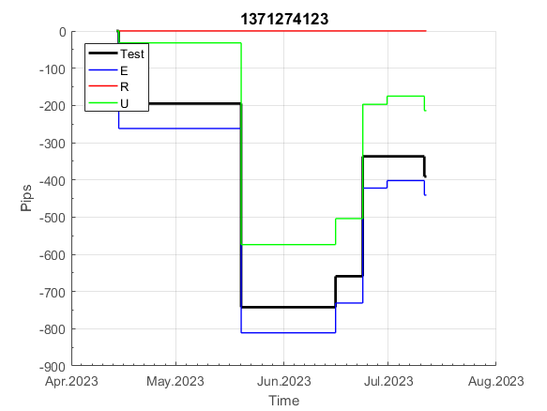
INFO | SymPer | Pip/Y | Trd/Y | RF=MaxPrf/Y/DD | PF | DD/LastDD | iDD | MO/Spred | SD | MO/SD | iRF=MaxPrf/iDD | W/L*W% | = | RISK=PF*RF | Magic | Mod | HL | HLk | TR | TRk | IN | Ik | Del | BrkBck | Inv | D | Iprice | S | P | PM1 | PM2 | Tk | TS | Out | OTr | Oprc | OD | Oprf | Wknd | A | a | AtrLim | tk | T0 | T1 | tp | start | 37987 | 37991 | 2004-01-06 | 2004-01-07 | 2004-01-08 | 2004-01-12 | 2004-01-13 | 2004-01-14 | 2004-01-15 | 2004-01-19 | 2004-01-20 | 2004-01-21 | 2004-01-22 | 2004-01-26 | 2004-01-27 | 2004-01-28 | 2004-01-29 | 2004-02-02 | 2004-02-03 | 2004-02-04 | 2004-02-05 | 2004-02-09 | 2004-02-10 | 2004-02-11 | 2004-02-12 | 2004-02-16 | 2004-02-17 | 2004-02-18 | 2004-02-19 | 2004-02-23 | 2004-02-24 | 2004-02-25 | 2004-02-26 | 2004-03-01 | 2004-03-02 | 2004-03-03 | 2004-03-04 | 2004-03-08 | 2004-03-09 | 2004-03-10 | 2004-03-11 | 2004-03-15 | 2004-03-16 | 2004-03-17 | 2004-03-18 | 2004-03-22 | 2004-03-23 | 2004-03-24 | 2004-03-25 | 2004-03-29 | 2004-03-30 | 2004-03-31 | 2004-04-01 | 2004-04-05 | 2004-04-06 | 2004-04-07 | 2004-04-08 | 2004-04-12 | 2004-04-13 | 2004-04-14 | 2004-04-15 | 2004-04-19 | 2004-04-20 | 2004-04-21 | 2004-04-22 | 2004-04-26 | 2004-04-27 | 2004-04-28 | 2004-04-29 | 2004-05-03 | 2004-05-04 | 2004-05-05 | 2004-05-06 | 2004-05-10 | 2004-05-11 | 2004-05-12 | 2004-05-13 | 2004-05-17 | 2004-05-18 | 2004-05-19 | 2004-05-20 | 2004-05-24 | 2004-05-25 | 2004-05-26 | 2004-05-27 | 2004-05-31 | 2004-06-11 | 2004-06-14 | 2004-06-15 | 2004-06-16 | 2004-06-17 | 2004-06-18 | 2004-06-21 | 2004-06-22 | 2004-06-23 | 2004-06-24 | 2004-06-25 | 2004-06-28 | 2004-06-29 | 2004-06-30 | 2004-07-01 | 2004-07-02 | 2004-07-06 | 2004-07-07 | 2004-07-08 | 2004-07-09 | 2004-07-12 | 2004-07-13 | 2004-07-14 | 2004-07-15 | 2004-07-16 | 2004-07-19 | 2004-07-20 | 2004-07-21 | 2004-07-22 | 2004-07-23 | 2004-07-26 | 2004-07-27 | 2004-07-28 | 2004-07-29 | 2004-07-30 | 2004-08-02 | 2004-08-03 | 2004-08-04 | 2004-08-05 | 2004-08-06 | 2004-08-09 | 2004-08-10 | 2004-08-11 | 2004-08-12 | 2004-08-13 | 2004-08-16 | 2004-08-17 | 2004-08-18 | 2004-08-19 | 2004-08-20 | 2004-08-23 | 2004-08-24 | 2004-08-25 | 2004-08-26 | 2004-08-27 | 2004-08-30 | 2004-08-31 | 2004-09-01 | 2004-09-02 | 2004-09-03 | 2004-09-07 | 2004-09-08 | 2004-09-09 | 2004-09-10 | 2004-09-13 | 2004-09-14 | 2004-09-15 | 2004-09-16 | 2004-09-17 | 2004-09-20 | 2004-09-21 | 2004-09-22 | 2004-09-23 | 2004-09-24 | 2004-09-27 | 2004-09-28 | 2004-09-29 | 2004-09-30 | 2004-10-01 | 2004-10-04 | 2004-10-05 | 2004-10-06 | 2004-10-07 | 2004-10-08 | 2004-10-11 | 2004-10-12 | 2004-10-13 | 2004-10-14 | 2004-10-15 | 2004-10-18 | 2004-10-19 | 2004-10-20 | 2004-10-21 | 2004-10-22 | 2004-10-25 | 2004-10-26 | 2004-10-27 | 2004-10-28 | 2004-10-29 | 2004-11-01 | 2004-11-02 | 2004-11-03 | 2004-11-04 | 2004-11-05 | 2004-11-08 | 2004-11-09 | 2004-11-10 | 2004-11-11 | 2004-11-12 | 2004-11-15 | 2004-11-16 | 2004-11-17 | 2004-11-18 | 2004-11-19 | 2004-11-22 | 2004-11-23 | 2004-11-24 | 2004-11-26 | 2004-11-29 | 2004-11-30 | 2004-12-01
FA$T200.925 2008.01.02-2023.09.05, Sprd=100, StpLev=100, Swaps=-18.17, OPT-2010.01.04-2021.12.30 | XAUUSD60 | 277 | 12 | 0.46 | 3.63 | 612_42 | 418 | 0.23 | 44 | 5.1 | 54 | 2.1*61 = | 129 | 1.7 | 1371274123 | 2 | 2 | 4 | -5 | 2 | 0 | 3 | 2 | 0 | 0 | -1 | 2 | -2 | 6 | -3 | 4 | 3 | 1 | 0 | -1 | 3 | 0 | -2 | 2 | 15 | 5 | 0 | 2 | 8 | 5 | 1 |  | 0 | 0 | 0 | 0 | 0 | 0 | 0 | 0 | 85 | 85 | 85 | 85 | 85 | 85 | 85 | 85 | 164 | 164 | 164 | 164 | 164 | 164 | 167 | 167 | 279 | 279 | 279 | 279 | 279 | 279 | 279 | 279 | 279 | 279 | 279 | 279 | 265 | 277 | 277 | 277 | 277 | 277 | 277 | 277 | 277 | 277 | 253 | 313 | 313 | 313 | 313 | 313 | 313 | 313 | 240 | 260 | 321 | 321 | 321 | 321 | 321 | 321 | 321 | 321 | 321 | 321 | 318 | 318 | 318 | 318 | 318 | 318 | 318 | 318 | 318 | 318 | 318 | 318 | 318 | 318 | 318 | 318 | 318 | 318 | 318 | 318 | 318 | 318 | 318 | 318 | 318 | 318 | 318 | 318 | 318 | 318 | 318 | 318 | 318 | 318 | 292 | 297 | 297 | 297 | 297 | 297 | 297 | 297 | 297 | 297 | 297 | 297 | 297 | 297 | 297 | 297 | 297 | 297 | 297 | 297 | 297 | 297 | 297 | 297 | 297 | 297 | 297 | 297 | 193 | 135 | 135 | 135 | 135 | 135 | 135 | 135 | 135 | 135 | 135 | 135 | 135 | -106 | -118 | -100 | 0 | 82 | 82 | 82 | 82 | 82 | 82 | 82 | 82 | 82 | 82 | 82 | 82 | 82 | 82 | 82 | 82 | 82 | 82 | 82 | 82 | 82 | 82 | 82 | 82 | 82 | 82 | 82 | 82 | 82 | 82 | 82 | 82 | -100 | 49 | 83 | 83 | 83 | 83 | 83 | 83 | 83 | 83 | 83 | 83 | 83 | 83 | 83 | -191 | -290 | -5 | 123 | 123 | 123 | 123 | 123 | 123 | 45 | 80 | 612 | 612 | 612 | 612

 | 1371274123
 | 85
 | 85
 | 85
 | 85
 | 85
 | 85
 | 85
 | 164
 | 164
 | 164
 | 164
 | 164
 | 164
 | 167
 | 167
 | 279
 | 279
 | 279
 | 279
 | 279
 | 279
 | 279
 | 279
 | 279
 | 279
 | 279
 | 279
 | 265
 | 277
 | 277
 | 277
 | 277
 | 277
 | 277
 | 277
 | 277
 | 277
 | 253
 | 313
 | 313
 | 313
 | 313
 | 313
 | 313
 | 313
 | 240
 | 260
 | 321
 | 321
 | 321
...
 |  |  |  |  |  |  |  |  |  |  |  |  |  |  |  |  |  |  |  |  |  |  |  | #DIV/0!
 |  |  |  |  |  |  |  |  |  |  |  |  |  |  |  |  |  |  |  |  |  |  |  | #DIV/0!
 |  |  |  |  |  |  |  |  |  |  |  |  |  |  |  |  |  |  |  |  |  |  |  | #DIV/0!
 |  |  |  |  |  |  |  |  |  |  |  |  |  |  |  |  |  |  |  |  |  |  |  | #DIV/0!

158
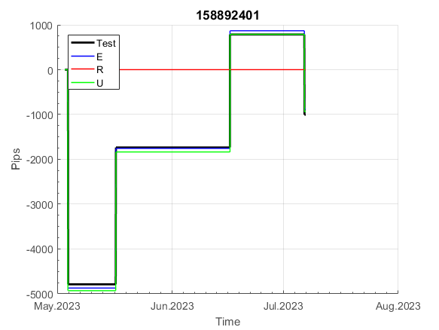
INFO | SymPer | Pip/Y | Trd/Y | RF=MaxPrf/Y/DD | PF | DD/LastDD | iDD | MO/Spred | SD | MO/SD | iRF=MaxPrf/iDD | W/L*W% | = | RISK=PF*RF | Magic | Mod | HL | HLk | TR | TRk | IN | Ik | Del | BrkBck | Inv | D | Iprice | S | P | PM1 | PM2 | Tk | TS | Out | OTr | Oprc | OD | Oprf | Wknd | A | a | AtrLim | tk | T0 | T1 | tp | start | 37987 | 37991 | 2004-01-06 | 2004-01-07 | 2004-01-08 | 2004-01-12 | 2004-01-13 | 2004-01-14 | 2004-01-15 | 2004-01-19 | 2004-01-20 | 2004-01-21 | 2004-01-22 | 2004-01-26 | 2004-01-27 | 2004-01-28 | 2004-01-29 | 2004-02-02 | 2004-02-03 | 2004-02-04 | 2004-02-05 | 2004-02-09 | 2004-02-10 | 2004-02-11 | 2004-02-12 | 2004-02-16 | 2004-02-17 | 2004-02-18 | 2004-02-19 | 2004-02-23 | 2004-02-24 | 2004-02-25 | 2004-02-26 | 2004-03-01 | 2004-03-02 | 2004-03-03 | 2004-03-04 | 2004-03-08 | 2004-03-09 | 2004-03-10 | 2004-03-11 | 2004-03-15 | 2004-03-16 | 2004-03-17 | 2004-03-18 | 2004-03-22 | 2004-03-23 | 2004-03-24 | 2004-03-25 | 2004-03-29 | 2004-03-30 | 2004-03-31 | 2004-04-01 | 2004-04-05 | 2004-04-06 | 2004-04-07 | 2004-04-08 | 2004-04-12 | 2004-04-13 | 2004-04-14 | 2004-04-15 | 2004-04-19 | 2004-04-20 | 2004-04-21 | 2004-04-22 | 2004-04-26 | 2004-04-27 | 2004-04-28 | 2004-04-29 | 2004-05-03 | 2004-05-04 | 2004-05-05 | 2004-05-06 | 2004-05-10 | 2004-05-11 | 2004-05-12 | 2004-05-13 | 2004-05-17 | 2004-05-18 | 2004-05-19 | 2004-05-20 | 2004-05-24 | 2004-05-25 | 2004-05-26 | 2004-05-27 | 2004-05-31 | 2004-06-11 | 2004-06-14 | 2004-06-15 | 2004-06-16 | 2004-06-17 | 2004-06-18 | 2004-06-21 | 2004-06-22 | 2004-06-23 | 2004-06-24 | 2004-06-25 | 2004-06-28 | 2004-06-29 | 2004-06-30 | 2004-07-01 | 2004-07-02 | 2004-07-06 | 2004-07-07 | 2004-07-08 | 2004-07-09 | 2004-07-12 | 2004-07-13 | 2004-07-14 | 2004-07-15 | 2004-07-16 | 2004-07-19 | 2004-07-20 | 2004-07-21 | 2004-07-22 | 2004-07-23 | 2004-07-26 | 2004-07-27 | 2004-07-28 | 2004-07-29 | 2004-07-30 | 2004-08-02 | 2004-08-03 | 2004-08-04 | 2004-08-05 | 2004-08-06 | 2004-08-09 | 2004-08-10 | 2004-08-11 | 2004-08-12 | 2004-08-13 | 2004-08-16 | 2004-08-17 | 2004-08-18 | 2004-08-19 | 2004-08-20 | 2004-08-23 | 2004-08-24 | 2004-08-25 | 2004-08-26 | 2004-08-27 | 2004-08-30 | 2004-08-31 | 2004-09-01 | 2004-09-02 | 2004-09-03 | 2004-09-07 | 2004-09-08 | 2004-09-09 | 2004-09-10 | 2004-09-13 | 2004-09-14 | 2004-09-15 | 2004-09-16 | 2004-09-17 | 2004-09-20 | 2004-09-21 | 2004-09-22 | 2004-09-23 | 2004-09-24 | 2004-09-27 | 2004-09-28 | 2004-09-29 | 2004-09-30 | 2004-10-01 | 2004-10-04 | 2004-10-05 | 2004-10-06 | 2004-10-07 | 2004-10-08 | 2004-10-11 | 2004-10-12 | 2004-10-13 | 2004-10-14 | 2004-10-15 | 2004-10-18 | 2004-10-19 | 2004-10-20 | 2004-10-21 | 2004-10-22 | 2004-10-25 | 2004-10-26 | 2004-10-27 | 2004-10-28 | 2004-10-29 | 2004-11-01 | 2004-11-02 | 2004-11-03 | 2004-11-04 | 2004-11-05 | 2004-11-08 | 2004-11-09 | 2004-11-10 | 2004-11-11 | 2004-11-12 | 2004-11-15 | 2004-11-16 | 2004-11-17 | 2004-11-18 | 2004-11-19 | 2004-11-22 | 2004-11-23 | 2004-11-24 | 2004-11-26 | 2004-11-29 | 2004-11-30 | 2004-12-01
FA$T200.925 2008.01.02-2023.09.05, Sprd=100, StpLev=100, Swaps=-18.17, OPT-2010.01.04-2021.12.30 | XAUUSD60 | 367 | 9 | 0.35 | 1.71 | 1140_583 | 2542 | 0.39 | 176 | 2.2 | 17 | 1.7*55 = | 95 | 0.6 | 158892401 | 2 | 1 | 6 | -7 | 9 | 8 | 1 | 1 | 5 | 0 | -4 | 1 | -4 | 8 | -2 | 0 | -4 | 0 | 1 | -1 | 3 | 0 | 1 | 0 | 15 | 5 | 0 | 0 | 0 | 7 | 1 |  | 0 | 0 | 0 | 0 | 0 | 0 | 0 | 0 | 0 | 0 | 0 | 0 | 0 | 0 | 0 | 0 | 0 | 0 | 0 | 0 | 0 | 0 | -59 | -148 | 96 | 157 | 300 | 300 | 300 | 300 | 300 | 300 | 300 | 300 | 300 | 300 | 155 | 155 | 155 | 155 | 155 | 155 | 155 | 155 | 155 | 155 | 155 | 155 | 155 | 155 | 155 | 155 | 155 | 155 | 155 | 155 | 56 | 617 | 653 | 653 | 653 | 803 | 803 | 803 | 803 | 803 | 803 | 803 | 803 | 803 | 803 | 803 | 803 | 803 | 803 | 803 | 803 | 803 | 803 | 803 | 803 | 803 | 803 | 803 | 803 | 803 | 803 | 803 | 803 | 803 | 803 | 803 | 795 | 830 | 910 | 910 | 910 | 910 | 910 | 910 | 910 | 910 | 910 | 910 | 910 | 910 | 910 | 910 | 910 | 910 | 910 | 910 | 910 | 910 | 910 | 910 | 910 | 910 | 910 | 910 | 910 | 910 | 910 | 910 | 910 | 910 | 910 | 910 | 910 | 910 | 910 | 910 | 910 | 910 | 881 | 836 | 790 | 790 | 790 | 790 | 790 | 790 | 790 | 790 | 790 | 790 | 790 | 790 | 790 | 790 | 790 | 790 | 790 | 790 | 790 | 790 | 790 | 790 | 790 | 790 | 790 | 790 | 790 | 790 | 790 | 790 | 790 | 790 | 790 | 790 | 790 | 790 | 790 | 790 | 790 | 790 | 634 | 634 | 634 | 634 | 634 | 634 | 634 | 634 | 634 | 634 | 634 | 634 | 634 | 634 | 634 | 634 | 634 | 634 | 634 | 634 | 634 | 634 | 634 | 634 | 634 | 634 | 634 | 634 | 634 | 634 | 634

 | 158892401
 | 0
 | 0
 | 0
 | 0
 | 0
 | 0
 | 0
 | 0
 | 0
 | 0
 | 0
 | 0
 | 0
 | -59
 | -148
 | 96
 | 157
 | 300
 | 300
 | 300
 | 300
 | 300
 | 300
 | 300
 | 300
 | 300
 | 300
 | 155
 | 155
 | 155
 | 155
 | 155
 | 155
 | 155
 | 155
 | 155
 | 155
 | 155
 | 155
 | 155
 | 155
 | 155
 | 155
 | 155
 | 155
 | 155
 | 155
 | 56
 | 617
 | 653
...
 |  |  |  |  |  |  |  |  |  |  |  |  |  |  |  |  |  |  |  |  |  |  |  | #DIV/0!
 |  |  |  |  |  |  |  |  |  |  |  |  |  |  |  |  |  |  |  |  |  |  |  | #DIV/0!
 |  |  |  |  |  |  |  |  |  |  |  |  |  |  |  |  |  |  |  |  |  |  |  | #DIV/0!
 |  |  |  |  |  |  |  |  |  |  |  |  |  |  |  |  |  |  |  |  |  |  |  | #DIV/0!

161
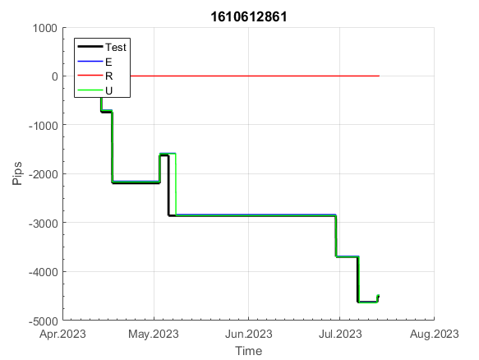
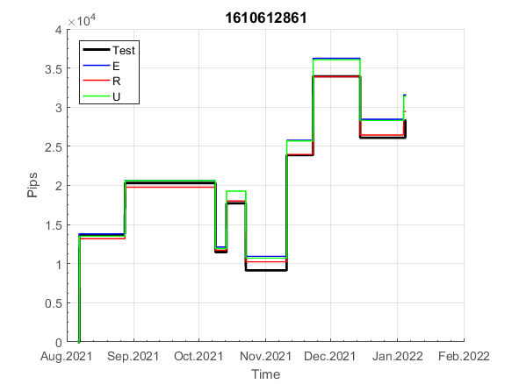
INFO | SymPer | Pip/Y | Trd/Y | RF=MaxPrf/Y/DD | PF | DD/LastDD | iDD | MO/Spred | SD | MO/SD | iRF=MaxPrf/iDD | W/L*W% | = | RISK=PF*RF | Magic | Mod | HL | HLk | TR | TRk | IN | Ik | Del | BrkBck | Inv | D | Iprice | S | P | PM1 | PM2 | Tk | TS | Out | OTr | Oprc | OD | Oprf | Wknd | A | a | AtrLim | tk | T0 | T1 | tp | start | 37987 | 37991 | 2004-01-06 | 2004-01-07 | 2004-01-08 | 2004-01-12 | 2004-01-13 | 2004-01-14 | 2004-01-15 | 2004-01-19 | 2004-01-20 | 2004-01-21 | 2004-01-22 | 2004-01-26 | 2004-01-27 | 2004-01-28 | 2004-01-29 | 2004-02-02 | 2004-02-03 | 2004-02-04 | 2004-02-05 | 2004-02-09 | 2004-02-10 | 2004-02-11 | 2004-02-12 | 2004-02-16 | 2004-02-17 | 2004-02-18 | 2004-02-19 | 2004-02-23 | 2004-02-24 | 2004-02-25 | 2004-02-26 | 2004-03-01 | 2004-03-02 | 2004-03-03 | 2004-03-04 | 2004-03-08 | 2004-03-09 | 2004-03-10 | 2004-03-11 | 2004-03-15 | 2004-03-16 | 2004-03-17 | 2004-03-18 | 2004-03-22 | 2004-03-23 | 2004-03-24 | 2004-03-25 | 2004-03-29 | 2004-03-30 | 2004-03-31 | 2004-04-01 | 2004-04-05 | 2004-04-06 | 2004-04-07 | 2004-04-08 | 2004-04-12 | 2004-04-13 | 2004-04-14 | 2004-04-15 | 2004-04-19 | 2004-04-20 | 2004-04-21 | 2004-04-22 | 2004-04-26 | 2004-04-27 | 2004-04-28 | 2004-04-29 | 2004-05-03 | 2004-05-04 | 2004-05-05 | 2004-05-06 | 2004-05-10 | 2004-05-11 | 2004-05-12 | 2004-05-13 | 2004-05-17 | 2004-05-18 | 2004-05-19 | 2004-05-20 | 2004-05-24 | 2004-05-25 | 2004-05-26 | 2004-05-27 | 2004-05-31 | 2004-06-11 | 2004-06-14 | 2004-06-15 | 2004-06-16 | 2004-06-17 | 2004-06-18 | 2004-06-21 | 2004-06-22 | 2004-06-23 | 2004-06-24 | 2004-06-25 | 2004-06-28 | 2004-06-29 | 2004-06-30 | 2004-07-01 | 2004-07-02 | 2004-07-06 | 2004-07-07 | 2004-07-08 | 2004-07-09 | 2004-07-12 | 2004-07-13 | 2004-07-14 | 2004-07-15 | 2004-07-16 | 2004-07-19 | 2004-07-20 | 2004-07-21 | 2004-07-22 | 2004-07-23 | 2004-07-26 | 2004-07-27 | 2004-07-28 | 2004-07-29 | 2004-07-30 | 2004-08-02 | 2004-08-03 | 2004-08-04 | 2004-08-05 | 2004-08-06 | 2004-08-09 | 2004-08-10 | 2004-08-11 | 2004-08-12 | 2004-08-13 | 2004-08-16 | 2004-08-17 | 2004-08-18 | 2004-08-19 | 2004-08-20 | 2004-08-23 | 2004-08-24 | 2004-08-25 | 2004-08-26 | 2004-08-27 | 2004-08-30 | 2004-08-31 | 2004-09-01 | 2004-09-02 | 2004-09-03 | 2004-09-07 | 2004-09-08 | 2004-09-09 | 2004-09-10 | 2004-09-13 | 2004-09-14 | 2004-09-15 | 2004-09-16 | 2004-09-17 | 2004-09-20 | 2004-09-21 | 2004-09-22 | 2004-09-23 | 2004-09-24 | 2004-09-27 | 2004-09-28 | 2004-09-29 | 2004-09-30 | 2004-10-01 | 2004-10-04 | 2004-10-05 | 2004-10-06 | 2004-10-07 | 2004-10-08 | 2004-10-11 | 2004-10-12 | 2004-10-13 | 2004-10-14 | 2004-10-15 | 2004-10-18 | 2004-10-19 | 2004-10-20 | 2004-10-21 | 2004-10-22 | 2004-10-25 | 2004-10-26 | 2004-10-27 | 2004-10-28 | 2004-10-29 | 2004-11-01 | 2004-11-02 | 2004-11-03 | 2004-11-04 | 2004-11-05 | 2004-11-08 | 2004-11-09 | 2004-11-10 | 2004-11-11 | 2004-11-12 | 2004-11-15 | 2004-11-16 | 2004-11-17 | 2004-11-18 | 2004-11-19 | 2004-11-22 | 2004-11-23 | 2004-11-24 | 2004-11-26 | 2004-11-29 | 2004-11-30 | 2004-12-01
FA$T200.925 2008.01.02-2023.09.05, Sprd=100, StpLev=100, Swaps=-18.17, OPT-2010.01.04-2019.12.30 | XAUUSD60 | 198 | 10 | 0.4 | 1.85 | 590_554 | 695 | 0.2 | 64 | 3.1 | 33 | 0.9*67 = | 62 | 0.7 | 1610612861 | 2 | 4 | 5 | 7 | 5 | 7 | 4 | 1 | 0 | 0 | 1 | 1 | 3 | 4 | 0 | 0 | -1 | 1 | 1 | 1 | 1 | 0 | 2 | 2 | 15 | 3 | 0 | 3 | 1 | 4 | 3 |  | 0 | 0 | 0 | 0 | 0 | 0 | 0 | 0 | 0 | 0 | 0 | 0 | 0 | 0 | 0 | 0 | 0 | 0 | 0 | 0 | 0 | 0 | 0 | 0 | 0 | 0 | 0 | 0 | 0 | 0 | 0 | 0 | 0 | 0 | 0 | 0 | 0 | 0 | 0 | 0 | 0 | 0 | 0 | 0 | 0 | -15 | -50 | 28 | 28 | 28 | 28 | 28 | 28 | 28 | 28 | 28 | 28 | 28 | 28 | 28 | 28 | 28 | 28 | 28 | 28 | 28 | 28 | 28 | 28 | 28 | 28 | 28 | 28 | 28 | 28 | 28 | 28 | 28 | 28 | 28 | 28 | 28 | 28 | 28 | 28 | 28 | 28 | 28 | 28 | 28 | 28 | 28 | 28 | 28 | 28 | 28 | 28 | 28 | 28 | 28 | 28 | 28 | 28 | 28 | 28 | 28 | 28 | 28 | 28 | 28 | 28 | 28 | 28 | 28 | 28 | 28 | 28 | 28 | 28 | 28 | 28 | 28 | 28 | 28 | 28 | 28 | 28 | 28 | 28 | 28 | 28 | 28 | 28 | 28 | 28 | 28 | 28 | 28 | 28 | 28 | 28 | 28 | 28 | 28 | 28 | 10 | 94 | 94 | 94 | 94 | 94 | 94 | 94 | 94 | 94 | 94 | 94 | 94 | 94 | 227 | 227 | 227 | 227 | 227 | 227 | 227 | 227 | 227 | 227 | 227 | 227 | 227 | 227 | 227 | 227 | 227 | 227 | 227 | 227 | 227 | 227 | 227 | 227 | 227 | 227 | 227 | 444 | 444 | 444 | 444 | 444 | 444 | 444 | 444 | 444 | 444 | 444 | 444 | 444 | 444 | 444 | 444 | 444 | 444 | 444 | 444 | 383

 |  |  |  |  |  |  |  |  |  |  |  |  |  |  |  |  |  |  |  |  |  |  |  | #DIV/0!
 |  |  |  |  |  |  |  |  |  |  |  |  |  |  |  |  |  |  |  |  |  |  |  | #DIV/0!
 |  |  |  |  |  |  |  |  |  |  |  |  |  |  |  |  |  |  |  |  |  |  |  | #DIV/0!
 |  |  |  |  |  |  |  |  |  |  |  |  |  |  |  |  |  |  |  |  |  |  |  | #DIV/0!

180
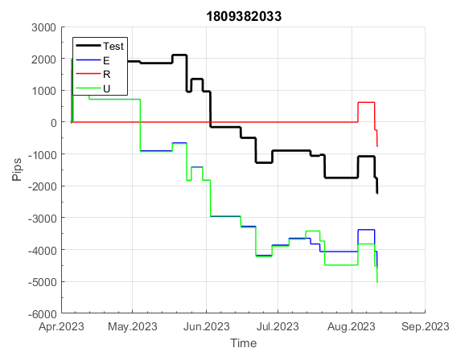
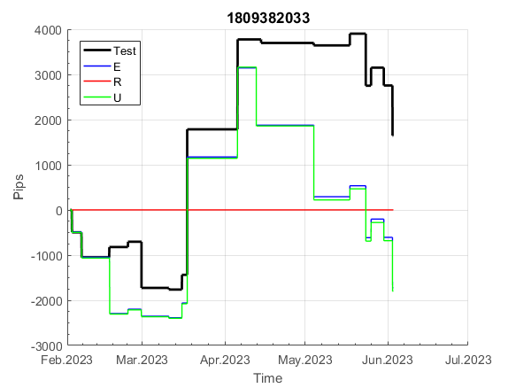
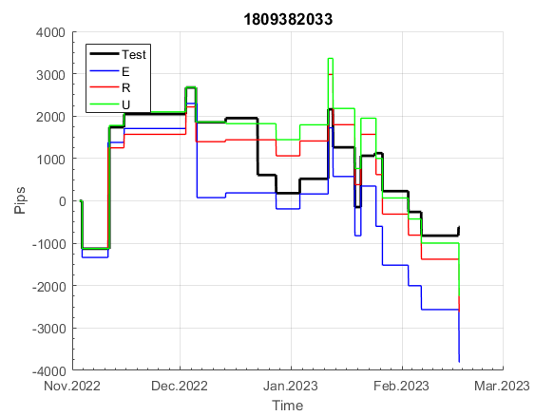
INFO | SymPer | Pip/Y | Trd/Y | RF=MaxPrf/Y/DD | PF | DD/LastDD | iDD | MO/Spred | SD | MO/SD | iRF=MaxPrf/iDD | W/L*W% | = | RISK=PF*RF | Magic | Mod | HL | HLk | TR | TRk | IN | Ik | Del | BrkBck | Inv | D | Iprice | S | P | PM1 | PM2 | Tk | TS | Out | OTr | Oprc | OD | Oprf | Wknd | A | a | AtrLim | tk | T0 | T1 | tp | start | 37987 | 37991 | 2004-01-06 | 2004-01-07 | 2004-01-08 | 2004-01-12 | 2004-01-13 | 2004-01-14 | 2004-01-15 | 2004-01-19 | 2004-01-20 | 2004-01-21 | 2004-01-22 | 2004-01-26 | 2004-01-27 | 2004-01-28 | 2004-01-29 | 2004-02-02 | 2004-02-03 | 2004-02-04 | 2004-02-05 | 2004-02-09 | 2004-02-10 | 2004-02-11 | 2004-02-12 | 2004-02-16 | 2004-02-17 | 2004-02-18 | 2004-02-19 | 2004-02-23 | 2004-02-24 | 2004-02-25 | 2004-02-26 | 2004-03-01 | 2004-03-02 | 2004-03-03 | 2004-03-04 | 2004-03-08 | 2004-03-09 | 2004-03-10 | 2004-03-11 | 2004-03-15 | 2004-03-16 | 2004-03-17 | 2004-03-18 | 2004-03-22 | 2004-03-23 | 2004-03-24 | 2004-03-25 | 2004-03-29 | 2004-03-30 | 2004-03-31 | 2004-04-01 | 2004-04-05 | 2004-04-06 | 2004-04-07 | 2004-04-08 | 2004-04-12 | 2004-04-13 | 2004-04-14 | 2004-04-15 | 2004-04-19 | 2004-04-20 | 2004-04-21 | 2004-04-22 | 2004-04-26 | 2004-04-27 | 2004-04-28 | 2004-04-29 | 2004-05-03 | 2004-05-04 | 2004-05-05 | 2004-05-06 | 2004-05-10 | 2004-05-11 | 2004-05-12 | 2004-05-13 | 2004-05-17 | 2004-05-18 | 2004-05-19 | 2004-05-20 | 2004-05-24 | 2004-05-25 | 2004-05-26 | 2004-05-27 | 2004-05-31 | 2004-06-11 | 2004-06-14 | 2004-06-15 | 2004-06-16 | 2004-06-17 | 2004-06-18 | 2004-06-21 | 2004-06-22 | 2004-06-23 | 2004-06-24 | 2004-06-25 | 2004-06-28 | 2004-06-29 | 2004-06-30 | 2004-07-01 | 2004-07-02 | 2004-07-06 | 2004-07-07 | 2004-07-08 | 2004-07-09 | 2004-07-12 | 2004-07-13 | 2004-07-14 | 2004-07-15 | 2004-07-16 | 2004-07-19 | 2004-07-20 | 2004-07-21 | 2004-07-22 | 2004-07-23 | 2004-07-26 | 2004-07-27 | 2004-07-28 | 2004-07-29 | 2004-07-30 | 2004-08-02 | 2004-08-03 | 2004-08-04 | 2004-08-05 | 2004-08-06 | 2004-08-09 | 2004-08-10 | 2004-08-11 | 2004-08-12 | 2004-08-13 | 2004-08-16 | 2004-08-17 | 2004-08-18 | 2004-08-19 | 2004-08-20 | 2004-08-23 | 2004-08-24 | 2004-08-25 | 2004-08-26 | 2004-08-27 | 2004-08-30 | 2004-08-31 | 2004-09-01 | 2004-09-02 | 2004-09-03 | 2004-09-07 | 2004-09-08 | 2004-09-09 | 2004-09-10 | 2004-09-13 | 2004-09-14 | 2004-09-15 | 2004-09-16 | 2004-09-17 | 2004-09-20 | 2004-09-21 | 2004-09-22 | 2004-09-23 | 2004-09-24 | 2004-09-27 | 2004-09-28 | 2004-09-29 | 2004-09-30 | 2004-10-01 | 2004-10-04 | 2004-10-05 | 2004-10-06 | 2004-10-07 | 2004-10-08 | 2004-10-11 | 2004-10-12 | 2004-10-13 | 2004-10-14 | 2004-10-15 | 2004-10-18 | 2004-10-19 | 2004-10-20 | 2004-10-21 | 2004-10-22 | 2004-10-25 | 2004-10-26 | 2004-10-27 | 2004-10-28 | 2004-10-29 | 2004-11-01 | 2004-11-02 | 2004-11-03 | 2004-11-04 | 2004-11-05 | 2004-11-08 | 2004-11-09 | 2004-11-10 | 2004-11-11 | 2004-11-12 | 2004-11-15 | 2004-11-16 | 2004-11-17 | 2004-11-18 | 2004-11-19 | 2004-11-22 | 2004-11-23 | 2004-11-24 | 2004-11-26 | 2004-11-29 | 2004-11-30 | 2004-12-01
FA$T200.900 2008.01.02-2023.09.05, Sprd=100, StpLev=100, Swaps=-18.17, OPT-2010.01.04-2019.12.30 | XAUUSD60 | 533 | 44 | 0.7 | 1.38 | 812_714 | 1672 | 0.12 | 78 | 1.6 | 8 | 1.3*51 = | 70 | 1 | 1809382033 | 1 | 4 | 6 | -5 | 7 | 4 | 2 | 1 | 0 | 1 | -2 | 2 | 5 | 5 | 0 | 3 | 3 | 0 | 1 | 0 | 2 | 1 | -2 | 0 | 15 | 5 | 0 | 0 | 8 | 8 | 1 |  | 0 | -9 | 123 | 54 | 54 | 54 | 170 | 167 | 149 | 232 | 232 | 232 | 232 | 232 | 197 | 308 | 340 | 275 | 314 | 390 | 390 | 384 | 334 | 230 | 230 | 230 | 230 | 230 | 230 | 230 | 230 | 230 | 230 | 230 | 230 | 230 | 196 | 239 | 324 | 324 | 324 | 315 | 330 | 335 | 335 | 227 | 179 | 135 | 135 | 135 | 135 | 135 | 110 | 133 | 207 | 207 | 161 | 161 | 161 | 161 | 161 | 161 | 161 | 161 | 161 | 161 | 307 | 307 | 307 | 307 | 307 | 307 | 307 | 307 | 307 | 307 | 303 | 291 | 265 | 265 | 265 | 248 | 259 | 259 | 259 | 227 | 271 | 321 | 400 | 400 | 400 | 400 | 400 | 400 | 400 | 400 | 400 | 400 | 362 | 394 | 393 | 383 | 440 | 440 | 440 | 440 | 440 | 440 | 440 | 440 | 440 | 440 | 356 | 356 | 356 | 302 | 259 | 241 | 241 | 241 | 241 | 164 | 117 | 87 | 87 | 87 | 87 | 133 | 224 | 210 | 186 | 129 | 129 | 129 | 129 | 129 | 65 | 124 | 119 | 146 | 212 | 212 | 212 | 212 | 173 | 181 | 122 | 115 | 115 | 79 | 80 | 155 | 155 | 155 | 118 | 100 | 81 | 82 | 178 | 357 | 357 | 357 | 357 | 524 | 524 | 524 | 524 | 524 | 524 | 524 | 524 | 524 | 524 | 524 | 524 | 524 | 524 | 524 | 524 | 524 | 451 | 451 | 451 | 451 | 451 | 419 | 701 | 701 | 701 | 701 | 701 | 701 | 701 | 619 | 522 | 522 | 522 | 522 | 522 | 522 | 522 | 392 | 401 | 574 | 574 | 574 | 574

 |  |  |  |  |  |  |  |  |  |  |  |  |  |  |  |  |  |  |  |  |  |  |  | #DIV/0!
 |  |  |  |  |  |  |  |  |  |  |  |  |  |  |  |  |  |  |  |  |  |  |  | #DIV/0!
 |  |  |  |  |  |  |  |  |  |  |  |  |  |  |  |  |  |  |  |  |  |  |  | #DIV/0!
 |  |  |  |  |  |  |  |  |  |  |  |  |  |  |  |  |  |  |  |  |  |  |  | #DIV/0!

200
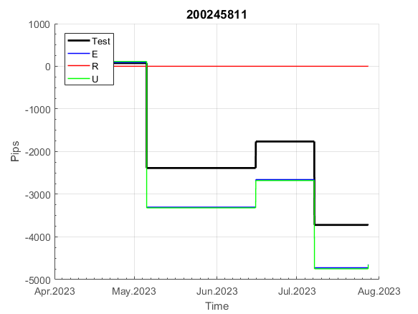
INFO | SymPer | Pip/Y | Trd/Y | RF=MaxPrf/Y/DD | PF | DD/LastDD | iDD | MO/Spred | SD | MO/SD | iRF=MaxPrf/iDD | W/L*W% | = | RISK=PF*RF | Magic | Mod | HL | HLk | TR | TRk | IN | Ik | Del | BrkBck | Inv | D | Iprice | S | P | PM1 | PM2 | Tk | TS | Out | OTr | Oprc | OD | Oprf | Wknd | A | a | AtrLim | tk | T0 | T1 | tp | start | 37987 | 37991 | 2004-01-06 | 2004-01-07 | 2004-01-08 | 2004-01-12 | 2004-01-13 | 2004-01-14 | 2004-01-15 | 2004-01-19 | 2004-01-20 | 2004-01-21 | 2004-01-22 | 2004-01-26 | 2004-01-27 | 2004-01-28 | 2004-01-29 | 2004-02-02 | 2004-02-03 | 2004-02-04 | 2004-02-05 | 2004-02-09 | 2004-02-10 | 2004-02-11 | 2004-02-12 | 2004-02-16 | 2004-02-17 | 2004-02-18 | 2004-02-19 | 2004-02-23 | 2004-02-24 | 2004-02-25 | 2004-02-26 | 2004-03-01 | 2004-03-02 | 2004-03-03 | 2004-03-04 | 2004-03-08 | 2004-03-09 | 2004-03-10 | 2004-03-11 | 2004-03-15 | 2004-03-16 | 2004-03-17 | 2004-03-18 | 2004-03-22 | 2004-03-23 | 2004-03-24 | 2004-03-25 | 2004-03-29 | 2004-03-30 | 2004-03-31 | 2004-04-01 | 2004-04-05 | 2004-04-06 | 2004-04-07 | 2004-04-08 | 2004-04-12 | 2004-04-13 | 2004-04-14 | 2004-04-15 | 2004-04-19 | 2004-04-20 | 2004-04-21 | 2004-04-22 | 2004-04-26 | 2004-04-27 | 2004-04-28 | 2004-04-29 | 2004-05-03 | 2004-05-04 | 2004-05-05 | 2004-05-06 | 2004-05-10 | 2004-05-11 | 2004-05-12 | 2004-05-13 | 2004-05-17 | 2004-05-18 | 2004-05-19 | 2004-05-20 | 2004-05-24 | 2004-05-25 | 2004-05-26 | 2004-05-27 | 2004-05-31 | 2004-06-11 | 2004-06-14 | 2004-06-15 | 2004-06-16 | 2004-06-17 | 2004-06-18 | 2004-06-21 | 2004-06-22 | 2004-06-23 | 2004-06-24 | 2004-06-25 | 2004-06-28 | 2004-06-29 | 2004-06-30 | 2004-07-01 | 2004-07-02 | 2004-07-06 | 2004-07-07 | 2004-07-08 | 2004-07-09 | 2004-07-12 | 2004-07-13 | 2004-07-14 | 2004-07-15 | 2004-07-16 | 2004-07-19 | 2004-07-20 | 2004-07-21 | 2004-07-22 | 2004-07-23 | 2004-07-26 | 2004-07-27 | 2004-07-28 | 2004-07-29 | 2004-07-30 | 2004-08-02 | 2004-08-03 | 2004-08-04 | 2004-08-05 | 2004-08-06 | 2004-08-09 | 2004-08-10 | 2004-08-11 | 2004-08-12 | 2004-08-13 | 2004-08-16 | 2004-08-17 | 2004-08-18 | 2004-08-19 | 2004-08-20 | 2004-08-23 | 2004-08-24 | 2004-08-25 | 2004-08-26 | 2004-08-27 | 2004-08-30 | 2004-08-31 | 2004-09-01 | 2004-09-02 | 2004-09-03 | 2004-09-07 | 2004-09-08 | 2004-09-09 | 2004-09-10 | 2004-09-13 | 2004-09-14 | 2004-09-15 | 2004-09-16 | 2004-09-17 | 2004-09-20 | 2004-09-21 | 2004-09-22 | 2004-09-23 | 2004-09-24 | 2004-09-27 | 2004-09-28 | 2004-09-29 | 2004-09-30 | 2004-10-01 | 2004-10-04 | 2004-10-05 | 2004-10-06 | 2004-10-07 | 2004-10-08 | 2004-10-11 | 2004-10-12 | 2004-10-13 | 2004-10-14 | 2004-10-15 | 2004-10-18 | 2004-10-19 | 2004-10-20 | 2004-10-21 | 2004-10-22 | 2004-10-25 | 2004-10-26 | 2004-10-27 | 2004-10-28 | 2004-10-29 | 2004-11-01 | 2004-11-02 | 2004-11-03 | 2004-11-04 | 2004-11-05 | 2004-11-08 | 2004-11-09 | 2004-11-10 | 2004-11-11 | 2004-11-12 | 2004-11-15 | 2004-11-16 | 2004-11-17 | 2004-11-18 | 2004-11-19 | 2004-11-22 | 2004-11-23 | 2004-11-24 | 2004-11-26 | 2004-11-29 | 2004-11-30 | 2004-12-01
FA$T200.925 2008.01.02-2023.09.05, Sprd=100, StpLev=100, Swaps=-18.17, OPT-2010.01.04-2021.12.30 | XAUUSD60 | 264 | 12 | 0.45 | 2.1 | 635_424 | 920 | 0.22 | 67 | 3.3 | 26 | 0.9*73 = | 65 | 1 | 200245811 | 2 | 4 | 6 | 8 | 6 | 1 | 9 | 0 | 0 | 0 | 0 | 1 | -2 | -2 | 0 | 3 | 4 | 0 | 0 | 1 | 3 | 2 | 0 | 0 | 15 | 5 | 0 | 2 | 4 | 6 | 1 |  | 0 | 0 | 0 | 0 | 0 | 0 | 0 | 0 | 0 | 0 | 0 | -97 | -125 | -37 | 12 | 2 | 37 | 37 | 37 | 37 | 37 | 37 | 37 | 37 | 37 | 37 | 37 | 37 | 37 | 37 | 37 | 37 | 37 | 37 | 37 | 37 | 37 | 37 | 37 | 37 | 37 | 37 | 37 | 37 | 37 | 37 | 37 | 37 | 37 | 37 | 37 | 37 | 37 | 37 | 37 | 37 | -17 | 224 | 224 | 224 | 224 | 224 | 224 | 224 | 224 | 224 | 224 | 224 | 224 | 224 | 224 | 224 | 224 | 224 | 224 | 224 | 224 | 224 | 224 | 224 | 224 | 224 | 224 | 224 | 224 | 224 | 224 | 199 | 238 | 238 | 238 | 238 | 238 | 238 | 238 | 238 | 238 | 238 | 238 | 238 | 238 | 238 | 238 | 238 | 238 | 238 | 238 | 220 | 271 | 271 | 271 | 271 | 271 | 271 | 271 | 271 | 271 | 271 | 271 | 271 | 271 | 271 | 271 | 271 | 271 | 271 | 271 | 271 | 271 | 271 | 271 | 271 | 271 | 271 | 271 | 271 | 271 | 271 | 271 | 271 | 271 | 271 | 271 | 271 | 271 | 260 | 326 | 326 | 326 | 326 | 326 | 326 | 326 | 326 | 326 | 326 | 326 | 326 | 326 | 480 | 480 | 480 | 331 | 265 | 148 | 129 | -43 | -43 | -43 | -43 | -43 | -43 | -43 | -43 | -43 | -43 | -43 | -43 | -43 | -116 | -12 | 9 | 9 | 9 | 67 | 67 | 67 | 67 | 67 | 67 | 67 | 67 | 67 | 67 | 67 | 67 | 67 | 67 | 67 | 67 | 67 | 67 | 67 | 130 | 130 | 130 | 130

 |  |  |  |  |  |  |  |  |  |  |  |  |  |  |  |  |  |  |  |  |  |  |  | #DIV/0!
 |  |  |  |  |  |  |  |  |  |  |  |  |  |  |  |  |  |  |  |  |  |  |  | #DIV/0!
 |  |  |  |  |  |  |  |  |  |  |  |  |  |  |  |  |  |  |  |  |  |  |  | #DIV/0!
 |  |  |  |  |  |  |  |  |  |  |  |  |  |  |  |  |  |  |  |  |  |  |  | #DIV/0!

218
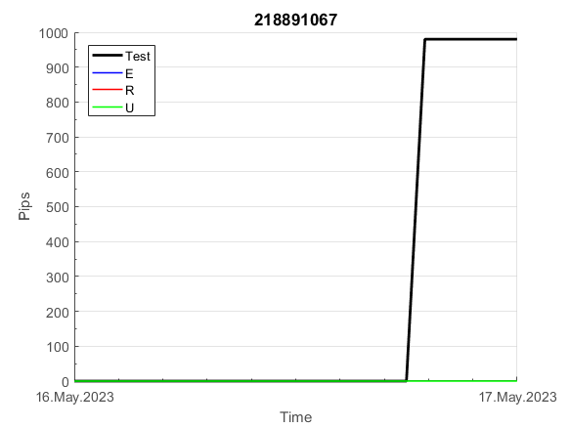
INFO | SymPer | Pip/Y | Trd/Y | RF=MaxPrf/Y/DD | PF | DD/LastDD | iDD | MO/Spred | SD | MO/SD | iRF=MaxPrf/iDD | W/L*W% | = | RISK=PF*RF | Magic | Mod | HL | HLk | TR | TRk | IN | Ik | Del | BrkBck | Inv | D | Iprice | S | P | PM1 | PM2 | Tk | TS | Out | OTr | Oprc | OD | Oprf | Wknd | A | a | AtrLim | tk | T0 | T1 | tp | start | 37987 | 37991 | 2004-01-06 | 2004-01-07 | 2004-01-08 | 2004-01-12 | 2004-01-13 | 2004-01-14 | 2004-01-15 | 2004-01-19 | 2004-01-20 | 2004-01-21 | 2004-01-22 | 2004-01-26 | 2004-01-27 | 2004-01-28 | 2004-01-29 | 2004-02-02 | 2004-02-03 | 2004-02-04 | 2004-02-05 | 2004-02-09 | 2004-02-10 | 2004-02-11 | 2004-02-12 | 2004-02-16 | 2004-02-17 | 2004-02-18 | 2004-02-19 | 2004-02-23 | 2004-02-24 | 2004-02-25 | 2004-02-26 | 2004-03-01 | 2004-03-02 | 2004-03-03 | 2004-03-04 | 2004-03-08 | 2004-03-09 | 2004-03-10 | 2004-03-11 | 2004-03-15 | 2004-03-16 | 2004-03-17 | 2004-03-18 | 2004-03-22 | 2004-03-23 | 2004-03-24 | 2004-03-25 | 2004-03-29 | 2004-03-30 | 2004-03-31 | 2004-04-01 | 2004-04-05 | 2004-04-06 | 2004-04-07 | 2004-04-08 | 2004-04-12 | 2004-04-13 | 2004-04-14 | 2004-04-15 | 2004-04-19 | 2004-04-20 | 2004-04-21 | 2004-04-22 | 2004-04-26 | 2004-04-27 | 2004-04-28 | 2004-04-29 | 2004-05-03 | 2004-05-04 | 2004-05-05 | 2004-05-06 | 2004-05-10 | 2004-05-11 | 2004-05-12 | 2004-05-13 | 2004-05-17 | 2004-05-18 | 2004-05-19 | 2004-05-20 | 2004-05-24 | 2004-05-25 | 2004-05-26 | 2004-05-27 | 2004-05-31 | 2004-06-11 | 2004-06-14 | 2004-06-15 | 2004-06-16 | 2004-06-17 | 2004-06-18 | 2004-06-21 | 2004-06-22 | 2004-06-23 | 2004-06-24 | 2004-06-25 | 2004-06-28 | 2004-06-29 | 2004-06-30 | 2004-07-01 | 2004-07-02 | 2004-07-06 | 2004-07-07 | 2004-07-08 | 2004-07-09 | 2004-07-12 | 2004-07-13 | 2004-07-14 | 2004-07-15 | 2004-07-16 | 2004-07-19 | 2004-07-20 | 2004-07-21 | 2004-07-22 | 2004-07-23 | 2004-07-26 | 2004-07-27 | 2004-07-28 | 2004-07-29 | 2004-07-30 | 2004-08-02 | 2004-08-03 | 2004-08-04 | 2004-08-05 | 2004-08-06 | 2004-08-09 | 2004-08-10 | 2004-08-11 | 2004-08-12 | 2004-08-13 | 2004-08-16 | 2004-08-17 | 2004-08-18 | 2004-08-19 | 2004-08-20 | 2004-08-23 | 2004-08-24 | 2004-08-25 | 2004-08-26 | 2004-08-27 | 2004-08-30 | 2004-08-31 | 2004-09-01 | 2004-09-02 | 2004-09-03 | 2004-09-07 | 2004-09-08 | 2004-09-09 | 2004-09-10 | 2004-09-13 | 2004-09-14 | 2004-09-15 | 2004-09-16 | 2004-09-17 | 2004-09-20 | 2004-09-21 | 2004-09-22 | 2004-09-23 | 2004-09-24 | 2004-09-27 | 2004-09-28 | 2004-09-29 | 2004-09-30 | 2004-10-01 | 2004-10-04 | 2004-10-05 | 2004-10-06 | 2004-10-07 | 2004-10-08 | 2004-10-11 | 2004-10-12 | 2004-10-13 | 2004-10-14 | 2004-10-15 | 2004-10-18 | 2004-10-19 | 2004-10-20 | 2004-10-21 | 2004-10-22 | 2004-10-25 | 2004-10-26 | 2004-10-27 | 2004-10-28 | 2004-10-29 | 2004-11-01 | 2004-11-02 | 2004-11-03 | 2004-11-04 | 2004-11-05 | 2004-11-08 | 2004-11-09 | 2004-11-10 | 2004-11-11 | 2004-11-12 | 2004-11-15 | 2004-11-16 | 2004-11-17 | 2004-11-18 | 2004-11-19 | 2004-11-22 | 2004-11-23 | 2004-11-24 | 2004-11-26 | 2004-11-29 | 2004-11-30 | 2004-12-01
FA$T200.925 2008.01.02-2023.09.05, Sprd=100, StpLev=100, Swaps=-18.17, OPT-2010.01.04-2021.12.30 | XAUUSD60 | 369 | 8 | 0.49 | 2.09 | 753_0 | 1177 | 0.48 | 137 | 3.5 | 41 | 0.7*78 = | 52 | 1 | 218891067 | 2 | 2 | 2 | 2 | 9 | 7 | 6 | 1 | 0 | 0 | 1 | 1 | -4 | -2 | -1 | 3 | -4 | 0 | 0 | 0 | 1 | 0 | 1 | 0 | 15 | 5 | 30 | 0 | 1 | 6 | 3 |  | 0 | 0 | 0 | 0 | 0 | 0 | 0 | 0 | 0 | 0 | 0 | 0 | 0 | 0 | 0 | 0 | 0 | 0 | 0 | 0 | 0 | 0 | 0 | 0 | 0 | 0 | 0 | 0 | 0 | 0 | 0 | 0 | 0 | 0 | 0 | 0 | 0 | 0 | 0 | 0 | 0 | 0 | 0 | 0 | 0 | -32 | -239 | -239 | -239 | -239 | -239 | -239 | -239 | -239 | -239 | -239 | -239 | -239 | -239 | -239 | -239 | -239 | -239 | -239 | -239 | -239 | -239 | -239 | -239 | -239 | -239 | -239 | -239 | -239 | -239 | -239 | -239 | -239 | -239 | -239 | -239 | -239 | -239 | -239 | -239 | -239 | -239 | -239 | -239 | -239 | -239 | -239 | -239 | -239 | -239 | -239 | -239 | -239 | -239 | -239 | -239 | -239 | -239 | -239 | -239 | -239 | -239 | -239 | -239 | -239 | -239 | -239 | -239 | -239 | -239 | -239 | -239 | -239 | -239 | -239 | -239 | -239 | -239 | -239 | -239 | -239 | -239 | -239 | -239 | -239 | -239 | -239 | -239 | -239 | -239 | -239 | -239 | -239 | -239 | -239 | -239 | -239 | -239 | -239 | -239 | -239 | -239 | -239 | -239 | -239 | -239 | -239 | -239 | -239 | -239 | -239 | -239 | -239 | -239 | -239 | -239 | -239 | -239 | -239 | -239 | -239 | -239 | -239 | -239 | -239 | -239 | -239 | -239 | -239 | -423 | -395 | -453 | -493 | -493 | -493 | -493 | -493 | -493 | -493 | -493 | -493 | -134 | -11 | -11 | -11 | -11 | -11 | -11 | -11 | -11 | -11 | -11 | -11 | -11 | -11 | -11 | -11 | -11 | -11 | -11 | -11 | -67

 |  |  |  |  |  |  |  |  |  |  |  |  |  |  |  |  |  |  |  |  |  |  |  | #DIV/0!
 |  |  |  |  |  |  |  |  |  |  |  |  |  |  |  |  |  |  |  |  |  |  |  | #DIV/0!
 |  |  |  |  |  |  |  |  |  |  |  |  |  |  |  |  |  |  |  |  |  |  |  | #DIV/0!
 |  |  |  |  |  |  |  |  |  |  |  |  |  |  |  |  |  |  |  |  |  |  |  | #DIV/0!

262
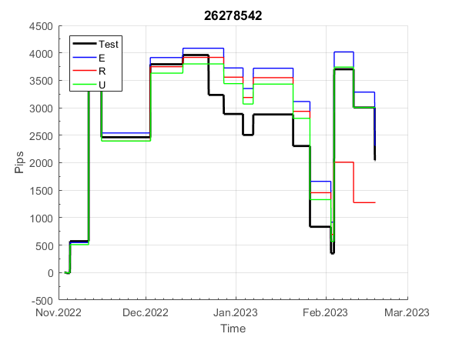
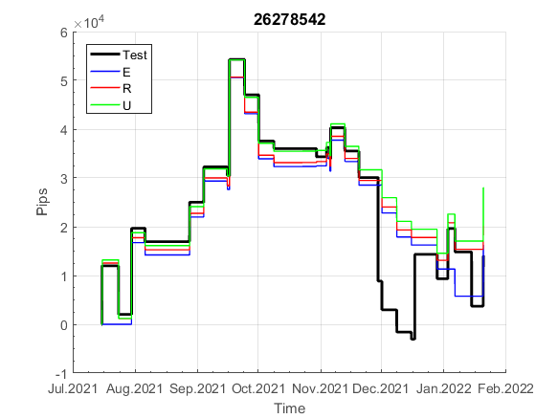
INFO | SymPer | Pip/Y | Trd/Y | RF=MaxPrf/Y/DD | PF | DD/LastDD | iDD | MO/Spred | SD | MO/SD | iRF=MaxPrf/iDD | W/L*W% | = | RISK=PF*RF | Magic | Mod | HL | HLk | TR | TRk | IN | Ik | Del | BrkBck | Inv | D | Iprice | S | P | PM1 | PM2 | Tk | TS | Out | OTr | Oprc | OD | Oprf | Wknd | A | a | AtrLim | tk | T0 | T1 | tp | start | 37987 | 37991 | 2004-01-06 | 2004-01-07 | 2004-01-08 | 2004-01-12 | 2004-01-13 | 2004-01-14 | 2004-01-15 | 2004-01-19 | 2004-01-20 | 2004-01-21 | 2004-01-22 | 2004-01-26 | 2004-01-27 | 2004-01-28 | 2004-01-29 | 2004-02-02 | 2004-02-03 | 2004-02-04 | 2004-02-05 | 2004-02-09 | 2004-02-10 | 2004-02-11 | 2004-02-12 | 2004-02-16 | 2004-02-17 | 2004-02-18 | 2004-02-19 | 2004-02-23 | 2004-02-24 | 2004-02-25 | 2004-02-26 | 2004-03-01 | 2004-03-02 | 2004-03-03 | 2004-03-04 | 2004-03-08 | 2004-03-09 | 2004-03-10 | 2004-03-11 | 2004-03-15 | 2004-03-16 | 2004-03-17 | 2004-03-18 | 2004-03-22 | 2004-03-23 | 2004-03-24 | 2004-03-25 | 2004-03-29 | 2004-03-30 | 2004-03-31 | 2004-04-01 | 2004-04-05 | 2004-04-06 | 2004-04-07 | 2004-04-08 | 2004-04-12 | 2004-04-13 | 2004-04-14 | 2004-04-15 | 2004-04-19 | 2004-04-20 | 2004-04-21 | 2004-04-22 | 2004-04-26 | 2004-04-27 | 2004-04-28 | 2004-04-29 | 2004-05-03 | 2004-05-04 | 2004-05-05 | 2004-05-06 | 2004-05-10 | 2004-05-11 | 2004-05-12 | 2004-05-13 | 2004-05-17 | 2004-05-18 | 2004-05-19 | 2004-05-20 | 2004-05-24 | 2004-05-25 | 2004-05-26 | 2004-05-27 | 2004-05-31 | 2004-06-11 | 2004-06-14 | 2004-06-15 | 2004-06-16 | 2004-06-17 | 2004-06-18 | 2004-06-21 | 2004-06-22 | 2004-06-23 | 2004-06-24 | 2004-06-25 | 2004-06-28 | 2004-06-29 | 2004-06-30 | 2004-07-01 | 2004-07-02 | 2004-07-06 | 2004-07-07 | 2004-07-08 | 2004-07-09 | 2004-07-12 | 2004-07-13 | 2004-07-14 | 2004-07-15 | 2004-07-16 | 2004-07-19 | 2004-07-20 | 2004-07-21 | 2004-07-22 | 2004-07-23 | 2004-07-26 | 2004-07-27 | 2004-07-28 | 2004-07-29 | 2004-07-30 | 2004-08-02 | 2004-08-03 | 2004-08-04 | 2004-08-05 | 2004-08-06 | 2004-08-09 | 2004-08-10 | 2004-08-11 | 2004-08-12 | 2004-08-13 | 2004-08-16 | 2004-08-17 | 2004-08-18 | 2004-08-19 | 2004-08-20 | 2004-08-23 | 2004-08-24 | 2004-08-25 | 2004-08-26 | 2004-08-27 | 2004-08-30 | 2004-08-31 | 2004-09-01 | 2004-09-02 | 2004-09-03 | 2004-09-07 | 2004-09-08 | 2004-09-09 | 2004-09-10 | 2004-09-13 | 2004-09-14 | 2004-09-15 | 2004-09-16 | 2004-09-17 | 2004-09-20 | 2004-09-21 | 2004-09-22 | 2004-09-23 | 2004-09-24 | 2004-09-27 | 2004-09-28 | 2004-09-29 | 2004-09-30 | 2004-10-01 | 2004-10-04 | 2004-10-05 | 2004-10-06 | 2004-10-07 | 2004-10-08 | 2004-10-11 | 2004-10-12 | 2004-10-13 | 2004-10-14 | 2004-10-15 | 2004-10-18 | 2004-10-19 | 2004-10-20 | 2004-10-21 | 2004-10-22 | 2004-10-25 | 2004-10-26 | 2004-10-27 | 2004-10-28 | 2004-10-29 | 2004-11-01 | 2004-11-02 | 2004-11-03 | 2004-11-04 | 2004-11-05 | 2004-11-08 | 2004-11-09 | 2004-11-10 | 2004-11-11 | 2004-11-12 | 2004-11-15 | 2004-11-16 | 2004-11-17 | 2004-11-18 | 2004-11-19 | 2004-11-22 | 2004-11-23 | 2004-11-24 | 2004-11-26 | 2004-11-29 | 2004-11-30 | 2004-12-01
FA$T200.833 2008.01.02-2023.09.05, Sprd=100, StpLev=100, Swaps=-18.17, OPT-2010.01.03-2019.04.32 | XAUUSD60 | 531 | 38 | 0.57 | 1.43 | 975_497 | 2428 | 0.14 | 83 | 1.7 | 6 | 1.6*47 = | 78 | 0.8 | 26278542 | 0 | 5 | 7 | 0 | 5 | -1 | 6 | 1 | 0 | 0 | 4 | 3 | 5 | 7 | 1 | 4 | 3 | 0 | 0 | 0 | 1 | 3 | 1 | 2 | 15 | 5 | 0 | 0 | 8 | 7 | 0 |  | 0 | 0 | 0 | 0 | 0 | 0 | 135 | 141 | 123 | 143 | 143 | 143 | 143 | 143 | 143 | 143 | 143 | 114 | 80 | 107 | 107 | 68 | 8 | 8 | 112 | 112 | 112 | 112 | 112 | 112 | 112 | 112 | 112 | 112 | 112 | 110 | 23 | 66 | 129 | 129 | 129 | 127 | 146 | 146 | 146 | 146 | 87 | 58 | 58 | 58 | 58 | 58 | 42 | 0 | 57 | 57 | 57 | 57 | 57 | 57 | 57 | 57 | 57 | 57 | 57 | 57 | 340 | 340 | 340 | 340 | 340 | 309 | 327 | 363 | 363 | 363 | 363 | 363 | 353 | 357 | 357 | 313 | 313 | 313 | 313 | 313 | 313 | 311 | 309 | 309 | 309 | 309 | 289 | 284 | 339 | 339 | 339 | 339 | 339 | 474 | 474 | 474 | 474 | 474 | 474 | 474 | 529 | 651 | 651 | 651 | 651 | 651 | 620 | 593 | 659 | 659 | 659 | 583 | 583 | 583 | 583 | 478 | 478 | 478 | 478 | 478 | 475 | 495 | 607 | 594 | 614 | 522 | 522 | 522 | 522 | 522 | 517 | 477 | 718 | 718 | 718 | 718 | 718 | 718 | 718 | 730 | 786 | 786 | 786 | 753 | 754 | 995 | 995 | 977 | 976 | 1108 | 1108 | 1108 | 1108 | 1108 | 1108 | 1108 | 1108 | 1108 | 1108 | 1108 | 1078 | 977 | 977 | 977 | 977 | 893 | 893 | 893 | 893 | 893 | 893 | 893 | 893 | 893 | 903 | 903 | 903 | 903 | 903 | 903 | 1231 | 1231 | 1231 | 1231 | 1231 | 1231 | 1025 | 1025 | 938 | 848 | 848 | 674 | 674 | 674 | 674 | 674 | 674 | 674 | 674 | 674 | 674

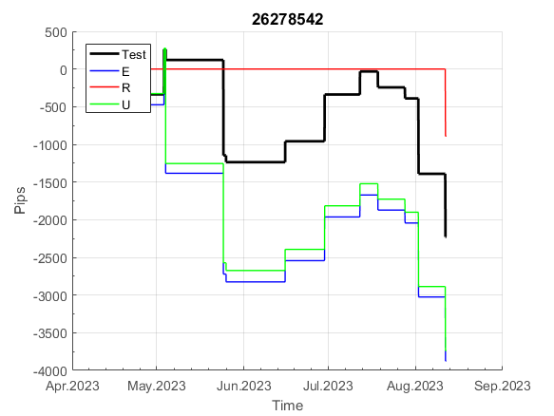
 |  |  |  |  |  |  |  |  |  |  |  |  |  |  |  |  |  |  |  |  |  |  |  | #DIV/0!
 |  |  |  |  |  |  |  |  |  |  |  |  |  |  |  |  |  |  |  |  |  |  |  | #DIV/0!
 |  |  |  |  |  |  |  |  |  |  |  |  |  |  |  |  |  |  |  |  |  |  |  | #DIV/0!
 |  |  |  |  |  |  |  |  |  |  |  |  |  |  |  |  |  |  |  |  |  |  |  | #DIV/0!

870
INFO | SymPer | Pip/Y | Trd/Y | RF=MaxPrf/Y/DD | PF | DD/LastDD | iDD | MO/Spred | SD | MO/SD | iRF=MaxPrf/iDD | W/L*W% | = | RISK=PF*RF | Magic | Mod | HL | HLk | TR | TRk | IN | Ik | Del | BrkBck | Inv | D | Iprice | S | P | PM1 | PM2 | Tk | TS | Out | OTr | Oprc | OD | Oprf | Wknd | A | a | AtrLim | tk | T0 | T1 | tp | start | 37987 | 37991 | 2004-01-06 | 2004-01-07 | 2004-01-08 | 2004-01-12 | 2004-01-13 | 2004-01-14 | 2004-01-15 | 2004-01-19 | 2004-01-20 | 2004-01-21 | 2004-01-22 | 2004-01-26 | 2004-01-27 | 2004-01-28 | 2004-01-29 | 2004-02-02 | 2004-02-03 | 2004-02-04 | 2004-02-05 | 2004-02-09 | 2004-02-10 | 2004-02-11 | 2004-02-12 | 2004-02-16 | 2004-02-17 | 2004-02-18 | 2004-02-19 | 2004-02-23 | 2004-02-24 | 2004-02-25 | 2004-02-26 | 2004-03-01 | 2004-03-02 | 2004-03-03 | 2004-03-04 | 2004-03-08 | 2004-03-09 | 2004-03-10 | 2004-03-11 | 2004-03-15 | 2004-03-16 | 2004-03-17 | 2004-03-18 | 2004-03-22 | 2004-03-23 | 2004-03-24 | 2004-03-25 | 2004-03-29 | 2004-03-30 | 2004-03-31 | 2004-04-01 | 2004-04-05 | 2004-04-06 | 2004-04-07 | 2004-04-08 | 2004-04-12 | 2004-04-13 | 2004-04-14 | 2004-04-15 | 2004-04-19 | 2004-04-20 | 2004-04-21 | 2004-04-22 | 2004-04-26 | 2004-04-27 | 2004-04-28 | 2004-04-29 | 2004-05-03 | 2004-05-04 | 2004-05-05 | 2004-05-06 | 2004-05-10 | 2004-05-11 | 2004-05-12 | 2004-05-13 | 2004-05-17 | 2004-05-18 | 2004-05-19 | 2004-05-20 | 2004-05-24 | 2004-05-25 | 2004-05-26 | 2004-05-27 | 2004-05-31 | 2004-06-11 | 2004-06-14 | 2004-06-15 | 2004-06-16 | 2004-06-17 | 2004-06-18 | 2004-06-21 | 2004-06-22 | 2004-06-23 | 2004-06-24 | 2004-06-25 | 2004-06-28 | 2004-06-29 | 2004-06-30 | 2004-07-01 | 2004-07-02 | 2004-07-06 | 2004-07-07 | 2004-07-08 | 2004-07-09 | 2004-07-12 | 2004-07-13 | 2004-07-14 | 2004-07-15 | 2004-07-16 | 2004-07-19 | 2004-07-20 | 2004-07-21 | 2004-07-22 | 2004-07-23 | 2004-07-26 | 2004-07-27 | 2004-07-28 | 2004-07-29 | 2004-07-30 | 2004-08-02 | 2004-08-03 | 2004-08-04 | 2004-08-05 | 2004-08-06 | 2004-08-09 | 2004-08-10 | 2004-08-11 | 2004-08-12 | 2004-08-13 | 2004-08-16 | 2004-08-17 | 2004-08-18 | 2004-08-19 | 2004-08-20 | 2004-08-23 | 2004-08-24 | 2004-08-25 | 2004-08-26 | 2004-08-27 | 2004-08-30 | 2004-08-31 | 2004-09-01 | 2004-09-02 | 2004-09-03 | 2004-09-07 | 2004-09-08 | 2004-09-09 | 2004-09-10 | 2004-09-13 | 2004-09-14 | 2004-09-15 | 2004-09-16 | 2004-09-17 | 2004-09-20 | 2004-09-21 | 2004-09-22 | 2004-09-23 | 2004-09-24 | 2004-09-27 | 2004-09-28 | 2004-09-29 | 2004-09-30 | 2004-10-01 | 2004-10-04 | 2004-10-05 | 2004-10-06 | 2004-10-07 | 2004-10-08 | 2004-10-11 | 2004-10-12 | 2004-10-13 | 2004-10-14 | 2004-10-15 | 2004-10-18 | 2004-10-19 | 2004-10-20 | 2004-10-21 | 2004-10-22 | 2004-10-25 | 2004-10-26 | 2004-10-27 | 2004-10-28 | 2004-10-29 | 2004-11-01 | 2004-11-02 | 2004-11-03 | 2004-11-04 | 2004-11-05 | 2004-11-08 | 2004-11-09 | 2004-11-10 | 2004-11-11 | 2004-11-12 | 2004-11-15 | 2004-11-16 | 2004-11-17 | 2004-11-18 | 2004-11-19 | 2004-11-22 | 2004-11-23 | 2004-11-24 | 2004-11-26 | 2004-11-29 | 2004-11-30 | 2004-12-01
FA$T200.925 2008.01.02-2023.09.05, Sprd=100, StpLev=100, Swaps=-18.17, OPT-2010.01.04-2021.12.30 | XAUUSD60 | 340 | 7 | 0.61 | 2.75 | 585_227 | 693 | 0.47 | 101 | 4.7 | 71 | 1.5*66 = | 103 | 1.7 | 870843266 | 2 | 6 | 5 | 1 | 9 | 1 | 5 | 1 | 1 | 0 | 5 | 2 | -1 | -2 | 0 | 2 | 4 | 0 | 0 | 0 | 1 | 1 | -1 | 0 | 15 | 5 | 20 | 0 | 7 | 7 | 0 |  | 0 | 0 | 0 | 0 | 0 | 0 | 0 | 0 | 0 | 0 | 0 | -62 | 78 | 78 | 78 | 78 | 78 | 78 | 78 | 78 | 78 | 78 | 78 | 78 | 78 | 78 | 78 | 78 | 78 | 78 | 78 | 78 | 78 | 78 | 78 | 78 | -30 | -30 | -30 | -30 | -30 | -30 | -30 | -30 | -30 | -30 | -30 | -30 | -30 | -30 | -30 | -30 | -30 | -30 | -30 | -30 | -30 | -30 | -30 | -30 | -30 | -30 | -30 | -30 | -30 | -30 | -30 | -30 | -30 | -30 | -30 | -30 | -30 | -30 | -30 | -30 | -30 | -30 | -30 | -30 | -30 | -30 | -30 | -30 | -30 | -30 | -30 | -30 | -30 | -30 | -30 | -30 | -30 | -30 | -30 | -30 | -30 | -30 | -30 | -30 | -30 | -30 | -30 | -30 | -30 | -30 | -30 | -30 | -30 | -30 | -30 | -30 | -30 | -30 | -30 | -30 | -30 | -30 | -30 | -30 | -30 | -30 | -30 | -30 | -30 | -30 | -30 | -3 | 99 | 99 | 99 | 99 | 99 | 99 | 99 | 99 | 99 | 33 | 85 | 85 | 85 | 85 | 85 | 85 | 85 | 85 | 85 | 85 | 85 | 85 | 85 | 85 | 85 | 85 | 85 | 85 | 85 | 85 | 85 | 85 | 85 | 85 | 44 | 216 | 216 | 216 | 216 | 216 | 216 | 216 | 216 | 216 | 216 | 216 | 216 | 216 | 216 | 216 | 216 | 216 | 216 | 216 | 216 | 216 | 216 | 216 | 216 | 216 | 216 | 216 | 216 | 216 | 216 | 216 | 216 | 216 | 216 | 216 | 216 | 216 | 216 | 216 | 187 | -71 | 259 | 259 | 259

 |  |  |  |  |  |  |  |  |  |  |  |  |  |  |  |  |  |  |  |  |  |  |  | #DIV/0!
 |  |  |  |  |  |  |  |  |  |  |  |  |  |  |  |  |  |  |  |  |  |  |  | #DIV/0!
 |  |  |  |  |  |  |  |  |  |  |  |  |  |  |  |  |  |  |  |  |  |  |  | #DIV/0!
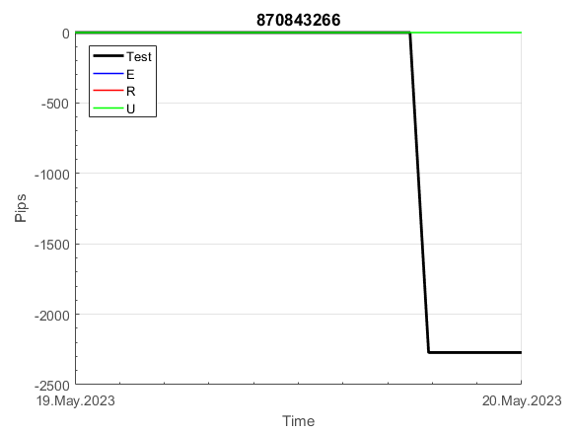
 |  |  |  |  |  |  |  |  |  |  |  |  |  |  |  |  |  |  |  |  |  |  |  | #DIV/0!

932
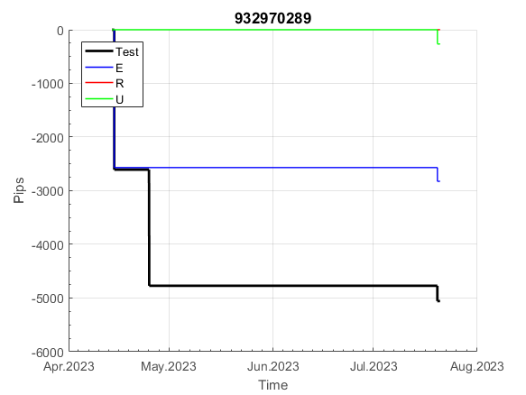
INFO | SymPer | Pip/Y | Trd/Y | RF=MaxPrf/Y/DD | PF | DD/LastDD | iDD | MO/Spred | SD | MO/SD | iRF=MaxPrf/iDD | W/L*W% | = | RISK=PF*RF | Magic | Mod | HL | HLk | TR | TRk | IN | Ik | Del | BrkBck | Inv | D | Iprice | S | P | PM1 | PM2 | Tk | TS | Out | OTr | Oprc | OD | Oprf | Wknd | A | a | AtrLim | tk | T0 | T1 | tp | start | 37987 | 37991 | 2004-01-06 | 2004-01-07 | 2004-01-08 | 2004-01-12 | 2004-01-13 | 2004-01-14 | 2004-01-15 | 2004-01-19 | 2004-01-20 | 2004-01-21 | 2004-01-22 | 2004-01-26 | 2004-01-27 | 2004-01-28 | 2004-01-29 | 2004-02-02 | 2004-02-03 | 2004-02-04 | 2004-02-05 | 2004-02-09 | 2004-02-10 | 2004-02-11 | 2004-02-12 | 2004-02-16 | 2004-02-17 | 2004-02-18 | 2004-02-19 | 2004-02-23 | 2004-02-24 | 2004-02-25 | 2004-02-26 | 2004-03-01 | 2004-03-02 | 2004-03-03 | 2004-03-04 | 2004-03-08 | 2004-03-09 | 2004-03-10 | 2004-03-11 | 2004-03-15 | 2004-03-16 | 2004-03-17 | 2004-03-18 | 2004-03-22 | 2004-03-23 | 2004-03-24 | 2004-03-25 | 2004-03-29 | 2004-03-30 | 2004-03-31 | 2004-04-01 | 2004-04-05 | 2004-04-06 | 2004-04-07 | 2004-04-08 | 2004-04-12 | 2004-04-13 | 2004-04-14 | 2004-04-15 | 2004-04-19 | 2004-04-20 | 2004-04-21 | 2004-04-22 | 2004-04-26 | 2004-04-27 | 2004-04-28 | 2004-04-29 | 2004-05-03 | 2004-05-04 | 2004-05-05 | 2004-05-06 | 2004-05-10 | 2004-05-11 | 2004-05-12 | 2004-05-13 | 2004-05-17 | 2004-05-18 | 2004-05-19 | 2004-05-20 | 2004-05-24 | 2004-05-25 | 2004-05-26 | 2004-05-27 | 2004-05-31 | 2004-06-11 | 2004-06-14 | 2004-06-15 | 2004-06-16 | 2004-06-17 | 2004-06-18 | 2004-06-21 | 2004-06-22 | 2004-06-23 | 2004-06-24 | 2004-06-25 | 2004-06-28 | 2004-06-29 | 2004-06-30 | 2004-07-01 | 2004-07-02 | 2004-07-06 | 2004-07-07 | 2004-07-08 | 2004-07-09 | 2004-07-12 | 2004-07-13 | 2004-07-14 | 2004-07-15 | 2004-07-16 | 2004-07-19 | 2004-07-20 | 2004-07-21 | 2004-07-22 | 2004-07-23 | 2004-07-26 | 2004-07-27 | 2004-07-28 | 2004-07-29 | 2004-07-30 | 2004-08-02 | 2004-08-03 | 2004-08-04 | 2004-08-05 | 2004-08-06 | 2004-08-09 | 2004-08-10 | 2004-08-11 | 2004-08-12 | 2004-08-13 | 2004-08-16 | 2004-08-17 | 2004-08-18 | 2004-08-19 | 2004-08-20 | 2004-08-23 | 2004-08-24 | 2004-08-25 | 2004-08-26 | 2004-08-27 | 2004-08-30 | 2004-08-31 | 2004-09-01 | 2004-09-02 | 2004-09-03 | 2004-09-07 | 2004-09-08 | 2004-09-09 | 2004-09-10 | 2004-09-13 | 2004-09-14 | 2004-09-15 | 2004-09-16 | 2004-09-17 | 2004-09-20 | 2004-09-21 | 2004-09-22 | 2004-09-23 | 2004-09-24 | 2004-09-27 | 2004-09-28 | 2004-09-29 | 2004-09-30 | 2004-10-01 | 2004-10-04 | 2004-10-05 | 2004-10-06 | 2004-10-07 | 2004-10-08 | 2004-10-11 | 2004-10-12 | 2004-10-13 | 2004-10-14 | 2004-10-15 | 2004-10-18 | 2004-10-19 | 2004-10-20 | 2004-10-21 | 2004-10-22 | 2004-10-25 | 2004-10-26 | 2004-10-27 | 2004-10-28 | 2004-10-29 | 2004-11-01 | 2004-11-02 | 2004-11-03 | 2004-11-04 | 2004-11-05 | 2004-11-08 | 2004-11-09 | 2004-11-10 | 2004-11-11 | 2004-11-12 | 2004-11-15 | 2004-11-16 | 2004-11-17 | 2004-11-18 | 2004-11-19 | 2004-11-22 | 2004-11-23 | 2004-11-24 | 2004-11-26 | 2004-11-29 | 2004-11-30 | 2004-12-01
FA$T200.925 2008.01.02-2023.09.05, Sprd=100, StpLev=100, Swaps=-18.17, OPT-2009.01.02-2022.01.31 | XAUUSD60 | 393 | 10 | 0.47 | 2.09 | 967_901 | 999 | 0.38 | 105 | 3.6 | 44 | 0.9*73 = | 64 | 1 | 932970289 | 2 | 6 | 7 | 2 | 9 | 7 | 4 | 1 | 0 | 0 | 3 | 3 | 4 | 8 | -3 | 1 | 1 | 1 | 0 | 0 | 3 | 0 | 3 | 0 | 15 | 5 | 20 | 0 | 2 | 8 | 1 |  | 0 | 0 | 0 | 0 | 0 | 0 | 0 | 0 | 0 | 0 | 0 | 0 | 0 | 0 | 0 | 0 | 0 | 0 | 0 | 0 | 0 | 0 | 0 | 0 | 0 | 0 | 0 | 0 | 0 | 0 | 0 | 0 | 0 | 0 | 0 | 0 | 0 | 0 | 0 | 0 | 0 | 0 | 0 | 0 | 0 | 0 | 0 | 0 | 0 | 0 | 0 | 0 | 0 | 0 | 0 | 0 | 0 | 0 | 0 | 0 | 0 | 0 | 0 | 0 | 0 | 0 | 0 | 0 | 0 | 0 | 0 | 0 | 0 | 0 | 0 | 0 | 0 | 0 | -3 | -64 | -38 | -23 | 147 | 147 | 147 | 147 | 147 | 147 | 147 | 147 | 147 | 147 | 147 | 147 | 147 | 147 | 147 | 147 | 147 | 147 | 147 | 147 | 147 | 147 | 147 | 147 | 147 | 147 | 147 | 147 | 147 | 147 | 147 | 147 | 147 | 147 | 147 | 147 | 147 | 147 | 147 | 147 | 147 | 147 | 147 | 147 | 147 | 147 | 147 | 147 | 147 | 147 | 147 | 147 | 147 | 147 | 147 | 147 | 147 | 147 | 147 | 147 | 147 | 147 | 147 | 147 | 147 | 147 | 147 | 147 | 147 | 147 | 147 | 147 | 147 | 147 | 147 | 147 | 147 | 260 | 345 | 345 | 345 | 345 | 345 | 345 | 345 | 345 | 345 | 345 | 345 | 345 | 345 | 345 | 345 | 345 | 345 | 345 | 345 | 345 | 345 | 345 | 345 | 345 | 345 | 345 | 543 | 904 | 904 | 904 | 904 | 904 | 904 | 904 | 904 | 904 | 904 | 904 | 904 | 904 | 904 | 904 | 775 | 516 | 847 | 847 | 847

 |  |  |  |  |  |  |  |  |  |  |  |  |  |  |  |  |  |  |  |  |  |  |  | #DIV/0!
 |  |  |  |  |  |  |  |  |  |  |  |  |  |  |  |  |  |  |  |  |  |  |  | #DIV/0!
 |  |  |  |  |  |  |  |  |  |  |  |  |  |  |  |  |  |  |  |  |  |  |  | #DIV/0!
 |  |  |  |  |  |  |  |  |  |  |  |  |  |  |  |  |  |  |  |  |  |  |  | #DIV/0!

117
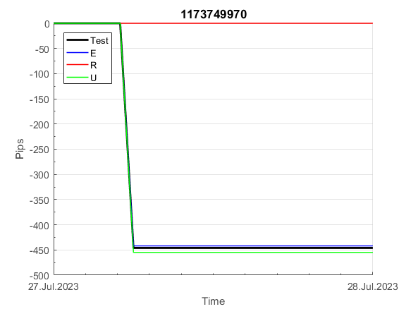
INFO | SymPer | Pip/Y | Trd/Y | RF=MaxPrf/Y/DD | PF | DD/LastDD | iDD | MO/Spred | SD | MO/SD | iRF=MaxPrf/iDD | W/L*W% | = | RISK=PF*RF | Magic | Mod | HL | HLk | TR | TRk | IN | Ik | Del | BrkBck | Inv | D | Iprice | S | P | PM1 | PM2 | Tk | TS | Out | OTr | Oprc | OD | Oprf | Wknd | A | a | AtrLim | tk | T0 | T1 | tp | start | 37987 | 37991 | 2004-01-06 | 2004-01-07 | 2004-01-08 | 2004-01-12 | 2004-01-13 | 2004-01-14 | 2004-01-15 | 2004-01-19 | 2004-01-20 | 2004-01-21 | 2004-01-22 | 2004-01-26 | 2004-01-27 | 2004-01-28 | 2004-01-29 | 2004-02-02 | 2004-02-03 | 2004-02-04 | 2004-02-05 | 2004-02-09 | 2004-02-10 | 2004-02-11 | 2004-02-12 | 2004-02-16 | 2004-02-17 | 2004-02-18 | 2004-02-19 | 2004-02-23 | 2004-02-24 | 2004-02-25 | 2004-02-26 | 2004-03-01 | 2004-03-02 | 2004-03-03 | 2004-03-04 | 2004-03-08 | 2004-03-09 | 2004-03-10 | 2004-03-11 | 2004-03-15 | 2004-03-16 | 2004-03-17 | 2004-03-18 | 2004-03-22 | 2004-03-23 | 2004-03-24 | 2004-03-25 | 2004-03-29 | 2004-03-30 | 2004-03-31 | 2004-04-01 | 2004-04-05 | 2004-04-06 | 2004-04-07 | 2004-04-08 | 2004-04-12 | 2004-04-13 | 2004-04-14 | 2004-04-15 | 2004-04-19 | 2004-04-20 | 2004-04-21 | 2004-04-22 | 2004-04-26 | 2004-04-27 | 2004-04-28 | 2004-04-29 | 2004-05-03 | 2004-05-04 | 2004-05-05 | 2004-05-06 | 2004-05-10 | 2004-05-11 | 2004-05-12 | 2004-05-13 | 2004-05-17 | 2004-05-18 | 2004-05-19 | 2004-05-20 | 2004-05-24 | 2004-05-25 | 2004-05-26 | 2004-05-27 | 2004-05-31 | 2004-06-11 | 2004-06-14 | 2004-06-15 | 2004-06-16 | 2004-06-17 | 2004-06-18 | 2004-06-21 | 2004-06-22 | 2004-06-23 | 2004-06-24 | 2004-06-25 | 2004-06-28 | 2004-06-29 | 2004-06-30 | 2004-07-01 | 2004-07-02 | 2004-07-06 | 2004-07-07 | 2004-07-08 | 2004-07-09 | 2004-07-12 | 2004-07-13 | 2004-07-14 | 2004-07-15 | 2004-07-16 | 2004-07-19 | 2004-07-20 | 2004-07-21 | 2004-07-22 | 2004-07-23 | 2004-07-26 | 2004-07-27 | 2004-07-28 | 2004-07-29 | 2004-07-30 | 2004-08-02 | 2004-08-03 | 2004-08-04 | 2004-08-05 | 2004-08-06 | 2004-08-09 | 2004-08-10 | 2004-08-11 | 2004-08-12 | 2004-08-13 | 2004-08-16 | 2004-08-17 | 2004-08-18 | 2004-08-19 | 2004-08-20 | 2004-08-23 | 2004-08-24 | 2004-08-25 | 2004-08-26 | 2004-08-27 | 2004-08-30 | 2004-08-31 | 2004-09-01 | 2004-09-02 | 2004-09-03 | 2004-09-07 | 2004-09-08 | 2004-09-09 | 2004-09-10 | 2004-09-13 | 2004-09-14 | 2004-09-15 | 2004-09-16 | 2004-09-17 | 2004-09-20 | 2004-09-21 | 2004-09-22 | 2004-09-23 | 2004-09-24 | 2004-09-27 | 2004-09-28 | 2004-09-29 | 2004-09-30 | 2004-10-01 | 2004-10-04 | 2004-10-05 | 2004-10-06 | 2004-10-07 | 2004-10-08 | 2004-10-11 | 2004-10-12 | 2004-10-13 | 2004-10-14 | 2004-10-15 | 2004-10-18 | 2004-10-19 | 2004-10-20 | 2004-10-21 | 2004-10-22 | 2004-10-25 | 2004-10-26 | 2004-10-27 | 2004-10-28 | 2004-10-29 | 2004-11-01 | 2004-11-02 | 2004-11-03 | 2004-11-04 | 2004-11-05 | 2004-11-08 | 2004-11-09 | 2004-11-10 | 2004-11-11 | 2004-11-12 | 2004-11-15 | 2004-11-16 | 2004-11-17 | 2004-11-18 | 2004-11-19 | 2004-11-22 | 2004-11-23 | 2004-11-24 | 2004-11-26 | 2004-11-29 | 2004-11-30 | 2004-12-01
FA$T200.925 2008.01.02-2023.09.05, Sprd=100, StpLev=100, Swaps=-18.17, OPT-2012.01.03-2022.01.31 | XAUUSD30 | 442 | 16 | 0.54 | 1.82 | 831_218 | 1135 | 0.29 | 109 | 2.6 | 26 | 1.6*56 = | 90 | 1 | 1173749970 | 2 | 1 | 4 | -4 | 6 | -7 | 4 | 1 | -2 | 0 | 1 | 1 | -1 | 8 | -3 | 0 | 0 | 0 | 0 | 0 | 3 | 0 | -3 | 0 | 15 | 5 | 20 | 0 | 2 | 6 | 2 |  | 0 | 0 | 0 | 0 | 0 | 0 | 0 | 0 | 162 | 162 | 162 | 109 | 118 | 159 | 159 | 159 | 159 | 44 | 44 | 44 | 44 | 44 | 44 | 44 | 44 | 44 | 44 | 44 | 44 | 44 | 44 | 44 | 44 | 44 | 44 | 44 | 44 | 44 | 44 | 44 | 44 | 44 | 44 | 44 | 44 | 44 | 44 | 44 | 44 | 44 | 44 | 44 | 44 | -10 | -41 | -41 | -184 | -184 | -184 | -184 | -184 | -184 | -184 | -184 | -184 | -184 | -184 | -184 | -184 | -184 | -184 | -184 | -184 | -184 | -184 | -184 | -184 | -184 | -184 | -184 | -184 | -184 | -184 | -184 | -184 | -184 | -184 | -184 | -184 | -184 | -184 | -184 | -184 | -184 | -184 | -184 | -184 | -184 | -184 | -184 | -184 | -184 | -184 | -184 | -184 | -184 | -184 | -184 | -184 | -184 | -184 | -184 | -184 | -97 | -88 | -88 | -88 | -88 | -88 | -88 | -88 | -88 | -88 | -88 | -88 | -88 | -88 | -88 | -88 | -88 | -88 | -88 | -88 | -88 | -88 | -151 | -180 | -180 | -180 | -180 | -180 | -180 | -180 | -180 | -180 | -180 | -180 | -114 | -62 | -62 | -62 | -62 | -62 | -62 | -62 | -89 | -51 | -27 | -27 | -27 | -27 | -27 | -45 | 76 | 76 | 76 | 76 | 76 | 76 | 76 | 76 | 76 | 76 | 76 | 76 | 76 | 76 | 76 | 76 | 76 | 76 | 76 | 76 | 76 | 76 | 76 | 76 | 76 | 76 | 76 | 76 | 76 | 57 | -186 | -186 | -186 | -186 | -265 | -265 | -265 | -265 | -265 | -265 | -265 | -265 | -265 | -265

 |  |  |  |  |  |  |  |  |  |  |  |  |  |  |  |  |  |  |  |  |  |  |  | #DIV/0!
 |  |  |  |  |  |  |  |  |  |  |  |  |  |  |  |  |  |  |  |  |  |  |  | #DIV/0!
 |  |  |  |  |  |  |  |  |  |  |  |  |  |  |  |  |  |  |  |  |  |  |  | #DIV/0!
 |  |  |  |  |  |  |  |  |  |  |  |  |  |  |  |  |  |  |  |  |  |  |  | #DIV/0!

973
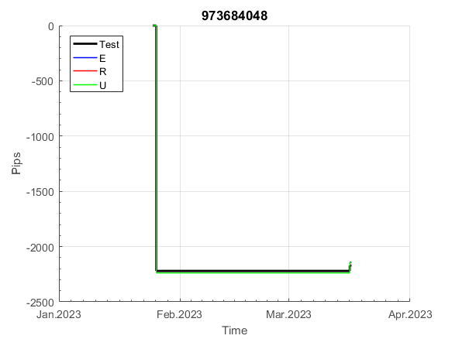
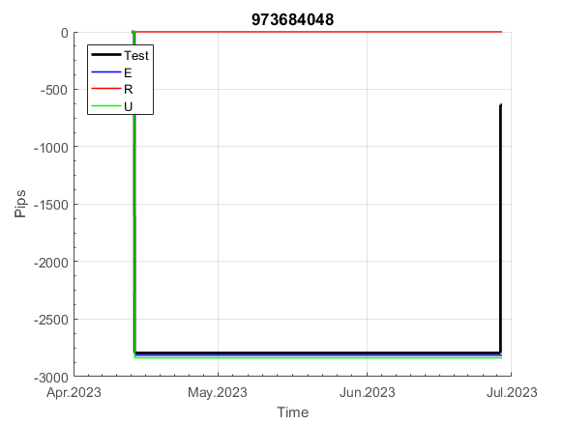

INFO | SymPer | Pip/Y | Trd/Y | RF=MaxPrf/Y/DD | PF | DD/LastDD | iDD | MO/Spred | SD | MO/SD | iRF=MaxPrf/iDD | W/L*W% | = | RISK=PF*RF | Magic | Mod | HL | HLk | TR | TRk | IN | Ik | Del | BrkBck | Inv | D | Iprice | S | P | PM1 | PM2 | Tk | TS | Out | OTr | Oprc | OD | Oprf | Wknd | A | a | AtrLim | tk | T0 | T1 | tp | start | 37987 | 37991 | 2004-01-06 | 2004-01-07 | 2004-01-08 | 2004-01-12 | 2004-01-13 | 2004-01-14 | 2004-01-15 | 2004-01-19 | 2004-01-20 | 2004-01-21 | 2004-01-22 | 2004-01-26 | 2004-01-27 | 2004-01-28 | 2004-01-29 | 2004-02-02 | 2004-02-03 | 2004-02-04 | 2004-02-05 | 2004-02-09 | 2004-02-10 | 2004-02-11 | 2004-02-12 | 2004-02-16 | 2004-02-17 | 2004-02-18 | 2004-02-19 | 2004-02-23 | 2004-02-24 | 2004-02-25 | 2004-02-26 | 2004-03-01 | 2004-03-02 | 2004-03-03 | 2004-03-04 | 2004-03-08 | 2004-03-09 | 2004-03-10 | 2004-03-11 | 2004-03-15 | 2004-03-16 | 2004-03-17 | 2004-03-18 | 2004-03-22 | 2004-03-23 | 2004-03-24 | 2004-03-25 | 2004-03-29 | 2004-03-30 | 2004-03-31 | 2004-04-01 | 2004-04-05 | 2004-04-06 | 2004-04-07 | 2004-04-08 | 2004-04-12 | 2004-04-13 | 2004-04-14 | 2004-04-15 | 2004-04-19 | 2004-04-20 | 2004-04-21 | 2004-04-22 | 2004-04-26 | 2004-04-27 | 2004-04-28 | 2004-04-29 | 2004-05-03 | 2004-05-04 | 2004-05-05 | 2004-05-06 | 2004-05-10 | 2004-05-11 | 2004-05-12 | 2004-05-13 | 2004-05-17 | 2004-05-18 | 2004-05-19 | 2004-05-20 | 2004-05-24 | 2004-05-25 | 2004-05-26 | 2004-05-27 | 2004-05-31 | 2004-06-11 | 2004-06-14 | 2004-06-15 | 2004-06-16 | 2004-06-17 | 2004-06-18 | 2004-06-21 | 2004-06-22 | 2004-06-23 | 2004-06-24 | 2004-06-25 | 2004-06-28 | 2004-06-29 | 2004-06-30 | 2004-07-01 | 2004-07-02 | 2004-07-06 | 2004-07-07 | 2004-07-08 | 2004-07-09 | 2004-07-12 | 2004-07-13 | 2004-07-14 | 2004-07-15 | 2004-07-16 | 2004-07-19 | 2004-07-20 | 2004-07-21 | 2004-07-22 | 2004-07-23 | 2004-07-26 | 2004-07-27 | 2004-07-28 | 2004-07-29 | 2004-07-30 | 2004-08-02 | 2004-08-03 | 2004-08-04 | 2004-08-05 | 2004-08-06 | 2004-08-09 | 2004-08-10 | 2004-08-11 | 2004-08-12 | 2004-08-13 | 2004-08-16 | 2004-08-17 | 2004-08-18 | 2004-08-19 | 2004-08-20 | 2004-08-23 | 2004-08-24 | 2004-08-25 | 2004-08-26 | 2004-08-27 | 2004-08-30 | 2004-08-31 | 2004-09-01 | 2004-09-02 | 2004-09-03 | 2004-09-07 | 2004-09-08 | 2004-09-09 | 2004-09-10 | 2004-09-13 | 2004-09-14 | 2004-09-15 | 2004-09-16 | 2004-09-17 | 2004-09-20 | 2004-09-21 | 2004-09-22 | 2004-09-23 | 2004-09-24 | 2004-09-27 | 2004-09-28 | 2004-09-29 | 2004-09-30 | 2004-10-01 | 2004-10-04 | 2004-10-05 | 2004-10-06 | 2004-10-07 | 2004-10-08 | 2004-10-11 | 2004-10-12 | 2004-10-13 | 2004-10-14 | 2004-10-15 | 2004-10-18 | 2004-10-19 | 2004-10-20 | 2004-10-21 | 2004-10-22 | 2004-10-25 | 2004-10-26 | 2004-10-27 | 2004-10-28 | 2004-10-29 | 2004-11-01 | 2004-11-02 | 2004-11-03 | 2004-11-04 | 2004-11-05 | 2004-11-08 | 2004-11-09 | 2004-11-10 | 2004-11-11 | 2004-11-12 | 2004-11-15 | 2004-11-16 | 2004-11-17 | 2004-11-18 | 2004-11-19 | 2004-11-22 | 2004-11-23 | 2004-11-24 | 2004-11-26 | 2004-11-29 | 2004-11-30 | 2004-12-01
FA$T200.925 2008.01.02-2023.09.05, Sprd=100, StpLev=100, Swaps=-18.17, OPT-2007.01.02-2020.01.02 | XAUUSD30 | 275 | 6 | 0.48 | 2.98 | 611_347 | 1006 | 0.5 | 111 | 4.5 | 53 | 1.1*75 = | 84 | 1.4 | 973684048 | 2 | 5 | 5 | 0 | 9 | 6 | 8 | 1 | -1 | 0 | -3 | 1 | 6 | -2 | 0 | 0 | 0 | 0 | 0 | 1 | 2 | 2 | -3 | 1 | 15 | 5 | 0 | 0 | 4 | 7 | 2 |  | 0 | 0 | -17 | -79 | -98 | -86 | -5 | -5 | -5 | -5 | -5 | -5 | -5 | -5 | -5 | -5 | -5 | -5 | -5 | -5 | -5 | -5 | -5 | -5 | -5 | -5 | -5 | -5 | -5 | -5 | -5 | -5 | -5 | -5 | -5 | -5 | -5 | -5 | -5 | -5 | -5 | -5 | -5 | -5 | -5 | -5 | -5 | -5 | -5 | -5 | -5 | -5 | -5 | -5 | -5 | -5 | -5 | -5 | -5 | -5 | -5 | -5 | -5 | -5 | -5 | -5 | -5 | -5 | -5 | -5 | -5 | -5 | -5 | -5 | -5 | -5 | -5 | -5 | -5 | -5 | -5 | -5 | -5 | -5 | -5 | -5 | -5 | -207 | -207 | -207 | -207 | -207 | -207 | -207 | -207 | -207 | -244 | -269 | -212 | -212 | -212 | -212 | -212 | -212 | -212 | -212 | -212 | -212 | -212 | -212 | -212 | -212 | -212 | -212 | -229 | -158 | -9 | -9 | -9 | -9 | -9 | -9 | -9 | -9 | -9 | -9 | -9 | -9 | -9 | -9 | -9 | -9 | -9 | -9 | -9 | -9 | -9 | -9 | -9 | -9 | -9 | -9 | -9 | -9 | -9 | -9 | -9 | -9 | -9 | -9 | -9 | -9 | -9 | -9 | -9 | -9 | -9 | -9 | -9 | -9 | -168 | -230 | 75 | 336 | 336 | 336 | 336 | 336 | 336 | 315 | 301 | 339 | 339 | 339 | 339 | 312 | 305 | 393 | 393 | 393 | 393 | 393 | 393 | 393 | 393 | 393 | 90 | 475 | 843 | 843 | 843 | 843 | 843 | 843 | 843 | 843 | 843 | 843 | 843 | 843 | 843 | 843 | 843 | 843 | 843 | 843 | 843

 |  |  |  |  |  |  |  |  |  |  |  |  |  |  |  |  |  |  |  |  |  |  |  | #DIV/0!
 |  |  |  |  |  |  |  |  |  |  |  |  |  |  |  |  |  |  |  |  |  |  |  | #DIV/0!
 |  |  |  |  |  |  |  |  |  |  |  |  |  |  |  |  |  |  |  |  |  |  |  | #DIV/0!
 |  |  |  |  |  |  |  |  |  |  |  |  |  |  |  |  |  |  |  |  |  |  |  | #DIV/0!

