Sheet1
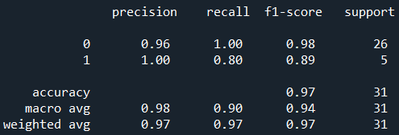
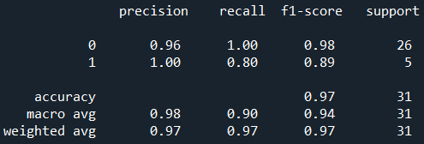
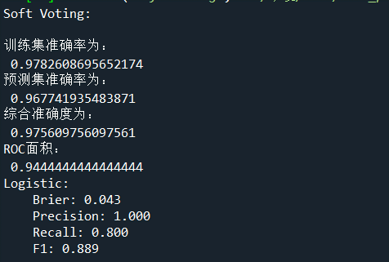
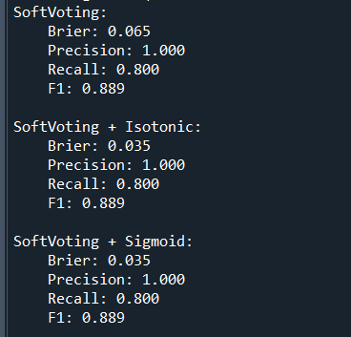
 | 训练集准确率 | 测试集准确率 | ROC面积
LR | 0.97826086957 | 0.96774193548 | 0.94444444444
SVC | 0.97826086957 | 0.96774193548 | 0.94444444444
AB | 1 | 0.93548387097 | 0.97627314815
GBDT | 0.98913043478 | 0.96774193548 | 0.96296296296
RF | 0.98913043478 | 0.96774193548 | 0.96296296296
SoftVote | 0.97826086957 | 0.96774193548 | 0.94444444444

LR |  |  |  | SVC | AB
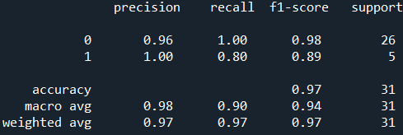
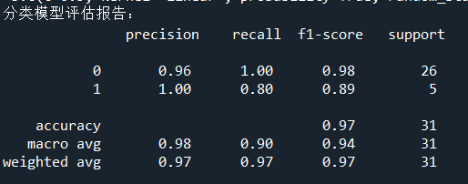
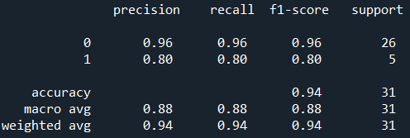

GBDT |  |  |  | RF

