Per-Unit
Per-Unit Concurrent Capacity Offline (kbd, day-weighted) = SUMIFS over Data
Each focus unit on its own, by month and year. Never summed across units.

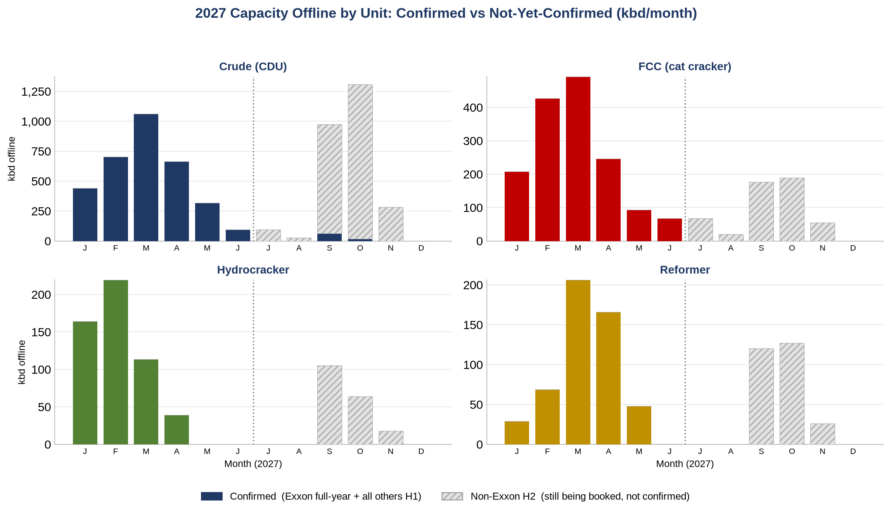
Crude (CDU)
Year | Jan | Feb | Mar | Apr | May | Jun | Jul | Aug | Sep | Oct | Nov | Dec
2023 | 714 | 1,138 | 851 | 667 | 347 | 482 | 239 | 330 | 736 | 1,421 | 761 | 158
2024 | 660 | 1,287 | 846 | 981 | 467 | 264 | 479 | 343 | 633 | 774 | 541 | 212
2025 | 905 | 1,023 | 830 | 1,084 | 565 | 372 | 176 | 255 | 735 | 1,196 | 616 | 233
2026 | 260 | 761 | 678 | 1,134 | 618 | 316 | 71 | 32 | 232 | 180 | 29 | 0
2027 | 440 | 704 | 1,063 | 664 | 320 | 96 | 96 | 28 | 977 | 1,307 | 284 | 0

FCC (cat cracker)
Year | Jan | Feb | Mar | Apr | May | Jun | Jul | Aug | Sep | Oct | Nov | Dec
2023 | 399 | 470 | 296 | 187 | 170 | 199 | 116 | 109 | 267 | 236 | 197 | 71
2024 | 316 | 582 | 225 | 307 | 225 | 220 | 263 | 163 | 289 | 238 | 83 | 46
2025 | 118 | 254 | 292 | 294 | 160 | 138 | 124 | 201 | 409 | 599 | 333 | 74
2026 | 257 | 470 | 257 | 364 | 179 | 108 | 2 | 0 | 0 | 59 | 80 | 5
2027 | 208 | 427 | 492 | 246 | 93 | 68 | 68 | 20 | 176 | 190 | 55 | 0

Hydrocracker
Year | Jan | Feb | Mar | Apr | May | Jun | Jul | Aug | Sep | Oct | Nov | Dec
2023 | 106 | 245 | 316 | 267 | 65 | 11 | 36 | 20 | 20 | 87 | 47 | 12
2024 | 155 | 335 | 166 | 53 | 48 | 64 | 39 | 33 | 121 | 146 | 90 | 45
2025 | 74 | 166 | 122 | 108 | 60 | 96 | 118 | 165 | 203 | 168 | 145 | 76
2026 | 14 | 46 | 87 | 121 | 74 | 11 | 0 | 5 | 75 | 53 | 17 | 0
2027 | 164 | 219 | 113 | 39 | 0 | 0 | 0 | 0 | 105 | 64 | 18 | 0

Reformer
Year | Jan | Feb | Mar | Apr | May | Jun | Jul | Aug | Sep | Oct | Nov | Dec
2023 | 114 | 189 | 252 | 237 | 187 | 153 | 109 | 141 | 161 | 277 | 143 | 32
2024 | 209 | 583 | 214 | 336 | 196 | 163 | 152 | 103 | 170 | 326 | 106 | 26
2025 | 49 | 113 | 162 | 269 | 103 | 55 | 26 | 65 | 72 | 179 | 127 | 24
2026 | 44 | 84 | 69 | 115 | 108 | 107 | 29 | 18 | 121 | 115 | 31 | 0
2027 | 29 | 69 | 206 | 166 | 48 | 0 | 0 | 0 | 120 | 127 | 26 | 0

Busiest-month concurrent offline (=MAX of the unit's months)
Year | Crude (CDU) | FCC (cat cracker) | Hydrocracker | Reformer
2023 | 1,421 | 470 | 316 | 277
2024 | 1,287 | 582 | 335 | 583
2025 | 1,196 | 599 | 203 | 269
2026 | 1,134 | 470 | 121 | 121
2027 | 1,307 | 492 | 219 | 206

Biggest
Biggest 2027 Outages by Unit (nameplate kbd, from Data)
Individual units, never added. PADD shows where the tonnage sits.

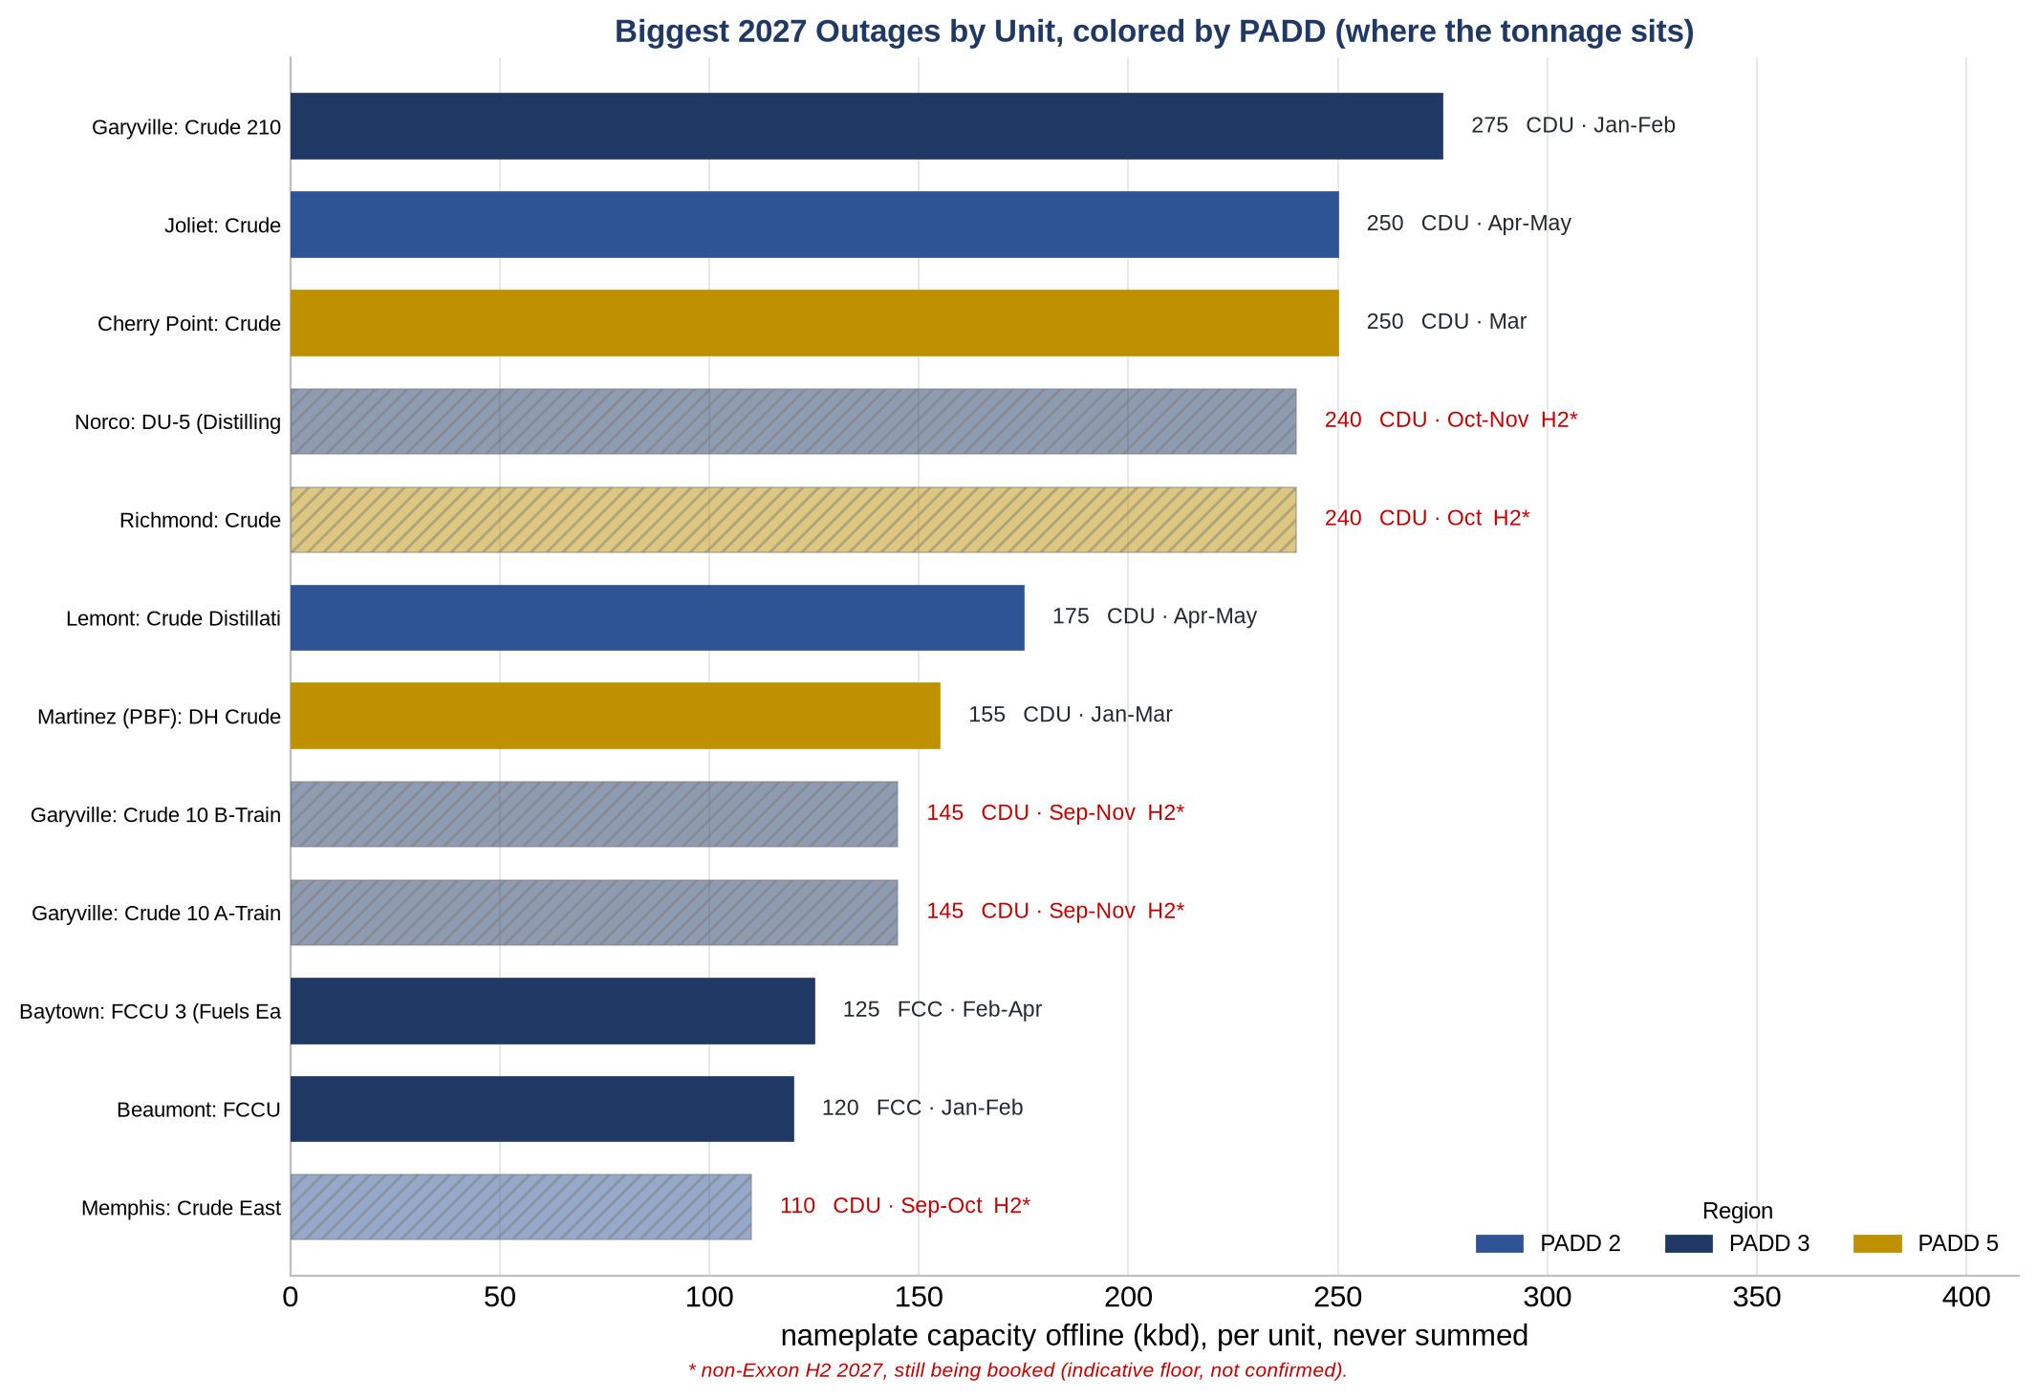
Refinery | Unit | Class | PADD | kbd | Window | Type | Status
Garyville | Crude 210 | CDU | PADD 3 | 275 | Jan-Feb | Planned | confirmed
Cherry Point | Crude | CDU | PADD 5 | 250 | Mar | Planned | confirmed
Joliet | Crude | CDU | PADD 2 | 250 | Apr-May | Planned | confirmed
Richmond | Crude | CDU | PADD 5 | 240 | Oct | Planned | indicative (H2)
Norco | DU-5 (Distilling Unit) (Sweet) | CDU | PADD 3 | 240 | Oct-Nov | Planned | indicative (H2)
Lemont | Crude Distillation 111 | CDU | PADD 2 | 175 | Apr-May | Planned | confirmed
Martinez (PBF) | DH Crude | CDU | PADD 5 | 155 | Jan-Mar | Planned | confirmed
Garyville | Crude 10 A-Train/Sour | CDU | PADD 3 | 145 | Sep-Nov | Planned | indicative (H2)
Garyville | Crude 10 B-Train Sour/Sweet | CDU | PADD 3 | 145 | Sep-Nov | Planned | indicative (H2)
Baytown | FCCU 3 (Fuels East) | FCC | PADD 3 | 125 | Feb-Apr | Planned | confirmed
Beaumont | FCCU | FCC | PADD 3 | 120 | Jan-Feb | Planned | confirmed
Memphis | Crude East | CDU | PADD 2 | 110 | Sep-Oct | Planned | indicative (H2)
Houston (Valero) | Crude (Combo Unit) | CDU | PADD 3 | 110 | Sep-Oct | Planned | indicative (H2)
Lake Charles (Phillips 66) | Crude 3 (Sour) LUBES | CDU | PADD 3 | 110 | Sep-Oct | Planned | indicative (H2)
Baton Rouge | PSLA 9 (Pipestill) | CDU | PADD 3 | 110 | Sep-Oct | Planned | confirmed
Houston (Valero) | Crude Topping Unit | CDU | PADD 3 | 107 | Sep-Oct | Planned | indicative (H2)
Sweeny | Crude 9 (SWEET) | CDU | PADD 3 | 101 | Mar-Apr | Planned | confirmed
Ferndale | Crude | CDU | PADD 5 | 100 | Sep-Nov | Planned | indicative (H2)
Pasadena | Crude | CDU | PADD 3 | 100 | Sep-Oct | Planned | indicative (H2)
Joliet | FCCU | FCC | PADD 2 | 98 | Apr-May | Planned | confirmed
Catlettsburg 2 - North | FCCU | FCC | PADD 2 | 98 | Sep-Oct | Planned | indicative (H2)
Bill Greehey-East | Crude (Heavy Sour) | CDU | PADD 3 | 96 | Feb-Mar | Planned | confirmed
Chalmette | Crude 1 (Sweet) | CDU | PADD 3 | 96 | Jun-Aug | Planned | confirmed
Three Rivers | Crude 1 | CDU | PADD 3 | 95 | Jan-Feb | Planned | confirmed
Ponca City | CTU 1 (Crude Topping) (Sour) | CDU | PADD 2 | 95 | Sep-Oct | Planned | indicative (H2)
Ardmore | Crude (Sour) | CDU | PADD 2 | 92 | Sep-Oct | Planned | indicative (H2)
El Segundo | Crude 2 | CDU | PADD 5 | 90 | Jan-Feb | Planned | confirmed
El Dorado (Delek) | Crude 4 | CDU | PADD 3 | 80 | Feb-Apr | Planned | confirmed
Memphis | Crude West (Jet Fuels Treater) | CDU | PADD 2 | 80 | Mar-Apr | Planned | confirmed
Pascagoula | FCCU (16 Plant) | FCC | PADD 3 | 79 | Feb-Mar | Planned | confirmed

H1 by Unit
H1 (Jan-Jun) Planned Offline per Unit & Month = SUMIFS (type=Planned)
Like-for-like cross-year read; 2027 is confirmed through H1. H1 avg = AVERAGE of the row.

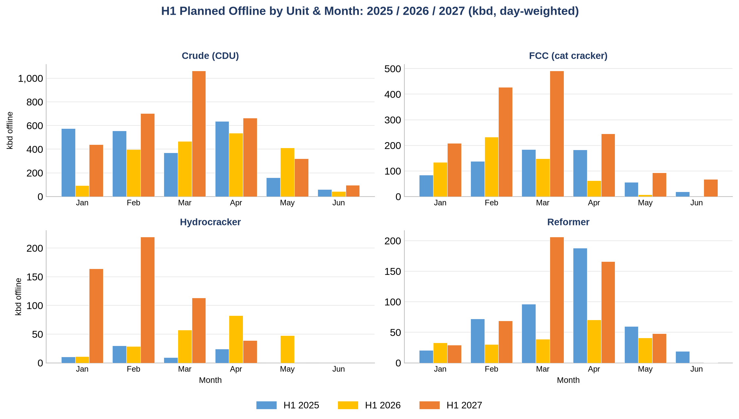
Crude (CDU)
Year | Jan | Feb | Mar | Apr | May | Jun
2025 | 575 | 556 | 369 | 635 | 161 | 60
2026 | 94 | 398 | 466 | 536 | 413 | 43
2027 | 440 | 704 | 1,063 | 664 | 320 | 96

FCC (cat cracker)
Year | Jan | Feb | Mar | Apr | May | Jun
2025 | 84 | 139 | 184 | 183 | 56 | 19
2026 | 135 | 233 | 148 | 63 | 7 | 0
2027 | 208 | 427 | 492 | 246 | 93 | 68

Hydrocracker
Year | Jan | Feb | Mar | Apr | May | Jun
2025 | 11 | 30 | 10 | 24 | 0 | 0
2026 | 11 | 29 | 57 | 83 | 48 | 0
2027 | 164 | 219 | 113 | 39 | 0 | 0

Reformer
Year | Jan | Feb | Mar | Apr | May | Jun
2025 | 21 | 72 | 96 | 188 | 60 | 19
2026 | 33 | 30 | 39 | 70 | 41 | 0
2027 | 29 | 69 | 206 | 166 | 48 | 0

H1 average offline (=AVERAGE Jan:Jun)
Unit | 2025 | 2026 | 2027
Crude (CDU) | 393 | 325 | 548
FCC (cat cracker) | 111 | 98 | 256
Hydrocracker | 12 | 38 | 89
Reformer | 76 | 36 | 86

PADD by Unit
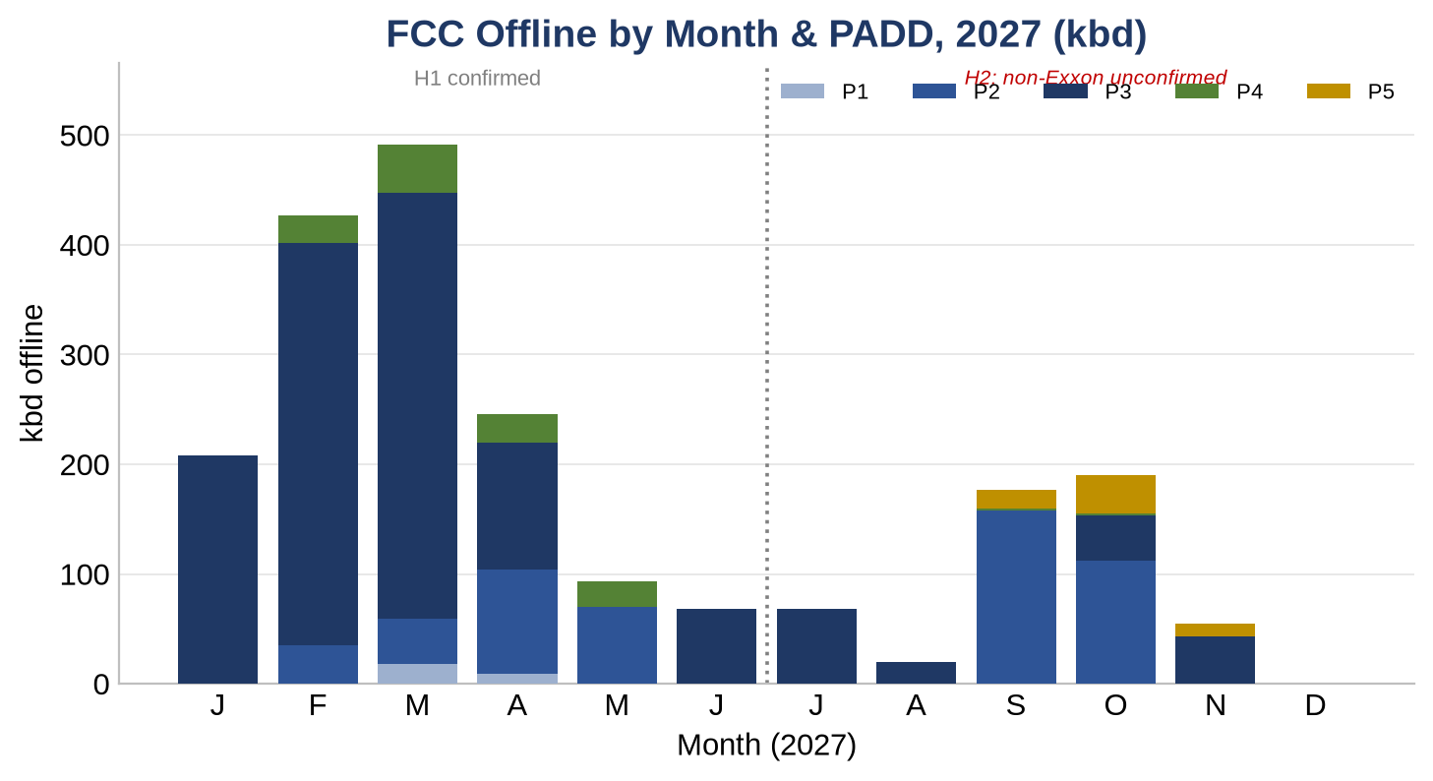
2027 Offline by PADD & Month, per Unit (kbd) = SUMIFS over Data
Where it tightens. CDU (crude) and FCC (cat cracker), each kept separate.

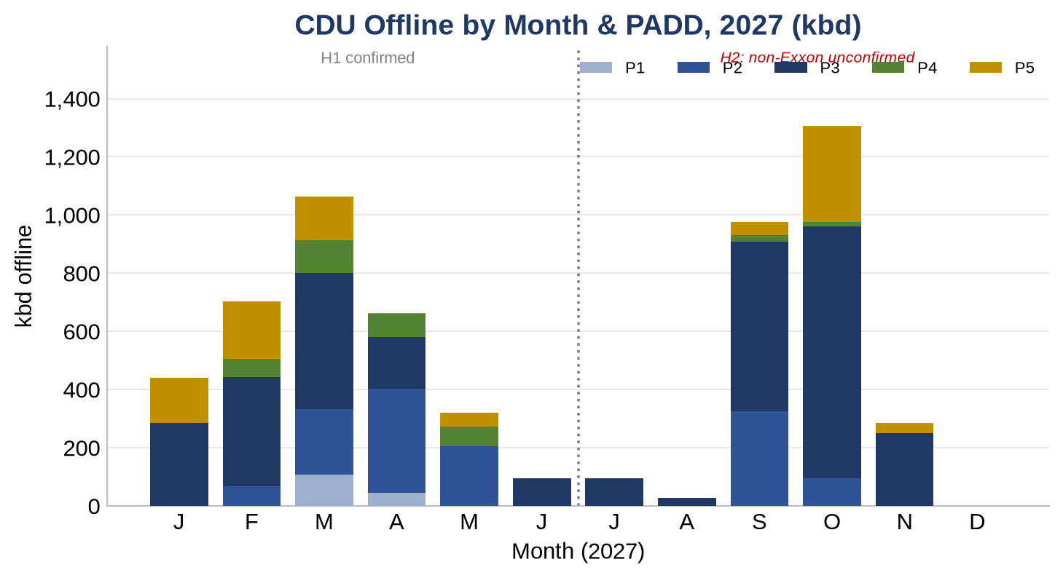
Crude (CDU) by PADD
PADD | Jan | Feb | Mar | Apr | May | Jun | Jul | Aug | Sep | Oct | Nov | Dec
PADD 1 | 0 | 0 | 109 | 45 | 0 | 0 | 0 | 0 | 0 | 0 | 0 | 0
PADD 2 | 0 | 68 | 224 | 358 | 206 | 0 | 0 | 0 | 325 | 96 | 0 | 0
PADD 3 | 286 | 375 | 469 | 179 | 0 | 96 | 96 | 28 | 584 | 866 | 251 | 0
PADD 4 | 0 | 62 | 111 | 78 | 66 | 0 | 0 | 0 | 21 | 14 | 0 | 0
PADD 5 | 155 | 199 | 151 | 5 | 48 | 0 | 0 | 0 | 47 | 332 | 33 | 0

FCC (cat cracker) by PADD
PADD | Jan | Feb | Mar | Apr | May | Jun | Jul | Aug | Sep | Oct | Nov | Dec
PADD 1 | 0 | 0 | 18 | 9 | 0 | 0 | 0 | 0 | 0 | 0 | 0 | 0
PADD 2 | 0 | 35 | 41 | 95 | 70 | 0 | 0 | 0 | 158 | 112 | 0 | 0
PADD 3 | 208 | 366 | 388 | 116 | 0 | 68 | 68 | 20 | 0 | 42 | 43 | 0
PADD 4 | 0 | 25 | 45 | 26 | 23 | 0 | 0 | 0 | 2 | 1 | 0 | 0
PADD 5 | 0 | 0 | 0 | 0 | 0 | 0 | 0 | 0 | 16 | 35 | 12 | 0

Naphtha
Naphtha Balance: CDU Supply vs Reformer Demand (kbd) = live model
CDU/reformer offline pulled from Data; supply, demand and net recompute off the Assumptions yields.

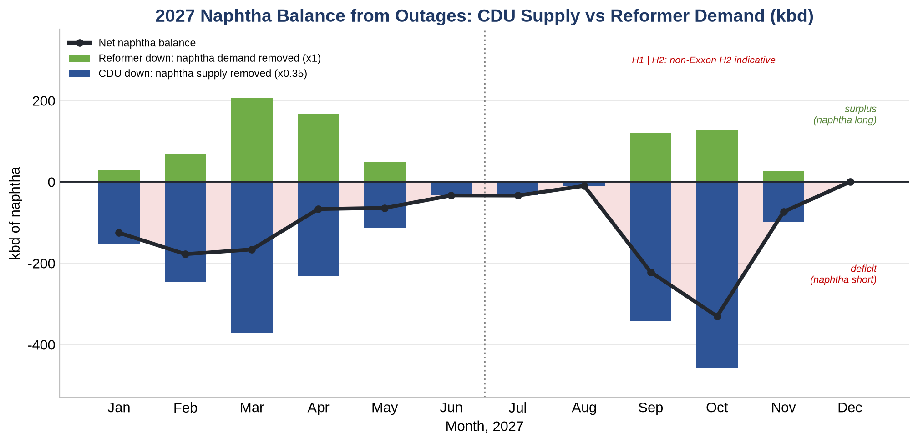
Month | CDU offline | Naphtha supply removed | Reformer offline | Naphtha demand removed | Net balance
Jan | 440 | 154 | 29 | 29 | -125
Feb | 704 | 246 | 69 | 69 | -178
Mar | 1,063 | 372 | 206 | 206 | -166
Apr | 664 | 233 | 166 | 166 | -67
May | 320 | 112 | 48 | 48 | -64
Jun | 96 | 34 | 0 | 0 | -33
Jul | 96 | 34 | 0 | 0 | -34
Aug | 28 | 10 | 0 | 0 | -10
Sep | 977 | 342 | 120 | 120 | -222
Oct | 1,307 | 458 | 127 | 127 | -331
Nov | 284 | 100 | 26 | 26 | -73
Dec | 0 | 0 | 0 | 0 | 0
Year | 5,980 | 2,093 | 791 | 791 | -1,302

Net < 0 = deficit (naphtha short, bullish reformate); net > 0 = surplus.
2027 annual net = -1,302 kbd (11 deficit months, 0 surplus).

ExxonMobil
ExxonMobil 2027 Focus-Unit Turnarounds, per Unit (kbd)
Cross-checked against ExxonMobil's corporate turnaround plan.

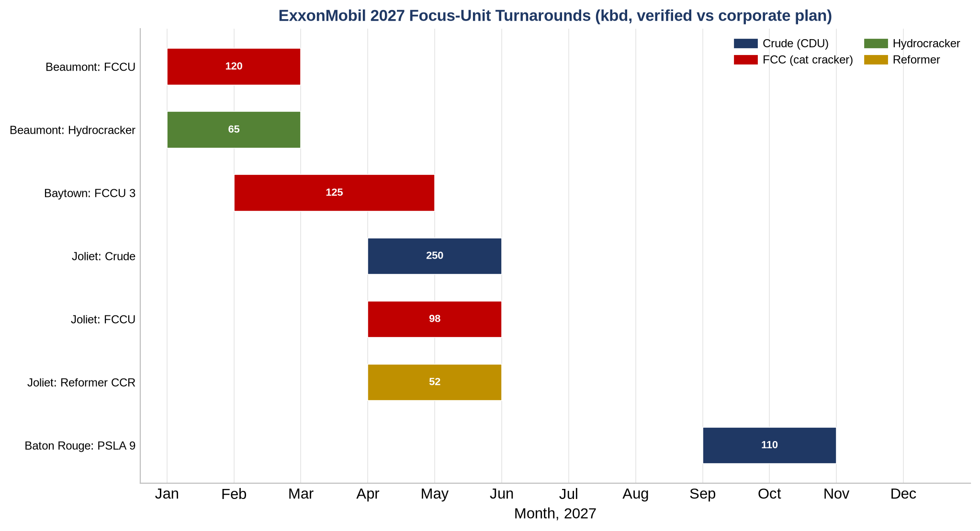
Refinery | Unit | Class | PADD | kbd | Window | Type | Vs corporate plan
Joliet | Crude | CDU | PADD 2 | 250 | Apr-May | Planned | matches corporate plan
Baytown | FCCU 3 (Fuels East) | FCC | PADD 3 | 125 | Feb-Apr | Planned | matches corporate plan
Beaumont | FCCU | FCC | PADD 3 | 120 | Jan-Feb | Planned | matches corporate plan
Baton Rouge | PSLA 9 (Pipestill) | CDU | PADD 3 | 110 | Sep-Oct | Planned | matches corporate plan
Joliet | FCCU | FCC | PADD 2 | 98 | Apr-May | Planned | no FCC outage at Joliet in the 2027 corporate plan - likely phantom / duplicate
Beaumont | Hydrocracker | Hydrocracker | PADD 3 | 65 | Jan-Feb | Planned | matches corporate plan
Joliet | Reformer CCR | Reformer | PADD 2 | 52 | Apr-May | Planned | matches corporate plan

Forecast
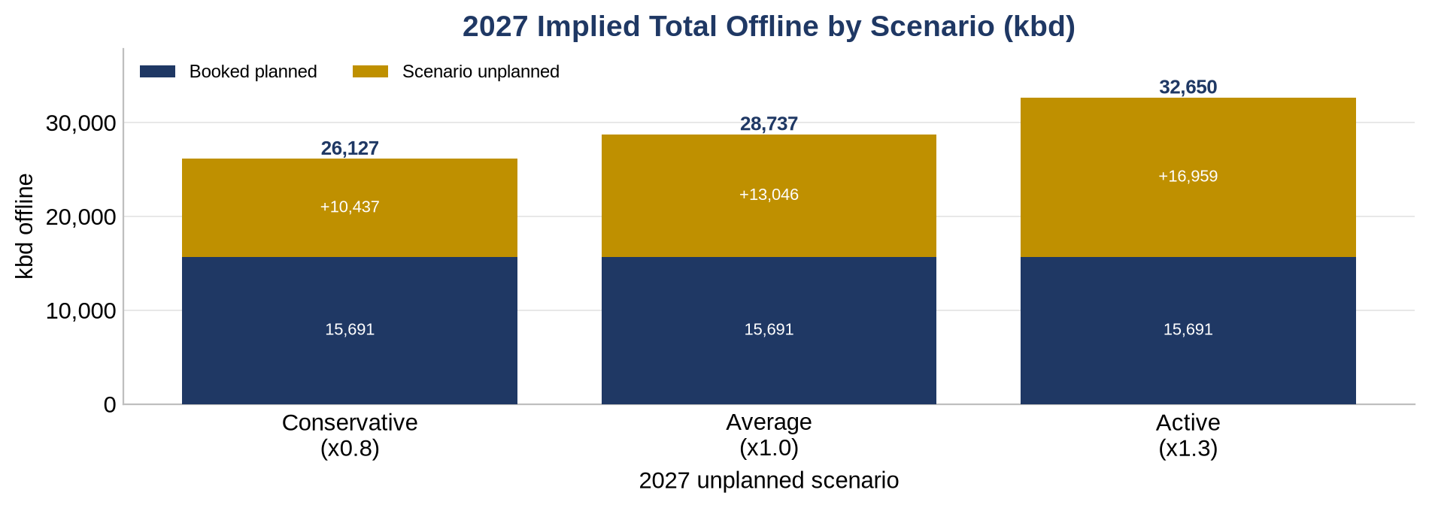
2027 Unplanned Scenario (kbd) = baseline x multiplier (live)
Each path recomputes off the Assumptions multipliers. A risk range, not a forecast.

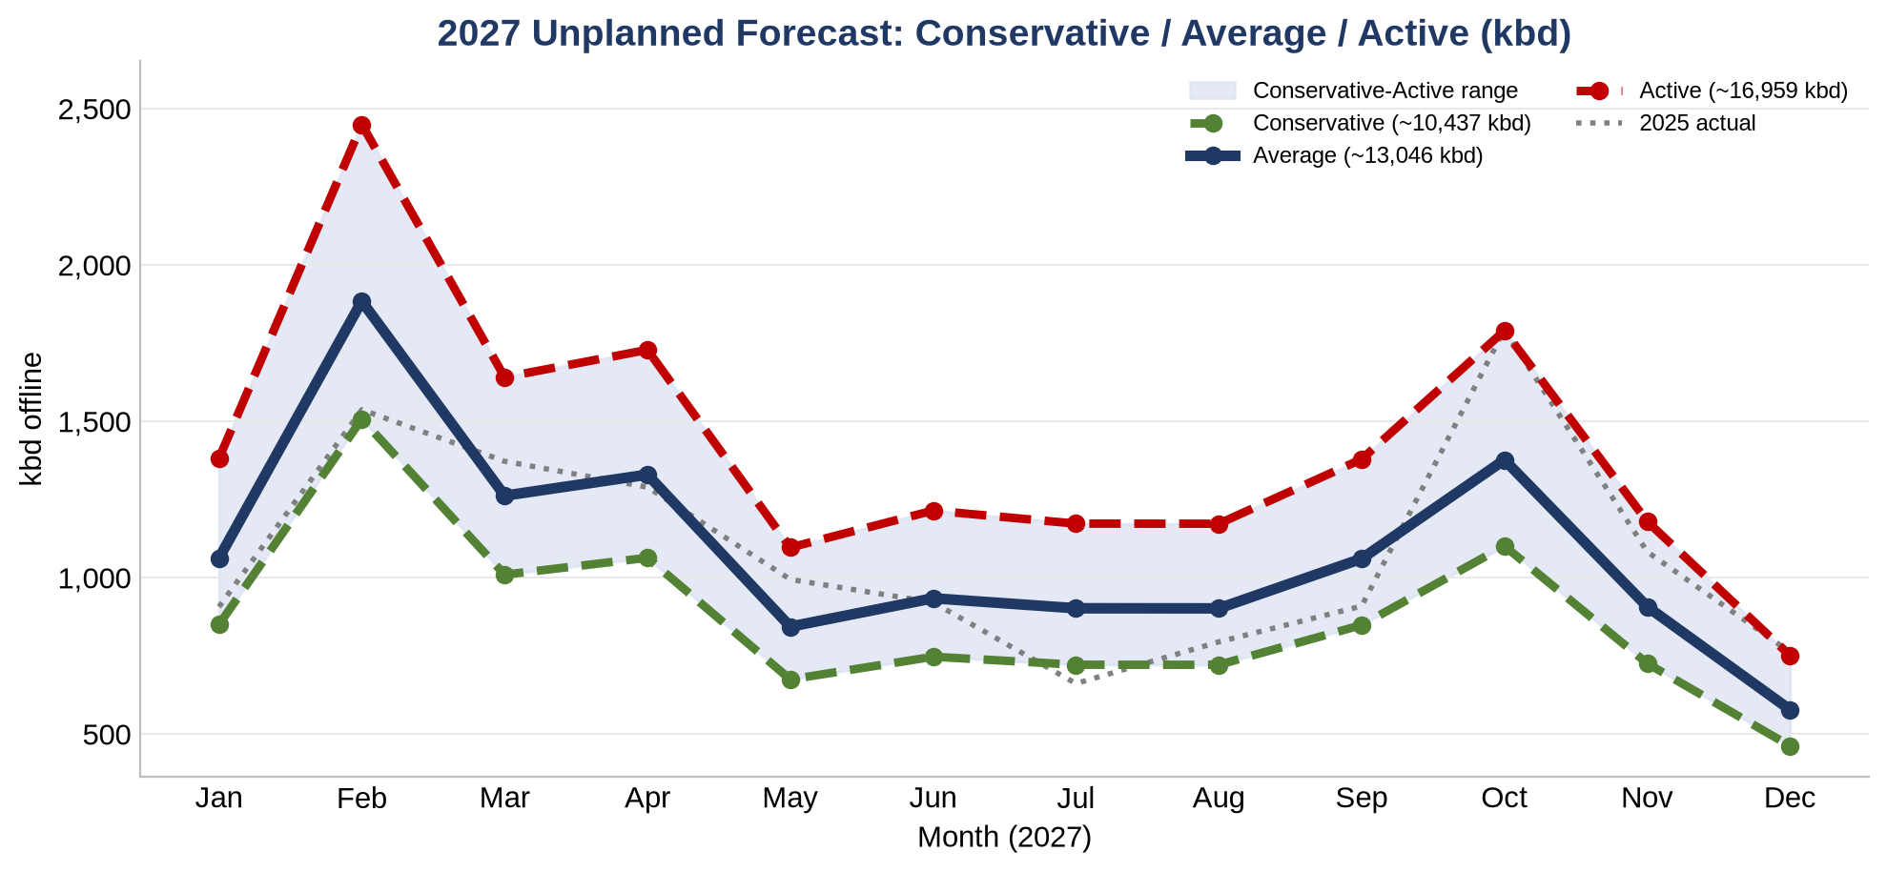
Series | Jan | Feb | Mar | Apr | May | Jun | Jul | Aug | Sep | Oct | Nov | Dec | Annual
Baseline (2023-2026, completeness-aware) | 1,063 | 1,884 | 1,263 | 1,330 | 844 | 934 | 902 | 902 | 1,061 | 1,377 | 908 | 578 | 13,046
Conservative | 850 | 1,508 | 1,010 | 1,064 | 675 | 748 | 722 | 722 | 849 | 1,102 | 726 | 462 | 10,437
Average | 1,063 | 1,884 | 1,263 | 1,330 | 844 | 934 | 902 | 902 | 1,061 | 1,377 | 908 | 578 | 13,046
Active | 1,382 | 2,450 | 1,641 | 1,729 | 1,097 | 1,215 | 1,173 | 1,173 | 1,379 | 1,790 | 1,180 | 751 | 16,959

Booked planned 2027 | 15,691
Implied total (planned + unplanned)
Scenario | Unplanned | + Planned | Implied total
Conservative | 10,437 | 15,691 | 26,127
Average | 13,046 | 15,691 | 28,737
Active | 16,959 | 15,691 | 32,650

History (complete years, annual unplanned)
P25 | 12,296
Median | 13,028
P90 | 14,841
Mean | 13,296

