Sheet1
Words | Title | Author | File | Style | State | Alignment | On Target | Writing | Scanability | SEO | Grammar
1000 | Uniti Part 1 | Holly Suttle | 2016-10-26-Uniti.md | Client Showcase | Draft
622 | GDPR Survey - Prelim Analysis | Neil Williams | 2017-10-26-GDPR-Survey.md | Market Research | LinkedIn
900 | GDPR in the Energy Sector | Neil Williams | 2017-17-10-GDPR.md | Event Promotion | LinkedIn
230 | Adding EVs to the DSM mix | Duncan Tytler | 2016-06-26-EV-DSM.md | Opinion | Light
7056 | Exponential Growth of Solar | David Saunders | 2016-10-15-Solar-Expopnential.md | Opinion | Bloated
2349 | Why I Drive an Electric Car | Neil Williams | 2017-01-16-EV.md | Interview | Bloated
320 | Entering the Energy Supply Market | Neil Williams | 2017-01-20-new-entrants.md | Whitepaper | Pre Pub
2170 | Smart & Digital Energy in 2017 | Neil Williams | 2017-03-15-digital-viewpoint-2017.md | Whitepaper | Pre Pub
2357 | Investing in the Electricity Industry | Neil Williams | 2017-07-12-Electricity-Investors.md | Whitepaper | Pre Pub
2380 | Electricity procurement for small suppliers | Kathryn Porter | 2017-07-26-Electricity-Procurement.md | Whitepaper | Pre Pub
45 | Customer Care in Gas & Electricity | Andrew Hancock | 2017-07-28-Customer-Care.md | Deck | Light
1218 | Digital Channels for Small Suppliers | Dave Hodgson | 2017-08-31-Digital-Channels.md | Whitepaper | Rough
558 | What are the predictions for PR19? | Holly Suttle | 2017-09-12-PR19.md | Opinion | Light
325 | Marine Energy | Holly Suttle | 2017-09-17-Marine-Energy.md | Opinion | Light
519 | SmartSummit 2017 | Holly Suttle | 2017-10-04-SmartSummit.md | Event | Light
22049

 | Types of Blog Post | http://www.problogger.net/52-types-of-blog-posts-that-are-proven-to-work/

 | Writing Effort | https://www.dorisandbertie.com/goodcopybadcopy/2015/07/20/writing-speed-long-take-write-something
 | 800 words per day | polished prose for business
 | 100 words per hour
 |  | !!! Marcus Sheridan boasts of 850 words in 30 mins !!!!

 | Target Length | https://blog.bufferapp.com/optimal-length-social-media
 | 500-1600 words | Overall, 74% of posts on Medium are under 3 minutes long and 94% are under 6 minutes long
 | 6 words | Only the first 3 words and the last 3 words of a headline tend to be read. Rather than worrying about length, focus on making every word count.
 | 40-55 characters | Opening paragraphs with larger fonts and fewer characters per line make it easier for the reader to focus and jump quickly from one line to the next.

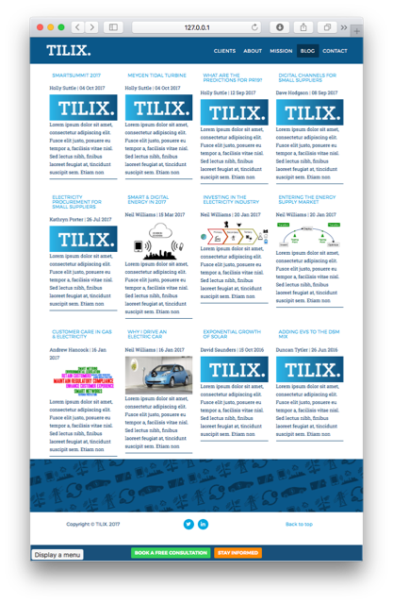
 | Words Read Per Minute | http://www.forbes.com/sites/brettnelson/2012/06/04/do-you-read-fast-enough-to-be-successful/#56d411be58f7
 | 8 year old | 150
 | IA Writer | 200
 | 13 year old | 250
 | Average adult | 300
 | Average college student | 450
 | Average “high level exec” | 575
 | Average college professor | 675
 | Speed readers | 1500
 | World speed reading champion | 4,700

