Full LCI PEMWE unit
skip

This worksheet contains the values for a PEMWE unit of 1 MW Balance of Plant (BoP) and stak components
Adapted from: | https://doi.org/10.1016/j.est.2021.102759

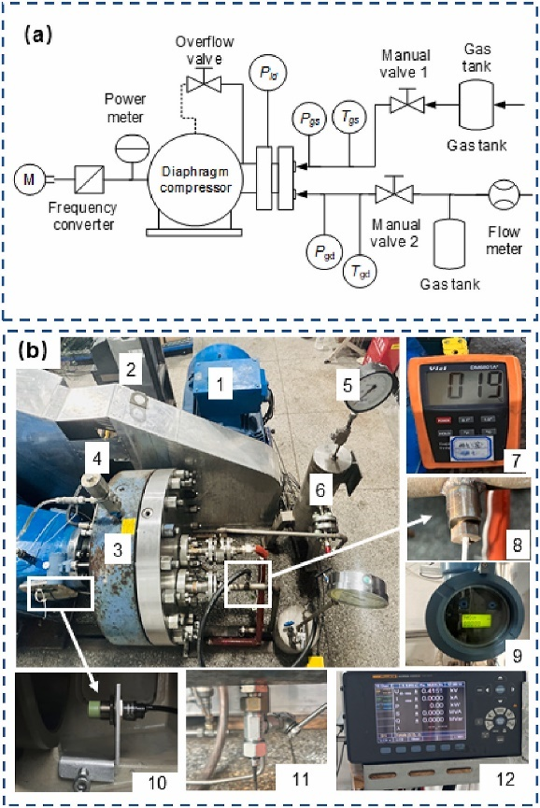
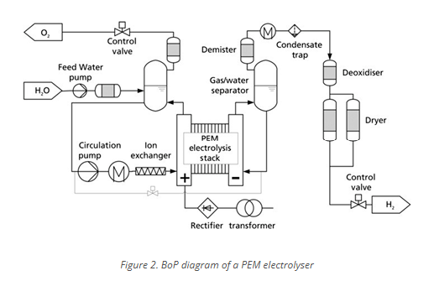
Activity Code | Components | ecoinvent (3.10.1) Database Process | Region | Value | Unit
actbop | Balance of Plant (BoP) |  | GLO | 1 | unit
actbop1 | Power electronics (rectifier, voltage adaption) | market for aluminium, wrought alloy | GLO | 100 | kg
 |  | market for sheet rolling, copper | GLO | 200 | kg
 |  | market for reinforcing steel | GLO | 600 | kg
 |  | market for sheet rolling, aluminium | GLO | 100 | kg
 |  | market for sheet rolling, steel | GLO | 600 | kg
 |  | market for tube insulation, elastomere | GLO | 100 | kg
 |  | market for wire drawing, copper | GLO | 200 | kg
actbop2 | Control panel / electronics | market for electronics, for control units | GLO | 100 | kg
actbop3 | Tubing and pump | market for steel, low-alloyed | GLO | 900 | kg
 |  | market for sheet rolling, steel | GLO | 900 | kg
actbop4 | Steel construction element | market for aluminium, wrought alloy | GLO | 750 | kg
 |  | market for steel, chromium steel 18/8, hot rolled | GLO | 750 | kg
actpob5 | Gas purification (deoxidiser) and water treatment | market for aluminium, wrought alloy | GLO | 100 | kg
 |  | market for sheet rolling, aluminium | GLO | 100 | kg
actbop6 | Water gas separator | market for copper-rich materials | GLO | 100 | kg
 |  | market for sheet rolling, copper | GLO | 100 | kg | Image source: | https://synerhy.com/en/2022/02/balance-of-plant-bop-of-an-electrolyser/
actbop7 | Valves | market for polypropylene, granulate | GLO | 300 | kg
 |  | market for injection moulding | GLO | 300 | kg
actbop8 | Back pressure regulator | market for lubricating oil | RoW | 100 | kg |  |  | Image source: | https://www.sciencedirect.com/science/article/pii/S0960148124019396
actbop9 | Ion exchanger for water treatment | market for zeolite, powder | GLO | 100 | kg
actbop10 | Heat exchanger | market for sheet rolling, chromium steel | GLO | 1161 | kg
 |  | market for steel, chromium steel 18/8, hot rolled | GLO | 1161 | kg
actbop11 | Water purifier and feed tank | market for extrusion, plastic pipes | GLO | 464.6 | kg
 |  | market for polyethylene, low density, granulate | GLO | 464.6 | kg
 |  | market for reinforcing steel | GLO | 232.3 | kg
 |  | market for sheet rolling, steel | GLO | 232.3 | kg
actbop12 | Frequency convertor for diaphragm compressor | market for aluminium, wrought alloy | GLO | 60 | kg
 |  | market for copper-rich materials | GLO | 45 | kg
 |  | market for reinforcing steel | GLO | 180 | kg
 |  | market for tube insulation, elastomere | GLO | 15 | kg
 |  | market for wire drawing, copper | GLO | 45 | kg
actbop13 | Diaphragm for diaphragm compressor | market for cast iron | GLO | 600 | kg
 |  | market for ethylene glycol | RoW | 7 | kg
 |  | market for reinforcing steel | GLO | 1300 | kg
 |  | market for sheet rolling, chromium steel | GLO | 405 | kg
 |  | market for sheet rolling, steel | GLO | 400 | kg
 |  | market for steel, chromium steel 18/8, hot rolled | GLO | 405 | kg
actbop14 | Container with pipes and fittings for diaphragm crompressor | market for reinforcing steel | GLO | 1000 | kg
 |  | market for sheet rolling, chromium steel | GLO | 1500 | kg
 |  | market for sheet rolling, steel | GLO | 1000 | kg
 |  | market for steel, chromium steel 18/8, hot rolled | GLO | 1500 | kg
actbop15 | Buffertank | market for sheet rolling, chromium steel | GLO | 511 | kg
 |  | market for steel, chromium steel 18/8, hot rolled | GLO | 511 | kg
 |  | market for welding, arc, steel | GLO | 29 | m
actbop16 | Container | market for sheet rolling, steel | GLO | 2250 | kg
 |  | market for steel, low-alloyed, hot rolled | GLO | 2250 | kg
actbop17 | Foundation | market for concrete, 35MPa | RoW | 2.3 | m3
actstack | Stack |  | GLO | 1 | unit
actstack1 | End plate | market for aluminium, wrought alloy | GLO | 27 | kg
 |  | market for sheet rolling, aluminium | GLO | 27 | kg
actstack2 | Bipolar plate | titanium production | GLO | 528 | kg
actstack3 | Membrane polymer | market for tetrafluoroethylene | GLO | 16 | kg
actstack4 | Electrocatalyst anode | market for carbon black | GLO | 4.5 | kg
 |  | market for iridium | RER | 0.8 | kg
actstack5 | Electrocatalyst cathode | market for carbon black | GLO | 4.5 | kg
 |  | market for platinum | GLO | 0.075 | kg
actstack6 | Current collector | market for copper-rich materials | GLO | 4.5 | kg
 |  | market for sheet rolling, copper | GLO | 4.5 | kg
actstack7 | Bolts and screws | market for sheet rolling, chromium steel | GLO | 100 | kg
 |  | market for steel, chromium steel 18/8, hot rolled | GLO | 100 | kg
actstack8 | Gasket | market for synthetic rubber | GLO | 4.8 | kg
 | Additional Manufacturing Energy
 | PEM Stack | market group for electricity, low voltage | GLO | 311672.3 | kWh
 | PEM BoP | market group for electricity, low voltage | GLO | 50000 | kWh

