Menu
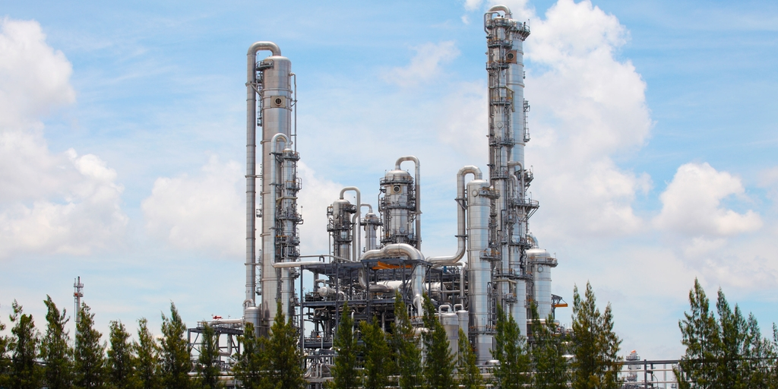
Distillation Column Design
Course Teacher: Prof. Farhadi
TA: Mr. Heidari
Group Members:
Mohammad Homanloo Matin Lashgari
Spring 2023
Introduction
Plate Layout

Properties
Weight

Cost
Diameter Calc.

Plate Design
Part I
Column DataSheet

Plate Design
Part II
Mechanical
Design

Introduction
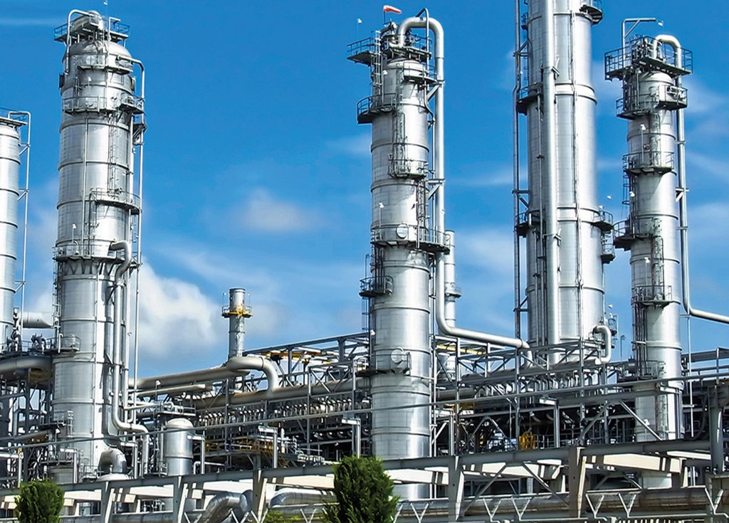
Distillation columns are an inseperable part of any chemical plant and so well distinguished that they are treated as the symbol of industrial plants and oil refinaries. The use of traditional distillation methodes are centries old and it has been decades where scientists and engineers are trying to optimize the methodes of distillation and manufacture of the columns.
In this project a predetermined process is given to us and we are obligated to design a distillation column which should operate seamlessly and safely to produce the quality and quantity demanding.
This spreadsheet contains several sheets which include calculations, assumptions, and data required for the design. In each sheet the whole calculation process is fully described in details.
All the calculations will be applied to several different candidates in parallel and at the end the best option will be determined.
Predetermined properties are shown in Properties and will be used in further calculations.
In Diameter Calc. with the use of different graphs and equations, some proper values for column diameter will be determined.
In Plate Desing Part I & II, with obtaining area, length and height of various parts of the column, we will be able to choose the final sizings by considering pressure drop, weeping, flooding percentage, residence time and so on.
With the final sizes obtained, a detailed plate layout could be obtained and a detailed drawing will be drawn with AutoCAD in the Plate Layout sheet.
Weight and Cost sheets will be dedicated to the respective aspects of the column and usefull charts, tables, and drawings could be found in there.
Mechanical Design is dedicated to gather and summerize details which manufactuing of the column heavily depends on them.
If you have any question about the project or need to contact us by any means, here is our email addresses:
mohammad.homanloo@sharif.edu
matin.lashgari@sharif.edu

Diameter Calc.
Table 2.1 - Diameter Calculation for Tray Spacing of 18 inches & Downcomer Area of 12%
Tray no. | WL | Wv | ρL | ρV | Flv | σ | Csb | K1 | Uf | Un | MW | L | V | Anet | A cross section | D column | Dcolumn
 | mol/hr | mol/hr | kg/m3 | kg/m3 |  | dyne/cm |  |  | m/s | m/s |  | m3/s | m3/s | m2 | m2 | m | inch
1 | 245.700 | 301.000 | 716.500 | 2.179 | 0.045 | 16.444 | 0.292 | 0.280 | 5.075 | 3.807 | 46.544 | 0.00443 | 1.786 | 0.469 | 0.533 | 0.824 | 32.439
2 | 244.400 | 300.300 | 717.100 | 2.192 | 0.045 | 16.467 | 0.292 | 0.280 | 5.063 | 3.798 | 47.556 | 0.00450 | 1.809 | 0.476 | 0.541 | 0.830 | 32.689
3 | 241.100 | 299.000 | 718.300 | 2.229 | 0.045 | 16.522 | 0.292 | 0.281 | 5.030 | 3.773 | 50.071 | 0.00467 | 1.866 | 0.495 | 0.562 | 0.846 | 33.304
4 | 386.400 | 295.700 | 719.200 | 2.316 | 0.074 | 16.566 | 0.272 | 0.262 | 4.611 | 3.458 | 54.061 | 0.00807 | 1.917 | 0.554 | 0.630 | 0.896 | 35.258
5 | 382.800 | 291.000 | 718.600 | 2.387 | 0.076 | 16.520 | 0.271 | 0.261 | 4.520 | 3.390 | 55.755 | 0.00825 | 1.888 | 0.557 | 0.633 | 0.898 | 35.345
6 | 379.900 | 287.400 | 715.800 | 2.546 | 0.079 | 16.320 | 0.269 | 0.258 | 4.324 | 3.243 | 58.709 | 0.00866 | 1.841 | 0.568 | 0.645 | 0.906 | 35.678
7 | 382.500 | 284.500 | 710.300 | 2.810 | 0.085 | 15.907 | 0.265 | 0.254 | 4.023 | 3.017 | 62.365 | 0.00933 | 1.754 | 0.581 | 0.661 | 0.917 | 36.109

Sheet Agenda:
Calculating column diameter for common tray spacings and downcomer areas, volumetric rates of vapor and liquid, and matching column diameters to their paired tray spacing and downcomer area.
Description:
In Table 2.1, the process which will be repeated over various spacings and downcomer areas. At first F_{LV}, C_{sb}, and K1 are calculated to obtain flooding velocity. This calculation is done for all trays, but as the values are replicating, calculation for all trays is unnecessary so tray 1, 4, and 7 will be considered. For operating velocity, 75% of the flooding velocity will be taken. By having velocity and volume rate for each tray, and considering the downcomer area percentage, cross section area will be acquired and as the column has a circle base, the diameter will be obtained.
In Table 2.2 the process discused above will be repeated for 4 common tray spacing which are heavily used in industries and the downcomer area of 12%. On the other hand, in Table 2.3 downcomer areas of 10, 12, and 14 percent will be considered too. As a result a wide range of view will be obtained about the diameter range.
Sheet Results:
If we round the diameters that are calculated to the typical industrial sizings, it will concluded that:
9 inch tray spacing --> 46 inch diameter
12 inch tray spacing --> 40 inch diameter
18 inch tray spacing --> 36 inch diameter
24 inch tray spacing --> 32 inch diameter
Table 2.2 - Diameter Calculation for Common Tray Spacings & 12% Downcomer Area
 | Tray no. | Csb | K1 | Un (m/s) | A cross section (m2) | D column (inch) | Standard diameter
Tray Spacing 9 inch | 1 | 0.183 | 0.176 | 2.391 | 0.849 | 40.932 | 46 inch 1.1664 m
 | 4 | 0.173 | 0.167 | 2.202 | 0.989 | 44.188
 | 7 | 0.170 | 0.162 | 1.929 | 1.033 | 45.158
Tray Spacing 12 inch | 1 | 0.228 | 0.220 | 2.983 | 0.680 | 36.642 | 40 inch 1.016 m
 | 4 | 0.216 | 0.208 | 2.742 | 0.794 | 39.595
 | 7 | 0.211 | 0.202 | 2.401 | 0.830 | 40.472
Tray Spacing 18 inch | 1 | 0.292 | 0.280 | 3.807 | 0.533 | 32.439 | 36 inch 0.9144 m
 | 4 | 0.272 | 0.262 | 3.458 | 0.630 | 35.258
 | 7 | 0.265 | 0.254 | 3.017 | 0.661 | 36.109
Tray Spacing 24 inch | 1 | 0.390 | 0.375 | 5.087 | 0.399 | 28.061 | 32 inch 0.8128 m
 | 4 | 0.363 | 0.349 | 4.611 | 0.472 | 30.536
 | 7 | 0.353 | 0.337 | 4.016 | 0.496 | 31.297

Table 2.3 - Diameter Calculation for Common Tray Spacings & Different Downcomer Areas
 | 10% Downcomer Area |  |  | 12% Downcomer Area |  |  | 14% Downcomer Area
 | Tray no. | A cross section (m2) | D column (inch) | Tray no. | A cross section (m2) | D column (inch) | Tray no. | A cross section (m2) | D column (inch)
Tray Spacing 9 inch | 1 | 0.830 | 40.475 | 1 | 0.849 | 40.932 | 1 | 0.869 | 41.405
 | 4 | 0.967 | 43.694 | 4 | 0.989 | 44.188 | 4 | 1.012 | 44.699
 | 7 | 1.010 | 44.654 | 7 | 1.033 | 45.158 | 7 | 1.057 | 45.680
Tray Spacing 12 inch | 1 | 0.665 | 36.233 | 1 | 0.680 | 36.642 | 1 | 0.696 | 37.066
 | 4 | 0.777 | 39.152 | 4 | 0.794 | 39.595 | 4 | 0.813 | 40.053
 | 7 | 0.812 | 40.020 | 7 | 0.830 | 40.472 | 7 | 0.849 | 40.940
Tray Spacing 18 inch | 1 | 0.521 | 32.076 | 1 | 0.533 | 32.439 | 1 | 0.546 | 32.814
 | 4 | 0.616 | 34.864 | 4 | 0.630 | 35.258 | 4 | 0.645 | 35.665
 | 7 | 0.646 | 35.705 | 7 | 0.661 | 36.109 | 7 | 0.676 | 36.526
Tray Spacing 24 inch | 1 | 0.390 | 27.747 | 1 | 0.399 | 28.061 | 1 | 0.408 | 28.385
 | 4 | 0.462 | 30.194 | 4 | 0.472 | 30.536 | 4 | 0.483 | 30.889
 | 7 | 0.485 | 30.947 | 7 | 0.496 | 31.297 | 7 | 0.508 | 31.658

 |  |  |  |  |  |  | 6 inch tray spacing

 |  |  |  |  |  |  | 9 inch tray spacing

 |  |  |  |  |  |  | 12 inch tray spacing

 |  |  |  |  |  |  | 18 inch tray spacing

 |  |  |  |  |  |  | 24 inch tray spacing

 |  |  |  |  |  |  | 36 inch tray spacing

Plate Design Part I
Table 3.1 - Weir length for Several Diameters & Downcomer Areas |  |  |  |  |  |  |  |  | Turndown Ratio | 2.86
 |  | 10% Downcomer Area |  | 12% Downcomer Area |  | 14% Downcomer Area
D column | A column | A downcomer | L weir | A downcomer | L weir | Adowncomer | Lweir
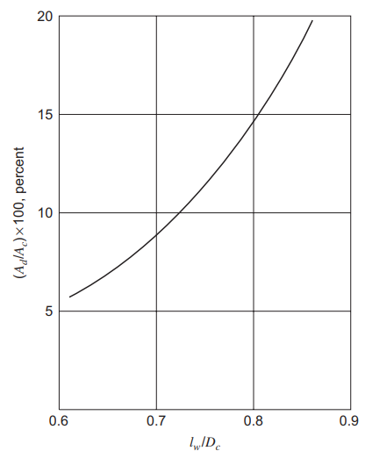
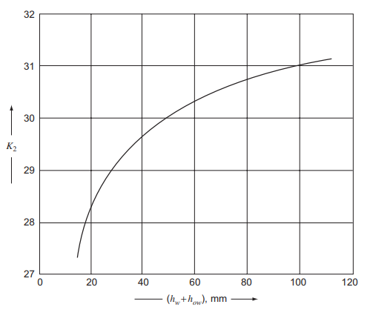
m | m2 | m2 | m | m2 | m | m2 | m
0.81 | 0.52 | 0.0519 | 0.59 | 0.0623 | 0.62 | 0.0726 | 0.64
0.91 | 0.66 | 0.0657 | 0.66 | 0.0788 | 0.70 | 0.0919 | 0.72
1.02 | 0.81 | 0.0811 | 0.74 | 0.0973 | 0.77 | 0.1135 | 0.80
1.17 | 1.07 | 0.1072 | 0.85 | 0.1287 | 0.89 | 0.1501 | 0.92

Table 3.2 - Active & Hole Area for Several Diameters, Hole Areas %, & Downcomer Areas
 | Hole Area % | 10% Downcomer Area |  | 12% Downcomer Area |  | 14% Downcomer Area
 |  | A active (m2) | A hole (m2) | A active (m2) | A hole (m2) | A active (m2) | A hole (m2)
Column Diameter 32 inch | 13 | 0.415 | 0.054 | 0.394 | 0.051 | 0.374 | 0.049
 | 10 |  | 0.042 |  | 0.039 |  | 0.037
 | 7 |  | 0.029 |  | 0.028 |  | 0.026
Column Diameter 36 inch | 13 | 0.525 | 0.068 | 0.499 | 0.065 | 0.473 | 0.061
 | 10 |  | 0.053 |  | 0.050 |  | 0.047
 | 7 |  | 0.037 |  | 0.035 |  | 0.033
Column Diameter 40 inch | 13 | 0.649 | 0.084 | 0.616 | 0.080 | 0.584 | 0.076
 | 10 |  | 0.065 |  | 0.062 |  | 0.058
 | 7 |  | 0.045 |  | 0.043 |  | 0.041
Column Diameter 46 inch | 13 | 0.858 | 0.112 | 0.815 | 0.106 | 0.772 | 0.100
 | 10 |  | 0.086 |  | 0.081 |  | 0.077
 | 7 |  | 0.060 |  | 0.057 |  | 0.054

Sheet Agenda:
Calculating downcomer area, weir length, active area, hole area and other parameters for different values of diameters and weir heights and eliminating the options which lead to weeping in the last tray, which has the highest possibility to face weeping.
Description:
In Table 3.1 and 3.2 the actual value of hole areas and downcomer areas which were decribed as percentage before, are ontained and used to calculate active area which will be used in further steps. Weir length is calculated with using the first graph.
In each of the tables 3.3 to 3.6, for each of the 4 previously calculated diameters, procedure described below is happening :
As weeping happens were we have the highest liquid rates, calculations are based on tray 7ths data. Maximum and minimum height of liquid over weir (h_{ow}) is calculated. Note that we have assumed that minimum flow rate is 35% of the maximum rate or in other word, the turndown ratio is considered 2.86. Value K2 is obtained by using the second graph.
By using the value K2, a minimum vapor velocity will be calculated and then compared with the actual minimum vapor velocity in the 7th tray which is calculated by using volumetric vapor rates and areas obtained before. If the actual minimum velocity is above the minimum velocity calculated by an acceptable gap (over 3 m/s more), it will be colored green.
The procedure above is repeated for 2 and 3 inch weir heights and several other options.
Sheet Results:
As the tables shows, safer diameters to choose are 32 and 36 inches. In the later calculations, these 2 diameters are the main candidates for the final diameter.
Table 3.3 - Validating Assumptions By Checking Weeping; Column Diameter 32 inch, 7th tray
 |  |  |  | Weir Height of 2 inch |  |  |  |  | Weir Height of 3 inch
 | Hole Area % | h ow,Max (mm) | h ow, Min (mm) | hw + how at Min (mm) | K2 | u h (Min) (m/s) | uh,actual (Min) (m/s) | check weeping | hw + how at Min (mm) | K2 | u h (Min) (m/s) | check weeping
Downcomer Area 10% | 13 | 62.932 | 31.255 | 82.055 | 30.7 | 6.858 | 11.376 | 4.518 | 107.455 | 31.1 | 7.000 | 4.376
 | 10 |  |  |  |  |  | 14.789 | 7.931 |  |  |  | 7.789
 | 7 |  |  |  |  |  | 21.128 | 14.270 |  |  |  | 14.127
Downcomer Area 12% | 13 | 60.990 | 30.290 | 81.090 |  |  | 11.975 | 5.117 | 106.490 |  |  | 4.975
 | 10 |  |  |  |  |  | 15.568 | 8.710 |  |  |  | 8.567
 | 7 |  |  |  |  |  | 22.240 | 15.382 |  |  |  | 15.239
Downcomer Area 14% | 13 | 59.844 | 29.721 | 80.521 |  |  | 12.640 | 5.783 | 105.921 |  |  | 5.640
 | 10 |  |  |  |  |  | 16.433 | 9.575 |  |  |  | 9.432
 | 7 |  |  |  |  |  | 23.475 | 16.617 |  |  |  | 16.475

Table 3.4 - Validating Assumptions By Checking Weeping; Column Diameter 36 inch, 7th tray
 |  |  |  | Weir Height of 2 inch |  |  |  |  | Weir Height of 3 inch
 | Hole Area % | h ow,Max (mm) | h ow, Min (mm) | hw + how at Min (mm) | K2 | u h (Min) (m/s) | uh,actual (Min) (m/s) | check weeping | hw + how at Min (mm) | K2 | u h (Min) (m/s) | check weeping
Downcomer Area 10% | 13 | 58.179 | 28.894 | 79.694 | 30.7 | 6.858 | 8.989 | 2.131 | 105.094 | 31 | 6.965 | 2.024
 | 10 |  |  |  |  |  | 11.685 | 4.827 |  |  |  | 4.721
 | 7 |  |  |  |  |  | 16.693 | 9.836 |  |  |  | 9.729
Downcomer Area 12% | 13 | 56.384 | 28.003 | 78.803 |  |  | 9.462 | 2.604 | 104.203 |  |  | 2.497
 | 10 |  |  |  |  |  | 12.300 | 5.443 |  |  |  | 5.336
 | 7 |  |  |  |  |  | 17.572 | 10.714 |  |  |  | 10.607
Downcomer Area 14% | 13 | 55.324 | 27.476 | 78.276 |  |  | 9.988 | 3.130 | 103.676 |  |  | 3.023
 | 10 |  |  |  |  |  | 12.984 | 6.126 |  |  |  | 6.019
 | 7 |  |  |  |  |  | 18.548 | 11.690 |  |  |  | 11.584

Table 3.5 - Validating Assumptions By Checking Weeping; Column Diameter 40 inch, 7th tray
 |  |  |  | Weir Height of 2 inch |  |  |  |  | Weir Height of 3 inch
 | Hole Area % | h ow,Max (mm) | h ow, Min (mm) | hw + how at Min (mm) | K2 | u h (Min) (m/s) | uh,actual (Min) (m/s) | check weeping | hw + how at Min (mm) | K2 | u h (Min) (m/s) | check weeping
Downcomer Area 10% | 13 | 54.233 | 26.935 | 77.735 | 30.6 | 6.822 | 7.281 | 0.423 | 103.135 | 31 | 6.965 | 0.316
 | 10 |  |  |  |  |  | 9.465 | 2.607 |  |  |  | 2.500
 | 7 |  |  |  |  |  | 13.522 | 6.664 |  |  |  | 6.557
Downcomer Area 12% | 13 | 52.559 | 26.103 | 76.903 |  |  | 7.664 | 0.806 | 102.303 |  |  | 0.699
 | 10 |  |  |  |  |  | 9.963 | 3.105 |  |  |  | 2.999
 | 7 |  |  |  |  |  | 14.233 | 7.375 |  |  |  | 7.269
Downcomer Area 14% | 13 | 51.572 | 25.613 | 76.413 |  |  | 8.090 | 1.232 | 101.813 |  |  | 1.125
 | 10 |  |  |  |  |  | 10.517 | 3.659 |  |  |  | 3.552
 | 7 |  |  |  |  |  | 15.024 | 8.166 |  |  |  | 8.059

Table 3.6 - Validating Assumptions By Checking Weeping; Column Diameter 46 inch, 7th tray
 |  |  |  | Weir Height of 2 inch |  |  |  |  | Weir Height of 3 inch
 | Hole Area % | h ow,Max (mm) | h ow, Min (mm) | hw + how at Min (mm) | K2 | u h (Min) (m/s) | uh,actual (Min) (m/s) | check weeping | hw + how at Min (mm) | K2 | u h (Min) (m/s) | check weeping
Downcomer Area 10% | 13 | 49.408 | 24.538 | 75.338 | 30.6 | 6.822 | 5.505 | -1.352 | 100.738 | 31 | 6.965 | -1.459
 | 10 |  |  |  |  |  | 7.157 | 0.299 |  |  |  | 0.192
 | 7 |  |  |  |  |  | 10.224 | 3.366 |  |  |  | 3.260
Downcomer Area 12% | 13 | 47.883 | 23.781 | 74.581 |  |  | 5.795 | -1.063 | 99.981 |  |  | -1.170
 | 10 |  |  |  |  |  | 7.534 | 0.676 |  |  |  | 0.569
 | 7 |  |  |  |  |  | 10.762 | 3.905 |  |  |  | 3.798
Downcomer Area 14% | 13 | 46.983 | 23.334 | 74.134 |  |  | 6.117 | -0.741 | 99.534 |  |  | -0.848
 | 10 |  |  |  |  |  | 7.952 | 1.094 |  |  |  | 0.988
 | 7 |  |  |  |  |  | 11.360 | 4.502 |  |  |  | 4.396

Plate Design Part II
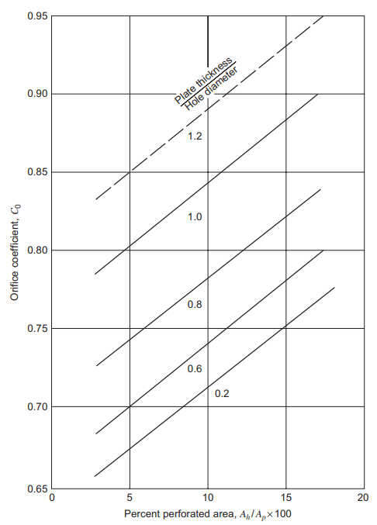
Sheet Agenda:
Eliminating unacceptable options using pressure drop per plate, weeping calculated before, and residence time on the tray. Final sizing will be obtained.
Description:
Pressure drop will be calculated for tray number 1,4, and 7 but highest pressure drop will accure at tray number 7. In Table 4.1 pressure drop is being calculated for different trays, downcomer areas, hole areas, and weir heights for a 32 inch diameter column. Same calculations can be found for a 36 inch diameter column in Table 4.2.
Firstly, maximum velocity in downcomer is calculated by using volumetric flow rates and areas which have been calculated before. Coefficient C0 can be read from the first figure and as a result dry plate pressure drop will be obtained. As residual head only depends on density, it can be easily obtained and finaly total liquid head is obtained. Using the first equation, pressure drop in kpa is reported to have a more familiar unit to compare the values. Pressure drops over 3.5 kPa are colored red because that would be considerably higher than the typical pressure loss. Final sizings should result in the pressure drops which are colored green.
In Tables 4.3 and 4.4 for 32 and 36 inch diameter columns respectivly, the height of the bottom edge of the apron above the plate is considered 10 mm as a common value, so clearance could be obtained. This value will be compared to the downcomer area and the smaller one will be put in 6th equation with L_{wd} be the mass liquid flow rate in downcomer in kg/s. Finaly backup height in the downcomer will be obtained. Compare the value to the available height in the downcomer (tray spacing + weir height) and it should be half or nearly half the amount, any value more than 70% of the downcomer height will be rejected instantly. Acceptable values are colored green. Residence time is calculated too and values between 3 and 6 seconds are colored green as proper values.
Sheet Results:
With regard to acceptable options obtained in this sheet and the previous one, the best option is colored in dark green color, and is vividly described at the end of the sheet. For this option we will check flooding once again and as shown in Table 4.5, it is below the 75% which was considered at the begining.
Table 4.1 - Pressure Drop in 3 Different Trays; Column Diameter 32 inch
 | Downcomer Area % | Hole Area % | u h,max (m/s) | C0 | hd (mm) | hr (mm) | h weir = 2 inch: ht (mm) | h weir = 3 inch: ht (mm) | h weir = 2 inch: Delta P (kPa) | h weir = 3 inch: Delta P (kPa)
Tray 1 | 12 | 13 | 34.841 | Hole Area of 13%: 0.740 Hole Area of 10% : 0.722 Hole Area of 7% : 0.709 | 343.788 | 17.446 | 473.024 | 498.424 | 3.325 | 3.503
 |  | 10 | 45.293 |  | 610.333 |  | 739.569 | 764.969 | 5.198 | 5.377
 |  | 7 | 64.704 |  | 1291.673 |  | 1420.909 | 1446.309 | 9.987 | 10.166
 | 14 | 13 | 36.776 |  | 383.048 |  | 511.138 | 536.538 | 3.593 | 3.771
 |  | 10 | 47.809 |  | 680.032 |  | 808.121 | 833.521 | 5.680 | 5.859
 |  | 7 | 68.299 |  | 1439.179 |  | 1567.269 | 1592.669 | 11.016 | 11.195
Tray 4 | 12 | 13 | 37.393 |  | 440.610 | 17.380 | 569.780 | 595.180 | 4.020 | 4.199
 |  | 10 | 48.611 |  | 708.846 |  | 838.016 | 863.416 | 5.912 | 6.092
 |  | 7 | 69.444 |  | 1575.892 |  | 1705.062 | 1730.462 | 12.030 | 12.209
 | 14 | 13 | 39.471 |  | 490.926 |  | 618.950 | 644.350 | 4.367 | 4.546
 |  | 10 | 51.312 |  | 789.794 |  | 917.818 | 943.218 | 6.476 | 6.655
 |  | 7 | 73.303 |  | 1755.855 |  | 1883.879 | 1909.279 | 13.291 | 13.471
Tray 7 | 12 | 13 | 34.215 |  | 431.302 | 17.598 | 560.690 | 586.090 | 3.907 | 4.084
 |  | 10 | 44.479 |  | 765.698 |  | 895.086 | 920.486 | 6.237 | 6.414
 |  | 7 | 63.542 |  | 1620.478 |  | 1749.866 | 1775.266 | 12.193 | 12.370
 | 14 | 13 | 36.116 |  | 480.556 |  | 608.797 | 634.197 | 4.242 | 4.419
 |  | 10 | 46.950 |  | 853.138 |  | 981.380 | 1006.780 | 6.838 | 7.015
 |  | 7 | 67.072 |  | 1805.533 |  | 1933.774 | 1959.174 | 13.475 | 13.652

Table 4.2 - Pressure Drop in 3 Different Trays; Column Diameter 36 inch
 | Downcomer Area % | Hole Area % | u h,max (m/s) | C0 | hd (mm) | hr (mm) | h weir = 2 inch: ht (mm) | h weir = 3 inch: ht (mm) | h weir = 2 inch: Delta P (kPa) | h weir = 3 inch: Delta P (kPa)
Tray 1 | 12 | 13 | 27.529 | Hole Area of 13%: 0.740 Hole Area of 10% : 0.722 Hole Area of 7% : 0.709 | 214.625 | 17.446 | 339 | 365 | 2.385 | 2.563
 |  | 10 | 35.787 |  | 381.028 |  | 506 | 531 | 3.554 | 3.733
 |  | 7 | 51.124 |  | 806.385 |  | 931 | 956 | 6.544 | 6.723
 | 14 | 13 | 29.058 |  | 251.207 |  | 375 | 400 | 2.634 | 2.813
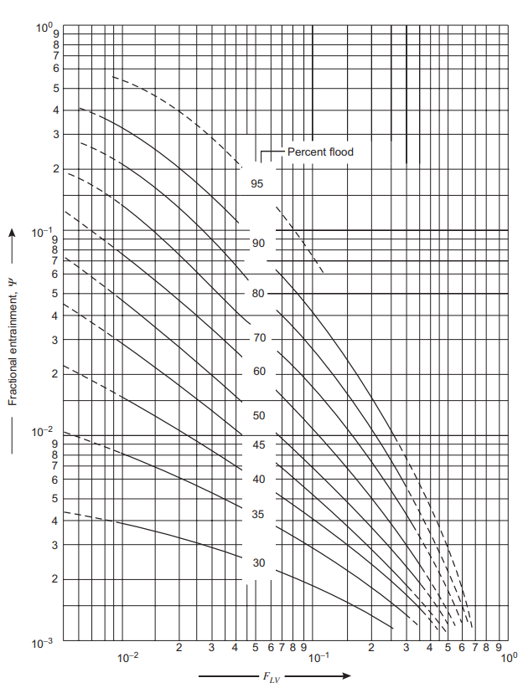
 |  | 10 | 37.775 |  | 404.138 |  | 528 | 553 | 3.709 | 3.888
 |  | 7 | 53.965 |  | 898.473 |  | 1022 | 1047 | 7.184 | 7.362
Tray 4 | 12 | 13 | 29.545 |  | 275.070 | 17.380 | 400 | 425 | 2.820 | 2.999
 |  | 10 | 38.409 |  | 442.529 |  | 567 | 592 | 4.001 | 4.180
 |  | 7 | 54.870 |  | 983.822 |  | 1108 | 1134 | 7.820 | 7.999
 | 14 | 13 | 31.187 |  | 306.483 |  | 430 | 455 | 3.034 | 3.213
 |  | 10 | 40.543 |  | 493.064 |  | 617 | 642 | 4.350 | 4.529
 |  | 7 | 57.918 |  | 1096.172 |  | 1220 | 1245 | 8.605 | 8.784
Tray 7 | 12 | 13 | 27.034 |  | 282.853 | 17.598 | 408 | 433 | 2.840 | 3.017
 |  | 10 | 35.144 |  | 455.049 |  | 580 | 605 | 4.040 | 4.217
 |  | 7 | 50.206 |  | 1011.657 |  | 1136 | 1162 | 7.919 | 8.096
 | 14 | 13 | 28.536 |  | 315.154 |  | 439 | 464 | 3.058 | 3.235
 |  | 10 | 37.096 |  | 507.015 |  | 631 | 656 | 4.395 | 4.572
 |  | 7 | 52.995 |  | 1127.185 |  | 1251 | 1276 | 8.716 | 8.893

Table 4.3 - Backup Height & Check Tray Spacing; Column Diameter 32 inch
 | h weir (mm) | h ap (mm) | A ap (m2) | A d (m2) | h dc (mm) | 13% Hole Area: h b (mm) | 10% Hole Area: h b (mm) | Tray Spacing + Weir height (mm) | 13% Hole Area: tr (s) | 10% Hole Area: tr (s)
Downcomer Area 12% | 50.800 | 40.800 | 0.025 | 0.062 | 22.624 | 695.104 | 1029.499 | 660.400 | 3.555 | 4.735
 | 76.200 | 66.200 | 0.041 |  | 8.593 | 731.873 | 1066.269 | 685.800 | 3.820 | 5.001
Downcomer Area 14% | 50.800 | 40.800 | 0.026 | 0.073 | 21.372 | 740.813 | 1113.395 | 660.400 | 4.375 | 5.904
 | 76.200 | 66.200 | 0.042 |  | 8.118 | 778.359 | 1150.942 | 685.800 | 4.689 | 6.219

Table 4.4 - Backup Height & Check Tray Spacing; Column Diameter 36 inch
 | h weir (mm) | h ap (mm) | A ap (m2) | A d (m2) | h dc (mm) | 13% Hole Area: h b (mm) | 10% Hole Area: h b (mm) | Tray Spacing + Weir height (mm) | 13% Hole Area: tr (s) | 10% Hole Area: tr (s)
Downcomer Area 12% | 50.800 | 40.800 | 0.028 | 0.079 | 17.875 | 532.695 | 709.497 | 508.000 | 4.500 | 5.993
 | 76.200 | 66.200 | 0.046 |  | 6.790 | 572.409 | 749.211 | 685.800 | 4.835 | 6.329
Downcomer Area 14% | 50.800 | 40.800 | 0.029 | 0.092 | 16.886 | 561.887 | 758.267 | 660.400 | 5.538 | 7.473
 | 76.200 | 66.200 | 0.047 |  | 6.414 | 602.215 | 798.595 | 685.800 | 5.935 | 7.870

Table 4.5 - Check Flooding; 36 inch & 14% Downcomer Area |  |  |  |  |  | Final Choise | Column Diamater: 36 inch
A net (m2) | uv (m/s) | Flooding % | F LV | Ψ |  |  | Tray Spacing: 24 inch
0.56 | 3.394 | 73.612 | 0.074 | 0.025 |  |  | Hole Area: 13%
 |  |  |  |  |  |  | Downcomer Area: 14%

Plate Layout
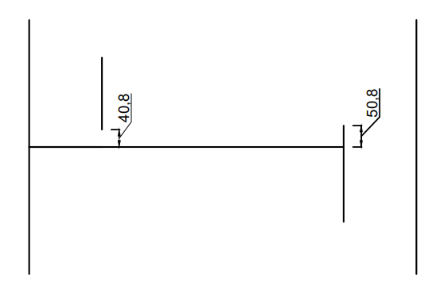
Table 5.1 - Plate Design Finalized Parameters
Parameter | D Column | Plate Spacing | Downcomer Area % | Hole Area % | h weir | A column | A Downcomer | L weir | A Active | A Hole | D hole
Unit | m | m |  |  | mm | m2 | m2 | m | m2 | m2 | m
Value | 0.914 | 0.610 | 14% | 13% | 50.800 | 0.657 | 0.092 | 0.717 | 0.473 | 0.061 | 0.0127

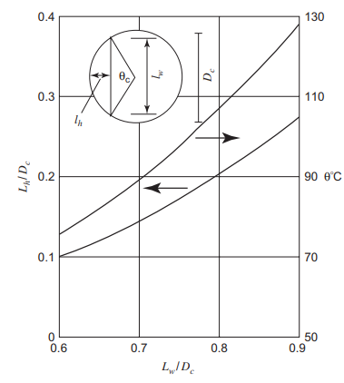
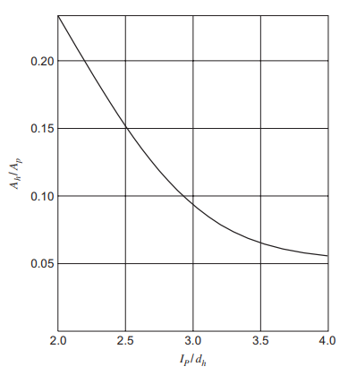
Table 5.2 - Plate Layout Parameters
Parameter | Value | Unit | Description
Lw / D column | 0.784 |  | This ratio will be used to estimate the angle related to downcomer area
θc | 100 | Degree | Angle of the downcomer hole relative to the center of the plate
θc' | 80 | Degree | 180 - θc
Lh | 0.172 | m | Downcomer hole length
Clearance | 0.05 | m | Clearance of the active surface of the plate to the edges (shown in figure)
L strip | 1.2069 | m | Length of unperforated edge strips = (Dhole - Clearance)*Pi*θc'/180
A strip | 0.0603 | m2 | Area of unperforated edge strips = Clearance * Lstrip
L cz | 0.767 | m | Approximation for the Length of claiming zone = Lweir + Clearance
A cz | 0.0767 | m2 | Area of the claiming zone = 2(Lcz * Clearance)
A p | 0.336 | m2 | Total Area of perforations = Aactive -Astrip -Acz
Ah / Ap | 0.1831 |  | This ratio will be used to estimate the ratio of distance between holes and hole diameter
Lp / D hole | 2.4637 |  | Values of 2.5-3 are satisfactory
Area of one hole | 0.0001 | m2 | Area of one hole = Dhole^2*Pi/4
N holes | 485 |  | Total number of active holes = Aactive / Area one hole
Hole Pitch | 1.125 | inch | Distance between 2 hole centers; Set to this value after trying different layouts
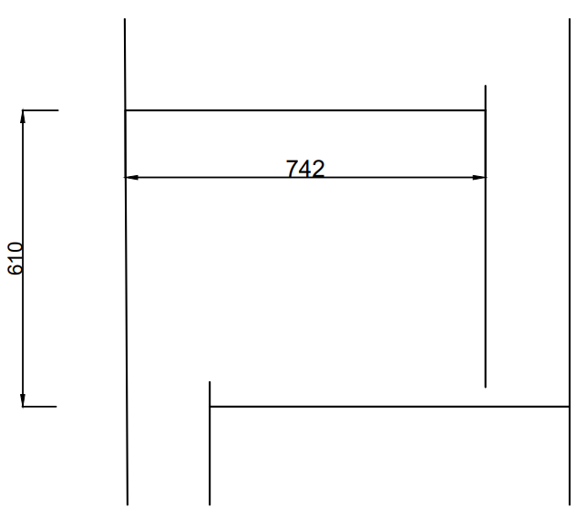
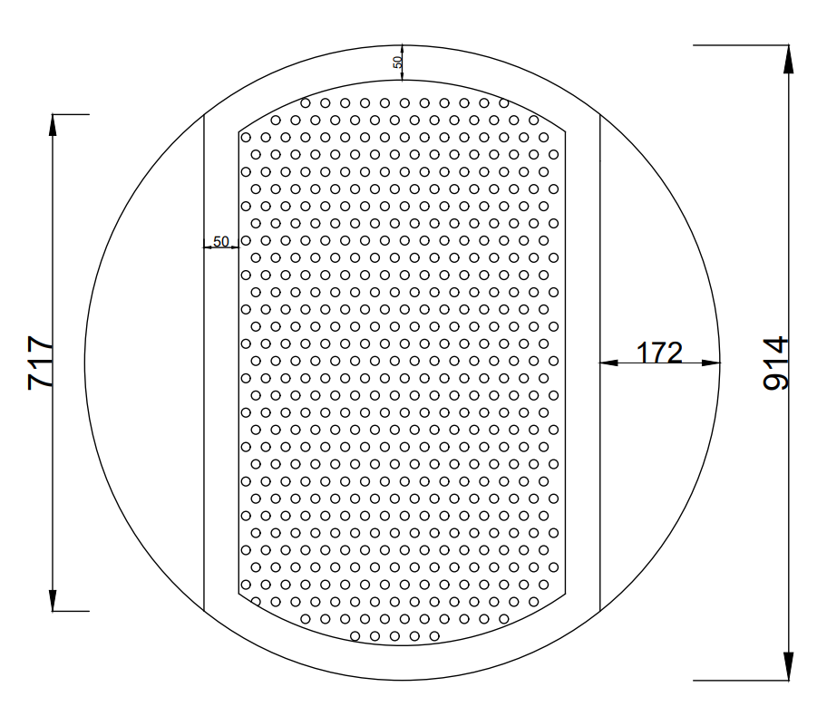
Sheet Agenda:
Finding required parameters to draw plate layout such as number of holes, clearance to the walls, downcomer lenght, etc.
Description:
In Table 5.1 useful parameters of the plate which have been finilized are summerized to be better accessible. Then in Table 5.2 number of the holes will be obtained and the layout will be drawn in AutoCAD. Full description of the procedure could be found in the table.
Sheet Results:
Detailed plate layout with sizings.

Weight
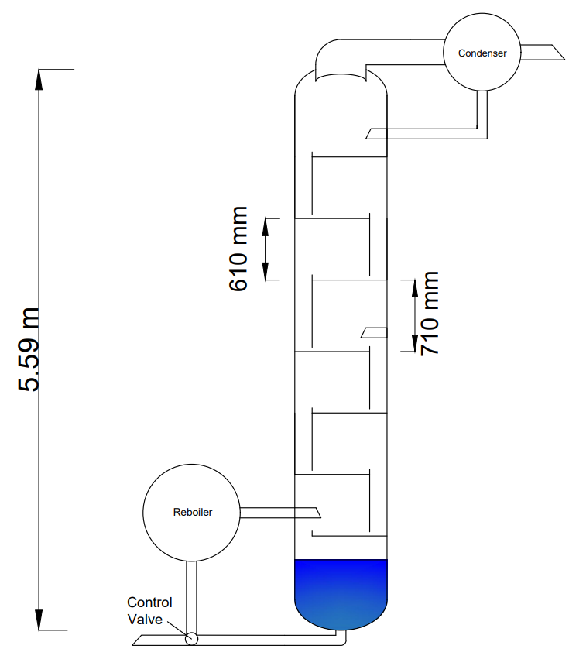
Sheet Agenda:
Calculating the weight of the column, estimate nozzles sizings, and draw a replicate of the whole column.
Description:
In Table 6.1 wall and head thickness are calculated by using equations seen on the righthand side. As the shell and head thickness are very close, we will consider them as one unit value. Minimum thickness is calculated and is equal to 1.7 mm, but to stay in the safe spot and avoid any mechanical difficalties due to transporting the column, wind, etc. and to roundup the number, the tickness is considered as 3 mm. ASME section IIIV D.1 suggested the wall thickness to be at very least 1/16 inch or 1.5875 mm.
In Table 6.2 diameter of the nozzles are roughly estimated as so for liquids we kept the velocity low enough to avoid any damage to the internals and for vapor typical velocity for nozzles is considered. Green boxes show that the values are acceptable.
In Table 6.3 weight calculation is applied to shell, heads, plates, downcomer walls, and other parts that for simplification and lack of information is roughly estimated as 15% of sum of the weight calculated. Simplification such as considering the shell to be a perfect sylinder, considering heads to be 1.2 times the flat equivalent head and so on.
Height of the column is calculated such that tray spacing is the same for each tray except the feed tray which has an additional 100 mm spacing because of the nozzle. At the top and the bottom of the column a 610 mm space is considered to make collection of liquid and vapor easier and have enough space for adding new internals.
As our constrain limit us to have ellipsoidal headings, an similar ellipsoidal head is used both at the top and bottom of the column and thickness calculations are based on relations of ellipsoidal headings.
Sheet Result:
Total weight will be obtained which is going to be used in cost calculations. A scaled drawing of the column is prepared and a bar chart shows the portion of each part from the total weight.
Table 6.1 - Wall Thickness Calculation
Parameter | Value | Unit | Description
D column | 914.4 | mm | Column Diameter
P | 0.45 | barg | Internal Vessel Pressure
S | 1220 | bar | Maximum Allowable Stress. 1220 for Carbon-Steel Plates
E | 0.85 |  | Joint Efficiency. Seamless = 1 Otherwise 0.85
CA | 1.5 | mm | Corrosion Allowance. For Carbon-Steel = 1.5
t Shell | 1.70 | mm | Minimum Thickness Requird for Shell of the Column.
t Head | 1.70 | mm | Minimum Thickness Requird for Head of the Column.

Table 6.2 - Nozzles Sizing
Parameter | Value | Unit | Description
F | 150 | mol/hr | Feed molar mass
W feed | 0.0031319862868 | m3/s | Volumetric rate of the feed
D nozzle,in | 0.1 | m | Estimated nozzle size for feed inlet
u Inlet | 0.3987768794 | m/s | Feed nozzle velocity
V to condenser | 300.3 | mol/hr | Molar mass to condenser
W to condenser | 1.7819301021 | m3/s | Volumetric rate to condenser
D nozzle, condenser | 0.5 | m | Estimated nozzle size for condenser
u nozzle, condenser | 9.0752954876 | m/s | Condenser nozzle velocity
L to reboiler | 382.5 | mol/hr | Molar mass to reboiler
W to reboiler | 0.009328790328 | m3/s | Volumetric rate to reboiler
D nozzle, reboiler | 0.1 | m | Estimated nozzle size for reboiler
u nozzle, reboiler | 1.187778475 | m/s | Reboiler nozzle velocity

Weight of different parts
Table 6.3 - Weight Calculation
Parameter | Value | Unit | Description
t Shell | 3.00 | mm | Shell and heads thickness
D inner, shell | 914.4 | mm | Inner diameter of the shell
L column | 5590 | mm | Total length of the column (obtained as mentioned in text)
V wall, shell | 0.0483 | m3 | Volume of the shell wall
ρ cs | 7850 | kg/m3 | Density of the material (Carbon-Steel)
m shell | 379.4122 | kg | Weight of the shell
A plate | 0.5175 | m2 | Tray Area (Downcomer and hole areas excluded)
t plate | 5 | mm | Plate thickness
V plate | 0.0026 | m3 | Volume of one plate
m plates | 142.1760 | kg | Weight of 7 trays
V head | 0.0024 | m3 | Volume of one head
m heads | 37.1163 | kg | Weight of the 2 heads
A weir wall | 0.4442 | m2 | Weir wall Area
V weir wall | 0.0013 | m3 | Volume of 1 weir wall
m weir wall | 62.7633 | kg | Weight of 6 weir walls
m other | 93.2202 | kg | Flanches, manway, nozzles
m column | 714.6880 | kg | Total column weight

Table 6.4 - Weight summerize
Part | Weight (kg)
Shell | 379.4122
Plates | 142.1760
Heads | 37.1163
Weir wall | 62.7633
Other | 93.2202

Cost
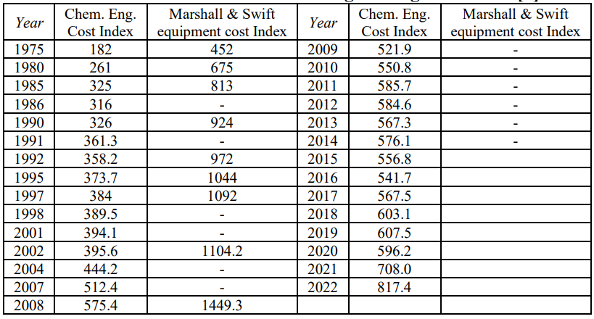
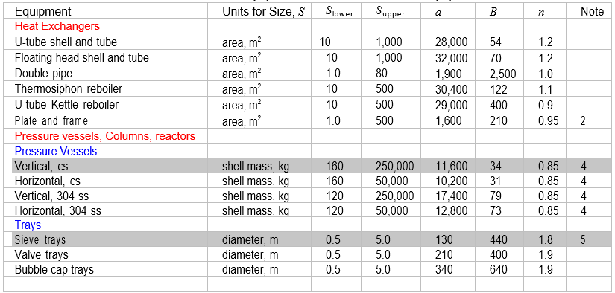
Table 7.1 - Cost Estimation
Parameter | Value | Unit | Description
m shell | 379.41223173 | kg | Shell weight
D column | 0.9144 | m | Column diameter
C column | 16893 | USD | Cost of shell
C tray | 505 | USD | Cost of one tray
C other | 5068 | USD | Cost of the other parts, such as flanches, nozzles, etc
C total | 22466 | USD | Total cost

Sheet Agenda:
Estimating the purchase cost of the designed column.
Description:
Methode used in this estimation is fairly simple and handy, but is not an accuarate source. Cost of the shell and trays can be directly obtained from the equation and we consider the cost of other parts such as flanches, nozzles, etc. to be 30% of the shell cost. By using the Chemical Engineering Plant Cost Index (CEPCI), purchase cost for 2022 could be obtained.
Sheet Result:
Cost of the column in 2022.
Table 7.2 - Cost at 2022
Year | Index | Cost
2010 | 550.8 | $22,466
2022 | 817.4 | $33,340

$$C_{e}=a+bS^{n}$$

Column DataSheet
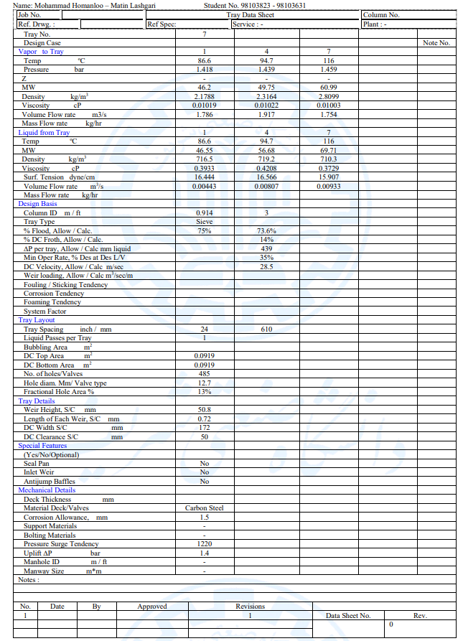

DataSheet file could be found in the project zip file.

Mechanical Design
Table 8.1 - Mechanical Summery
Parameters | Value | Unit | Description
Tray Spacing | 0.6096 | m | Space between plates
H column | 5.59 | m | Total height of the column
D column | 0.9144 | m | Inner diameter of the column
t shell, Min | 1.69845 | mm | Minimum required shell thickness
t Head,min | 1.69841 | mm | Minimum required head thickness
t shell, head | 3.00 | mm | Design shell and head tickness
t plate | 5 | mm | Plate thickness
Plate Type | Sieve
Material | Carbon Steel
TurnDown Ratio | 2.86
Reflux Ratio | 4.5
P internal | 0.45 | barg | Internal vessel pressure
S | 1220 | bar | Maximum allowable pressure
E | 0.85 |  | Joint effieciency
D hole | 12.7 | mm
Hole Pitch | 28.575 | mm
N Holes | 485 |  | Number of holes
A Active | 0.473 | m2 | Total active hole area
ΔP tray 1 | 2.634 | kPa
ΔP tray 4 | 3.034 | kPa
ΔP tray 7 | 3.058 | kPa
h weir | 50.8 | mm

Table 8.2 - Nozzles Sizing
Parameter | Value | Unit | Description
F | 150 | mol/hr | Feed molar mass
W feed | 0 | m3/s | Volumetric rate of the feed
D nozzle,in | 0.1 | m | Estimated nozzle size for feed inlet
u Inlet | 0 | m/s | Feed nozzle velocity
V to condenser | 300.3 | mol/hr | Molar mass to condenser
In this sheet a summery of all the design parameters that might be useful for the mechanical design is given. All the parameters and the process of obtaining them have been discused in previous sheets.
W to condenser | 0 | m3/s | Volumetric rate to condenser
D nozzle, condenser | 0.5 | m | Estimated nozzle size for condenser
u nozzle, condenser | 0 | m/s | Condenser nozzle velocity
L to reboiler | 382.5 | mol/hr | Molar mass to reboiler
W to reboiler | 0 | m3/s | Volumetric rate to reboiler
D nozzle, reboiler | 0.1 | m | Estimated nozzle size for reboiler
u nozzle, reboiler | 0 | m/s | Reboiler nozzle velocity

