nrf52-sensor-tag-v1.1
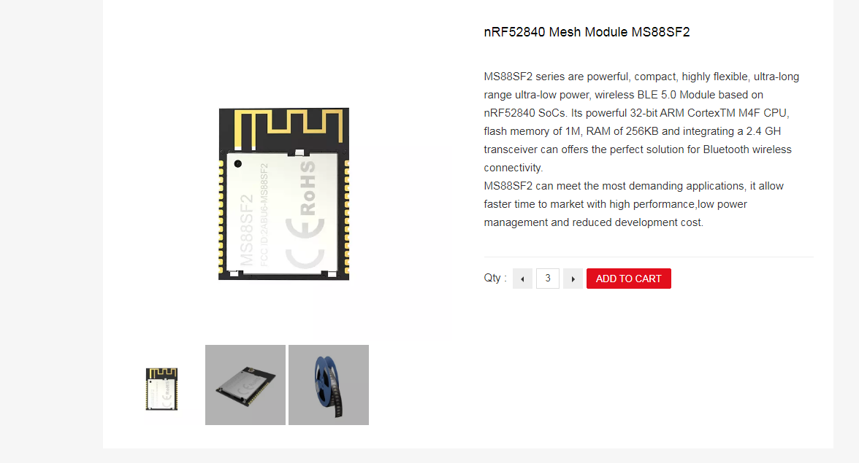
Reference(s) | Qty | Value | Footprint | DNP | Datasheet | Description | Manufacturer_Name | Manufacturer_Part_Number
BT1 | 1 | SMTU2032-LF | BA2032SM:BA2032SM |  | ~ |  | Renata | SMTU2032-LF
C5 | 1 | 0.22uF | Capacitor_SMD:C_0603_1608Metric |  | ~
C7, C8 | 2 | 0.1uF | Capacitor_SMD:C_0603_1608Metric |  | ~
IC2 | 1 | VEML6030 | VEML6030:VEML6030 |  | https://www.vishay.com/docs/84366/veml6030.pdf | VEML6030 Vishay, Ambient Light Sensor, Ambient Light to Digital Data I2C 6-Pin | Vishay | VEML6030
IC3 | 1 | MS860702BA01-50 | MS860702BA01-50:SON125P300X500X100-8N |  | https://componentsearchengine.com/Datasheets/1/MS860702BA01-50.pdf | SENSOR SOLUTIONS - TE CONNECTIVITY - MS860702BA01-50 - PRESSURE SENSOR, 10MBAR-29PSI, QFN-8 | TE Connectivity | MS860702BA01-50
J3 | 1 | DNP | Connector_PinHeader_2.54mm:PinHeader_1x07_P2.54mm_Vertical | DNP | ~
LED1 | 1 | APHF1608LSEEQBDZGKC | APHF1608LSEEQBDZGKC:APHF1608LSEEQBDZGKC |  | https://componentsearchengine.com/Datasheets/1/APHF1608LSEEQBDZGKC.pdf | Standard LEDs - SMD RGB 0603 SMD | Kingbright | APHF1608LSEEQBDZGKC
R1, R2 | 2 | 4.7k | Resistor_SMD:R_0603_1608Metric |  | ~
R3, R4 | 2 | 10k | Resistor_SMD:R_0603_1608Metric |  | ~
R5 | 1 | 1k2 | Resistor_SMD:R_0603_1608Metric |  | ~
R6 | 1 | 2k2 | Resistor_SMD:R_0603_1608Metric |  | ~
R7 | 1 | 390R | Resistor_SMD:R_0603_1608Metric |  | ~
SW1, SW2 | 2 | EVQ-PUA02K | EVQ-PUA02K:EVQPUA02K |  | https://www.mouser.in/ProductDetail/Panasonic/EVQ-PUA02K?qs=%2Fha2pyFadujMSX8lHuHLeTqtnZtxLpuLygd0%252BejhC2g%3D | Tactile Switches SIDE PUSH 2.2NF 4.7x3.2x1.65mm | Panasonic | EVQ-PUA02K
U1 | 1 | MS88SF2 | MS88SF2:MS88SF2 |  | https://www.minew.com/products/nrf52840-module-ms88sf2.html |  | Minew | MS88SF2

