AC_timing_AA Version
933M_AC_timing
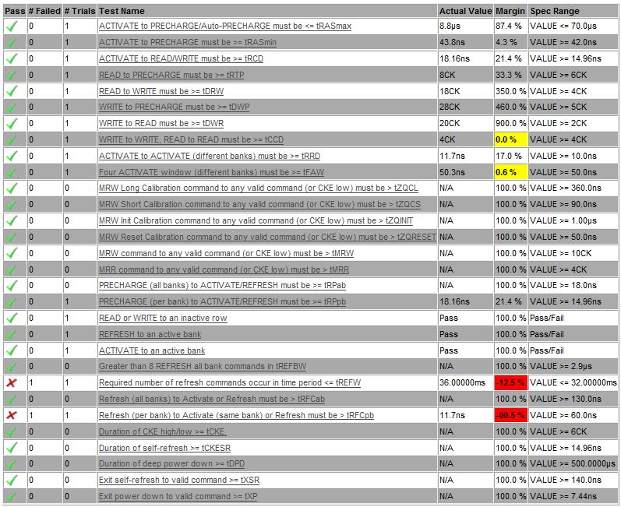

 | tREFW这个参数手动测试pass,自动测试LA的问题

 | 逻分的自动测试软件有一些问题，没有更新到最新版，现在无法测量这个参数

