version1
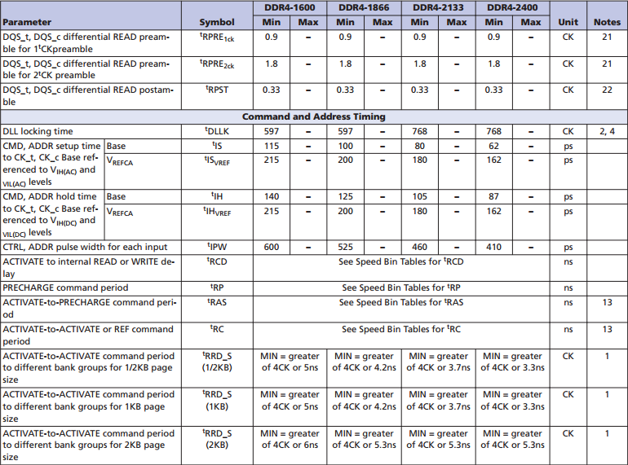
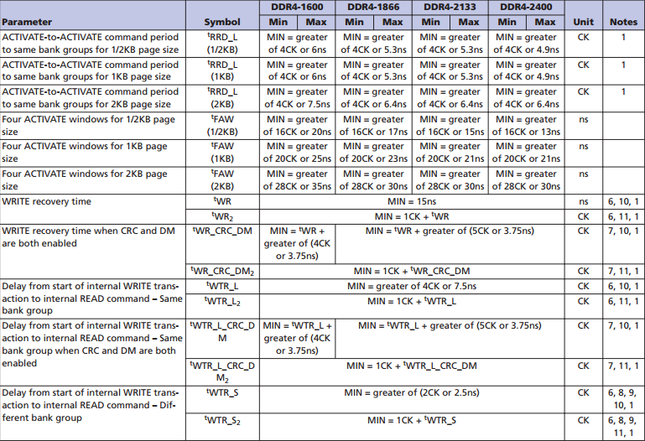
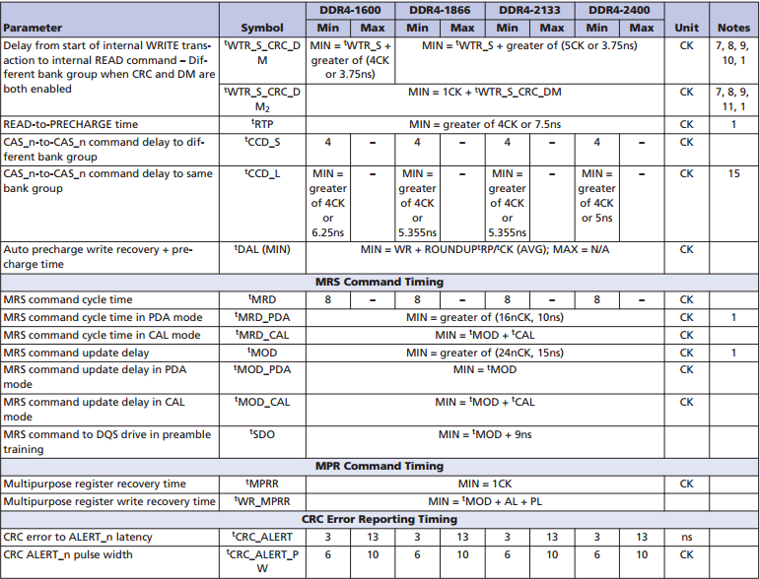
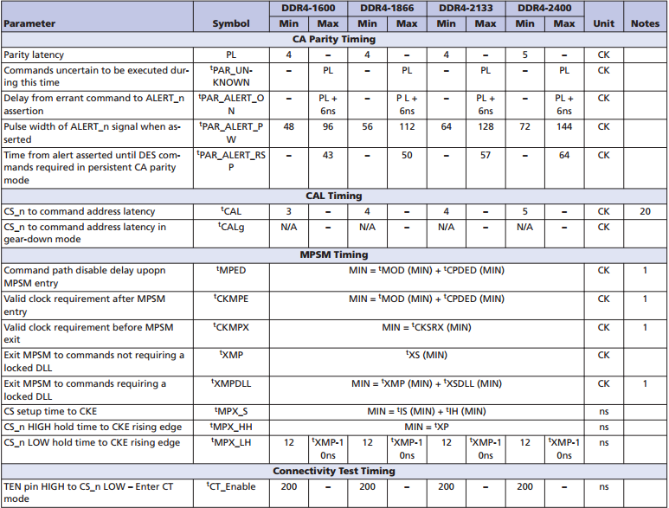
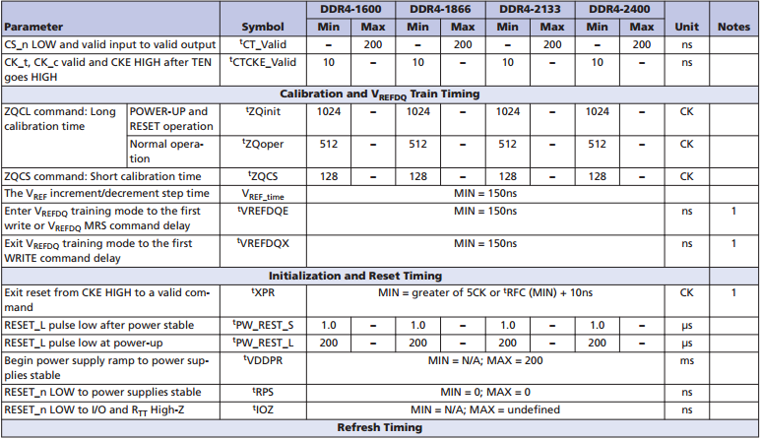
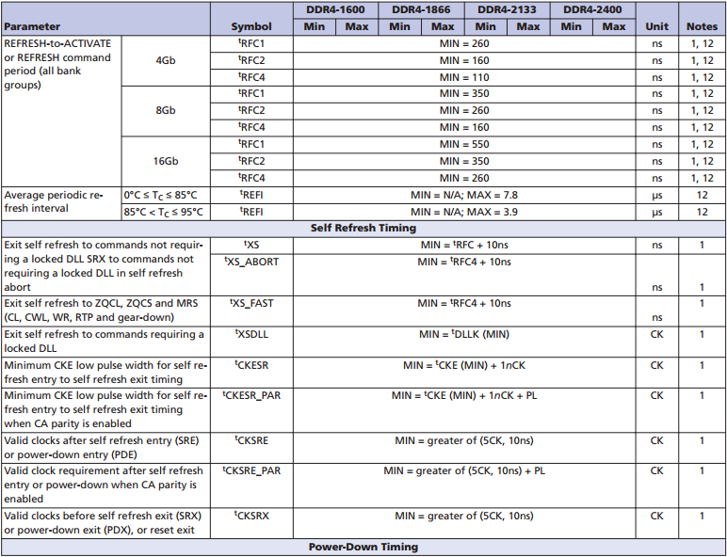
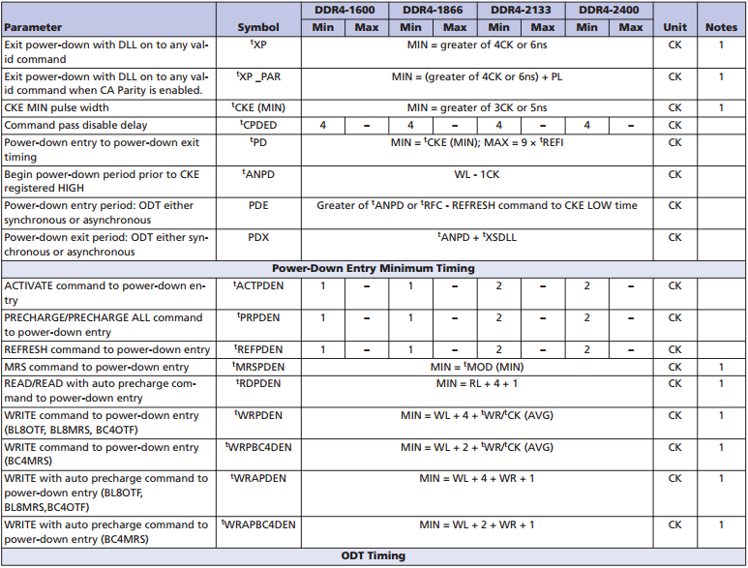
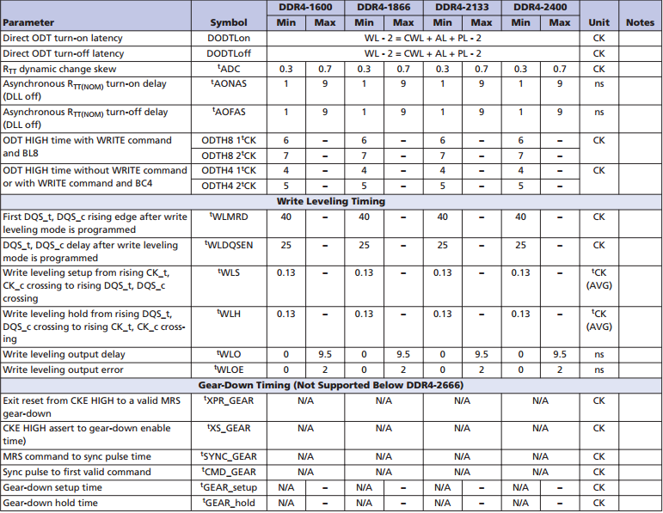
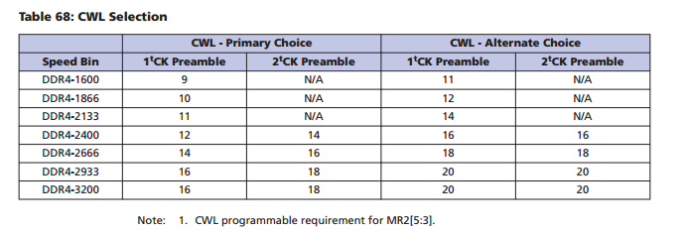
wr2pre | 23 | 17 | wl | 36 | write 1T mode | 0 | AL | 20 | MR5[2:0] | 0 | data_rate | 2666
t_faw | 11 | B | bl | 8 | CA parity eanble | 0 | PL | 0 | MR1[4:3] | 0 | Tck | 0.75018754689 | DRAMTMG0 | 170B2D10
t_ras_max | 45 | 2D | tWR | 15 | read-dbi | 0 | CWL | 16 |  |  |  |  | DRAMTMG1 | 00040D1F
t_ras_min | 16 | 10 | tFAW | 22 | AL_MR | 0 | CL | 20 |  |  |  |  | DRAMTMG2 | 1214050F
 |  |  | tRAS_min | 32 | freq_ratio 0: 1:1; 1: 1:2. | 1 | tREFI_base | 7.8 |  |  |  |  | DRAMTMG3 | 0050400C
t_xp | 4 | 4 | tRAS_max | 70200 | page size 0: 0.5k; 1:1k; 2:2k | 2 | tREFI | 7.8 |  |  |  |  | DRAMTMG4 | 0A04040A
rd2pre | 13 | D | RL | 40 | refresh mode | 0 | tREFI | 3.9 |  |  |  |  | DRAMTMG5 | 07070404
t_rc | 31 | 1F |  |  | CWL-ALT | 0 | tXP | 8 |  |  |  |  | DRAMTMG6 | 02020005
 |  |  |  |  | tRFC4 | 160 | tRTP | 10 |  |  |  |  | DRAMTMG7 | 00000707
write_latency | 18 | 12 |  |  | tRFC(tRFC1) | 350 | tRP | 14.25 |  |  |  |  | DRAMTMG8 | 03030E06
read_latency | 20 | 14 |  |  | read 1T mode | 0 | tRC | 46.25 |  |  |  |  | DRAMTMG9 | 00020418
rd2wr | 5 | 5 |  |  |  |  | tWTR_L | 10 |  |  |  |  | DRAMTMG10 | 000E0C05
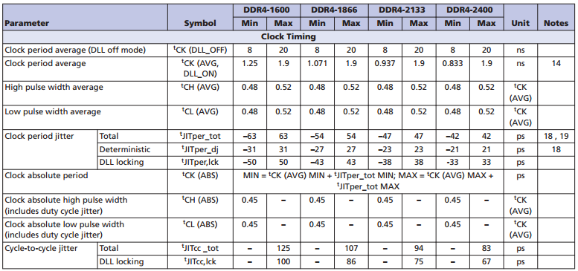
wr2rd | 15 | F |  |  |  |  | tMRD | 8 |  |  |  |  | DRAMTMG11 | 13AF010E
 |  |  |  |  |  |  | tMOD | 24 |  |  |  |  | DRAMTMG12 | 16020008
t_mrw | 5 | 5 |  |  |  |  | tRCD | 14.25 |  |  |  |  | DRAMTMG13 | 1C200004
t_mrd | 4 | 4 |  |  |  |  | tCCD_L | 7 |  |  |  |  | DRAMTMG14 | 000000A0
t_mod | 12 | C |  |  |  |  | tRRD_L | 7 |  |  |  |  | DRAMTMG15 | 00000000
 |  |  |  |  |  |  | tCKSRX | 14
t_rcd | 10 | A |  |  |  |  | tCKSRE | 14
t_ccd | 4 | 4 |  |  |  |  | tCKE | 7
t_rrd | 4 | 4 |  |  |  |  | tCKESR | 8
t_rp | 10 | A |  |  |  |  | tXS_FAST | 170
 |  |  |  |  |  |  | tXS_ABORT | 170
t_cksrx | 7 | 7 |  |  |  |  | tXSDLL | 854
t_cksre | 7 | 7 |  |  |  |  | tXS | 360
t_ckesr | 4 | 4 |  |  |  |  | tDLLK | 854
t_cke | 4 | 4 |  |  |  |  | tCCD_S | 4
 |  |  |  |  |  |  | tRRD_S | 8
t_ckdpde | 2 | 2 |  |  |  |  | tWTR_S | 4
t_ckdpdx | 2 | 2 |  |  |  |  | tGEAR_teup | 2
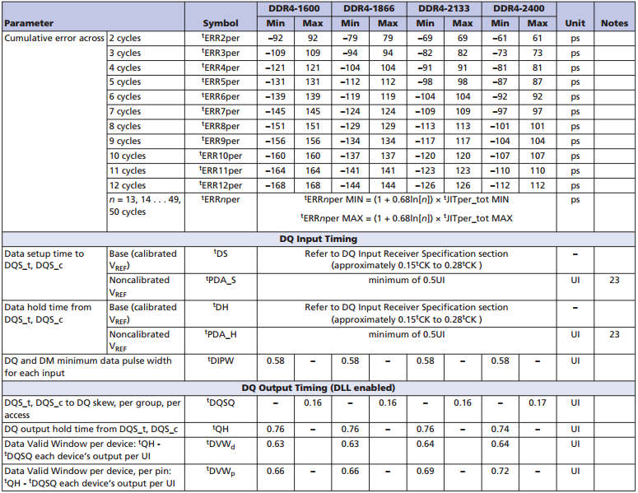
t_ckcsx | 5 | 5 |  |  |  |  | tGEAR_hold | 2
 |  |  |  |  |  |  | t XMPDLL | 1214
t_ckpde | 7 | 7 |  |  |  |  | tMPX_LH | 260.06751688
t_ckpdx | 7 | 7 |  |  |  |  | t IS | 55
 |  |  |  |  |  |  | t IH | 80
t_xs_fast_x32 | 3 | 3 |  |  |  |  | t MPX_S | 0.135
t_xs_abort_x32 | 3 | 3 |  |  |  |  | t CPDED | 4
t_xs_dll_x32 | 14 | E |  |  |  |  | t CKMPE | 28
t_xs_x32 | 6 | 6 |  |  |  |  | t MR_MPR | 44
 |  |  |  |  |  |  | tMRD_PDA | 16
ddr4_wr_preamble | 0 | 0
t_ccd_s | 2 | 2
t_rrd_s | 4 | 4
wr2rd_s | 24 | 18

t_sync_gear | 14 | E
t_cmd_gear | 12 | C
t_gear_stetup | 1 | 1
t_gear_hold | 1 | 1

post_mpsm_gap_x32 | 19 | 13
t_mpx_lh | 175 | AF
t_mpx_s | 1 | 1
t_ckmpe | 14 | E

t_wr_mpr | 22 | 16
t_cmdcke | 2 | 2
t_mrd_pda | 8 | 8

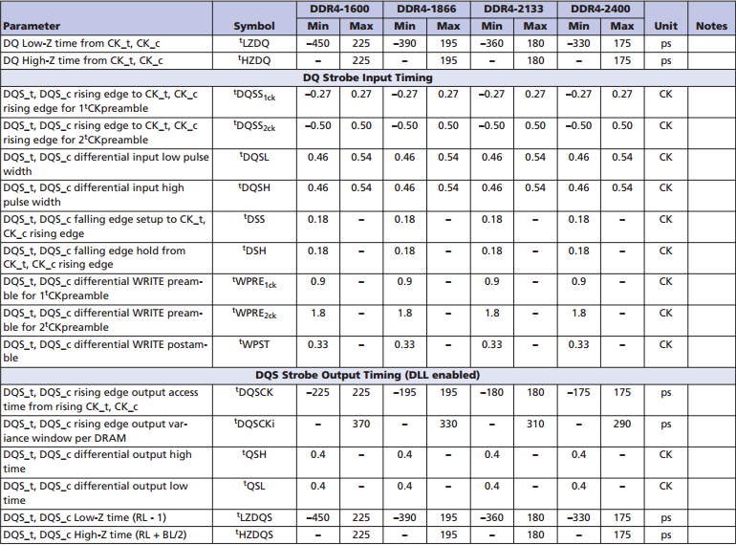
odtloff | 28 | 1C
t_ccd_mw | 32 | 20
t_ppd | 4 | 4

t_xsr | 160 | A0

en_dfi_lp_t_stab |  | 0
en_hwffc_t_stab |  | 0
t_stab_x32 |  | 0

t_rp_ca_parity |  | 0
t_rfaw_dlr |  | 0
t_rrd_dlr |  | 0
t_ccd_dlr |  | 0

t_vrcg_enable | 0 | 0
t_vrcg_disable | 0 | 0

version3
wr2pre | 23 | 17 | wl | 18 | write 1T mode | 0 | AL | 0 |  | MR5[2:0] | 0 | 0 | data_rate | 3200
t_faw | 24 | 18 | bl | 8 | CA parity eanble | 0 | PL | 0 |  | MR1[4:3] | 0 | 0 | Tck | 0.625 | DRAMTMG0 | 17183619
t_ras_max | 54 | 36 | tWR | 15 | read-dbi | 0 | CWL | 18 |  | MR0[17] | 0 | 0 |  |  | DRAMTMG1 | 00050626
t_ras_min | 25 | 19 | tFAW | 30 | AL_MR | 0 | CL | 24 | WR (WRITE recovery)/RTP (READ-to-PRECHARGE) | MR0[13,11:9] | 6 | 6 |  |  | DRAMTMG2 | 090C0712
 |  |  | tRAS_min | 32 | freq_ratio 0: 1:1; 1: 1:2. | 1 | tREFI_base | 7.8 |  | MR0[13] | 0 | 0 |  |  | DRAMTMG3 | 0050400C
t_xp | 5 | 5 | tRAS_max | 70200 | page size 0: 0.5k; 1:1k; 2:2k | 2 | tREFI | 7.8 |  | MR0[11:9] | 6 | 6 |  |  | DRAMTMG4 | 0C04060D
rd2pre | 6 | 6 | RL | 24 | refresh mode | 0 | tREFI | 3.9 | DLL reset | MR0[8] | 0 | 0 |  |  | DRAMTMG5 | 08080504
t_rc | 38 | 26 | DLL reset | 0 | CWL-ALT | 0 | tXP | 10 | Test mode | MR0[7] | 0 | 0 |  |  | DRAMTMG6 | 02020005
 |  |  |  |  | tRFC4 | 110 | tRTP | 12 | CAS latency (CL) | MR0[12,6:4,2] | 11 | B |  |  | DRAMTMG7 | 00000808
write_latency | 9 | 9 |  |  | tRFC(tRFC1) | 260 | tRP | 15 | Burst type (BT) | MR0[3] | 0 | 0 |  |  | DRAMTMG8 | 03031005
read_latency | 12 | C |  |  | read 1T mode | 0 | tRC | 47 | Burst length (BL) | MR0[1:0] | 0 | 0 |  |  | DRAMTMG9 | 4002050E
rd2wr | 7 | 7 |  |  | write-dbi | 0 | tWTR_L | 12 |  |  |  |  |  |  | DRAMTMG10 | 000E0C05
wr2rd | 18 | 12 |  |  | data mask | 1 | tMRD | 8 | Data output disable (Qoff) | MR1[12] | 0 | 0 |  |  | DRAMTMG11 | 150B010E
 |  |  |  |  |  |  | tMOD | 24 | Termination data strobe (TDQS) | MR1[11] | 0 | 0 |  |  | DRAMTMG12 | 0C020008
t_mrw | 5 | 5 |  |  |  |  | tRCD | 15 | Nominal ODT (RTT(NOM) | MR1[10:8] | 1 | 1 |  |  | DRAMTMG13 | 1C200004
t_mrd | 4 | 4 |  |  |  |  | tCCD_L | 8 | Write leveling (WL) | MR1[7] | 0 | 0 |  |  | DRAMTMG14 | 000000A0
t_mod | 12 | C |  |  |  |  | tRRD_L | 11 | DQ RX EQ | MR1[13,6,5] | 0 | 0 |  |  | DRAMTMG15 | 00000000
 |  |  |  |  |  |  | tCKSRX | 16 | Additive latency (AL) | MR1[4:3] | 0 | 0 |  |  | DRAMTMG16 | 00000000
t_rcd | 12 | C |  |  |  |  | tCKSRE | 16 | Output driver impedance (ODI) | MR1[2:1] | 1 | 1 |  |  | DRAMTMG17 | 00000000
t_ccd | 4 | 4 |  |  |  |  | tCKE | 8 | DLL enable | MR1[0] | 1 | 1
t_rrd | 6 | 6 |  |  |  |  | tCKESR | 9
t_rp | 13 | D |  |  |  |  | tXS_FAST | 120 | WRITE data bus CRC | MR2[12] | 0 | 0
 |  |  |  |  |  |  | tXS_ABORT | 120 | Dynamic ODT (RTT(WR)) | MR2[11:9] | 4 | 4
t_cksrx | 8 | 8 |  |  |  |  | tXSDLL | 1024 | Low-power auto self refresh (LPASR) | MR2[7:6] | 0 | 0 |  |  | DFITIMG0
t_cksre | 8 | 8 |  |  |  |  | tXS | 270 | CAS WRITE latency (CWL) | MR2[5:3] | 6 | 6 |  |  | DFITIMG1
t_ckesr | 5 | 5 |  |  |  |  | tDLLK | 1024 |  |  |  |  |  |  | DFITIMG2
t_cke | 4 | 4 |  |  |  |  | tCCD_S | 4 | Multipurpose register (MPR) | MR3[12:11] | 0 | 0 |  |  | DFITIMG3
 |  |  |  |  |  |  | tRRD_S | 9 | WRITE CMD latency when CRC/DM enabled | MR3[10:9] | 2 | 2
t_ckdpde | 2 | 2 |  |  |  |  | tWTR_S | 5 | Fine granularity refresh mode | MR3[8:6] | 0 | 0
t_ckdpdx | 2 | 2 |  |  |  |  | tGEAR_teup | 2 | Temperature sensor status | MR3[5] | 0 | 0 |  |  | MR0 | 0C54
t_ckcsx | 5 | 5 |  |  |  |  | tGEAR_hold | 2 | Per-DRAM addressability | MR3[4] | 0 | 0 |  |  | MR1 | 0103
 |  |  |  |  |  |  | t XMPDLL | 1294 | Gear-down mode | MR3[3] | 0 | 0 |  |  | MR2 | 0830
t_ckpde | 8 | 8 |  |  |  |  | tMPX_LH_max | 158.75 | Multipurpose register (MPR) access | MR3[2] | 0 | 0 |  |  | MR3 | 0400
t_ckpdx | 8 | 8 |  |  |  |  | t IS | 40 | MPR page select | MR3[1:0] | 0 | 0 |  |  | MR4 | 1800
 |  |  |  |  |  |  | t IH | 65 |  |  |  |  |  |  | MR5 | 0480
t_xs_fast_x32 | 3 | 3 |  |  |  |  | t MPX_S | 0.105 | Hard Post Package Repair (hPPR mode) | MR4[13] | 0 | 0 |  |  | MR6 | 101B
t_xs_abort_x32 | 3 | 3 |  |  |  |  | t CPDED | 4 | WRITE preamble setting | MR4[12] | 1 | 1
t_xs_dll_x32 | 16 | 10 |  |  |  |  | t CKMPE | 28 | READ preamble setting | MR4[11] | 1 | 1
t_xs_x32 | 5 | 5 |  |  |  |  | t MR_MPR | 24 | READ preamble training | MR4[10] | 0 | 0
 |  |  |  |  |  |  | tMRD_PDA | 16 | Self refresh abort mode | MR4[9] | 0 | 0
ddr4_wr_preamble | 1 | 1 |  |  |  |  | tMPX_LH_min | 12 | CMD (CAL) address latency | MR4[8:6] | 0 | 0
t_ccd_s | 2 | 2 |  |  |  |  |  |  | soft Post Package Repair (sPPR mode) | MR4[5] | 0 | 0
t_rrd_s | 5 | 5 |  |  |  |  |  |  | Internal VREF monitor | MR4[4] | 0 | 0
wr2rd_s | 14 | E |  |  |  |  |  |  | Temperature controlled refresh mode | MR4[3] | 0 | 0
 |  |  |  |  |  |  |  |  | Temperature controlled refresh range | MR4[2] | 0 | 0
t_sync_gear | 14 | E |  |  |  |  |  |  | Maximum power savings mode | MR4[1] | 0 | 0
t_cmd_gear | 12 | C
t_gear_stetup | 1 | 1 |  |  |  |  |  |  | Data bus inversion (DBI) | MR5[12] | 0 | 0
t_gear_hold | 1 | 1 |  |  |  |  |  |  | Data bus inversion (DBI) – WRITE DBI enable | MR5[11] | 0 | 0
 |  |  |  |  |  |  |  |  | Data mask (DM) | MR5[10] | 1 | 1
post_mpsm_gap_x32 | 21 | 15 |  |  |  |  |  |  | CA parity persistent error mode | MR5[9] | 0 | 0
t_mpx_lh | 11 | B |  |  |  |  |  |  | Parked ODT value (RTT(Park)) | MR5[8:6] | 2 | 2
t_mpx_s | 1 | 1 |  |  |  |  |  |  | ODT input buffer for power-down | MR5[5] | 0 | 0
t_ckmpe | 14 | E |  |  |  |  |  |  | CA parity error status | MR5[4] | 0 | 0
 |  |  |  |  |  |  |  |  | CRC error status | MR5[3] | 0 | 0
t_wr_mpr | 12 | C |  |  |  |  |  |  | CA parity latency mode | MR5[2:0] | 0 | 0
t_cmdcke | 2 | 2
t_mrd_pda | 8 | 8 |  |  |  |  |  |  | tCCD_L | MR6[12:10] | 4 | 4
 |  |  |  |  |  |  |  |  | VREF Calibration Enable | MR6[7] | 0 | 0
odtloff | 28 | 1C |  |  |  |  |  |  | VREF Calibration Range | MR6[6] | 0 | 0
t_ccd_mw | 32 | 20 |  |  |  |  |  |  | VREF Calibration Value | MR6[5:0] | 27 | 1B
t_ppd | 4 | 4

t_xsr | 160 | A0

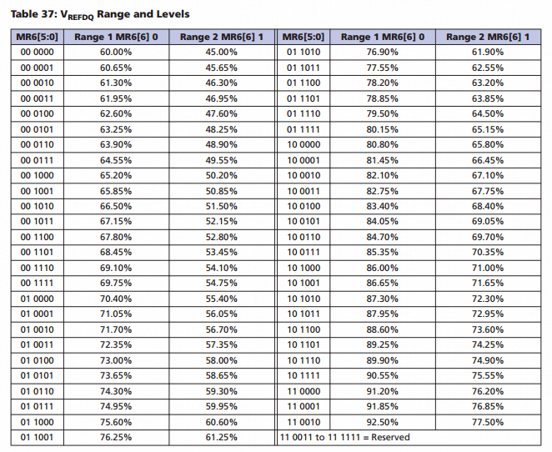
en_dfi_lp_t_stab |  | 0
en_hwffc_t_stab |  | 0
t_stab_x32 |  | 0

t_rp_ca_parity |  | 0
t_rfaw_dlr |  | 0
t_rrd_dlr |  | 0
t_ccd_dlr |  | 0

t_vrcg_enable | 0 | 0
t_vrcg_disable | 0 | 0

dfi_t_ctrl_delay | 7
dfi_rddata_use_dfi_phy_clk | 0
dfi_t_rddata_en
dfi_wrdata_use_dfi_phy_clk
dfi_tphy_wrdata
dfi_tphy_wrlat

dfi_t_cmd_lat
dfi_t_parin_lat
dfi_t_wrdata_delay
dfi_t_dram_clk_disable
dfi_t_dram_clk_enable

dfi_tphy_rdcslat
dfi_tphy_wrcslat

dfi_t_geardown_delay

dfi_frequency
lp_optimized_write
dis_dyn_adr_tri
dfi_init_start
ctl_idle_en
share_dfi_dram_clk_disable
dfi_data_cs_polarity
phy_dbi_mode
dfi_init_complete_en

