base
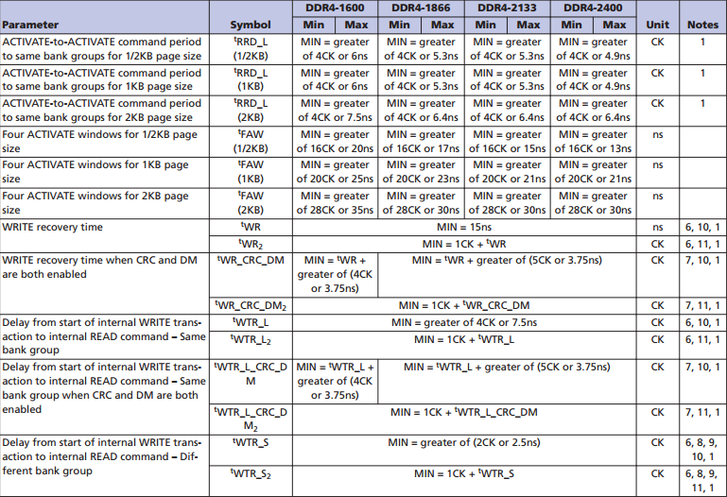
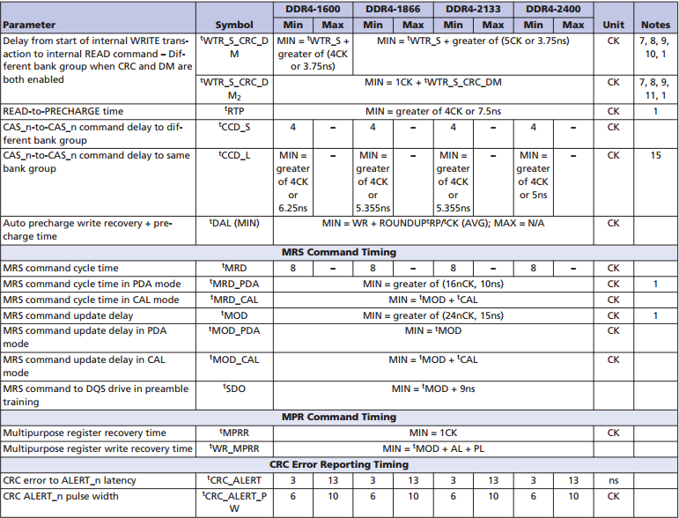
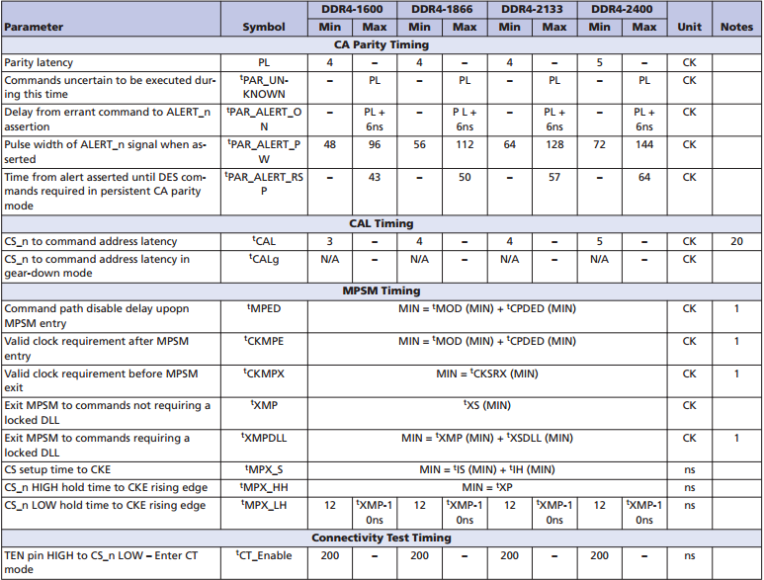
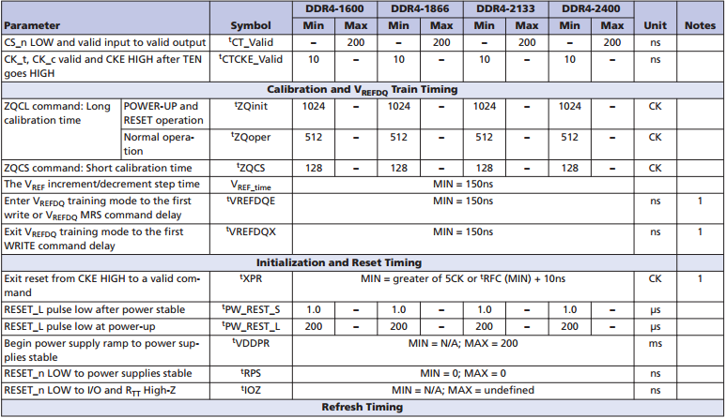
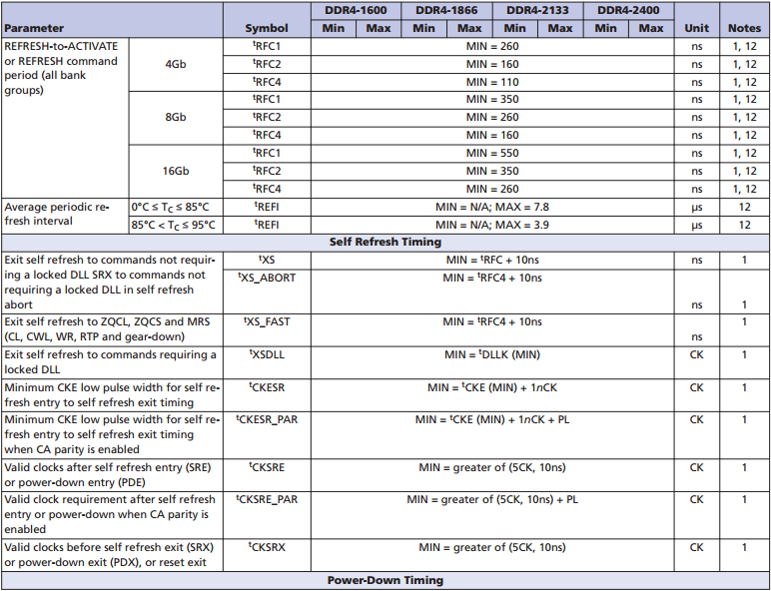
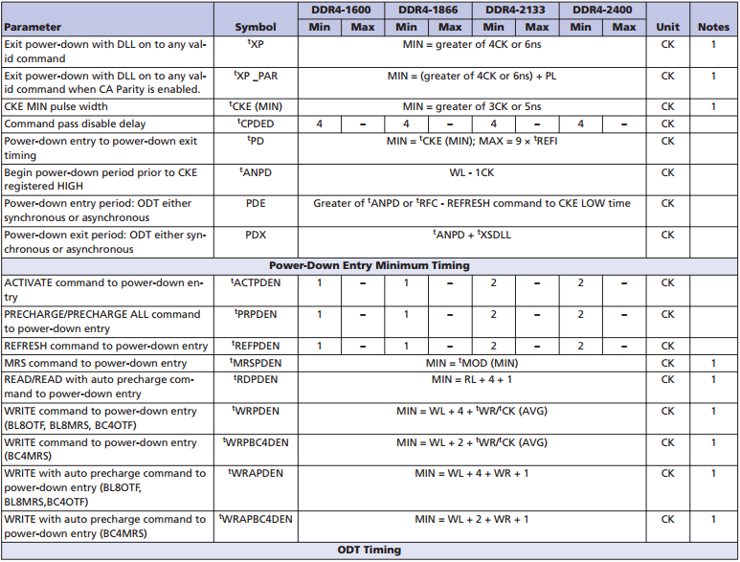
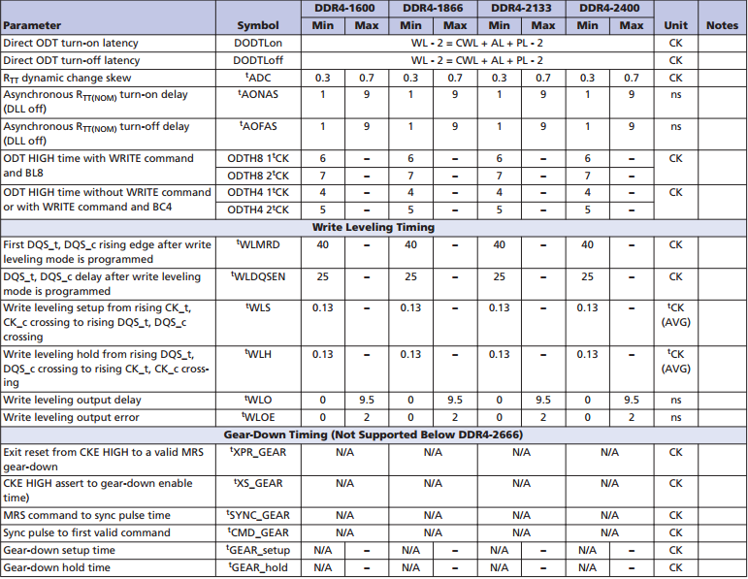
wr2pre | 23 | 17 | wl | 18 | write 1T mode | 0 | AL | 0 | data_rate | 3200
t_faw | 24 | 18 | bl | 8 | CA parity eanble | 0 | PL | 0 | Tck | 0.625 | DRAMTMG0 | 17183619
t_ras_max | 54 | 36 | tWR | 15 | read-dbi | 0 | CWL | 18 |  |  | DRAMTMG1 | 00050626
t_ras_min | 25 | 19 | tFAW | 30 | AL_MR | 0 | CL | 24 |  |  | DRAMTMG2 | 090C0712
 |  |  | tRAS_min | 32 | freq_ratio 0: 1:1; 1: 1:2. | 1 | tREFI_base | 7.8 |  |  | DRAMTMG3 | 0050400C
t_xp | 5 | 5 | tRAS_max | 70200 | page size 0: 0.5k; 1:1k; 2:2k | 2 | tREFI | 7.8 |  |  | DRAMTMG4 | 0C04060D
rd2pre | 6 | 6 | RL | 24 | refresh mode | 0 | tREFI | 3.9 |  |  | DRAMTMG5 | 08080504
t_rc | 38 | 26 | DLL reset | 0 | CWL-ALT | 0 | tXP | 10 |  |  | DRAMTMG6 | 02020005
 |  |  |  |  | tRFC4 | 110 | tRTP | 12 |  |  | DRAMTMG7 | 00000808
write_latency | 9 | 9 |  |  | tRFC(tRFC1) | 260 | tRP | 15 |  |  | DRAMTMG8 | 03031005
read_latency | 12 | C |  |  | read 1T mode | 0 | tRC | 47 |  |  | DRAMTMG9 | 4002050E
rd2wr | 7 | 7 |  |  | write-dbi | 0 | tWTR_L | 12 |  |  | DRAMTMG10 | 000E0C05
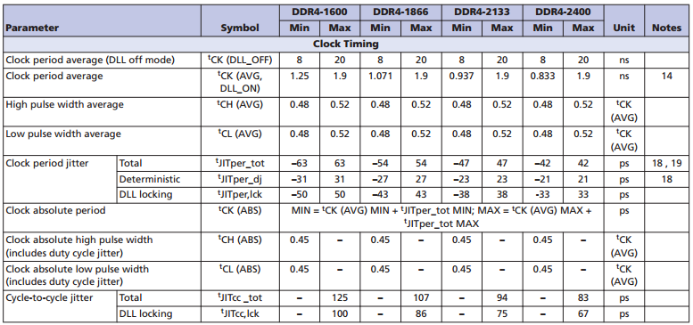
wr2rd | 18 | 12 |  |  | data mask | 1 | tMRD | 8 |  |  | DRAMTMG11 | 150B010E
 |  |  |  |  |  |  | tMOD | 24 |  |  | DRAMTMG12 | 0C020008
t_mrw | 5 | 5 |  |  |  |  | tRCD | 15 |  |  | DRAMTMG13 | 1C200004
t_mrd | 4 | 4 |  |  |  |  | tCCD_L | 8 |  |  | DRAMTMG14 | 000000A0
t_mod | 12 | C |  |  |  |  | tRRD_L | 11 |  |  | DRAMTMG15 | 00000000
 |  |  |  |  |  |  | tCKSRX | 16 |  |  | DRAMTMG16 | 00000000
t_rcd | 12 | C |  |  |  |  | tCKSRE | 16 |  |  | DRAMTMG17 | 00000000
t_ccd | 4 | 4 |  |  |  |  | tCKE | 8
t_rrd | 6 | 6 |  |  |  |  | tCKESR | 9
t_rp | 13 | D |  |  |  |  | tXS_FAST | 120
 |  |  |  |  |  |  | tXS_ABORT | 120
t_cksrx | 8 | 8 |  |  |  |  | tXSDLL | 1024 |  |  | DFITIMG0
t_cksre | 8 | 8 |  |  |  |  | tXS | 270 |  |  | DFITIMG1
t_ckesr | 5 | 5 |  |  |  |  | tDLLK | 1024 |  |  | DFITIMG2
t_cke | 4 | 4 |  |  |  |  | tCCD_S | 4 |  |  | DFITIMG3
 |  |  |  |  |  |  | tRRD_S | 9
t_ckdpde | 2 | 2 |  |  |  |  | tWTR_S | 5
t_ckdpdx | 2 | 2 |  |  |  |  | tGEAR_teup | 2 |  |  | MR0 | 0000
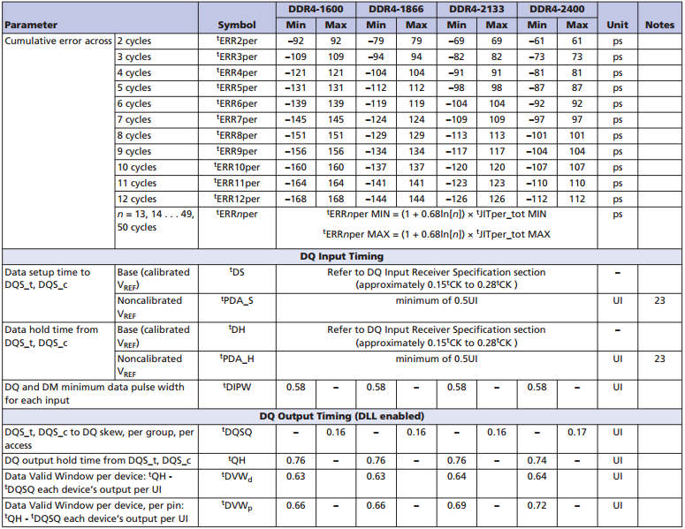
t_ckcsx | 5 | 5 |  |  |  |  | tGEAR_hold | 2 |  |  | MR1 | 0000
 |  |  |  |  |  |  | t XMPDLL | 1294 |  |  | MR2 | 0000
t_ckpde | 8 | 8 |  |  |  |  | tMPX_LH_max | 158.75 |  |  | MR3 | 0000
t_ckpdx | 8 | 8 |  |  |  |  | t IS | 40 |  |  | MR4 | 0000
 |  |  |  |  |  |  | t IH | 65 |  |  | MR5 | 0000
t_xs_fast_x32 | 3 | 3 |  |  |  |  | t MPX_S | 0.105 |  |  | MR6 | 0000
t_xs_abort_x32 | 3 | 3 |  |  |  |  | t CPDED | 4
t_xs_dll_x32 | 16 | 10 |  |  |  |  | t CKMPE | 28
t_xs_x32 | 5 | 5 |  |  |  |  | t MR_MPR | 24
 |  |  |  |  |  |  | tMRD_PDA | 16
ddr4_wr_preamble | 1 | 1 |  |  |  |  | tMPX_LH_min | 12
t_ccd_s | 2 | 2
t_rrd_s | 5 | 5
wr2rd_s | 14 | E

t_sync_gear | 14 | E
t_cmd_gear | 12 | C
t_gear_stetup | 1 | 1
t_gear_hold | 1 | 1

post_mpsm_gap_x32 | 21 | 15
t_mpx_lh | 11 | B
t_mpx_s | 1 | 1
t_ckmpe | 14 | E

t_wr_mpr | 12 | C
t_cmdcke | 2 | 2
t_mrd_pda | 8 | 8

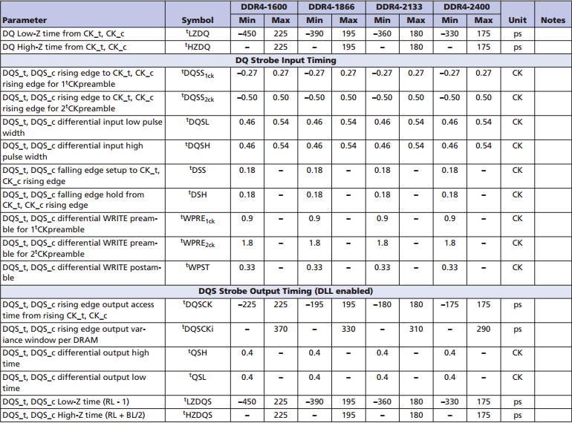
odtloff | 28 | 1C
t_ccd_mw | 32 | 20
t_ppd | 4 | 4

t_xsr | 160 | A0

en_dfi_lp_t_stab |  | 0
en_hwffc_t_stab |  | 0
t_stab_x32 |  | 0

t_rp_ca_parity |  | 0
t_rfaw_dlr |  | 0
t_rrd_dlr |  | 0
t_ccd_dlr |  | 0

t_vrcg_enable | 0 | 0
t_vrcg_disable | 0 | 0

dfi_t_ctrl_delay | 7
dfi_rddata_use_dfi_phy_clk | 0
dfi_t_rddata_en
dfi_wrdata_use_dfi_phy_clk
dfi_tphy_wrdata
dfi_tphy_wrlat

dfi_t_cmd_lat
dfi_t_parin_lat
dfi_t_wrdata_delay
dfi_t_dram_clk_disable
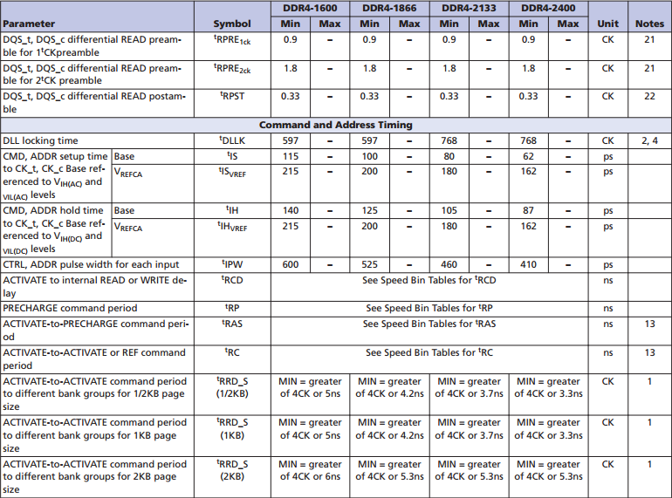
dfi_t_dram_clk_enable

dfi_tphy_rdcslat
dfi_tphy_wrcslat

dfi_t_geardown_delay

dfi_frequency
lp_optimized_write
dis_dyn_adr_tri
dfi_init_start
ctl_idle_en
share_dfi_dram_clk_disable
dfi_data_cs_polarity
phy_dbi_mode
dfi_init_complete_en

