Charts from R
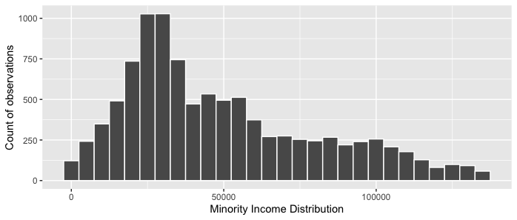
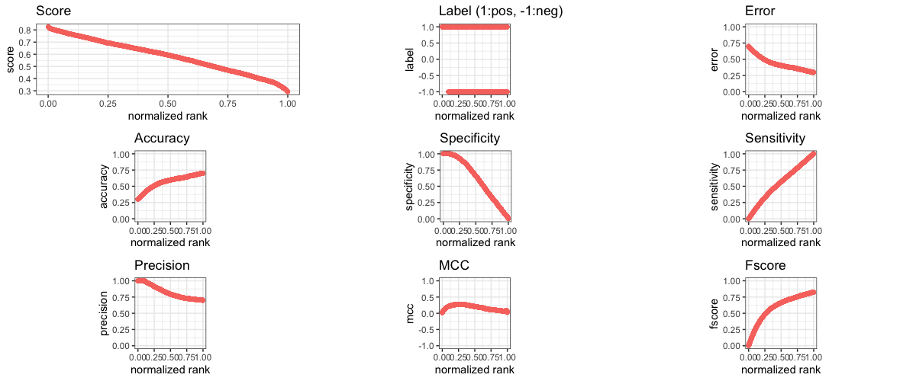

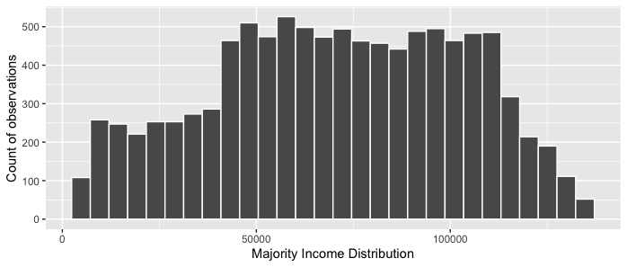

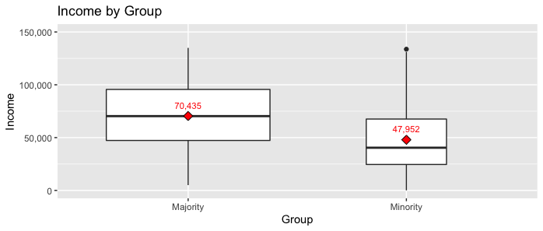

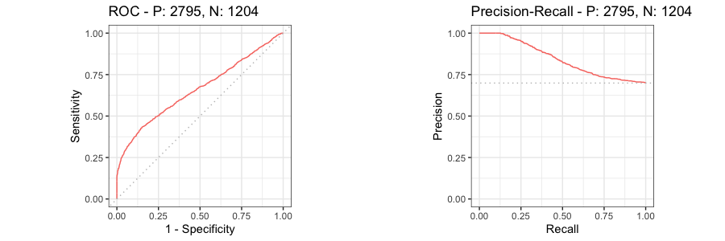

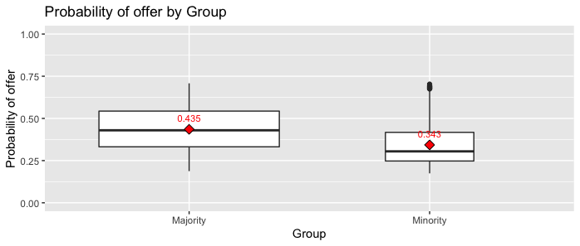
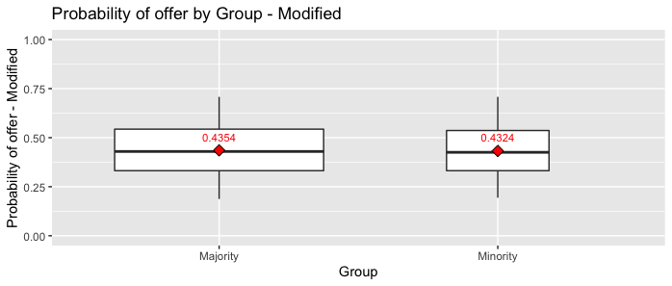

Distribution XtoY-v2
Cum_prop | Proportion | Income | Accept_pct
0.000 | 0.000 | 0 | 0.00
0.000 | 0.000 | 5000 | 0.00
0.050 | 0.050 | 10000 | 0.00
0.100 | 0.050 | 15000 | 0.00
0.150 | 0.050 | 20000 | 0.00
0.200 | 0.050 | 25000 | 0.05
0.250 | 0.050 | 30000 | 0.10
0.300 | 0.050 | 35000 | 0.15
0.400 | 0.100 | 40000 | 0.20
0.450 | 0.050 | 45000 | 0.25
0.500 | 0.050 | 50000 | 0.30
0.550 | 0.050 | 55000 | 0.35
0.600 | 0.050 | 60000 | 0.40
0.650 | 0.050 | 65000 | 0.40
0.700 | 0.050 | 70000 | 0.40
0.725 | 0.025 | 75000 | 0.40
0.750 | 0.025 | 80000 | 0.40
0.775 | 0.025 | 85000 | 0.40
0.800 | 0.025 | 90000 | 0.40
0.825 | 0.025 | 95000 | 0.40
0.850 | 0.025 | 100000 | 0.40
0.875 | 0.025 | 105000 | 0.40
0.900 | 0.025 | 110000 | 0.40
0.920 | 0.020 | 115000 | 0.40
0.940 | 0.020 | 120000 | 0.40
0.960 | 0.020 | 125000 | 0.40
0.980 | 0.020 | 130000 | 0.40
1.000 | 0.020 | 135000 | 0.40

