Assignment_1
 | Topic and Resources | Mandatory | Hands on / Practical Lab 1
 |  |  | You should install the required software
1 | What is Programming? |  | You should create GitHub account
 | https://www.freecodecamp.org/news/what-is-programming-tutorial-for-beginners/ |  | You should create two GitHub Repositories one for FlowCharts, and one for Pseudocodes
 |  |  | You should check in the artifacts into the main repository
2 | Flowcharts |  | 1. One check in into FlowCharts Repository
 | https://www.visual-paradigm.com/tutorials/flowchart-tutorial/ |  | 2. One check in into Pseudocodes Repository
 | https://www.udemy.com/course/flowchart-tutorial-for-beginners/
 |  |  | Hands on / Practical Lab 2
3 | Pseudocodes |  | You should be able to add others into your repository as collaborators
 | https://www.educative.io/answers/what-is-pseudocode |  | You should create the branch policies
 |  |  | You should create a feature branch, make all the changes and check-in into feature branch
4 | Learn to Learn - How to learn programming languages |  | You should be able to raise the PR, Review, and complete the PR
 | https://www.coursera.org/in/articles/what-is-programming |  | This Lab should cover 1, 2, and 4 only
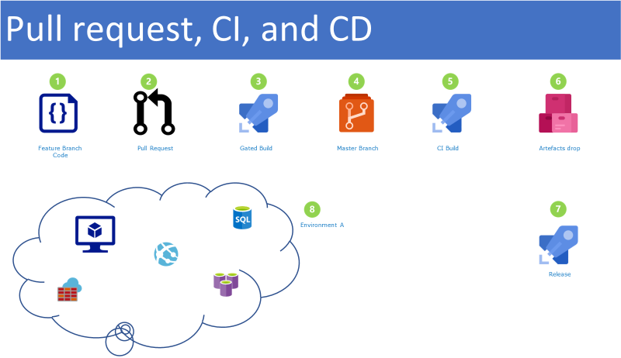
 | https://www.geeksforgeeks.org/what-is-pseudocode-a-complete-tutorial/

5 | Git for Windows
 | https://git-scm.com/docs/git

6 | VS Code
 | https://learn.microsoft.com/en-us/training/modules/introduction-to-visual-studio-code/ | Yes
 | https://code.visualstudio.com/docs
 | https://www.youtube.com/watch?v=fnPhJHN0jTE
 | https://www.youtube.com/watch?v=WPqXP_kLzpo

7 | GitHub
 | https://learn.microsoft.com/en-us/training/modules/introduction-to-github/

