Figure 9
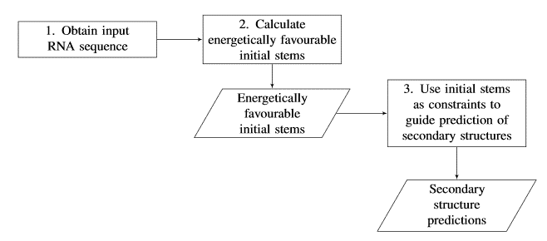

Figure 9: Hierarchical Folding Pipeline. Rectangles dictate actions, parallelograms denote outputs.

