Fig A
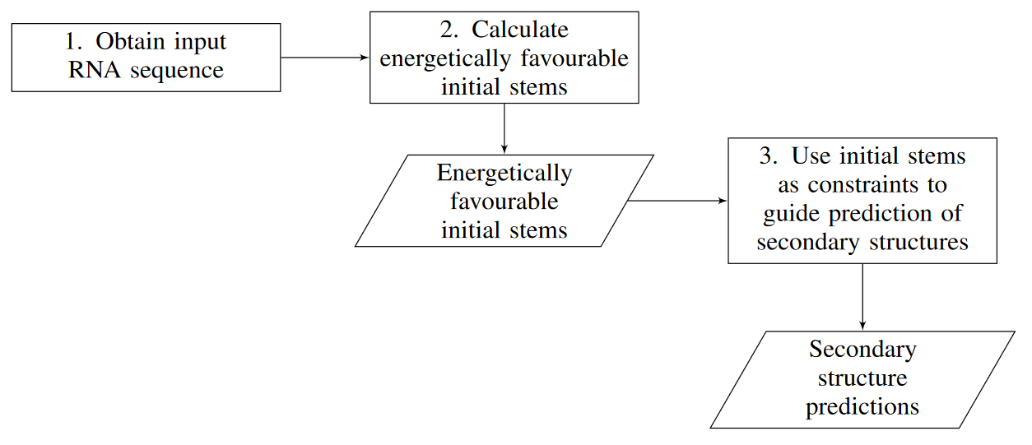

Figure A: Hierarchical Folding Pipeline. Rectangles dictate actions, parallelograms denote input/output.

Fig C
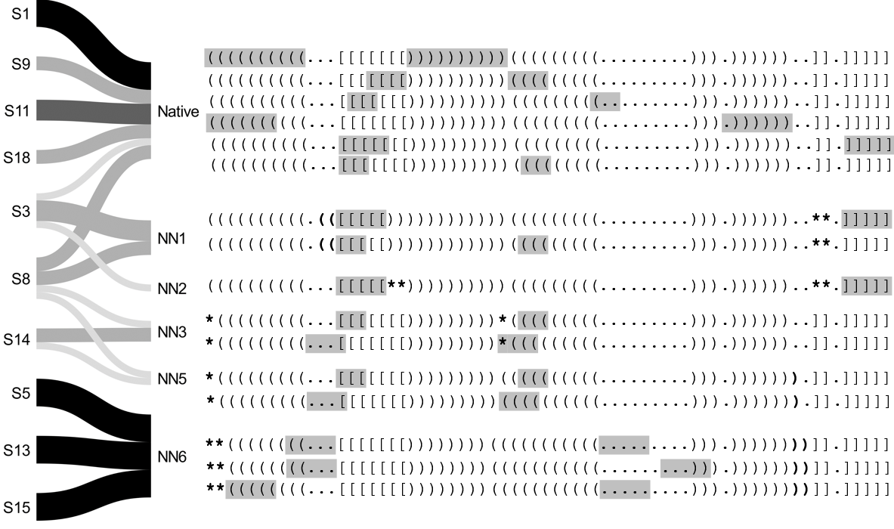

Figure C: Native-adjacent Structural Paths Expanded. Presentation of structural paths from each initial stem leading to native or non-native (but native-adjacent) secondary structures (e.g., NN1 is the lowest free energy non-native structure; cf. Table O). Initial stems labeled on the left (e.g., S1 for initial stem 1; cf. Table B). If the structure predicted for a specific initial stem was the same for all four SHAPE datasets it is presented with a black colored path. In other cases, where the predicted structure was the same for three, two, or only one of the SHAPE datasets, the path is colored dark grey, grey, or light grey, respectively. Differences from the native structure are marked in bold, with parentheses/brackets representing changes in paired bases, and asterisks representing predicted unpaired bases that were paired in the native structure. Gray overlay on dot-bracket indicates initial stems, in order corresponding with labels on the far left.

Fig D


Figure D: Native Non-adjacent Structural Paths Expanded. Presentation of structural paths from the initial stems leading to native non-adjacent secondary structures. Initial stems are labeled on the left (cf. Table B). If, for a given initial stem, the predicted structure is the same for all four SHAPE datasets, it is presented with a black colored path. In other cases, where the predicted structure is the same for three, two, or only one of the SHAPE datasets, the path is colored dark grey, grey, or light grey, respectively. Differences from native structure are marked in bold, with parentheses/brackets representing changes in paired bases, and asterisks representing predicted unpaired bases that are paired in the native structure. Gray overlay on dot-bracket indicates initial stems, in order corresponding with labels on the far left.

