List1
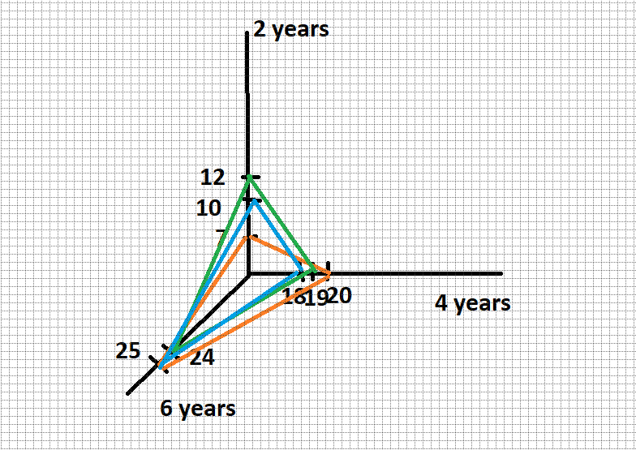
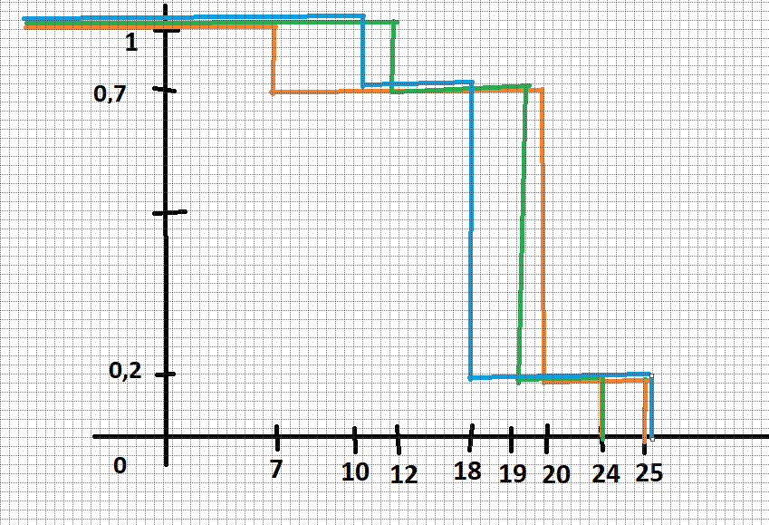
Payoff matrix (in thousands) |  |  |  |  |  |  | Hurwitz
 | 2 years | 4 years | 6 years | MaxiMax | Wald (maximin) | Laplace (average) | 1 | 0.8 | 0.6 | 0.3 | 0 | EMV (Expected Monetary Value)
License I. | 7 | 20 | 25 | 25 | 7 | 17.333333333 | 25 | 21.4 | 17.8 | 12.4 | 7 | 17.1
License II. | 12 | 19 | 24 | 24 | 12 | 18.333333333 | 24 | 21.6 | 19.2 | 15.6 | 12 | 17.9
License III. | 10 | 18 | 25 | 25 | 10 | 17.666666667 | 25 | 22 | 19 | 14.5 | 10 | 17
Risk vector | 0.3 | 0.5 | 0.2 | 25 | 12 | 18.333333333 | 25 | 22 | 19.2 | 15.6 | 12 | 17.9

 | per one year | 10
 | for two years | 20
 | for four years | 35
 | for six years | 45

Regret matrix (in thousands)
 | 2 years | 4 years | 6 years | Savage (minimax) | Laplace |  | EOL (Expected Oppoturnity Loss)
License I. | 5 | 0 | 0 | 5 | 1.6666666667 |  | 1.5
License II. | 0 | 1 | 1 | 1 | 0.66666666667 |  | 0.7
License III. | 2 | 2 | 0 | 2 | 1.3333333333 |  | 1.6
 |  |  |  | 1 | 0.66666666667 |  | 0.7

