Bernoulli probability

1 |  |  |  |  |  | 0
1 | 4 | 0.4 |  |  |  | 1 | 50 | 0.5 |  |  |  | Determine the Probability that during a coin toss (100 trials) it lands heads exactly 51 times.
1 | 6 | 0.6 |  |  |  | 1 | 50 | 0.5 | n | 100
1 |  |  |  |  |  | 1 |  |  | p | 0.5
0 |  |  |  |  |  | 1 |  |  | 1-p | 0.5
1 |  |  |  |  |  | 1 |  |  | k | 51
0 |  |  |  |  |  | 0
0 |  |  |  |  |  | 0 |  |  | 9.8913082888E+28 | 4.4408920985E-16 | 1.7763568394E-15 |  | 0.078028664105 | 8%
0 |  |  |  |  |  | 0
1 |  |  |  |  |  | 1
 |  |  |  |  |  | 0
 |  |  |  |  |  | 0
 |  |  |  |  |  | 0
 |  |  |  |  |  | 1
 |  |  |  |  |  | 0
 |  |  |  |  |  | 1
 |  |  |  |  |  | 1
 |  |  |  |  |  | 1
 |  |  |  |  |  | 0
 |  |  |  |  |  | 0
 |  |  |  |  |  | 1
 | Determine the Probability that during a coin toss (10 trials) it lands heads exactly 6 times. |  |  |  |  | 1
 |  |  |  |  |  | 0
 | n | 10 |  |  |  | 1
 | p | 0.5 |  |  |  | 1
 | 1-p | 0.5 |  |  |  | 0
 | k | 6 |  |  |  | 0
 |  |  |  |  |  | 0
 | 210 | 0.015625 | 0.0625 | 0.205078125 | 21% | 0
 |  |  |  |  |  | 0
 |  |  |  |  |  | 0
 |  |  |  |  |  | 1
 |  |  |  |  |  | 0
 |  |  |  |  |  | 1
 |  |  |  |  |  | 1
 |  |  |  |  |  | 0
 |  |  |  |  |  | 1
 |  |  |  |  |  | 1
 |  |  |  |  |  | 0
 |  |  |  |  |  | 0
 |  |  |  |  |  | 0
 |  |  |  |  |  | 1
 |  |  |  |  |  | 1
 |  |  |  |  |  | 0
 |  |  |  |  |  | 0
 |  |  |  |  |  | 1
 |  |  |  |  |  | 0
 |  |  |  |  |  | 1
 |  |  |  |  |  | 0
 |  |  |  |  |  | 0
 |  |  |  |  |  | 0
 |  |  |  |  |  | 0
 |  |  |  |  |  | 0
 |  |  |  |  |  | 0
 |  |  |  |  |  | 0
 |  |  |  |  |  | 1
 |  |  |  |  |  | 0
 |  |  |  |  |  | 1
 |  |  |  |  |  | 0
 |  |  |  |  |  | 1
 |  |  |  |  |  | 0
 |  |  |  |  |  | 0
 |  |  |  |  |  | 1
 |  |  |  |  |  | 1
 |  |  |  |  |  | 1
 |  |  |  |  |  | 1
 |  |  |  |  |  | 1
 |  |  |  |  |  | 1
 |  |  |  |  |  | 0
 |  |  |  |  |  | 1
 |  |  |  |  |  | 1
 |  |  |  |  |  | 0
 |  |  |  |  |  | 1
 |  |  |  |  |  | 1
 |  |  |  |  |  | 1
 |  |  |  |  |  | 1
 |  |  |  |  |  | 1
 |  |  |  |  |  | 1
 |  |  |  |  |  | 1
 |  |  |  |  |  | 0
 |  |  |  |  |  | 0
 |  |  |  |  |  | 1
 |  |  |  |  |  | 1
 |  |  |  |  |  | 0
 |  |  |  |  |  | 0
 |  |  |  |  |  | 0
 |  |  |  |  |  | 0
 |  |  |  |  |  | 0
 |  |  |  |  |  | 1
 |  |  |  |  |  | 1
 |  |  |  |  |  | 1
 |  |  |  |  |  | 1
 |  |  |  |  |  | 0
 |  |  |  |  |  | 0
 |  |  |  |  |  | 1
 |  |  |  |  |  | 0
 |  |  |  |  |  | 0
 |  |  |  |  |  | 0
 |  |  |  |  |  | 1
 |  |  |  |  |  | 1

Dice
4 |  |  |  | You roll the dice 3 times. |  |  |  | You roll the dice 3 times.
2 | 1 | 0.1 |  | Find probability of rolling the 6 once. |  |  |  | Find probability of rolling the 6 once at most.
6 | 2 | 0.2
 |  |  | n | 3 |  |  |  | n | 3
 |  |  | p | 0.16666666667 |  |  |  | p | 0.16666666667
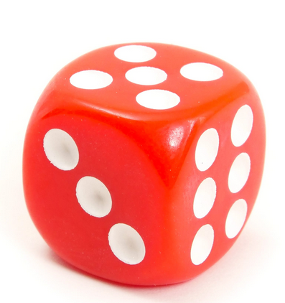
 |  |  | 1-p | 0.83333333333 |  |  |  | 1-p | 0.83333333333
 |  |  | k | 1 |  |  |  | k | 1
 |  |  |  |  |  |  |  |  | 0
 |  |  | 3 | 0.16666666667 | 0.69444444444 | 0.34722222222 | 35% | 3 | 0.16666666667 | 0.69444444444 |  | 0.34722222222 | 35%
 |  |  |  |  |  |  |  | 1 | 1 | 0.5787037037 |  | 0.5787037037 | 58%

 |  |  |  |  |  |  |  |  |  |  | SUM | 0.92592592593 | 93%

List3
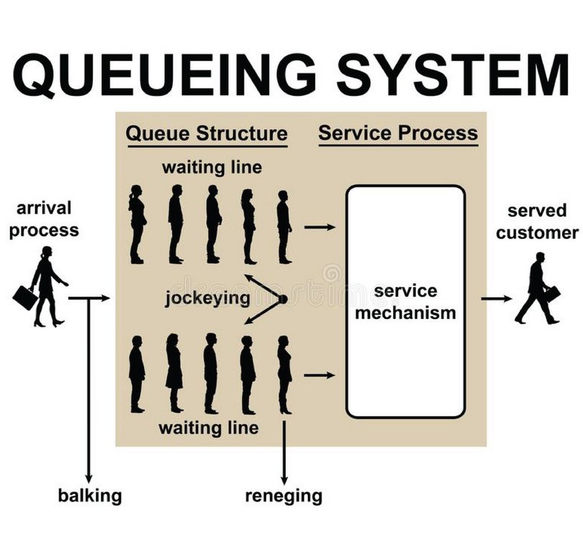

https://www.lavi.com/en/resources-detail/prevent-balking-jockeying-reneging

