1. Title Page
Instacart Grocery Basket Analysis

Project Name: Instacart Grocery Basket Analysis
Date: December 16th, 2021
Analyst Name: Aaron Howland

Contents:
Population Flow
Consistency checks
Wrangling steps
Column derivations
Visualizations
Recommendations

2. Population Flow
Title page

Population flow

Exclusion flag
Condition: max_order <
Obervations to be removed: 0
Final total count of order_products_all: 32404859

Orders_products_combined
Orders_products_merged
Orders_products_all

Total: 32404859
Total: 32434489
Total: 32404859

1.) The grey boxes in the first row of the population flow represent the original data sets as they were when you downloaded them. In the Total fields you need to add the count of the rows when you imported the data set into Jupyter.
2.) The second row of boxes (coloured) represents the data sets after you manipulated them, e.g., removed missing values and duplicates. In the Total fields you need to add the count of the rows after conducting these operations. This offers a visual oveview of how the data flows throughout the data consistency checks.
3.) The third row, where also the arrows are coloured, represents the merges you performed between the datasets. In the Total fields you need to add the count of the rows in the merged datasets, so that you end up with the final dataset (in the red box). Keep in mind the final dataset should be without exclusions (based on the exclusion flag).

3. Consistency checks
 |  |  |  | Title page
Consistency checks

Dataset | Missing values | Missing values treatment | Duplicates
orders | 206209 rows days_since_prior_order | retained missing data | no duplicates
products | 16 missing product names | missing product names were removed | 5 duplicates were removed
orders_products_prior | none | na | no duplicates
customers | 11259 rows First Name | retained missing data | no duplicates

4. Wrangling steps
 |  |  |  | Title page
Wrangling steps

Columns dropped | Columns renamed | Columns' type changed | Comment/Reason
eval_set |  |  | not needed for analysis
 | ord_dow to orders_day_of_week |  | for clarification purposes
 |  | user_id from int64 to str | descriptive id column
 | order_hour_of_day to order_time_of_day |  | for clarification purposes
 |  | product_id to str | descriptive id column
 |  | aisle_id to str | descriptive id column
 |  | department_id to str | descriptive id column
Unnamed: 0

Analysis of security implications

Consider any security implications that might exist for this new data. You’ll need to address any PII data in the data before continuing your analysis.

The following columns in this dataset could be potential PII data:
first_name, surname, gender, age, num_of_dependants, family_status, and income.
If not handled securely, this information could be compromising to individuals from whom this dataframe has been compiled.
I will inform the Instacart team of this information and seek guidance from them on what to do with the identified PII.
I will no remove columns containing PII unless otherwise told to due so by the Instacart team.

5. Column derivations
 |  |  |  | Title page

Column derivations and aggregations

In this tab you should add tables below that the frequences of flags/label variables that you produced after deriving them. NB: don't do this for continuous variables, only for flags.
Dataset | New column | Column/s it was derived from | Conditions
orders_wrangled.csv | first_time_order | days_since_prior_order | boolean based on NaN values in days_since_prior_order
orders_products_merged | price_range_loc | prices | prices <= 5, > 5 & <=15, > 15
orders_products_merged | busiest_day | orders_day_of_week | equal to 0, 4, else
orders_products_merged | busiest_days | orders_day_of_week | equal to 0, 1, 3, 4, else
orders_products_merged | busiest_period_of_day | order_time_of_day | <= 18, <= 5, <= 7, <= 23
orders_products_merged | max_order | user_id, order_number | transform(np.max)
orders_products_merged | loyalty_flag | max_order | > 40, >10 & <= 40, <= 10
cop_sample_active | spent | prices * order_number

6. Visualizations
 |  |  |  |  |  |  |  | Title page

Visualisations

In this tab you should include all the visualtions from Exercises 4.9 and 4.10, alongside the questions from the project brief that they answer. Include any commentary on the relationship between different variables.

These subsets were based on a random sample of the full merged dataset; the full sample contained 9721098 rows.
The sample was further reduced to 7323504 rows when low activity customers were removed (i.e. small active sample).
The analysis focused on the small active sample and two subsets of customers, those that identified as singles, and customers aged 35 and younger
with 1 or more dependants (young families).
There are 1204273 rows in the singles sample. There are 1554786 rows in the young family sample.

Key Questions:

1. The Instacart sales team needs to know what the busiest days of the week and hours of the day are (i.e. the days and times with the most orders) in order to schedule ads at times when there are fewer orders.

Hours are based on a 24 hour clock (0-23).

0=Saturday, 1=Sunday, 2=Monday, 3=Tuesday, 4=Wednesday, 5=Thursday, 6=Friday

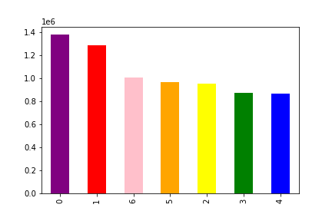
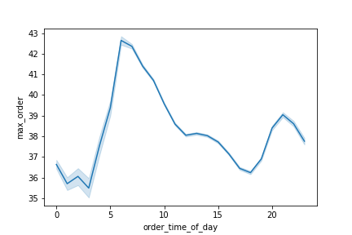
 | Orders by day of the week small active sample |  |  | Orders for small active sample by time of day

The least busiest days based on the small sample are Thursday & Friday. |  |  |  | The least frequent orders for the small sample is between 0-4 hours (12a- 4a).
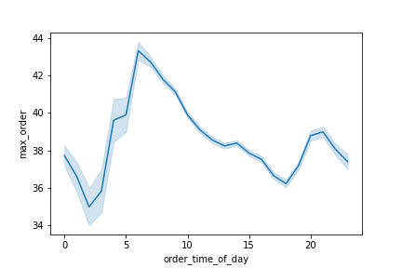
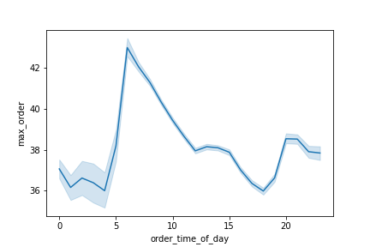
 | Orders for singles by time of day |  |  |  | Orders for young families by time of day

The least frequent orders for singles is between 0-3 hours (12a-3a). |  |  |  | The least frequent orders for young families is between
 |  |  |  | 0-4 hours (12a-4a).

2. They also want to know whether there are particular times of the day when people spend the most money, as this might inform the type of products they advertise at these times.
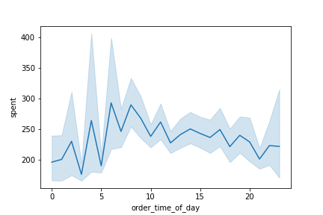
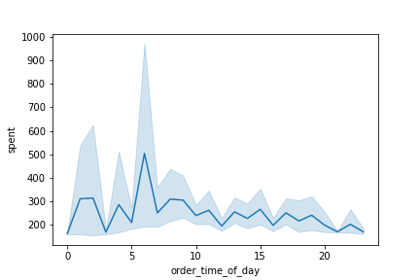
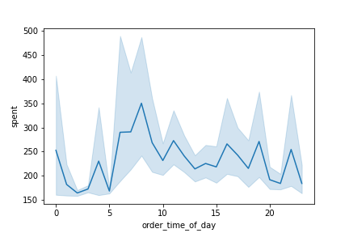
 | Expenditures for active sample by time of day |  |  |  | Expenditures for singles by time of day |  |  |  | Expenditures for young familes by time of day

 | The most expenditures for the small sample is between 6-8 (6am-8am). |  |  |  | The most expenditures for singles is 6 (6am). |  |  |  | The most expenditures for young families is 8 (8am).

3. Instacart has a lot of products with different price tags. Marketing and sales want to use simpler price range groupings to help direct their efforts.

Price ranges groups were created based on prices groups (<= 5: Low_range product, >5 & <= 15: Mid-range product, >15: High-range product ). Bar charts were created from the following demographics:

Mid-range product: green, Low-range product: orange, High-range product: red

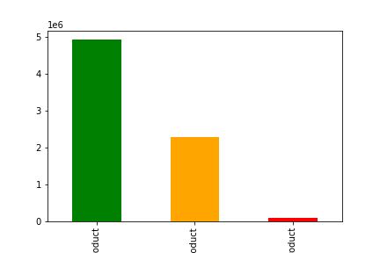
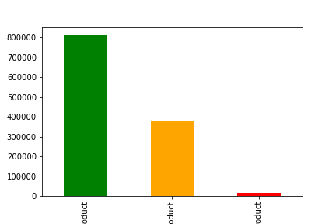

 |  | The small active sample dataset |  |  |  |  | The singles sample dataset |  |  |  |  |  | The young family sample dataset

 | For the small active group, products in the mid-range group are the most popular. |  |  |  |  | For the singles group, products in the mid-range group are also the most popular. |  |  |  |  |  | For the young families group, products in the mid-range group are also the most popular.

4. Are there certain types of products that are more popular than others? The marketing and sales teams want to know which departments have the highest frequency of product orders.

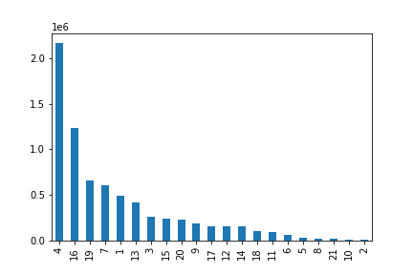
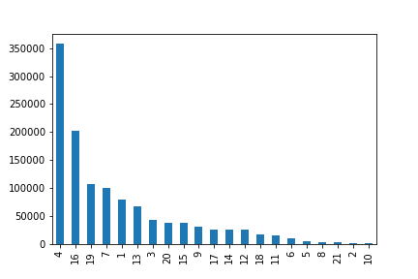
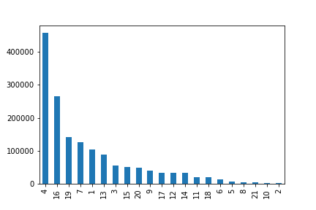
 |  | The small active sample dataset |  |  |  |  | Frequency of department id counts for singles |  |  |  |  |  |  | Frequency of department id counts for young families

 | The small sample dataset (7323504 rows) mirrored the results of |  |  |  |  | For singles, the most frequent 'department_id' counts over 50k are 4, 16, 19, 7, 1, and 13. |  |  |  |  |  |  |  | For young families, the most frequent 'department_id' counts over 10k are 4, 16, 19, 7, 1, and 13.
 | the singles and young families datasets, suggesting that these departments |  |  |  |  | These ids correspond to produce, dairy/eggs, snacks, beverages |  |  |  |  |  |  |  | These ids correspond to produce, dairy/eggs, snacks, beverages
 | are overall the most and least popular. |  |  |  |  | (non-alcoholic), frozen, and pantry, respectively. |  |  |  |  |  |  |  | (non-alcoholic), frozen and pantry, respectively.
 |  |  |  |  |  | The least frequent are 5, 8, 21, 2, 10, which correspond to alcohol, pets, missing, other, and bulk. |  |  |  |  |  |  |  | The least frequent are 5, 8, 21, 2, 10, which correspond to alcohol, pets, missing, other, and bulk.

5. The marketing and sales teams are particularly interested in the different types of customers in their system and how their ordering behaviors differ.
For example: ● What’s the distribution among users in regards to their brand loyalty (i.e., how often do they return to Instacart)?
 |  | ● Are there differences in ordering habits based on a customer’s loyalty status?

Groups were flagged by loyalty based on max orders (>40: loyal customer, >=10 & <40: regular customer, <10: new customer). Bar charts were created from the following demographics:

Regular customers: green, loyal customers: blue, new customers: orange

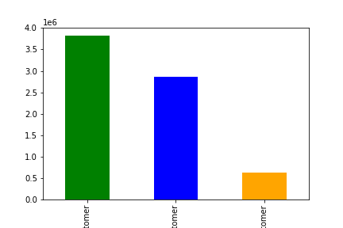
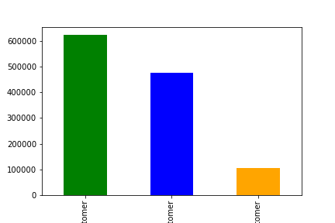
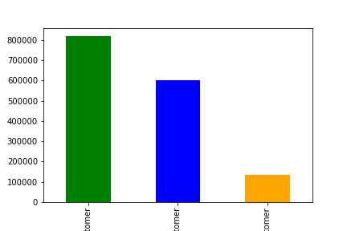
 | The small active sample dataset |  |  |  | The singles sample dataset |  |  |  |  |  | The young family sample dataset

 | Regular customers return most frequently in this group . |  |  |  | Regular customers return most frequently in this group as well. |  |  |  |  | Regular customers return most frequently in this group as well.

● Are there differences in ordering habits based on a customer’s region?
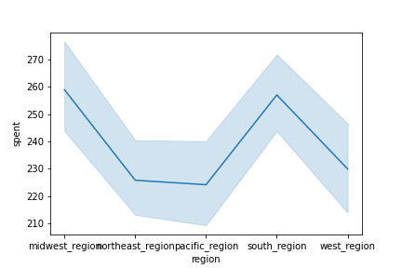
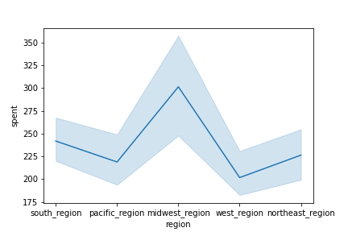
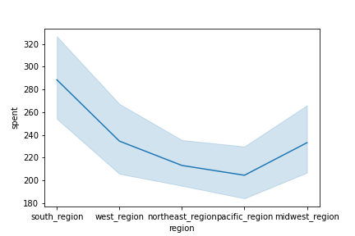
 |  | The small active sample dataset |  |  |  | The singles sample dataset |  |  |  |  | The young family sample dataset

 | Customers in the midwest and south regions are greater spenders |  |  |  | Expenditures for this demographic were the largest in the midwest region. |  |  |  |  |  | Expenditures for this demographic were the largest in the south region.
 | when compared to the other three regions. |  |  |  | The west region had the least expenditures. |  |  |  |  |  | The pacific region had the least expenditures.
 | The west region is slightly higher then the northeast region, which in
 | turn is slightly higher than the pacific region.
 | The pacific region is thereby the lowest spender by region.

● Is there a connection between age and family status in terms of ordering habits?

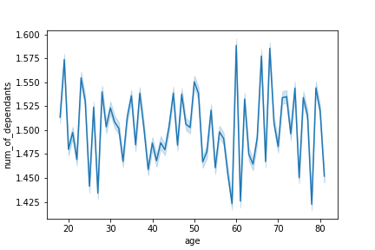
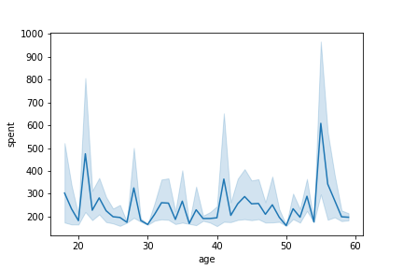
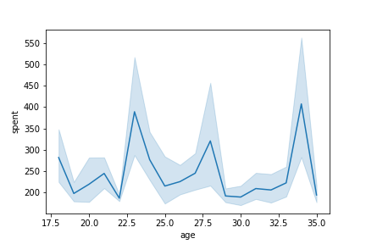
 |  |  | The small active sample dataset |  |  |  | The singles sample dataset |  |  |  |  |  |  | The young family sample dataset

 | Based on the line chart, demographics for the Instacart customer suggests |  |  |  |  | Highest expenditures for this demographic were people in their late fifties (age 55), |  |  |  |  |  | Highest expenditures for this demographic were people in their middle thirties (age 34),
 | that number of members of the household is relatively consistent through |  |  |  |  | followed by people in their early twenties (age 21), and early forties (age 41). |  |  |  |  |  | followed by people in their early twenties (age 23), and late twenties (age 28).
 | all age groups, in the range of 1.4-1.575 dependants.
 | Having more than 1 dependant doesn't appear to have a strong relationship.

● What different classifications does the demographic information suggest? Age? Income? Certain types of goods? Family status?

 | The graphs in the prior example suggest that while having more than 1 dependant doesn't appear to have a strong relationship, singles tended to spend more in their middle 50s, young families in their middle 30s.
 | The charts from question 4 above reflect that produce, dairy/eggs, snacks, beverages (non-alcoholic), frozen, and pantry are the most popular products , while alcohol, pets, missing, other, and bulk are the least popular, regardless of demographics.

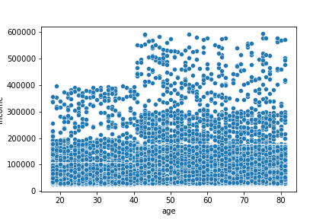
 |  |  | The small active sample dataset

 | The scatterplot reflects a relationship between age and income,
 | with a greater number of points noted as age and income increases, suggesting greater spending power.
 | The number of points between 0-60k income increases beyond age 40.

● What differences can you find in ordering habits of different customer profiles? Consider the price of orders, the frequency of orders, the products customers are ordering, and anything else you can think of.

As highlighted in the graphs for question 1 above, max orders for the small active group begins to climb between 4-8 (4am-8am), and has its highest peak around 6 (6am), and declines steadily afterward, with a smaller climb from 19-24 (9pm-12am), with a smaller peak around 21 (1am).
Spending for this group picks up sharply around 6(6am) and steadily drops off until midnight, dropping off after 0 (12am) and picking up again between 1-2 (1am-2am).

Max orders for singles begins to climb between 4-8 (4am-8am), and has its highest peak around 6 (6am), and declines steadily afterward, with a smaller climb from 19-24 (7pm-12am), with a smaller peak around 21 (1a).
Spending for this group picks up sharply around 6 (6am) and steadily drops off until midnight, dropping off after midnight and picking up again between 1-2 (1am-2am).

Max orders for young families begins to climb between 5-7 (5am-7am) and has its highest peak around 7 (7am), and declines steadily afterward, with a smaller peak from 11-15 (11am-3pm), and again between 20 and 0 (8pm-12am).
Spending for this group picks up sharply around 6 (6am), peaks around 8 (8am), and then fluctuates with lower peaks around 11 (11am), 16 (4pm), 20 (8p) and 22 (10pm), and 0 (12am).

Shopping habits varied by region as noted in response to question 5 above. The midwest and south regions were the most active regions based on samples of all customers. While singles were most active in the midwest region, young families were most active in the south.

Age of the customer also had a strong relationship when it came to spending power, as demonstrated by the scatterplot, suggesting that older customers are positioned to have greater purchasing power than younger customers.

Mid-range product prices were the most preferred by all groups, followed by low-range product prices. Much fewer customers preferred high-range products.

7. Recommendations
 |  | Title page

Recommendations

In this tab you should include any recommendations you would made to Instcart in terms of their marketing strategy based on the questions posed in the brief. Every key question has been covered in the Tasks of the Exercises - here you need to add an item - a visualisation or table/crosstable that is showing the answer in the data, acompanied by a comment from you. Please, list the questions below and add the answer underneath.

Question
1. The Instacart sales team needs to know what the busiest days of the week and hours of the day are (i.e. the days and times with the most orders) in order to schedule ads at times when there are fewer orders.

Answer
The Instacart sales team should focus on Thursday and Friday as the frequency of sales is lower then on the other days of the week.

For the small active sample group, the least orders are between 12am-4am, and between 4pm-7pm; targeting ads during these times may be beneficial.

The analysis focused on two key demographics, singles and young families.

For singles, the least orders are between 12am-3am, and between 4pm-7pm; targeting ads during these times may be beneficial.

For young families, the least orders are between 1am-4am, and between 3pm-6pm; targeting ads during these times may be beneficial.

Question
2. They also want to know whether there are particular times of the day when people spend the most money, as this might inform the type of products they advertise at these times.

Answer
The most expenditures for all three groups were around breakfast time between 6am-8am, therefore the team may want to focus the types of products they advertise based on this time frame.

Question
3. Instacart has a lot of products with different price tags. Marketing and sales want to use simpler price range groupings to help direct their efforts.

Answer
When prices were broken out based on price groups (<= 5: Low_range product, >5 & <= 15: Mid-range product, >15: High-range product ), the results suggested that most purchases were in the Mid-range, followed by Low-range, and then High-range.

Question
4. Are there certain types of products that are more popular than others? The marketing and sales teams want to know which departments have the highest frequency of product orders.

Answer
For all three groups, products that fell with in the produce, dairy/eggs, snacks, and beverages groups had the highest frequency of product orders. The marketing and sales teams should focus on sales in these departments.

Question
5. The marketing and sales teams are particularly interested in the different types of customers in their system and how their ordering behaviors differ.
For example: ● What’s the distribution among users in regards to their brand loyalty (i.e., how often do they return to Instacart)?
 | ● Are there differences in ordering habits based on a customer’s loyalty status?

Answer
When groups were flagged by loyalty based on max orders (>40: loyal customer, >=10 & <40: regular customer, <10: new customer), regular customers returned the most in all three groups, followed by loyal customers.
The margeting and sales team should focus attention on regular customers followed by loyal customers.

● Are there differences in ordering habits based on a customer’s region?

Answer
In the small active sample dataset, customers in the midwest and south regions are greater spenders.

Expenditures for the singles demographic were the largest in the midwest region.

Expenditures for the young families demographic were the largest in the south region.

● Is there a connection between age and family status in terms of ordering habits?

Answer
There does not appear to be a strong variation between age and family status cross the small active sample. However, expenditures did vary between those without dependants and those with dependants.

Singles tended to have greater expenditures later in life (mid-fifties). The marketing and sales teams may want to focus on this age group, or may want to look at boosting sales from younger age groups in this demographic.

Young families expenditures varied at different age periods, with the highest expenditures in their mid-thirties, followed by their mid-twenties.

As noted previously, mid-range products were the strongest for these groups.

● What different classifications does the demographic information suggest? Age? Income? Certain types of goods? Family status?

Answer
As previously noted, sales in the areas of produce, dairy/eggs, snacks, and beverages are strong across all three sample groups.

Across the small active sample, age does seem to be factor in spending power, as older individuals tended to buy more products overall, particularly beyond age 40 and above.

The purchasing power of singles and young families tended to skew older as well.

● What differences can you find in ordering habits of different customer profiles? Consider the price of orders, the frequency of orders, the products customers are ordering, and anything else you can think of.

Answer
Customers across all three demographics sampled most frequently shopped products that were in the mid-range price category (between 5-15), and regular customers are the most loyal customers across these groups as well.

The primary difference across these groups is the regions in which they are most active. The small active sample, which accounted for all customer demographics, is generally most active in the midwest and south,
with singles most active in the midwest, and young families most active in the south.

Conversely, and perhaps worthy of more targeted efforts, sales in the northeast, west and pacific regions were much less active across the sample groups.

Older customers in all three groups have greater purchasing power than younger customers, particularly those aged 40 and older.

All three groups tend to do most of the purchasing during the first part of the day, with some uptick in purchasing during the evening, and around midnight.

Products with the lowest market share included alcohol, pets, missing, other, and bulk goods. Products in the high-range price category were the least purchased across all three groups.

Some of the products in these categories, such as items classified as other, missing, and bulk goods, may need better methods of classification to better determine why their market share is low.

Factors influencing the sale of alcohol may include where and how alcohol is purchased across different regions. This may be true for products related to pets as well.

Instacart Data Sets:

Customers Data Set; https://s3.amazonaws.com/coach-courses-us/public/courses/data-immersion/A4/A4_Data_Assets/customers.zip

Data Dictionary; https://gist.github.com/jeremystan/c3b39d947d9b88b3ccff3147dbcf6c6b

Citation:

“The Instacart Online Grocery Shopping Dataset 2017”, Accessed from https://www.instacart.com/datasets/grocery-shopping-2017 on November 8th, 2021.

