Class 6
 |  | Studying Major Transits

Saturn and Jupiter coming together gives major result in that year

venus moon mercury
Sun will show month
daily transit Moon
Monthly Sun

Sat over ketu
house se jaa raha hai..use house ke relative ki health

death | rahu over Jupiter
Check in D9 also
pisces main rahu
jupiter in pisces in 4th house of d9.
2023 was tough for him

Saturn ke upar se ketu is worst combination
Good for spiritualist
He got guru, ketu is also Guru

Saturn ketu, ketu was in 7th house so she lost her husband

rahu jupiter affects your jeeva, prana
vice verse
if mars, saturn and rahu toh death hoti hai..

Example | wife is hospital, losing money..
Planet pehle lo - Venus
Saturn is friend of venus - hidden affair second hand car or construction karwata hai
Ketu over venus
ketu is not allured by money but seva
good ketu ..more detachment can talk to animals

Rahu over venus | affair and buying big cars for show off

Client - marriage issue..boy- gay
Jupiter in lagna
Weak moon can be manipulated
jupiter jiska saath baitha hai wasa ban jata hai

Immortal activity sat and rahu/ other gender | 3rd and 7th high affliction
Rahu sat | obessive behaviour
Husband is aggressive | Moonga use kar saktey hai
Jupiter can control mars
Flag change karo aur kadi chawal ne gurudware
mars ka yantra in silver to give power to cancer
venus exalted | divorce nahi deta, if exalted
jaha bhi mars mercury | voilence with kids
 | aries voilent

Make Venus bad
Donation of venus..have to make venus weak

second marriage - confirm in both charts jupiter tansit over pisces

for buying property | Jupiter ka transit on d 4

Transit of jupiter over BB
divitional chart main two important house, lagna and karaka
suppose house, d4 lagna and 4th house.
jis karaka se related question

property main corner property due to retro planet
Car D 16
sat venus second hand

Missing Person
lagna is very important
lagna and lagnesh should be strong
malefic in 3, 6 and 11 main good hote hai
rahu mars and sat good in 3,6,11
benefic good in trikon
check yoga
4th house of recovery and return of person
connection with 4th house, lord ya planet..wapis aayega
Moon's relation
4th lord in 4th itself
Benefic planet in 4th also show return of person
weak lagna indicates trouble to person.

own will or by force

Chart girl missing

Benefic in kendra - Jupiter
child went to play and slept.
strong lagnesh
ketu in 8th sudden trouble
ketu is break absence..so 3 related hua hoga
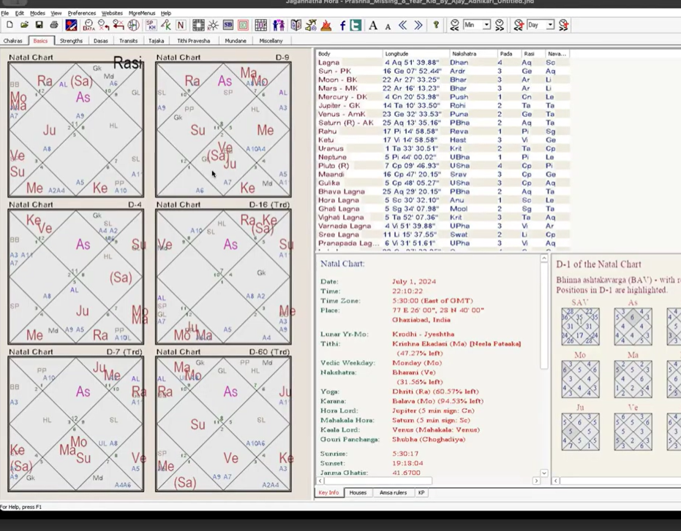
chart 2
6 dec 2018, 9.08 mumbai

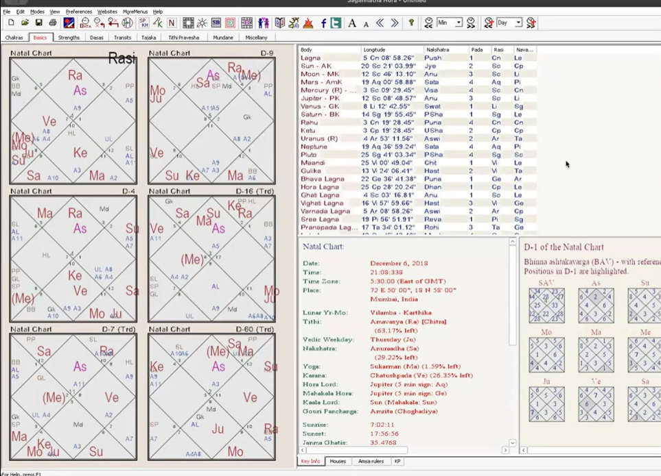
Chart 2

lagna moon deb
bit delay in finding

Lagna moon at 12
Jupiter same degree
Jupiter is aspecting the lagna
4th house lord in itself

forceful le gaye..mars 8, 12 and 2nd kidnap
mars 8th aspect damage - shoulder pe
exceptional chart - Jupiter saved.
Father ki family
Chacha - Mars common in both charts mars in 8th house.

recovery hai due to strong 4th

Jupiter saturn 6-8..makes one go astrology
6-8..last life main chod diya
1,4,7-10
purpose 6-8

1 hour 32 mins

