Sheet1
Sr. No | Title | Link | Status | Visual | Comments | Images
1 | 3D Radar and Camera Co-Calibration: A flexible and Accurate Method for Target-based Extrinsic Calibration | https://arxiv.org/pdf/2307.15264 | Done |  | 1. Highly reproducable as only single CR involved. 2. Lower ressource requirement. 3. Uses ransac and LM optimisation to solve the PnP problem. 4. Uses 3 metrics: {Col. H} for evaluation. | 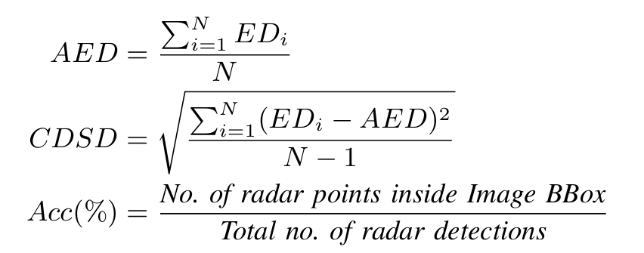
2 | An Efficient Approach for Calibration of Automotive Radar–Camera With Real-Time Projection of Multimodal Data | https://doi.org/10.1109/TRS.2024.3408231 | Reading
3

