Sheet1
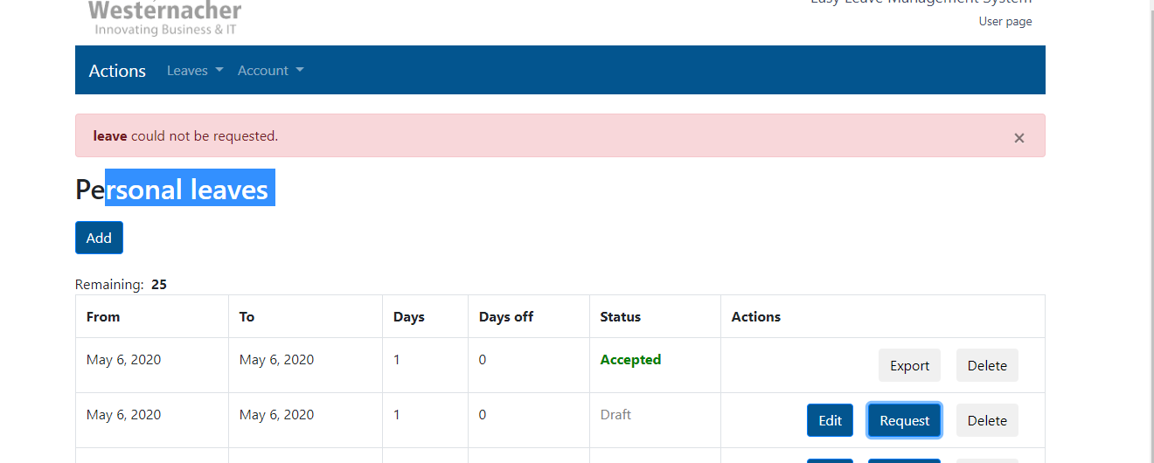
Bugs:

Bug 1:
Description: The user can add past days as Personal Leave days. No error message is shown when try to add personal leave with past dates.
Found on: DEV/UAT Environment
Steps to reproduce:
1. Navigate to https://test.easyleave.de/ and login with your credentials
2. Click on 'Add' button to add new Personal Leave
3. Choose past dates from the Calendar
4. Add this selected period

Expected Result:
The user should not be able to add past days.

Actual Result:
The user can add past days as Personal Leave days. No error message is shown when try to add personal leave with past dates.

Bug 2:
Description: Some Calendar days are not visible on the Site
Found on: DEV/UAT Environment
Steps to reproduce:
1. Navigate to https://test.easyleave.de/ and login with your credentials
2. Click on 'Add' button to add new Personal Leave
3. Choose some month from the Calendar and observe the last days from the selected month

Expected Result:
All days should be visible on the Site

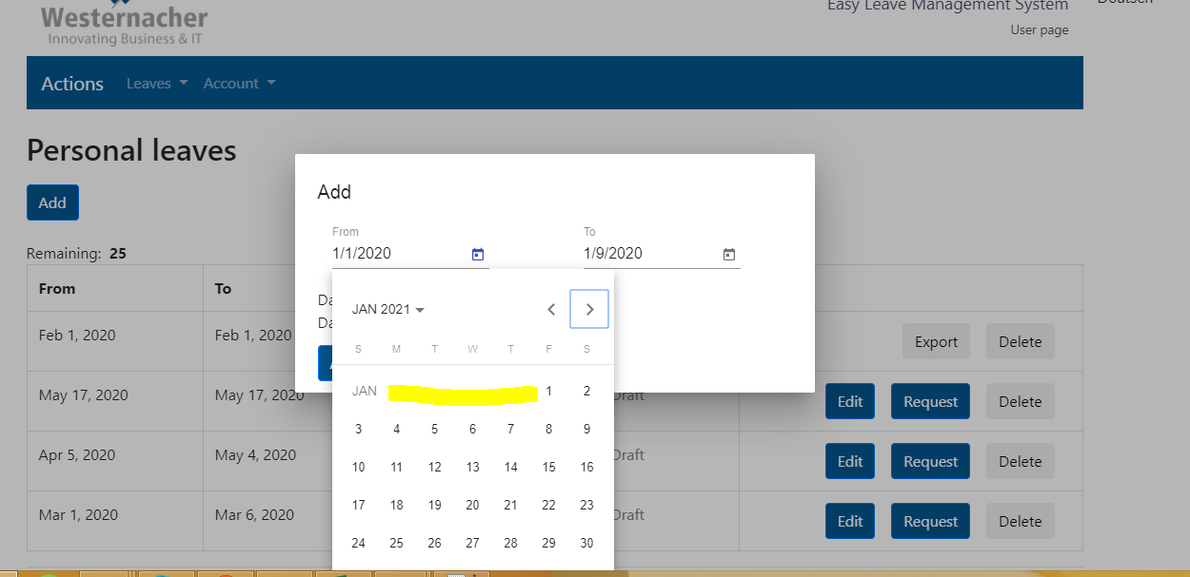
Actual Result:
The last days of all months are not visible on the Site
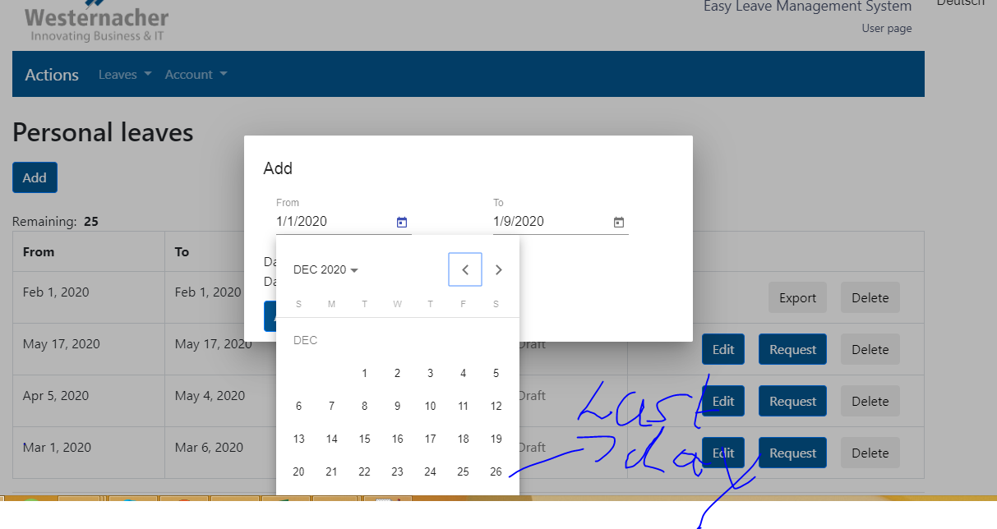

Bug 3:
Description: Days off are not correctly calculated. The holidays are not included in the calculation
Found on: DEV/UAT Environment
Steps to reproduce:
1. Navigate to https://test.easyleave.de/ and login with your credentials
2. Click on 'Add' button to add new Personal Leave
3. Choose some personal leave period. For example: From Date 12/21/2020 To Date 01/02/2021 and check the days off

Expected Result:
The holidays should be included. Days should be 13 and days off should be 6

Actual Result:
The holidays are not included. Days are 13 and days off are 8
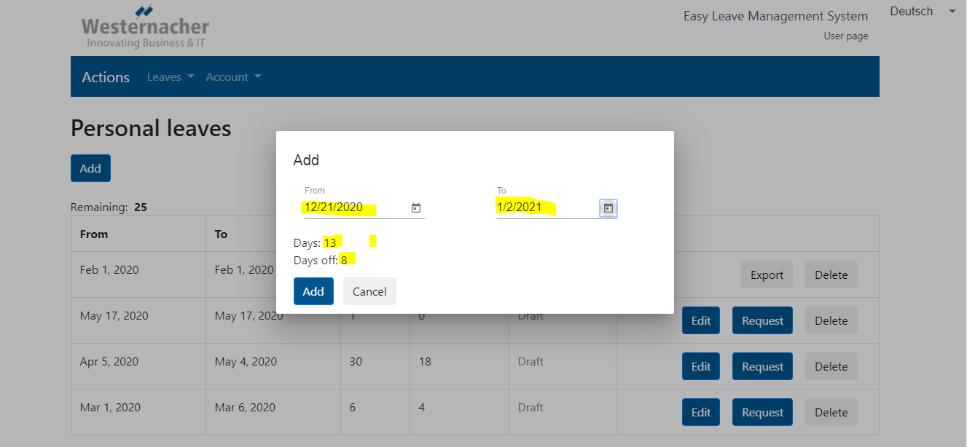

Bug 4:
Description: Export modal dialog is actually print dialog. The files are not saved to PDF, to Google Drive, as Webex Document
Found on: DEV/UAT Environment
Steps to reproduce:
1. Navigate to https://test.easyleave.de/ and login with your credentials
2. Click on 'Add' button to add new Personal Leave
3. Click on 'Request' button
4. Click on 'Export' button to export the file

Expected Result:
The opened modal dialog should be Export, the button 'Print' should be changed to 'Export'. The user should be able to save the files as PDF on his local pc, to Google Drive, as Webex Document
Actual Result:
The opened modal dialog is actually print dialog. The user can not save the files as PDF on his local pc, to Google Drive, as Webex Document
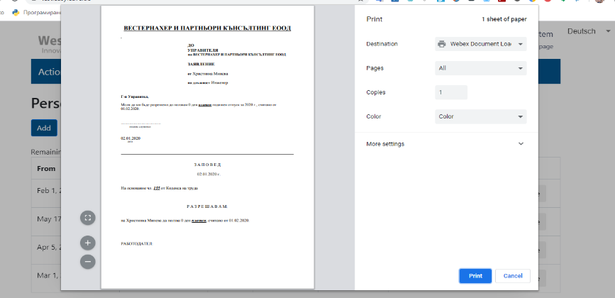
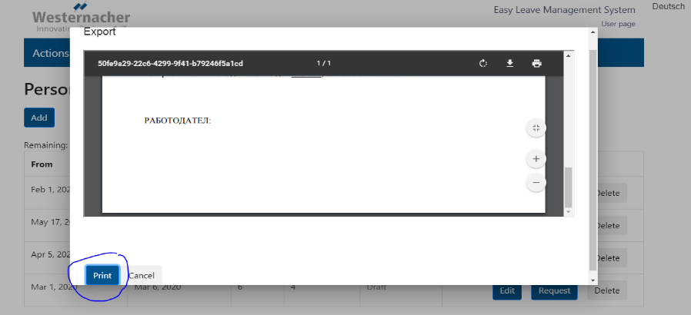

Bug 5:
Description: The server returns status code 400 when more requests are sending
Found on: DEV/UAT Environment
Steps to reproduce:
1. Navigate to https://test.easyleave.de/ and login with your credentials
2. Click on 'Add' button to add 5 or more new Personal Leave
3. Click on 'Request' button of all created Personal Leave forms and check the response from the server

Expected Result:
The server should returns status code 200. All requests should be able to be accepted.

Actual Result:
The server returns status code 400 when more requests are sending (Request URL: https://test.easyleave.de:8081/users/leave/8 Request Method: POST Status Code: 400)
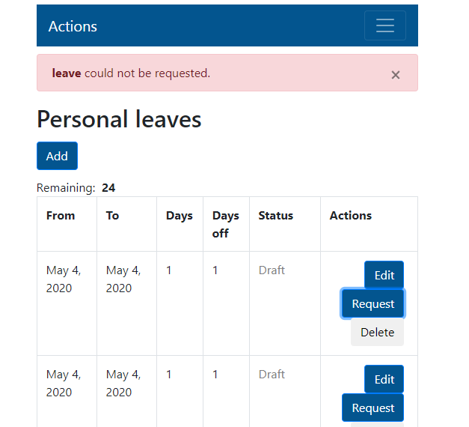

Bug 6:
Description: The application is not translated to Deutsch and it is partially translated to Bulgarian
Found on: DEV/UAT Environment
Steps to reproduce:
1. Navigate to https://test.easyleave.de/ and login with your credentials
2. Click on the arrow in right corner to change the language to Deutsch and check the page
3. Click again on the arrow in right corner to change the language to Bulgarian and check the page

Expected Result:
1. When switch the language to Deutsch, all pages, buttons and modals should be translated to Deutsch
2. When switch the language to Bulgarian, all pages, buttons and modals should be translated to Bulgarian
3. When switch the language to English again, all pages, buttons and modals should be translated to English

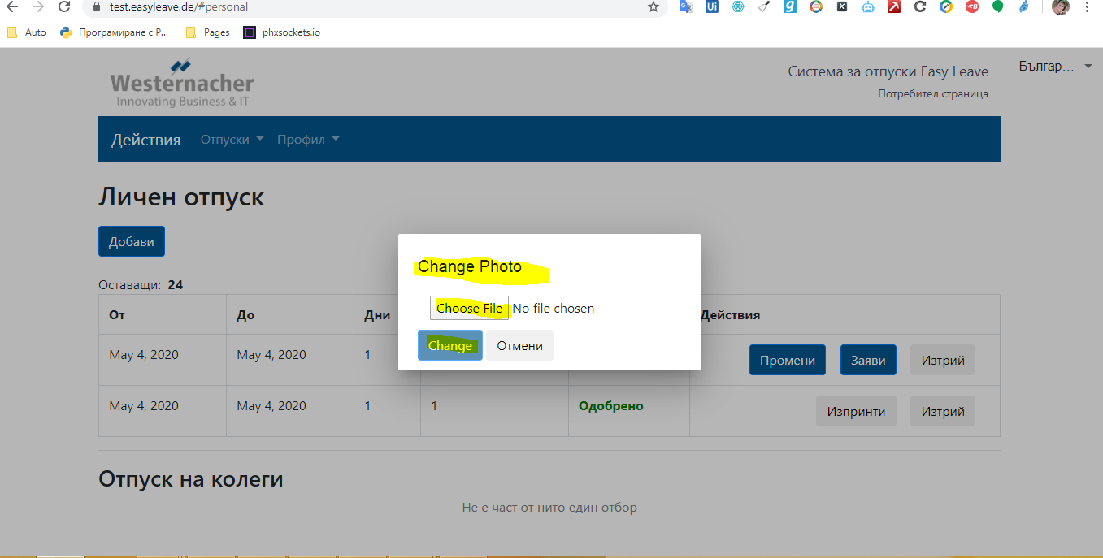
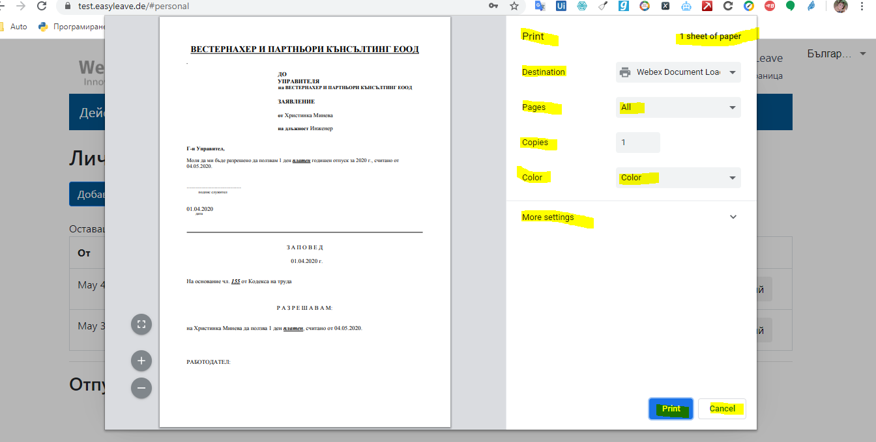
Actual Result:
1. When switch the language to Deutsch, no one page is translated to Deutsch
2. When switch the language to Bulgarian, some modals are not translated to Bulgarian
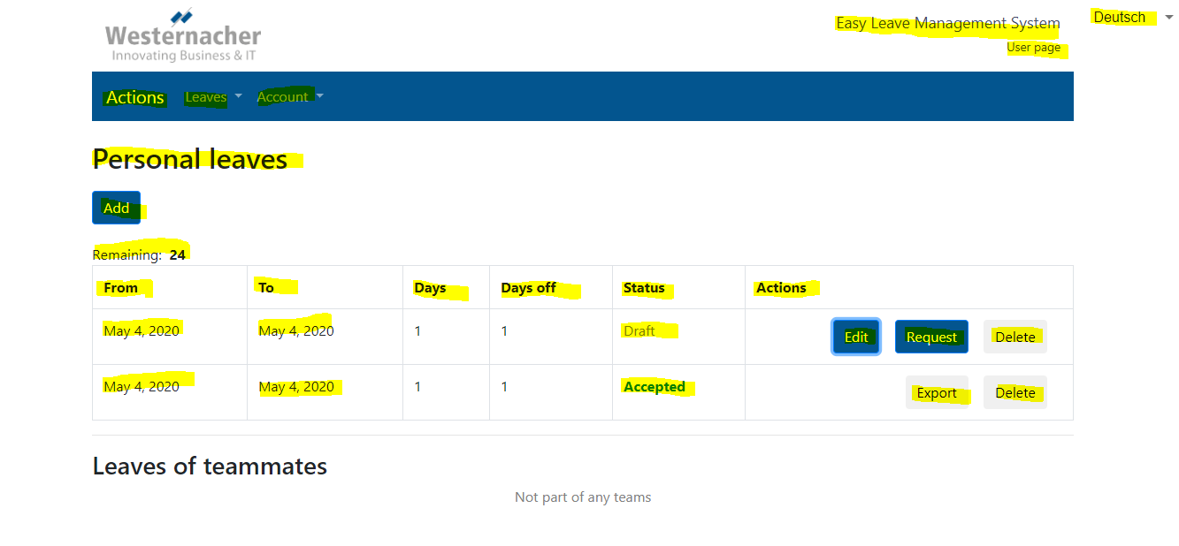

Bug 7:
Description: The user can not make more than one Personal Leave request
Found on: DEV/UAT Environment
Steps to reproduce:
1. Navigate to https://test.easyleave.de/ and login with your credentials
2. Add two or more Pesronal Leave
3. Click on 'Request' button for all of the created forms

Expected Result:
The user should be able to send more than one Personal Leave requests

Actual Result:
The user can not sending more than one Personal Leave requests

