PAGE 2
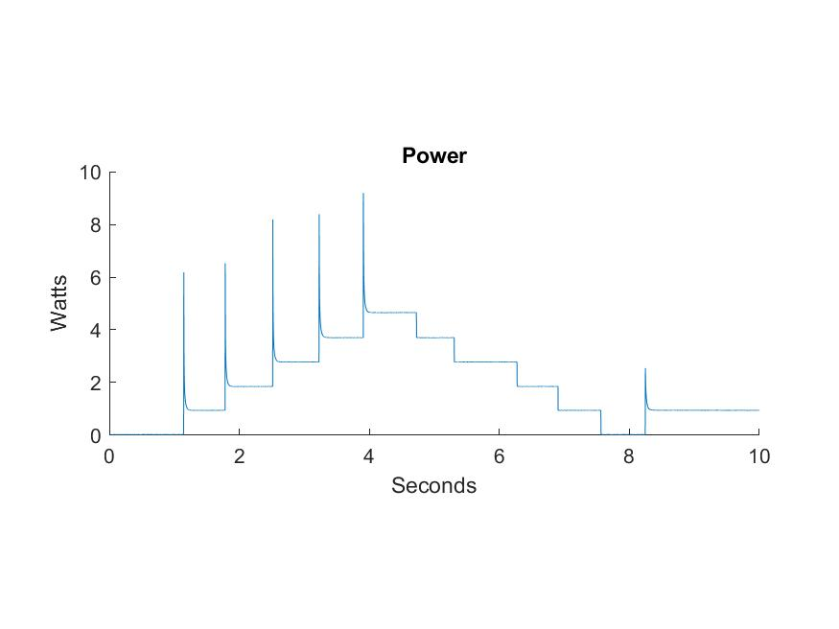
 | PASSCAL ENGINEERING GROUP
 | INTERNAL DOCUMENT
 |  | Page 2

Window 1

PAGE 3
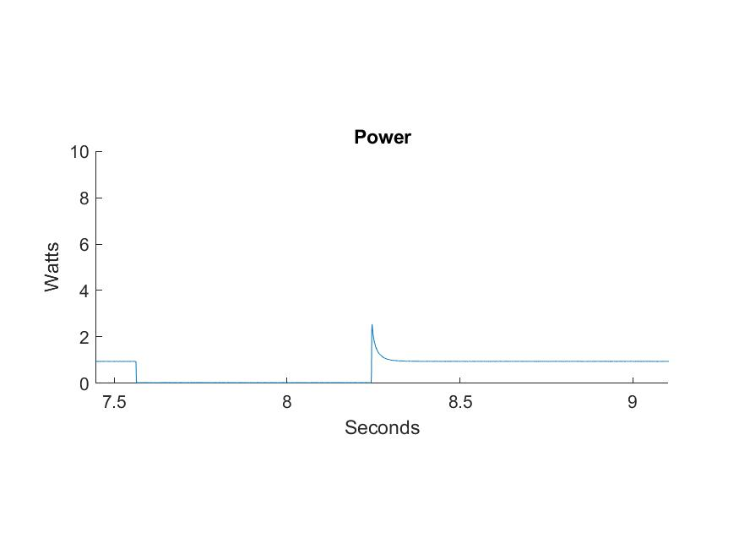
 | PASSCAL ENGINEERING GROUP
 | INTERNAL DOCUMENT
 |  | Page 3

Window 2

PAGE 4
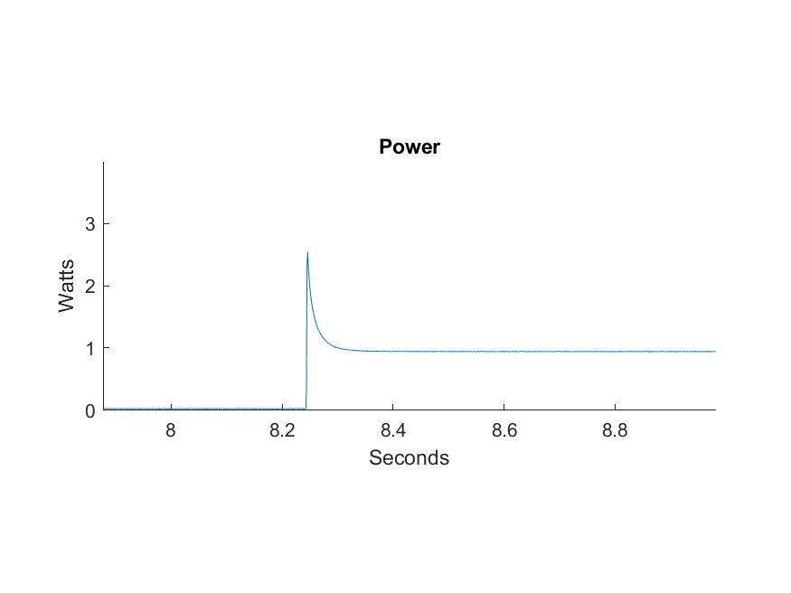
 | PASSCAL ENGINEERING GROUP
 | INTERNAL DOCUMENT
 |  | Page 4

Window 3

PAGE 5
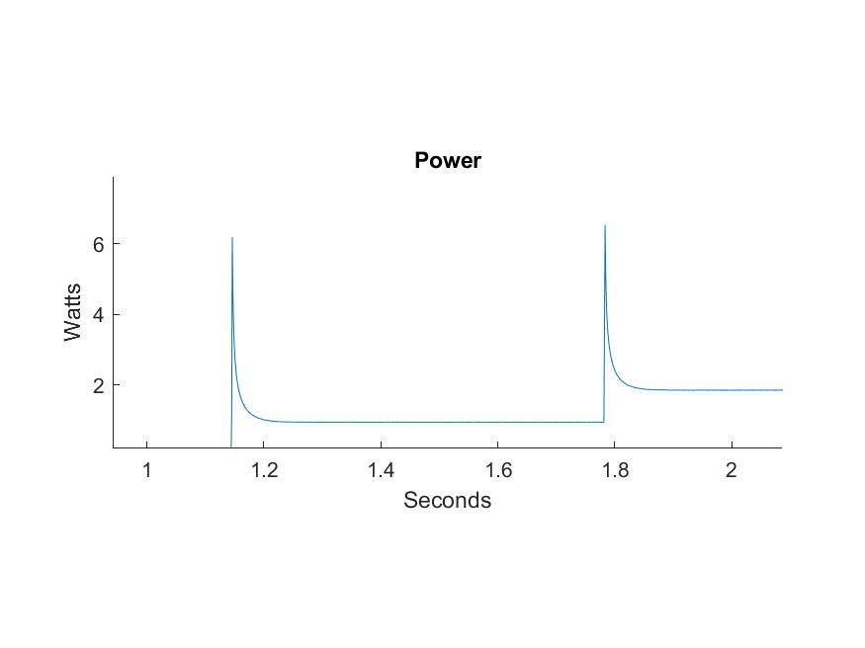
 | PASSCAL ENGINEERING GROUP
 | INTERNAL DOCUMENT
 |  | Page 5

Window 4

