Task1
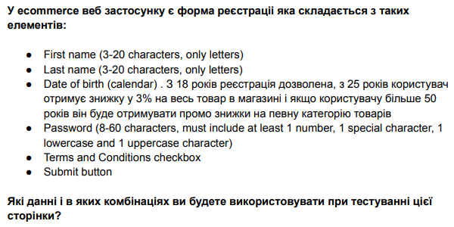

Decision table for registration
Condition | Test1 | Test2 | Test3 | Test4 | Test5 | Test6 | Test7 | Test8 | Test9 | Test10 | Test11 | Test12 | Test13 | Test14 | Test15 | Test16 | Test17 | Test18 | Test19 | Test20 | Test21 | Test22 | Test23 | Test24 | Test25 | Test26 | Test27 | Test28 | Test29 | Test30 | Test31 | Test32
FirstName | valid | valid | valid | valid | valid | valid | valid | valid | valid | valid | valid | valid | valid | valid | valid | valid | invalid | invalid | invalid | invalid | invalid | invalid | invalid | invalid | invalid | invalid | invalid | invalid | invalid | invalid | invalid | invalid
LastName | valid | valid | valid | valid | valid | valid | valid | valid | invalid | invalid | invalid | invalid | invalid | invalid | invalid | invalid | valid | valid | valid | valid | valid | valid | valid | valid | invalid | invalid | invalid | invalid | invalid | invalid | invalid | invalid
Password | valid | valid | valid | valid | invalid | invalid | invalid | invalid | valid | valid | valid | valid | invalid | invalid | invalid | invalid | valid | valid | valid | valid | invalid | invalid | invalid | invalid | valid | valid | valid | valid | invalid | invalid | invalid | invalid
Date | valid | valid | invalid | invalid | valid | valid | invalid | invalid | valid | valid | invalid | invalid | valid | valid | invalid | invalid | valid | valid | invalid | invalid | valid | valid | invalid | invalid | valid | valid | invalid | invalid | valid | valid | invalid | invalid
CheckBox | valid | invalid | valid | invalid | valid | invalid | valid | invalid | valid | invalid | valid | invalid | valid | invalid | valid | invalid | valid | invalid | valid | invalid | valid | invalid | valid | invalid | valid | invalid | valid | invalid | valid | invalid | valid | invalid
Action
UserRegistred | + | - | - | - | - | - | - | - | - | - | - | - | - | - | - | - | - | - | - | - | - | - | - | - | - | - | - | - | - | - | - | -
UserDontRegistred | - | + | + | + | + | + | + | + | + | + | + | + | + | + | + | + | + | + | + | + | + | + | + | + | + | + | + | + | + | + | + | +

Decision table for discount
Condition | test1 | test2 | test3
age 18-25 | valid | invalid | invlaid
age 25-50 | invalid | valid | invalid
age 50+ | invalid | invalid | valid
Action
No discount | + | - | -
Discount 3% | - | + | -
Promo discount | - | - | +

TestCase for validation
Test_Id | Summary | Precondition | Steps |  |  | Expected result | Status
1 | Test valid data | User at registration page | 1) Fill in field "First name" (Alex) 2) Fill in field "Last name" (Hryshchenko) 3)Select a date (8.08.1998) 4) Fill in field "password" (Qwerty1!) 5) Click on CheckBox "Terms and Conditions" 6) Click to buttom "Sumbit" |  |  | User has registred
2 | Test invalid data (first name) | User at registration page | 1) Fill in field "First name" (Al) 2) Fill in field "Last name" (Hryshchenko) 3)Select a date (8.08.1996) 4) Fill in field "password" (Qwerty1!) 5) Click on CheckBox "Terms and Conditions" 6) Click to buttom "Sumbit" |  |  | User is not registered
3 | Test invalid data (last name) | User at registration page | 1) Fill in field "First name" (Alex) 2) Fill in field "Last name" (123) 3)Select a date (8.08.1996) 4) Fill in field "password" (Qwerty1!) 5) Click on CheckBox "Terms and Conditions" 6) Click to buttom "Sumbit" |  |  | User is not registered
4 | Test invalid data (date of birth) | User at registration page | 1) Fill in field "First name" (Alex) 2) Fill in field "Last name" (Hryshchenko) 3) Select a date (8.08.2010) 4) Fill in field "password" (Qwerty1!) 5) Click on CheckBox "Terms and Conditions" 6) Click to buttom "Sumbit" |  |  | User is not registered
5 | Test invalid data (Password) | User at registration page | 1) Fill in field "First name" (Alex) 2) Fill in field "Last name" (Hryshchenko) 3)Select a date (8.08.1996) 4) Fill in field "password" (qwertyasdzxc) 5) Click on CheckBox "Terms and Conditions" 6) Click to buttom "Sumbit" |  |  | User is not registered
6 | Test invalid data (unselected chechbox) | User at registration page | 1) Fill in field "First name" (Alex) 2) Fill in field "Last name" (Hryshchenko) 3)Select a date (8.08.1996) 4) Fill in field "password" (Qwerty1!) 5) Leave the "Terms and conditions" box unselected 6) Click to buttom "Sumbit" |  |  | User is not registered

CheckList for other cases
Title |  | Status
First name
Check for 2 characters (letters)
Check for 21 characters (letters)
Check able to use numbers
Check able to use speacial characters
Check able to use spaces
Check able to left field empty
Check able to insert data
Last name
Check for 2 characters (letters)
Check for 21 characters (letters)
Check able to use numbers
Check able to use speacial characters
Check able to use spaces
Check able to left field empty
Check able to insert data
Data
Check invalid data range (0,8,17)
Check first valid data range (18,24)
Check second valid data range (18,24)
Check third valid data range (25, 49)
Check fourth valid data range (50,99)
Check to able pick upcoming date
Сheck the maximum allowed age
Password
Check invalid characters (7, 61)
Check password without lowercase letter
Check password without uppercase
Check password without special symbols
Check able to insert data
Check password without numbers
Check password without letters

Task2
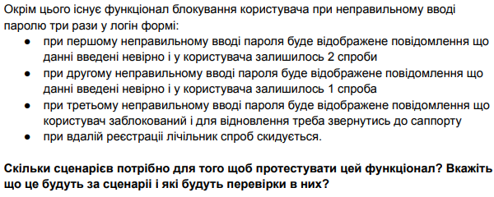

Descision table for block user for incorrect password
Condition | test1 | test2 | test3 | test4
1st try | valid | invalid | invalid | invalid
2nd try | - | valid | invalid | invalid
3rd try | - | - | valid | invalid
Action
1st message | - | + | + | +
2nd message | - | - | + | +
Block user | - | - | - | +
User has sign in | + | + | + | -

TestCase for other cases
Test_Id | Summary | Precondition | Steps | Expected result | Status
1 | User able to login after first failed try | 1) Try to login with invalid data | 1) Login with valid data 2) Unlogin 3)Try to login with valid data | User see Error message "You have 2 more try"
2 | User able to login after second failed try | 1) Try to login with invlid data twice | 1) Login with valid data 2) Unlogin 3)Try to login with valid data | User see Error message "You have 2 more try"

