Results 整理
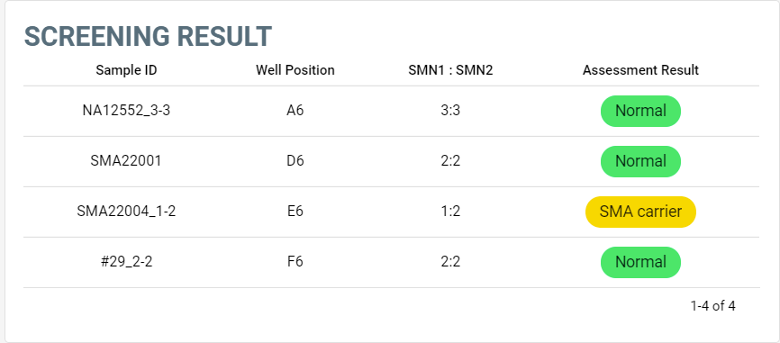
2022-11-15
Well | Well Position | Omit | Sample Name | Target Name | Task | Reporter | Quencher | CT | Sample Name | SMN1 | SMN2 | RNP | Delta Ct (RNP-SMN1) | Delta Ct (RNP-SMN2) | Remark |  |  | 2023/01/13-2上機
7 | A7 | FALSE | Steve | RNP | UNKNOWN | TAMRA | NFQ-MGB | 24.503 | NA20760_1:1 | 23.569 | 25.552 | 26.452 | 2.883 | 0.900 | 1:1 |  |  | Sample Name | SMN1 | SMN2 | RNP | Delta Ct (RNP-SMN1) | Delta Ct (RNP-SMN2)
7 | A7 | FALSE | Steve | SMN1 | UNKNOWN | FAM | NFQ-MGB | 22.659 | NA22807_2:2 | 22.400 | 24.564 | 26.312 | 3.912 | 1.748 | 2:2 |  |  | NA20760_1:1 | 23.569 | 25.552 | 26.452 | 2.883 | 0.900 | 1:1
7 | A7 | FALSE | Steve | SMN2 | UNKNOWN | VIC | NFQ-MGB | 24.151 | NA12552_3:3 | 21.505 | 23.993 | 27.188 | 5.683 | 3.195 | 3:3 |  |  | NA22807_2:2 | 22.400 | 24.564 | 26.312 | 3.912 | 1.748 | 2:2
19 | B7 | FALSE | Doris | RNP | UNKNOWN | TAMRA | NFQ-MGB | 24.162 | SMA22001 | 22.922 | 25.162 | 26.980 | 4.057 | 1.818 |  |  |  | NA12552_3:3 | 21.505 | 23.993 | 27.188 | 5.683 | 3.195 | 3:3
19 | B7 | FALSE | Doris | SMN1 | UNKNOWN | FAM | NFQ-MGB | 22.039 | SMA22004_1:2 | 23.944 | 24.994 | 27.131 | 3.188 | 2.138
19 | B7 | FALSE | Doris | SMN2 | UNKNOWN | VIC | NFQ-MGB | 25.011 | #29_2:2 | 22.768 | 24.850 | 26.450 | 3.681 | 1.600
29 | C5 | FALSE | SC1_11/8 | RNP | UNKNOWN | TAMRA | NFQ-MGB | 23.360 |  |  |  |  |  |  |  |  |  |  |  |  |  |  |  | 套用SC標準品
29 | C5 | FALSE | SC1_11/8 | SMN1 | UNKNOWN | FAM | NFQ-MGB | 21.674 |  |  |  |  |  |  |  |  |  | SMA22001 | 22.92 | 25.16 | 26.98 | 4.057 | 1.818 | 2:2
29 | C5 | FALSE | SC1_11/8 | SMN2 | UNKNOWN | VIC | NFQ-MGB | 23.594 |  |  |  |  |  |  |  |  |  | SMA22004_1:2 | 23.94 | 24.99 | 27.13 | 3.188 | 2.138 | 1:2
31 | C7 | FALSE | Tung | RNP | UNKNOWN | TAMRA | NFQ-MGB | 24.372 |  |  |  |  |  |  |  |  |  | #29_2:2 | 22.77 | 24.85 | 26.45 | 3.681 | 1.600 | 2:2
31 | C7 | FALSE | Tung | SMN1 | UNKNOWN | FAM | NFQ-MGB | 23.130
31 | C7 | FALSE | Tung | SMN2 | UNKNOWN | VIC | NFQ-MGB | 25.472 | 1x | SMN1 | SMN2 | RNP | RNP-SMN1 | 2^SMN1 | RNP-SMN2 | 2^SMN2
41 | D5 | FALSE | SC2_11/8 | RNP | UNKNOWN | TAMRA | NFQ-MGB | 23.536 | NA20760_1:1 | 23.569 | 25.552 | 26.452 | 2.883 | 7.378 | 0.900 | 1.867 | 1:1 |  |  |  |  |  | 0.798
41 | D5 | FALSE | SC2_11/8 | SMN1 | UNKNOWN | FAM | NFQ-MGB | 21.127 | NA22807_2:2 | 22.400 | 24.564 | 26.312 | 3.912 | 15.054 | 1.748 | 3.359 | 2:2 |  |  |  |  |  | 0.231
41 | D5 | FALSE | SC2_11/8 | SMN2 | UNKNOWN | VIC | NFQ-MGB | 22.864 | NA12552_3:3 | 21.505 | 23.993 | 27.188 | 5.683 | 51.369 | 3.195 | 9.159 | 3:3 |  | SMN1 | SMN2 | RNP
43 | D7 | FALSE | YY | RNP | UNKNOWN | TAMRA | NFQ-MGB | 23.899 |  |  |  |  |  |  |  |  |  | NA12552_3:3 | 21.505 | 23.993 | 27.188
2^SMN1 (1x )
2^SMN2 (1x)
43 | D7 | FALSE | YY | SMN1 | UNKNOWN | FAM | NFQ-MGB | 22.412 |  |  |  |  |  |  |  |  |  | NA22807_2:2 | 22.400 | 24.564 | 26.312 |  | 3.4619196122
43 | D7 | FALSE | YY | SMN2 | UNKNOWN | VIC | NFQ-MGB | 24.032 |  |  |  |  |  |  |  |  |  | NA20760_1:1 | 23.569 | 25.552 | 26.452
53 | E5 | FALSE | SC3_11/8 | RNP | UNKNOWN | TAMRA | NFQ-MGB | 23.417 |  |  |  |  |  |  |  |  |  | SMA22001 | 22.922 | 25.162 | 26.980
53 | E5 | FALSE | SC3_11/8 | SMN1 | UNKNOWN | FAM | NFQ-MGB | 20.982 |  |  |  |  |  |  |  |  |  | SMA22004_1:2 | 23.944 | 24.994 | 27.131
53 | E5 | FALSE | SC3_11/8 | SMN2 | UNKNOWN | VIC | NFQ-MGB | 22.424 |  |  |  |  |  |  |  |  |  | #29_2:2 | 22.768 | 24.850 | 26.450
55 | E7 | FALSE | 護理師妹妹(雅雯) | RNP | UNKNOWN | TAMRA | NFQ-MGB | 24.381 |  |  |  |  |  |  |  |  |  | NTC | Undetermined | Undetermined | Undetermined
55 | E7 | FALSE | 護理師妹妹(雅雯) | SMN1 | UNKNOWN | FAM | NFQ-MGB | 22.658
55 | E7 | FALSE | 護理師妹妹(雅雯) | SMN2 | UNKNOWN | VIC | NFQ-MGB | 24.810
67 | F7 | FALSE | 徐大哥 | RNP | UNKNOWN | TAMRA | NFQ-MGB | 24.598
67 | F7 | FALSE | 徐大哥 | SMN1 | UNKNOWN | FAM | NFQ-MGB | 23.364
67 | F7 | FALSE | 徐大哥 | SMN2 | UNKNOWN | VIC | NFQ-MGB | 25.647
79 | G7 | FALSE | Zoe | RNP | UNKNOWN | TAMRA | NFQ-MGB | 24.906
79 | G7 | FALSE | Zoe | SMN1 | UNKNOWN | FAM | NFQ-MGB | 22.918
79 | G7 | FALSE | Zoe | SMN2 | UNKNOWN | VIC | NFQ-MGB | 24.281
91 | H7 | FALSE | NTC | RNP | UNKNOWN | TAMRA | NFQ-MGB | Undetermined
91 | H7 | FALSE | NTC | SMN1 | UNKNOWN | FAM | NFQ-MGB | Undetermined
91 | H7 | FALSE | NTC | SMN2 | UNKNOWN | VIC | NFQ-MGB | Undetermined
 |  |  |  |  |  |  |  |  | 1x | SMN1 | SMN2 | RNP | RNP-SMN1 | 2^SMN1 | RNP-SMN2 | 2^SMN2
 |  |  |  |  |  |  |  |  | SMA22001 | 22.922 | 25.162 | 26.980 | 4.057 | 16.649 | 1.818 | 3.526
 |  |  |  |  |  |  |  |  | SMA22004_1:2 | 23.944 | 24.994 | 27.131 | 3.188 | 9.111 | 2.138 | 4.401
 |  |  |  |  |  |  |  |  | #29_2:2 | 22.768 | 24.850 | 26.450 | 3.681 | 12.830 | 1.600 | 3.031
 |  |  |  |  |  |  |  |  |  |  |  |  | 0.000 | 1.000 | 0.000 | 1.000
 |  |  |  |  |  |  |  |  |  |  |  |  | 0.000 | 1.000 | 0.000 | 1.000
 |  |  |  |  |  |  |  |  |  |  |  |  | 0.000 | 1.000 | 0.000 | 1.000
 |  |  |  |  |  |  |  |  |  |  |  |  | 0.000 | 1.000 | 0.000 | 1.000

 |  |  |  |  |  |  |  |  | SMA22001 |  |  |  |  | 1.6384626537 |  | 1.6520007476 | 2:2
 |  |  |  |  |  |  |  |  | SMA22004_1:2 |  |  |  |  | 1.2957885196 |  | 1.8919947209 | 1:2
 |  |  |  |  |  |  |  |  | #29_2:2 |  |  |  |  | 1.4648628975 |  | 1.5161352874 | 1:2

