Sheet1
Top Strip X-values | Top Strip Y-values | Bottom Strip X-values | Bottom Strip Y-Values | Area of rightmost peak (Top line) | Area of rightmost peak (Bottom line) | Area of leftmost peak (Top line) | Area of leftmost peak (Bottom line)
11.75 | 3.16 | 0 | 4.42 | 1736.6566666666665 | 1943.7991666666667
12.75 | 3.02 | 1 | 4.4
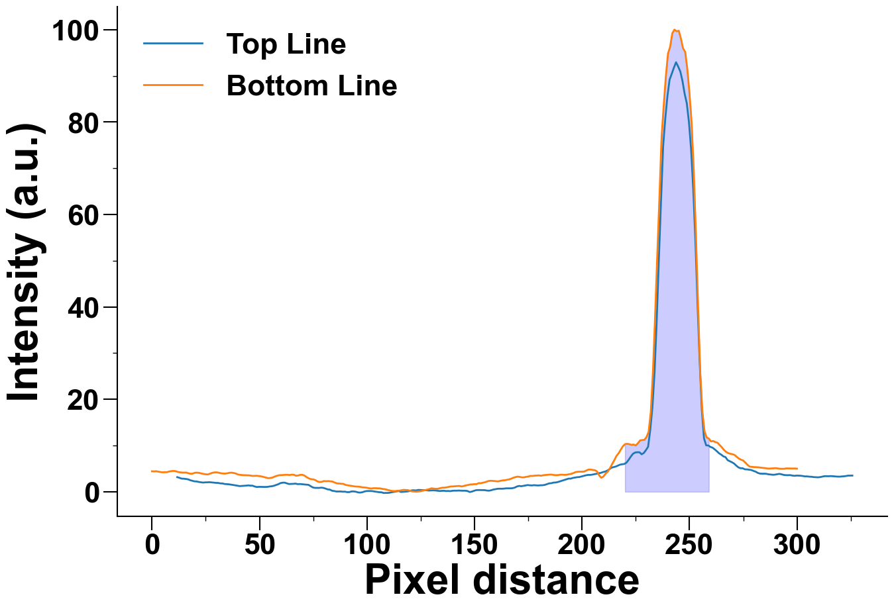
13.75 | 2.84 | 2 | 4.44
14.75 | 2.82 | 3 | 4.35
15.75 | 2.77 | 4 | 4.25
16.75 | 2.69 | 5 | 4.2
17.75 | 2.5 | 6 | 4.24
18.75 | 2.38 | 7 | 4.23
19.75 | 2.25 | 8 | 4.39
20.75 | 2.23 | 9 | 4.46
21.75 | 2.12 | 10 | 4.51
22.75 | 2.05 | 11 | 4.45
23.75 | 1.98 | 12 | 4.29
24.75 | 2.03 | 13 | 4.21
25.75 | 2.04 | 14 | 4.15
26.75 | 2.07 | 15 | 4.14
27.75 | 2.02 | 16 | 4.15
28.75 | 1.98 | 17 | 4.0
29.75 | 1.92 | 18 | 3.88
30.75 | 1.9100000000000001 | 19 | 3.94
31.75 | 1.81 | 20 | 4.11

32.75 | 1.7999999999999998 | 21 | 4.13
33.75 | 1.6800000000000002 | 22 | 4.08
34.75 | 1.6400000000000001 | 23 | 3.95
35.75 | 1.6099999999999999 | 24 | 3.85
36.75 | 1.54 | 25 | 3.77
37.75 | 1.48 | 26 | 3.74
38.75 | 1.3900000000000001 | 27 | 3.91
39.75 | 1.2999999999999998 | 28 | 4.09
40.75 | 1.22 | 29 | 4.18
41.75 | 1.25 | 30 | 4.2
42.75 | 1.29 | 31 | 4.12
43.75 | 1.3199999999999998 | 32 | 4.01
44.75 | 1.38 | 33 | 3.95
45.75 | 1.3199999999999998 | 34 | 3.92
46.75 | 1.31 | 35 | 3.99
47.75 | 1.14 | 36 | 4.1
48.75 | 1.02 | 37 | 4.13
49.75 | 1.06 | 38 | 4.06
50.75 | 1.06 | 39 | 3.94
51.75 | 1.04 | 40 | 3.73
52.75 | 1.04 | 41 | 3.65
53.75 | 1.06 | 42 | 3.6
54.75 | 1.14 | 43 | 3.58
55.75 | 1.19 | 44 | 3.56
56.75 | 1.2999999999999998 | 45 | 3.55
57.75 | 1.4700000000000002 | 46 | 3.49
58.75 | 1.63 | 47 | 3.42
59.75 | 1.87 | 48 | 3.45
60.75 | 1.96 | 49 | 3.45
61.75 | 1.9700000000000002 | 50 | 3.38
62.75 | 1.81 | 51 | 3.31
63.75 | 1.67 | 52 | 3.19
64.75 | 1.69 | 53 | 3.07
65.75 | 1.71 | 54 | 2.94
66.75 | 1.7599999999999998 | 55 | 2.98
67.75 | 1.65 | 56 | 3.06
68.75 | 1.67 | 57 | 3.27
69.75 | 1.6400000000000001 | 58 | 3.44
70.75 | 1.58 | 59 | 3.57
71.75 | 1.54 | 60 | 3.59
72.75 | 1.5 | 61 | 3.62
73.75 | 1.22 | 62 | 3.67
74.75 | 0.95 | 63 | 3.67
75.75 | 0.8400000000000001 | 64 | 3.62
76.75 | 0.8300000000000001 | 65 | 3.7
77.75 | 0.8300000000000001 | 66 | 3.67
78.75 | 0.8899999999999999 | 67 | 3.47
79.75 | 0.8300000000000001 | 68 | 3.52
80.75 | 0.6799999999999999 | 69 | 3.66
81.75 | 0.51 | 70 | 3.67
82.75 | 0.45999999999999996 | 71 | 3.47
83.75 | 0.21999999999999997 | 72 | 3.13
84.75 | 0.16000000000000003 | 73 | 2.88
85.75 | 0.050000000000000044 | 74 | 2.72
86.75 | 0.06000000000000005 | 75 | 2.68
87.75 | 0.06000000000000005 | 76 | 2.51
88.75 | 0.010000000000000009 | 77 | 2.23
89.75 | 0.020000000000000018 | 78 | 2.1
90.75 | -0.07999999999999996 | 79 | 2.15
91.75 | -0.07999999999999996 | 80 | 2.32
92.75 | 0.06000000000000005 | 81 | 2.27
93.75 | 0.06999999999999995 | 82 | 2.31
94.75 | 0.010000000000000009 | 83 | 2.26
95.75 | -0.13 | 84 | 2.2
96.75 | -0.18000000000000005 | 85 | 1.98
97.75 | -0.12 | 86 | 1.82
98.75 | 0.040000000000000036 | 87 | 1.79
99.75 | 0.15000000000000002 | 88 | 1.72
100.75 | 0.15000000000000002 | 89 | 1.71
101.75 | 0.16000000000000003 | 90 | 1.48
102.75 | 0.12 | 91 | 1.4
103.75 | 0.030000000000000027 | 92 | 1.32
104.75 | -0.040000000000000036 | 93 | 1.23
105.75 | -0.09999999999999998 | 94 | 1.17
106.75 | -0.12 | 95 | 1.12
107.75 | -0.27 | 96 | 1.11
108.75 | -0.25 | 97 | 1.04
109.75 | -0.25 | 98 | 0.94
110.75 | -0.18999999999999995 | 99 | 0.92
111.75 | -0.07999999999999996 | 100 | 0.86
112.75 | 0.0 | 101 | 0.75
113.75 | 0.07999999999999996 | 102 | 0.7
114.75 | 0.16000000000000003 | 103 | 0.76
115.75 | -0.040000000000000036 | 104 | 0.77
116.75 | -0.020000000000000018 | 105 | 0.74
117.75 | 0.020000000000000018 | 106 | 0.73
118.75 | 0.06000000000000005 | 107 | 0.63
119.75 | 0.15000000000000002 | 108 | 0.57
120.75 | 0.29000000000000004 | 109 | 0.47
121.75 | 0.32000000000000006 | 110 | 0.34
122.75 | 0.28 | 111 | 0.24
123.75 | 0.3899999999999999 | 112 | 0.16
124.75 | 0.3799999999999999 | 113 | 0.14
125.75 | 0.3400000000000001 | 114 | 0.22
126.75 | 0.3400000000000001 | 115 | 0.23
127.75 | 0.32000000000000006 | 116 | 0.32
128.75 | 0.26 | 117 | 0.4
129.75 | 0.28 | 118 | 0.37
130.75 | 0.30000000000000004 | 119 | 0.35
131.75 | 0.28 | 120 | 0.21
132.75 | 0.21999999999999997 | 121 | 0.08
133.75 | 0.16000000000000003 | 122 | 0.04
134.75 | 0.18999999999999995 | 123 | 0.0
135.75 | 0.21999999999999997 | 124 | 0.06
136.75 | 0.15000000000000002 | 125 | 0.12
137.75 | 0.17000000000000004 | 126 | 0.24
138.75 | 0.13 | 127 | 0.33
139.75 | 0.20999999999999996 | 128 | 0.47
140.75 | 0.24 | 129 | 0.58
141.75 | 0.22999999999999998 | 130 | 0.74
142.75 | 0.26 | 131 | 0.68
143.75 | 0.22999999999999998 | 132 | 0.64
144.75 | 0.21999999999999997 | 133 | 0.65
145.75 | 0.21999999999999997 | 134 | 0.77
146.75 | 0.16000000000000003 | 135 | 0.87
147.75 | -0.06000000000000005 | 136 | 0.88
148.75 | 0.030000000000000027 | 137 | 0.95
149.75 | 0.19999999999999996 | 138 | 1.05
150.75 | 0.3400000000000001 | 139 | 1.14
151.75 | 0.3700000000000001 | 140 | 1.15
152.75 | 0.3600000000000001 | 141 | 1.19
153.75 | 0.3400000000000001 | 142 | 1.23
154.75 | 0.3500000000000001 | 143 | 1.25
155.75 | 0.26 | 144 | 1.14
156.75 | 0.22999999999999998 | 145 | 1.24
157.75 | 0.32000000000000006 | 146 | 1.37
158.75 | 0.47 | 147 | 1.46
159.75 | 0.56 | 148 | 1.57
160.75 | 0.6399999999999999 | 149 | 1.59
161.75 | 0.6599999999999999 | 150 | 1.65
162.75 | 0.6499999999999999 | 151 | 1.65
163.75 | 0.6799999999999999 | 152 | 1.87
164.75 | 0.74 | 153 | 1.85
165.75 | 0.74 | 154 | 1.97
166.75 | 0.74 | 155 | 2.07
167.75 | 0.78 | 156 | 2.25
168.75 | 0.8999999999999999 | 157 | 2.36
169.75 | 1.14 | 158 | 2.37
170.75 | 1.2599999999999998 | 159 | 2.33
171.75 | 1.19 | 160 | 2.28
172.75 | 1.2799999999999998 | 161 | 2.23
173.75 | 1.37 | 162 | 2.36
174.75 | 1.4500000000000002 | 163 | 2.45
175.75 | 1.3900000000000001 | 164 | 2.48
176.75 | 1.37 | 165 | 2.58
177.75 | 1.42 | 166 | 2.67
178.75 | 1.38 | 167 | 2.81
179.75 | 1.3599999999999999 | 168 | 3.02
180.75 | 1.4 | 169 | 3.16
181.75 | 1.4100000000000001 | 170 | 3.27
182.75 | 1.4900000000000002 | 171 | 3.21
183.75 | 1.65 | 172 | 3.12
184.75 | 1.81 | 173 | 3.11
185.75 | 1.85 | 174 | 3.22
186.75 | 1.98 | 175 | 3.28
187.75 | 2.0 | 176 | 3.42
188.75 | 2.1 | 177 | 3.42
189.75 | 2.25 | 178 | 3.48
190.75 | 2.41 | 179 | 3.51
191.75 | 2.56 | 180 | 3.54
192.75 | 2.71 | 181 | 3.46
193.75 | 2.84 | 182 | 3.58
194.75 | 2.84 | 183 | 3.62
195.75 | 2.99 | 184 | 3.66
196.75 | 3.07 | 185 | 3.71
197.75 | 3.15 | 186 | 3.7
198.75 | 3.18 | 187 | 3.61
199.75 | 3.3 | 188 | 3.59
200.75 | 3.4299999999999997 | 189 | 3.61
201.75 | 3.55 | 190 | 3.69
202.75 | 3.6399999999999997 | 191 | 3.68
203.75 | 3.6399999999999997 | 192 | 3.65
204.75 | 3.7 | 193 | 3.69
205.75 | 3.79 | 194 | 3.78
206.75 | 3.8899999999999997 | 195 | 3.88
207.75 | 4.0 | 196 | 4.04
208.75 | 4.08 | 197 | 4.25
209.75 | 4.25 | 198 | 4.32
210.75 | 4.36 | 199 | 4.34
211.75 | 4.56 | 200 | 4.33
212.75 | 4.88 | 201 | 4.37
213.75 | 5.21 | 202 | 4.58
214.75 | 5.34 | 203 | 4.8
215.75 | 5.46 | 204 | 4.81
216.75 | 5.67 | 205 | 4.72
217.75 | 5.87 | 206 | 4.66
218.75 | 5.94 | 207 | 4.39
219.75 | 6.02 | 208 | 3.53
220.75 | 6.33 | 209 | 3.02
221.75 | 6.94 | 210 | 3.31
222.75 | 7.640000000000001 | 211 | 3.94
223.75 | 8.23 | 212 | 4.36
224.75 | 8.49 | 213 | 5.08
225.75 | 8.55 | 214 | 5.97
226.75 | 8.54 | 215 | 6.8
227.75 | 8.1 | 216 | 7.72
228.75 | 8.39 | 217 | 8.32
229.75 | 9.01 | 218 | 9.07
230.75 | 9.73 | 219 | 9.83
231.75 | 13.37 | 220 | 10.29
232.75 | 18.25 | 221 | 10.38
233.75 | 25.78 | 222 | 10.3
234.75 | 36.97 | 223 | 10.14
235.75 | 50.19 | 224 | 10.23
236.75 | 62.79 | 225 | 10.01
237.75 | 74.77 | 226 | 10.5
238.75 | 80.8 | 227 | 11.11
239.75 | 85.63 | 228 | 11.19
240.75 | 89.18 | 229 | 11.22
241.75 | 90.45 | 230 | 11.84
242.75 | 91.77 | 231 | 12.98
243.75 | 92.94 | 232 | 17.26
244.75 | 91.99 | 233 | 25.97
245.75 | 90.91 | 234 | 37.94
246.75 | 88.85 | 235 | 50.99
247.75 | 86.1 | 236 | 63.5
248.75 | 84.03 | 237 | 76.6
249.75 | 79.97 | 238 | 83.54
250.75 | 74.06 | 239 | 89.86
251.75 | 65.41 | 240 | 94.83
252.75 | 54.3 | 241 | 96.29
253.75 | 40.57 | 242 | 99.22
254.75 | 27.88 | 243 | 100.0
255.75 | 17.63 | 244 | 99.65
256.75 | 11.56 | 245 | 99.76
257.75 | 10.04 | 246 | 98.08
258.75 | 10.01 | 247 | 95.95
259.75 | 9.7 | 248 | 95.19
260.75 | 9.53 | 249 | 91.41
261.75 | 9.16 | 250 | 86.2
262.75 | 8.76 | 251 | 79.76
263.75 | 8.32 | 252 | 69.16
264.75 | 8.03 | 253 | 55.52
265.75 | 7.66 | 254 | 39.92
266.75 | 7.49 | 255 | 25.76
267.75 | 6.83 | 256 | 17.26
268.75 | 6.6 | 257 | 13.06
269.75 | 6.38 | 258 | 11.73
270.75 | 6.1 | 259 | 11.52
271.75 | 5.66 | 260 | 10.88
272.75 | 5.27 | 261 | 10.99
273.75 | 5.09 | 262 | 10.74
274.75 | 5.08 | 263 | 10.62
275.75 | 4.85 | 264 | 10.13
276.75 | 4.84 | 265 | 9.64
277.75 | 4.77 | 266 | 9.06
278.75 | 4.7 | 267 | 8.64
279.75 | 4.51 | 268 | 8.37
280.75 | 4.35 | 269 | 8.21
281.75 | 4.08 | 270 | 8.12
282.75 | 3.9299999999999997 | 271 | 7.95
283.75 | 3.9000000000000004 | 272 | 7.54
284.75 | 3.91 | 273 | 7.17
285.75 | 3.88 | 274 | 6.93
286.75 | 3.7699999999999996 | 275 | 6.74
287.75 | 3.7300000000000004 | 276 | 6.3
288.75 | 3.67 | 277 | 5.81
289.75 | 3.7 | 278 | 5.44
290.75 | 3.7800000000000002 | 279 | 5.39
291.75 | 3.87 | 280 | 5.34
292.75 | 3.79 | 281 | 5.32
293.75 | 3.6500000000000004 | 282 | 5.29
294.75 | 3.59 | 283 | 5.22
295.75 | 3.58 | 284 | 5.16
296.75 | 3.5999999999999996 | 285 | 5.13
297.75 | 3.51 | 286 | 5.04
298.75 | 3.4400000000000004 | 287 | 5.01
299.75 | 3.5 | 288 | 5.04
300.75 | 3.49 | 289 | 5.07
301.75 | 3.46 | 290 | 5.1
302.75 | 3.4000000000000004 | 291 | 5.05
303.75 | 3.3200000000000003 | 292 | 4.97
304.75 | 3.3200000000000003 | 293 | 4.97
305.75 | 3.26 | 294 | 4.97
306.75 | 3.24 | 295 | 5.05
307.75 | 3.17 | 296 | 5.05
308.75 | 3.15 | 297 | 5.03
309.75 | 3.12 | 298 | 5.02
310.75 | 3.17 | 299 | 5.04
311.75 | 3.2699999999999996 | 300 | 5.0
312.75 | 3.37
313.75 | 3.3600000000000003
314.75 | 3.3600000000000003
315.75 | 3.3899999999999997
316.75 | 3.3499999999999996
317.75 | 3.3099999999999996
318.75 | 3.2800000000000002
319.75 | 3.26
320.75 | 3.3099999999999996
321.75 | 3.34
322.75 | 3.4000000000000004
323.75 | 3.49
324.75 | 3.5
325.75 | 3.5

