Sheet1
Top Line X-values | Top Line Y-values | Bottom Line X-values | Bottom Line Y-Values | Area of rightmost peak (Top line) | Area of rightmost peak (Bottom line) | Area of leftmost peak (Top line) | Area of leftmost peak (Bottom line)
1.5 | 5.01 | 11 | 6.21 |  |  | 824.2066666666666 | 937.1258333333333
2.5 | 4.88 | 12 | 6.02
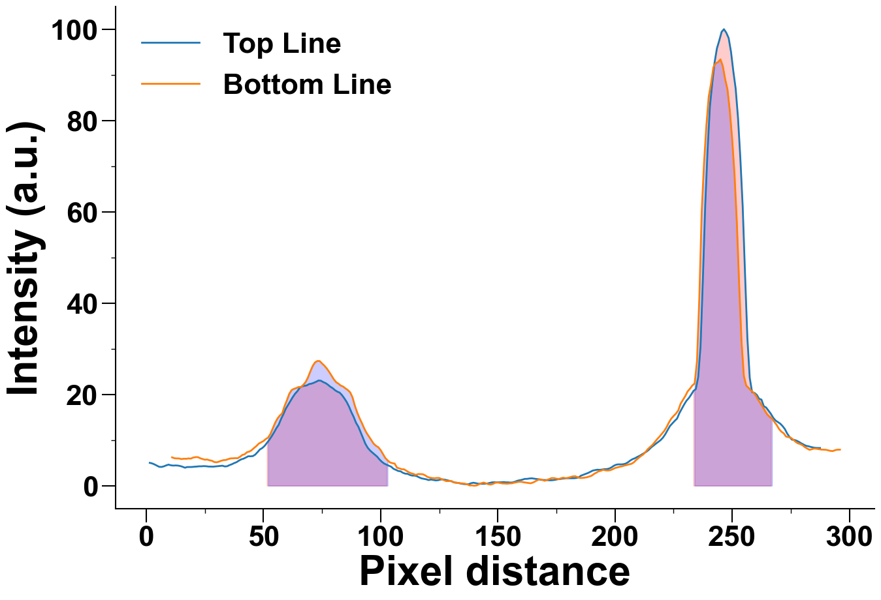
3.5 | 4.67 | 13 | 5.97
4.5 | 4.4 | 14 | 5.97
5.5 | 4.14 | 15 | 5.83
6.5 | 4.11 | 16 | 5.91
7.5 | 4.24 | 17 | 5.89
8.5 | 4.45 | 18 | 5.97
9.5 | 4.62 | 19 | 5.94
10.5 | 4.47 | 20 | 6.16
11.5 | 4.41 | 21 | 6.26
12.5 | 4.44 | 22 | 6.26
13.5 | 4.41 | 23 | 6.02
14.5 | 4.31 | 24 | 5.85
15.5 | 4.15 | 25 | 5.7
16.5 | 3.94 | 26 | 5.73
17.5 | 4.09 | 27 | 5.57
18.5 | 4.1 | 28 | 5.47
19.5 | 4.1 | 29 | 5.19
20.5 | 4.16 | 30 | 5.13
21.5 | 4.19 | 31 | 5.26
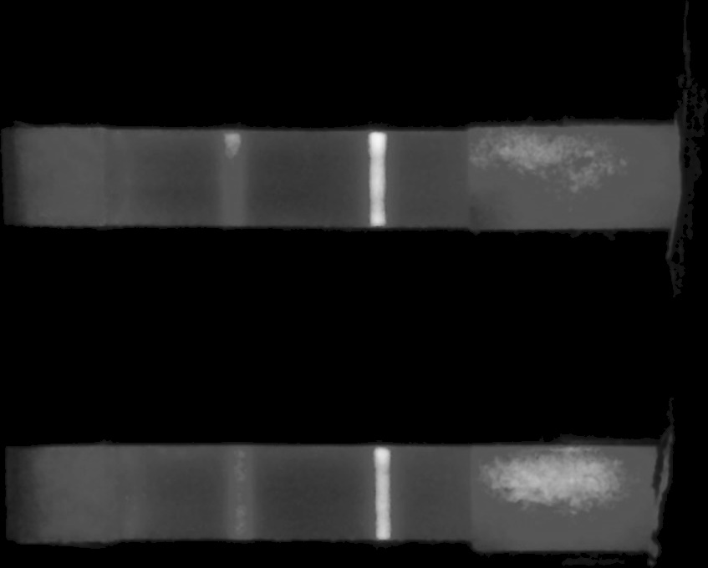
22.5 | 4.25 | 32 | 5.47
23.5 | 4.25 | 33 | 5.6
24.5 | 4.29 | 34 | 5.64
25.5 | 4.27 | 35 | 5.83
26.5 | 4.2 | 36 | 5.98
27.5 | 4.18 | 37 | 6.0
28.5 | 4.17 | 38 | 6.04
29.5 | 4.22 | 39 | 6.02
30.5 | 4.27 | 40 | 6.33
31.5 | 4.31 | 41 | 6.74
32.5 | 4.38 | 42 | 6.89
33.5 | 4.22 | 43 | 7.34
34.5 | 4.26 | 44 | 7.48
35.5 | 4.51 | 45 | 7.8
36.5 | 4.7 | 46 | 8.27
37.5 | 4.95 | 47 | 8.69
38.5 | 5.15 | 48 | 9.21
39.5 | 5.48 | 49 | 9.51
40.5 | 5.77 | 50 | 9.78
41.5 | 5.92 | 51 | 10.22
42.5 | 6.17 | 52 | 10.55
43.5 | 6.45 | 53 | 11.36
44.5 | 6.44 | 54 | 12.58
45.5 | 6.49 | 55 | 13.79
46.5 | 6.81 | 56 | 14.73
47.5 | 7.36 | 57 | 15.39
48.5 | 7.95 | 58 | 15.85
49.5 | 8.25 | 59 | 17.44
50.5 | 8.72 | 60 | 18.7
51.5 | 9.39 | 61 | 20.11
52.5 | 10.05 | 62 | 20.93
53.5 | 10.82 | 63 | 21.22
54.5 | 11.67 | 64 | 21.39
55.5 | 12.59 | 65 | 21.62
56.5 | 13.35 | 66 | 21.62
57.5 | 14.61 | 67 | 22.09
58.5 | 15.65 | 68 | 22.71
59.5 | 16.83 | 69 | 23.72
60.5 | 17.68 | 70 | 25.02
61.5 | 18.56 | 71 | 26.22
62.5 | 19.41 | 72 | 27.01
63.5 | 20.16 | 73 | 27.32
64.5 | 20.72 | 74 | 27.31
65.5 | 21.47 | 75 | 26.78
66.5 | 21.79 | 76 | 26.3
67.5 | 21.87 | 77 | 25.7
68.5 | 21.98 | 78 | 24.96
69.5 | 22.27 | 79 | 24.16
70.5 | 22.36 | 80 | 23.32
71.5 | 22.55 | 81 | 22.69
72.5 | 22.78 | 82 | 22.35
73.5 | 23.05 | 83 | 21.93
74.5 | 23.0 | 84 | 21.72
75.5 | 22.7 | 85 | 21.31
76.5 | 22.48 | 86 | 20.96
77.5 | 22.13 | 87 | 20.45
78.5 | 21.7 | 88 | 19.36
79.5 | 21.39 | 89 | 17.53
80.5 | 20.94 | 90 | 16.05
81.5 | 20.61 | 91 | 14.8
82.5 | 20.4 | 92 | 13.73
83.5 | 19.86 | 93 | 12.55
84.5 | 19.15 | 94 | 11.57
85.5 | 18.36 | 95 | 10.8
86.5 | 17.35 | 96 | 10.01
87.5 | 16.13 | 97 | 9.22
88.5 | 15.08 | 98 | 8.75
89.5 | 13.79 | 99 | 8.44
90.5 | 12.93 | 100 | 7.81
91.5 | 11.67 | 101 | 6.95
92.5 | 10.4 | 102 | 6.07
93.5 | 9.19 | 103 | 5.54
94.5 | 8.31 | 104 | 5.1
95.5 | 7.71 | 105 | 4.94
96.5 | 7.25 | 106 | 4.84
97.5 | 6.82 | 107 | 3.94
98.5 | 6.38 | 108 | 3.8
99.5 | 5.76 | 109 | 3.61
100.5 | 5.25 | 110 | 3.59
101.5 | 4.86 | 111 | 3.28
102.5 | 4.62 | 112 | 2.96
103.5 | 4.38 | 113 | 2.73
104.5 | 4.16 | 114 | 2.58
105.5 | 3.7 | 115 | 2.36
106.5 | 3.48 | 116 | 2.55
107.5 | 3.23 | 117 | 2.54
108.5 | 3.15 | 118 | 2.51
109.5 | 2.83 | 119 | 2.27
110.5 | 2.64 | 120 | 1.93
111.5 | 2.6 | 121 | 1.76
112.5 | 2.35 | 122 | 1.67
113.5 | 2.21 | 123 | 1.63
114.5 | 2.22 | 124 | 1.69
115.5 | 2.07 | 125 | 1.69
116.5 | 1.81 | 126 | 1.45
117.5 | 1.6 | 127 | 1.22
118.5 | 1.5 | 128 | 1.01
119.5 | 1.4 | 129 | 1.01
120.5 | 1.23 | 130 | 1.07
121.5 | 1.35 | 131 | 0.76
122.5 | 1.25 | 132 | 0.69
123.5 | 1.16 | 133 | 0.63
124.5 | 1.2 | 134 | 0.54
125.5 | 1.34 | 135 | 0.5
126.5 | 1.39 | 136 | 0.44
127.5 | 1.31 | 137 | 0.29
128.5 | 1.18 | 138 | 0.06
129.5 | 1.06 | 139 | 0.07
130.5 | 0.93 | 140 | 0.0
131.5 | 0.7 | 141 | 0.06
132.5 | 0.64 | 142 | 0.32
133.5 | 0.56 | 143 | 0.56
134.5 | 0.44 | 144 | 0.69
135.5 | 0.36 | 145 | 0.51
136.5 | 0.33 | 146 | 0.32
137.5 | 0.32 | 147 | 0.25
138.5 | 0.53 | 148 | 0.41
139.5 | 0.65 | 149 | 0.66
140.5 | 0.57 | 150 | 0.69
141.5 | 0.45 | 151 | 0.59
142.5 | 0.42 | 152 | 0.5
143.5 | 0.42 | 153 | 0.48
144.5 | 0.44 | 154 | 0.44
145.5 | 0.48 | 155 | 0.5
146.5 | 0.61 | 156 | 0.53
147.5 | 0.73 | 157 | 0.66
148.5 | 0.76 | 158 | 0.76
149.5 | 0.73 | 159 | 0.86
150.5 | 0.74 | 160 | 0.86
151.5 | 0.76 | 161 | 0.75
152.5 | 0.79 | 162 | 0.67
153.5 | 0.74 | 163 | 0.6
154.5 | 0.73 | 164 | 0.53
155.5 | 0.68 | 165 | 0.69
156.5 | 0.74 | 166 | 0.95
157.5 | 0.91 | 167 | 1.25
158.5 | 1.11 | 168 | 1.41
159.5 | 1.21 | 169 | 1.29
160.5 | 1.33 | 170 | 1.07
161.5 | 1.49 | 171 | 1.26
162.5 | 1.5 | 172 | 1.47
163.5 | 1.58 | 173 | 1.67
164.5 | 1.62 | 174 | 1.66
165.5 | 1.54 | 175 | 1.54
166.5 | 1.47 | 176 | 1.47
167.5 | 1.41 | 177 | 1.64
168.5 | 1.28 | 178 | 1.76
169.5 | 1.26 | 179 | 1.64
170.5 | 1.24 | 180 | 1.73
171.5 | 1.2 | 181 | 1.89
172.5 | 1.18 | 182 | 2.04
173.5 | 1.22 | 183 | 2.08
174.5 | 1.29 | 184 | 1.88
175.5 | 1.41 | 185 | 1.7
176.5 | 1.45 | 186 | 1.7
177.5 | 1.55 | 187 | 1.76
178.5 | 1.6 | 188 | 1.85
179.5 | 1.64 | 189 | 2.02
180.5 | 1.63 | 190 | 2.18
181.5 | 1.63 | 191 | 2.55
182.5 | 1.64 | 192 | 2.84
183.5 | 1.69 | 193 | 3.14
184.5 | 1.83 | 194 | 3.28
185.5 | 2.2 | 195 | 3.49
186.5 | 2.4 | 196 | 3.36
187.5 | 2.6 | 197 | 3.33
188.5 | 2.79 | 198 | 3.4
189.5 | 3.04 | 199 | 3.61
190.5 | 3.31 | 200 | 3.87
191.5 | 3.42 | 201 | 4.0
192.5 | 3.51 | 202 | 4.15
193.5 | 3.47 | 203 | 4.25
194.5 | 3.54 | 204 | 4.41
195.5 | 3.63 | 205 | 4.53
196.5 | 3.64 | 206 | 4.68
197.5 | 3.76 | 207 | 4.79
198.5 | 4.01 | 208 | 5.1
199.5 | 4.37 | 209 | 5.61
200.5 | 4.6 | 210 | 6.04
201.5 | 4.68 | 211 | 6.48
202.5 | 4.67 | 212 | 6.82
203.5 | 4.7 | 213 | 7.37
204.5 | 4.83 | 214 | 8.0
205.5 | 5.12 | 215 | 8.49
206.5 | 5.51 | 216 | 8.94
207.5 | 5.82 | 217 | 9.57
208.5 | 6.01 | 218 | 10.2
209.5 | 6.3 | 219 | 10.76
210.5 | 6.54 | 220 | 11.37
211.5 | 6.85 | 221 | 11.99
212.5 | 7.16 | 222 | 12.81
213.5 | 7.48 | 223 | 13.84
214.5 | 7.9 | 224 | 14.69
215.5 | 8.42 | 225 | 15.27
216.5 | 8.81 | 226 | 15.79
217.5 | 9.22 | 227 | 16.48
218.5 | 9.6 | 228 | 17.96
219.5 | 10.0 | 229 | 18.79
220.5 | 10.55 | 230 | 19.64
221.5 | 11.3 | 231 | 20.65
222.5 | 12.22 | 232 | 21.25
223.5 | 13.1 | 233 | 21.94
224.5 | 13.66 | 234 | 22.41
225.5 | 14.21 | 235 | 27.31
226.5 | 14.71 | 236 | 41.35
227.5 | 15.91 | 237 | 59.97
228.5 | 16.84 | 238 | 70.65
229.5 | 17.78 | 239 | 78.89
230.5 | 18.61 | 240 | 85.21
231.5 | 19.19 | 241 | 88.14
232.5 | 19.94 | 242 | 91.67
233.5 | 20.77 | 243 | 92.55
234.5 | 21.17 | 244 | 92.78
235.5 | 23.77 | 245 | 93.39
236.5 | 30.52 | 246 | 91.92
237.5 | 45.21 | 247 | 89.06
238.5 | 61.36 | 248 | 86.82
239.5 | 73.45 | 249 | 82.11
240.5 | 83.08 | 250 | 75.91
241.5 | 88.17 | 251 | 68.19
242.5 | 92.72 | 252 | 57.59
243.5 | 95.8 | 253 | 43.87
244.5 | 97.53 | 254 | 31.47
245.5 | 99.41 | 255 | 24.01
246.5 | 100.0 | 256 | 21.93
247.5 | 99.22 | 257 | 21.43
248.5 | 98.07 | 258 | 20.87
249.5 | 95.08 | 259 | 20.45
250.5 | 90.77 | 260 | 19.83
251.5 | 86.99 | 261 | 18.89
252.5 | 80.57 | 262 | 18.09
253.5 | 71.69 | 263 | 17.31
254.5 | 61.11 | 264 | 16.37
255.5 | 46.33 | 265 | 15.6
256.5 | 32.32 | 266 | 15.07
257.5 | 23.65 | 267 | 14.73
258.5 | 20.5 | 268 | 13.98
259.5 | 20.33 | 269 | 13.29
260.5 | 19.91 | 270 | 12.43
261.5 | 19.04 | 271 | 11.84
262.5 | 18.86 | 272 | 11.48
263.5 | 17.41 | 273 | 10.76
264.5 | 17.13 | 274 | 10.64
265.5 | 16.44 | 275 | 10.52
266.5 | 15.77 | 276 | 10.13
267.5 | 14.9 | 277 | 9.64
268.5 | 14.29 | 278 | 9.29
269.5 | 13.94 | 279 | 9.13
270.5 | 13.6 | 280 | 8.87
271.5 | 13.07 | 281 | 8.46
272.5 | 12.4 | 282 | 8.15
273.5 | 11.41 | 283 | 7.86
274.5 | 10.67 | 284 | 7.99
275.5 | 10.09 | 285 | 8.15
276.5 | 10.03 | 286 | 8.09
277.5 | 9.86 | 287 | 8.0
278.5 | 9.6 | 288 | 7.92
279.5 | 9.28 | 289 | 7.89
280.5 | 9.02 | 290 | 7.87
281.5 | 8.75 | 291 | 7.75
282.5 | 8.65 | 292 | 7.62
283.5 | 8.5 | 293 | 7.59
284.5 | 8.38 | 294 | 7.8
285.5 | 8.3 | 295 | 7.89
286.5 | 8.26 | 296 | 7.9
287.5 | 8.26

