Sheet1
Top Line Y-values | Top Line Y-values | Bottom Line X-values | Bottom Line Y-Values | Area of rightmost peak (Top line) | Area of rightmost peak (Bottom line) | Area of leftmost peak (Top line) | Area of leftmost peak (Bottom line)
0.0 | 2.680000000000007 | 10 | 2.9200000000000017 | 1571.4299999999998 | 1605.8083333333334
1.0 | 2.770000000000003 | 11 | 2.539999999999999
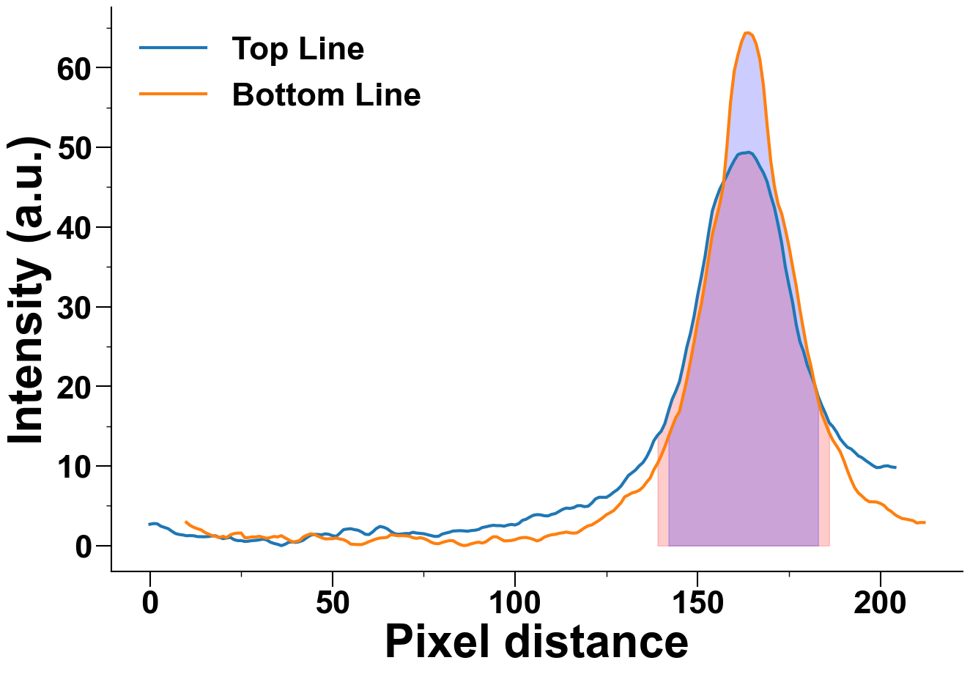
2.0 | 2.740000000000002 | 12 | 2.3000000000000043
3.0 | 2.440000000000005 | 13 | 2.1200000000000045
4.0 | 2.2900000000000063 | 14 | 1.990000000000002
5.0 | 2.1300000000000026 | 15 | 1.6600000000000037
6.0 | 1.8100000000000023 | 16 | 1.4600000000000009
7.0 | 1.5200000000000031 | 17 | 1.2700000000000031
8.0 | 1.4000000000000057 | 18 | 1.1600000000000037
9.0 | 1.3400000000000034 | 19 | 1.0
10.0 | 1.240000000000002 | 20 | 1.1700000000000017
11.0 | 1.2600000000000051 | 21 | 1.0
12.0 | 1.240000000000002 | 22 | 1.3400000000000034
13.0 | 1.1300000000000026 | 23 | 1.5100000000000051
14.0 | 1.1200000000000045 | 24 | 1.5700000000000003
15.0 | 1.1100000000000065 | 25 | 1.5800000000000054
16.0 | 1.1400000000000006 | 26 | 0.980000000000004
17.0 | 1.220000000000006 | 27 | 1.0200000000000031
18.0 | 1.230000000000004 | 28 | 1.0900000000000034
19.0 | 1.0200000000000031 | 29 | 1.0900000000000034
20.0 | 0.8800000000000026 | 30 | 1.1700000000000017

21.0 | 0.9500000000000028 | 31 | 1.0399999999999991
22.0 | 1.0400000000000063 | 32 | 0.9200000000000017
23.0 | 0.7600000000000051 | 33 | 1.0200000000000031
24.0 | 0.6300000000000026 | 34 | 1.1500000000000057
25.0 | 0.6300000000000026 | 35 | 1.0900000000000034
26.0 | 0.5200000000000031 | 36 | 1.25
27.0 | 0.5600000000000023 | 37 | 0.970000000000006
28.0 | 0.6300000000000026 | 38 | 0.730000000000004
29.0 | 0.6600000000000037 | 39 | 0.47000000000000597
30.0 | 0.730000000000004 | 40 | 0.5100000000000051
31.0 | 0.8200000000000003 | 41 | 0.6400000000000006
32.0 | 0.7100000000000009 | 42 | 1.0900000000000034
33.0 | 0.4300000000000068 | 43 | 1.3100000000000023
34.0 | 0.2700000000000031 | 44 | 1.480000000000004
35.0 | 0.1600000000000037 | 45 | 1.4100000000000037
36.0 | 0.0 | 46 | 1.1799999999999997
37.0 | 0.1600000000000037 | 47 | 1.0
38.0 | 0.4200000000000017 | 48 | 0.8400000000000034
39.0 | 0.46000000000000085 | 49 | 0.8500000000000014
40.0 | 0.4100000000000037 | 50 | 0.8700000000000045
41.0 | 0.5 | 51 | 0.9600000000000009
42.0 | 0.6800000000000068 | 52 | 0.8300000000000054
43.0 | 1.0100000000000051 | 53 | 0.75
44.0 | 1.3100000000000023 | 54 | 0.5300000000000011
45.0 | 1.4100000000000037 | 55 | 0.19000000000000483
46.0 | 1.4000000000000057 | 56 | 0.15000000000000568
47.0 | 1.3500000000000014 | 57 | 0.13000000000000256
48.0 | 1.480000000000004 | 58 | 0.13000000000000256
49.0 | 1.4200000000000017 | 59 | 0.30000000000000426
50.0 | 1.25 | 60 | 0.5
51.0 | 1.1600000000000037 | 61 | 0.6700000000000017
52.0 | 1.5500000000000043 | 62 | 0.8400000000000034
53.0 | 2.0 | 63 | 0.9500000000000028
54.0 | 2.0800000000000054 | 64 | 0.990000000000002
55.0 | 2.1200000000000045 | 65 | 1.0500000000000043
56.0 | 2.010000000000005 | 66 | 1.3900000000000006
57.0 | 1.9300000000000068 | 67 | 1.3000000000000043
58.0 | 1.7100000000000009 | 68 | 1.240000000000002
59.0 | 1.4200000000000017 | 69 | 1.25
60.0 | 1.3900000000000006 | 70 | 1.230000000000004
61.0 | 1.720000000000006 | 71 | 1.1799999999999997
62.0 | 2.1500000000000057 | 72 | 1.0
63.0 | 2.4000000000000057 | 73 | 0.9100000000000037
64.0 | 2.3100000000000023 | 74 | 1.0
65.0 | 2.1100000000000065 | 75 | 0.8900000000000006
66.0 | 1.7700000000000031 | 76 | 0.6900000000000048
67.0 | 1.5 | 77 | 0.4299999999999997
68.0 | 1.4200000000000017 | 78 | 0.2700000000000031
69.0 | 1.4600000000000009 | 79 | 0.23000000000000398
70.0 | 1.5200000000000031 | 80 | 0.39000000000000057
71.0 | 1.5100000000000051 | 81 | 0.5200000000000031
72.0 | 1.6700000000000017 | 82 | 0.6300000000000026
73.0 | 1.5800000000000054 | 83 | 0.6200000000000045
74.0 | 1.5400000000000063 | 84 | 0.3400000000000034
75.0 | 1.490000000000002 | 85 | 0.12000000000000455
76.0 | 1.3800000000000026 | 86 | 0.0
77.0 | 1.2800000000000011 | 87 | 0.07000000000000028
78.0 | 1.1500000000000057 | 88 | 0.23000000000000398
79.0 | 1.1700000000000017 | 89 | 0.3500000000000014
80.0 | 1.4400000000000048 | 90 | 0.4299999999999997
81.0 | 1.5700000000000003 | 91 | 0.3200000000000003
82.0 | 1.6800000000000068 | 92 | 0.480000000000004
83.0 | 1.8300000000000054 | 93 | 0.8200000000000003
84.0 | 1.8600000000000065 | 94 | 1.1099999999999994
85.0 | 1.8800000000000026 | 95 | 1.1000000000000014
86.0 | 1.8500000000000014 | 96 | 0.8400000000000034
87.0 | 1.8100000000000023 | 97 | 0.5900000000000034
88.0 | 1.8900000000000006 | 98 | 0.6099999999999994
89.0 | 1.9300000000000068 | 99 | 0.6400000000000006
90.0 | 2.030000000000001 | 100 | 0.75
91.0 | 2.270000000000003 | 101 | 0.9200000000000017
92.0 | 2.3600000000000065 | 102 | 1.0100000000000051
93.0 | 2.470000000000006 | 103 | 1.0200000000000031
94.0 | 2.5500000000000043 | 104 | 0.9299999999999997
95.0 | 2.510000000000005 | 105 | 0.7800000000000011
96.0 | 2.510000000000005 | 106 | 0.5900000000000034
97.0 | 2.440000000000005 | 107 | 0.740000000000002
98.0 | 2.5800000000000054 | 108 | 1.0600000000000023
99.0 | 2.6600000000000037 | 109 | 1.240000000000002
100.0 | 2.5900000000000034 | 110 | 1.3599999999999994
101.0 | 2.770000000000003 | 111 | 1.4100000000000037
102.0 | 3.1700000000000017 | 112 | 1.5399999999999991
103.0 | 3.3100000000000023 | 113 | 1.6099999999999994
104.0 | 3.5800000000000054 | 114 | 1.7000000000000028
105.0 | 3.8100000000000023 | 115 | 1.6099999999999994
106.0 | 3.8900000000000006 | 116 | 1.5600000000000023
107.0 | 3.8600000000000065 | 117 | 1.6200000000000045
108.0 | 3.75 | 118 | 1.9100000000000037
109.0 | 3.730000000000004 | 119 | 2.230000000000004
110.0 | 3.9200000000000017 | 120 | 2.480000000000004
111.0 | 4.020000000000003 | 121 | 2.6000000000000014
112.0 | 4.290000000000006 | 122 | 2.8900000000000006
113.0 | 4.550000000000004 | 123 | 3.1700000000000017
114.0 | 4.710000000000001 | 124 | 3.5
115.0 | 4.670000000000002 | 125 | 3.8800000000000026
116.0 | 4.760000000000005 | 126 | 4.130000000000003
117.0 | 5.0 | 127 | 4.400000000000006
118.0 | 5.020000000000003 | 128 | 4.890000000000001
119.0 | 4.890000000000001 | 129 | 5.3700000000000045
120.0 | 4.950000000000003 | 130 | 6.1200000000000045
121.0 | 5.340000000000003 | 131 | 6.350000000000001
122.0 | 5.8600000000000065 | 132 | 6.609999999999999
123.0 | 6.07 | 133 | 6.740000000000002
124.0 | 6.07 | 134 | 6.940000000000005
125.0 | 6.060000000000002 | 135 | 7.340000000000003
126.0 | 6.340000000000003 | 136 | 7.950000000000003
127.0 | 6.710000000000001 | 137 | 8.5
128.0 | 7.020000000000003 | 138 | 9.54
129.0 | 7.480000000000004 | 139 | 10.310000000000002
130.0 | 8.14 | 140 | 11.29
131.0 | 8.790000000000006 | 141 | 12.410000000000004
132.0 | 9.14 | 142 | 13.690000000000005
133.0 | 9.5 | 143 | 14.89
134.0 | 10.020000000000003 | 144 | 16.07
135.0 | 10.420000000000002 | 145 | 16.810000000000002
136.0 | 11.110000000000007 | 146 | 18.760000000000005
137.0 | 12.030000000000001 | 147 | 20.760000000000005
138.0 | 13.180000000000007 | 148 | 23.080000000000005
139.0 | 13.850000000000001 | 149 | 25.550000000000004
140.0 | 14.360000000000007 | 150 | 28.190000000000005
141.0 | 15.310000000000002 | 151 | 30.330000000000005
142.0 | 16.89 | 152 | 33.089999999999996
143.0 | 18.360000000000007 | 153 | 36.11000000000001
144.0 | 19.380000000000003 | 154 | 39.050000000000004
145.0 | 20.580000000000005 | 155 | 40.93
146.0 | 22.610000000000007 | 156 | 42.800000000000004
147.0 | 24.880000000000003 | 157 | 45.12
148.0 | 26.630000000000003 | 158 | 50.07
149.0 | 28.790000000000006 | 159 | 55.71
150.0 | 31.480000000000004 | 160 | 59.57
151.0 | 33.78 | 161 | 61.56000000000001
152.0 | 36.27000000000001 | 162 | 63.23
153.0 | 39.3 | 163 | 64.33000000000001
154.0 | 42.010000000000005 | 164 | 64.38
155.0 | 43.46000000000001 | 165 | 64.06
156.0 | 44.7 | 166 | 62.98
157.0 | 45.61 | 167 | 61.1
158.0 | 46.47 | 168 | 57.76
159.0 | 47.480000000000004 | 169 | 52.839999999999996
160.0 | 48.35000000000001 | 170 | 48.300000000000004
161.0 | 49.09 | 171 | 45.13
162.0 | 49.260000000000005 | 172 | 42.9
163.0 | 49.3 | 173 | 41.660000000000004
164.0 | 49.39 | 174 | 39.699999999999996
165.0 | 49.18000000000001 | 175 | 37.54
166.0 | 48.510000000000005 | 176 | 34.99
167.0 | 47.60000000000001 | 177 | 32.53000000000001
168.0 | 46.8 | 178 | 29.57
169.0 | 45.69 | 179 | 26.990000000000002
170.0 | 43.94 | 180 | 24.46
171.0 | 42.43000000000001 | 181 | 22.560000000000002
172.0 | 40.33 | 182 | 20.32
173.0 | 37.96000000000001 | 183 | 18.18
174.0 | 34.980000000000004 | 184 | 16.490000000000002
175.0 | 32.66 | 185 | 15.340000000000003
176.0 | 30.47 | 186 | 14.160000000000004
177.0 | 27.67 | 187 | 13.230000000000004
178.0 | 25.590000000000003 | 188 | 12.54
179.0 | 24.35 | 189 | 11.810000000000002
180.0 | 22.660000000000004 | 190 | 10.690000000000005
181.0 | 21.480000000000004 | 191 | 9.410000000000004
182.0 | 20.260000000000005 | 192 | 8.25
183.0 | 18.700000000000003 | 193 | 7.25
184.0 | 17.57 | 194 | 6.609999999999999
185.0 | 16.560000000000002 | 195 | 6.210000000000001
186.0 | 15.430000000000007 | 196 | 5.780000000000001
187.0 | 14.940000000000005 | 197 | 5.510000000000005
188.0 | 14.270000000000003 | 198 | 5.5
189.0 | 13.420000000000002 | 199 | 5.460000000000001
190.0 | 12.850000000000001 | 200 | 5.300000000000004
191.0 | 12.350000000000001 | 201 | 5.050000000000004
192.0 | 12.14 | 202 | 4.57
193.0 | 11.720000000000006 | 203 | 4.289999999999999
194.0 | 11.260000000000005 | 204 | 3.8900000000000006
195.0 | 11.040000000000006 | 205 | 3.6200000000000045
196.0 | 10.680000000000007 | 206 | 3.4000000000000057
197.0 | 10.370000000000005 | 207 | 3.3300000000000054
198.0 | 10.040000000000006 | 208 | 3.230000000000004
199.0 | 9.790000000000006 | 209 | 3.1300000000000026
200.0 | 9.830000000000005 | 210 | 2.8400000000000034
201.0 | 9.980000000000004 | 211 | 2.9000000000000057
202.0 | 10.020000000000003 | 212 | 2.9000000000000057
203.0 | 9.880000000000003
204.0 | 9.82

