Sheet1
Top Strip X-values | Top Strip Y-values | Bottom Strip X-values | Bottom Strip Y-Values | Area of rightmost peak (Top line) | Area of rightmost peak (Bottom line) | Area of leftmost peak (Top line) | Area of leftmost peak (Bottom line)
0.0 | 7.61 | 28 | 5.7 | 2033.1858333333334 | 1961.6983333333333 | 770.9916666666666 | 945.0433333333333
1.0 | 7.47 | 29 | 5.95
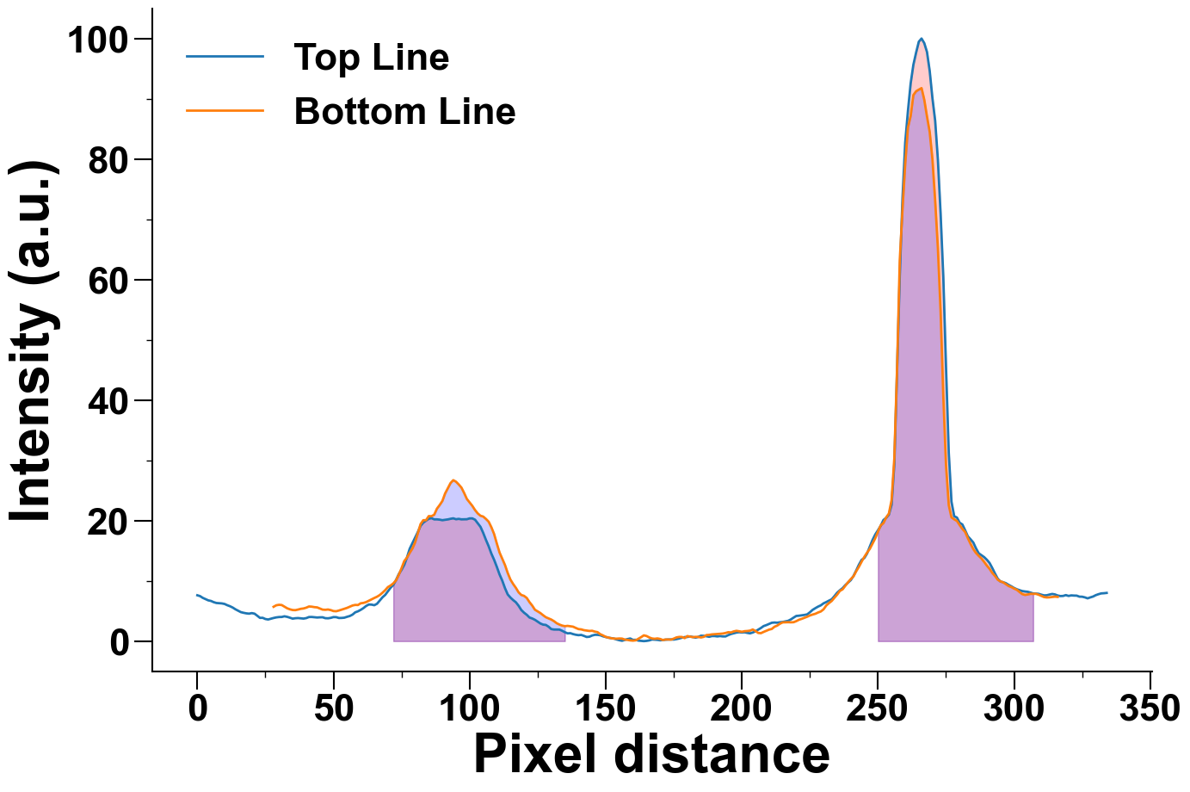
2.0 | 7.18 | 30 | 6.03
3.0 | 6.98 | 31 | 5.99
4.0 | 6.77 | 32 | 5.72
5.0 | 6.67 | 33 | 5.45
6.0 | 6.47 | 34 | 5.28
7.0 | 6.33 | 35 | 5.16
8.0 | 6.3 | 36 | 5.14
9.0 | 6.26 | 37 | 5.24
10.0 | 6.17 | 38 | 5.36
11.0 | 5.96 | 39 | 5.42
12.0 | 5.79 | 40 | 5.55
13.0 | 5.57 | 41 | 5.75
14.0 | 5.28 | 42 | 5.72
15.0 | 5.05 | 43 | 5.64
16.0 | 4.81 | 44 | 5.6
17.0 | 4.7 | 45 | 5.41
18.0 | 4.61 | 46 | 5.23
19.0 | 4.56 | 47 | 5.2
20.0 | 4.65 | 48 | 5.25

21.0 | 4.56 | 49 | 5.15
22.0 | 4.22 | 50 | 4.99
23.0 | 3.86 | 51 | 4.96
24.0 | 3.87 | 52 | 5.08
25.0 | 3.67 | 53 | 5.22
26.0 | 3.59 | 54 | 5.37
27.0 | 3.72 | 55 | 5.52
28.0 | 3.84 | 56 | 5.72
29.0 | 3.94 | 57 | 5.91
30.0 | 4.0 | 58 | 6.01
31.0 | 4.01 | 59 | 5.99
32.0 | 4.12 | 60 | 6.28
33.0 | 4.03 | 61 | 6.34
34.0 | 3.89 | 62 | 6.48
35.0 | 3.73 | 63 | 6.71
36.0 | 3.8 | 64 | 6.95
37.0 | 3.83 | 65 | 7.16
38.0 | 3.79 | 66 | 7.37
39.0 | 3.74 | 67 | 7.65
40.0 | 3.82 | 68 | 8.03
41.0 | 4.0 | 69 | 8.46
42.0 | 4.01 | 70 | 8.97
43.0 | 3.97 | 71 | 9.24
44.0 | 3.92 | 72 | 9.59
45.0 | 3.95 | 73 | 10.1
46.0 | 3.96 | 74 | 11.01
47.0 | 3.81 | 75 | 12.1
48.0 | 3.79 | 76 | 13.29
49.0 | 3.86 | 77 | 13.86
50.0 | 3.99 | 78 | 14.65
51.0 | 3.98 | 79 | 15.38
52.0 | 3.84 | 80 | 16.41
53.0 | 3.85 | 81 | 17.94
54.0 | 3.89 | 82 | 19.43
55.0 | 4.04 | 83 | 20.07
56.0 | 4.17 | 84 | 20.07
57.0 | 4.4 | 85 | 20.75
58.0 | 4.78 | 86 | 20.73
59.0 | 4.95 | 87 | 20.98
60.0 | 5.19 | 88 | 21.98
61.0 | 5.48 | 89 | 22.58
62.0 | 5.84 | 90 | 23.26
63.0 | 6.08 | 91 | 24.5
64.0 | 6.06 | 92 | 25.36
65.0 | 5.96 | 93 | 26.23
66.0 | 6.2 | 94 | 26.71
67.0 | 6.74 | 95 | 26.46
68.0 | 7.27 | 96 | 26.0
69.0 | 7.67 | 97 | 25.48
70.0 | 8.26 | 98 | 24.58
71.0 | 8.87 | 99 | 23.59
72.0 | 9.34 | 100 | 23.03
73.0 | 10.16 | 101 | 22.45
74.0 | 11.13 | 102 | 21.75
75.0 | 11.83 | 103 | 21.19
76.0 | 12.66 | 104 | 20.81
77.0 | 13.89 | 105 | 20.67
78.0 | 15.33 | 106 | 20.28
79.0 | 16.27 | 107 | 19.82
80.0 | 17.23 | 108 | 18.9
81.0 | 18.12 | 109 | 17.78
82.0 | 19.14 | 110 | 16.2
83.0 | 19.68 | 111 | 14.71
84.0 | 19.99 | 112 | 13.68
85.0 | 20.31 | 113 | 12.63
86.0 | 20.41 | 114 | 11.31
87.0 | 20.21 | 115 | 10.21
88.0 | 20.21 | 116 | 9.48
89.0 | 20.16 | 117 | 8.84
90.0 | 20.07 | 118 | 8.1
91.0 | 20.14 | 119 | 7.66
92.0 | 20.2 | 120 | 7.51
93.0 | 20.3 | 121 | 7.16
94.0 | 20.38 | 122 | 6.47
95.0 | 20.23 | 123 | 5.9
96.0 | 20.29 | 124 | 5.21
97.0 | 20.21 | 125 | 4.94
98.0 | 20.22 | 126 | 4.66
99.0 | 20.23 | 127 | 4.3
100.0 | 20.37 | 128 | 3.97
101.0 | 20.37 | 129 | 3.77
102.0 | 20.15 | 130 | 3.58
103.0 | 19.55 | 131 | 3.31
104.0 | 18.97 | 132 | 2.97
105.0 | 17.96 | 133 | 2.75
106.0 | 16.81 | 134 | 2.58
107.0 | 15.75 | 135 | 2.48
108.0 | 14.52 | 136 | 2.53
109.0 | 13.5 | 137 | 2.46
110.0 | 12.33 | 138 | 2.4
111.0 | 11.07 | 139 | 2.19
112.0 | 10.04 | 140 | 2.0
113.0 | 8.79 | 141 | 1.95
114.0 | 7.75 | 142 | 1.82
115.0 | 7.23 | 143 | 1.76
116.0 | 6.81 | 144 | 1.69
117.0 | 6.45 | 145 | 1.72
118.0 | 5.87 | 146 | 1.58
119.0 | 5.16 | 147 | 1.49
120.0 | 4.72 | 148 | 1.15
121.0 | 4.37 | 149 | 0.95
122.0 | 3.92 | 150 | 0.7
123.0 | 3.76 | 151 | 0.59
124.0 | 3.54 | 152 | 0.48
125.0 | 3.24 | 153 | 0.42
126.0 | 2.93 | 154 | 0.41
127.0 | 2.74 | 155 | 0.44
128.0 | 2.69 | 156 | 0.42
129.0 | 2.4 | 157 | 0.26
130.0 | 2.0 | 158 | 0.2
131.0 | 1.93 | 159 | 0.12
132.0 | 1.92 | 160 | 0.08
133.0 | 1.92 | 161 | 0.13
134.0 | 1.72 | 162 | 0.39
135.0 | 1.48 | 163 | 0.66
136.0 | 1.29 | 164 | 0.96
137.0 | 1.32 | 165 | 0.85
138.0 | 1.17 | 166 | 0.61
139.0 | 1.06 | 167 | 0.44
140.0 | 0.99 | 168 | 0.39
141.0 | 1.03 | 169 | 0.45
142.0 | 0.87 | 170 | 0.36
143.0 | 0.69 | 171 | 0.18
144.0 | 0.73 | 172 | 0.27
145.0 | 0.93 | 173 | 0.27
146.0 | 1.05 | 174 | 0.25
147.0 | 1.04 | 175 | 0.42
148.0 | 0.98 | 176 | 0.62
149.0 | 0.8 | 177 | 0.7
150.0 | 0.68 | 178 | 0.69
151.0 | 0.57 | 179 | 0.5
152.0 | 0.5 | 180 | 0.84
153.0 | 0.43 | 181 | 0.74
154.0 | 0.27 | 182 | 0.66
155.0 | 0.15 | 183 | 0.71
156.0 | 0.06 | 184 | 0.69
157.0 | 0.2 | 185 | 0.61
158.0 | 0.34 | 186 | 0.71
159.0 | 0.44 | 187 | 1.01
160.0 | 0.21 | 188 | 1.04
161.0 | 0.22 | 189 | 1.12
162.0 | 0.09 | 190 | 1.15
163.0 | 0.04 | 191 | 1.18
164.0 | 0.0 | 192 | 1.22
165.0 | 0.04 | 193 | 1.26
166.0 | 0.12 | 194 | 1.35
167.0 | 0.27 | 195 | 1.48
168.0 | 0.24 | 196 | 1.44
169.0 | 0.21 | 197 | 1.61
170.0 | 0.14 | 198 | 1.71
171.0 | 0.19 | 199 | 1.64
172.0 | 0.24 | 200 | 1.55
173.0 | 0.27 | 201 | 1.65
174.0 | 0.28 | 202 | 1.68
175.0 | 0.26 | 203 | 1.74
176.0 | 0.34 | 204 | 1.93
177.0 | 0.44 | 205 | 1.69
178.0 | 0.57 | 206 | 1.36
179.0 | 0.67 | 207 | 1.32
180.0 | 0.69 | 208 | 1.53
181.0 | 0.78 | 209 | 1.72
182.0 | 0.68 | 210 | 1.91
183.0 | 0.58 | 211 | 2.02
184.0 | 0.7 | 212 | 2.39
185.0 | 0.9 | 213 | 2.58
186.0 | 0.88 | 214 | 2.89
187.0 | 0.81 | 215 | 3.11
188.0 | 0.72 | 216 | 3.13
189.0 | 0.84 | 217 | 3.14
190.0 | 0.84 | 218 | 3.12
191.0 | 0.78 | 219 | 3.14
192.0 | 0.84 | 220 | 3.32
193.0 | 0.78 | 221 | 3.55
194.0 | 0.78 | 222 | 3.7
195.0 | 1.0 | 223 | 3.88
196.0 | 1.18 | 224 | 4.05
197.0 | 1.3 | 225 | 4.26
198.0 | 1.42 | 226 | 4.41
199.0 | 1.48 | 227 | 4.54
200.0 | 1.44 | 228 | 4.75
201.0 | 1.47 | 229 | 4.92
202.0 | 1.37 | 230 | 5.27
203.0 | 1.29 | 231 | 5.91
204.0 | 1.43 | 232 | 6.31
205.0 | 1.63 | 233 | 6.66
206.0 | 1.91 | 234 | 7.2
207.0 | 2.18 | 235 | 7.71
208.0 | 2.5 | 236 | 8.33
209.0 | 2.66 | 237 | 8.59
210.0 | 2.85 | 238 | 9.19
211.0 | 3.05 | 239 | 9.77
212.0 | 3.09 | 240 | 10.29
213.0 | 3.06 | 241 | 10.75
214.0 | 3.13 | 242 | 11.6
215.0 | 3.18 | 243 | 12.33
216.0 | 3.27 | 244 | 13.19
217.0 | 3.37 | 245 | 13.99
218.0 | 3.6 | 246 | 14.69
219.0 | 3.9 | 247 | 15.31
220.0 | 4.18 | 248 | 16.19
221.0 | 4.22 | 249 | 17.06
222.0 | 4.28 | 250 | 18.17
223.0 | 4.35 | 251 | 19.21
224.0 | 4.44 | 252 | 19.59
225.0 | 4.79 | 253 | 20.52
226.0 | 5.19 | 254 | 21.17
227.0 | 5.47 | 255 | 23.4
228.0 | 5.73 | 256 | 30.31
229.0 | 5.94 | 257 | 45.11
230.0 | 6.27 | 258 | 63.18
231.0 | 6.48 | 259 | 71.58
232.0 | 6.72 | 260 | 79.15
233.0 | 6.94 | 261 | 85.2
234.0 | 7.47 | 262 | 87.16
235.0 | 8.03 | 263 | 90.62
236.0 | 8.44 | 264 | 91.25
237.0 | 8.79 | 265 | 91.52
238.0 | 9.3 | 266 | 91.77
239.0 | 9.7 | 267 | 89.84
240.0 | 10.12 | 268 | 87.06
241.0 | 10.81 | 269 | 84.48
242.0 | 11.72 | 270 | 79.99
243.0 | 12.69 | 271 | 73.12
244.0 | 13.49 | 272 | 65.26
245.0 | 13.8 | 273 | 54.72
246.0 | 14.54 | 274 | 40.61
247.0 | 15.69 | 275 | 29.1
248.0 | 16.79 | 276 | 22.56
249.0 | 17.7 | 277 | 20.53
250.0 | 18.4 | 278 | 20.21
251.0 | 19.14 | 279 | 19.95
252.0 | 20.1 | 280 | 19.26
253.0 | 20.46 | 281 | 18.62
254.0 | 20.98 | 282 | 18.13
255.0 | 22.64 | 283 | 17.1
256.0 | 29.34 | 284 | 16.14
257.0 | 44.62 | 285 | 15.28
258.0 | 60.52 | 286 | 14.63
259.0 | 73.46 | 287 | 14.16
260.0 | 82.73 | 288 | 13.72
261.0 | 87.96 | 289 | 13.14
262.0 | 92.55 | 290 | 12.53
263.0 | 95.64 | 291 | 11.99
264.0 | 97.66 | 292 | 11.31
265.0 | 99.48 | 293 | 10.8
266.0 | 100.0 | 294 | 10.19
267.0 | 99.24 | 295 | 9.91
268.0 | 97.77 | 296 | 9.75
269.0 | 94.61 | 297 | 9.44
270.0 | 90.11 | 298 | 9.14
271.0 | 86.37 | 299 | 8.97
272.0 | 79.92 | 300 | 8.72
273.0 | 70.97 | 301 | 8.52
274.0 | 60.4 | 302 | 8.15
275.0 | 45.35 | 303 | 7.81
276.0 | 31.28 | 304 | 7.67
277.0 | 23.13 | 305 | 7.74
278.0 | 20.72 | 306 | 7.85
279.0 | 20.51 | 307 | 7.84
280.0 | 19.64 | 308 | 7.85
281.0 | 19.36 | 309 | 7.7
282.0 | 18.41 | 310 | 7.5
283.0 | 17.4 | 311 | 7.31
284.0 | 16.9 | 312 | 7.25
285.0 | 16.37 | 313 | 7.27
286.0 | 15.4 | 314 | 7.32
287.0 | 14.58 | 315 | 7.38
288.0 | 14.26 | 316 | 7.34
289.0 | 13.94
290.0 | 13.5
291.0 | 12.96
292.0 | 12.12
293.0 | 11.2
294.0 | 10.35
295.0 | 9.89
296.0 | 9.78
297.0 | 9.61
298.0 | 9.33
299.0 | 9.09
300.0 | 8.82
301.0 | 8.61
302.0 | 8.45
303.0 | 8.31
304.0 | 8.24
305.0 | 8.19
306.0 | 8.06
307.0 | 7.91
308.0 | 7.89
309.0 | 7.85
310.0 | 7.71
311.0 | 7.59
312.0 | 7.61
313.0 | 7.73
314.0 | 7.83
315.0 | 7.75
316.0 | 7.57
317.0 | 7.48
318.0 | 7.5
319.0 | 7.64
320.0 | 7.5
321.0 | 7.59
322.0 | 7.56
323.0 | 7.55
324.0 | 7.38
325.0 | 7.37
326.0 | 7.26
327.0 | 7.1
328.0 | 7.26
329.0 | 7.4
330.0 | 7.63
331.0 | 7.79
332.0 | 7.92
333.0 | 7.95
334.0 | 8.0

