Sheet1
Top Strip X-values | Top Strip Y-values | Bottom Strip X-values | Bottom Strip Y-Values | Area of rightmost peak (Top line) | Area of rightmost peak (Bottom line) | Area of leftmost peak (Top line) | Area of leftmost peak (Bottom line)
0.75 | 4.9 | 6 | 5.64 |  |  | 831.9333333333333 | 868.3833333333334
1.75 | 4.91 | 7 | 5.59
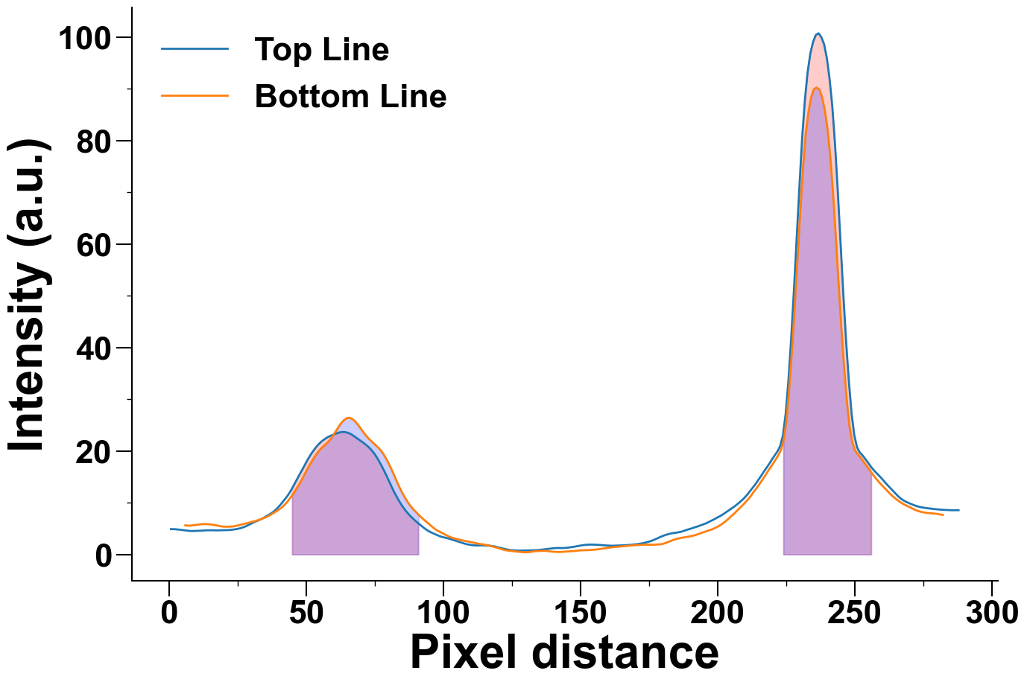
2.75 | 4.87 | 8 | 5.6
3.75 | 4.81 | 9 | 5.67
4.75 | 4.75 | 10 | 5.74
5.75 | 4.68 | 11 | 5.81
6.75 | 4.609999999999999 | 12 | 5.87
7.75 | 4.55 | 13 | 5.89
8.75 | 4.54 | 14 | 5.87
9.75 | 4.5600000000000005 | 15 | 5.82
10.75 | 4.59 | 16 | 5.75
11.75 | 4.609999999999999 | 17 | 5.66
12.75 | 4.65 | 18 | 5.55
13.75 | 4.68 | 19 | 5.45
14.75 | 4.6899999999999995 | 20 | 5.39
15.75 | 4.6899999999999995 | 21 | 5.37
16.75 | 4.67 | 22 | 5.38
17.75 | 4.67 | 23 | 5.4
18.75 | 4.6899999999999995 | 24 | 5.48
19.75 | 4.7 | 25 | 5.6
20.75 | 4.71 | 26 | 5.73

21.75 | 4.73 | 27 | 5.86
22.75 | 4.77 | 28 | 5.99
23.75 | 4.84 | 29 | 6.13
24.75 | 4.93 | 30 | 6.27
25.75 | 5.04 | 31 | 6.4
26.75 | 5.2 | 32 | 6.55
27.75 | 5.39 | 33 | 6.73
28.75 | 5.64 | 34 | 6.93
29.75 | 5.9 | 35 | 7.13
30.75 | 6.17 | 36 | 7.36
31.75 | 6.41 | 37 | 7.66
32.75 | 6.63 | 38 | 7.97
33.75 | 6.87 | 39 | 8.31
34.75 | 7.15 | 40 | 8.64
35.75 | 7.46 | 41 | 9.03
36.75 | 7.78 | 42 | 9.51
37.75 | 8.120000000000001 | 43 | 10.09
38.75 | 8.55 | 44 | 10.78
39.75 | 9.08 | 45 | 11.54
40.75 | 9.67 | 46 | 12.28
41.75 | 10.35 | 47 | 13.14
42.75 | 11.0 | 48 | 14.03
43.75 | 11.74 | 49 | 15.04
44.75 | 12.64 | 50 | 16.08
45.75 | 13.61 | 51 | 17.06
46.75 | 14.6 | 52 | 17.95
47.75 | 15.59 | 53 | 18.81
48.75 | 16.52 | 54 | 19.56
49.75 | 17.54 | 55 | 20.24
50.75 | 18.5 | 56 | 20.79
51.75 | 19.37 | 57 | 21.25
52.75 | 20.14 | 58 | 21.74
53.75 | 20.83 | 59 | 22.36
54.75 | 21.42 | 60 | 23.12
55.75 | 21.91 | 61 | 23.96
56.75 | 22.3 | 62 | 24.81
57.75 | 22.65 | 63 | 25.53
58.75 | 22.92 | 64 | 26.08
59.75 | 23.13 | 65 | 26.4
60.75 | 23.35 | 66 | 26.42
61.75 | 23.54 | 67 | 26.13
62.75 | 23.66 | 68 | 25.67
63.75 | 23.69 | 69 | 25.02
64.75 | 23.61 | 70 | 24.29
65.75 | 23.43 | 71 | 23.56
66.75 | 23.14 | 72 | 22.88
67.75 | 22.78 | 73 | 22.3
68.75 | 22.4 | 74 | 21.79
69.75 | 22.03 | 75 | 21.3
70.75 | 21.65 | 76 | 20.82
71.75 | 21.24 | 77 | 20.27
72.75 | 20.78 | 78 | 19.57
73.75 | 20.24 | 79 | 18.69
74.75 | 19.6 | 80 | 17.71
75.75 | 18.79 | 81 | 16.62
76.75 | 17.89 | 82 | 15.43
77.75 | 16.91 | 83 | 14.19
78.75 | 15.86 | 84 | 13.02
79.75 | 14.72 | 85 | 11.96
80.75 | 13.59 | 86 | 11.02
81.75 | 12.44 | 87 | 10.14
82.75 | 11.42 | 88 | 9.41
83.75 | 10.47 | 89 | 8.79
84.75 | 9.61 | 90 | 8.23
85.75 | 8.84 | 91 | 7.69
86.75 | 8.17 | 92 | 7.17
87.75 | 7.57 | 93 | 6.69
88.75 | 7.06 | 94 | 6.26
89.75 | 6.55 | 95 | 5.8
90.75 | 6.1 | 96 | 5.34
91.75 | 5.66 | 97 | 4.92
92.75 | 5.22 | 98 | 4.58
93.75 | 4.83 | 99 | 4.31
94.75 | 4.5 | 100 | 4.04
95.75 | 4.220000000000001 | 101 | 3.75
96.75 | 3.99 | 102 | 3.5
97.75 | 3.75 | 103 | 3.29
98.75 | 3.53 | 104 | 3.13
99.75 | 3.37 | 105 | 2.99
100.75 | 3.25 | 106 | 2.85
101.75 | 3.12 | 107 | 2.73
102.75 | 2.96 | 108 | 2.62
103.75 | 2.79 | 109 | 2.52
104.75 | 2.62 | 110 | 2.41
105.75 | 2.45 | 111 | 2.3
106.75 | 2.2800000000000002 | 112 | 2.19
107.75 | 2.1100000000000003 | 113 | 2.07
108.75 | 1.97 | 114 | 1.99
109.75 | 1.87 | 115 | 1.91
110.75 | 1.8 | 116 | 1.82
111.75 | 1.75 | 117 | 1.69
112.75 | 1.76 | 118 | 1.55
113.75 | 1.76 | 119 | 1.39
114.75 | 1.76 | 120 | 1.23
115.75 | 1.73 | 121 | 1.07
116.75 | 1.7 | 122 | 0.93
117.75 | 1.65 | 123 | 0.81
118.75 | 1.56 | 124 | 0.73
119.75 | 1.4100000000000001 | 125 | 0.67
120.75 | 1.29 | 126 | 0.62
121.75 | 1.15 | 127 | 0.56
122.75 | 1.04 | 128 | 0.5
123.75 | 0.9299999999999999 | 129 | 0.44
124.75 | 0.84 | 130 | 0.43
125.75 | 0.8 | 131 | 0.46
126.75 | 0.77 | 132 | 0.53
127.75 | 0.75 | 133 | 0.6
128.75 | 0.76 | 134 | 0.65
129.75 | 0.77 | 135 | 0.68
130.75 | 0.78 | 136 | 0.71
131.75 | 0.8 | 137 | 0.71
132.75 | 0.81 | 138 | 0.67
133.75 | 0.83 | 139 | 0.59
134.75 | 0.87 | 140 | 0.54
135.75 | 0.9299999999999999 | 141 | 0.51
136.75 | 1.0 | 142 | 0.49
137.75 | 1.07 | 143 | 0.5
138.75 | 1.12 | 144 | 0.54
139.75 | 1.19 | 145 | 0.58
140.75 | 1.24 | 146 | 0.62
141.75 | 1.26 | 147 | 0.64
142.75 | 1.25 | 148 | 0.7
143.75 | 1.25 | 149 | 0.77
144.75 | 1.29 | 150 | 0.81
145.75 | 1.35 | 151 | 0.83
146.75 | 1.4300000000000002 | 152 | 0.84
147.75 | 1.51 | 153 | 0.85
148.75 | 1.6099999999999999 | 154 | 0.89
149.75 | 1.72 | 155 | 0.93
150.75 | 1.8 | 156 | 0.98
151.75 | 1.86 | 157 | 1.06
152.75 | 1.9 | 158 | 1.14
153.75 | 1.92 | 159 | 1.22
154.75 | 1.91 | 160 | 1.3
155.75 | 1.88 | 161 | 1.37
156.75 | 1.85 | 162 | 1.43
157.75 | 1.82 | 163 | 1.48
158.75 | 1.77 | 164 | 1.52
159.75 | 1.74 | 165 | 1.57
160.75 | 1.71 | 166 | 1.63
161.75 | 1.7 | 167 | 1.68
162.75 | 1.72 | 168 | 1.73
163.75 | 1.73 | 169 | 1.77
164.75 | 1.75 | 170 | 1.79
165.75 | 1.77 | 171 | 1.83
166.75 | 1.8 | 172 | 1.88
167.75 | 1.85 | 173 | 1.91
168.75 | 1.89 | 174 | 1.9
169.75 | 1.94 | 175 | 1.89
170.75 | 2.0 | 176 | 1.88
171.75 | 2.09 | 177 | 1.91
172.75 | 2.19 | 178 | 1.93
173.75 | 2.3200000000000003 | 179 | 1.97
174.75 | 2.45 | 180 | 2.06
175.75 | 2.63 | 181 | 2.23
176.75 | 2.83 | 182 | 2.44
177.75 | 3.06 | 183 | 2.65
178.75 | 3.31 | 184 | 2.84
179.75 | 3.54 | 185 | 3.01
180.75 | 3.74 | 186 | 3.15
181.75 | 3.9 | 187 | 3.25
182.75 | 4.04 | 188 | 3.33
183.75 | 4.140000000000001 | 189 | 3.42
184.75 | 4.21 | 190 | 3.52
185.75 | 4.3 | 191 | 3.64
186.75 | 4.41 | 192 | 3.78
187.75 | 4.58 | 193 | 3.96
188.75 | 4.77 | 194 | 4.16
189.75 | 4.93 | 195 | 4.34
190.75 | 5.09 | 196 | 4.51
191.75 | 5.28 | 197 | 4.69
192.75 | 5.44 | 198 | 4.88
193.75 | 5.65 | 199 | 5.13
194.75 | 5.83 | 200 | 5.4
195.75 | 6.03 | 201 | 5.7
196.75 | 6.29 | 202 | 6.07
197.75 | 6.56 | 203 | 6.48
198.75 | 6.82 | 204 | 6.95
199.75 | 7.12 | 205 | 7.45
200.75 | 7.39 | 206 | 7.91
201.75 | 7.71 | 207 | 8.44
202.75 | 8.07 | 208 | 8.95
203.75 | 8.42 | 209 | 9.49
204.75 | 8.78 | 210 | 10.04
205.75 | 9.16 | 211 | 10.63
206.75 | 9.56 | 212 | 11.29
207.75 | 9.99 | 213 | 12.03
208.75 | 10.46 | 214 | 12.72
209.75 | 10.97 | 215 | 13.46
210.75 | 11.57 | 216 | 14.23
211.75 | 12.24 | 217 | 15.02
212.75 | 12.9 | 218 | 15.84
213.75 | 13.6 | 219 | 16.68
214.75 | 14.37 | 220 | 17.44
215.75 | 15.16 | 221 | 18.27
216.75 | 15.97 | 222 | 19.13
217.75 | 16.740000000000002 | 223 | 20.14
218.75 | 17.51 | 224 | 21.99
219.75 | 18.36 | 225 | 25.66
220.75 | 19.16 | 226 | 31.75
221.75 | 19.93 | 227 | 39.07
222.75 | 20.96 | 228 | 47.43
223.75 | 22.99 | 229 | 56.51
224.75 | 27.18 | 230 | 65.61
225.75 | 33.57 | 231 | 74.27
226.75 | 41.65 | 232 | 81.06
227.75 | 50.96 | 233 | 85.31
228.75 | 60.9 | 234 | 88.34
229.75 | 71.0 | 235 | 89.94
230.75 | 80.45 | 236 | 90.27
231.75 | 87.85 | 237 | 89.93
232.75 | 93.23 | 238 | 88.46
233.75 | 96.89 | 239 | 85.93
234.75 | 99.1 | 240 | 82.29
235.75 | 100.44 | 241 | 76.98
236.75 | 100.75 | 242 | 69.91
237.75 | 100.02 | 243 | 61.59
238.75 | 98.64 | 244 | 52.71
239.75 | 96.0 | 245 | 44.16
240.75 | 91.96 | 246 | 36.54
241.75 | 86.6 | 247 | 29.93
242.75 | 79.19 | 248 | 24.85
243.75 | 70.19 | 249 | 21.72
244.75 | 60.33 | 250 | 20.15
245.75 | 50.38 | 251 | 19.38
246.75 | 41.42 | 252 | 18.78
247.75 | 33.69 | 253 | 18.04
248.75 | 27.35 | 254 | 17.31
249.75 | 23.09 | 255 | 16.57
250.75 | 20.74 | 256 | 15.85
251.75 | 19.72 | 257 | 15.13
252.75 | 19.18 | 258 | 14.47
253.75 | 18.49 | 259 | 13.86
254.75 | 17.78 | 260 | 13.31
255.75 | 17.03 | 261 | 12.74
256.75 | 16.369999999999997 | 262 | 12.17
257.75 | 15.79 | 263 | 11.62
258.75 | 15.26 | 264 | 11.15
259.75 | 14.69 | 265 | 10.71
260.75 | 14.08 | 266 | 10.31
261.75 | 13.48 | 267 | 9.95
262.75 | 12.92 | 268 | 9.65
263.75 | 12.36 | 269 | 9.4
264.75 | 11.81 | 270 | 9.15
265.75 | 11.27 | 271 | 8.87
266.75 | 10.79 | 272 | 8.61
267.75 | 10.44 | 273 | 8.41
268.75 | 10.16 | 274 | 8.26
269.75 | 9.93 | 275 | 8.15
270.75 | 9.7 | 276 | 8.06
271.75 | 9.49 | 277 | 7.99
272.75 | 9.31 | 278 | 7.95
273.75 | 9.18 | 279 | 7.91
274.75 | 9.08 | 280 | 7.85
275.75 | 9.0 | 281 | 7.76
276.75 | 8.93 | 282 | 7.66
277.75 | 8.86
278.75 | 8.79
279.75 | 8.74
280.75 | 8.690000000000001
281.75 | 8.65
282.75 | 8.620000000000001
283.75 | 8.58
284.75 | 8.57
285.75 | 8.559999999999999
286.75 | 8.57
287.75 | 8.559999999999999

