Sheet1
Top Line Y-values | Top Line Y-values | Bottom Line X-values | Bottom Line Y-Values | Area of rightmost peak (Top line) | Area of rightmost peak (Bottom line) | Area of leftmost peak (Top line) | Area of leftmost peak (Bottom line)
0.75 | 9.01 | 2 | 7.56 | 1969.7450000000001 | 2423.430833333333
1.75 | 8.99 | 3 | 7.07
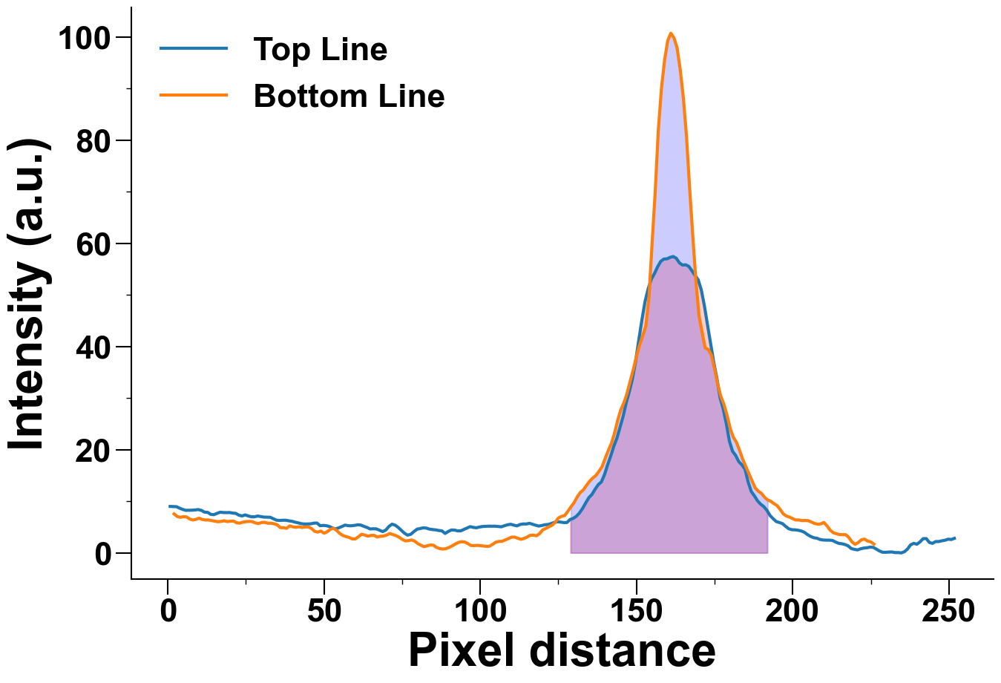
2.75 | 8.96 | 4 | 6.89
3.75 | 8.67 | 5 | 7.03
4.75 | 8.43 | 6 | 6.97
5.75 | 8.25 | 7 | 6.57
6.75 | 8.27 | 8 | 6.38
7.75 | 8.28 | 9 | 6.49
8.75 | 8.33 | 10 | 6.72
9.75 | 8.4 | 11 | 6.49
10.75 | 8.24 | 12 | 6.38
11.75 | 7.9 | 13 | 6.39
12.75 | 7.86 | 14 | 6.27
13.75 | 7.47 | 15 | 6.15
14.75 | 7.41 | 16 | 6.04
15.75 | 7.66 | 17 | 6.1
16.75 | 7.89 | 18 | 6.23
17.75 | 7.83 | 19 | 6.08
18.75 | 7.81 | 20 | 6.14
19.75 | 7.83 | 21 | 6.18
20.75 | 7.72 | 22 | 5.84

21.75 | 7.66 | 23 | 5.77
22.75 | 7.31 | 24 | 5.96
23.75 | 7.16 | 25 | 6.05
24.75 | 7.37 | 26 | 6.1
25.75 | 7.16 | 27 | 6.07
26.75 | 7.0 | 28 | 5.81
27.75 | 7.0 | 29 | 5.68
28.75 | 7.15 | 30 | 5.89
29.75 | 7.04 | 31 | 5.92
30.75 | 6.94 | 32 | 5.76
31.75 | 6.93 | 33 | 5.76
32.75 | 6.91 | 34 | 5.65
33.75 | 6.63 | 35 | 5.45
34.75 | 6.35 | 36 | 4.9
35.75 | 6.29 | 37 | 4.88
36.75 | 6.33 | 38 | 4.77
37.75 | 6.33 | 39 | 5.24
38.75 | 6.22 | 40 | 5.06
39.75 | 6.13 | 41 | 4.97
40.75 | 5.95 | 42 | 5.06
41.75 | 5.82 | 43 | 4.93
42.75 | 5.66 | 44 | 5.03
43.75 | 5.6 | 45 | 5.03
44.75 | 5.61 | 46 | 4.720000000000001
45.75 | 5.64 | 47 | 4.18
46.75 | 5.77 | 48 | 4.04
47.75 | 5.79 | 49 | 4.23
48.75 | 5.27 | 50 | 3.82
49.75 | 5.33 | 51 | 4.09
50.75 | 5.27 | 52 | 4.5600000000000005
51.75 | 5.11 | 53 | 4.77
52.75 | 4.81 | 54 | 4.38
53.75 | 4.65 | 55 | 3.78
54.75 | 4.87 | 56 | 3.39
55.75 | 5.12 | 57 | 3.16
56.75 | 5.4 | 58 | 3.01
57.75 | 5.27 | 59 | 2.71
58.75 | 5.26 | 60 | 2.7
59.75 | 5.33 | 61 | 3.13
60.75 | 5.45 | 62 | 3.61
61.75 | 5.4 | 63 | 3.47
62.75 | 5.15 | 64 | 3.25
63.75 | 4.93 | 65 | 3.38
64.75 | 4.64 | 66 | 3.41
65.75 | 4.68 | 67 | 3.08
66.75 | 4.65 | 68 | 3.22
67.75 | 4.4 | 69 | 3.26
68.75 | 4.13 | 70 | 3.45
69.75 | 4.42 | 71 | 3.76
70.75 | 5.12 | 72 | 3.56
71.75 | 5.57 | 73 | 3.36
72.75 | 5.38 | 74 | 3.05
73.75 | 4.93 | 75 | 2.63
74.75 | 4.37 | 76 | 2.33
75.75 | 3.81 | 77 | 2.37
76.75 | 3.44 | 78 | 2.51
77.75 | 3.6 | 79 | 2.29
78.75 | 4.12 | 80 | 1.8
79.75 | 4.59 | 81 | 1.49
80.75 | 4.73 | 82 | 1.21
81.75 | 4.86 | 83 | 1.37
82.75 | 4.81 | 84 | 1.53
83.75 | 4.61 | 85 | 1.5
84.75 | 4.52 | 86 | 1.07
85.75 | 4.46 | 87 | 0.84
86.75 | 4.34 | 88 | 0.75
87.75 | 4.27 | 89 | 0.8200000000000001
88.75 | 3.77 | 90 | 1.05
89.75 | 4.15 | 91 | 1.3599999999999999
90.75 | 4.44 | 92 | 1.72
91.75 | 4.43 | 93 | 2.02
92.75 | 4.27 | 94 | 2.17
93.75 | 4.27 | 95 | 2.12
94.75 | 4.55 | 96 | 1.81
95.75 | 4.81 | 97 | 1.44
96.75 | 5.09 | 98 | 1.4100000000000001
97.75 | 4.95 | 99 | 1.46
98.75 | 4.87 | 100 | 1.4100000000000001
99.75 | 5.02 | 101 | 1.33
100.75 | 5.12 | 102 | 1.27
101.75 | 5.15 | 103 | 1.31
102.75 | 5.18 | 104 | 1.6800000000000002
103.75 | 5.17 | 105 | 2.09
104.75 | 5.18 | 106 | 2.23
105.75 | 5.12 | 107 | 2.24
106.75 | 5.06 | 108 | 2.51
107.75 | 5.27 | 109 | 2.76
108.75 | 5.45 | 110 | 3.05
109.75 | 5.55 | 111 | 3.07
110.75 | 5.38 | 112 | 2.83
111.75 | 5.24 | 113 | 2.6399999999999997
112.75 | 5.51 | 114 | 2.8
113.75 | 5.61 | 115 | 3.07
114.75 | 5.6 | 116 | 3.42
115.75 | 5.74 | 117 | 3.44
116.75 | 5.55 | 118 | 3.32
117.75 | 5.36 | 119 | 3.75
118.75 | 5.2 | 120 | 4.470000000000001
119.75 | 5.32 | 121 | 4.75
120.75 | 5.46 | 122 | 5.08
121.75 | 5.51 | 123 | 5.37
122.75 | 5.7 | 124 | 5.93
123.75 | 5.92 | 125 | 6.77
124.75 | 6.04 | 126 | 7.08
125.75 | 5.97 | 127 | 7.23
126.75 | 5.88 | 128 | 8.030000000000001
127.75 | 5.89 | 129 | 8.9
128.75 | 6.48 | 130 | 9.71
129.75 | 6.69 | 131 | 10.82
130.75 | 7.1 | 132 | 11.69
131.75 | 7.74 | 133 | 12.22
132.75 | 8.62 | 134 | 13.09
133.75 | 9.69 | 135 | 13.89
134.75 | 10.71 | 136 | 14.51
135.75 | 11.34 | 137 | 15.01
136.75 | 12.34 | 138 | 15.81
137.75 | 13.22 | 139 | 16.740000000000002
138.75 | 13.75 | 140 | 18.34
139.75 | 15.14 | 141 | 19.86
140.75 | 17.06 | 142 | 21.28
141.75 | 18.77 | 143 | 23.24
142.75 | 20.7 | 144 | 25.74
143.75 | 22.25 | 145 | 27.77
144.75 | 24.42 | 146 | 29.13
145.75 | 26.54 | 147 | 30.98
146.75 | 29.19 | 148 | 33.33
147.75 | 31.35 | 149 | 35.58
148.75 | 33.87 | 150 | 38.12
149.75 | 37.26 | 151 | 40.28
150.75 | 41.32 | 152 | 42.08
151.75 | 45.22 | 153 | 44.0
152.75 | 48.76 | 154 | 49.54
153.75 | 51.23 | 155 | 59.99
154.75 | 53.07 | 156 | 70.02
155.75 | 54.15 | 157 | 82.04
156.75 | 55.45 | 158 | 90.07
157.75 | 56.51 | 159 | 95.54
158.75 | 56.97 | 160 | 99.3
159.75 | 57.01 | 161 | 100.75
160.75 | 57.29 | 162 | 99.85
161.75 | 57.46 | 163 | 97.91
162.75 | 57.12 | 164 | 93.71
163.75 | 56.22 | 165 | 88.26
164.75 | 55.8 | 166 | 80.86
165.75 | 55.86 | 167 | 70.85
166.75 | 55.55 | 168 | 61.69
167.75 | 54.7 | 169 | 52.86
168.75 | 53.81 | 170 | 46.01
169.75 | 52.95 | 171 | 42.76
170.75 | 50.99 | 172 | 39.72
171.75 | 47.87 | 173 | 39.45
172.75 | 44.15 | 174 | 38.29
173.75 | 40.56 | 175 | 35.66
174.75 | 36.9 | 176 | 32.72
175.75 | 33.82 | 177 | 30.34
176.75 | 30.11 | 178 | 28.79
177.75 | 27.94 | 179 | 26.64
178.75 | 25.09 | 180 | 24.11
179.75 | 21.65 | 181 | 22.43
180.75 | 19.71 | 182 | 21.44
181.75 | 18.9 | 183 | 19.89
182.75 | 17.69 | 184 | 18.16
183.75 | 17.07 | 185 | 16.73
184.75 | 16.21 | 186 | 15.35
185.75 | 13.75 | 187 | 13.94
186.75 | 11.9 | 188 | 12.59
187.75 | 11.06 | 189 | 11.97
188.75 | 10.09 | 190 | 11.54
189.75 | 9.44 | 191 | 10.78
190.75 | 8.98 | 192 | 10.26
191.75 | 8.25 | 193 | 10.01
192.75 | 7.25 | 194 | 9.55
193.75 | 6.63 | 195 | 9.18
194.75 | 6.07 | 196 | 8.41
195.75 | 5.89 | 197 | 7.56
196.75 | 5.67 | 198 | 7.14
197.75 | 5.14 | 199 | 6.94
198.75 | 4.68 | 200 | 6.64
199.75 | 4.49 | 201 | 6.38
200.75 | 4.47 | 202 | 6.39
201.75 | 4.39 | 203 | 6.26
202.75 | 4.25 | 204 | 6.29
203.75 | 3.99 | 205 | 6.24
204.75 | 3.54 | 206 | 5.99
205.75 | 3.19 | 207 | 5.7
206.75 | 2.94 | 208 | 5.59
207.75 | 2.85 | 209 | 5.62
208.75 | 2.6 | 210 | 5.9
209.75 | 2.5 | 211 | 5.22
210.75 | 2.47 | 212 | 4.41
211.75 | 2.47 | 213 | 3.91
212.75 | 2.41 | 214 | 3.72
213.75 | 2.1 | 215 | 3.54
214.75 | 1.85 | 216 | 3.53
215.75 | 1.77 | 217 | 3.53
216.75 | 1.62 | 218 | 2.97
217.75 | 1.36 | 219 | 2.12
218.75 | 0.84 | 220 | 1.65
219.75 | 0.69 | 221 | 2.02
220.75 | 0.58 | 222 | 2.54
221.75 | 0.8 | 223 | 2.67
222.75 | 0.93 | 224 | 2.29
223.75 | 1.0 | 225 | 2.15
224.75 | 1.11 | 226 | 1.7
225.75 | 1.08
226.75 | 0.75
227.75 | 0.38
228.75 | 0.13
229.75 | 0.12
230.75 | 0.16000000000000003
231.75 | 0.17999999999999994
232.75 | 0.06000000000000005
233.75 | 0.07000000000000006
234.75 | 0.0
235.75 | 0.21999999999999997
236.75 | 0.75
237.75 | 1.57
238.75 | 1.85
239.75 | 1.68
240.75 | 2.13
241.75 | 2.76
242.75 | 2.78
243.75 | 2.02
244.75 | 1.85
245.75 | 2.2
246.75 | 2.2
247.75 | 2.35
248.75 | 2.45
249.75 | 2.66
250.75 | 2.6
251.75 | 2.82

