Calculations
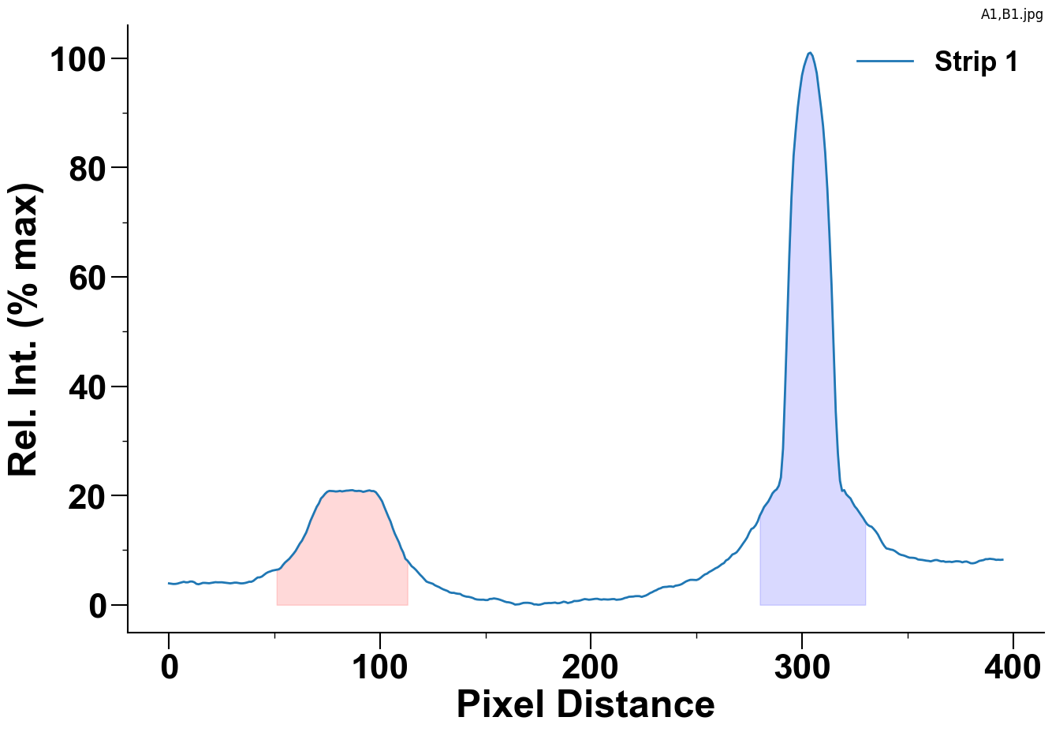

 |  | Strip 1
Control Peak | Area | 2566.9456
Bounds: (279, 330) | Max Value | 101
Test Peak | Area | 1015.875
Bounds: (50, 113) | Max Value | 20.97

