Calculations
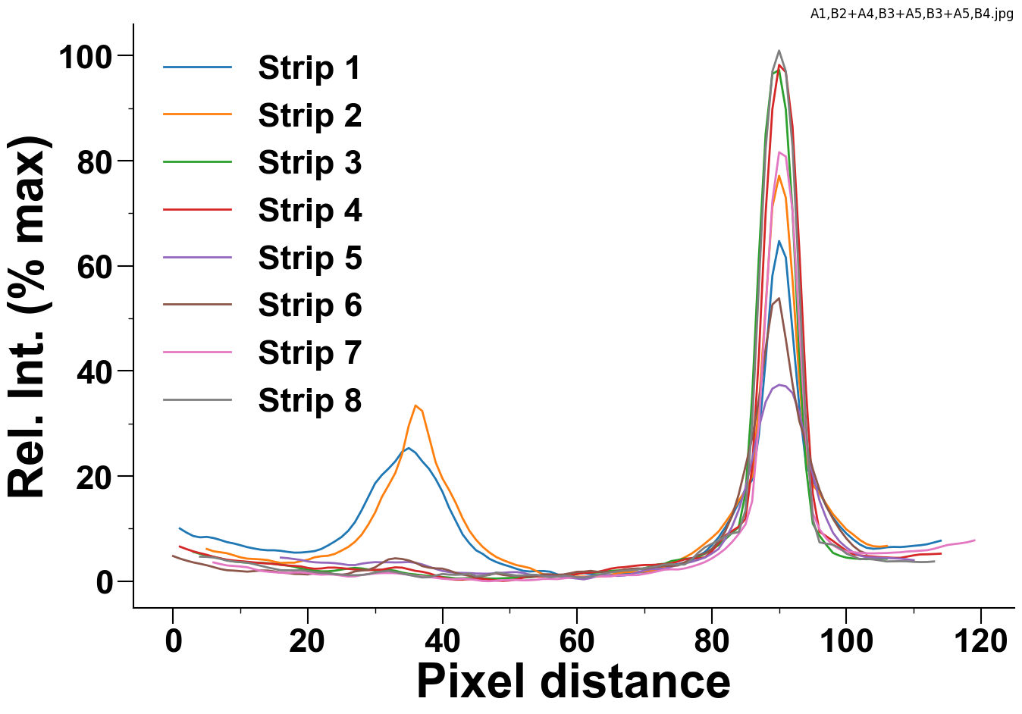
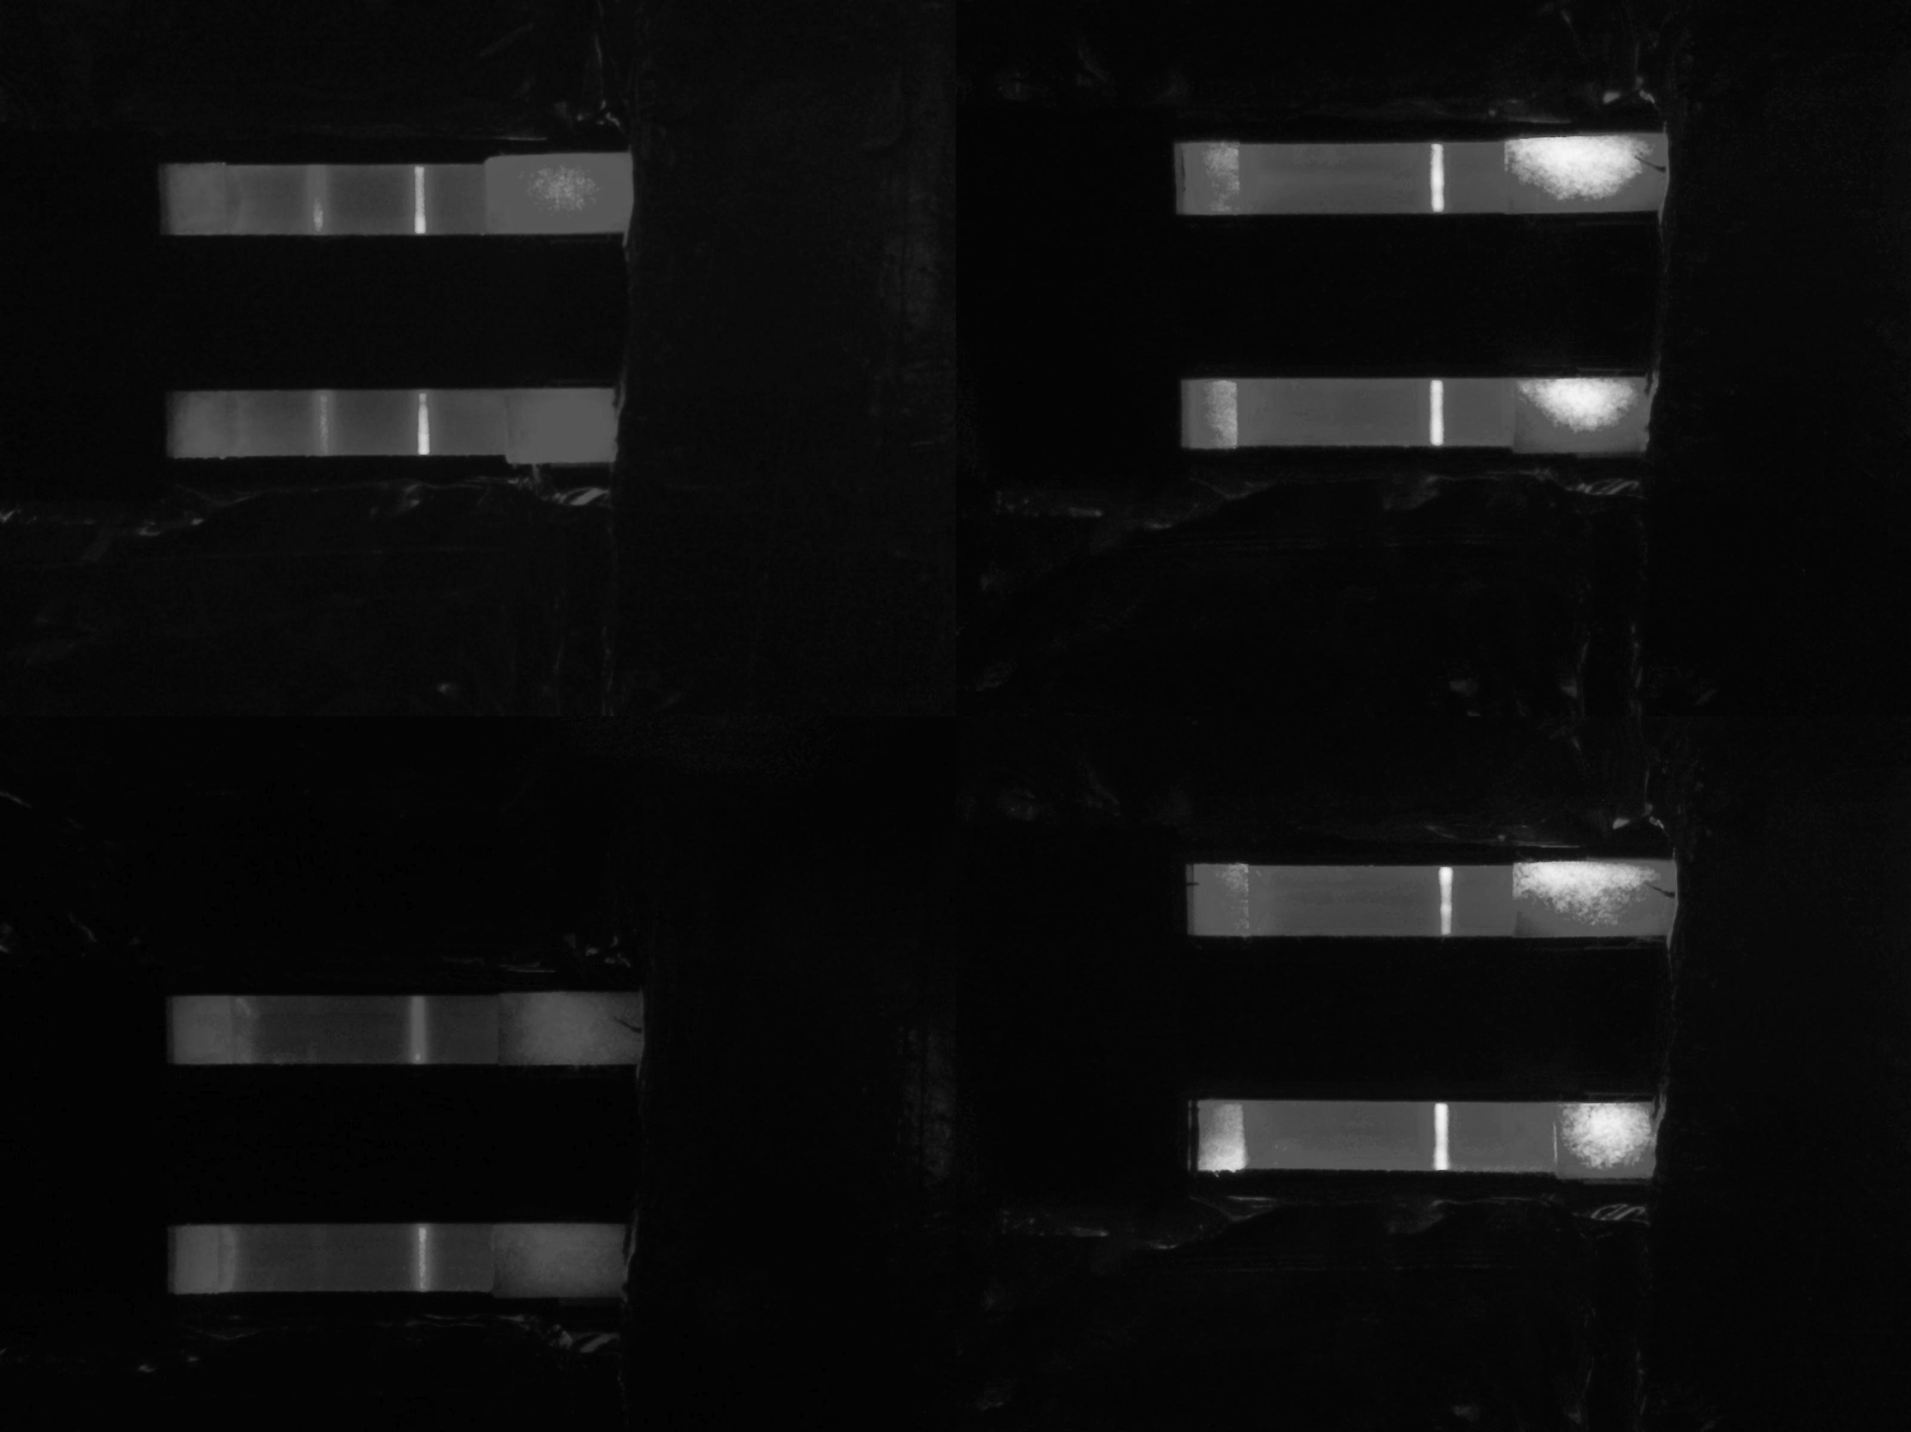
 | Strip 1 | Strip 2 | Strip 3 | Strip 4 | Strip 5 | Strip 6 | Strip 7 | Strip 8
Control Peak | Area
 | Max Value
Test Peak | Area
 | Max Value

