Calculations
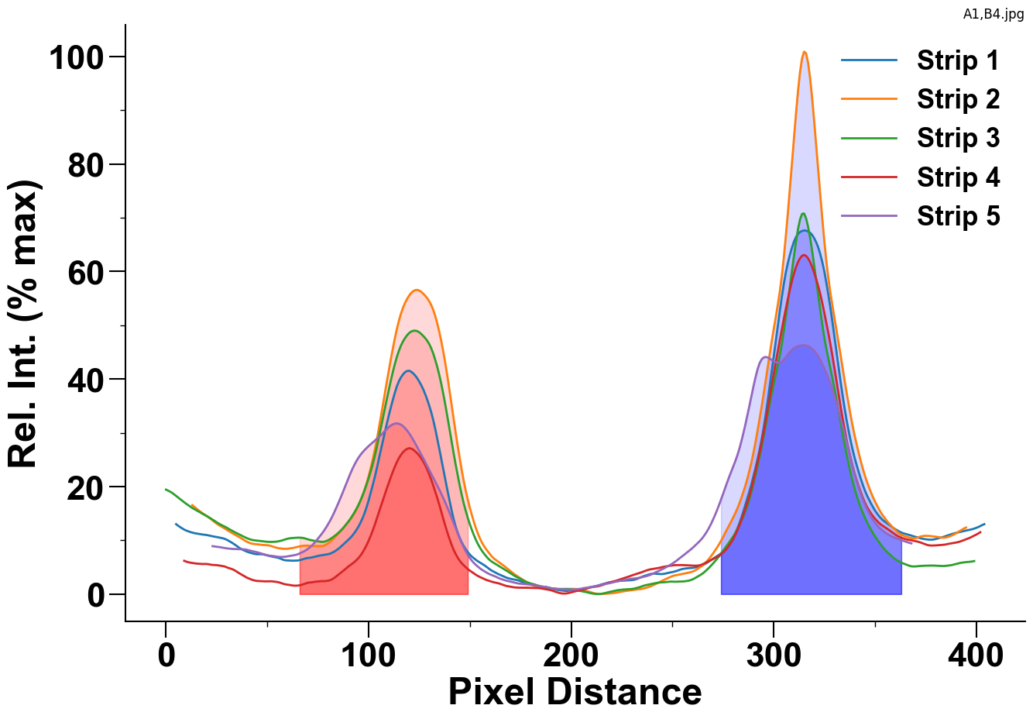

 |  | Strip 1 | Strip 2 | Strip 3 | Strip 4 | Strip 5
Control Peak | Area | 3102.8941011 | 3750.8511236 | 2716.5202247 | 2823.7592697 | 2825.8963483
Bounds: (273, 363) | Max Value | 67.63 | 100.87 | 70.78 | 63.07 | 46.28
Test Peak | Area | 1730.6133735 | 2517.2995181 | 2260.699759 | 1024.7687952 | 1739.0395181
Bounds: (65, 149) | Max Value | 41.54 | 56.57 | 48.99 | 27.13 | 31.75

