Sheet1
Top Strip X-values | Top Strip Y-values | Bottom Strip X-values | Bottom Strip Y-Values | Area of rightmost peak (Top line) | Area of rightmost peak (Bottom line) | Area of leftmost peak (Top line) | Area of leftmost peak (Bottom line)
0.0 | 4.23 | 24 | 5.84 | 387.21978494623653 | 350.24
1.0 | 4.23 | 25 | 6.07
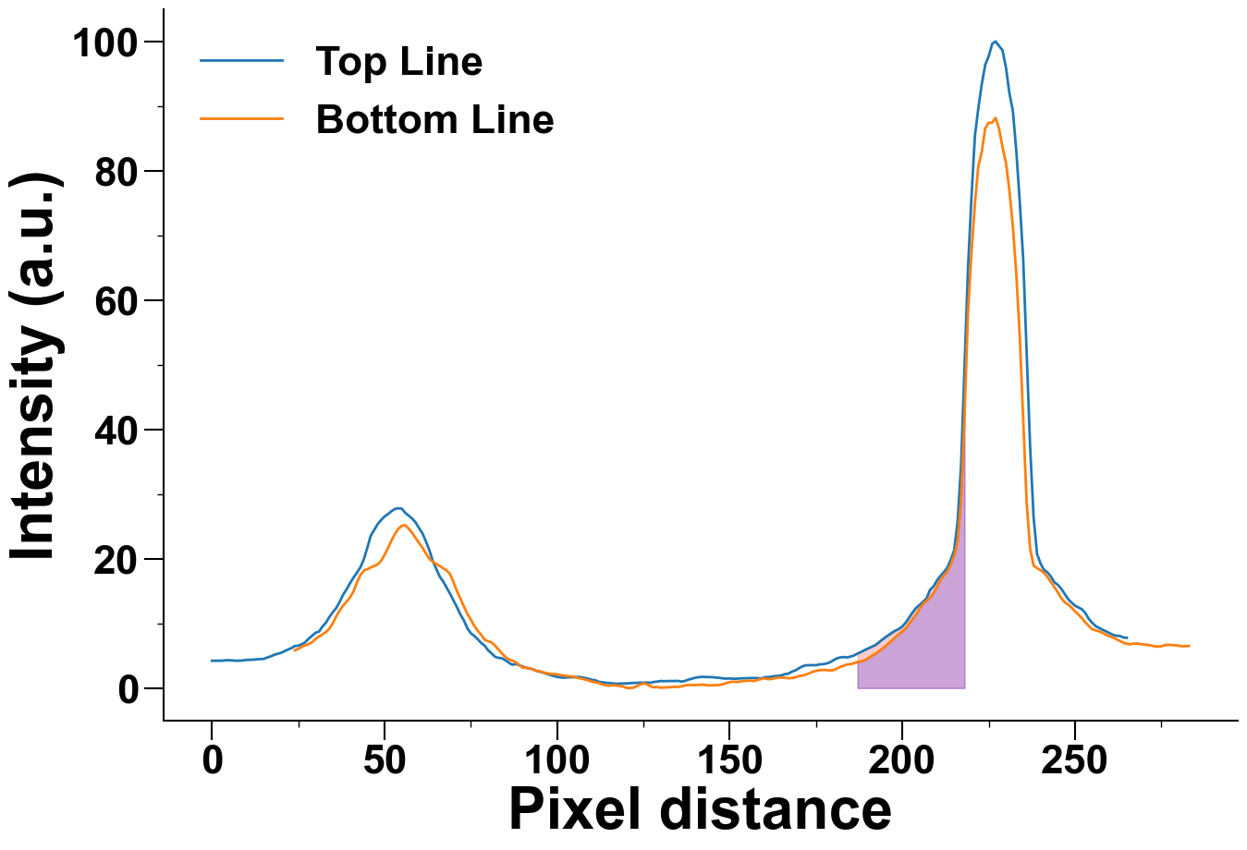
2.0 | 4.22 | 26 | 6.37
3.0 | 4.23 | 27 | 6.62
4.0 | 4.31 | 28 | 6.78
5.0 | 4.3 | 29 | 7.09
6.0 | 4.26 | 30 | 7.59
7.0 | 4.23 | 31 | 7.98
8.0 | 4.24 | 32 | 8.29
9.0 | 4.27 | 33 | 8.66
10.0 | 4.36 | 34 | 9.18
11.0 | 4.37 | 35 | 10.03
12.0 | 4.39 | 36 | 11.09
13.0 | 4.45 | 37 | 11.99
14.0 | 4.49 | 38 | 12.77
15.0 | 4.51 | 39 | 13.38
16.0 | 4.73 | 40 | 14.02
17.0 | 4.9 | 41 | 14.97
18.0 | 5.13 | 42 | 16.34
19.0 | 5.3 | 43 | 17.5
20.0 | 5.45 | 44 | 18.18
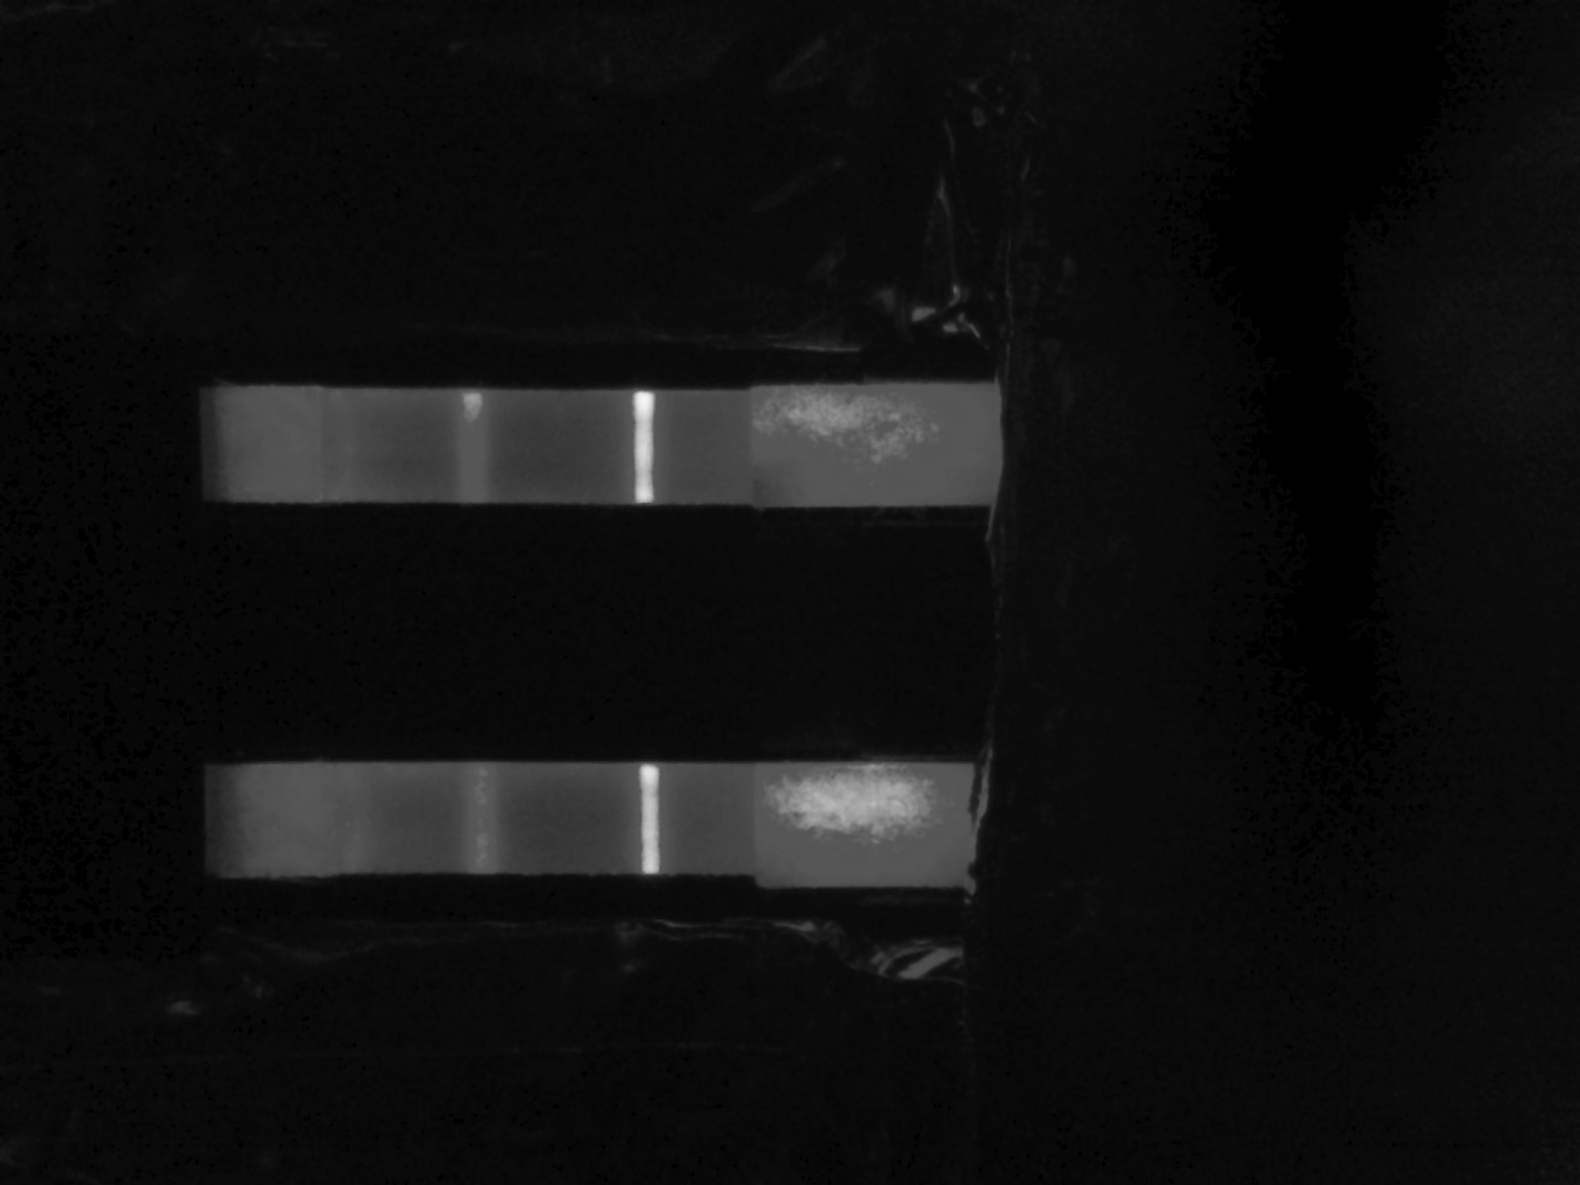
21.0 | 5.7 | 45 | 18.38
22.0 | 5.95 | 46 | 18.66
23.0 | 6.18 | 47 | 18.89
24.0 | 6.5 | 48 | 19.12
25.0 | 6.56 | 49 | 19.69
26.0 | 6.78 | 50 | 20.61
27.0 | 7.09 | 51 | 21.69
28.0 | 7.63 | 52 | 22.82
29.0 | 8.08 | 53 | 23.85
30.0 | 8.55 | 54 | 24.65
31.0 | 8.74 | 55 | 25.1
32.0 | 9.51 | 56 | 25.19
33.0 | 10.11 | 57 | 24.64
34.0 | 10.99 | 58 | 23.98
35.0 | 11.74 | 59 | 23.19
36.0 | 12.39 | 60 | 22.42
37.0 | 13.35 | 61 | 21.69
38.0 | 14.46 | 62 | 20.79
39.0 | 15.27 | 63 | 19.96
40.0 | 16.23 | 64 | 19.52
41.0 | 17.09 | 65 | 19.2
42.0 | 17.86 | 66 | 18.87
43.0 | 18.69 | 67 | 18.51
44.0 | 19.93 | 68 | 18.19
45.0 | 21.71 | 69 | 17.6
46.0 | 23.58 | 70 | 16.33
47.0 | 24.47 | 71 | 14.94
48.0 | 25.35 | 72 | 13.8
49.0 | 25.99 | 73 | 12.59
50.0 | 26.54 | 74 | 11.44
51.0 | 26.92 | 75 | 10.58
52.0 | 27.35 | 76 | 9.6
53.0 | 27.7 | 77 | 8.85
54.0 | 27.8 | 78 | 8.22
55.0 | 27.74 | 79 | 7.46
56.0 | 27.09 | 80 | 7.24
57.0 | 26.65 | 81 | 7.05
58.0 | 26.21 | 82 | 6.57
59.0 | 25.6 | 83 | 5.96
60.0 | 24.71 | 84 | 5.35
61.0 | 23.9 | 85 | 4.82
62.0 | 22.64 | 86 | 4.43
63.0 | 21.28 | 87 | 4.25
64.0 | 19.59 | 88 | 4.0
65.0 | 18.39 | 89 | 3.56
66.0 | 17.22 | 90 | 3.17
67.0 | 16.46 | 91 | 3.15
68.0 | 15.49 | 92 | 3.08
69.0 | 14.55 | 93 | 2.86
70.0 | 13.5 | 94 | 2.67
71.0 | 12.46 | 95 | 2.61
72.0 | 11.35 | 96 | 2.43
73.0 | 10.43 | 97 | 2.29
74.0 | 9.22 | 98 | 2.21
75.0 | 8.47 | 99 | 2.19
76.0 | 8.07 | 100 | 2.14
77.0 | 7.54 | 101 | 2.01
78.0 | 6.97 | 102 | 1.91
79.0 | 6.55 | 103 | 1.86
80.0 | 5.83 | 104 | 1.81
81.0 | 5.37 | 105 | 1.72
82.0 | 4.84 | 106 | 1.56
83.0 | 4.67 | 107 | 1.47
84.0 | 4.61 | 108 | 1.33
85.0 | 4.3 | 109 | 1.19
86.0 | 3.92 | 110 | 1.01
87.0 | 3.61 | 111 | 0.9
88.0 | 3.73 | 112 | 0.79
89.0 | 3.53 | 113 | 0.58
90.0 | 3.34 | 114 | 0.45
91.0 | 3.14 | 115 | 0.36
92.0 | 3.03 | 116 | 0.45
93.0 | 2.9 | 117 | 0.42
94.0 | 2.65 | 118 | 0.32
95.0 | 2.54 | 119 | 0.27
96.0 | 2.38 | 120 | 0.04
97.0 | 2.19 | 121 | 0.0
98.0 | 2.02 | 122 | 0.06
99.0 | 1.87 | 123 | 0.27
100.0 | 1.73 | 124 | 0.55
101.0 | 1.65 | 125 | 0.74
102.0 | 1.61 | 126 | 0.59
103.0 | 1.66 | 127 | 0.27
104.0 | 1.67 | 128 | 0.12
105.0 | 1.68 | 129 | 0.15
106.0 | 1.72 | 130 | 0.07
107.0 | 1.67 | 131 | 0.08
108.0 | 1.57 | 132 | 0.13
109.0 | 1.44 | 133 | 0.14
110.0 | 1.28 | 134 | 0.19
111.0 | 1.22 | 135 | 0.18
112.0 | 0.97 | 136 | 0.27
113.0 | 0.91 | 137 | 0.4
114.0 | 0.83 | 138 | 0.47
115.0 | 0.78 | 139 | 0.47
116.0 | 0.72 | 140 | 0.47
117.0 | 0.68 | 141 | 0.49
118.0 | 0.69 | 142 | 0.54
119.0 | 0.71 | 143 | 0.48
120.0 | 0.72 | 144 | 0.41
121.0 | 0.75 | 145 | 0.43
122.0 | 0.8 | 146 | 0.44
123.0 | 0.8 | 147 | 0.47
124.0 | 0.84 | 148 | 0.6
125.0 | 0.84 | 149 | 0.78
126.0 | 0.86 | 150 | 0.93
127.0 | 0.82 | 151 | 0.98
128.0 | 0.95 | 152 | 0.93
129.0 | 1.01 | 153 | 1.02
130.0 | 1.09 | 154 | 1.09
131.0 | 1.07 | 155 | 1.13
132.0 | 1.09 | 156 | 1.15
133.0 | 1.09 | 157 | 1.09
134.0 | 1.09 | 158 | 1.26
135.0 | 1.12 | 159 | 1.38
136.0 | 1.0 | 160 | 1.52
137.0 | 1.11 | 161 | 1.39
138.0 | 1.3 | 162 | 1.4
139.0 | 1.45 | 163 | 1.52
140.0 | 1.6 | 164 | 1.63
141.0 | 1.69 | 165 | 1.61
142.0 | 1.73 | 166 | 1.59
143.0 | 1.72 | 167 | 1.53
144.0 | 1.69 | 168 | 1.54
145.0 | 1.69 | 169 | 1.66
146.0 | 1.62 | 170 | 1.84
147.0 | 1.59 | 171 | 1.92
148.0 | 1.49 | 172 | 2.06
149.0 | 1.47 | 173 | 2.29
150.0 | 1.49 | 174 | 2.52
151.0 | 1.44 | 175 | 2.65
152.0 | 1.45 | 176 | 2.76
153.0 | 1.5 | 177 | 2.81
154.0 | 1.51 | 178 | 2.77
155.0 | 1.53 | 179 | 2.74
156.0 | 1.55 | 180 | 2.76
157.0 | 1.55 | 181 | 3.02
158.0 | 1.55 | 182 | 3.28
159.0 | 1.46 | 183 | 3.47
160.0 | 1.66 | 184 | 3.65
161.0 | 1.7 | 185 | 3.7
162.0 | 1.76 | 186 | 3.85
163.0 | 1.85 | 187 | 4.03
164.0 | 1.88 | 188 | 4.12
165.0 | 1.98 | 189 | 4.28
166.0 | 2.15 | 190 | 4.58
167.0 | 2.24 | 191 | 4.93
168.0 | 2.55 | 192 | 5.23
169.0 | 2.73 | 193 | 5.62
170.0 | 3.06 | 194 | 6.01
171.0 | 3.35 | 195 | 6.43
172.0 | 3.52 | 196 | 6.92
173.0 | 3.54 | 197 | 7.35
174.0 | 3.55 | 198 | 7.9
175.0 | 3.53 | 199 | 8.34
176.0 | 3.68 | 200 | 8.77
177.0 | 3.69 | 201 | 9.24
178.0 | 3.8 | 202 | 9.98
179.0 | 3.98 | 203 | 10.71
180.0 | 4.3 | 204 | 11.39
181.0 | 4.59 | 205 | 12.26
182.0 | 4.74 | 206 | 13.08
183.0 | 4.8 | 207 | 13.48
184.0 | 4.74 | 208 | 13.93
185.0 | 4.87 | 209 | 14.67
186.0 | 5.05 | 210 | 15.62
187.0 | 5.34 | 211 | 16.73
188.0 | 5.58 | 212 | 17.39
189.0 | 5.85 | 213 | 18.04
190.0 | 6.12 | 214 | 19.11
191.0 | 6.36 | 215 | 20.49
192.0 | 6.59 | 216 | 22.7
193.0 | 6.98 | 217 | 29.12
194.0 | 7.43 | 218 | 42.07
195.0 | 7.83 | 219 | 57.99
196.0 | 8.19 | 220 | 67.23
197.0 | 8.57 | 221 | 74.82
198.0 | 8.9 | 222 | 80.72
199.0 | 9.14 | 223 | 82.91
200.0 | 9.56 | 224 | 86.57
201.0 | 10.15 | 225 | 87.41
202.0 | 10.95 | 226 | 87.44
203.0 | 11.72 | 227 | 88.16
204.0 | 12.42 | 228 | 86.5
205.0 | 12.87 | 229 | 83.66
206.0 | 13.37 | 230 | 81.22
207.0 | 13.85 | 231 | 76.96
208.0 | 15.2 | 232 | 71.37
209.0 | 15.71 | 233 | 64.01
210.0 | 16.63 | 234 | 54.33
211.0 | 17.33 | 235 | 41.36
212.0 | 17.93 | 236 | 28.63
213.0 | 18.61 | 237 | 21.59
214.0 | 19.82 | 238 | 18.94
215.0 | 21.29 | 239 | 18.56
216.0 | 25.77 | 240 | 18.23
217.0 | 34.47 | 241 | 17.85
218.0 | 49.58 | 242 | 17.19
219.0 | 64.82 | 243 | 16.41
220.0 | 75.79 | 244 | 15.66
221.0 | 85.35 | 245 | 14.82
222.0 | 89.67 | 246 | 13.93
223.0 | 93.4 | 247 | 13.29
224.0 | 96.39 | 248 | 12.92
225.0 | 97.7 | 249 | 12.46
226.0 | 99.59 | 250 | 11.86
227.0 | 100.0 | 251 | 11.37
228.0 | 99.29 | 252 | 10.79
229.0 | 98.63 | 253 | 10.16
230.0 | 95.96 | 254 | 9.6
231.0 | 91.98 | 255 | 9.1
232.0 | 89.27 | 256 | 8.92
233.0 | 83.0 | 257 | 8.78
234.0 | 75.21 | 258 | 8.54
235.0 | 66.3 | 259 | 8.22
236.0 | 51.72 | 260 | 8.03
237.0 | 37.36 | 261 | 7.82
238.0 | 26.49 | 262 | 7.55
239.0 | 20.77 | 263 | 7.29
240.0 | 19.27 | 264 | 7.02
241.0 | 18.28 | 265 | 6.86
242.0 | 17.91 | 266 | 6.77
243.0 | 17.26 | 267 | 6.88
244.0 | 16.37 | 268 | 6.88
245.0 | 15.98 | 269 | 6.82
246.0 | 15.36 | 270 | 6.73
247.0 | 14.58 | 271 | 6.69
248.0 | 13.76 | 272 | 6.59
249.0 | 13.22 | 273 | 6.46
250.0 | 12.74 | 274 | 6.41
251.0 | 12.47 | 275 | 6.46
252.0 | 12.19 | 276 | 6.63
253.0 | 11.61 | 277 | 6.7
254.0 | 10.69 | 278 | 6.64
255.0 | 10.08 | 279 | 6.62
256.0 | 9.58 | 280 | 6.58
257.0 | 9.3 | 281 | 6.45
258.0 | 9.02 | 282 | 6.48
259.0 | 8.76 | 283 | 6.52
260.0 | 8.51
261.0 | 8.24
262.0 | 8.09
263.0 | 8.06
264.0 | 7.82
265.0 | 7.78

