Sheet1
Top Strip X-values (initial) | Top Strip Y-values (initial) | Bottom Strip X-values (initial) | Bottom Strip Y-Values (initial) | Top Strip X-values (adjusted) | Top Strip Y-values (adjusted) | Bottom Strip X-values (adjusted) | Bottom Strip Y-Values (adjusted) | Area of control (right) peak - Top Strip | Area of control (right) peak - Bottom Strip | Area of test (left) peak - Top Strip | Area of test (left) peak - Bottom Strip
0 | 69.368421053 | 0 | 63.25 | 0 | 8.07 | 48 | 5.52 | 1896.3134524 | 1667.6829762
1 | 69.078947368 | 1 | 63.416666667 | 1 | 7.94 | 49 | 5.49 | Max of control (right) peak - Top Strip | Max of control (right) peak - Bottom Strip | Max of test (left) peak - Top Strip | Max of test (left) peak - Bottom Strip
2 | 68.618421053 | 2 | 63.416666667 | 2 | 7.83 | 50 | 5.45 | 100 | 8.73
3 | 68.328947368 | 3 | 63.527777778 | 3 | 7.73 | 51 | 5.41 | Left bound of control (right) peak | Right bound of control (right) peak | Left bound of test (left) peak | Right bound of test (left) peak
4 | 68.105263158 | 4 | 63.638888889 | 4 | 7.61 | 52 | 5.35 | 258 | 287
5 | 68.013157895 | 5 | 63.819444444 | 5 | 7.46 | 53 | 5.25
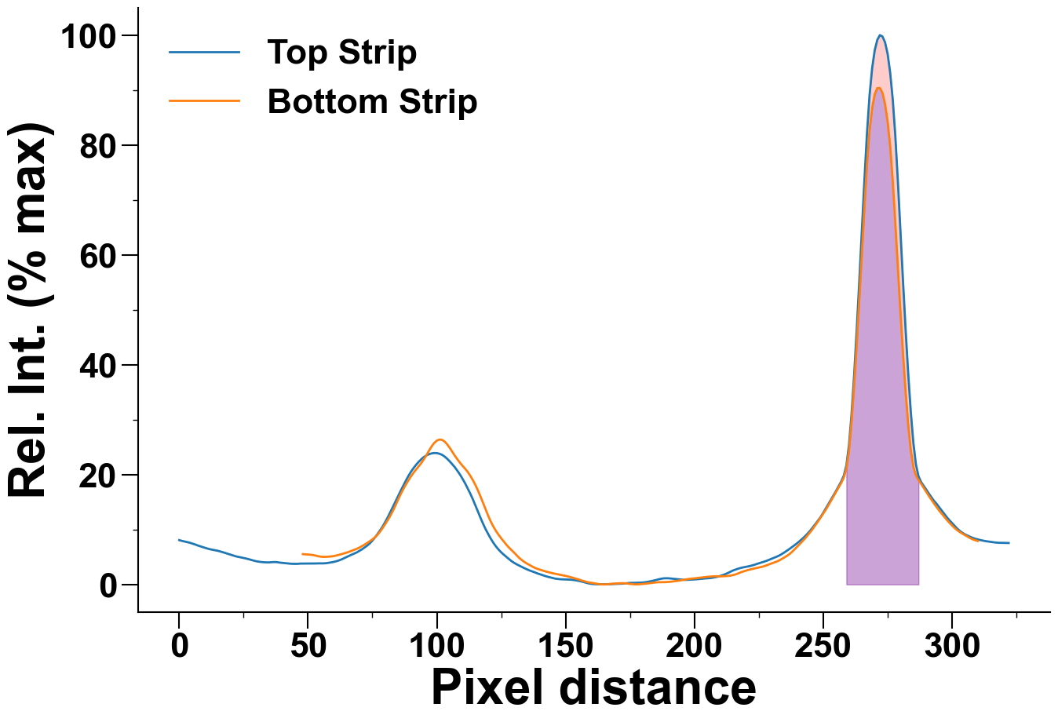
6 | 67.868421053 | 6 | 63.777777778 | 6 | 7.31 | 54 | 5.13
7 | 67.736842105 | 7 | 63.611111111 | 7 | 7.13 | 55 | 5.06
8 | 67.631578947 | 8 | 63.388888889 | 8 | 6.97 | 56 | 5.02
9 | 67.565789474 | 9 | 63.055555556 | 9 | 6.82 | 57 | 5.03
10 | 67.394736842 | 10 | 62.888888889 | 10 | 6.67 | 58 | 5.06
11 | 67.105263158 | 11 | 63.069444444 | 11 | 6.53 | 59 | 5.1
12 | 66.723684211 | 12 | 62.972222222 | 12 | 6.41 | 60 | 5.17
13 | 66.355263158 | 13 | 62.611111111 | 13 | 6.31 | 61 | 5.27
14 | 66.026315789 | 14 | 62.472222222 | 14 | 6.22 | 62 | 5.39
15 | 65.75 | 15 | 62.708333333 | 15 | 6.13 | 63 | 5.52
16 | 65.75 | 16 | 62.958333333 | 16 | 6 | 64 | 5.66
17 | 65.75 | 17 | 63.166666667 | 17 | 5.86 | 65 | 5.8
18 | 65.644736842 | 18 | 63.305555556 | 18 | 5.71 | 66 | 5.96
19 | 65.539473684 | 19 | 63.527777778 | 19 | 5.56 | 67 | 6.14
20 | 65.368421053 | 20 | 63.722222222 | 20 | 5.4 | 68 | 6.31
21 | 65.197368421 | 21 | 63.777777778 | 21 | 5.25 | 69 | 6.5
22 | 64.934210526 | 22 | 63.916666667 | 22 | 5.12 | 70 | 6.73
23 | 64.710526316 | 23 | 64.194444444 | 23 | 5.02 | 71 | 6.99
24 | 64.276315789 | 24 | 64.625 | 24 | 4.93 | 72 | 7.27
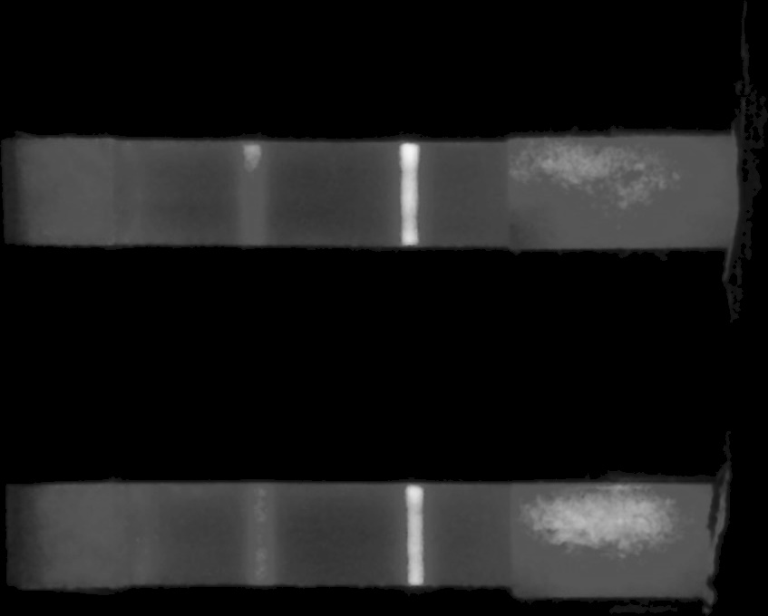
25 | 64.131578947 | 25 | 64.763888889 | 25 | 4.83 | 73 | 7.57
26 | 63.894736842 | 26 | 65.138888889 | 26 | 4.72 | 74 | 7.88
27 | 63.75 | 27 | 65.569444444 | 27 | 4.6 | 75 | 8.21
28 | 63.513157895 | 28 | 65.736111111 | 28 | 4.46 | 76 | 8.59
29 | 63.434210526 | 29 | 66.041666667 | 29 | 4.33 | 77 | 9.06
30 | 63.434210526 | 30 | 66.569444444 | 30 | 4.22 | 78 | 9.64
31 | 63.5 | 31 | 67.222222222 | 31 | 4.14 | 79 | 10.3
32 | 63.25 | 32 | 67.875 | 32 | 4.08 | 80 | 11.01
33 | 62.986842105 | 33 | 68.208333333 | 33 | 4.04 | 81 | 11.76
34 | 62.671052632 | 34 | 68.791666667 | 34 | 4.02 | 82 | 12.55
35 | 62.328947368 | 35 | 69.375 | 35 | 4.02 | 83 | 13.44
36 | 61.921052632 | 36 | 70.138888889 | 36 | 4.06 | 84 | 14.43
37 | 61.828947368 | 37 | 71.486111111 | 37 | 4.08 | 85 | 15.48
38 | 62.184210526 | 38 | 73.347222222 | 38 | 4.06 | 86 | 16.47
39 | 62.592105263 | 39 | 74.916666667 | 39 | 3.98 | 87 | 17.37
40 | 62.578947368 | 40 | 76.125 | 40 | 3.93 | 88 | 18.2
41 | 62.526315789 | 41 | 76.875 | 41 | 3.87 | 89 | 18.97
42 | 62.394736842 | 42 | 78.013888889 | 42 | 3.83 | 90 | 19.69
43 | 62.342105263 | 43 | 79.638888889 | 43 | 3.79 | 91 | 20.36
44 | 62.342105263 | 44 | 81.666666667 | 44 | 3.76 | 92 | 20.96
45 | 62.144736842 | 45 | 83.666666667 | 45 | 3.75 | 93 | 21.52
46 | 61.934210526 | 46 | 84.902777778 | 46 | 3.76 | 94 | 22.12
47 | 61.644736842 | 47 | 85.305555556 | 47 | 3.8 | 95 | 22.81
48 | 61.960526316 | 48 | 85.833333333 | 48 | 3.81 | 96 | 23.56
49 | 61.881578947 | 49 | 85.805555556 | 49 | 3.81 | 97 | 24.38
50 | 61.921052632 | 50 | 86.361111111 | 50 | 3.81 | 98 | 25.14
51 | 61.894736842 | 51 | 87.402777778 | 51 | 3.81 | 99 | 25.76
52 | 61.960526316 | 52 | 88.611111111 | 52 | 3.82 | 100 | 26.18
53 | 62.065789474 | 53 | 90.152777778 | 53 | 3.82 | 101 | 26.38
54 | 62.026315789 | 54 | 91.875 | 54 | 3.84 | 102 | 26.32
55 | 62.118421053 | 55 | 93.333333333 | 55 | 3.84 | 103 | 26.03
56 | 62.039473684 | 56 | 94.638888889 | 56 | 3.84 | 104 | 25.52
57 | 61.960526316 | 57 | 95.25 | 57 | 3.87 | 105 | 24.88
58 | 61.842105263 | 58 | 95.25 | 58 | 3.94 | 106 | 24.15
59 | 61.907894737 | 59 | 94.541666667 | 59 | 4.02 | 107 | 23.43
60 | 62.078947368 | 60 | 93.555555556 | 60 | 4.11 | 108 | 22.78
61 | 62.105263158 | 61 | 92.472222222 | 61 | 4.23 | 109 | 22.16
62 | 62.184210526 | 62 | 91.166666667 | 62 | 4.38 | 110 | 21.59
63 | 62.171052632 | 63 | 89.916666667 | 63 | 4.56 | 111 | 21.06
64 | 62.065789474 | 64 | 88.708333333 | 64 | 4.78 | 112 | 20.48
65 | 62.276315789 | 65 | 87.833333333 | 65 | 5 | 113 | 19.78
66 | 62.631578947 | 66 | 86.777777778 | 66 | 5.23 | 114 | 18.99
67 | 62.868421053 | 67 | 86.208333333 | 67 | 5.44 | 115 | 18.09
68 | 63.118421053 | 68 | 85.930555556 | 68 | 5.64 | 116 | 17.08
69 | 63.447368421 | 69 | 85.375 | 69 | 5.86 | 117 | 15.97
70 | 63.934210526 | 70 | 84.513888889 | 70 | 6.13 | 118 | 14.78
71 | 64.342105263 | 71 | 83.763888889 | 71 | 6.41 | 119 | 13.59
72 | 64.539473684 | 72 | 81.888888889 | 72 | 6.75 | 120 | 12.44
73 | 64.881578947 | 73 | 79.777777778 | 73 | 7.09 | 121 | 11.4
74 | 65.263157895 | 74 | 77.541666667 | 74 | 7.49 | 122 | 10.5
75 | 65.342105263 | 75 | 75.847222222 | 75 | 7.99 | 123 | 9.72
76 | 65.460526316 | 76 | 74.166666667 | 76 | 8.56 | 124 | 9.03
77 | 66.039473684 | 77 | 72.402777778 | 77 | 9.19 | 125 | 8.4
78 | 66.960526316 | 78 | 70.791666667 | 78 | 9.86 | 126 | 7.81
79 | 67.684210526 | 79 | 69.930555556 | 79 | 10.58 | 127 | 7.24
80 | 68.434210526 | 80 | 68.527777778 | 80 | 11.39 | 128 | 6.72
81 | 68.881578947 | 81 | 67.680555556 | 81 | 12.27 | 129 | 6.26
82 | 69.907894737 | 82 | 67.069444444 | 82 | 13.21 | 130 | 5.8
83 | 71.078947368 | 83 | 66.763888889 | 83 | 14.17 | 131 | 5.31
84 | 72.157894737 | 84 | 66.166666667 | 84 | 15.15 | 132 | 4.83
85 | 73.289473684 | 85 | 65.027777778 | 85 | 16.13 | 133 | 4.44
86 | 74.736842105 | 86 | 63.986111111 | 86 | 17.08 | 134 | 4.1
87 | 76.039473684 | 87 | 63.319444444 | 87 | 18.01 | 135 | 3.8
88 | 77.842105263 | 88 | 62.486111111 | 88 | 18.91 | 136 | 3.55
89 | 79.184210526 | 89 | 62.347222222 | 89 | 19.77 | 137 | 3.28
90 | 80.776315789 | 90 | 61.763888889 | 90 | 20.54 | 138 | 3.04
91 | 82.289473684 | 91 | 61.041666667 | 91 | 21.21 | 139 | 2.85
92 | 83.552631579 | 92 | 60.597222222 | 92 | 21.81 | 140 | 2.7
93 | 84.618421053 | 93 | 60.416666667 | 93 | 22.34 | 141 | 2.55
94 | 85.75 | 94 | 60.111111111 | 94 | 22.81 | 142 | 2.4
95 | 86.855263158 | 95 | 59.833333333 | 95 | 23.21 | 143 | 2.28
96 | 88.302631579 | 96 | 59.527777778 | 96 | 23.5 | 144 | 2.15
97 | 89.197368421 | 97 | 59.236111111 | 97 | 23.72 | 145 | 2.04
98 | 89.684210526 | 98 | 58.972222222 | 98 | 23.86 | 146 | 1.94
99 | 90.092105263 | 99 | 58.888888889 | 99 | 23.93 | 147 | 1.84
100 | 90.552631579 | 100 | 58.805555556 | 100 | 23.91 | 148 | 1.75
101 | 90.789473684 | 101 | 58.694444444 | 101 | 23.8 | 149 | 1.66
102 | 91.144736842 | 102 | 58.402777778 | 102 | 23.61 | 150 | 1.56
103 | 91.5 | 103 | 58.347222222 | 103 | 23.3 | 151 | 1.45
104 | 91.723684211 | 104 | 58.027777778 | 104 | 22.89 | 152 | 1.33
105 | 91.75 | 105 | 57.944444444 | 105 | 22.41 | 153 | 1.2
106 | 91.289473684 | 106 | 57.902777778 | 106 | 21.89 | 154 | 1.06
107 | 90.894736842 | 107 | 57.722222222 | 107 | 21.33 | 155 | 0.92
108 | 90.342105263 | 108 | 57.763888889 | 108 | 20.69 | 156 | 0.76
109 | 89.565789474 | 109 | 57.569444444 | 109 | 20 | 157 | 0.62
110 | 88.842105263 | 110 | 57.319444444 | 110 | 19.23 | 158 | 0.49
111 | 87.907894737 | 111 | 57.055555556 | 111 | 18.4 | 159 | 0.38
112 | 86.973684211 | 112 | 56.597222222 | 112 | 17.48 | 160 | 0.31
113 | 86.223684211 | 113 | 56.486111111 | 113 | 16.53 | 161 | 0.22
114 | 85.25 | 114 | 56.25 | 114 | 15.49 | 162 | 0.14
115 | 84.315789474 | 115 | 56.097222222 | 115 | 14.37 | 163 | 0.06
116 | 82.934210526 | 116 | 55.916666667 | 116 | 13.23 | 164 | 0.02
117 | 81.592105263 | 117 | 55.902777778 | 117 | 12.08 | 165 | 0
118 | 79.828947368 | 118 | 55.833333333 | 118 | 11.01 | 166 | 0.02
119 | 78.342105263 | 119 | 55.777777778 | 119 | 10.01 | 167 | 0.08
120 | 76.289473684 | 120 | 55.75 | 120 | 9.13 | 168 | 0.12
121 | 75.092105263 | 121 | 55.430555556 | 121 | 8.3 | 169 | 0.16
122 | 73.197368421 | 122 | 55.305555556 | 122 | 7.55 | 170 | 0.19
123 | 71.302631579 | 123 | 55.263888889 | 123 | 6.9 | 171 | 0.21
124 | 69.671052632 | 124 | 55.402777778 | 124 | 6.34 | 172 | 0.23
125 | 68.328947368 | 125 | 55.666666667 | 125 | 5.85 | 173 | 0.22
126 | 67.407894737 | 126 | 56.111111111 | 126 | 5.42 | 174 | 0.17
127 | 66.697368421 | 127 | 56.430555556 | 127 | 5.02 | 175 | 0.09
128 | 66.013157895 | 128 | 56.166666667 | 128 | 4.63 | 176 | 0.05
129 | 65.486842105 | 129 | 55.958333333 | 129 | 4.25 | 177 | 0.02
130 | 64.526315789 | 130 | 55.638888889 | 130 | 3.94 | 178 | 0.02
131 | 63.723684211 | 131 | 55.541666667 | 131 | 3.67 | 179 | 0.06
132 | 63.105263158 | 132 | 55.583333333 | 132 | 3.43 | 180 | 0.11
133 | 62.723684211 | 133 | 55.583333333 | 133 | 3.19 | 181 | 0.14
134 | 62.394736842 | 134 | 55.555555556 | 134 | 2.96 | 182 | 0.2
135 | 61.973684211 | 135 | 55.5 | 135 | 2.75 | 183 | 0.27
136 | 61.513157895 | 136 | 55.708333333 | 136 | 2.55 | 184 | 0.32
137 | 61.118421053 | 137 | 55.569444444 | 137 | 2.38 | 185 | 0.37
138 | 60.842105263 | 138 | 55.625 | 138 | 2.21 | 186 | 0.41
139 | 60.631578947 | 139 | 56 | 139 | 2.02 | 187 | 0.42
140 | 60.276315789 | 140 | 56.125 | 140 | 1.86 | 188 | 0.42
141 | 60 | 141 | 56.027777778 | 141 | 1.7 | 189 | 0.43
142 | 59.736842105 | 142 | 56.180555556 | 142 | 1.55 | 190 | 0.47
143 | 59.447368421 | 143 | 56.277777778 | 143 | 1.41 | 191 | 0.51
144 | 59.223684211 | 144 | 56.319444444 | 144 | 1.29 | 192 | 0.57
145 | 59.118421053 | 145 | 56.166666667 | 145 | 1.17 | 193 | 0.63
146 | 58.855263158 | 146 | 56.125 | 146 | 1.06 | 194 | 0.7
147 | 58.539473684 | 147 | 56.055555556 | 147 | 1 | 195 | 0.78
148 | 58.315789474 | 148 | 56.125 | 148 | 0.95 | 196 | 0.86
149 | 58.184210526 | 149 | 56.208333333 | 149 | 0.93 | 197 | 0.95
150 | 57.960526316 | 150 | 56.555555556 | 150 | 0.92 | 198 | 1.02
151 | 57.842105263 | 151 | 56.847222222 | 151 | 0.9 | 199 | 1.06
152 | 57.815789474 | 152 | 56.930555556 | 152 | 0.87 | 200 | 1.11
153 | 57.75 | 153 | 56.958333333 | 153 | 0.82 | 201 | 1.16
154 | 57.618421053 | 154 | 56.888888889 | 154 | 0.75 | 202 | 1.22
155 | 57.75 | 155 | 56.958333333 | 155 | 0.66 | 203 | 1.28
156 | 57.802631579 | 156 | 57.041666667 | 156 | 0.56 | 204 | 1.35
157 | 57.921052632 | 157 | 57.333333333 | 157 | 0.44 | 205 | 1.39
158 | 57.828947368 | 158 | 57.319444444 | 158 | 0.31 | 206 | 1.43
159 | 57.671052632 | 159 | 57.291666667 | 159 | 0.19 | 207 | 1.47
160 | 57.460526316 | 160 | 57.527777778 | 160 | 0.11 | 208 | 1.49
161 | 57.131578947 | 161 | 57.5 | 161 | 0.06 | 209 | 1.49
162 | 56.802631579 | 162 | 57.652777778 | 162 | 0.04 | 210 | 1.47
163 | 56.723684211 | 163 | 57.666666667 | 163 | 0.04 | 211 | 1.49
164 | 56.631578947 | 164 | 57.791666667 | 164 | 0.03 | 212 | 1.52
165 | 56.513157895 | 165 | 57.819444444 | 165 | 0.02 | 213 | 1.55
166 | 56.328947368 | 166 | 57.777777778 | 166 | 0.03 | 214 | 1.61
167 | 56.328947368 | 167 | 57.819444444 | 167 | 0.05 | 215 | 1.71
168 | 56.473684211 | 168 | 57.708333333 | 168 | 0.07 | 216 | 1.84
169 | 56.565789474 | 169 | 57.527777778 | 169 | 0.08 | 217 | 2.01
170 | 56.618421053 | 170 | 57.444444444 | 170 | 0.1 | 218 | 2.21
171 | 56.631578947 | 171 | 57.902777778 | 171 | 0.12 | 219 | 2.37
172 | 56.565789474 | 172 | 58.055555556 | 172 | 0.15 | 220 | 2.51
173 | 56.421052632 | 173 | 58.208333333 | 173 | 0.19 | 221 | 2.65
174 | 56.460526316 | 174 | 58.513888889 | 174 | 0.24 | 222 | 2.77
175 | 56.486842105 | 175 | 58.888888889 | 175 | 0.28 | 223 | 2.88
176 | 56.710526316 | 176 | 59.236111111 | 176 | 0.29 | 224 | 2.99
177 | 56.763157895 | 177 | 59.486111111 | 177 | 0.31 | 225 | 3.09
178 | 56.815789474 | 178 | 59.777777778 | 178 | 0.31 | 226 | 3.19
179 | 56.855263158 | 179 | 59.763888889 | 179 | 0.33 | 227 | 3.32
180 | 56.868421053 | 180 | 59.763888889 | 180 | 0.36 | 228 | 3.48
181 | 56.947368421 | 181 | 59.791666667 | 181 | 0.41 | 229 | 3.66
182 | 56.973684211 | 182 | 59.930555556 | 182 | 0.49 | 230 | 3.84
183 | 56.947368421 | 183 | 60.083333333 | 183 | 0.58 | 231 | 4
184 | 56.907894737 | 184 | 60.527777778 | 184 | 0.69 | 232 | 4.18
185 | 56.907894737 | 185 | 60.708333333 | 185 | 0.8 | 233 | 4.4
186 | 56.881578947 | 186 | 60.944444444 | 186 | 0.93 | 234 | 4.67
187 | 57.039473684 | 187 | 61.305555556 | 187 | 1.03 | 235 | 4.94
188 | 57.236842105 | 188 | 61.569444444 | 188 | 1.11 | 236 | 5.23
189 | 57.592105263 | 189 | 61.861111111 | 189 | 1.13 | 237 | 5.57
190 | 57.828947368 | 190 | 62.013888889 | 190 | 1.12 | 238 | 5.98
191 | 58.026315789 | 191 | 62 | 191 | 1.08 | 239 | 6.44
192 | 58.157894737 | 192 | 62.597222222 | 192 | 1.03 | 240 | 6.92
193 | 58.210526316 | 193 | 63.305555556 | 193 | 0.98 | 241 | 7.4
194 | 58.368421053 | 194 | 63.972222222 | 194 | 0.92 | 242 | 7.9
195 | 58.25 | 195 | 64.527777778 | 195 | 0.87 | 243 | 8.41
196 | 58.078947368 | 196 | 64.958333333 | 196 | 0.84 | 244 | 8.97
197 | 57.881578947 | 197 | 65.805555556 | 197 | 0.84 | 245 | 9.54
198 | 57.671052632 | 198 | 66.708333333 | 198 | 0.86 | 246 | 10.15
199 | 57.644736842 | 199 | 67.375 | 199 | 0.88 | 247 | 10.81
200 | 57.592105263 | 200 | 68.194444444 | 200 | 0.91 | 248 | 11.49
201 | 57.618421053 | 201 | 68.888888889 | 201 | 0.95 | 249 | 12.2
202 | 57.657894737 | 202 | 69.708333333 | 202 | 0.99 | 250 | 12.89
203 | 57.631578947 | 203 | 70.472222222 | 203 | 1.04 | 251 | 13.62
204 | 57.736842105 | 204 | 71.444444444 | 204 | 1.09 | 252 | 14.4
205 | 57.868421053 | 205 | 72.513888889 | 205 | 1.12 | 253 | 15.23
206 | 57.907894737 | 206 | 73.722222222 | 206 | 1.16 | 254 | 16.06
207 | 57.842105263 | 207 | 75.083333333 | 207 | 1.22 | 255 | 16.86
208 | 57.960526316 | 208 | 76.097222222 | 208 | 1.31 | 256 | 17.66
209 | 58.078947368 | 209 | 77.138888889 | 209 | 1.41 | 257 | 18.48
210 | 58.171052632 | 210 | 77.694444444 | 210 | 1.55 | 258 | 19.46
211 | 58.223684211 | 211 | 78.972222222 | 211 | 1.7 | 259 | 21.09
212 | 58.263157895 | 212 | 80.444444444 | 212 | 1.88 | 260 | 24.37
213 | 58.289473684 | 213 | 82.236111111 | 213 | 2.09 | 261 | 29.7
214 | 58.355263158 | 214 | 83.277777778 | 214 | 2.32 | 262 | 36.24
215 | 58.5 | 215 | 84.402777778 | 215 | 2.55 | 263 | 43.68
216 | 58.986842105 | 216 | 85.402777778 | 216 | 2.72 | 264 | 51.81
217 | 59.315789474 | 217 | 86.694444444 | 217 | 2.88 | 265 | 60.17
218 | 59.736842105 | 218 | 89.041666667 | 218 | 3.01 | 266 | 68.72
219 | 60.013157895 | 219 | 97.902777778 | 219 | 3.12 | 267 | 76.64
220 | 60.368421053 | 220 | 118.61111111 | 220 | 3.21 | 268 | 82.77
221 | 60.723684211 | 221 | 144.13888889 | 221 | 3.3 | 269 | 86.76
222 | 61.013157895 | 222 | 159.18055556 | 222 | 3.41 | 270 | 89.25
223 | 61.118421053 | 223 | 170.94444444 | 223 | 3.54 | 271 | 90.34
224 | 61.013157895 | 224 | 179.75 | 224 | 3.7 | 272 | 90.37
225 | 61.131578947 | 225 | 183.81944444 | 225 | 3.85 | 273 | 89.48
226 | 61.223684211 | 226 | 188.34722222 | 226 | 3.99 | 274 | 87.41
227 | 61.302631579 | 227 | 189.93055556 | 227 | 4.14 | 275 | 84.25
228 | 61.447368421 | 228 | 189.90277778 | 228 | 4.3 | 276 | 79.69
229 | 61.789473684 | 229 | 190.43055556 | 229 | 4.49 | 277 | 73.35
230 | 62.315789474 | 230 | 188.16666667 | 230 | 4.67 | 278 | 65.67
231 | 62.618421053 | 231 | 183.52777778 | 231 | 4.86 | 279 | 57.52
232 | 62.789473684 | 232 | 180.13888889 | 232 | 5.07 | 280 | 49.4
233 | 62.894736842 | 233 | 173.44444444 | 233 | 5.29 | 281 | 41.83
234 | 62.855263158 | 234 | 164.36111111 | 234 | 5.56 | 282 | 34.99
235 | 63.039473684 | 235 | 153.18055556 | 235 | 5.86 | 283 | 29.04
236 | 63.328947368 | 236 | 136.90277778 | 236 | 6.18 | 284 | 24.41
237 | 63.934210526 | 237 | 116.80555556 | 237 | 6.5 | 285 | 21.41
238 | 64.447368421 | 238 | 98.902777778 | 238 | 6.84 | 286 | 19.83
239 | 64.802631579 | 239 | 88.861111111 | 239 | 7.19 | 287 | 19.01
240 | 65.223684211 | 240 | 85.902777778 | 240 | 7.55 | 288 | 18.32
241 | 65.526315789 | 241 | 85.472222222 | 241 | 7.95 | 289 | 17.6
242 | 65.986842105 | 242 | 84.902777778 | 242 | 8.36 | 290 | 16.85
243 | 66.460526316 | 243 | 84.055555556 | 243 | 8.8 | 291 | 16.12
244 | 67.065789474 | 244 | 83.069444444 | 244 | 9.29 | 292 | 15.43
245 | 67.723684211 | 245 | 81.972222222 | 245 | 9.82 | 293 | 14.75
246 | 68.302631579 | 246 | 80.583333333 | 246 | 10.41 | 294 | 14.09
247 | 68.855263158 | 247 | 79.291666667 | 247 | 11.02 | 295 | 13.46
248 | 69.5 | 248 | 77.916666667 | 248 | 11.64 | 296 | 12.88
249 | 70.131578947 | 249 | 77.125 | 249 | 12.29 | 297 | 12.29
250 | 70.75 | 250 | 76.180555556 | 250 | 13.04 | 298 | 11.74
251 | 71.578947368 | 251 | 75.611111111 | 251 | 13.84 | 299 | 11.23
252 | 72.710526316 | 252 | 75.027777778 | 252 | 14.64 | 300 | 10.74
253 | 73.934210526 | 253 | 74.083333333 | 253 | 15.45 | 301 | 10.28
254 | 75.092105263 | 254 | 72.861111111 | 254 | 16.23 | 302 | 9.89
255 | 75.973684211 | 255 | 71.986111111 | 255 | 17.03 | 303 | 9.55
256 | 76.75 | 256 | 71.152777778 | 256 | 17.88 | 304 | 9.26
257 | 77.657894737 | 257 | 70.277777778 | 257 | 18.75 | 305 | 8.99
258 | 79.421052632 | 258 | 69.819444444 | 258 | 19.81 | 306 | 8.73
259 | 80.855263158 | 259 | 69.694444444 | 259 | 21.69 | 307 | 8.45
260 | 82.092105263 | 260 | 69.277777778 | 260 | 25.37 | 308 | 8.22
261 | 83.276315789 | 261 | 68.736111111 | 261 | 31 | 309 | 8.05
262 | 84.236842105 | 262 | 68.388888889 | 262 | 38.1 | 310 | 7.92
263 | 85.25 | 263 | 68.055555556 | 263 | 46.36
264 | 86.565789474 | 264 | 67.763888889 | 264 | 55.14
265 | 87.789473684 | 265 | 67.180555556 | 265 | 64.38
266 | 91.776315789 | 266 | 66.694444444 | 266 | 73.66
267 | 102.61842105 | 267 | 66.527777778 | 267 | 82.22
268 | 124.82894737 | 268 | 66.583333333 | 268 | 89.1
269 | 148.68421053 | 269 | 66.763888889 | 269 | 94.01
270 | 166.77631579 | 270 | 66.861111111 | 270 | 97.26
271 | 181.15789474 | 271 | 66.763888889 | 271 | 99.14
272 | 188.60526316 |  |  | 272 | 100
273 | 195.14473684 |  |  | 273 | 99.76
274 | 199.56578947 |  |  | 274 | 98.7
275 | 202.01315789 |  |  | 275 | 96.61
276 | 204.76315789 |  |  | 276 | 93.14
277 | 205.76315789 |  |  | 277 | 88.26
278 | 204.55263158 |  |  | 278 | 81.6
279 | 202.93421053 |  |  | 279 | 73.27
280 | 198.63157895 |  |  | 280 | 64.11
281 | 192.38157895 |  |  | 281 | 55.02
282 | 187.18421053 |  |  | 282 | 46.3
283 | 177.73684211 |  |  | 283 | 38.34
284 | 164.44736842 |  |  | 284 | 31.42
285 | 149.10526316 |  |  | 285 | 25.77
286 | 127.17105263 |  |  | 286 | 21.84
287 | 106.17105263 |  |  | 287 | 19.69
288 | 92.276315789 |  |  | 288 | 18.65
289 | 86.763157895 |  |  | 289 | 17.97
290 | 85.881578947 |  |  | 290 | 17.27
291 | 85.276315789 |  |  | 291 | 16.55
292 | 84.013157895 |  |  | 292 | 15.88
293 | 83.5 |  |  | 293 | 15.22
294 | 81.513157895 |  |  | 294 | 14.69
295 | 81.131578947 |  |  | 295 | 14.07
296 | 80.236842105 |  |  | 296 | 13.43
297 | 78.868421053 |  |  | 297 | 12.82
298 | 77.75 |  |  | 298 | 12.23
299 | 76.921052632 |  |  | 299 | 11.69
300 | 76.223684211 |  |  | 300 | 11.19
301 | 75.894736842 |  |  | 301 | 10.69
302 | 75.25 |  |  | 302 | 10.18
303 | 74.026315789 |  |  | 303 | 9.76
304 | 72.697368421 |  |  | 304 | 9.41
305 | 71.815789474 |  |  | 305 | 9.13
306 | 70.921052632 |  |  | 306 | 8.9
307 | 70.644736842 |  |  | 307 | 8.68
308 | 70.460526316 |  |  | 308 | 8.49
309 | 70 |  |  | 309 | 8.33
310 | 69.407894737 |  |  | 310 | 8.2
311 | 69.092105263 |  |  | 311 | 8.08
312 | 68.697368421 |  |  | 312 | 7.98
313 | 68.526315789 |  |  | 313 | 7.89
314 | 68.210526316 |  |  | 314 | 7.82
315 | 68.131578947 |  |  | 315 | 7.75
316 | 68.197368421 |  |  | 316 | 7.69
317 | 68.144736842 |  |  | 317 | 7.63
318 | 67.907894737 |  |  | 318 | 7.59
319 | 67.710526316 |  |  | 319 | 7.58
320 | 67.578947368 |  |  | 320 | 7.56
321 | 67.460526316 |  |  | 321 | 7.55
322 | 67.328947368 |  |  | 322 | 7.55
323 | 67.381578947
324 | 67.460526316
325 | 67.473684211
326 | 67.5
327 | 67.5
328 | 67.355263158
329 | 67.355263158
330 | 67.368421053
331 | 67.328947368

