Sheet1
Top Strip X-values (initial) | Top Strip Y-values (initial) | Bottom Strip X-values (initial) | Bottom Strip Y-Values (initial) | Top Strip X-values (adjusted) | Top Strip Y-values (adjusted) | Bottom Strip X-values (adjusted) | Bottom Strip Y-Values (adjusted) | Area of control (right) peak - Top Strip | Area of control (right) peak - Bottom Strip | Area of test (left) peak - Top Strip | Area of test (left) peak - Bottom Strip
0 | 67.476923077 | 0 | 65.607142857 | 10 | 8.23 | 8 | 9.09 | 92.76 | 179.9 | 1376.933 | 1572.9874667
1 | 67.230769231 | 1 | 65.821428571 | 11 | 7.99 | 9 | 8.96 | Max of control (right) peak - Top Strip | Max of control (right) peak - Bottom Strip | Max of test (left) peak - Top Strip | Max of test (left) peak - Bottom Strip
2 | 66.923076923 | 2 | 65.839285714 | 12 | 7.76 | 10 | 8.83 | 48.92 | 90.71 | 29.32 | 34.33
3 | 66.507692308 | 3 | 65.392857143 | 13 | 7.54 | 11 | 8.71 | Left bound of control (right) peak | Right bound of control (right) peak | Left bound of test (left) peak | Right bound of test (left) peak
4 | 66.015384615 | 4 | 65.071428571 | 14 | 7.35 | 12 | 8.61 | 249 | 251 | 49 | 150
5 | 65.630769231 | 5 | 64.875 | 15 | 7.18 | 13 | 8.52
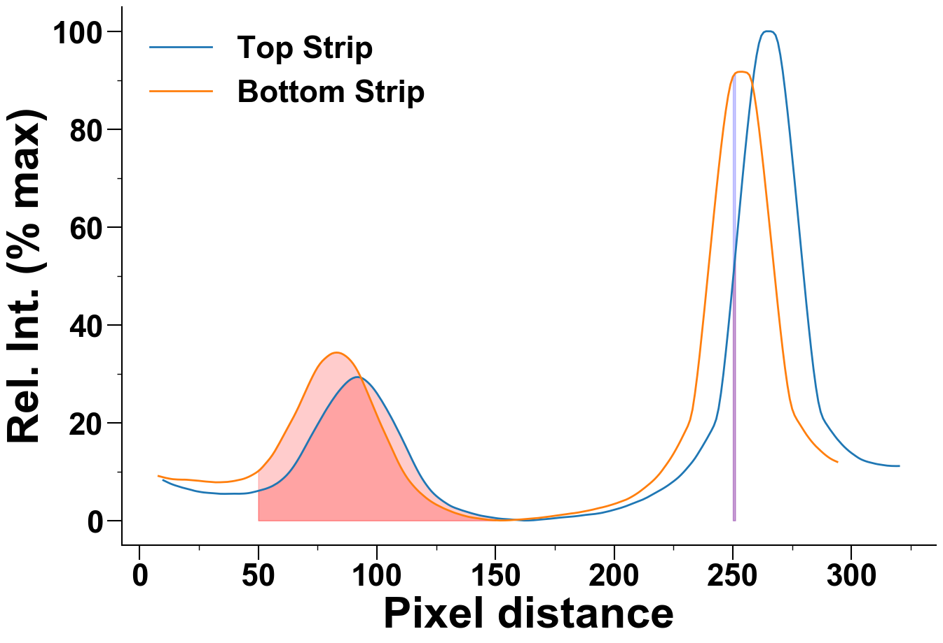
6 | 65.384615385 | 6 | 64.303571429 | 16 | 7.03 | 14 | 8.45
7 | 65.307692308 | 7 | 63.892857143 | 17 | 6.88 | 15 | 8.41
8 | 65.230769231 | 8 | 63.714285714 | 18 | 6.73 | 16 | 8.38
9 | 64.892307692 | 9 | 63.625 | 19 | 6.6 | 17 | 8.36
10 | 64.769230769 | 10 | 63.25 | 20 | 6.48 | 18 | 8.35
11 | 64.707692308 | 11 | 63.232142857 | 21 | 6.36 | 19 | 8.35
12 | 64.646153846 | 12 | 63.321428571 | 22 | 6.23 | 20 | 8.33
13 | 64.338461538 | 13 | 63.535714286 | 23 | 6.09 | 21 | 8.29
14 | 63.984615385 | 14 | 63.428571429 | 24 | 5.98 | 22 | 8.25
15 | 63.676923077 | 15 | 63.196428571 | 25 | 5.89 | 23 | 8.2
16 | 63.369230769 | 16 | 63.142857143 | 26 | 5.81 | 24 | 8.16
17 | 63 | 17 | 63.107142857 | 27 | 5.74 | 25 | 8.12
18 | 62.830769231 | 18 | 63.017857143 | 28 | 5.69 | 26 | 8.06
19 | 62.6 | 19 | 62.892857143 | 29 | 5.65 | 27 | 8.01
20 | 62.584615385 | 20 | 62.785714286 | 30 | 5.62 | 28 | 7.96
21 | 62.569230769 | 21 | 62.964285714 | 31 | 5.58 | 29 | 7.93
22 | 62.415384615 | 22 | 63.267857143 | 32 | 5.54 | 30 | 7.89
23 | 62.353846154 | 23 | 63.375 | 33 | 5.49 | 31 | 7.85
24 | 62.046153846 | 24 | 63.464285714 | 34 | 5.46 | 32 | 7.81
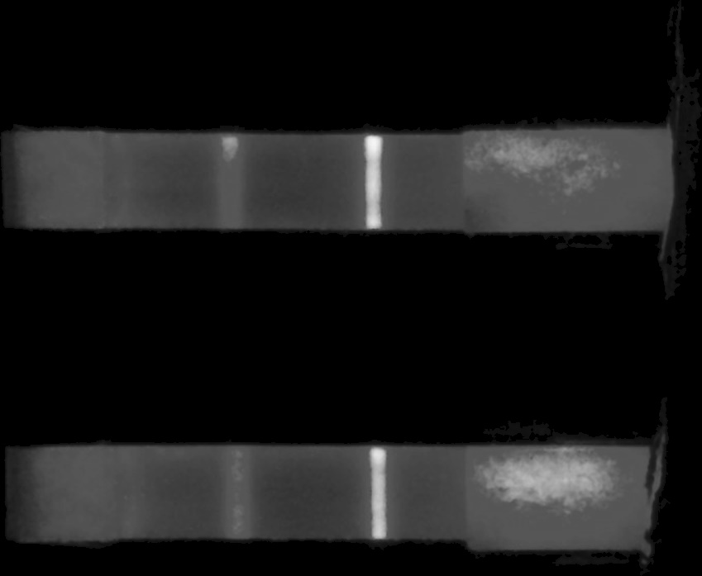
25 | 61.661538462 | 25 | 63 | 35 | 5.45 | 33 | 7.81
26 | 61.261538462 | 26 | 62.571428571 | 36 | 5.45 | 34 | 7.82
27 | 61.061538462 | 27 | 62.446428571 | 37 | 5.46 | 35 | 7.84
28 | 61.046153846 | 28 | 62.571428571 | 38 | 5.47 | 36 | 7.86
29 | 61.215384615 | 29 | 62.464285714 | 39 | 5.48 | 37 | 7.89
30 | 61.430769231 | 30 | 62.571428571 | 40 | 5.48 | 38 | 7.95
31 | 61.569230769 | 31 | 62.642857143 | 41 | 5.47 | 39 | 8.02
32 | 61.661538462 | 32 | 62.767857143 | 42 | 5.47 | 40 | 8.1
33 | 61.553846154 | 33 | 62.964285714 | 43 | 5.49 | 41 | 8.2
34 | 61.676923077 | 34 | 63.125 | 44 | 5.51 | 42 | 8.3
35 | 61.784615385 | 35 | 63.214285714 | 45 | 5.55 | 43 | 8.41
36 | 61.615384615 | 36 | 63.053571429 | 46 | 5.61 | 44 | 8.55
37 | 61.276923077 | 37 | 62.875 | 47 | 5.7 | 45 | 8.73
38 | 61.076923077 | 38 | 62.607142857 | 48 | 5.81 | 46 | 8.94
39 | 61.123076923 | 39 | 62.321428571 | 49 | 5.93 | 47 | 9.18
40 | 61.4 | 40 | 62.107142857 | 50 | 6.06 | 48 | 9.45
41 | 61.353846154 | 41 | 62.107142857 | 51 | 6.19 | 49 | 9.74
42 | 61.261538462 | 42 | 61.928571429 | 52 | 6.33 | 50 | 10.09
43 | 61.523076923 | 43 | 61.660714286 | 53 | 6.47 | 51 | 10.52
44 | 61.723076923 | 44 | 61.482142857 | 54 | 6.64 | 52 | 11.03
45 | 61.8 | 45 | 61.696428571 | 55 | 6.84 | 53 | 11.59
46 | 61.6 | 46 | 62.142857143 | 56 | 7.06 | 54 | 12.16
47 | 61.292307692 | 47 | 62.321428571 | 57 | 7.34 | 55 | 12.76
48 | 61.323076923 | 48 | 62.339285714 | 58 | 7.63 | 56 | 13.43
49 | 61.292307692 | 49 | 62.553571429 | 59 | 7.98 | 57 | 14.19
50 | 61.292307692 | 50 | 62.839285714 | 60 | 8.37 | 58 | 15.03
51 | 61.292307692 | 51 | 62.982142857 | 61 | 8.8 | 59 | 15.9
52 | 61.323076923 | 52 | 62.928571429 | 62 | 9.28 | 60 | 16.8
53 | 61.307692308 | 53 | 62.910714286 | 63 | 9.83 | 61 | 17.71
54 | 61.384615385 | 54 | 63.428571429 | 64 | 10.44 | 62 | 18.61
55 | 61.415384615 | 55 | 64.071428571 | 65 | 11.12 | 63 | 19.48
56 | 61.430769231 | 56 | 64.303571429 | 66 | 11.86 | 64 | 20.37
57 | 61.630769231 | 57 | 64.75 | 67 | 12.65 | 65 | 21.28
58 | 61.953846154 | 58 | 65.339285714 | 68 | 13.48 | 66 | 22.24
59 | 62.369230769 | 59 | 65.767857143 | 69 | 14.35 | 67 | 23.24
60 | 62.676923077 | 60 | 65.982142857 | 70 | 15.25 | 68 | 24.3
61 | 62.984615385 | 61 | 66.535714286 | 71 | 16.15 | 69 | 25.39
62 | 63.523076923 | 62 | 67.321428571 | 72 | 17.04 | 70 | 26.47
63 | 63.984615385 | 63 | 67.875 | 73 | 17.91 | 71 | 27.54
64 | 64.169230769 | 64 | 68.410714286 | 74 | 18.77 | 72 | 28.57
65 | 64.461538462 | 65 | 68.642857143 | 75 | 19.62 | 73 | 29.56
66 | 64.723076923 | 66 | 69.321428571 | 76 | 20.46 | 74 | 30.49
67 | 64.738461538 | 67 | 70.714285714 | 77 | 21.31 | 75 | 31.32
68 | 65.046153846 | 68 | 72.464285714 | 78 | 22.14 | 76 | 32.02
69 | 65.892307692 | 69 | 74.232142857 | 79 | 22.94 | 77 | 32.6
70 | 66.753846154 | 70 | 75.625 | 80 | 23.7 | 78 | 33.07
71 | 67.276923077 | 71 | 76.339285714 | 81 | 24.45 | 79 | 33.49
72 | 68.123076923 | 72 | 77.357142857 | 82 | 25.15 | 80 | 33.85
73 | 68.723076923 | 73 | 79.142857143 | 83 | 25.83 | 81 | 34.13
74 | 69.8 | 74 | 81.589285714 | 84 | 26.46 | 82 | 34.28
75 | 71.092307692 | 75 | 83.625 | 85 | 27.04 | 83 | 34.33
76 | 72.153846154 | 76 | 84.857142857 | 86 | 27.59 | 84 | 34.29
77 | 73.276923077 | 77 | 85.267857143 | 87 | 28.09 | 85 | 34.15
78 | 75.046153846 | 78 | 85.642857143 | 88 | 28.52 | 86 | 33.9
79 | 76.661538462 | 79 | 85.839285714 | 89 | 28.87 | 87 | 33.57
80 | 78.353846154 | 80 | 86.017857143 | 90 | 29.13 | 88 | 33.16
81 | 79.753846154 | 81 | 86.5 | 91 | 29.29 | 89 | 32.65
82 | 81.446153846 | 82 | 87.517857143 | 92 | 29.32 | 90 | 32.04
83 | 82.784615385 | 83 | 89.089285714 | 93 | 29.25 | 91 | 31.31
84 | 84.123076923 | 84 | 90.875 | 94 | 29.05 | 92 | 30.45
85 | 85.046153846 | 85 | 92.535714286 | 95 | 28.73 | 93 | 29.48
86 | 85.553846154 | 86 | 93.732142857 | 96 | 28.32 | 94 | 28.42
87 | 85.538461538 | 87 | 94.285714286 | 97 | 27.86 | 95 | 27.31
88 | 85.769230769 | 88 | 94.517857143 | 98 | 27.32 | 96 | 26.17
89 | 85.676923077 | 89 | 94.071428571 | 99 | 26.7 | 97 | 25.02
90 | 85.661538462 | 90 | 93.446428571 | 100 | 26.02 | 98 | 23.86
91 | 85.815384615 | 91 | 92.446428571 | 101 | 25.27 | 99 | 22.69
92 | 85.753846154 | 92 | 91.375 | 102 | 24.5 | 100 | 21.52
93 | 85.876923077 | 93 | 90.142857143 | 103 | 23.69 | 101 | 20.38
94 | 85.892307692 | 94 | 88.625 | 104 | 22.86 | 102 | 19.28
95 | 85.830769231 | 95 | 87.410714286 | 105 | 22 | 103 | 18.22
96 | 85.892307692 | 96 | 86.857142857 | 106 | 21.11 | 104 | 17.16
97 | 85.6 | 97 | 86.375 | 107 | 20.2 | 105 | 16.08
98 | 85.661538462 | 98 | 85.928571429 | 108 | 19.25 | 106 | 15.02
99 | 85.692307692 | 99 | 85.375 | 109 | 18.29 | 107 | 13.97
100 | 85.569230769 | 100 | 84.857142857 | 110 | 17.33 | 108 | 12.92
101 | 85.661538462 | 101 | 83.839285714 | 111 | 16.34 | 109 | 11.9
102 | 85.861538462 | 102 | 81.75 | 112 | 15.33 | 110 | 10.95
103 | 85.723076923 | 103 | 79.517857143 | 113 | 14.3 | 111 | 10.08
104 | 85.446153846 | 104 | 77.571428571 | 114 | 13.28 | 112 | 9.28
105 | 84.846153846 | 105 | 75.785714286 | 115 | 12.27 | 113 | 8.55
106 | 83.738461538 | 106 | 73.857142857 | 116 | 11.29 | 114 | 7.9
107 | 82.353846154 | 107 | 72.303571429 | 117 | 10.35 | 115 | 7.31
108 | 80.815384615 | 108 | 70.678571429 | 118 | 9.46 | 116 | 6.76
109 | 79.169230769 | 109 | 69.535714286 | 119 | 8.64 | 117 | 6.25
110 | 77.076923077 | 110 | 68.392857143 | 120 | 7.89 | 118 | 5.77
111 | 75.461538462 | 111 | 67.035714286 | 121 | 7.2 | 119 | 5.34
112 | 73.923076923 | 112 | 66.625 | 122 | 6.56 | 120 | 4.93
113 | 72.215384615 | 113 | 66.214285714 | 123 | 5.98 | 121 | 4.53
114 | 70.292307692 | 114 | 65.321428571 | 124 | 5.48 | 122 | 4.17
115 | 68.569230769 | 115 | 64.321428571 | 125 | 5.03 | 123 | 3.84
116 | 67.292307692 | 116 | 63.25 | 126 | 4.63 | 124 | 3.54
117 | 66.461538462 | 117 | 62.285714286 | 127 | 4.26 | 125 | 3.26
118 | 65.707692308 | 118 | 61.589285714 | 128 | 3.91 | 126 | 3.01
119 | 64.969230769 | 119 | 61.267857143 | 129 | 3.59 | 127 | 2.77
120 | 64.476923077 | 120 | 60.875 | 130 | 3.28 | 128 | 2.53
121 | 63.676923077 | 121 | 60.267857143 | 131 | 3 | 129 | 2.31
122 | 62.753846154 | 122 | 59.589285714 | 132 | 2.77 | 130 | 2.11
123 | 62.138461538 | 123 | 59.392857143 | 133 | 2.57 | 131 | 1.91
124 | 61.753846154 | 124 | 59.196428571 | 134 | 2.4 | 132 | 1.72
125 | 61.4 | 125 | 58.696428571 | 135 | 2.23 | 133 | 1.54
126 | 60.969230769 | 126 | 58.25 | 136 | 2.06 | 134 | 1.39
127 | 60.569230769 | 127 | 58.035714286 | 137 | 1.91 | 135 | 1.23
128 | 60.184615385 | 128 | 57.714285714 | 138 | 1.76 | 136 | 1.09
129 | 60 | 129 | 57.625 | 139 | 1.6 | 137 | 0.96
130 | 59.523076923 | 130 | 57.607142857 | 140 | 1.47 | 138 | 0.83
131 | 59.169230769 | 131 | 57.625 | 141 | 1.34 | 139 | 0.72
132 | 58.907692308 | 132 | 57.482142857 | 142 | 1.21 | 140 | 0.63
133 | 58.769230769 | 133 | 57.089285714 | 143 | 1.09 | 141 | 0.55
134 | 58.553846154 | 134 | 56.642857143 | 144 | 0.98 | 142 | 0.48
135 | 58.307692308 | 135 | 56.446428571 | 145 | 0.89 | 143 | 0.4
136 | 58.276923077 | 136 | 56.464285714 | 146 | 0.81 | 144 | 0.33
137 | 58.030769231 | 137 | 56.321428571 | 147 | 0.73 | 145 | 0.27
138 | 57.8 | 138 | 56.285714286 | 148 | 0.65 | 146 | 0.21
139 | 57.630769231 | 139 | 56.375 | 149 | 0.57 | 147 | 0.15
140 | 57.507692308 | 140 | 56.053571429 | 150 | 0.5 | 148 | 0.11
141 | 57.276923077 | 141 | 55.625 | 151 | 0.43 | 149 | 0.08
142 | 57.076923077 | 142 | 55.303571429 | 152 | 0.38 | 150 | 0.05
143 | 57.015384615 | 143 | 55.339285714 | 153 | 0.33 | 151 | 0.03
144 | 56.892307692 | 144 | 55.321428571 | 154 | 0.3 | 152 | 0.01
145 | 56.846153846 | 145 | 54.964285714 | 155 | 0.26 | 153 | 0.01
146 | 56.815384615 | 146 | 54.696428571 | 156 | 0.23 | 154 | 0.02
147 | 56.938461538 | 147 | 54.517857143 | 157 | 0.19 | 155 | 0.04
148 | 57.184615385 | 148 | 54.517857143 | 158 | 0.14 | 156 | 0.06
149 | 57.323076923 | 149 | 54.375 | 159 | 0.1 | 157 | 0.1
150 | 57.153846154 | 150 | 54.303571429 | 160 | 0.06 | 158 | 0.13
151 | 56.892307692 | 151 | 54.339285714 | 161 | 0.03 | 159 | 0.16
152 | 56.8 | 152 | 54.178571429 | 162 | 0 | 160 | 0.2
153 | 56.323076923 | 153 | 54.232142857 | 163 | 0 | 161 | 0.23
154 | 56.092307692 | 154 | 54.267857143 | 164 | 0.01 | 162 | 0.27
155 | 56.184615385 | 155 | 54.5 | 165 | 0.03 | 163 | 0.31
156 | 55.953846154 | 156 | 54.875 | 166 | 0.06 | 164 | 0.34
157 | 55.692307692 | 157 | 55.25 | 167 | 0.11 | 165 | 0.38
158 | 55.692307692 | 158 | 55.107142857 | 168 | 0.16 | 166 | 0.42
159 | 55.938461538 | 159 | 54.732142857 | 169 | 0.2 | 167 | 0.46
160 | 56.076923077 | 160 | 54.517857143 | 170 | 0.24 | 168 | 0.52
161 | 56.2 | 161 | 54.75 | 171 | 0.27 | 169 | 0.58
162 | 56.076923077 | 162 | 54.75 | 172 | 0.32 | 170 | 0.64
163 | 55.784615385 | 163 | 54.857142857 | 173 | 0.37 | 171 | 0.7
164 | 55.692307692 | 164 | 54.928571429 | 174 | 0.42 | 172 | 0.76
165 | 55.661538462 | 165 | 54.875 | 175 | 0.48 | 173 | 0.83
166 | 55.615384615 | 166 | 54.839285714 | 176 | 0.53 | 174 | 0.9
167 | 55.753846154 | 167 | 54.714285714 | 177 | 0.59 | 175 | 0.97
168 | 55.907692308 | 168 | 54.75 | 178 | 0.63 | 176 | 1.04
169 | 55.923076923 | 169 | 54.910714286 | 179 | 0.67 | 177 | 1.1
170 | 56 | 170 | 54.910714286 | 180 | 0.7 | 178 | 1.17
171 | 55.953846154 | 171 | 54.946428571 | 181 | 0.74 | 179 | 1.26
172 | 55.938461538 | 172 | 55.053571429 | 182 | 0.79 | 180 | 1.33
173 | 56.092307692 | 173 | 55.107142857 | 183 | 0.84 | 181 | 1.4
174 | 56.169230769 | 174 | 55.25 | 184 | 0.89 | 182 | 1.45
175 | 56.169230769 | 175 | 55.160714286 | 185 | 0.95 | 183 | 1.5
176 | 56.2 | 176 | 55.053571429 | 186 | 1.02 | 184 | 1.57
177 | 56.169230769 | 177 | 55 | 187 | 1.08 | 185 | 1.65
178 | 56.2 | 178 | 55.035714286 | 188 | 1.15 | 186 | 1.74
179 | 56.4 | 179 | 55.196428571 | 189 | 1.2 | 187 | 1.82
180 | 56.584615385 | 180 | 55.5 | 190 | 1.25 | 188 | 1.92
181 | 56.784615385 | 181 | 55.839285714 | 191 | 1.3 | 189 | 2.02
182 | 56.907692308 | 182 | 56.053571429 | 192 | 1.35 | 190 | 2.12
183 | 56.969230769 | 183 | 56.107142857 | 193 | 1.42 | 191 | 2.23
184 | 57.015384615 | 184 | 55.875 | 194 | 1.5 | 192 | 2.35
185 | 56.938461538 | 185 | 55.982142857 | 195 | 1.59 | 193 | 2.47
186 | 57.030769231 | 186 | 56.125 | 196 | 1.7 | 194 | 2.59
187 | 57.215384615 | 187 | 56.303571429 | 197 | 1.81 | 195 | 2.69
188 | 57.153846154 | 188 | 56.464285714 | 198 | 1.93 | 196 | 2.81
189 | 56.984615385 | 189 | 56.375 | 199 | 2.06 | 197 | 2.94
190 | 56.938461538 | 190 | 56.553571429 | 200 | 2.2 | 198 | 3.08
191 | 57.061538462 | 191 | 56.625 | 201 | 2.33 | 199 | 3.23
192 | 57.046153846 | 192 | 56.589285714 | 202 | 2.47 | 200 | 3.38
193 | 57.030769231 | 193 | 56.410714286 | 203 | 2.61 | 201 | 3.54
194 | 56.892307692 | 194 | 56.482142857 | 204 | 2.77 | 202 | 3.72
195 | 56.876923077 | 195 | 56.696428571 | 205 | 2.94 | 203 | 3.89
196 | 56.892307692 | 196 | 56.964285714 | 206 | 3.13 | 204 | 4.07
197 | 57.092307692 | 197 | 56.910714286 | 207 | 3.33 | 205 | 4.26
198 | 57.338461538 | 198 | 56.785714286 | 208 | 3.52 | 206 | 4.49
199 | 57.584615385 | 199 | 56.535714286 | 209 | 3.71 | 207 | 4.75
200 | 57.615384615 | 200 | 56.535714286 | 210 | 3.89 | 208 | 5.03
201 | 57.784615385 | 201 | 56.714285714 | 211 | 4.07 | 209 | 5.33
202 | 57.830769231 | 202 | 57.017857143 | 212 | 4.27 | 210 | 5.65
203 | 57.923076923 | 203 | 57.160714286 | 213 | 4.5 | 211 | 6
204 | 57.707692308 | 204 | 57.410714286 | 214 | 4.74 | 212 | 6.37
205 | 57.676923077 | 205 | 57.821428571 | 215 | 5.01 | 213 | 6.75
206 | 57.984615385 | 206 | 58.285714286 | 216 | 5.27 | 214 | 7.14
207 | 58.323076923 | 207 | 58.607142857 | 217 | 5.54 | 215 | 7.55
208 | 58.630769231 | 208 | 58.803571429 | 218 | 5.81 | 216 | 7.97
209 | 58.938461538 | 209 | 58.982142857 | 219 | 6.09 | 217 | 8.43
210 | 59.292307692 | 210 | 59.035714286 | 220 | 6.37 | 218 | 8.94
211 | 59.723076923 | 211 | 59 | 221 | 6.66 | 219 | 9.49
212 | 59.953846154 | 212 | 58.964285714 | 222 | 6.97 | 220 | 10.1
213 | 60.184615385 | 213 | 59.357142857 | 223 | 7.3 | 221 | 10.76
214 | 60.323076923 | 214 | 59.732142857 | 224 | 7.65 | 222 | 11.44
215 | 60.338461538 | 215 | 60 | 225 | 8.01 | 223 | 12.14
216 | 60.384615385 | 216 | 60.303571429 | 226 | 8.39 | 224 | 12.88
217 | 60.446153846 | 217 | 60.321428571 | 227 | 8.8 | 225 | 13.67
218 | 60.6 | 218 | 60.517857143 | 228 | 9.26 | 226 | 14.52
219 | 60.846153846 | 219 | 60.875 | 229 | 9.76 | 227 | 15.41
220 | 61.153846154 | 220 | 61 | 230 | 10.29 | 228 | 16.34
221 | 61.630769231 | 221 | 61.321428571 | 231 | 10.86 | 229 | 17.31
222 | 62.030769231 | 222 | 61.839285714 | 232 | 11.43 | 230 | 18.3
223 | 62.2 | 223 | 62.482142857 | 233 | 12.03 | 231 | 19.29
224 | 62.215384615 | 224 | 62.928571429 | 234 | 12.69 | 232 | 20.59
225 | 62.092307692 | 225 | 63.625 | 235 | 13.43 | 233 | 22.69
226 | 62.307692308 | 226 | 64.25 | 236 | 14.21 | 234 | 25.85
227 | 62.907692308 | 227 | 64.982142857 | 237 | 15.01 | 235 | 29.61
228 | 63.507692308 | 228 | 65.928571429 | 238 | 15.83 | 236 | 33.83
229 | 63.892307692 | 229 | 66.571428571 | 239 | 16.67 | 237 | 38.4
230 | 64.292307692 | 230 | 67.321428571 | 240 | 17.54 | 238 | 43.07
231 | 64.630769231 | 231 | 68.035714286 | 241 | 18.42 | 239 | 47.95
232 | 65.030769231 | 232 | 68.75 | 242 | 19.38 | 240 | 52.83
233 | 65.369230769 | 233 | 69.339285714 | 243 | 20.72 | 241 | 57.7
234 | 65.892307692 | 234 | 70.553571429 | 244 | 22.91 | 242 | 62.58
235 | 66.323076923 | 235 | 71.732142857 | 245 | 26.06 | 243 | 67.3
236 | 66.830769231 | 236 | 72.767857143 | 246 | 29.9 | 244 | 71.82
237 | 67.661538462 | 237 | 74.214285714 | 247 | 34.29 | 245 | 76.13
238 | 68.461538462 | 238 | 75.821428571 | 248 | 38.95 | 246 | 80.12
239 | 69 | 239 | 76.642857143 | 249 | 43.84 | 247 | 83.7
240 | 69.430769231 | 240 | 77.535714286 | 250 | 48.92 | 248 | 86.78
241 | 69.861538462 | 241 | 78.625 | 251 | 54.08 | 249 | 89.19
242 | 70.769230769 | 242 | 80.178571429 | 252 | 59.32 | 250 | 90.71
243 | 71.969230769 | 243 | 81.660714286 | 253 | 64.55 | 251 | 91.42
244 | 73.261538462 | 244 | 83.178571429 | 254 | 69.67 | 252 | 91.67
245 | 74.630769231 | 245 | 84.25 | 255 | 74.66 | 253 | 91.72
246 | 75.753846154 | 246 | 85.410714286 | 256 | 79.41 | 254 | 91.73
247 | 76.276923077 | 247 | 86.5 | 257 | 83.89 | 255 | 91.66
248 | 77.169230769 | 248 | 87.375 | 258 | 88.12 | 256 | 91.53
249 | 78.8 | 249 | 95.267857143 | 259 | 91.89 | 257 | 91.04
250 | 80.476923077 | 250 | 116.10714286 | 260 | 95.07 | 258 | 89.66
251 | 81.846153846 | 251 | 143.125 | 261 | 97.54 | 259 | 87.15
252 | 82.861538462 | 252 | 158.82142857 | 262 | 99.1 | 260 | 83.96
253 | 83.938461538 | 253 | 171.35714286 | 263 | 99.8 | 261 | 80.21
254 | 84.907692308 | 254 | 180.64285714 | 264 | 100 | 262 | 76.05
255 | 86.030769231 | 255 | 184.07142857 | 265 | 100 | 263 | 71.73
256 | 86.476923077 | 256 | 189.71428571 | 266 | 99.99 | 264 | 67.15
257 | 88.938461538 | 257 | 190.71428571 | 267 | 99.81 | 265 | 62.5
258 | 98.876923077 | 258 | 191.03571429 | 268 | 99.21 | 266 | 57.8
259 | 120.70769231 | 259 | 192.33928571 | 269 | 97.71 | 267 | 53
260 | 144.84615385 | 260 | 189.60714286 | 270 | 95.18 | 268 | 48.26
261 | 162.69230769 | 261 | 185.46428571 | 271 | 91.9 | 269 | 43.67
262 | 177.44615385 | 262 | 182.03571429 | 272 | 87.98 | 270 | 39.18
263 | 184.72307692 | 263 | 175.30357143 | 273 | 83.72 | 271 | 34.95
264 | 191.2 | 264 | 166.21428571 | 274 | 79.18 | 272 | 31.07
265 | 196.23076923 | 265 | 154.32142857 | 275 | 74.39 | 273 | 27.64
266 | 198.75384615 | 266 | 138.75 | 276 | 69.49 | 274 | 24.81
267 | 201.63076923 | 267 | 118.30357143 | 277 | 64.45 | 275 | 22.79
268 | 202.56923077 | 268 | 99.321428571 | 278 | 59.34 | 276 | 21.51
269 | 201.06153846 | 269 | 89.339285714 | 279 | 54.24 | 277 | 20.62
270 | 199.24615385 | 270 | 85.642857143 | 280 | 49.16 | 278 | 19.85
271 | 194.36923077 | 271 | 85.482142857 | 281 | 44.23 | 279 | 19.07
272 | 188.13846154 | 272 | 84.875 | 282 | 39.52 | 280 | 18.31
273 | 182.8 | 273 | 84.125 | 283 | 35.01 | 281 | 17.57
274 | 172.90769231 | 274 | 82.982142857 | 284 | 30.89 | 282 | 16.9
275 | 159.69230769 | 275 | 81.696428571 | 285 | 27.29 | 283 | 16.27
276 | 143.52307692 | 276 | 80.446428571 | 286 | 24.32 | 284 | 15.7
277 | 121.84615385 | 277 | 79.089285714 | 287 | 22.2 | 285 | 15.17
278 | 101.56923077 | 278 | 77.678571429 | 288 | 20.88 | 286 | 14.7
279 | 89.830769231 | 279 | 76.785714286 | 289 | 20.02 | 287 | 14.25
280 | 85.984615385 | 280 | 76.178571429 | 290 | 19.3 | 288 | 13.81
281 | 86.169230769 | 281 | 75.535714286 | 291 | 18.58 | 289 | 13.4
282 | 84.584615385 | 282 | 74.5 | 292 | 17.91 | 290 | 13.03
283 | 83.969230769 | 283 | 73.589285714 | 293 | 17.26 | 291 | 12.7
284 | 83.153846154 | 284 | 72.464285714 | 294 | 16.64 | 292 | 12.42
285 | 81.569230769 | 285 | 71.446428571 | 295 | 16.08 | 293 | 12.19
286 | 80.8 | 286 | 70.821428571 | 296 | 15.54 | 294 | 11.98
287 | 79.569230769 | 287 | 69.875 | 297 | 15.04
288 | 78.538461538 | 288 | 69.660714286 | 298 | 14.59
289 | 77.692307692 | 289 | 69.267857143 | 299 | 14.17
290 | 76.784615385 | 290 | 68.714285714 | 300 | 13.79
291 | 76.246153846 | 291 | 68.160714286 | 301 | 13.44
292 | 75.815384615 | 292 | 67.857142857 | 302 | 13.1
293 | 75.046153846 | 293 | 67.446428571 | 303 | 12.78
294 | 73.615384615 | 294 | 66.946428571 | 304 | 12.51
295 | 72.430769231 | 295 | 66.5 | 305 | 12.3
296 | 71.292307692 | 296 | 66.035714286 | 306 | 12.12
297 | 70.6 | 297 | 65.821428571 | 307 | 11.97
298 | 70.123076923 | 298 | 65.767857143 | 308 | 11.85
299 | 70.076923077 | 299 | 66.071428571 | 309 | 11.72
300 | 69.8 | 300 | 66.107142857 | 310 | 11.61
301 | 69.230769231 | 301 | 66.107142857 | 311 | 11.51
302 | 68.861538462 | 302 | 65.946428571 | 312 | 11.43
303 | 68.661538462 | 303 | 65.821428571 | 313 | 11.36
304 | 68.307692308 | 304 | 65.589285714 | 314 | 11.29
305 | 68.215384615 | 305 | 65.321428571 | 315 | 11.22
306 | 67.969230769 | 306 | 65.160714286 | 316 | 11.18
307 | 67.907692308 | 307 | 65.196428571 | 317 | 11.15
308 | 67.846153846 | 308 | 65.482142857 | 318 | 11.14
309 | 67.692307692 | 309 | 65.571428571 | 319 | 11.13
310 | 67.476923077 | 310 | 65.571428571 | 320 | 11.14
311 | 67.307692308 | 311 | 65.517857143
312 | 67.261538462 | 312 | 65.303571429
313 | 67.092307692
314 | 67.2
315 | 67.4
316 | 67.476923077
317 | 67.276923077
318 | 67.061538462
319 | 66.953846154
320 | 67.092307692
321 | 66.923076923
322 | 66.923076923
323 | 66.938461538
324 | 66.953846154
325 | 66.953846154
326 | 66.815384615
327 | 66.892307692
328 | 66.846153846
329 | 66.569230769
330 | 66.553846154
331 | 66.923076923
332 | 67.230769231
333 | 67.384615385
334 | 67.507692308
335 | 67.661538462
336 | 67.646153846

