Sheet1
Top Line Y-values | Top Line Y-values | Bottom Line X-values | Bottom Line Y-Values | Area of rightmost peak (Top line) | Area of rightmost peak (Bottom line) | Area of leftmost peak (Top line) | Area of leftmost peak (Bottom line)
4.050000000000001 | 14.67 | 18 | 12.7 |  |  | 2505.1133333333332 | 2569.8683333333333
5.050000000000001 | 14.4 | 19 | 12.54
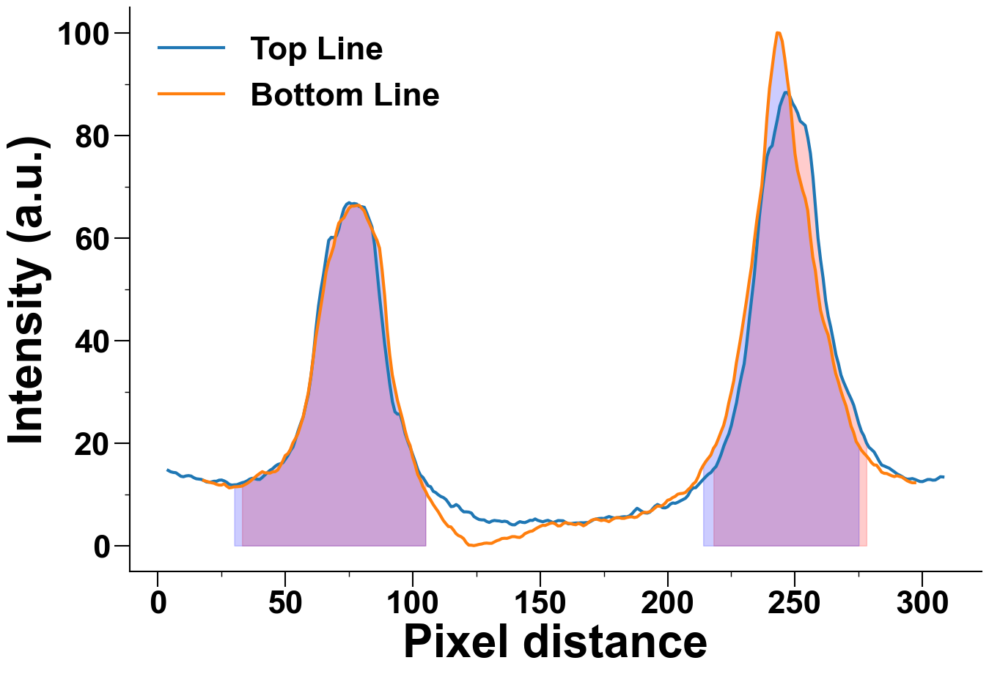
6.050000000000001 | 14.270000000000001 | 20 | 12.41
7.050000000000001 | 14.22 | 21 | 12.26
8.05 | 13.88 | 22 | 12.17
9.05 | 13.520000000000001 | 23 | 11.95
10.05 | 13.430000000000001 | 24 | 11.81
11.05 | 13.59 | 25 | 11.81
12.05 | 13.65 | 26 | 12.04
13.05 | 13.57 | 27 | 11.6
14.05 | 13.260000000000002 | 28 | 11.26
15.05 | 13.040000000000001 | 29 | 11.34
16.05 | 12.97 | 30 | 11.47
17.05 | 12.91 | 31 | 11.48
18.05 | 12.700000000000001 | 32 | 11.53
19.05 | 12.42 | 33 | 11.6
20.05 | 12.350000000000001 | 34 | 11.84
21.05 | 12.42 | 35 | 12.12
22.05 | 12.55 | 36 | 12.46
23.05 | 12.55 | 37 | 12.88
24.05 | 12.760000000000002 | 38 | 13.3

25.05 | 12.790000000000001 | 39 | 13.71
26.05 | 12.610000000000001 | 40 | 14.08
27.05 | 12.34 | 41 | 14.42
28.05 | 11.93 | 42 | 14.19
29.05 | 11.8 | 43 | 14.19
30.05 | 11.85 | 44 | 14.14
31.05 | 11.88 | 45 | 14.37
32.05 | 12.08 | 46 | 14.42
33.05 | 12.260000000000002 | 47 | 14.73
34.05 | 12.39 | 48 | 15.54
35.05 | 12.63 | 49 | 16.45
36.05 | 12.96 | 50 | 17.57
37.05 | 13.13 | 51 | 17.91
38.05 | 13.05 | 52 | 18.72
39.05 | 12.92 | 53 | 20.03
40.05 | 12.91 | 54 | 20.88
41.05 | 13.33 | 55 | 21.88
42.05 | 13.81 | 56 | 23.44
43.05 | 14.270000000000001 | 57 | 25.04
44.05 | 14.690000000000001 | 58 | 27.36
45.05 | 15.0 | 59 | 29.68
46.05 | 15.47 | 60 | 32.85
47.05 | 15.81 | 61 | 36.66
48.05 | 15.96 | 62 | 40.62
49.05 | 16.15 | 63 | 43.67
50.05 | 16.85 | 64 | 46.83
51.05 | 17.58 | 65 | 49.89
52.05 | 18.52 | 66 | 53.3
53.05 | 19.23 | 67 | 55.41
54.05 | 20.76 | 68 | 56.76
55.05 | 22.36 | 69 | 58.38
56.05 | 23.79 | 70 | 60.99
57.05 | 25.12 | 71 | 62.87
58.05 | 27.41 | 72 | 63.49
59.05 | 29.5 | 73 | 63.91
60.05 | 32.89 | 74 | 64.9
61.05 | 37.04 | 75 | 65.79
62.05 | 42.25 | 76 | 66.21
63.05 | 46.709999999999994 | 77 | 66.21
64.05 | 50.099999999999994 | 78 | 66.31
65.05 | 52.959999999999994 | 79 | 66.36
66.05 | 56.349999999999994 | 80 | 65.82
67.05 | 59.519999999999996 | 81 | 65.26
68.05 | 60.12 | 82 | 63.91
69.05 | 60.04 | 83 | 62.85
70.05 | 60.419999999999995 | 84 | 61.74
71.05 | 61.8 | 85 | 60.57
72.05 | 64.0 | 86 | 59.53
73.05 | 65.74 | 87 | 58.0
74.05 | 66.55 | 88 | 53.76
75.05 | 66.87 | 89 | 48.74
76.05 | 66.61 | 90 | 42.08
77.05 | 66.71 | 91 | 37.18
78.05 | 66.6 | 92 | 33.3
79.05 | 66.11 | 93 | 30.87
80.05 | 66.09 | 94 | 28.37
81.05 | 65.96 | 95 | 26.49
82.05 | 64.78 | 96 | 24.66
83.05 | 63.419999999999995 | 97 | 22.47
84.05 | 62.099999999999994 | 98 | 20.65
85.05 | 58.57 | 99 | 19.5
86.05 | 53.459999999999994 | 100 | 17.27
87.05 | 48.36 | 101 | 15.72
88.05 | 43.809999999999995 | 102 | 13.85
89.05 | 39.15 | 103 | 12.88
90.05 | 35.18 | 104 | 11.53
91.05 | 31.37 | 105 | 10.67
92.05 | 28.07 | 106 | 9.64
93.05 | 26.080000000000002 | 107 | 8.92
94.05 | 25.64 | 108 | 8.06
95.05 | 25.67 | 109 | 7.33
96.05 | 23.970000000000002 | 110 | 6.63
97.05 | 21.84 | 111 | 5.77
98.05 | 20.37 | 112 | 4.93
99.05 | 19.1 | 113 | 4.3
100.05 | 17.68 | 114 | 3.73
101.05 | 16.28 | 115 | 3.65
102.05 | 14.74 | 116 | 3.05
103.05 | 13.73 | 117 | 2.34
104.05 | 13.280000000000001 | 118 | 1.95
105.05 | 12.48 | 119 | 1.74
106.05 | 11.67 | 120 | 1.35
107.05 | 11.48 | 121 | 0.6
108.05 | 10.6 | 122 | 0.1
109.05 | 10.34 | 123 | 0.08
110.05 | 9.91 | 124 | 0.0
111.05 | 9.58 | 125 | 0.1
112.05 | 9.370000000000001 | 126 | 0.23
113.05 | 9.0 | 127 | 0.31
114.05 | 8.33 | 128 | 0.45
115.05 | 7.6 | 129 | 0.5
116.05 | 7.67 | 130 | 0.45
117.05 | 8.01 | 131 | 0.45
118.05 | 7.68 | 132 | 0.7
119.05 | 6.99 | 133 | 0.96
120.05 | 6.58 | 134 | 1.12
121.05 | 6.58 | 135 | 1.38
122.05 | 6.53 | 136 | 1.43
123.05 | 6.35 | 137 | 1.41
124.05 | 5.66 | 138 | 1.57
125.05 | 5.3500000000000005 | 139 | 1.75
126.05 | 5.09 | 140 | 1.75
127.05 | 5.0200000000000005 | 141 | 1.64
128.05 | 5.01 | 142 | 1.59
129.05 | 4.7 | 143 | 1.85
130.05 | 4.5200000000000005 | 144 | 2.32
131.05 | 4.78 | 145 | 2.55
132.05 | 4.91 | 146 | 2.76
133.05 | 4.84 | 147 | 2.85
134.05 | 4.800000000000001 | 148 | 3.2
135.05 | 4.68 | 149 | 3.49
136.05 | 4.76 | 150 | 3.75
137.05 | 4.67 | 151 | 3.96
138.05 | 4.28 | 152 | 3.93
139.05 | 4.07 | 153 | 4.15
140.05 | 4.050000000000001 | 154 | 4.35
141.05 | 4.390000000000001 | 155 | 4.44
142.05 | 4.67 | 156 | 4.22
143.05 | 4.54 | 157 | 3.84
144.05 | 4.49 | 158 | 3.86
145.05 | 4.7 | 159 | 4.28
146.05 | 4.94 | 160 | 4.51
147.05 | 4.91 | 161 | 4.35
148.05 | 5.2 | 162 | 4.28
149.05 | 4.93 | 163 | 4.15
150.05 | 4.78 | 164 | 4.07
151.05 | 4.65 | 165 | 4.33
152.05 | 4.8100000000000005 | 166 | 4.15
153.05 | 4.93 | 167 | 3.86
154.05 | 4.73 | 168 | 4.12
155.05 | 4.49 | 169 | 4.53
156.05 | 4.68 | 170 | 4.9
157.05 | 4.890000000000001 | 171 | 5.08
158.05 | 4.86 | 172 | 5.19
159.05 | 4.84 | 173 | 5.04
160.05 | 4.5200000000000005 | 174 | 4.88
161.05 | 4.24 | 175 | 5.0
162.05 | 4.28 | 176 | 4.87
163.05 | 4.36 | 177 | 4.67
164.05 | 4.41 | 178 | 5.0
165.05 | 4.41 | 179 | 5.3
166.05 | 4.460000000000001 | 180 | 5.45
167.05 | 4.44 | 181 | 5.45
168.05 | 4.49 | 182 | 5.32
169.05 | 4.5 | 183 | 5.32
170.05 | 4.78 | 184 | 5.47
171.05 | 5.07 | 185 | 5.58
172.05 | 5.19 | 186 | 5.61
173.05 | 5.28 | 187 | 5.48
174.05 | 5.32 | 188 | 5.58
175.05 | 5.28 | 189 | 5.99
176.05 | 5.49 | 190 | 6.36
177.05 | 5.67 | 191 | 6.5
178.05 | 5.51 | 192 | 6.46
179.05 | 5.380000000000001 | 193 | 6.62
180.05 | 5.43 | 194 | 6.89
181.05 | 5.49 | 195 | 7.33
182.05 | 5.59 | 196 | 7.72
183.05 | 5.640000000000001 | 197 | 7.66
184.05 | 5.61 | 198 | 7.82
185.05 | 5.800000000000001 | 199 | 8.24
186.05 | 6.210000000000001 | 200 | 8.84
187.05 | 6.790000000000001 | 201 | 9.0
188.05 | 7.28 | 202 | 9.36
189.05 | 6.970000000000001 | 203 | 9.6
190.05 | 6.630000000000001 | 204 | 10.02
191.05 | 6.390000000000001 | 205 | 10.14
192.05 | 6.34 | 206 | 10.19
193.05 | 6.5200000000000005 | 207 | 10.36
194.05 | 7.12 | 208 | 10.88
195.05 | 7.68 | 209 | 11.34
196.05 | 8.02 | 210 | 12.0
197.05 | 7.78 | 211 | 12.42
198.05 | 7.390000000000001 | 212 | 13.4
199.05 | 7.36 | 213 | 14.71
200.05 | 7.57 | 214 | 15.62
201.05 | 8.07 | 215 | 16.4
202.05 | 8.32 | 216 | 17.03
203.05 | 8.25 | 217 | 17.68
204.05 | 8.46 | 218 | 18.95
205.05 | 8.72 | 219 | 19.68
206.05 | 8.98 | 220 | 20.91
207.05 | 9.24 | 221 | 22.21
208.05 | 9.81 | 222 | 23.44
209.05 | 10.75 | 223 | 25.3
210.05 | 11.25 | 224 | 27.77
211.05 | 11.3 | 225 | 29.89
212.05 | 11.85 | 226 | 32.17
213.05 | 12.39 | 227 | 35.62
214.05 | 12.940000000000001 | 228 | 38.44
215.05 | 13.46 | 229 | 41.38
216.05 | 13.940000000000001 | 230 | 44.66
217.05 | 14.270000000000001 | 231 | 47.85
218.05 | 14.92 | 232 | 51.35
219.05 | 15.440000000000001 | 233 | 54.61
220.05 | 16.57 | 234 | 59.21
221.05 | 17.85 | 235 | 63.31
222.05 | 19.39 | 236 | 66.8
223.05 | 20.64 | 237 | 70.24
224.05 | 21.8 | 238 | 76.35
225.05 | 23.470000000000002 | 239 | 83.45
226.05 | 25.720000000000002 | 240 | 89.13
227.05 | 27.85 | 241 | 93.04
228.05 | 30.73 | 242 | 96.87
229.05 | 33.199999999999996 | 243 | 100.0
230.05 | 35.42 | 244 | 99.92
231.05 | 39.36 | 245 | 98.35
232.05 | 44.05 | 246 | 94.94
233.05 | 48.379999999999995 | 247 | 90.97
234.05 | 52.79 | 248 | 87.33
235.05 | 58.41 | 249 | 81.69
236.05 | 64.24 | 250 | 76.42
237.05 | 68.72 | 251 | 73.2
238.05 | 72.63 | 252 | 71.19
239.05 | 75.89 | 253 | 69.25
240.05 | 77.42999999999999 | 254 | 67.72
241.05 | 77.98 | 255 | 65.34
242.05 | 80.64 | 256 | 60.41
243.05 | 83.0 | 257 | 56.19
244.05 | 85.66 | 258 | 53.66
245.05 | 87.08 | 259 | 49.47
246.05 | 88.33 | 260 | 45.94
247.05 | 88.35 | 261 | 43.96
248.05 | 87.55 | 262 | 42.37
249.05 | 86.27 | 263 | 41.1
250.05 | 85.42999999999999 | 264 | 38.8
251.05 | 84.34 | 265 | 35.85
252.05 | 82.78 | 266 | 33.53
253.05 | 82.36 | 267 | 32.0
254.05 | 81.91 | 268 | 30.19
255.05 | 79.52 | 269 | 28.65
256.05 | 76.52 | 270 | 27.28
257.05 | 71.92 | 271 | 25.34
258.05 | 65.96 | 272 | 23.31
259.05 | 59.9 | 273 | 22.08
260.05 | 55.699999999999996 | 274 | 20.32
261.05 | 52.099999999999994 | 275 | 19.53
262.05 | 47.73 | 276 | 18.65
263.05 | 44.73 | 277 | 18.05
264.05 | 42.54 | 278 | 17.53
265.05 | 39.989999999999995 | 279 | 16.93
266.05 | 37.269999999999996 | 280 | 16.2
267.05 | 35.47 | 281 | 15.73
268.05 | 33.25 | 282 | 15.69
269.05 | 31.93 | 283 | 15.05
270.05 | 30.77 | 284 | 14.32
271.05 | 29.63 | 285 | 14.1
272.05 | 28.580000000000002 | 286 | 14.06
273.05 | 27.38 | 287 | 13.84
274.05 | 25.59 | 288 | 13.61
275.05 | 23.79 | 289 | 13.46
276.05 | 22.310000000000002 | 290 | 13.63
277.05 | 21.39 | 291 | 13.48
278.05 | 20.03 | 292 | 13.35
279.05 | 19.169999999999998 | 293 | 12.99
280.05 | 18.73 | 294 | 12.65
281.05 | 18.26 | 295 | 12.42
282.05 | 17.38 | 296 | 12.26
283.05 | 16.46 | 297 | 12.26
284.05 | 15.700000000000001
285.05 | 15.520000000000001
286.05 | 15.290000000000001
287.05 | 15.08
288.05 | 14.71
289.05 | 14.370000000000001
290.05 | 13.98
291.05 | 13.73
292.05 | 13.46
293.05 | 13.13
294.05 | 12.96
295.05 | 12.99
296.05 | 13.07
297.05 | 12.91
298.05 | 12.700000000000001
299.05 | 12.5
300.05 | 12.48
301.05 | 12.680000000000001
302.05 | 12.89
303.05 | 12.89
304.05 | 12.760000000000002
305.05 | 12.790000000000001
306.05 | 13.08
307.05 | 13.430000000000001
308.05 | 13.39

