Sheet1
Top Strip X-values (initial) | Top Strip Y-values (initial) | Bottom Strip X-values (initial) | Bottom Strip Y-Values (initial) | Top Strip X-values (adjusted) | Top Strip Y-values (adjusted) | Bottom Strip X-values (adjusted) | Bottom Strip Y-Values (adjusted) | Area of control (right) peak - Top Strip | Area of control (right) peak - Bottom Strip | Area of test (left) peak - Top Strip | Area of test (left) peak - Bottom Strip
0 | 68.265625 | 0 | 63.964912281 | 2 | 8.06 | 26 | 5.98 | 2201.1743197 | 1969.1913265 | 1043.8956 | 1165.4558333
1 | 68.0625 | 1 | 63.719298246 | 3 | 7.96 | 27 | 5.93 | Max of control (right) peak - Top Strip | Max of control (right) peak - Bottom Strip | Max of test (left) peak - Top Strip | Max of test (left) peak - Bottom Strip
2 | 67.734375 | 2 | 63.631578947 | 4 | 7.86 | 28 | 5.9 | 100 | 90.8 | 23.04 | 26.61
3 | 67.609375 | 3 | 63.631578947 | 5 | 7.75 | 29 | 5.86 | Left bound of control (right) peak | Right bound of control (right) peak | Left bound of test (left) peak | Right bound of test (left) peak
4 | 67.375 | 4 | 63.719298246 | 6 | 7.62 | 30 | 5.78 | 250 | 300 | 50 | 151
5 | 67.3125 | 5 | 63.701754386 | 7 | 7.46 | 31 | 5.7
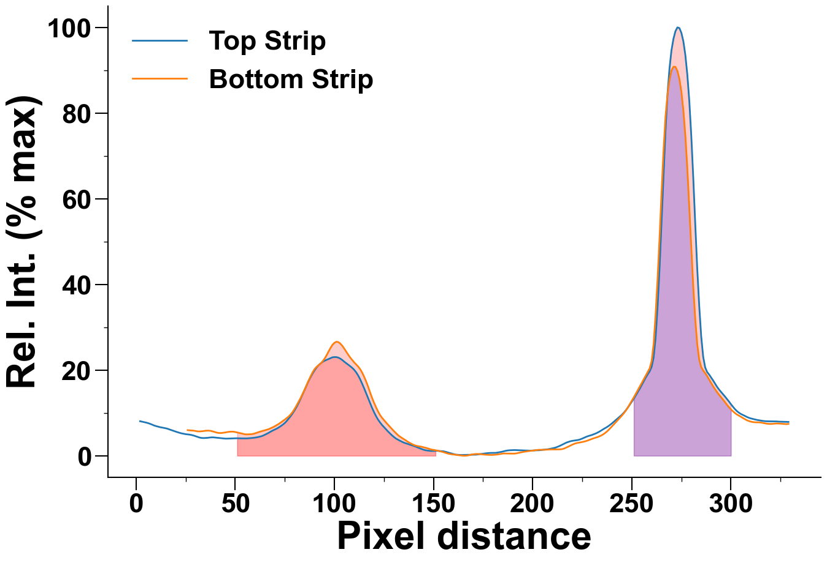
6 | 67.203125 | 6 | 63.526315789 | 8 | 7.28 | 32 | 5.67
7 | 67.171875 | 7 | 63.315789474 | 9 | 7.08 | 33 | 5.71
8 | 66.875 | 8 | 63.333333333 | 10 | 6.93 | 34 | 5.76
9 | 66.65625 | 9 | 63.245614035 | 11 | 6.8 | 35 | 5.84
10 | 66.25 | 10 | 63.01754386 | 12 | 6.68 | 36 | 5.86
11 | 65.875 | 11 | 63.035087719 | 13 | 6.59 | 37 | 5.85
12 | 65.578125 | 12 | 63.298245614 | 14 | 6.51 | 38 | 5.77
13 | 65.46875 | 13 | 63.596491228 | 15 | 6.41 | 39 | 5.64
14 | 65.484375 | 14 | 63.807017544 | 16 | 6.28 | 40 | 5.5
15 | 65.53125 | 15 | 63.912280702 | 17 | 6.11 | 41 | 5.36
16 | 65.171875 | 16 | 63.263157895 | 18 | 5.96 | 42 | 5.31
17 | 65.078125 | 17 | 62.877192982 | 19 | 5.8 | 43 | 5.31
18 | 64.921875 | 18 | 62.596491228 | 20 | 5.63 | 44 | 5.37
19 | 64.59375 | 19 | 62.50877193 | 21 | 5.48 | 45 | 5.44
20 | 64.359375 | 20 | 62.543859649 | 22 | 5.34 | 46 | 5.53
21 | 64.03125 | 21 | 62.719298246 | 23 | 5.22 | 47 | 5.6
22 | 63.78125 | 22 | 62.771929825 | 24 | 5.13 | 48 | 5.63
23 | 63.671875 | 23 | 62.912280702 | 25 | 5.04 | 49 | 5.62
24 | 63.484375 | 24 | 63.070175439 | 26 | 4.98 | 50 | 5.54
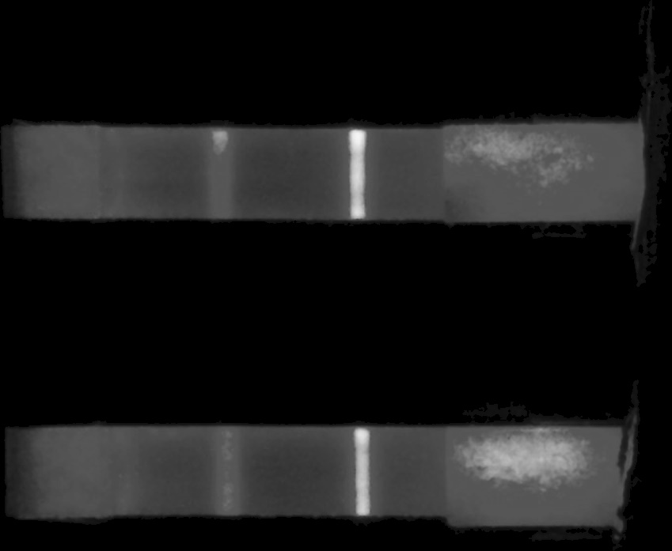
25 | 63.25 | 25 | 63.192982456 | 27 | 4.93 | 51 | 5.44
26 | 63.0625 | 26 | 63.333333333 | 28 | 4.84 | 52 | 5.34
27 | 63.015625 | 27 | 63.280701754 | 29 | 4.72 | 53 | 5.23
28 | 62.96875 | 28 | 63.052631579 | 30 | 4.56 | 54 | 5.11
29 | 62.9375 | 29 | 62.789473684 | 31 | 4.4 | 55 | 5.01
30 | 62.921875 | 30 | 62.385964912 | 32 | 4.25 | 56 | 4.99
31 | 62.796875 | 31 | 62.315789474 | 33 | 4.16 | 57 | 5.01
32 | 62.296875 | 32 | 62.50877193 | 34 | 4.13 | 58 | 5.03
33 | 61.921875 | 33 | 62.263157895 | 35 | 4.15 | 59 | 5.1
34 | 61.609375 | 34 | 62 | 36 | 4.18 | 60 | 5.24
35 | 61.46875 | 35 | 61.947368421 | 37 | 4.25 | 61 | 5.4
36 | 61.65625 | 36 | 62.192982456 | 38 | 4.29 | 62 | 5.56
37 | 61.9375 | 37 | 62.456140351 | 39 | 4.29 | 63 | 5.69
38 | 62.078125 | 38 | 62.719298246 | 40 | 4.24 | 64 | 5.81
39 | 62.0625 | 39 | 62.842105263 | 41 | 4.19 | 65 | 5.95
40 | 61.90625 | 40 | 63.210526316 | 42 | 4.15 | 66 | 6.09
41 | 62.046875 | 41 | 63.403508772 | 43 | 4.09 | 67 | 6.24
42 | 62.015625 | 42 | 63.561403509 | 44 | 4.04 | 68 | 6.45
43 | 61.921875 | 43 | 63.614035088 | 45 | 4 | 69 | 6.67
44 | 61.703125 | 44 | 63.807017544 | 46 | 4 | 70 | 6.91
45 | 61.578125 | 45 | 64.035087719 | 47 | 4.02 | 71 | 7.18
46 | 61.53125 | 46 | 64.473684211 | 48 | 4.05 | 72 | 7.45
47 | 61.5625 | 47 | 64.754385965 | 49 | 4.07 | 73 | 7.78
48 | 61.515625 | 48 | 65.385964912 | 50 | 4.08 | 74 | 8.1
49 | 61.609375 | 49 | 65.561403509 | 51 | 4.09 | 75 | 8.45
50 | 61.6875 | 50 | 65.947368421 | 52 | 4.07 | 76 | 8.81
51 | 61.75 | 51 | 66.421052632 | 53 | 4.06 | 77 | 9.19
52 | 61.78125 | 52 | 66.877192982 | 54 | 4.05 | 78 | 9.68
53 | 61.765625 | 53 | 67.631578947 | 55 | 4.05 | 79 | 10.28
54 | 61.625 | 54 | 68.228070175 | 56 | 4.06 | 80 | 10.99
55 | 61.671875 | 55 | 68.631578947 | 57 | 4.09 | 81 | 11.8
56 | 61.5625 | 56 | 69.140350877 | 58 | 4.13 | 82 | 12.65
57 | 61.640625 | 57 | 69.771929825 | 59 | 4.18 | 83 | 13.52
58 | 61.703125 | 58 | 71.140350877 | 60 | 4.24 | 84 | 14.48
59 | 61.71875 | 59 | 72.964912281 | 61 | 4.32 | 85 | 15.46
60 | 61.75 | 60 | 74.473684211 | 62 | 4.42 | 86 | 16.52
61 | 61.90625 | 61 | 75.771929825 | 63 | 4.54 | 87 | 17.57
62 | 61.953125 | 62 | 76.684210526 | 64 | 4.7 | 88 | 18.55
63 | 62.015625 | 63 | 77.421052632 | 65 | 4.92 | 89 | 19.48
64 | 62.234375 | 64 | 79.578947368 | 66 | 5.15 | 90 | 20.22
65 | 62.4375 | 65 | 81.631578947 | 67 | 5.4 | 91 | 20.74
66 | 62.6875 | 66 | 83.842105263 | 68 | 5.67 | 92 | 21.13
67 | 62.921875 | 67 | 85.052631579 | 69 | 5.92 | 93 | 21.5
68 | 63.40625 | 68 | 85.280701754 | 70 | 6.14 | 94 | 22.01
69 | 63.890625 | 69 | 85.701754386 | 71 | 6.35 | 95 | 22.64
70 | 64.28125 | 70 | 86.035087719 | 72 | 6.63 | 96 | 23.41
71 | 64.6875 | 71 | 86.263157895 | 73 | 6.94 | 97 | 24.3
72 | 65.03125 | 72 | 87.298245614 | 74 | 7.28 | 98 | 25.14
73 | 65.171875 | 73 | 88.263157895 | 75 | 7.66 | 99 | 25.88
74 | 65.328125 | 74 | 89.807017544 | 76 | 8.15 | 100 | 26.37
75 | 65.75 | 75 | 91.298245614 | 77 | 8.71 | 101 | 26.61
76 | 66.78125 | 76 | 92.824561404 | 78 | 9.29 | 102 | 26.53
77 | 67.40625 | 77 | 94.070175439 | 79 | 9.96 | 103 | 26.18
78 | 68 | 78 | 94.754385965 | 80 | 10.67 | 104 | 25.66
79 | 68.5625 | 79 | 94.771929825 | 81 | 11.47 | 105 | 24.99
80 | 69.65625 | 80 | 94.105263158 | 82 | 12.38 | 106 | 24.28
81 | 70.609375 | 81 | 93.403508772 | 83 | 13.36 | 107 | 23.57
82 | 71.984375 | 82 | 92.157894737 | 84 | 14.38 | 108 | 22.91
83 | 73.25 | 83 | 91.01754386 | 85 | 15.39 | 109 | 22.34
84 | 74.296875 | 84 | 90.087719298 | 86 | 16.44 | 110 | 21.79
85 | 75.609375 | 85 | 88.929824561 | 87 | 17.47 | 111 | 21.3
86 | 77.6875 | 86 | 87.824561404 | 88 | 18.37 | 112 | 20.82
87 | 79.265625 | 87 | 87.122807018 | 89 | 19.21 | 113 | 20.21
88 | 80.984375 | 88 | 86.368421053 | 90 | 19.95 | 114 | 19.42
89 | 82.140625 | 89 | 85.929824561 | 91 | 20.62 | 115 | 18.44
90 | 83.59375 | 90 | 85.298245614 | 92 | 21.14 | 116 | 17.35
91 | 84.703125 | 91 | 84.596491228 | 93 | 21.55 | 117 | 16.14
92 | 85.625 | 92 | 83.543859649 | 94 | 21.91 | 118 | 14.8
93 | 86.65625 | 93 | 81.789473684 | 95 | 22.17 | 119 | 13.51
94 | 87.546875 | 94 | 79.350877193 | 96 | 22.38 | 120 | 12.37
95 | 88.03125 | 95 | 77.333333333 | 97 | 22.57 | 121 | 11.33
96 | 88.171875 | 96 | 75.666666667 | 98 | 22.78 | 122 | 10.35
97 | 88.34375 | 97 | 73.877192982 | 99 | 22.98 | 123 | 9.52
98 | 88.78125 | 98 | 71.771929825 | 100 | 23.04 | 124 | 8.88
99 | 88.953125 | 99 | 70.421052632 | 101 | 23.03 | 125 | 8.32
100 | 89.375 | 100 | 69.263157895 | 102 | 22.91 | 126 | 7.78
101 | 89.75 | 101 | 68.105263158 | 103 | 22.67 | 127 | 7.27
102 | 89.96875 | 102 | 67.070175439 | 104 | 22.34 | 128 | 6.77
103 | 90.140625 | 103 | 66.50877193 | 105 | 21.95 | 129 | 6.27
104 | 89.265625 | 104 | 66.192982456 | 106 | 21.6 | 130 | 5.76
105 | 88.90625 | 105 | 65.473684211 | 107 | 21.26 | 131 | 5.3
106 | 88.3125 | 106 | 64.49122807 | 108 | 20.9 | 132 | 4.85
107 | 87.65625 | 107 | 63.543859649 | 109 | 20.52 | 133 | 4.49
108 | 87.078125 | 108 | 62.719298246 | 110 | 20.05 | 134 | 4.18
109 | 86.640625 | 109 | 62.087719298 | 111 | 19.46 | 135 | 3.89
110 | 86.203125 | 110 | 61.649122807 | 112 | 18.73 | 136 | 3.6
111 | 85.921875 | 111 | 61.403508772 | 113 | 17.84 | 137 | 3.28
112 | 85.125 | 112 | 60.596491228 | 114 | 16.82 | 138 | 3.01
113 | 84.265625 | 113 | 60.350877193 | 115 | 15.75 | 139 | 2.76
114 | 82.953125 | 114 | 59.947368421 | 116 | 14.61 | 140 | 2.54
115 | 81.40625 | 115 | 59.578947368 | 117 | 13.48 | 141 | 2.37
116 | 79.765625 | 116 | 59.070175439 | 118 | 12.32 | 142 | 2.26
117 | 78.109375 | 117 | 58.578947368 | 119 | 11.18 | 143 | 2.19
118 | 76.125 | 118 | 58.245614035 | 120 | 10.17 | 144 | 2.1
119 | 74.78125 | 119 | 58.140350877 | 121 | 9.25 | 145 | 1.98
120 | 72.96875 | 120 | 57.947368421 | 122 | 8.45 | 146 | 1.87
121 | 71.421875 | 121 | 58.105263158 | 123 | 7.79 | 147 | 1.74
122 | 69.484375 | 122 | 58.122807018 | 124 | 7.2 | 148 | 1.58
123 | 68.03125 | 123 | 57.894736842 | 125 | 6.7 | 149 | 1.45
124 | 67.296875 | 124 | 57.456140351 | 126 | 6.18 | 150 | 1.37
125 | 66.59375 | 125 | 57.122807018 | 127 | 5.69 | 151 | 1.3
126 | 65.953125 | 126 | 56.964912281 | 128 | 5.23 | 152 | 1.21
127 | 65.5625 | 127 | 56.947368421 | 129 | 4.78 | 153 | 1.09
128 | 64.296875 | 128 | 56.754385965 | 130 | 4.39 | 154 | 0.96
129 | 63.625 | 129 | 56.701754386 | 131 | 4.03 | 155 | 0.84
130 | 62.703125 | 130 | 56.736842105 | 132 | 3.77 | 156 | 0.69
131 | 62.265625 | 131 | 56.526315789 | 133 | 3.52 | 157 | 0.54
132 | 61.9375 | 132 | 56.210526316 | 134 | 3.29 | 158 | 0.43
133 | 61.515625 | 133 | 55.842105263 | 135 | 3.07 | 159 | 0.35
134 | 60.859375 | 134 | 55.649122807 | 136 | 2.91 | 160 | 0.3
135 | 60.453125 | 135 | 55.631578947 | 137 | 2.77 | 161 | 0.23
136 | 60.4375 | 136 | 55.385964912 | 138 | 2.6 | 162 | 0.18
137 | 60.078125 | 137 | 55.245614035 | 139 | 2.46 | 163 | 0.11
138 | 59.875 | 138 | 55.192982456 | 140 | 2.3 | 164 | 0.06
139 | 59.5625 | 139 | 55.192982456 | 141 | 2.13 | 165 | 0.01
140 | 59.453125 | 140 | 55.192982456 | 142 | 1.94 | 166 | 0
141 | 59.21875 | 141 | 55.01754386 | 143 | 1.75 | 167 | 0.05
142 | 59 | 142 | 54.929824561 | 144 | 1.58 | 168 | 0.13
143 | 58.796875 | 143 | 54.649122807 | 145 | 1.41 | 169 | 0.26
144 | 58.4375 | 144 | 54.736842105 | 146 | 1.28 | 170 | 0.34
145 | 58.078125 | 145 | 54.771929825 | 147 | 1.21 | 171 | 0.39
146 | 57.78125 | 146 | 55.070175439 | 148 | 1.15 | 172 | 0.42
147 | 57.5625 | 147 | 55.438596491 | 149 | 1.12 | 173 | 0.4
148 | 57.453125 | 148 | 55.684210526 | 150 | 1.12 | 174 | 0.35
149 | 57.328125 | 149 | 55.754385965 | 151 | 1.14 | 175 | 0.29
150 | 57.296875 | 150 | 55.438596491 | 152 | 1.14 | 176 | 0.25
151 | 57.421875 | 151 | 55.228070175 | 153 | 1.11 | 177 | 0.23
152 | 57.28125 | 152 | 55.298245614 | 154 | 1.08 | 178 | 0.2
153 | 57.328125 | 153 | 55.280701754 | 155 | 1.04 | 179 | 0.18
154 | 57.40625 | 154 | 55.263157895 | 156 | 0.93 | 180 | 0.2
155 | 57.5 | 155 | 55.192982456 | 157 | 0.79 | 181 | 0.24
156 | 57.328125 | 156 | 55.087719298 | 158 | 0.66 | 182 | 0.29
157 | 57.125 | 157 | 55.122807018 | 159 | 0.54 | 183 | 0.35
158 | 57.0625 | 158 | 55.035087719 | 160 | 0.4 | 184 | 0.44
159 | 56.921875 | 159 | 55.087719298 | 161 | 0.28 | 185 | 0.52
160 | 56.4375 | 160 | 55.456140351 | 162 | 0.23 | 186 | 0.53
161 | 56.34375 | 161 | 55.50877193 | 163 | 0.19 | 187 | 0.52
162 | 56.171875 | 162 | 55.50877193 | 164 | 0.18 | 188 | 0.52
163 | 56.015625 | 163 | 55.684210526 | 165 | 0.19 | 189 | 0.51
164 | 55.890625 | 164 | 55.807017544 | 166 | 0.2 | 190 | 0.5
165 | 55.859375 | 165 | 55.771929825 | 167 | 0.22 | 191 | 0.51
166 | 55.953125 | 166 | 55.543859649 | 168 | 0.22 | 192 | 0.58
167 | 56.015625 | 167 | 55.421052632 | 169 | 0.23 | 193 | 0.68
168 | 56.0625 | 168 | 55.543859649 | 170 | 0.24 | 194 | 0.78
169 | 56.09375 | 169 | 55.543859649 | 171 | 0.25 | 195 | 0.88
170 | 56.03125 | 170 | 55.754385965 | 172 | 0.29 | 196 | 0.95
171 | 55.953125 | 171 | 55.912280702 | 173 | 0.36 | 197 | 1.02
172 | 56.03125 | 172 | 56.140350877 | 174 | 0.43 | 198 | 1.09
173 | 56.078125 | 173 | 56.315789474 | 175 | 0.49 | 199 | 1.15
174 | 56.15625 | 174 | 56.403508772 | 176 | 0.55 | 200 | 1.2
175 | 56.203125 | 175 | 56.403508772 | 177 | 0.6 | 201 | 1.26
176 | 56.375 | 176 | 56.385964912 | 178 | 0.64 | 202 | 1.33
177 | 56.515625 | 177 | 56.49122807 | 179 | 0.66 | 203 | 1.39
178 | 56.640625 | 178 | 56.771929825 | 180 | 0.66 | 204 | 1.39
179 | 56.65625 | 179 | 56.859649123 | 181 | 0.67 | 205 | 1.39
180 | 56.703125 | 180 | 56.894736842 | 182 | 0.72 | 206 | 1.4
181 | 56.640625 | 181 | 56.929824561 | 183 | 0.8 | 207 | 1.42
182 | 56.671875 | 182 | 56.929824561 | 184 | 0.89 | 208 | 1.46
183 | 56.71875 | 183 | 57.01754386 | 185 | 0.99 | 209 | 1.47
184 | 56.65625 | 184 | 56.842105263 | 186 | 1.11 | 210 | 1.48
185 | 56.75 | 185 | 56.824561404 | 187 | 1.21 | 211 | 1.47
186 | 57.09375 | 186 | 56.947368421 | 188 | 1.27 | 212 | 1.48
187 | 57.34375 | 187 | 57.140350877 | 189 | 1.3 | 213 | 1.48
188 | 57.515625 | 188 | 57.263157895 | 190 | 1.32 | 214 | 1.5
189 | 57.625 | 189 | 57.157894737 | 191 | 1.33 | 215 | 1.56
190 | 57.6875 | 190 | 56.877192982 | 192 | 1.31 | 216 | 1.71
191 | 57.640625 | 191 | 56.736842105 | 193 | 1.29 | 217 | 1.92
192 | 57.609375 | 192 | 57.087719298 | 194 | 1.26 | 218 | 2.14
193 | 57.625 | 193 | 57.140350877 | 195 | 1.24 | 219 | 2.37
194 | 57.703125 | 194 | 57.403508772 | 196 | 1.22 | 220 | 2.6
195 | 57.640625 | 195 | 57.719298246 | 197 | 1.2 | 221 | 2.79
196 | 57.515625 | 196 | 58.175438596 | 198 | 1.2 | 222 | 2.93
197 | 57.453125 | 197 | 58.578947368 | 199 | 1.2 | 223 | 3.03
198 | 57.421875 | 198 | 59.035087719 | 200 | 1.23 | 224 | 3.11
199 | 57.453125 | 199 | 59.157894737 | 201 | 1.25 | 225 | 3.21
200 | 57.5 | 200 | 59.473684211 | 202 | 1.26 | 226 | 3.31
201 | 57.453125 | 201 | 59.385964912 | 203 | 1.28 | 227 | 3.44
202 | 57.484375 | 202 | 59.385964912 | 204 | 1.32 | 228 | 3.6
203 | 57.515625 | 203 | 59.438596491 | 205 | 1.38 | 229 | 3.78
204 | 57.625 | 204 | 59.736842105 | 206 | 1.43 | 230 | 3.95
205 | 57.65625 | 205 | 60.105263158 | 207 | 1.48 | 231 | 4.11
206 | 57.609375 | 206 | 60.333333333 | 208 | 1.55 | 232 | 4.25
207 | 57.578125 | 207 | 60.50877193 | 209 | 1.64 | 233 | 4.41
208 | 57.90625 | 208 | 60.842105263 | 210 | 1.73 | 234 | 4.61
209 | 57.96875 | 209 | 61 | 211 | 1.84 | 235 | 4.83
210 | 58.109375 | 210 | 61.245614035 | 212 | 1.99 | 236 | 5.14
211 | 58.078125 | 211 | 61.473684211 | 213 | 2.17 | 237 | 5.48
212 | 58.25 | 212 | 61.578947368 | 214 | 2.38 | 238 | 5.89
213 | 58.40625 | 213 | 61.98245614 | 215 | 2.61 | 239 | 6.37
214 | 58.703125 | 214 | 62.596491228 | 216 | 2.85 | 240 | 6.86
215 | 58.9375 | 215 | 62.947368421 | 217 | 3.07 | 241 | 7.37
216 | 59.421875 | 216 | 63.947368421 | 218 | 3.23 | 242 | 7.86
217 | 59.65625 | 217 | 64.438596491 | 219 | 3.38 | 243 | 8.36
218 | 60.109375 | 218 | 65.245614035 | 220 | 3.48 | 244 | 8.87
219 | 60.40625 | 219 | 66.228070175 | 221 | 3.55 | 245 | 9.38
220 | 60.78125 | 220 | 66.877192982 | 222 | 3.61 | 246 | 9.93
221 | 60.890625 | 221 | 67.49122807 | 223 | 3.69 | 247 | 10.56
222 | 60.890625 | 222 | 68.210526316 | 224 | 3.83 | 248 | 11.26
223 | 60.921875 | 223 | 68.877192982 | 225 | 4.01 | 249 | 12.04
224 | 61.015625 | 224 | 69.754385965 | 226 | 4.21 | 250 | 12.85
225 | 61.046875 | 225 | 70.701754386 | 227 | 4.42 | 251 | 13.64
226 | 61.265625 | 226 | 71.789473684 | 228 | 4.59 | 252 | 14.47
227 | 61.65625 | 227 | 73 | 229 | 4.73 | 253 | 15.28
228 | 62.109375 | 228 | 74.421052632 | 230 | 4.87 | 254 | 16.12
229 | 62.515625 | 229 | 75.771929825 | 231 | 5.05 | 255 | 16.98
230 | 62.78125 | 230 | 76.842105263 | 232 | 5.24 | 256 | 17.83
231 | 62.84375 | 231 | 77.666666667 | 233 | 5.47 | 257 | 18.7
232 | 62.8125 | 232 | 79.122807018 | 234 | 5.73 | 258 | 19.53
233 | 62.90625 | 233 | 80.157894737 | 235 | 6.02 | 259 | 20.41
234 | 63.359375 | 234 | 81.842105263 | 236 | 6.31 | 260 | 22.11
235 | 64.03125 | 235 | 83.333333333 | 237 | 6.57 | 261 | 26.08
236 | 64.515625 | 236 | 84.333333333 | 238 | 6.86 | 262 | 32.97
237 | 64.828125 | 237 | 85.368421053 | 239 | 7.2 | 263 | 41.36
238 | 65.140625 | 238 | 86.473684211 | 240 | 7.56 | 264 | 50.98
239 | 65.453125 | 239 | 87.947368421 | 241 | 7.96 | 265 | 61.47
240 | 65.875 | 240 | 96.824561404 | 242 | 8.37 | 266 | 71.29
241 | 66.390625 | 241 | 118.31578947 | 243 | 8.76 | 267 | 79.26
242 | 67.078125 | 242 | 145.14035088 | 244 | 9.15 | 268 | 84.31
243 | 67.78125 | 243 | 159.43859649 | 245 | 9.57 | 269 | 87.75
244 | 68.375 | 244 | 171.35087719 | 246 | 10.06 | 270 | 89.93
245 | 68.984375 | 245 | 180.43859649 | 247 | 10.62 | 271 | 90.8
246 | 69.421875 | 246 | 183.45614035 | 248 | 11.26 | 272 | 90.79
247 | 69.84375 | 247 | 188.64912281 | 249 | 11.93 | 273 | 89.82
248 | 70.53125 | 248 | 189.71929825 | 250 | 12.63 | 274 | 87.94
249 | 71.46875 | 249 | 189.8245614 | 251 | 13.31 | 275 | 84.96
250 | 72.75 | 250 | 190.54385965 | 252 | 14.09 | 276 | 80.59
251 | 73.921875 | 251 | 188.0877193 | 253 | 14.86 | 277 | 74.7
252 | 75.015625 | 252 | 183.43859649 | 254 | 15.66 | 278 | 66.99
253 | 75.78125 | 253 | 180.03508772 | 255 | 16.51 | 279 | 57.72
254 | 76.703125 | 254 | 173.1754386 | 256 | 17.37 | 280 | 48.14
255 | 77.484375 | 255 | 163.52631579 | 257 | 18.24 | 281 | 39.34
256 | 79.625 | 256 | 151.94736842 | 258 | 19 | 282 | 31.79
257 | 80.703125 | 257 | 136.10526316 | 259 | 19.71 | 283 | 25.99
258 | 82.078125 | 258 | 115.49122807 | 260 | 20.78 | 284 | 22.4
259 | 83.328125 | 259 | 98.228070175 | 261 | 22.92 | 285 | 20.67
260 | 84.21875 | 260 | 88.596491228 | 262 | 27.55 | 286 | 19.9
261 | 85.15625 | 261 | 85.912280702 | 263 | 34.81 | 287 | 19.29
262 | 86.328125 | 262 | 85.333333333 | 264 | 43.94 | 288 | 18.58
263 | 87.046875 | 263 | 84.912280702 | 265 | 54.62 | 289 | 17.78
264 | 91.515625 | 264 | 83.859649123 | 266 | 65.6 | 290 | 16.99
265 | 102.140625 | 265 | 82.929824561 | 267 | 76.06 | 291 | 16.22
266 | 125.125 | 266 | 81.789473684 | 268 | 84.46 | 292 | 15.51
267 | 149.21875 | 267 | 80.50877193 | 269 | 90.38 | 293 | 14.85
268 | 166.828125 | 268 | 79.122807018 | 270 | 94.64 | 294 | 14.24
269 | 181.28125 | 269 | 77.807017544 | 271 | 97.34 | 295 | 13.67
270 | 188.390625 | 270 | 76.929824561 | 272 | 99.11 | 296 | 13.09
271 | 194.453125 | 271 | 76.157894737 | 273 | 100 | 297 | 12.5
272 | 199.28125 | 272 | 75.49122807 | 274 | 99.84 | 298 | 11.88
273 | 201.40625 | 273 | 74.649122807 | 275 | 98.73 | 299 | 11.32
274 | 204.4375 | 274 | 73.754385965 | 276 | 96.75 | 300 | 10.82
275 | 205.109375 | 275 | 72.771929825 | 277 | 93.55 | 301 | 10.38
276 | 203.953125 | 276 | 71.877192982 | 278 | 88.96 | 302 | 9.98
277 | 202.34375 | 277 | 70.964912281 | 279 | 82.78 | 303 | 9.63
278 | 197.828125 | 278 | 69.964912281 | 280 | 74.65 | 304 | 9.37
279 | 191.65625 | 279 | 69.684210526 | 281 | 64.85 | 305 | 9.11
280 | 186.984375 | 280 | 69.385964912 | 282 | 54.03 | 306 | 8.82
281 | 176.859375 | 281 | 68.877192982 | 283 | 43.71 | 307 | 8.55
282 | 163.421875 | 282 | 68.315789474 | 284 | 34.96 | 308 | 8.3
283 | 147.84375 | 283 | 67.947368421 | 285 | 27.85 | 309 | 8.11
284 | 126.140625 | 284 | 67.666666667 | 286 | 23.1 | 310 | 7.97
285 | 105.15625 | 285 | 67.368421053 | 287 | 20.63 | 311 | 7.87
286 | 91.46875 | 286 | 66.842105263 | 288 | 19.53 | 312 | 7.82
287 | 85.859375 | 287 | 66.49122807 | 289 | 18.96 | 313 | 7.8
288 | 86.21875 | 288 | 66.122807018 | 290 | 18.27 | 314 | 7.8
289 | 85.0625 | 289 | 66.263157895 | 291 | 17.58 | 315 | 7.76
290 | 84.28125 | 290 | 66.421052632 | 292 | 16.83 | 316 | 7.67
291 | 83.3125 | 291 | 66.49122807 | 293 | 16.09 | 317 | 7.57
292 | 81.828125 | 292 | 66.421052632 | 294 | 15.46 | 318 | 7.49
293 | 80.8125 | 293 | 66.298245614 | 295 | 14.9 | 319 | 7.44
294 | 80.109375 | 294 | 66.105263158 | 296 | 14.36 | 320 | 7.43
295 | 78.984375 | 295 | 65.929824561 | 297 | 13.82 | 321 | 7.45
296 | 77.625 | 296 | 65.631578947 | 298 | 13.25 | 322 | 7.5
297 | 76.84375 | 297 | 65.596491228 | 299 | 12.66 | 323 | 7.53
298 | 76.28125 | 298 | 65.684210526 | 300 | 12.04 | 324 | 7.52
299 | 75.828125 | 299 | 65.877192982 | 301 | 11.45 | 325 | 7.5
300 | 75.34375 | 300 | 66.052631579 | 302 | 10.89 | 326 | 7.45
301 | 74.203125 | 301 | 66.105263158 | 303 | 10.42 | 327 | 7.41
302 | 72.625 | 302 | 66.035087719 | 304 | 10.06 | 328 | 7.39
303 | 71.65625 | 303 | 65.877192982 | 305 | 9.76 | 329 | 7.43
304 | 70.78125 | 304 | 65.596491228 | 306 | 9.54
305 | 70.640625 | 305 | 65.649122807 | 307 | 9.31
306 | 70.375 | 306 | 65.631578947 | 308 | 9.07
307 | 70.03125 | 307 | 65.754385965 | 309 | 8.87
308 | 69.46875 | 308 | 65.912280702 | 310 | 8.72
309 | 69.0625 | 309 | 66.157894737 | 311 | 8.6
310 | 68.8125 | 310 | 66.385964912 | 312 | 8.49
311 | 68.609375 |  |  | 313 | 8.38
312 | 68.234375 |  |  | 314 | 8.3
313 | 68.25 |  |  | 315 | 8.22
314 | 68.140625 |  |  | 316 | 8.14
315 | 68.015625 |  |  | 317 | 8.08
316 | 67.859375 |  |  | 318 | 8.05
317 | 67.65625 |  |  | 319 | 8.04
318 | 67.5625 |  |  | 320 | 8.03
319 | 67.53125 |  |  | 321 | 8.02
320 | 67.375 |  |  | 322 | 8.02
321 | 67.5 |  |  | 323 | 8.01
322 | 67.59375 |  |  | 324 | 7.97
323 | 67.625 |  |  | 325 | 7.95
324 | 67.453125 |  |  | 326 | 7.94
325 | 67.4375 |  |  | 327 | 7.93
326 | 67.328125 |  |  | 328 | 7.93
327 | 67.40625 |  |  | 329 | 7.9
328 | 67.3125
329 | 67.40625
330 | 67.390625
331 | 67.359375
332 | 67.265625
333 | 67.1875
334 | 67.171875

