Head
Class Management System

ERD
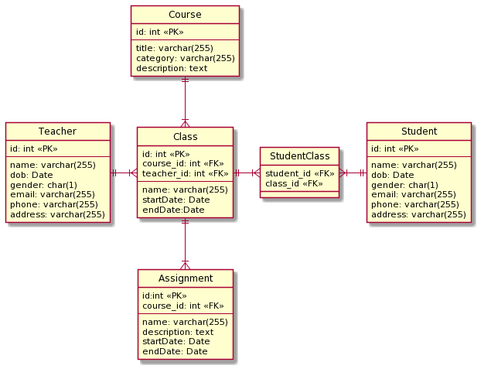

Transition
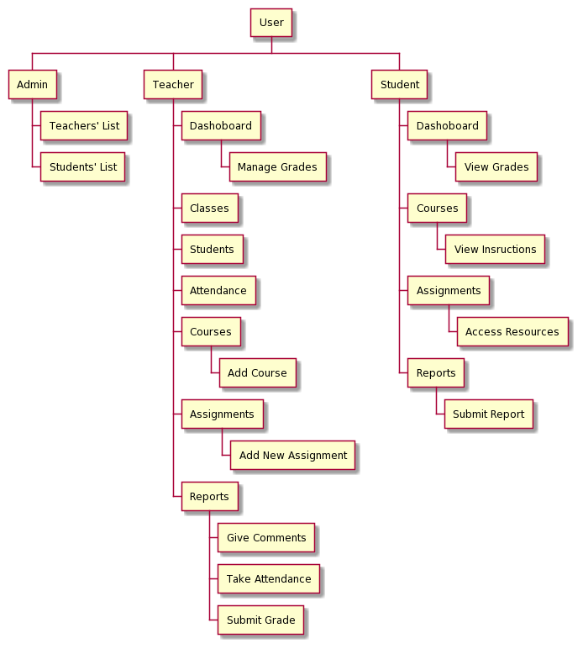

Class Management
■ Student Dashboard



1

2
4

3
5
Courses Completed
50%
Assignments
6/10

No. | Name | Type | TabIdx | I/O | Single item check |  |  | Role Restriction | Sort | Initail Value | DB (CRUD) |  | Remark
 |  |  |  |  | Required | Digits
 |  |  |  |  |  | Min | Max |  |  |  | Table | Column
1 | Dashboard | Label
2 | Course Completed | Link |  |  |  |  |  |  |  |  | StudentClass |  | calculate % of completed course base on schedule
3 | Course Completed | Label |  | O
4 | Assignments | Link
5 | Assignments | Label |  | O |  |  |  |  |  |  | Assignment |  | show number of completed assignment

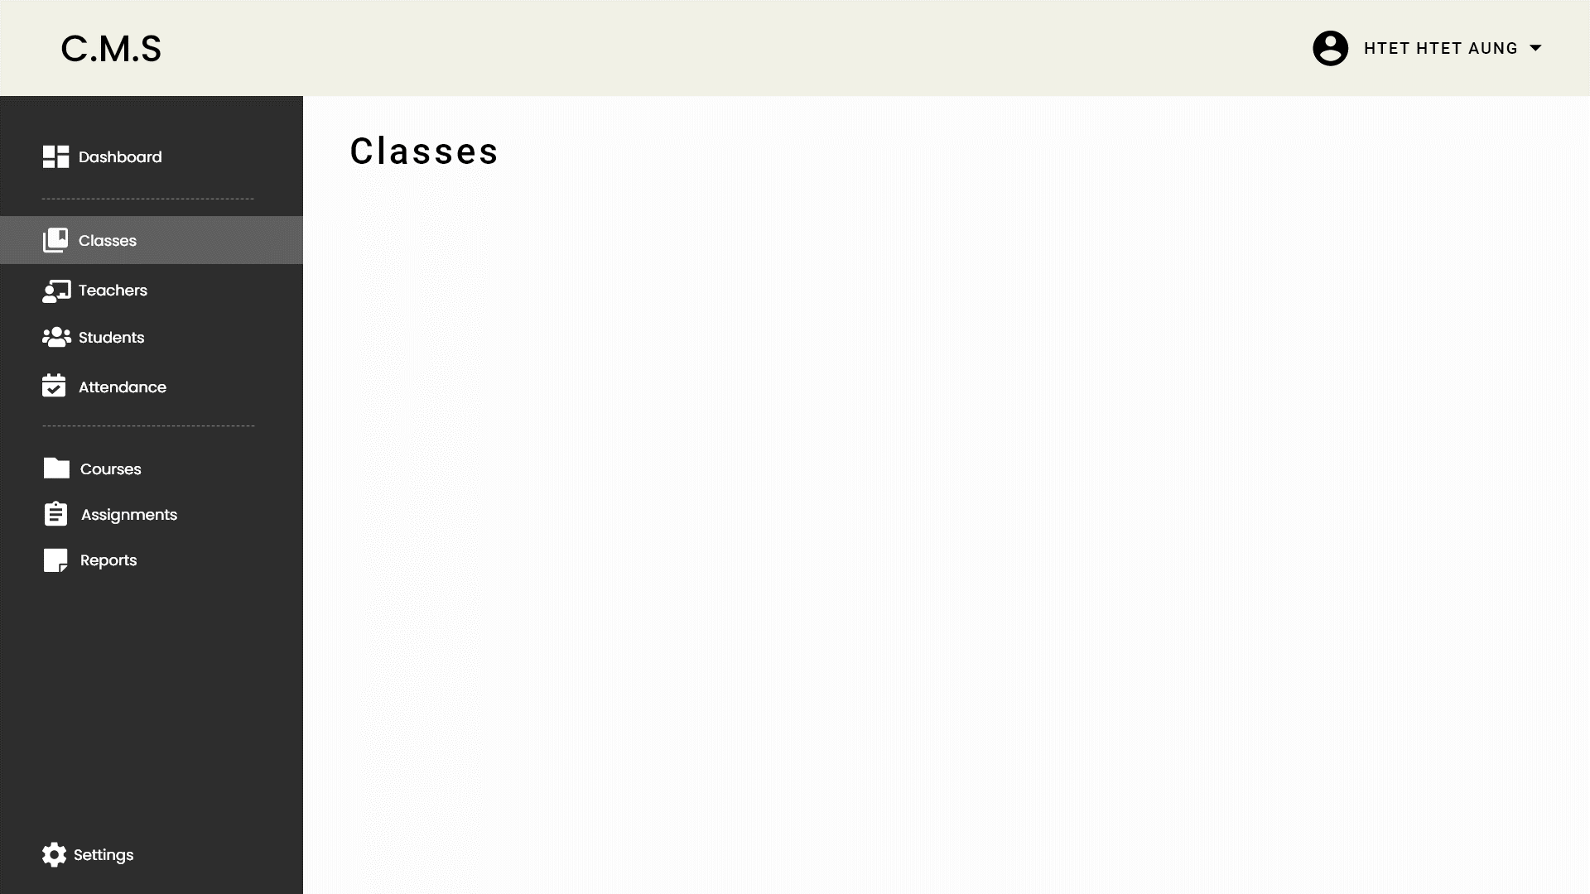

1
2

No. | Name | Type | TabIdx | I/O | Single item check |  |  | Role Restriction | Sort | Initail Value | DB (CRUD) |  | Remark
 |  |  |  |  | Required | Digits
 |  |  |  |  |  | Min | Max |  |  |  | Table | Column
1 | Dashboard | Label
2 | List of Classes | Label |  | O |  |  |  |  |  |  | StudentClass | class_name class_start_date class_end_date | show the list class

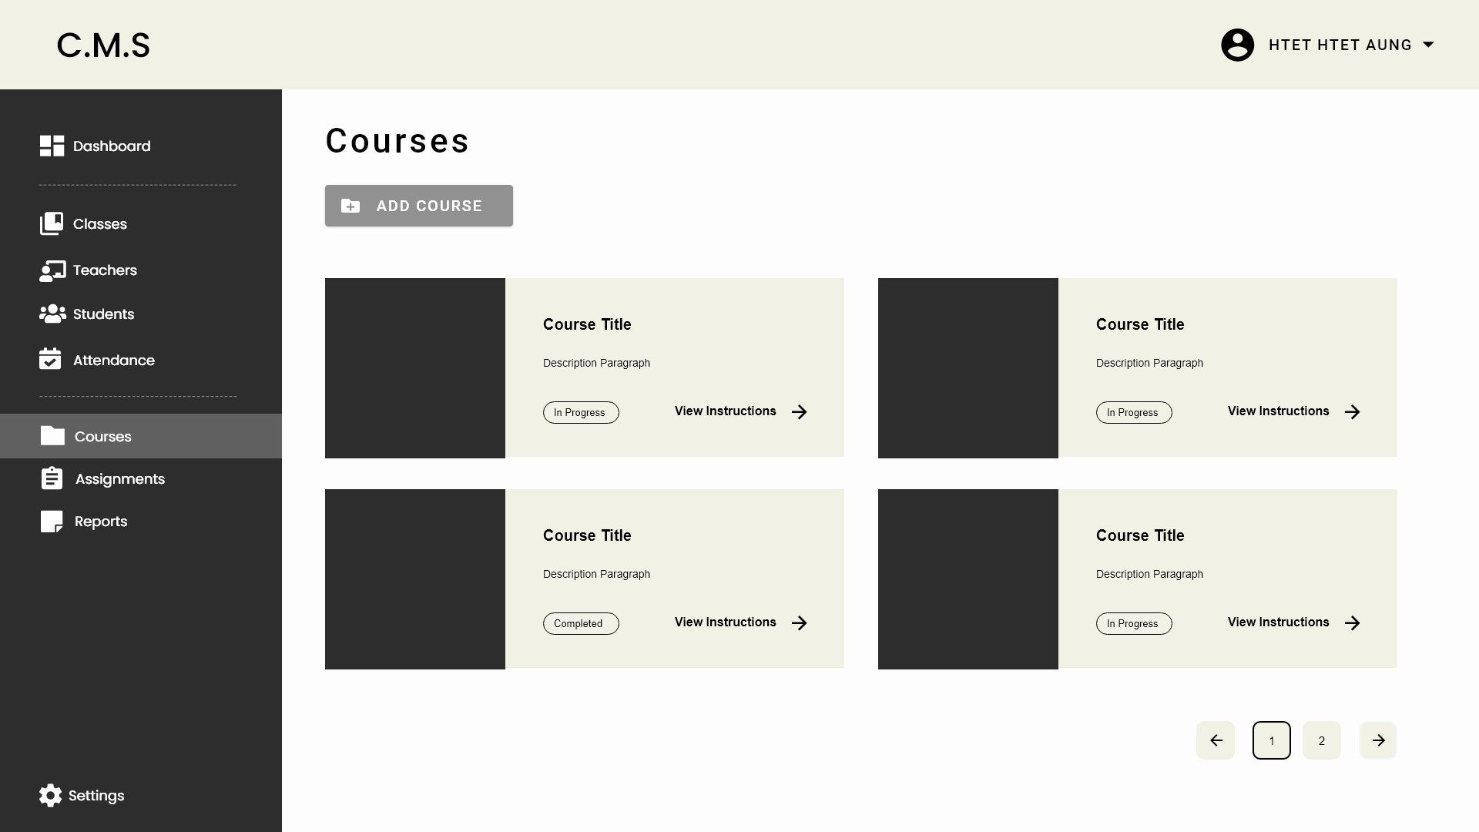

1
2

3
4

5
6

7

No. | Name | Type | TabIdx | I/O | Single item check |  |  | Role Restriction | Sort | Initail Value | DB (CRUD) |  | Remark
 |  |  |  |  | Required | Digits
 |  |  |  |  |  | Min | Max |  |  |  | Table | Column
1 | Courses | Label
2 | Add Course | Button
3 | Course Title | Label |  | O |  |  |  |  |  |  | Course | title
4 | Description Paragraph | Label |  | O |  |  |  |  |  |  | Course | description
5 | In Progress | Label |  | O |  |  |  |  |  |  | StudentClass | student
6 | View Instructions | Link
7 | Pagination | Button |  | O

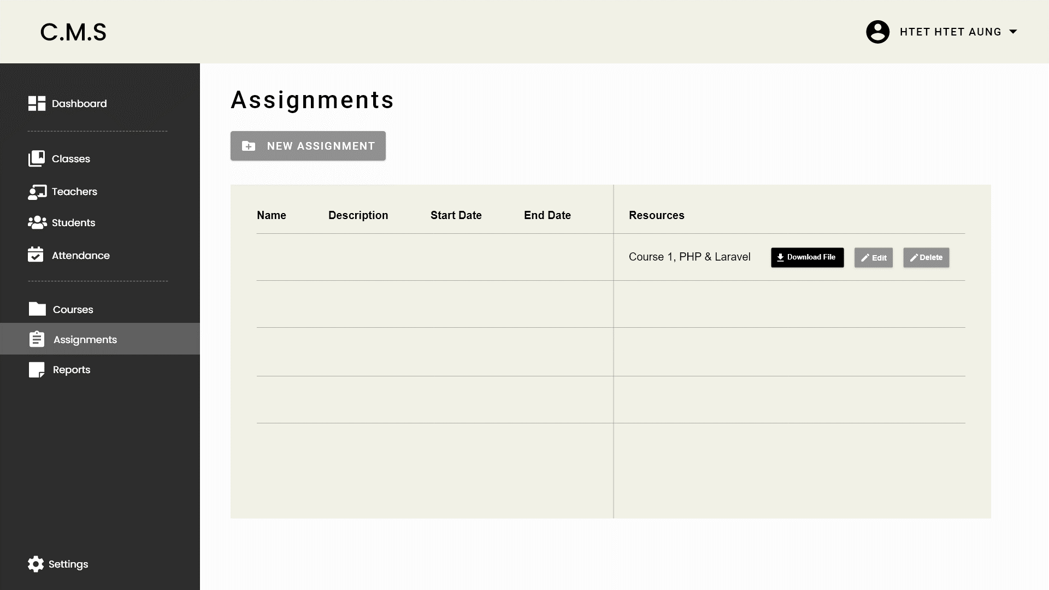

1

2

6
3
4
5
7
12
13
15
8
9
10
11

14

No. | Name | Type | TabIdx | I/O | Single item check |  |  | Role Restriction | Sort | Initail Value | DB (CRUD) |  | Remark
 |  |  |  |  | Required | Digits
 |  |  |  |  |  | Min | Max |  |  |  | Table | Column
1 | Assignments | Label
2 | New Assignment | Button
3 | Name | Label |  |  |  |  |  |  |  |  | Course | title
4 | Description | Label |  |  |  |  |  |  |  |  | Course | description
5 | Start Date | Label |  |  |  |  |  |  |  |  | Course | description
6 | End Date | Label |  |  |  |  |  |  |  |  | Course | description
7 | Resources | Label |  |  |  |  |  |  |  |  | Course | description
8 | Name | Label |  |  |  |  |  |  |  |  | Course | description
9 | Description | Label |  |  |  |  |  |  |  |  | Course | description
10 | Start Date | Label |  |  |  |  |  |  |  |  | Course | description
11 | End Date | Label |  |  |  |  |  |  |  |  | Course | description
12 | Resources | Label |  |  |  |  |  |  |  |  | Course | description

