Head
Class Management System

ERD
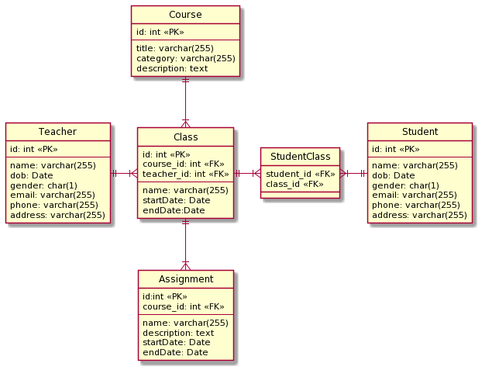

Transition
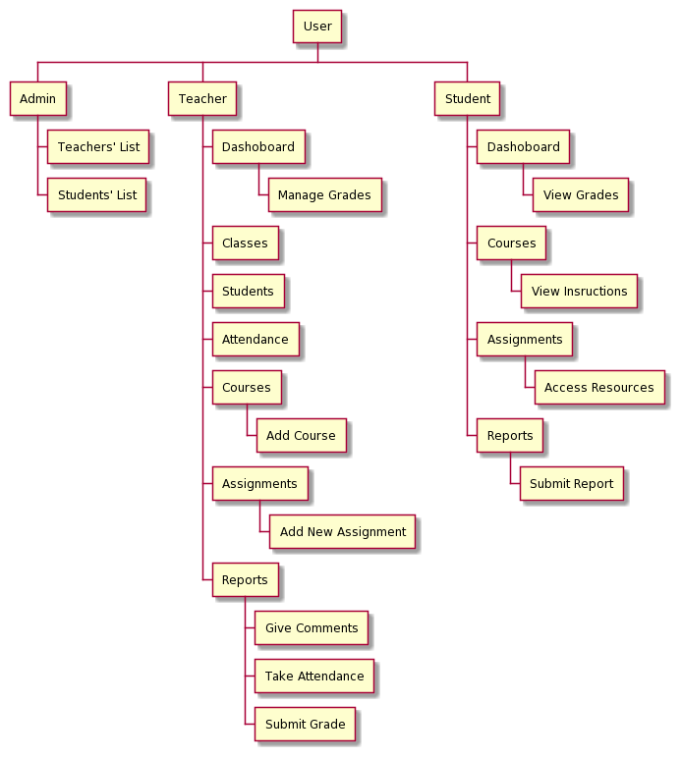

Student Dashboard
■ Student Dashboard



1

2
4

3
5
Courses Completed
50%
Assignments
6/10

 | No. | Name | Type | TabIdx | I/O | Single item check |  |  | Role Restriction | Sort | Initail Value | DB (CRUD) |  | Remark
 |  |  |  |  |  | Required | Digits
 |  |  |  |  |  |  | Min | Max |  |  |  | Table | Column
 | 1 | Dashboard | Label
 | 2 | Course Completed | Link |  |  |  |  |  |  |  |  | StudentClass |  | calculate % of completed course base on schedule
 | 3 | Course Completed | Label |  | O
 | 4 | Assignments | Link
 | 5 | Assignments | Label |  | O |  |  |  |  |  |  | Assignment |  | show number of completed assignment

Student Courses
■ Student Courses

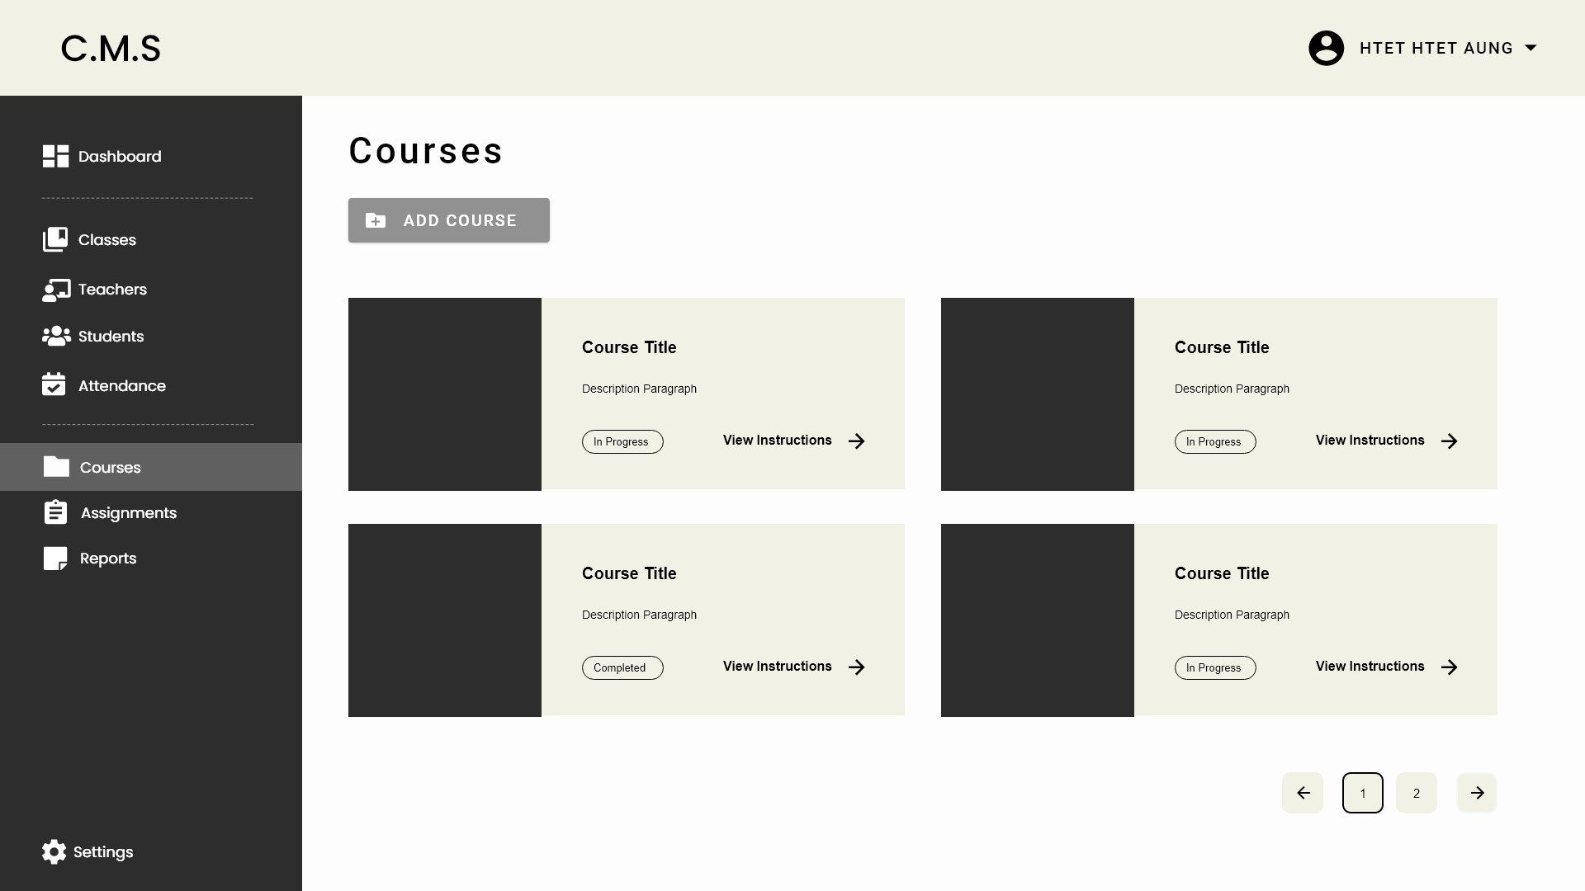

1
2

3
4

Courses Completed
50%
5
Assignments
6/10
6

7

 | No. | Name | Type | TabIdx | I/O | Single item check |  |  | Role Restriction | Sort | Initail Value | DB (CRUD) |  | Remark
 |  |  |  |  |  | Required | Digits
 |  |  |  |  |  |  | Min | Max |  |  |  | Table | Column
 | 1 | Courses | Label
 | 2 | Add Course | Button
 | 3 | Course Title | Label |  | O |  |  |  |  |  |  | Course | title
 | 4 | Description Paragraph | Label |  | O |  |  |  |  |  |  | Course | description
 | 5 | In Progress | Label |  | O |  |  |  |  |  |  | StudentClass | student
 | 6 | View Instructions | Link
 | 7 | Pagination | Button |  | O

Student Assignments
■ Student Assignments

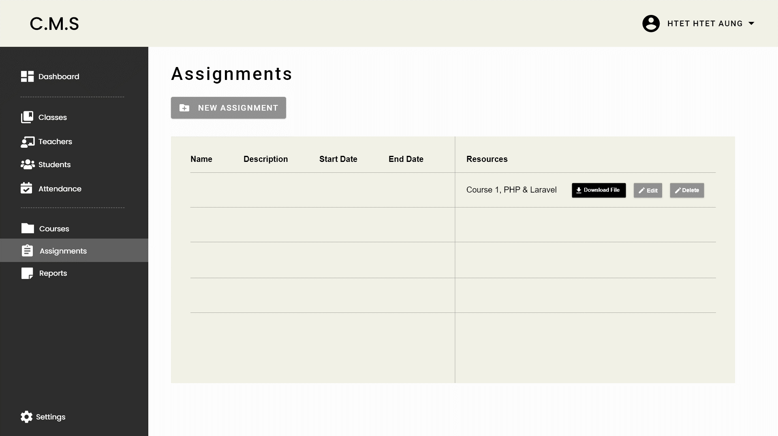

1

2

6
3
4
5
7
12
13
15
8
9
10
11
Courses Completed
50%
Assignments
6/10

14

 | No. | Name | Type | TabIdx | I/O | Single item check |  |  | Role Restriction | Sort | Initail Value | DB (CRUD) |  | Remark
 |  |  |  |  |  | Required | Digits
 |  |  |  |  |  |  | Min | Max |  |  |  | Table | Column
 | 1 | Assignments | Label
 | 2 | New Assignment | Button
 | 3 | Name | Label
 | 4 | Description | Label
 | 5 | Start Date | Label
 | 6 | End Date | Label
 | 7 | Resources | Label
 | 8 | Name | Label |  | O |  |  |  |  |  |  | Assignment | name
 | 9 | Description | Label |  | O |  |  |  |  |  |  | Assignment | description
 | 10 | Start Date | Label |  | O |  |  |  |  |  |  | Assignment | start_date
 | 11 | End Date | Label |  | O |  |  |  |  |  |  | Assignment | end_date
 | 12 | Resources | Label |  | O |  |  |  |  |  |  | Assignment | file

Student Reports
■ Student Reports

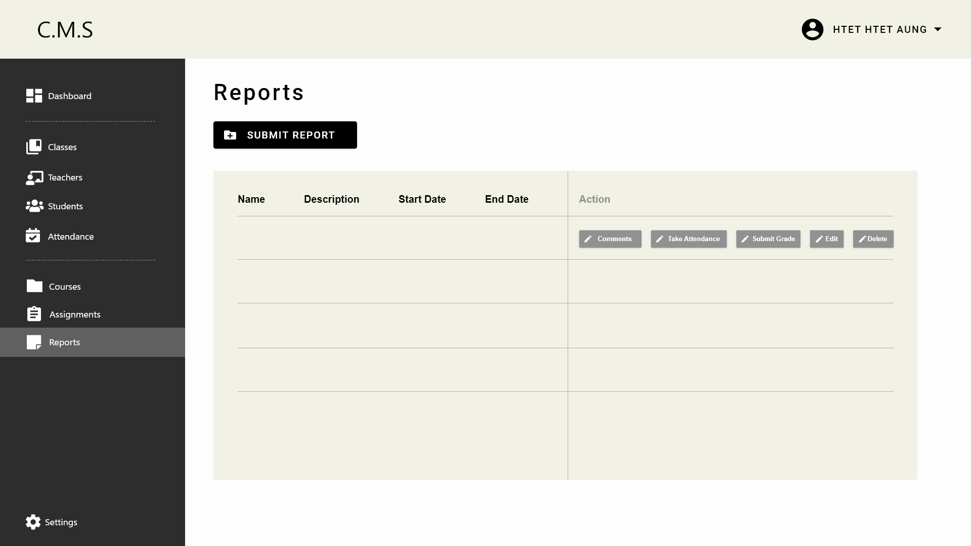

1

2
7
5
6
3
4

Courses Completed
50%
Assignments
6/10
8
9
10
11
12
13
14
15
16

 | No. | Name | Type | TabIdx | I/O | Single item check |  |  | Role Restriction | Sort | Initail Value | DB (CRUD) |  | Remark
 |  |  |  |  |  | Required | Digits
 |  |  |  |  |  |  | Min | Max |  |  |  | Table | Column
 | 1 | Reports | Label
 | 2 | Submit Report | Button
 | 3 | Name | Label
 | 4 | Description | Label
 | 5 | Start Date | Label
 | 6 | End Date | Label
 | 7 | Action | Label
 | 8 | Name | Label |  | O |  |  |  |  |  |  | Assignment | name
 | 9 | Description | Label |  | O |  |  |  |  |  |  | Assignment | description
 | 10 | Start Date | Label |  | O |  |  |  |  |  |  | Assignment | start_date
 | 11 | End Date | Label |  | O |  |  |  |  |  |  | Assignment | end_date
 | 12 | Resources | Label |  | O |  |  |  |  |  |  | Assignment | file

Teacher Class
■ Student Dashboard

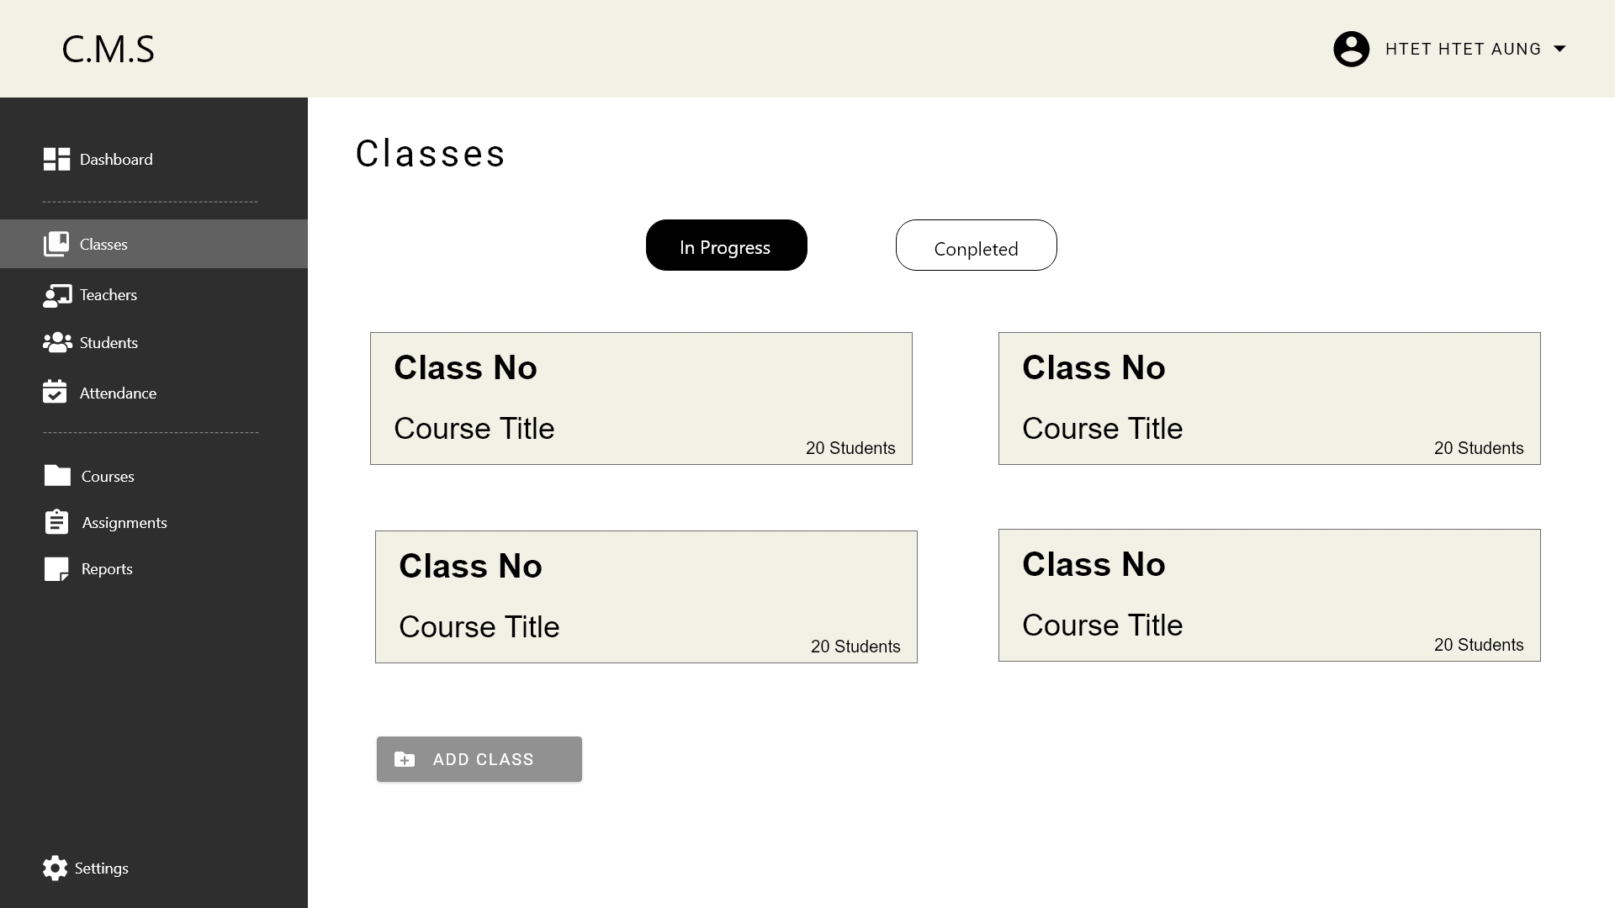

1

2
3

4
Courses Completed
50%
5
Assignments
6/10

6
7

8

No. | Name | Type | TabIdx | I/O | Single item check |  |  | Role Restriction | Sort | Initail Value | DB (CRUD) |  | Remark
 |  |  |  |  | Required | Digits
 |  |  |  |  |  | Min | Max |  |  |  | Table | Column
1 | Dashboard | Label
2 | Course Completed | Link |  |  |  |  |  |  |  |  | StudentClass |  | calculate % of completed course base on schedule
3 | Course Completed | Label |  | O
4 | Assignments | Link
5 | Assignments | Label |  | O |  |  |  |  |  |  | Assignment |  | show number of completed assignment

1

2

6
3
4
5
7
12
13
15
8
9
10
11

14

No. | Name | Type | TabIdx | I/O | Single item check |  |  | Role Restriction | Sort | Initail Value | DB (CRUD) |  | Remark
 |  |  |  |  | Required | Digits
 |  |  |  |  |  | Min | Max |  |  |  | Table | Column
1 | Assignments | Label
2 | New Assignment | Button
3 | Name | Label |  |  |  |  |  |  |  |  | Course | title
4 | Description | Label |  |  |  |  |  |  |  |  | Course | description
5 | Start Date | Label |  |  |  |  |  |  |  |  | Course | description
6 | End Date | Label |  |  |  |  |  |  |  |  | Course | description
7 | Resources | Label |  |  |  |  |  |  |  |  | Course | description
8 | Name | Label |  |  |  |  |  |  |  |  | Course | description
9 | Description | Label |  |  |  |  |  |  |  |  | Course | description
10 | Start Date | Label |  |  |  |  |  |  |  |  | Course | description
11 | End Date | Label |  |  |  |  |  |  |  |  | Course | description
12 | Resources | Label |  |  |  |  |  |  |  |  | Course | description

Teacher Assignments
■ Student Dashboard

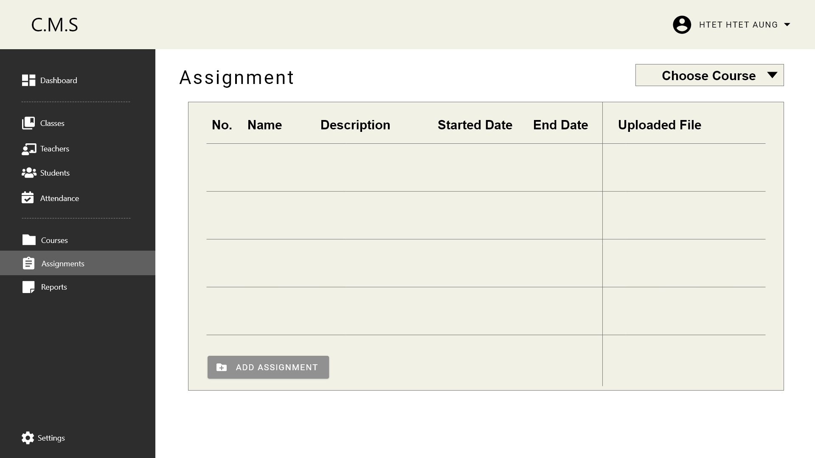

8
1

2
3
4
5
6
7

Courses Completed
50%
Assignments
6/10

1

 | No. |  | Name |  | Type |  | TabIdx |  | I/O |  | Single item check |  |  |  |  |  | Role Restriction |  | Sort |  | Initail Value |  | DB (CRUD) |  |  |  | Remark
 |  |  |  |  |  |  |  |  |  |  | Required |  | Digits
 |  |  |  |  |  |  |  |  |  |  |  |  | Min |  | Max |  |  |  |  |  |  |  | Table |  | Column
 | 1 |  | Dashboard |  | Label
 | 2 |  | Course Completed |  | Link |  |  |  |  |  |  |  |  |  |  |  |  |  |  |  |  |  | StudentClass |  |  |  | calculate % of completed course base on schedule
 | 3 |  | Course Completed |  | Label |  |  |  | O
 | 4 |  | Assignments |  | Link
 | 5 |  | Assignments |  | Label |  |  |  | O |  |  |  |  |  |  |  |  |  |  |  |  |  | Assignment |  |  |  | show number of completed assignment

No. |  | Name |  | Type |  | TabIdx |  | I/O |  | Single item check |  |  |  |  |  | Role Restriction |  | Sort |  | Initail Value |  | DB (CRUD) |  |  |  | Remark
 |  |  |  |  |  |  |  |  |  | Required |  | Digits
 |  |  |  |  |  |  |  |  |  |  |  | Min |  | Max |  |  |  |  |  |  |  | Table |  | Column
1 |  | Dashboard |  | Label
2 |  | List of Classes |  | Label |  |  |  | O |  |  |  |  |  |  |  |  |  |  |  |  |  | StudentClass |  | class_name class_start_date class_end_date |  | show the list class

1
2

3
4

5
6

7

No. |  | Name |  | Type |  | TabIdx |  | I/O |  | Single item check |  |  |  |  |  | Role Restriction |  | Sort |  | Initail Value |  | DB (CRUD) |  |  |  | Remark
 |  |  |  |  |  |  |  |  |  | Required |  | Digits
 |  |  |  |  |  |  |  |  |  |  |  | Min |  | Max |  |  |  |  |  |  |  | Table |  | Column
1 |  | Courses |  | Label
2 |  | Add Course |  | Button
3 |  | Course Title |  | Label |  |  |  | O |  |  |  |  |  |  |  |  |  |  |  |  |  | Course |  | title
4 |  | Description Paragraph |  | Label |  |  |  | O |  |  |  |  |  |  |  |  |  |  |  |  |  | Course |  | description
5 |  | In Progress |  | Label |  |  |  | O |  |  |  |  |  |  |  |  |  |  |  |  |  | StudentClass |  | student
6 |  | View Instructions |  | Link
7 |  | Pagination |  | Button |  |  |  | O

1

2

6
3
4
5
7
12
13
15
8
9
10
11

14

No. |  | Name |  | Type |  | TabIdx |  | I/O |  | Single item check |  |  |  |  |  | Role Restriction |  | Sort |  | Initail Value |  | DB (CRUD) |  |  |  | Remark
 |  |  |  |  |  |  |  |  |  | Required |  | Digits
 |  |  |  |  |  |  |  |  |  |  |  | Min |  | Max |  |  |  |  |  |  |  | Table |  | Column
1 |  | Assignments |  | Label
2 |  | New Assignment |  | Button
3 |  | Name |  | Label |  |  |  |  |  |  |  |  |  |  |  |  |  |  |  |  |  | Course |  | title
4 |  | Description |  | Label |  |  |  |  |  |  |  |  |  |  |  |  |  |  |  |  |  | Course |  | description
5 |  | Start Date |  | Label |  |  |  |  |  |  |  |  |  |  |  |  |  |  |  |  |  | Course |  | description
6 |  | End Date |  | Label |  |  |  |  |  |  |  |  |  |  |  |  |  |  |  |  |  | Course |  | description
7 |  | Resources |  | Label |  |  |  |  |  |  |  |  |  |  |  |  |  |  |  |  |  | Course |  | description
8 |  | Name |  | Label |  |  |  |  |  |  |  |  |  |  |  |  |  |  |  |  |  | Course |  | description
9 |  | Description |  | Label |  |  |  |  |  |  |  |  |  |  |  |  |  |  |  |  |  | Course |  | description
10 |  | Start Date |  | Label |  |  |  |  |  |  |  |  |  |  |  |  |  |  |  |  |  | Course |  | description
11 |  | End Date |  | Label |  |  |  |  |  |  |  |  |  |  |  |  |  |  |  |  |  | Course |  | description
12 |  | Resources |  | Label |  |  |  |  |  |  |  |  |  |  |  |  |  |  |  |  |  | Course |  | description

Teacher Reports
■ Student Dashboard

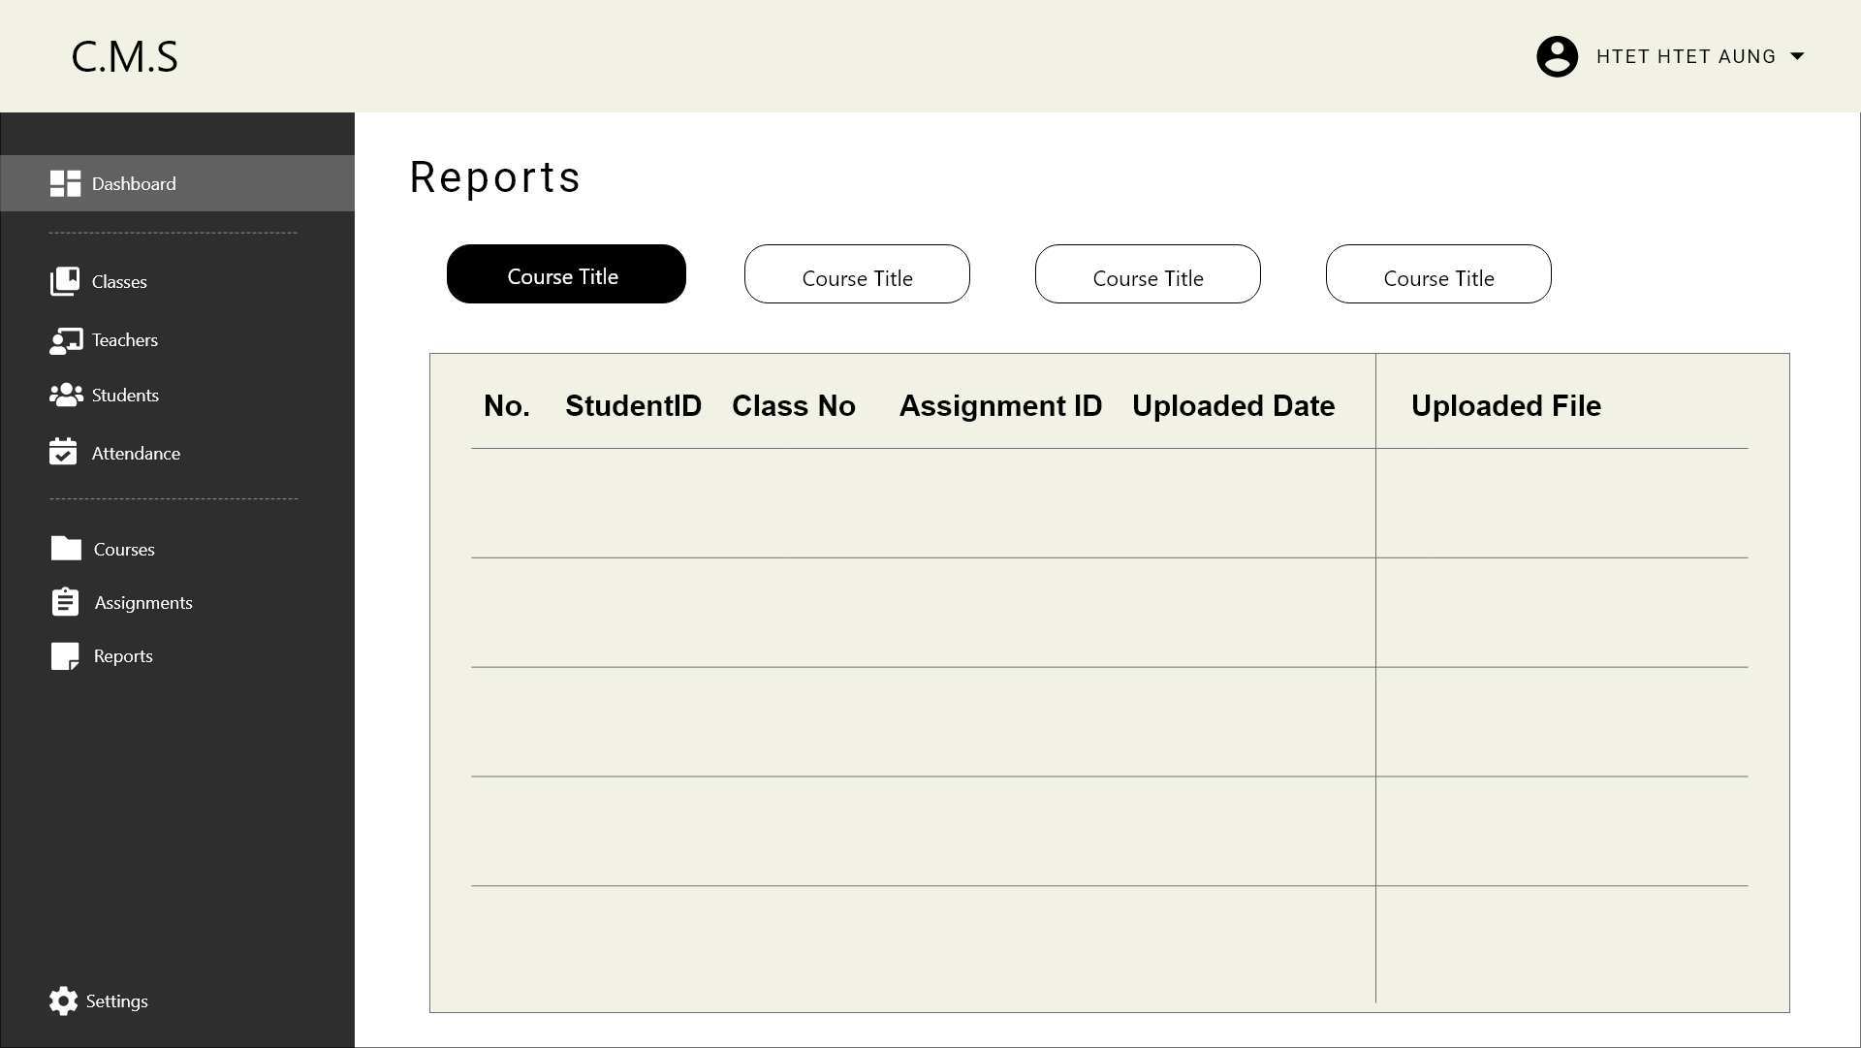

1

2
3

9
Courses Completed
50%
4
5
6
Assignments
6/10
7
8

No. | Name | Type | TabIdx | I/O | Single item check |  |  | Role Restriction | Sort | Initail Value | DB (CRUD) |  | Remark
 |  |  |  |  | Required | Digits
 |  |  |  |  |  | Min | Max |  |  |  | Table | Column
1 | Dashboard | Label
2 | Course Completed | Link |  |  |  |  |  |  |  |  | StudentClass |  | calculate % of completed course base on schedule
3 | Course Completed | Label |  | O
4 | Assignments | Link
5 | Assignments | Label |  | O |  |  |  |  |  |  | Assignment |  | show number of completed assignment

No. | Name | Type | TabIdx | I/O | Single item check |  |  | Role Restriction | Sort | Initail Value | DB (CRUD) |  | Remark
 |  |  |  |  | Required | Digits
 |  |  |  |  |  | Min | Max |  |  |  | Table | Column
1 | Dashboard | Label
2 | List of Classes | Label |  | O |  |  |  |  |  |  | StudentClass | class_name class_start_date class_end_date | show the list class

1
2

3
4

5
6

7

No. | Name | Type | TabIdx | I/O | Single item check |  |  | Role Restriction | Sort | Initail Value | DB (CRUD) |  | Remark
 |  |  |  |  | Required | Digits
 |  |  |  |  |  | Min | Max |  |  |  | Table | Column
1 | Courses | Label
2 | Add Course | Button
3 | Course Title | Label |  | O |  |  |  |  |  |  | Course | title
4 | Description Paragraph | Label |  | O |  |  |  |  |  |  | Course | description
5 | In Progress | Label |  | O |  |  |  |  |  |  | StudentClass | student
6 | View Instructions | Link
7 | Pagination | Button |  | O

1

2

6
3
4
5
7
12
13
15
8
9
10
11

14

No. | Name | Type | TabIdx | I/O | Single item check |  |  | Role Restriction | Sort | Initail Value | DB (CRUD) |  | Remark
 |  |  |  |  | Required | Digits
 |  |  |  |  |  | Min | Max |  |  |  | Table | Column
1 | Assignments | Label
2 | New Assignment | Button
3 | Name | Label |  |  |  |  |  |  |  |  | Course | title
4 | Description | Label |  |  |  |  |  |  |  |  | Course | description
5 | Start Date | Label |  |  |  |  |  |  |  |  | Course | description
6 | End Date | Label |  |  |  |  |  |  |  |  | Course | description
7 | Resources | Label |  |  |  |  |  |  |  |  | Course | description
8 | Name | Label |  |  |  |  |  |  |  |  | Course | description
9 | Description | Label |  |  |  |  |  |  |  |  | Course | description
10 | Start Date | Label |  |  |  |  |  |  |  |  | Course | description
11 | End Date | Label |  |  |  |  |  |  |  |  | Course | description
12 | Resources | Label |  |  |  |  |  |  |  |  | Course | description

